Figure 3A
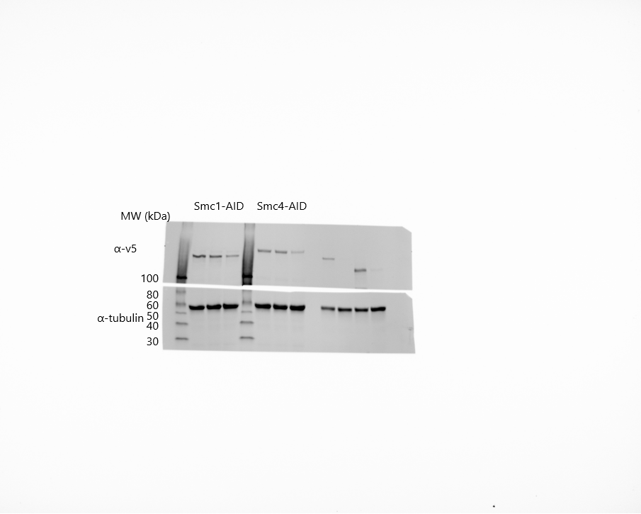
Figure 3A. Western blot of V5-tagged Smc1 and Smc4 in a -TIR1 (E3 ligase) strain, or a +TIR1 strain with or without 1hr IAA treatment

