Figure 1A
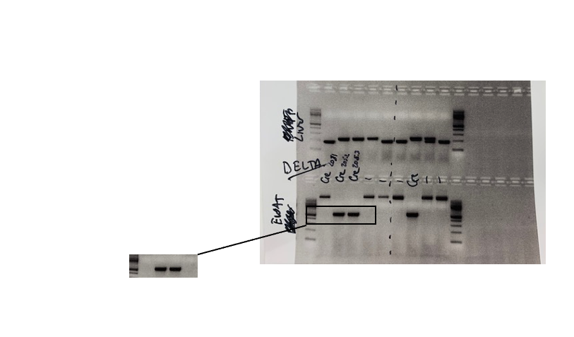
Figure 1A un-cropped gel image.

Figure 1H
SMPD3 protein in adipocytes

Control | Ad-SMPD3KO
1.32481363 | 2.275194
0.85614974 | 0.81455723
0.81903663 | 0.4841462
0.9182991 | 1.00928303
1.33899097 | 1.26218255
0.74270992 | 0.66750242

Full un-cropped blot for Figure 1H

WT KO WT KO WT KO
SMPD3
SMPD3
CALR

100 kda
75 kda

Cut blot probed for
SMPD3 and CALR

CALR
WT KO WT KO WT KO

100 kda
75 kda

50 kda

