Fig. 1B Uncropped gels
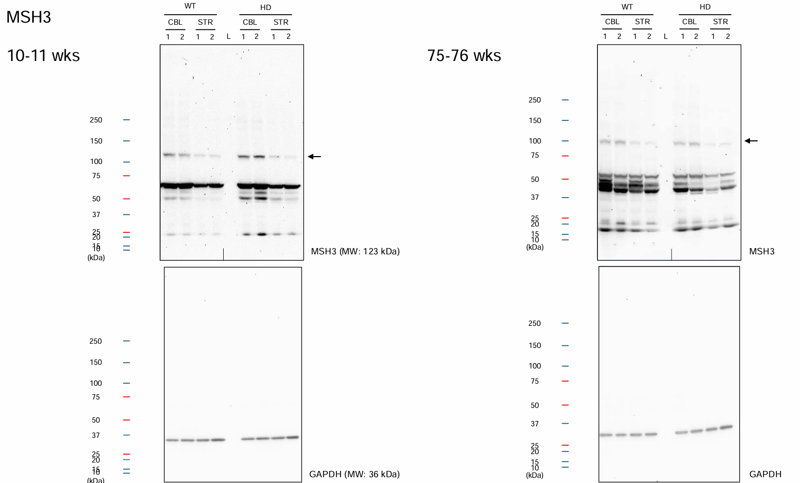

74-75wks

Fig. 1C Blot intensity
Fig.1C. Intensity of MSH3 expression

 |  |  | 10,11 weeks |  |  |  |  |  | 74,75 weeks
MSH2 |  | CBL |  | STR |  |  |  | CBL |  | STR
 | age(wks) | WT | HD | WT | HD |  | age(wks) | WT | HD | WT | HD
 | 10-11 | 329921 | 806885 | 38919 | 34230 |  | 74-75 | 540541 | 433215 | 29755 | 30439
 | 10-11 | 196506 | 405557 | 38038 | 41997 |  | 74-75 | 629229 | 613865 | 27583 | 22820
x100,000 | 10-11 | 3.30 | 8.07 | 0.39 | 0.34 |  | 74-75 | 5.41 | 4.33 | 0.30 | 0.30
 | 10-11 | 1.97 | 4.06 | 0.38 | 0.42 |  | 74-75 | 6.29 | 6.14 | 0.28 | 0.23

MSH3 |  | CBL |  | STR |  |  |  | CBL |  | STR
 | age(wks) | WT | HD | WT | HD |  | age(wks) | WT | HD | WT | HD
 | 10-11 | 438520 | 489977 | 103870 | 107840 |  | 74-75 | 1835086 | 1441462 | 815462 | 482400
 | 10-11 | 284312 | 571224 | 96175 | 62404 |  | 74-75 | 1952993 | 1554293 | 541606 | 604593
x100,000 | 10-11 | 4.39 | 4.90 | 1.04 | 1.08 |  | 74-75 | 18.35 | 14.41 | 8.15 | 4.82
 | 10-11 | 2.84 | 5.71 | 0.96 | 0.62 |  | 74-75 | 19.53 | 15.54 | 5.42 | 6.05

MSH6 |  | CBL |  | STR |  |  |  | CBL |  | STR
 | age(wks) | WT | HD | WT | HD |  | age(wks) | WT | HD | WT | HD
 | 10-11 | 3737960 | 4341418 | 1543173 | 972294 |  | 74-75 | 1838574 | 2259752 | 686371 | 841460
 | 10-11 | 3614675 | 3696901 | 1170553 | 785522 |  | 74-75 | 2033510 | 2346265 | 653726 | 563183
 | 19-20 | 21184998 | 20338478 | 7011712 | 5278290 | ** | 74 | 5440846 | 7710895 | 6476721 | 9336681 | **
x100,000 | 10-11 | 37.38 | 43.41 | 15.43 | 9.72 |  | 74-75 | 18.39 | 22.60 | 6.86 | 8.41
 | 10-11 | 36.15 | 36.97 | 11.71 | 7.86 |  | 74-75 | 20.34 | 23.46 | 6.54 | 5.63
 | 19-20 | 211.85 | 203.38 | 70.12 | 52.78 | ** | 74 | 54.41 | 77.11 | 64.77 | 93.37 | **

** Gray refers to protein from animal 3 evaluated at 19,20 and 74,75 wks . The intensity at this age shows that the proteins were present in the sample. However, the values are "greyed out" to indicate that they were not used in the plots in Fig. 1B.

Fig. 3B Blot intensity
Fig. 3B Blot intensity of DNA repair proteins

 |  | 10,11 weeks |  |  |  |  |  | 74,75weeks
APE1 |  | CBL |  | STR |  |  |  | CBL |  | STR
 | age(wks) | WT | HD | WT | HD |  | age(wks) | WT | HD | WT | HD
 | 10-11 | 4440865 | 4522534 | 3050994 | 3909655 |  | 74-75 | 3796667 | 4895444 | 2901812 | 2787818
 | 10-11 | 4595262 | 4753384 | 3222148 | 3106659 |  | 74-75 | 4280384 | 4549392 | 2395571 | 2529580
 | 19-20 | 8634096 | 7229751 | 8032344 | 8368597 | ** | 74-75 | 2878574 | 2634135 | 1742025 | 2181306 | **
x100,000 | 10-11 | 44.41 | 45.23 | 30.51 | 39.10 |  | 74-75 | 37.97 | 48.95 | 29.02 | 27.88
 | 10-11 | 45.95 | 47.53 | 32.22 | 31.07 |  | 74-75 | 42.80 | 45.49 | 23.96 | 25.30
 | 19-20 | 86.34 | 72.30 | 80.32 | 83.69 | ** | 74-75 | 28.79 | 26.34 | 17.42 | 21.81 | **

XPA |  | CBL |  | STR |  |  |  | CBL |  | STR
 | age(wks) | WT | HD | WT | HD |  | age(wks) | WT | HD | WT | HD
 | 10-11 | 676162 | 1412875 | 659718 | 1082820 |  | 74-75 | 1435718 | 1762562 | 560833 | 1181572
 | 10-11 | 619718 | 1742311 | 575253 | 809756 |  | 74-75 | 1297402 | 2854899 | 618139 | 972163
x100,000 | 10-11 | 6.76 | 14.13 | 6.60 | 10.83 |  | 74-75 | 14.36 | 17.63 | 5.61 | 11.82
 | 10-11 | 6.20 | 17.42 | 5.75 | 8.10 |  | 74-75 | 12.97 | 28.55 | 6.18 | 9.72

ERCC1 |  | CBL |  | STR |  |  |  | CBL |  | STR
 | age(wks) | WT | HD | WT | HD |  | age(wks) | WT | HD | WT | HD
 | 10-11 | 237382 | 283350 | 62710 | 80577 |  | 74-75 | 1555975 | 1578928 | 512512 | 379804
 | 10-11 | 189715 | 317100 | 60425 | 84938 |  | 74-75 | 1570320 | 1430292 | 354495 | 334405
 | 19-20 | 640591 | 341562 | 181612 | 207241 | ** | 74-75 | 1295477 | 1041464 | 137659 | 127317 | **
x100,000 | 10-11 | 2.37 | 2.83 | 0.63 | 0.81 |  | 74-75 | 15.56 | 15.79 | 5.13 | 3.80
 | 10-11 | 1.90 | 3.17 | 0.60 | 0.85 |  | 74-75 | 15.70 | 14.30 | 3.54 | 3.34
 | 19-20 | 6.41 | 3.42 | 1.82 | 2.07 | ** | 74-75 | 12.95 | 10.41 | 1.38 | 1.27 | **

MRE11 |  | CBL |  | STR |  |  |  | CBL |  | STR
 | age(wks) | WT | HD | WT | HD |  | age(wks) | WT | HD | WT | HD
 | 10-11 | 236710 | 383824 | 161144 | 209225 |  | 74-75 | 162096 | 219435 | 140946 | 153897
 | 10-11 | 238431 | 317722 | 183964 | 219153 |  | 74-75 | 158970 | 232088 | 144401 | 99357
 | 19-20 | 237761 | 189837 | 237150 | 233717 | ** | 74-75 | 442073 | 294408 | 122778 | 289950 | **
x100,000 | 10-11 | 2.37 | 3.84 | 1.61 | 2.09 |  | 74-75 | 1.62 | 2.19 | 1.41 | 1.54
 | 10-11 | 2.38 | 3.18 | 1.84 | 2.19 |  | 74-75 | 1.59 | 2.32 | 1.44 | 0.99
 | 19-20 | 2.38 | 1.90 | 2.37 | 2.34 | ** | 74-75 | 4.42 | 2.94 | 1.23 | 2.90 | **

Ku70 |  | CBL |  | STR |  |  |  | CBL |  | STR
 | age(wks) | WT | HD | WT | HD |  | age(wks) | WT | HD | WT | HD
 | 10-11 | 138830 | 98925 | 146948 | 92692 |  | 74-75 | 125164 | 85457 | 86142 | 79610
 | 10-11 | 124038 | 66682 | 118537 | 138724 |  | 74-75 | 111080 | 201787 | 68185 | 193007
 | 19-20 | 108209 | 68721 | 135173 | 179173 | ** | 74-75 | 290099 | 344672 | 163330 | 117273 | **
x100,000 | 10-11 | 1.39 | 0.99 | 1.47 | 0.93 |  | 74-75 | 1.25 | 0.85 | 0.86 | 0.80
 | 10-11 | 1.24 | 0.67 | 1.19 | 1.39 |  | 74-75 | 1.11 | 2.02 | 0.68 | 1.93
 | 19-20 | 1.08 | 0.69 | 1.35 | 1.79 | ** | 74-75 | 2.90 | 3.45 | 1.63 | 1.17 | **

Ku80 |  | CBL |  | STR |  |  |  | CBL |  | STR
 | age(wks) | WT | HD | WT | HD |  | age(wks) | WT | HD | WT | HD
 | 10-11 | 35125 | 42835 | 47899 | 58883 |  | 74-75 | 1072104 | 1300779 | 992542 | 2123913
 | 10-11 | 41505 | 55113 | 38583 | 51628 |  | 74-75 | 1117192 | 1960629 | 894954 | 1194283
x100,000 | 10-11 | 0.35 | 0.43 | 0.48 | 0.59 |  | 74-75 | 10.72 | 13.01 | 9.93 | 21.24
 | 10-11 | 0.42 | 0.55 | 0.39 | 0.52 |  | 74-75 | 11.17 | 19.61 | 8.95 | 11.94

** Gray refers to protein from animal 3 evaluated at 19,20 and 74,75 wks . The intensity at this age shows that the proteins were present in the sample. However, the values are "greyed out" to indicate that they were not used in the plots in Fig. 3B because the 19,20wk age group did not match the younger age group for animals 1 and 2.

Supp. Fig. 2. Uncropped gels
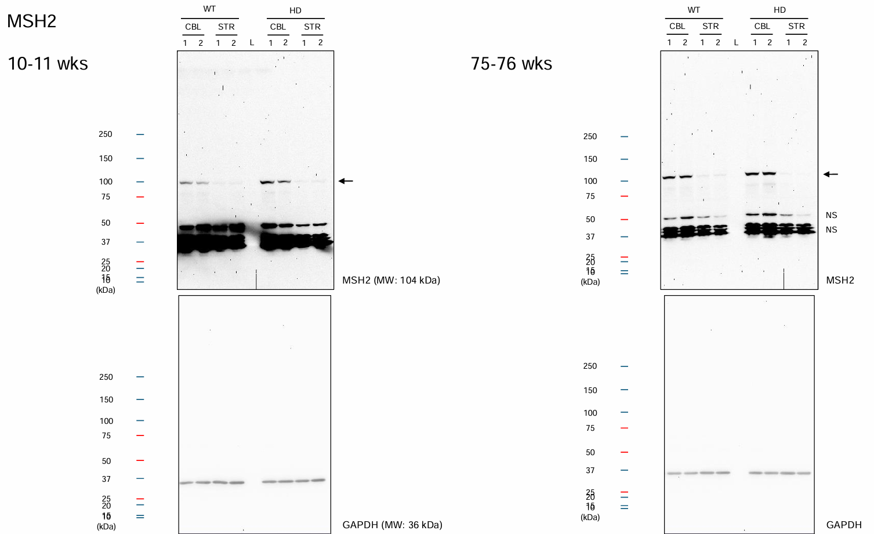

74-75wks

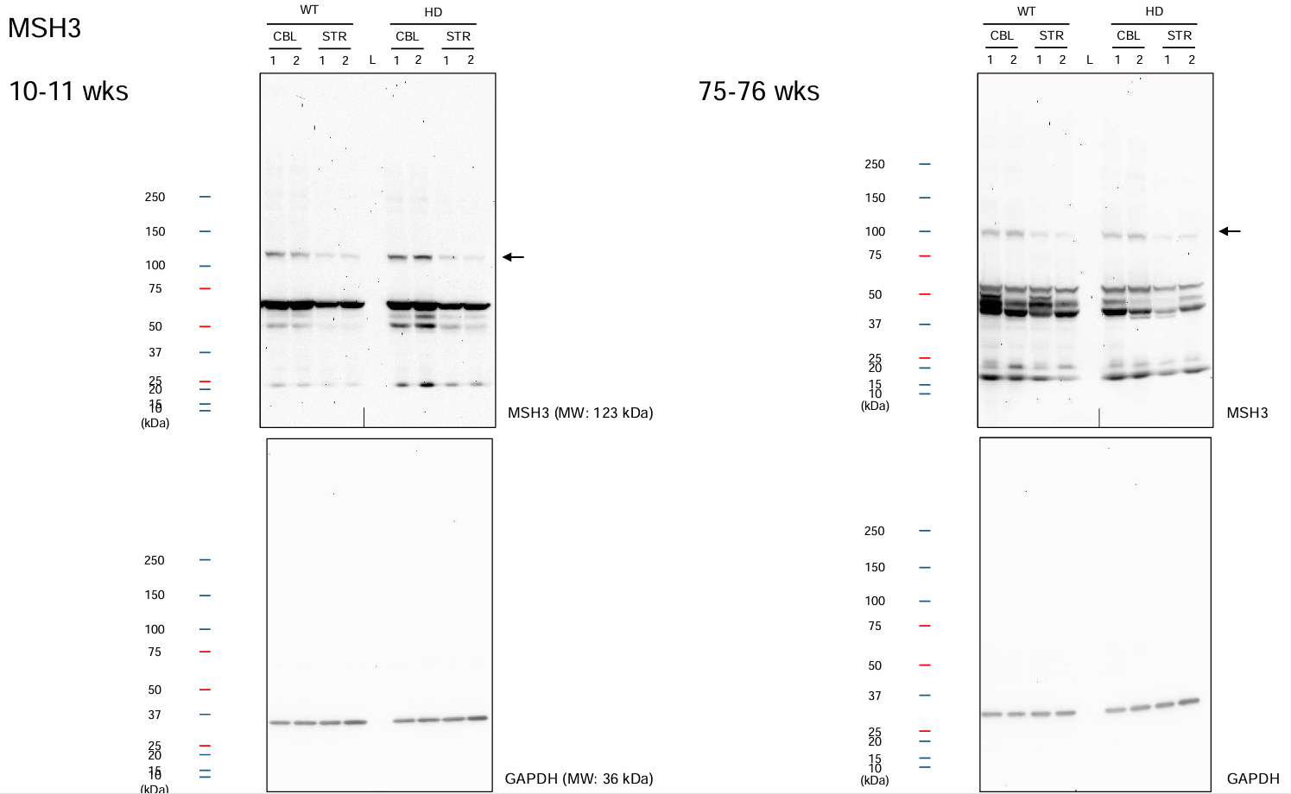

74-75wks

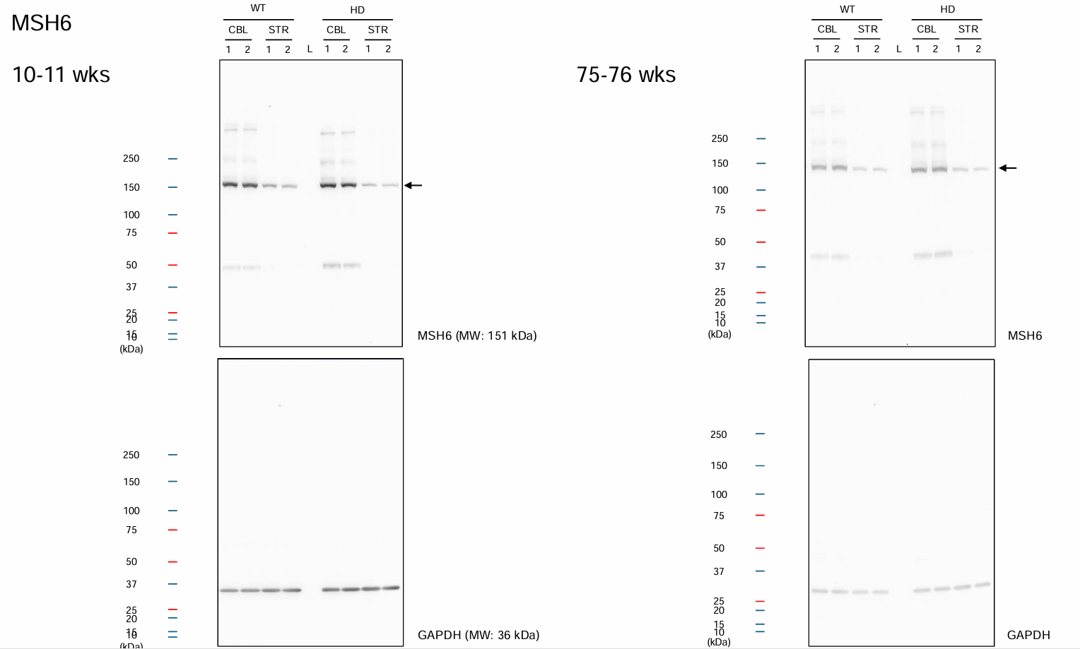

74-75wks

Supp. Fig. 3. Uncropped gels
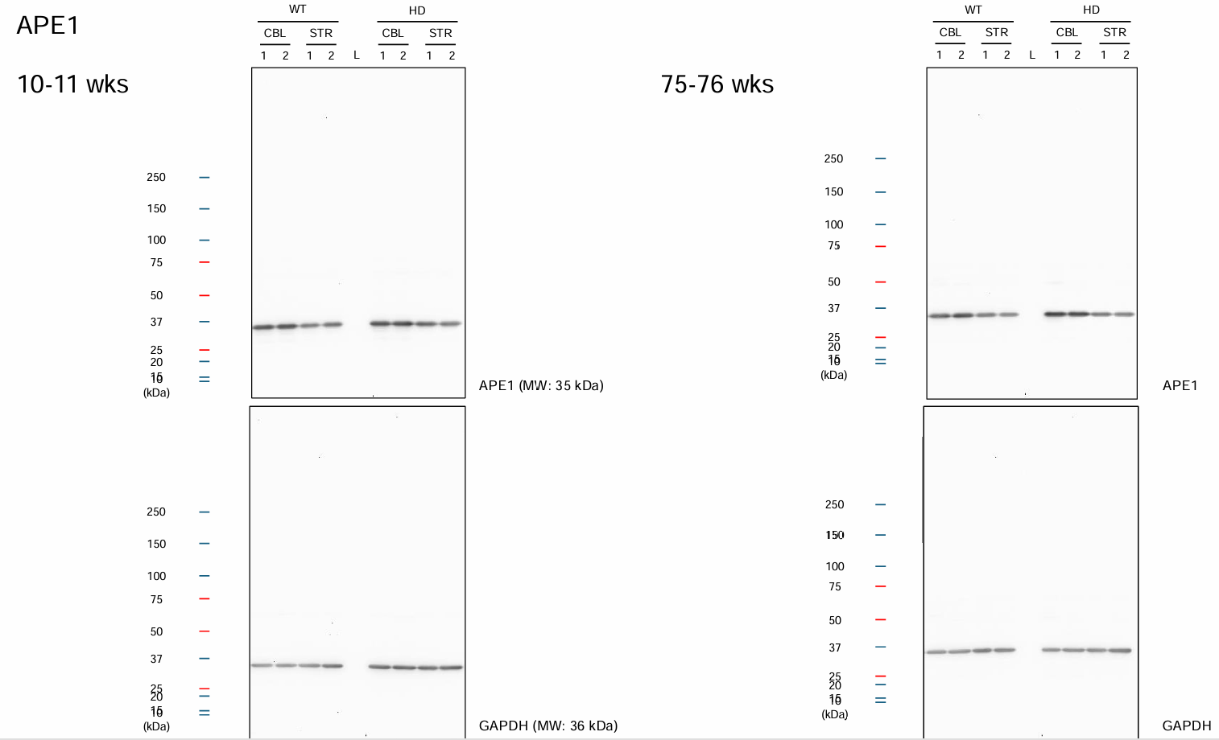

74-75wks

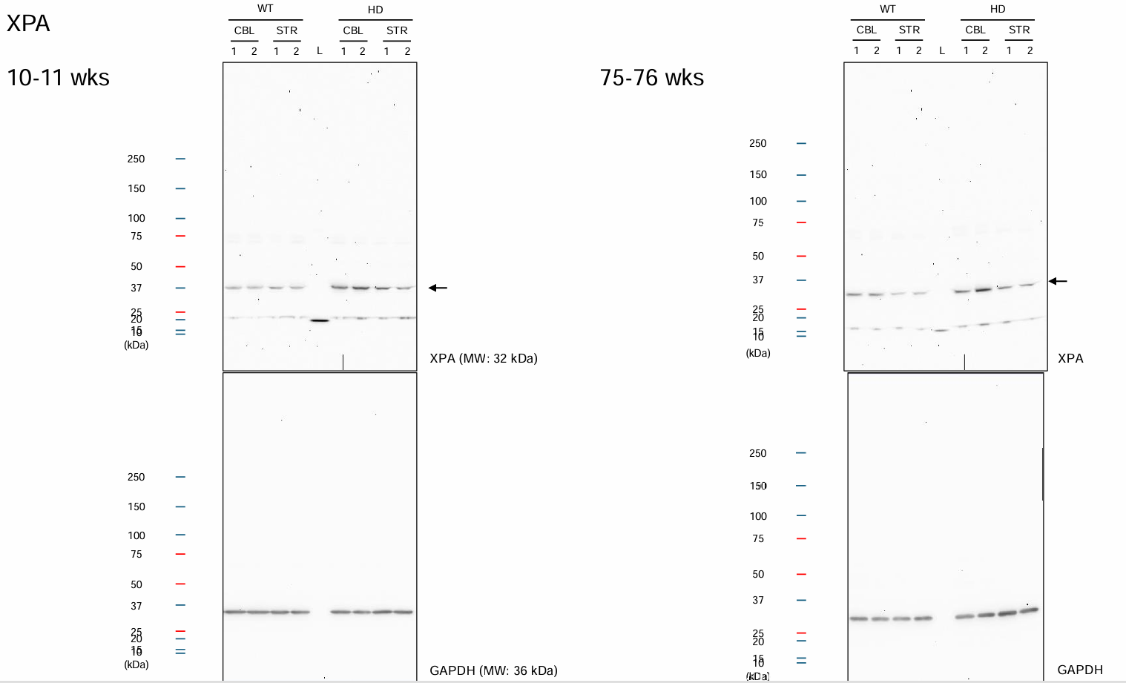

74-75wks

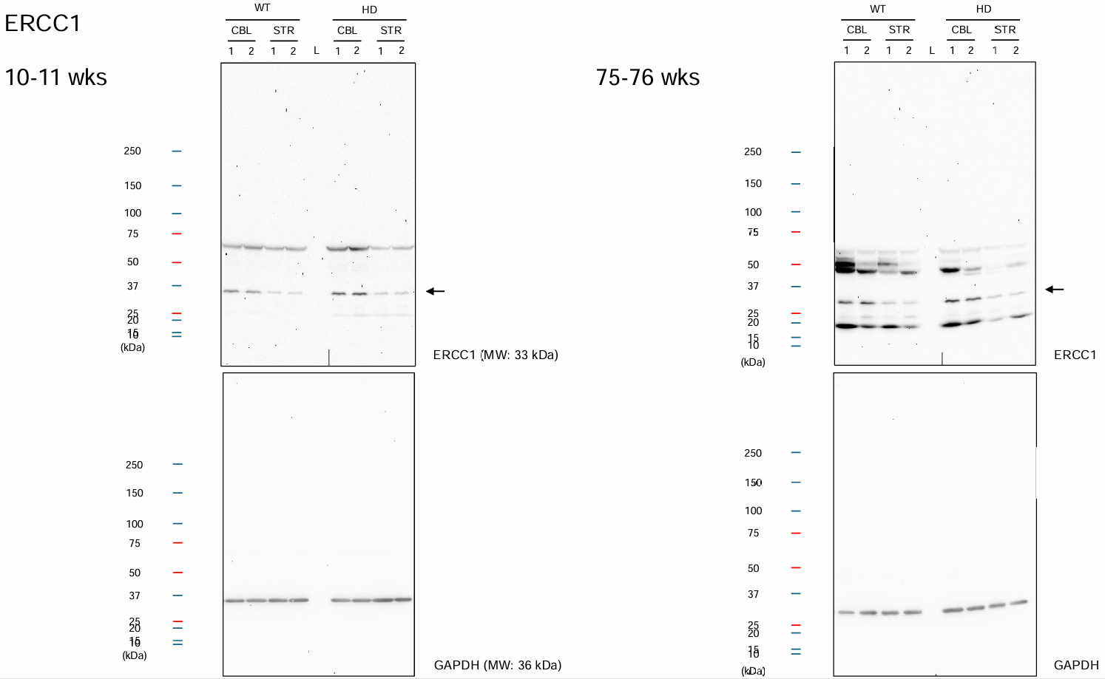

74-75wks

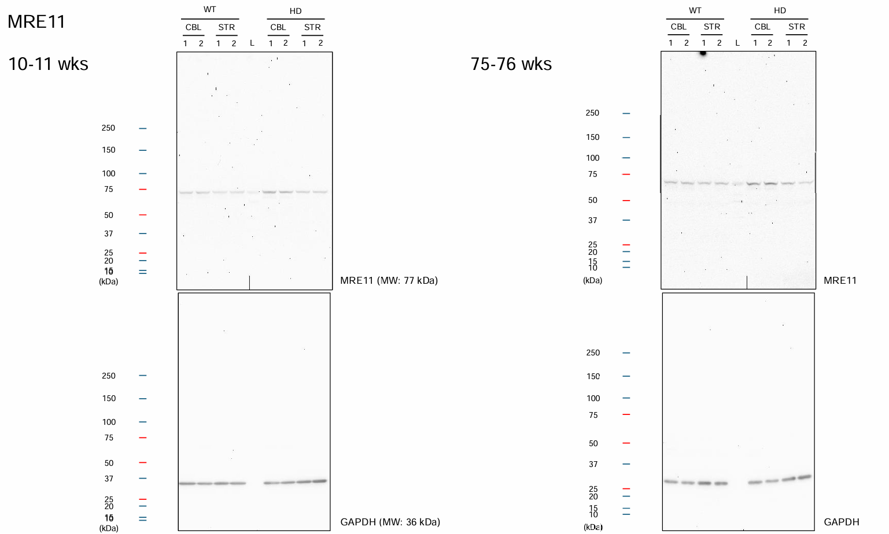

74-75wks

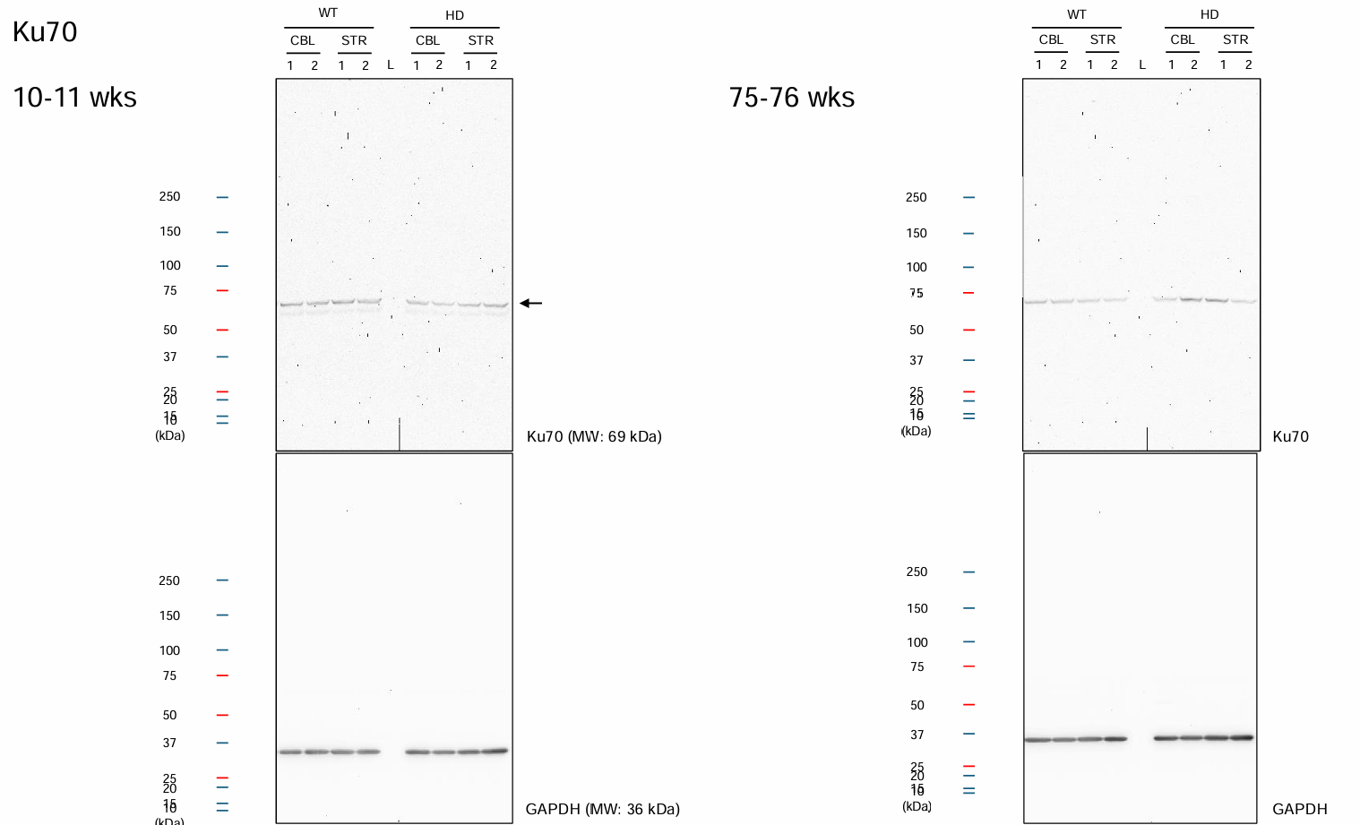

74-75wks

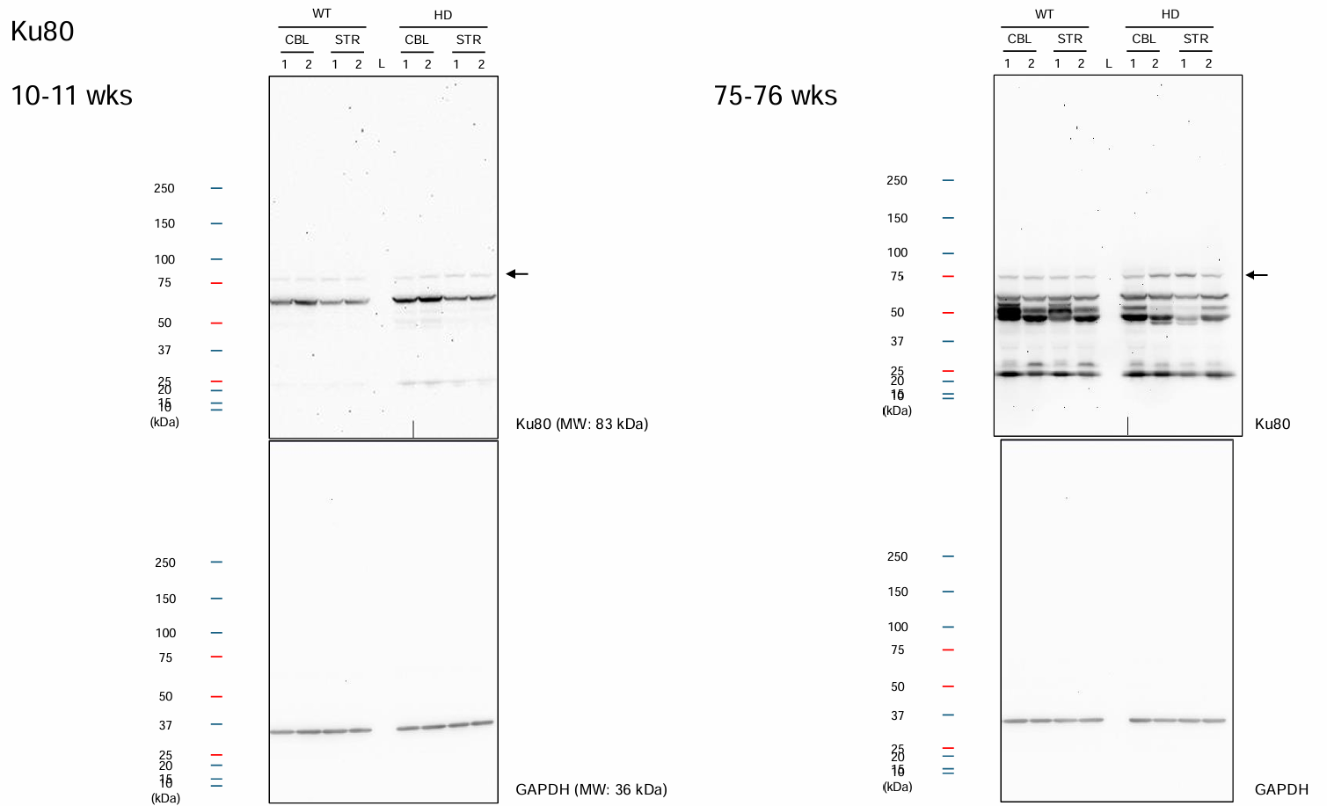

74-75wks

Suppl Fig. 4. MS Brain tissue
 | Supplementary Fig. 4. MS peak areas ± SD for each m/z peptide observed in STR of WT AND HD brain per DNA repair pathway

NHEJ

 |  | XRCC6_HUMAN | XRCC5_HUMAN | PRKDC_HUMAN | ATM_HUMAN | ATR_HUMAN | DCR1C_HUMAN | NHEJ1_HUMAN | XRCC4_HUMAN | DNLI4_HUMAN
 |  | Ku70 | Ku80 | DNA-PK | ATM | ATR | Artemis | XLF | XRCC4 | LIG4
acc numb = |  | P23475 | P27641 | P97313 | Q62388 | Q9JKK8 | Q8K4J0 | Q3KNJ2 | Q924T3 | Q8BTF7
control |  | 0 | 0 | 0 | 0 | 0 | 0 | 0 | 0 | 0

HD-STR#1 |  | 51721336 | 46816372 | 0 | 0 | 0 | 0 | 0 | 0 | 0
HD-STR#2 |  | 341046112 | 123097520 | 0 | 0 | 0 | 0 | 0 | 0 | 0
HD-STR#3 |  | 104425296 | 95260320 | 0 | 0 | 0 | 0 | 0 | 0 | 0

WT-STR#1 |  | 60028684 | 71541096 | 0 | 0 | 0 | 0 | 0 | 0 | 0
WT-STR#2 |  | 87900976 | 100697112 | 0 | 0 | 0 | 0 | 0 | 0 | 0
WT-STR#3 |  | 189758336 | 106892344 | 0 | 0 | 0 | 0 | 0 | 0 | 0

WT-STR | STD DEV | 112562665 | 93043517 | 0 | 0 | 0 | 0 | 0 | 0 | 0
 |  | 39427549 | 10898942 | 0 | 0 | 0 | 0 | 0 | 0 | 0

HD-STR | STD DEV | 165730915 | 88391404 | 0 | 0 | 0 | 0 | 0 | 0 | 0
 |  | 88968142 | 22286692 | 0 | 0 | 0 | 0 | 0 | 0 | 0

 | WT-CBL | WT-STR | HD-CBL | HD-STR
Rad50 | 0 | 0 | 0 | 0
Rad51 | 0 | 0 | 0 | 0
NBS1 | 0 | 0 | 0 | 0
Mre11 | 0 | 0 | 0 | 0
ATM | 0 | 0 | 0 | 0
BRCA1 | 0 | 0 | 0 | 0
BRCA2 | 0 | 0 | 0 | 0
PALB2 | 0 | 0 | 0 | 0
RPA subunit1 | 138017450 | 166132893.33 | 124794312 | 175595658.67
RPA subunit2 | 4415239.3333 | 28653118 | 9876150.1667 | 35643402.333
RPA subunit3 | 5644116 | 6356167.1667 | 22113383.667 | 18650051
ATR | 0 | 0 | 0 | 0
ATRIP | 0 | 0 | 0 | 0
TOPBP1 | 0 | 0 | 0 | 0
MDM2 | 0 | 0 | 0 | 0
CHK2 | 0 | 0 | 0 | 0
CDK2 | 0 | 0 | 0 | 0
CDC25A | 0 | 0 | 0 | 0
P53 | 0 | 0 | 0 | 0
P21 | 0 | 0 | 0 | 0
HR |  |  |  |  |  |  |  |  |  |  |  | RFA3_HUMAN
 |  | RAD50_HUMAN | RAD51_HUMAN | NBN_HUMAN | MRE11_HUMAN | ATM_HUMAN | BRCA1_HUMAN | BRCA2_HUMAN | PALB2_HUMAN | RFA1_HUMAN | RFA2_HUMAN | RPA3
 |  |  |  |  |  |  |  |  |  | RPA1 | RPA2 | RPA subunit3
 |  | Rad50 | Rad51 | NBS1 | Mre11 | ATM | BRCA1 | BRCA2 | PALB2 | RPA subunit1 | RPA subunit2 | Q9CQ71
acc numb = |  | P70388 | Q08297 | Q9R207 | Q61216 | Q62388 | P48754 | P97929 | Q3U0P1 | Q8VEE4 | Q62193
control |  |  |  |  |  |  |  |  |  |  |  | 0
HD-STR#1 | 1 | 0 | 0 | 0 | 0 | 0 | 0 | 0 | 0 | 38110256 | 7370489 | 41600864
HD-STR#2 | 2 | 0 | 0 | 0 | 0 | 0 | 0 | 0 | 0 | 290212480 | 69092472 | 14349289
HD-STR#3 | 3 | 0 | 0 | 0 | 0 | 0 | 0 | 0 | 0 | 198464240 | 30467246
 |  |  |  |  |  |  |  |  |  |  |  | 0
WT-STR#1 | 1 | 0 | 0 | 0 | 0 | 0 | 0 | 0 | 0 | 128724048 | 18192082 | 7885634
WT-STR#2 | 2 | 0 | 0 | 0 | 0 | 0 | 0 | 0 | 0 | 102256520 | 16244524 | 11182868
WT-STR#3 | 3 | 0 | 0 | 0 | 0 | 0 | 0 | 0 | 0 | 267418112 | 51522748
 |  |  |  |  |  |  |  |  |  |  |  | 6356167
WT-STR | AVE | 0 | 0 | 0 | 0 | 0 | 0 | 0 | 0 | 166132893 | 28653118 | 3317559
 | STDEV | 0 | 0 | 0 | 0 | 0 | 0 | 0 | 0 | 51215734 | 11448628
 |  |  |  |  |  |  |  |  |  |  |  | 18650051
HD-STR | AVE | 0 | 0 | 0 | 0 | 0 | 0 | 0 | 0 | 175595659 | 35643402 | 12200142
 | STDEV | 0 | 0 | 0 | 0 | 0 | 0 | 0 | 0 | 73668428 | 18004585

MMR
 |  | MSH2_HUMAN | MSH3_HUMAN | MSH6_HUMAN | MLH1_HUMAN | PMS2_HUMAN | EXO1_HUMAN | PNPK_HUMAN
 |  | MSH2 | MSH3 | MSH6 | MLH1 | PMS2 | Exo1 | PNPK
acc numb = |  | P43247 | P13705 | P54276 | Q9JK91 | P54279 | Q9QZ11 | Q9JLV6
control
HD-STR#1 | 1 | 0 | 0 | 0 | 0 | 0 | 0 | 0
HD-STR#2 | 2 | 0 | 0 | 0 | 0 | 0 | 0 | 0
HD-STR#3 | 3 | 0 | 0 | 0 | 0 | 0 | 0 | 0

WT-STR#1 | 1 | 0 | 0 | 0 | 0 | 0 | 0 | 0
WT-STR#2 | 2 | 0 | 0 | 0 | 0 | 0 | 0 | 0
WT-STR#3 | 3 | 0 | 0 | 0 | 0 | 0 | 0 | 0
WT-STR | AVE | 0 | 0 | 0 | 0 | 0 | 0 | 0
 | STDEV | 0 | 0 | 0 | 0 | 0 | 0 | 0
HD-STR | AVE | 0 | 0 | 0 | 0 | 0 | 0 | 0
 | STDEV | 0 | 0 | 0 | 0 | 0 | 0 | 0

NER |  |  |  |  |  |  |  |  |  |  |  | DPOE1_HUMAN
 |  | ERCC1_HUMAN | XPF_HUMAN | XPA_HUMAN | XPC_HUMAN | ERCC5_HUMAN | TF2H1_HUMAN | RFA1_HUMAN | RFA2_HUMAN | RFA3_HUMAN | DPOLD_HUMAN
 |  |  |  |  |  |  |  | RPA1 | RPA2 | RPA3 | (could only find human in UniProt acc numb) | Pole
 |  | ERCC1 | XPF | XPA | XPC | XPG | TFIIH | RPA subunit1 | RPA subunit2 | RPA subunit3 | Polδ | Q9WVF7
acc numb = |  | P07903 | Q9QZD4 | Q64267 | P51612 | P35689 | Q9DBA9 | Q8VEE4 | Q62193 | Q9CQ71 | P28340
control |  |  |  |  |  |  |  |  |  |  |  | 0
HD-STR#1 | 1 | 0 | 0 | 0 | 0 | 0 | 0 | 38110256 | 7370489 | 0 | 0 | 0
HD-STR#2 | 2 | 0 | 0 | 0 | 0 | 0 | 0 | 290212480 | 69092472 | 41600864 | 0 | 0
HD-STR#3 | 3 | 0 | 0 | 0 | 0 | 0 | 0 | 198464240 | 30467246 | 14349289 | 0
 |  |  |  |  |  |  |  |  |  |  |  | 0
WT-STR#1 | 1 | 0 | 0 | 0 | 0 | 0 | 0 | 128724048 | 18192082 | 0 | 0 | 0
WT-STR#2 | 2 | 0 | 0 | 0 | 0 | 0 | 0 | 102256520 | 16244524 | 7885634 | 0 | 0
WT-STR#3 | 3 | 0 | 0 | 0 | 0 | 0 | 0 | 267418112 | 51522748 | 11182868 | 0
 |  |  |  |  |  |  |  |  |  |  |  | 0
WT-STR | AVE | 0 | 0 | 0 | 0 | 0 | 0 | 166132893 | 28653118 | 6356167 | 0 | 0
 | STDEV | 0 | 0 | 0 | 0 | 0 | 0 | 51215734 | 11448628 | 3317559 | 0
 |  |  |  |  |  |  |  |  |  |  |  | 0
HD-STR | AVE | 0 | 0 | 0 | 0 | 0 | 0 | 175595659 | 35643402 | 18650051 | 0 | 0
 | STDEV | 0 | 0 | 0 | 0 | 0 | 0 | 73668428 | 18004585 | 12200142 | 0

BER
 |  | PARP1_HUMAN | PARG_HUMAN | XRCC1-HUMAN | APEX1_HUMAN | PNPK_HUMAN
 |  | PARP1 | PARG | XRCC1 | APE1 | PNPK | APTX | Polβ
acc numb = |  | P11103 | O88622 | Q60596 | P28352 | Q9JLV6 | Q7TQC5 | Q8K409
control
HD-STR#1 | 1 | 6552211 | 0 | 0 | 0 | 0 | 0 | 0
HD-STR#2 | 2 | 43202844 | 0 | 0 | 0 | 0 | 0 | 0
HD-STR#3 | 3 | 39548796 | 0 | 0 | 0 | 0 | 0 | 0

WT-STR#1 | 1 | 0 | 0 | 0 | 0 | 0 | 0 | 0
WT-STR#2 | 2 | 49737960 | 0 | 0 | 0 | 0 | 0 | 0
WT-STR#3 | 3 | 29233814 | 0 | 0 | 0 | 0 | 0 | 0
WT-STR | AVE | 26323925 | 0 | 0 | 0 | 0 | 0 | 0
 | STDEV | 14431641 | 0 | 0 | 0 | 0 | 0 | 0

HD-STR | AVE | 29767950 | 0 | 0 | 0 | 0 | 0 | 0
 | STDEV | 11655699 | 0 | 0 | 0 | 0 | 0 | 0

TCR

 |  | CSA | CSB
acc numb = |  | Q8CFD5 | F8VPZ5
control

HD-STR#1 | 1 | 0 | 0
HD-STR#2 | 2 | 0 | 0
HD-STR#3 | 3 | 0 | 0

WT-STR#1 | 1 | 0 | 0
WT-STR#2 | 2 | 0 | 0
WT-STR#3 | 3 | 0 | 0
WT-STR | AVE | 0 | 0
 | STDEV | 0 | 0
HD-STR | AVE | 0 | 0
 | STDEV | 0 | 0

Supp Fig. 5B
1 k ladder
Enzyme only
Vecto onl
Digested
pMax mPlum
Vecto only
Digested
Analytical digest
- T4 PDG digestion
Validation in XP2OS and XP2OS + XPA cell lines by FM-HCR
1k ladder
pMax BFP ScaI
NHEJ_1
Analytical digest
- ScaI digestion
Validation in TK6 LIG4 KO isogenic cell lines by FM-HCR
 |  |  |  |  |  |  | Published Examples of vector testing in other systems
Supplementary Fig. 5. Ratio of HD/WT % reporter activity |  |  |  |  |  | (in yellow)
DNA repair pathways | % reporter expression by FM-HCR
 | CBL |  |  | STR
 | WT | HD | HD/WT | WT | HD | HD/WT
NHEJ (BFP_ScaI digested) | 0.94 | 0.99 | 1.05 | 1.74 | 0.91 | 0.52
 | 4.05 | 2.96 | 0.73 | 1.88 | 2.61 | 1.38
 | 1.00 | 1.57 | 1.57 | 1.16 | 0.83 | 0.71
 | 2.37 | 1.86 | 0.78 | 8.37 | 7.20 | 0.86
 | 1.33 | 1.93 | 1.45 | 6.99 | 6.85 | 0.98
 | 3.46 | 5.75 | 1.66
 | 4.96 | 6.73 | 1.36
 | 9.94 | 8.66 | 0.87
 | 5.26 | 2.35 | 0.45
HR (mCherry PspOMI) | 1.20 | 2.14 | 1.79 | 1.91 | 1.01 | 0.53
 | 1.04 | 1.57 | 1.51 | 1.07 | 0.89 | 0.83
 | 0.96 | 0.67 | 0.69 | 1.55 | 2.10 | 1.35
 | 0.71 | 1.15 | 1.62 |  |  |  |  | ****p<0.0001 by unpaired t-test N=5 experimental sets
****p<0.0001 by unpaired t-test N=5 experimental sets
NER (mPlum_UV800J/m2) | 5.96 | 3.35 | 0.56 | 2.72 | 1.71 | 0.63
 | 11.00 | 6.86 | 0.62 | 3.42 | 2.45 | 0.72
 | 14.59 | 14.81 | 1.02 | 3.94 | 4.21 | 1.07
Validated by Sanger Sequencing
PspOMI_mCherry_HR assay validated in TK6 GEN1 KO cells
Laverty DJ et al, 2024, Nat Commun,
15(1):5294
 | 13.56 | 6.83 | 0.50 | 7.72 | 10.05 | 1.30
Validation in XP2OS and XP2OS + XPA cell lines by FM-HCR
 | 17.76 | 13.64 | 0.77
 | 13.34 | 6.72 | 0.50
Sequencing via pMax reverse primer
 | 13.16 | 7.42 | 0.56
 | 13.63 | 6.03 | 0.44
 | 15.59 | 7.45 | 0.48
MMR (G:G mismatch) | 7.74 | 7.11 | 0.92 | 2.56 | 2.44 | 0.95
 | 12.80 | 11.12 | 0.87 | 3.83 | 4.81 | 1.25
 | 22.99 | 23.42 | 1.02 | 4.14 | 3.45 | 0.83
 | 17.91 | 15.69 | 0.88
 | 12.30 | 14.24 | 1.16
BER (THF) | 101.98 | 121.74 | 1.19 | 124.00 | 91.28 | 0.74
 | 26.65 | 39.52 | 1.48 | 18.86 | 22.16 | 1.17
Sequencing via CMV forward primer
 | 25.09 | 22.02 | 0.88 | 48.13 | 34.08 | 0.71
 | 36.10 | 29.24 | 1.09

Highlighted in blue is the site where the
G:G mismatch is G:G MMR reporter

*p<0.05 by unpaired t-test
N=3 experimental sets
***p<0.001 by unpaired t-test
N=4-5 experimental sets

Supp. Fig. 6 Genbank maps
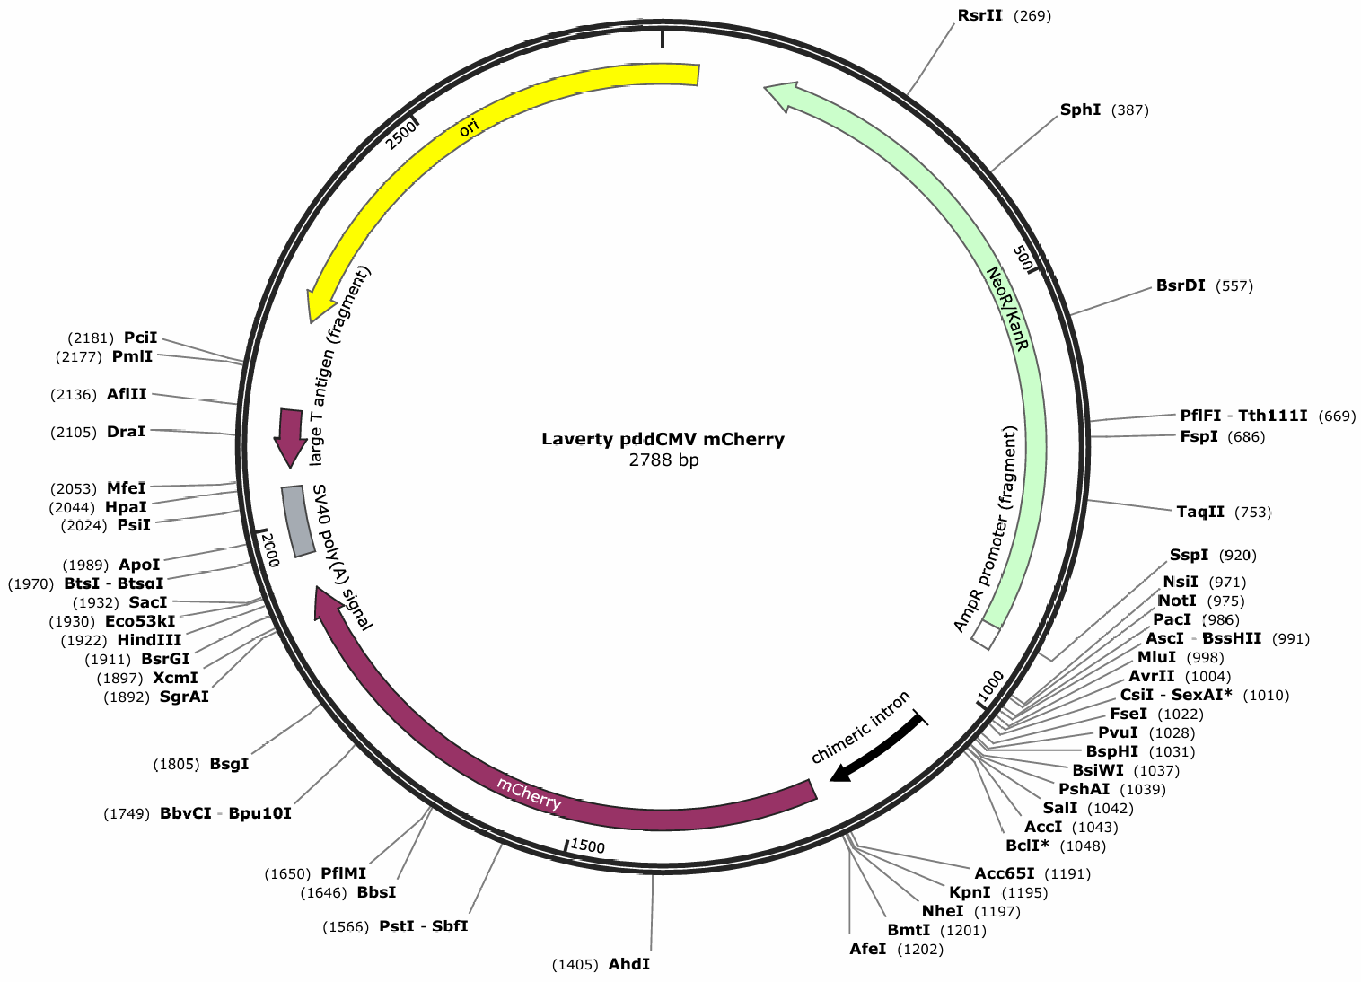

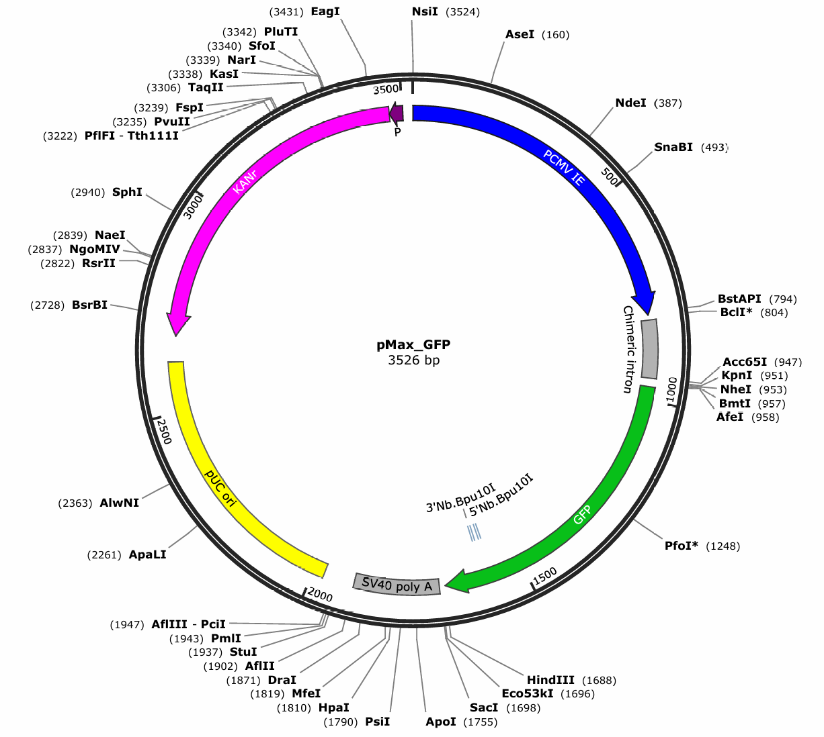

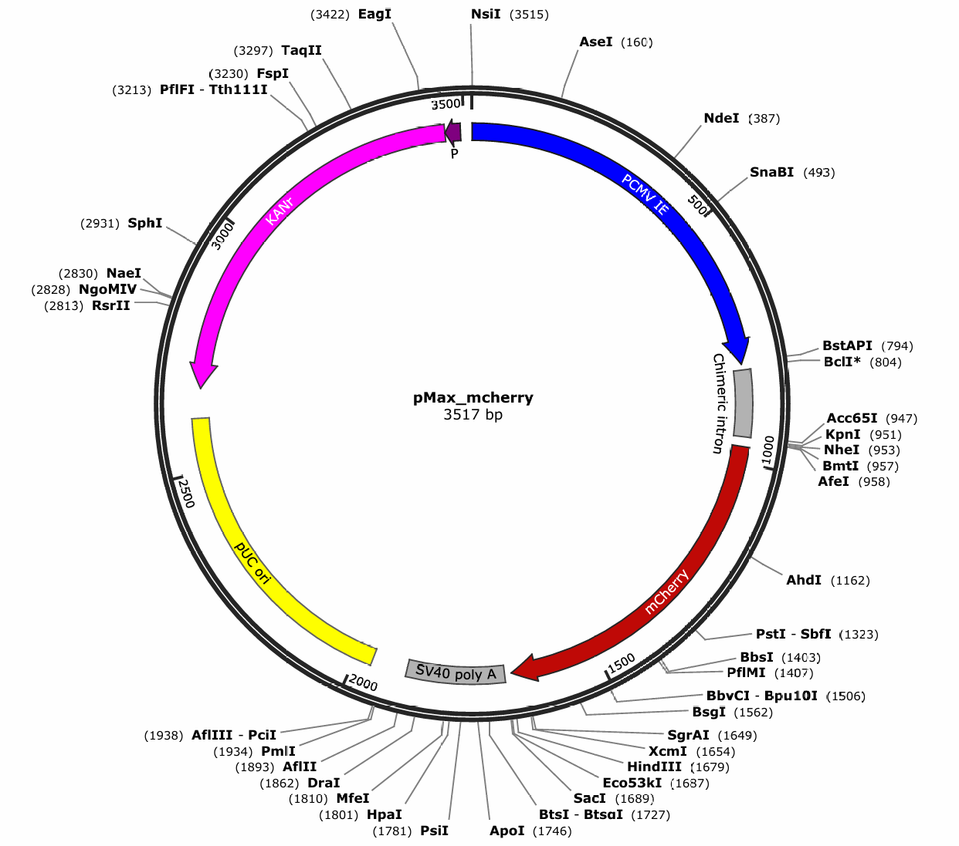

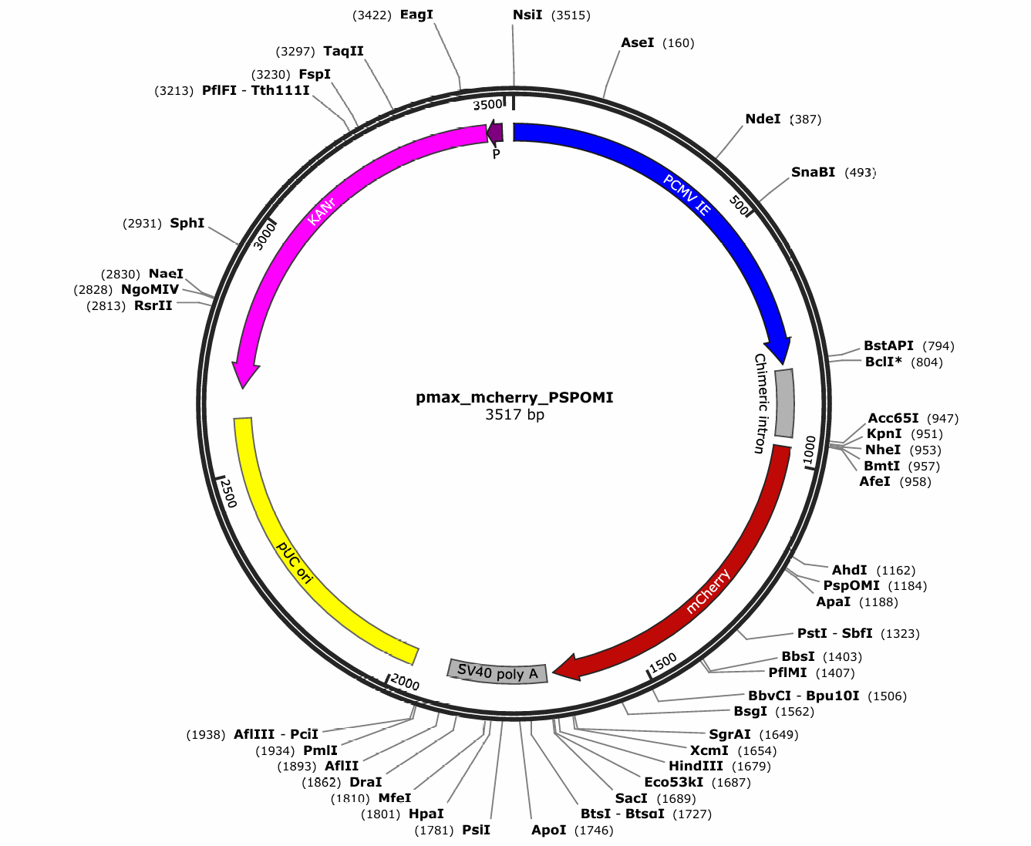

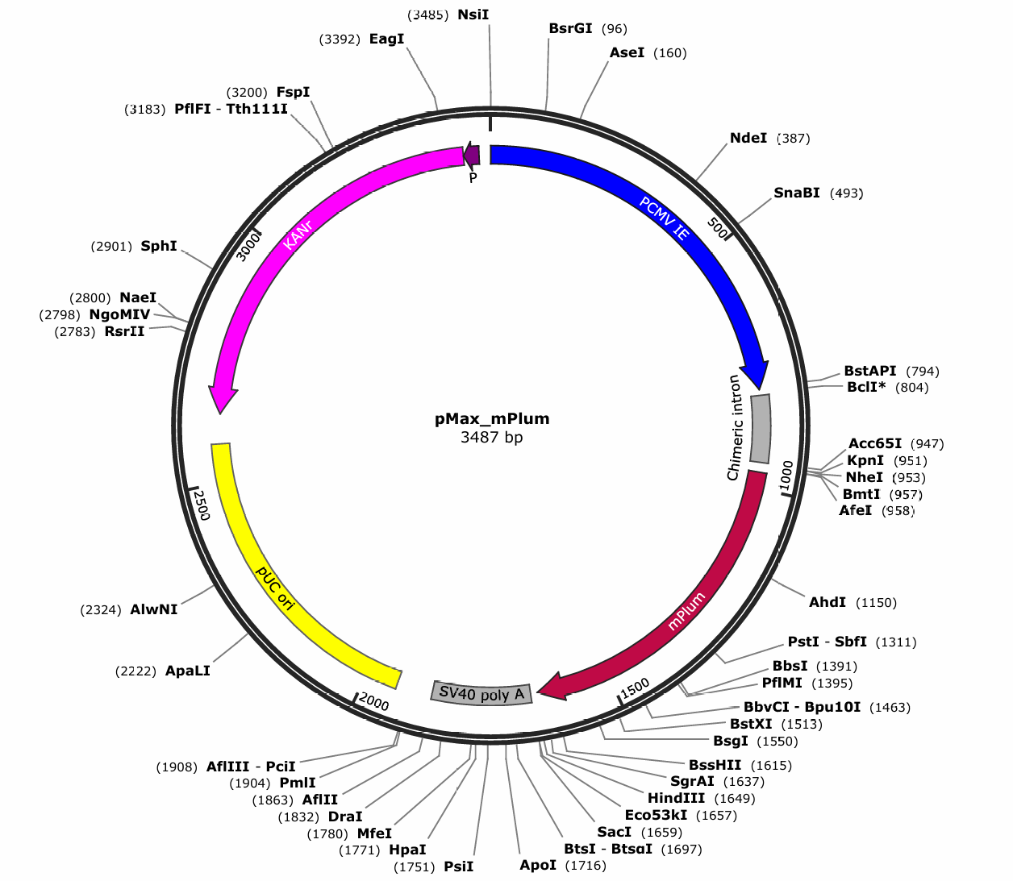

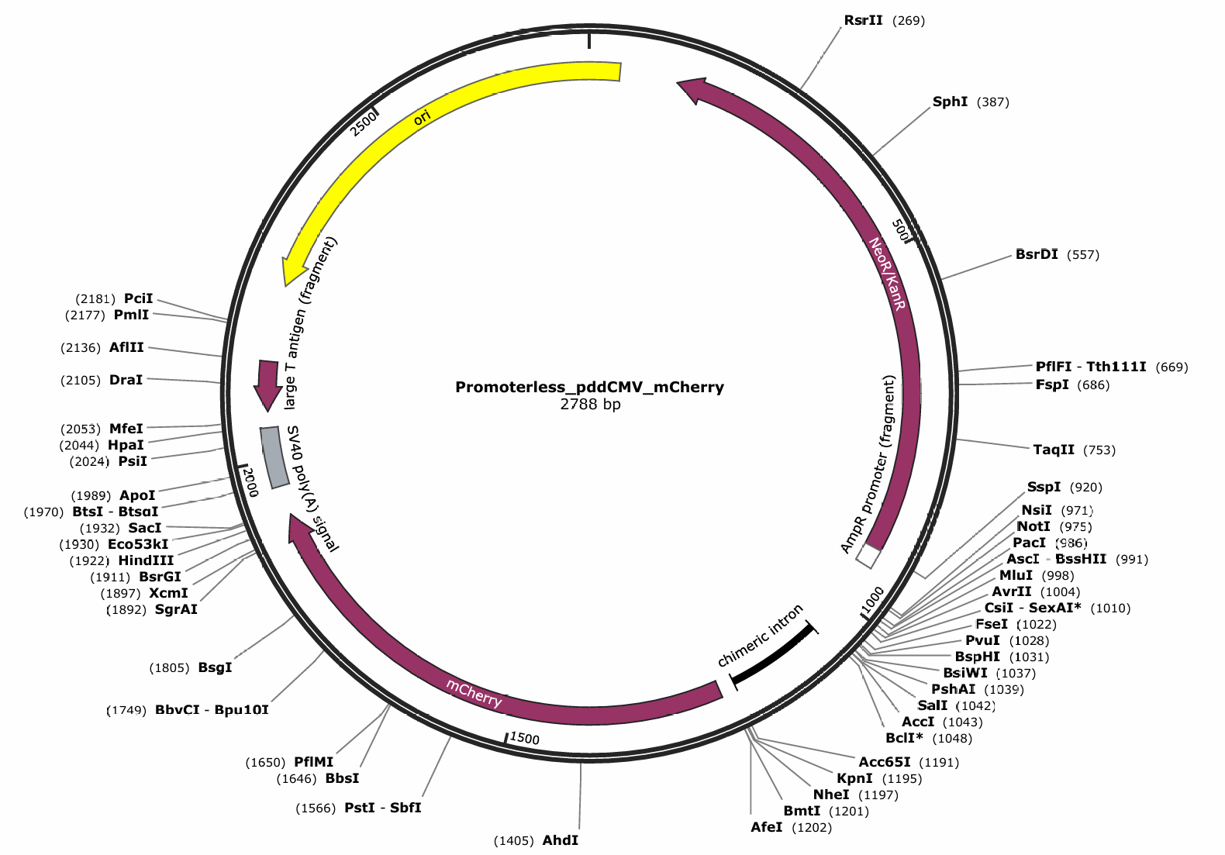

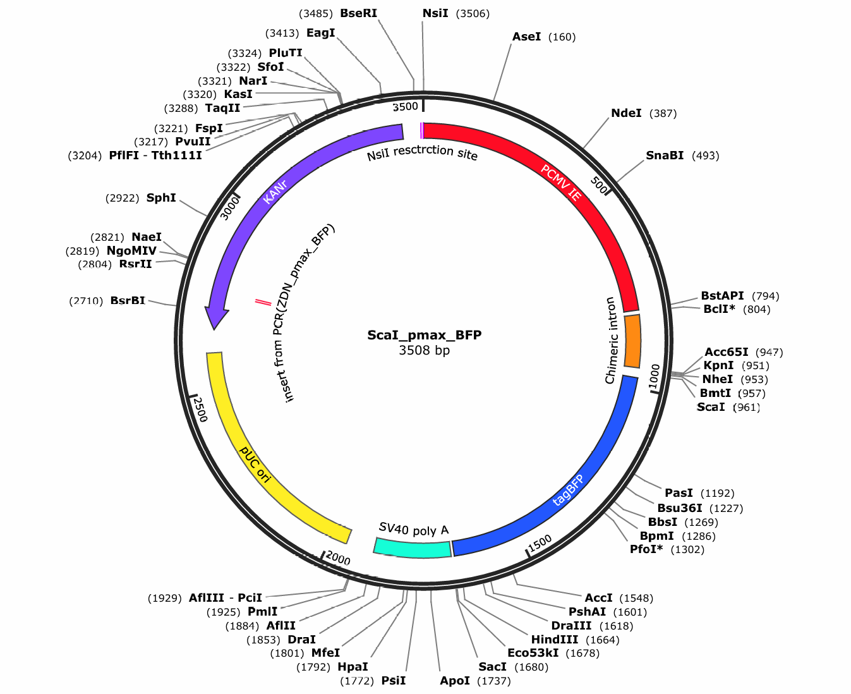

Supp Fig. 11
Supplementary Fig. 11.
WT and zQ175 at 6 months

 | Neurons/Area
WT 1 | 3.11
WT 2 | 3.00
WT 3 | 2.81
zQ175 1 | 3.40
zQ175 2 | 2.93
zQ175 3 | 2.97

