Fig. 3
Fig. 3a | Representative agarose gel electrophoresis of poly(I:C) (0.5 mg/mL) incubated with increasing concentrations of Mo90Ce10 or {Mo154}

 | 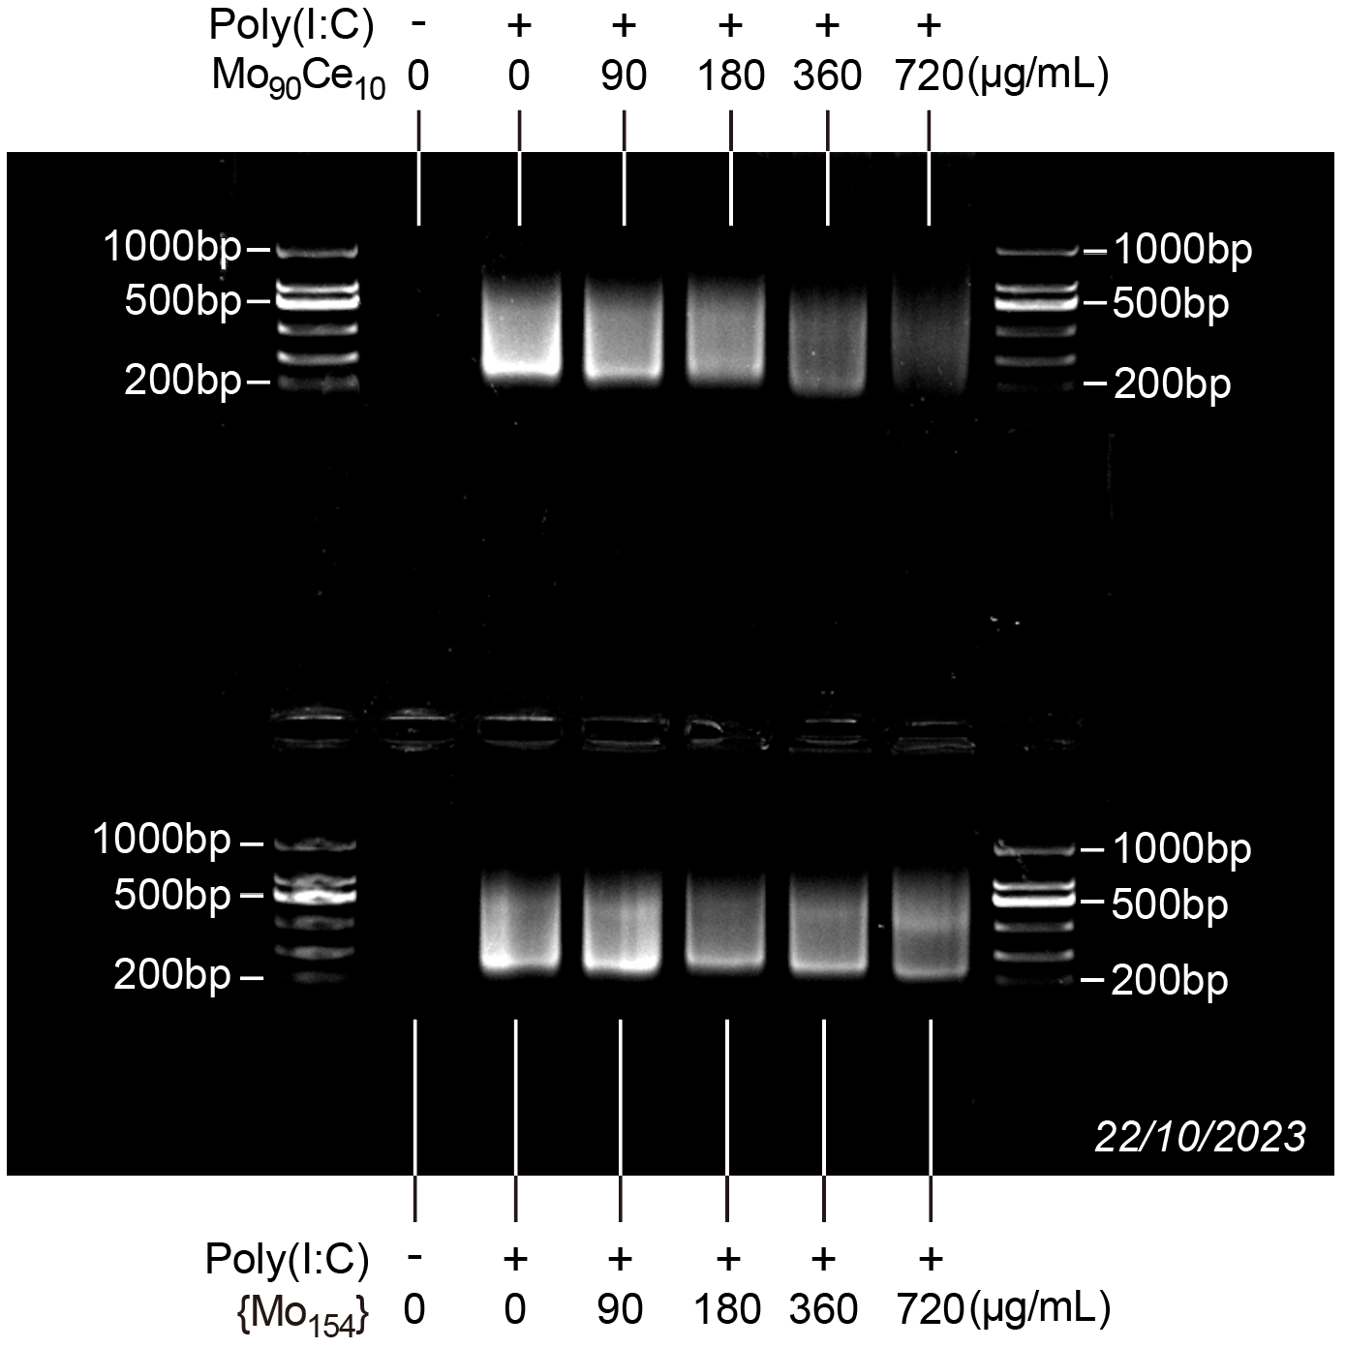
Fig. 3b |  |  |  |  |  |  |  | Comparisons | P value
 |  | Mo90Ce10 |  |  | {Mo154} |  |  | PBS
 | PBS | 0 | 0 | 1 | 0 | 0 | 0 | Mo90Ce10 vs. {Mo154} | 0.9748
 | Poly(I:C) | 120 | 125 | 110 | 111 | 102 | 90
 | Poly(I:C)+90μg/mL Mo90Ce10 or {Mo154} | 105 | 104 | 112 | 64 | 109 | 67 | Poly(I:C)
 | Poly(I:C)+180μg/mL Mo90Ce10 or {Mo154} | 104 | 92 | 99 | 85 | 68 | 62 | Mo90Ce10 vs. {Mo154} | 0.1094
 | Poly(I:C)+360μg/mL Mo90Ce10 or {Mo154} | 81 | 57 | 111 | 86 | 79 | 60
 | Poly(I:C)+720μg/mL Mo90Ce10 or {Mo154} | 39 | 30 | 41 | 78 | 73 | 78 | Poly(I:C)+90μg/mL
 |  |  |  |  |  |  |  | Mo90Ce10 vs. {Mo154} | 0.0161

 |  |  |  |  |  |  |  | Poly(I:C)+180μg/mL
 |  |  |  |  |  |  |  | Mo90Ce10 vs. {Mo154} | 0.0173

 |  |  |  |  |  |  |  | Poly(I:C)+360μg/mL
 |  |  |  |  |  |  |  | Mo90Ce10 vs. {Mo154} | 0.4503

 |  |  |  |  |  |  |  | Poly(I:C)+720μg/mL
 |  |  |  |  |  |  |  | Mo90Ce10 vs. {Mo154} | 0.0009

 |  |  |  |  |  |  |  | Mo90Ce10
 |  |  |  |  |  |  |  | PBS vs. Poly(I:C) | <0.0001
 |  |  |  |  |  |  |  | PBS vs. Poly(I:C)+90μg/mL | <0.0001
 |  |  |  |  |  |  |  | PBS vs. Poly(I:C)+180μg/mL | <0.0001
 |  |  |  |  |  |  |  | PBS vs. Poly(I:C)+360μg/mL | <0.0001
 |  |  |  |  |  |  |  | PBS vs. Poly(I:C)+720μg/mL | 0.0208
 |  |  |  |  |  |  |  | Poly(I:C) vs. Poly(I:C)+90μg/mL | 0.8817
 |  |  |  |  |  |  |  | Poly(I:C) vs. Poly(I:C)+180μg/mL | 0.4157
 |  |  |  |  |  |  |  | Poly(I:C) vs. Poly(I:C)+360μg/mL | 0.0259
 |  |  |  |  |  |  |  | Poly(I:C) vs. Poly(I:C)+720μg/mL | <0.0001
 |  |  |  |  |  |  |  | Poly(I:C)+90μg/mL vs. Poly(I:C)+180μg/mL | 0.9586
 |  |  |  |  |  |  |  | Poly(I:C)+90μg/mL vs. Poly(I:C)+360μg/mL | 0.2317
 |  |  |  |  |  |  |  | Poly(I:C)+90μg/mL vs. Poly(I:C)+720μg/mL | <0.0001
 |  |  |  |  |  |  |  | Poly(I:C)+180μg/mL vs. Poly(I:C)+360μg/mL | 0.6850
 |  |  |  |  |  |  |  | Poly(I:C)+180μg/mL vs. Poly(I:C)+720μg/mL | <0.0001
 |  |  |  |  |  |  |  | Poly(I:C)+360μg/mL vs. Poly(I:C)+720μg/mL | 0.0021

 |  |  |  |  |  |  |  | {Mo154}
 |  |  |  |  |  |  |  | PBS vs. Poly(I:C) | <0.0001
 |  |  |  |  |  |  |  | PBS vs. Poly(I:C)+90μg/mL | <0.0001
 |  |  |  |  |  |  |  | PBS vs. Poly(I:C)+180μg/mL | <0.0001
 |  |  |  |  |  |  |  | PBS vs. Poly(I:C)+360μg/mL | <0.0001
 |  |  |  |  |  |  |  | PBS vs. Poly(I:C)+720μg/mL | <0.0001
 |  |  |  |  |  |  |  | Poly(I:C) vs. Poly(I:C)+90μg/mL | 0.3636
 |  |  |  |  |  |  |  | Poly(I:C) vs. Poly(I:C)+180μg/mL | 0.0894
 |  |  |  |  |  |  |  | Poly(I:C) vs. Poly(I:C)+360μg/mL | 0.1655
 |  |  |  |  |  |  |  | Poly(I:C) vs. Poly(I:C)+720μg/mL | 0.2078
 |  |  |  |  |  |  |  | Poly(I:C)+90μg/mL vs. Poly(I:C)+180μg/mL | 0.9649
 |  |  |  |  |  |  |  | Poly(I:C)+90μg/mL vs. Poly(I:C)+360μg/mL | 0.9965
 |  |  |  |  |  |  |  | Poly(I:C)+90μg/mL vs. Poly(I:C)+720μg/mL | 0.9992
 |  |  |  |  |  |  |  | Poly(I:C)+180μg/mL vs. Poly(I:C)+360μg/mL | 0.9995
 |  |  |  |  |  |  |  | Poly(I:C)+180μg/mL vs. Poly(I:C)+720μg/mL | 0.9974
 |  |  |  |  |  |  |  | Poly(I:C)+360μg/mL vs. Poly(I:C)+720μg/mL | >0.9999

Fig. 3c | Relative poly(I:C) level (%)
 |  | Mo90Ce10 |  |  | {Mo154} |  |  | Comparisons | P Value
 | 0μg/mL | 123.13 | 85.07 | 91.79 | 113.11 | 78.69 | 108.20 | 0μg/mL
 | 30μg/mL | 69.40 | 69.40 | 53.73 | 98.36 | 78.69 | 113.11 | Mo90Ce10 vs. {Mo154} | >0.9999
 | 90μg/mL | 49.25 | 40.30 | 40.30 | 93.44 | 63.93 | 73.77
 | 180μg/mL | 40.30 | 49.25 | 20.15 | 73.77 | 132.79 | 93.44 | 30μg/mL
 |  |  |  |  |  |  |  | Mo90Ce10 vs. {Mo154} | 0.0391

 |  |  |  |  |  |  |  | 90μg/mL
 |  |  |  |  |  |  |  | Mo90Ce10 vs. {Mo154} | 0.0331

 |  |  |  |  |  |  |  | 180μg/mL
 |  |  |  |  |  |  |  | Mo90Ce10 vs. {Mo154} | 0.0005

 |  |  |  |  |  |  |  | Mo90Ce10
 |  |  |  |  |  |  |  | 0μg/mL vs. 30μg/mL | 0.1029
 |  |  |  |  |  |  |  | 0μg/mL vs. 90μg/mL | 0.0061
 |  |  |  |  |  |  |  | 0μg/mL vs. 180μg/mL | 0.0024
 |  |  |  |  |  |  |  | 30μg/mL vs. 90μg/mL | 0.4926
 |  |  |  |  |  |  |  | 30μg/mL vs. 180μg/mL | 0.2642
 |  |  |  |  |  |  |  | 90μg/mL vs. 180μg/mL | 0.9659

 |  |  |  |  |  |  |  | {Mo154}
 |  |  |  |  |  |  |  | 0μg/mL vs. 30μg/mL | 0.9957
 |  |  |  |  |  |  |  | 0μg/mL vs. 90μg/mL | 0.4143
 |  |  |  |  |  |  |  | 0μg/mL vs. 180μg/mL | >0.9999
 |  |  |  |  |  |  |  | 30μg/mL vs. 90μg/mL | 0.5416
 |  |  |  |  |  |  |  | 30μg/mL vs. 180μg/mL | 0.9957
 |  |  |  |  |  |  |  | 90μg/mL vs. 180μg/mL | 0.4143

Fig. 3h | Mo90Ce10 - dsRNA chain A |  |  | Mo90Ce10 - dsRNA chain B
 | Base position | Energy (kcal/mol) |  | Base position | Energy (kcal/mol)
 | 1 | 0.55 |  | 1 | -0.33
 | 2 | -0.51 |  | 2 | 0.43
 | 3 | 0.47 |  | 3 | -0.39
 | 4 | -0.5 |  | 4 | -0.48
 | 5 | -0.48 |  | 5 | 0.64
 | 6 | -0.21 |  | 6 | -0.25
 | 7 | 0.41 |  | 7 | -0.41
 | 8 | -0.51 |  | 8 | -0.31
 | 9 | -0.37 |  | 9 | -0.29
 | 10 | -0.47 |  | 10 | -0.29
 | 11 | -0.35 |  | 11 | -0.24
 | 12 | -0.28 |  | 12 | -0.35
 | 13 | -0.58 |  | 13 | -0.38
 | 14 | -0.4 |  | 14 | -0.26
 | 15 | -0.19 |  | 15 | -0.16
 | 16 | -0.62 |  | 16 | 0.15
 | 17 | -0.98 |  | 17 | 0.34
 | 18 | -0.99 |  | 18 | 0.35
 | 19 | -0.83 |  | 19 | 0.44
 | 20 | -0.65 |  | 20 | -0.58
 | 21 | -0.48 |  | 21 | -0.26
 | 22 | -0.5 |  | 22 | -0.36
 | 23 | -0.34 |  | 23 | -0.61
 | 24 | -0.25 |  | 24 | -1
 | 25 | -0.09 |  | 25 | -0.92
 | 26 | -0.65 |  | 26 | -0.98
 | 27 | -0.4 |  | 27 | -0.7
 | 28 | -0.23 |  | 28 | -0.31
 | 29 | -0.32 |  | 29 | -0.64
 | 30 | -0.6 |  | 30 | -0.51
 | 31 | -0.18 |  | 31 | -0.24
 | 32 | -0.22 |  | 32 | -0.24
 | 33 | -0.25 |  | 33 | -0.58
 | 34 | -0.17 |  | 34 | -0.26
 | 35 | 0.14 |  | 35 | -0.15
 | 36 | -0.47 |  | 36 | -0.37
 | 37 | -0.05 |  | 37 | -0.15
 | 38 | -0.27 |  | 38 | 0.39
 | 39 | 0.29 |  | 39 | 0.32
 | 40 | -0.43 |  | 40 | -0.74

Fig. 3i | {Mo154} - dsRNA chain A |  |  | {Mo154} - dsRNA chain B
 | Base position | Energy (kcal/mol) |  | Base position | Energy (kcal/mol)
 | 1 | 0.243 |  | 1 | 0.386
 | 2 | 0.47 |  | 2 | -0.366
 | 3 | -0.45 |  | 3 | -0.37
 | 4 | -0.399 |  | 4 | -0.377
 | 5 | -0.42 |  | 5 | 0.392
 | 6 | -0.394 |  | 6 | -0.314
 | 7 | -0.291 |  | 7 | -0.379
 | 8 | -0.37 |  | 8 | -0.365
 | 9 | 0.287 |  | 9 | -0.604
 | 10 | -0.376 |  | 10 | -0.692
 | 11 | 0.16 |  | 11 | -0.719
 | 12 | -0.43 |  | 12 | -0.586
 | 13 | -0.37 |  | 13 | -0.352
 | 14 | -0.367 |  | 14 | -0.442
 | 15 | -0.379 |  | 15 | -0.434
 | 16 | -0.261 |  | 16 | -0.333
 | 17 | -0.371 |  | 17 | -0.383
 | 18 | -0.472 |  | 18 | -0.307
 | 19 | -0.592 |  | 19 | -0.49
 | 20 | -0.642 |  | 20 | -0.669
 | 21 | -0.685 |  | 21 | -0.581
 | 22 | -0.564 |  | 22 | -0.608
 | 23 | -0.577 |  | 23 | -0.413
 | 24 | -0.594 |  | 24 | -0.432
 | 25 | -0.385 |  | 25 | 0.395
 | 26 | -0.377 |  | 26 | -0.339
 | 27 | -0.37 |  | 27 | -0.493
 | 28 | -0.382 |  | 28 | -0.478
 | 29 | -0.369 |  | 29 | -0.378
 | 30 | -0.483 |  | 30 | -0.312
 | 31 | -0.386 |  | 31 | 0.416
 | 32 | 0.356 |  | 32 | -0.356
 | 33 | -0.373 |  | 33 | 0.524
 | 34 | -0.247 |  | 34 | -0.533
 | 35 | -0.213 |  | 35 | -0.409
 | 36 | -0.164 |  | 36 | -0.414
 | 37 | -0.262 |  | 37 | -0.317
 | 38 | -0.135 |  | 38 | -0.327
 | 39 | 0.29 |  | 39 | -0.417
 | 40 | -0.43 |  | 40 | 0.478

Fig. 3m | Mo90Ce10 |  |  | Mo90Ce10 + Poly(I:C)
 | Q (nm-1) | Intensity (a.u.) |  | Q (nm-1) | Intensity (a.u.)
 | 0 | 14988.79 |  | 0 | 9722.44
 | 0.006655 | 13428.14 |  | 0.006655 | 9547.49
 | 0.01331 | 9491.29 |  | 0.01331 | 9213.17
 | 0.019965 | 5889.40 |  | 0.019965 | 8734.22
 | 0.02662 | 3750.80 |  | 0.02662 | 8308.70
 | 0.033275 | 2906.72 |  | 0.033275 | 8469.29
 | 0.03993 | 3169.29 |  | 0.03993 | 9683.41
 | 0.046584 | 4606.81 |  | 0.046584 | 11386.97
 | 0.053239 | 7786.94 |  | 0.053239 | 12711.95
 | 0.059894 | 12376.57 |  | 0.059894 | 13463.58
 | 0.066549 | 15009.07 |  | 0.066549 | 13815.52
 | 0.073204 | 13907.36 |  | 0.073204 | 13810.54
 | 0.079859 | 11340.26 |  | 0.079859 | 13344.80
 | 0.086514 | 9001.15 |  | 0.086514 | 12356.01
 | 0.093169 | 7192.55 |  | 0.093169 | 10940.64
 | 0.099824 | 5763.50 |  | 0.099824 | 9235.80
 | 0.10648 | 4675.06 |  | 0.10648 | 7561.77
 | 0.11313 | 3873.64 |  | 0.11313 | 6239.24
 | 0.11979 | 3264.52 |  | 0.11979 | 5245.83
 | 0.12644 | 2778.40 |  | 0.12644 | 4442.45
 | 0.1331 | 2493.99 |  | 0.1331 | 3807.28
 | 0.13975 | 2321.38 |  | 0.13975 | 3370.94
 | 0.14641 | 2122.76 |  | 0.14641 | 3030.24
 | 0.15306 | 1937.24 |  | 0.15306 | 2722.24
 | 0.15972 | 1792.10 |  | 0.15972 | 2442.39
 | 0.16637 | 1642.02 |  | 0.16637 | 2226.68
 | 0.17303 | 1519.47 |  | 0.17303 | 2090.29
 | 0.17968 | 1506.74 |  | 0.17968 | 1953.06
 | 0.18634 | 1459.21 |  | 0.18634 | 1805.53
 | 0.19299 | 1361.19 |  | 0.19299 | 1703.90
 | 0.19965 | 1326.48 |  | 0.19965 | 1672.84
 | 0.2063 | 1283.36 |  | 0.2063 | 1616.74
 | 0.21296 | 1209.23 |  | 0.21296 | 1499.01
 | 0.21961 | 1168.02 |  | 0.21961 | 1391.43
 | 0.22627 | 1184.66 |  | 0.22627 | 1332.69
 | 0.23292 | 1178.06 |  | 0.23292 | 1303.82
 | 0.23958 | 1135.55 |  | 0.23958 | 1279.96
 | 0.24623 | 1167.22 |  | 0.24623 | 1239.77
 | 0.25289 | 1194.91 |  | 0.25289 | 1183.18
 | 0.25954 | 1134.51 |  | 0.25954 | 1160.12
 | 0.2662 | 1132.34 |  | 0.2662 | 1146.39
 | 0.27285 | 1119.59 |  | 0.27285 | 1115.56
 | 0.27951 | 1091.69 |  | 0.27951 | 1107.82
 | 0.28616 | 1108.40 |  | 0.28616 | 1097.26
 | 0.29282 | 1113.38 |  | 0.29282 | 1075.95
 | 0.29947 | 1075.12 |  | 0.29947 | 1085.35
 | 0.30613 | 1040.86 |  | 0.30613 | 1097.98
 | 0.31278 | 1061.96 |  | 0.31278 | 1090.20
 | 0.31944 | 1089.16 |  | 0.31944 | 1071.56
 | 0.32609 | 1098.16 |  | 0.32609 | 1068.77
 | 0.33275 | 1084.17 |  | 0.33275 | 1059.91
 | 0.3394 | 1074.33 |  | 0.3394 | 1063.72
 | 0.34605 | 1093.94 |  | 0.34605 | 1081.63
 | 0.35271 | 1068.64 |  | 0.35271 | 1073.88
 | 0.35936 | 1063.62 |  | 0.35936 | 1070.31
 | 0.36602 | 1117.86 |  | 0.36602 | 1086.59
 | 0.37267 | 1129.29 |  | 0.37267 | 1082.98
 | 0.37933 | 1101.19 |  | 0.37933 | 1061.58
 | 0.38598 | 1084.01 |  | 0.38598 | 1057.59
 | 0.39264 | 1077.46 |  | 0.39264 | 1036.43
 | 0.39929 | 1104.43 |  | 0.39929 | 1021.59
 | 0.40595 | 1080.28 |  | 0.40595 | 1026.36
 | 0.4126 | 1064.58 |  | 0.4126 | 1030.83
 | 0.41926 | 1127.03 |  | 0.41926 | 1044.12
 | 0.42591 | 1160.96 |  | 0.42591 | 1048.04
 | 0.43257 | 1104.90 |  | 0.43257 | 1026.09
 | 0.43922 | 1072.34 |  | 0.43922 | 1024.88
 | 0.44588 | 1090.39 |  | 0.44588 | 1045.11
 | 0.45253 | 1107.44 |  | 0.45253 | 1039.23
 | 0.45919 | 1073.10 |  | 0.45919 | 1008.08
 | 0.46584 | 1078.99 |  | 0.46584 | 988.38
 | 0.4725 | 1111.19 |  | 0.4725 | 1033.20
 | 0.47915 | 1145.50 |  | 0.47915 | 1044.85
 | 0.48581 | 1180.61 |  | 0.48581 | 1012.85
 | 0.49246 | 1161.95 |  | 0.49246 | 1004.38
 | 0.49912 | 1119.11 |  | 0.49912 | 1013.14
 | 0.50577 | 1090.67 |  | 0.50577 | 1011.83
 | 0.51243 | 1073.39 |  | 0.51243 | 1003.09
 | 0.51908 | 1047.99 |  | 0.51908 | 1000.06
 | 0.52574 | 1039.61 |  | 0.52574 | 1001.44
 | 0.53239 | 1035.47 |  | 0.53239 | 1007.90
 | 0.53904 | 1040.17 |  | 0.53904 | 996.53
 | 0.5457 | 1062.44 |  | 0.5457 | 999.04
 | 0.55235 | 1070.96 |  | 0.55235 | 1026.78
 | 0.55901 | 1069.69 |  | 0.55901 | 1051.10
 | 0.56566 | 1104.49 |  | 0.56566 | 1057.62
 | 0.57232 | 1120.43 |  | 0.57232 | 1046.25
 | 0.57897 | 1107.42 |  | 0.57897 | 1022.41
 | 0.58563 | 1098.76 |  | 0.58563 | 1013.14
 | 0.59228 | 1140.69 |  | 0.59228 | 1007.02
 | 0.59894 | 1168.12 |  | 0.59894 | 1000.95
 | 0.60559 | 1123.34 |  | 0.60559 | 1019.76
 | 0.61225 | 1100.71 |  | 0.61225 | 1036.74
 | 0.6189 | 1117.66 |  | 0.6189 | 1057.43
 | 0.62556 | 1070.77 |  | 0.62556 | 1078.43
 | 0.63221 | 1037.37 |  | 0.63221 | 1076.02
 | 0.63887 | 1061.31 |  | 0.63887 | 1053.61
 | 0.64552 | 1070.68 |  | 0.64552 | 1029.72
 | 0.65218 | 1083.80 |  | 0.65218 | 1032.95
 | 0.65883 | 1085.98 |  | 0.65883 | 1022.48
 | 0.66548 | 1093.18 |  | 0.66548 | 989.48
 | 0.67214 | 1051.57 |  | 0.67214 | 977.41
 | 0.67879 | 1016.06 |  | 0.67879 | 1008.60
 | 0.68545 | 1067.97 |  | 0.68545 | 1028.79
...

