Gels Supplementary Fig. 7
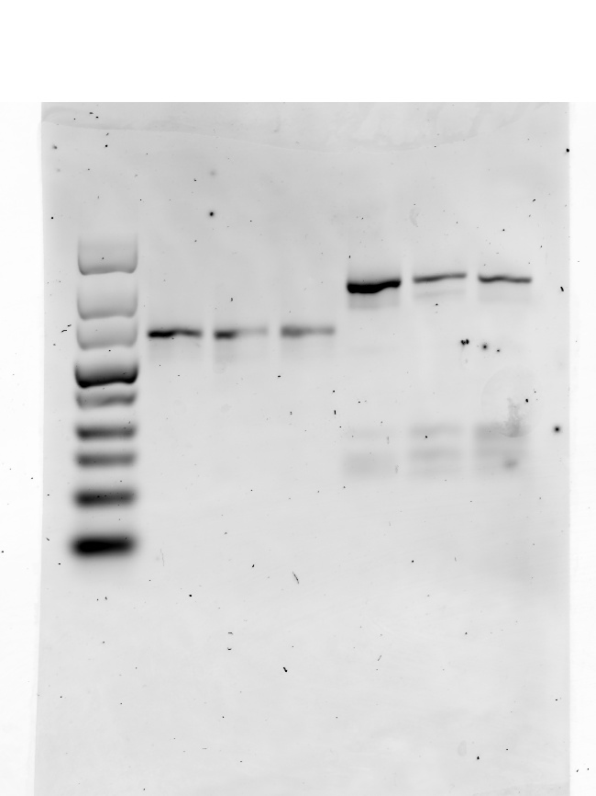

Gels Supplementary Fig. 21
Not used

Not used

Used

Gel Supplementary Fig. 22
Not used

Gel Supplementary Fig. 24
Not used

Gel Supplementary Fig. 27
Not used

Gel Supplementary Fig. 28
Not used

Gel Supplementary Fig. 29
Not used

Gel Supplementary Fig. 32
Not used

Supplementary Fig. 39
Used
Not used
Used
Used
Not used

Blots Supplementary Fig. 40
Used
Not used
Not used
Not used
Not used
Not used

Used
Used

