Fig. 2e
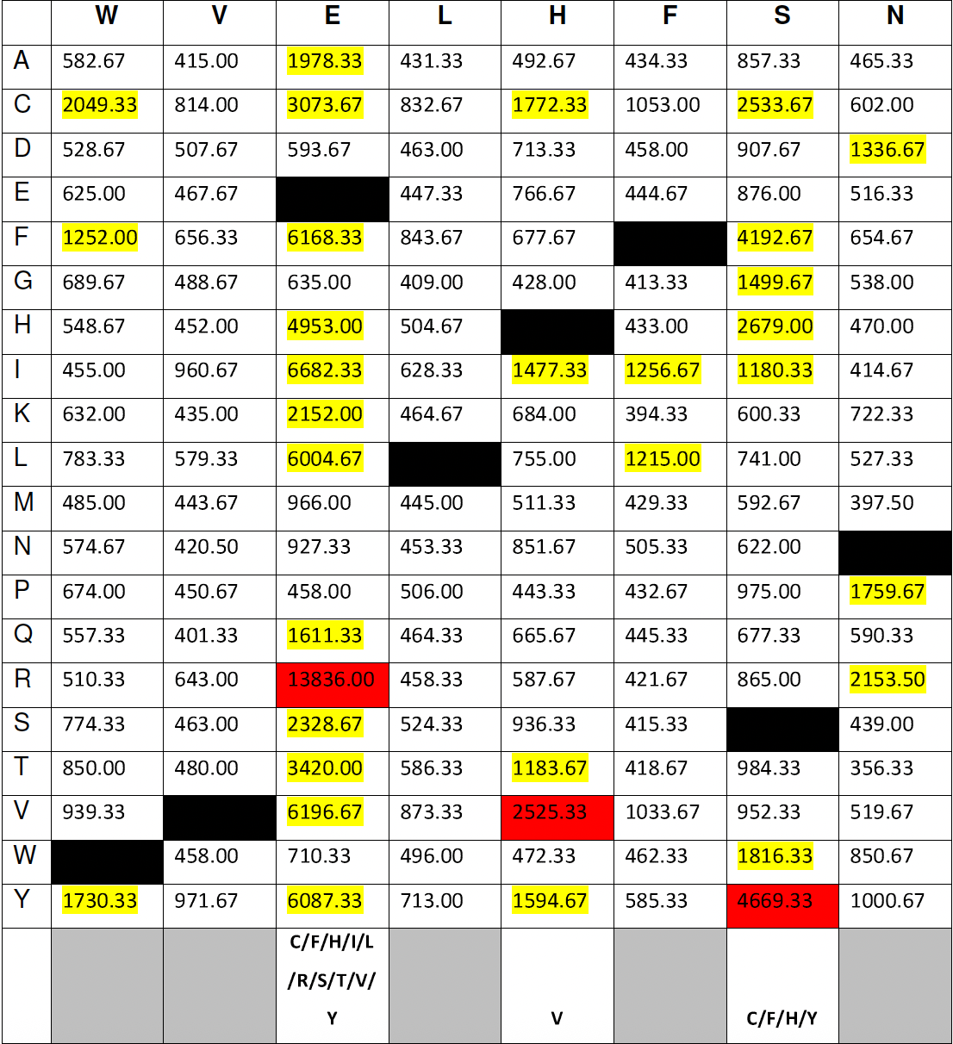
Substitution Analysis BAX

Fig. 6c
Mitochondrial BAX
Mouse 1 Mouse 2
Sham
I/R
Control
B-017
BAX
BAX
Mouse 3 Mouse 4 Mouse 5
M
M
+ - - + - -
- + + - + +
- + - - + -
- - + - - +
+ - - + - - + - -
- + + - + + - + +
- + - - + - - + -
- - + - - + - - +
Sham
I/R
Control
B-017
17
28
38
62
98
kDa
17
28
38
62
98
kDa

one-way ANOVA |  | Groups
P value | 0.000044 | Sham vs. NCP
P value | 0.0009 | NCP vs. B-017

Fig. 6d
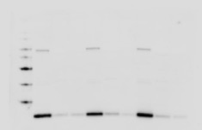
Mouse 1 Mouse 2 Mouse 3
Mouse 4 Mouse 5
Sham
I/R
Control
B-017
- - + - - + - - +
+ + - + + - + + -
+ - - + - - + - -
- + - - + - - + -
- - + - - +
+ + - + + -
+ - - + - -
- + - - + -
Sham
I/R
Control
B-017
Cytochrome c
20
30
40
50
60
80
100
kDa
40
50
60
80
100
kDa
Cytochrome c
Tubulin
20
30
40
50
60
80
100
kDa
Tubulin
40
50
60
80
100
kDa
M
M

one-way ANOVA |  | Groups
P value | 0.0032 | Sham vs. NCP
P value | 0.0123 | NCP vs. B-017

Suppl. Fig. 12a
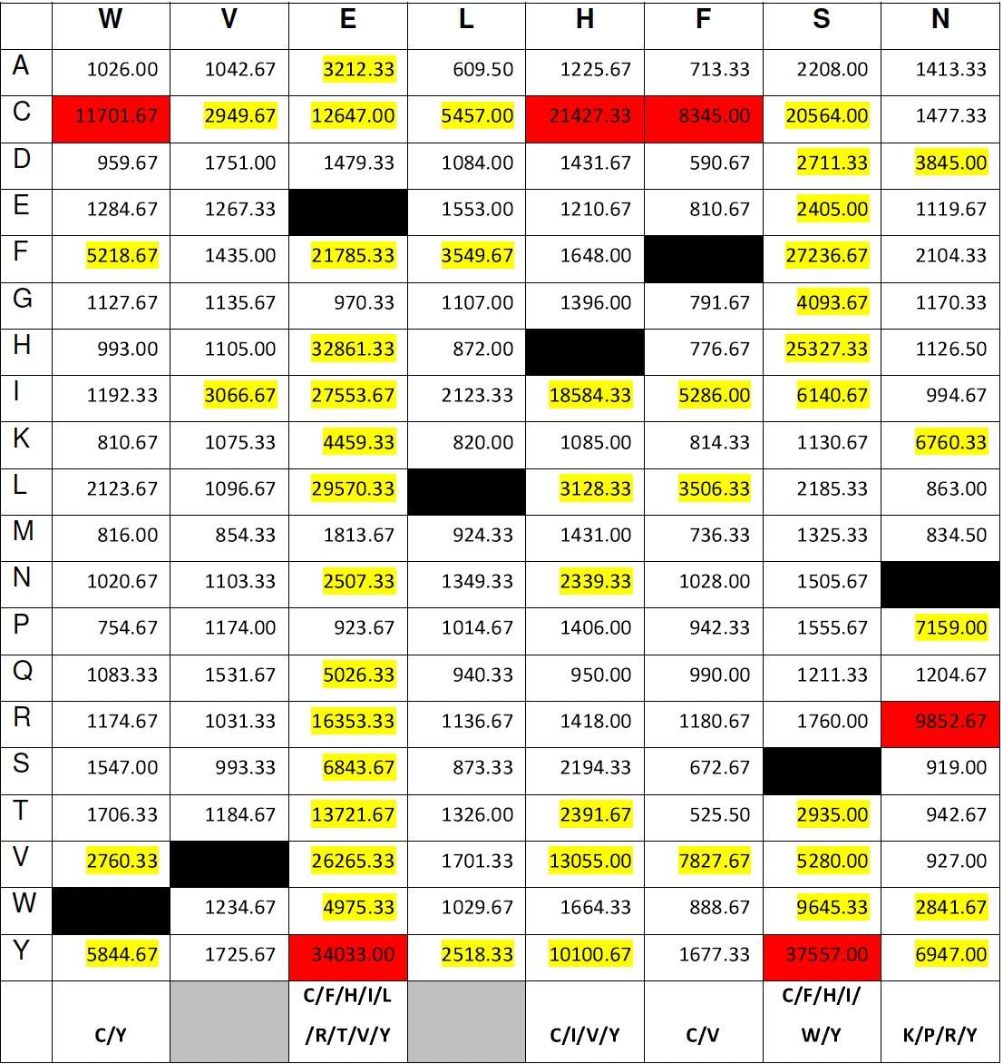
Substitution Analysis BNIP3

Suppl. Fig. 19a
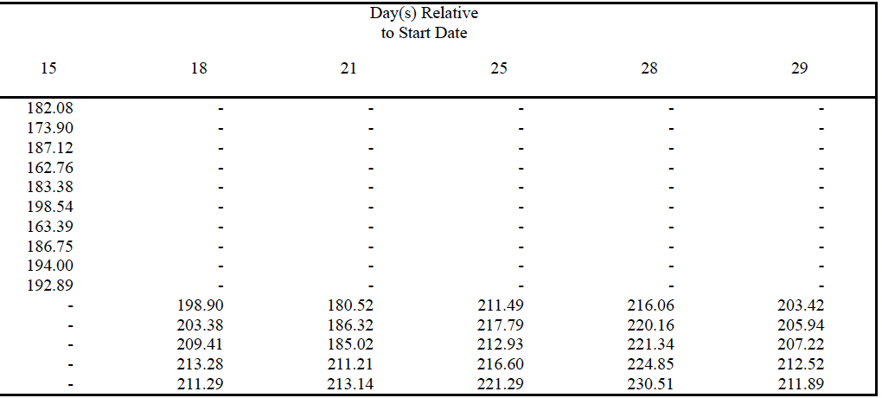
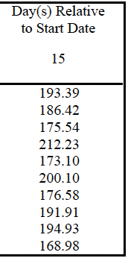
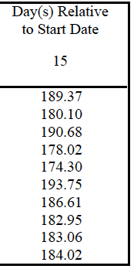
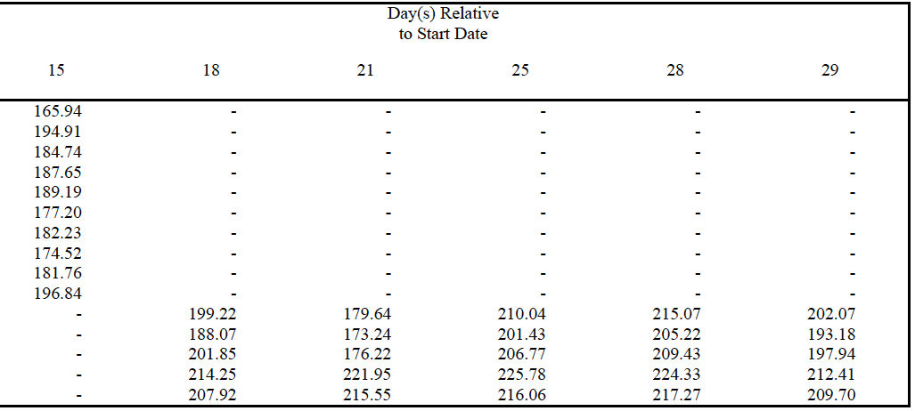
Body weight

Rats

Sex: Male

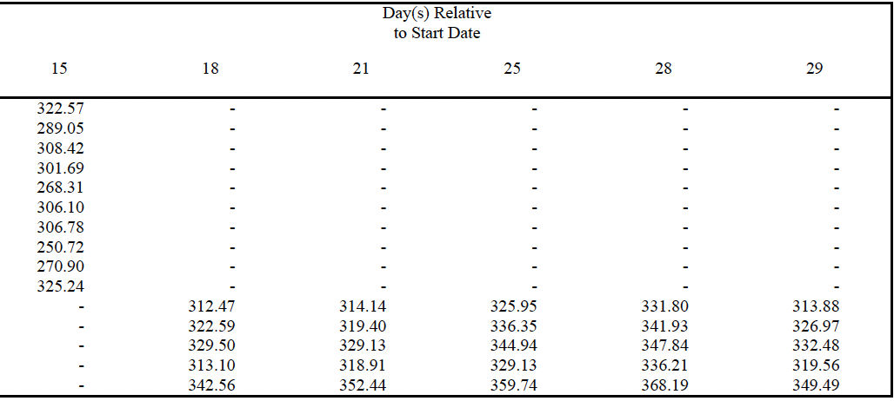

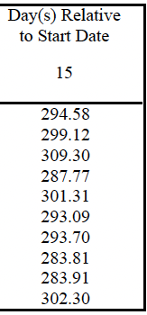

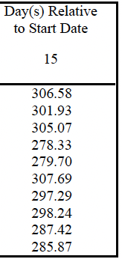

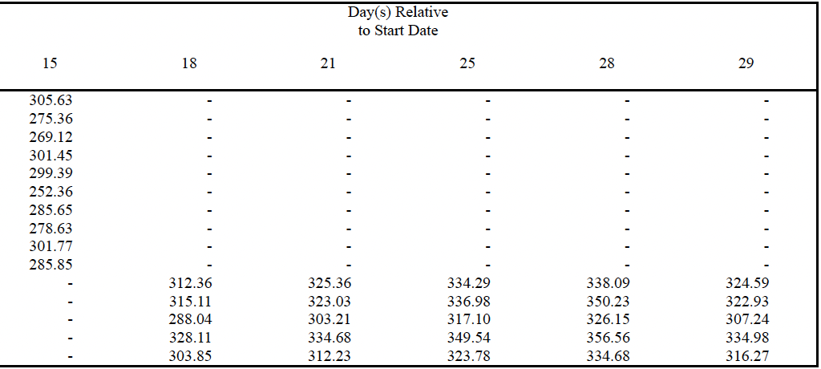

Sex: Female

Suppl. Fig. 21b
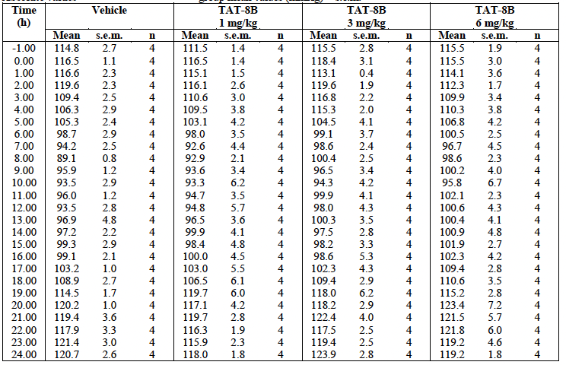
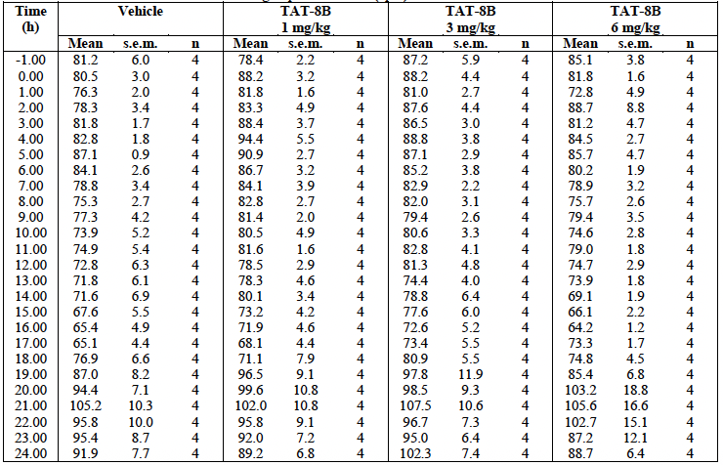
Systolic blood pressure prior to and following i.v. administration of vehicle or B-017 (TAT-8B) | Diastolic blood pressure prior to and following i.v. administration of vehicle or B-017 (TAT-8B)

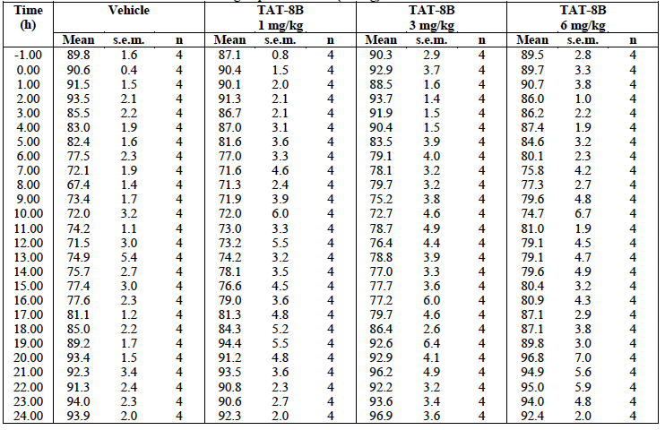
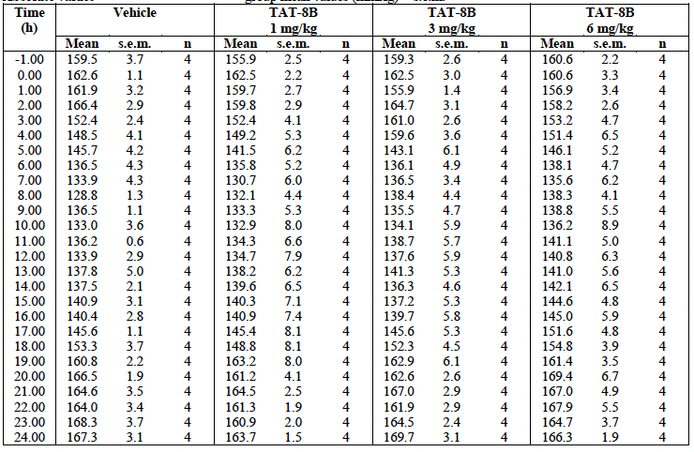

Mean arterial blood pressure prior to and following i.v. administration of vehicle or B-017 (TAT-8B) | Heart rate prior to and following i.v. administration of vehicle or B-017 (TAT-8B)

Suppl. Fig. 23c
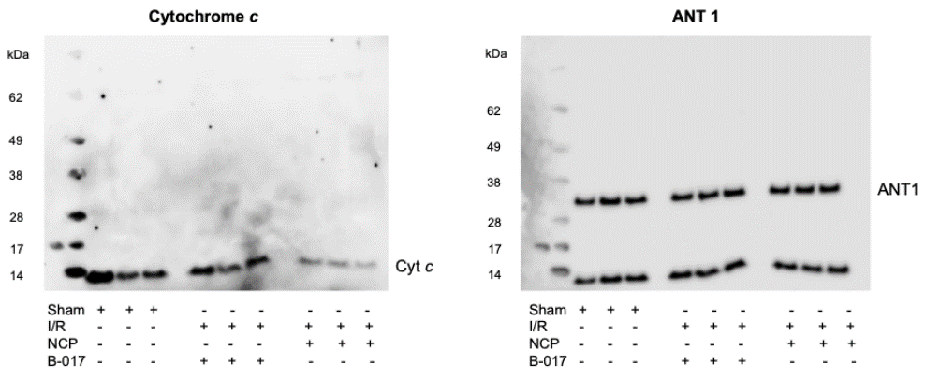
Mitochondrial cytochrome c level

Mouse myocardial I/R

 | Negative control peptide | n = 3
 | B-017 | n = 3

