Fig. 1c
M
W
S
D
250 kDa
130 kDa
100 kDa
𝝰-Vinculin
Vinculin
M
W
S
D
250 kDa
130 kDa
100 kDa
𝝰-TAF1
Halo-tagged
Untagged
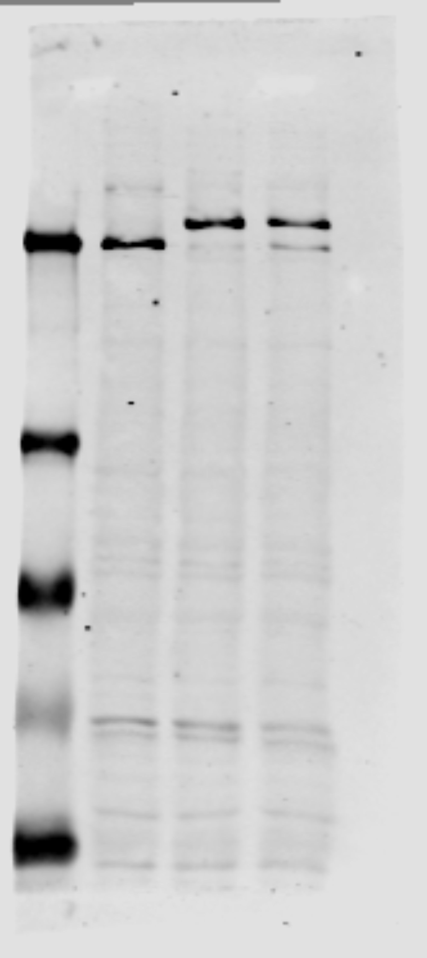 | 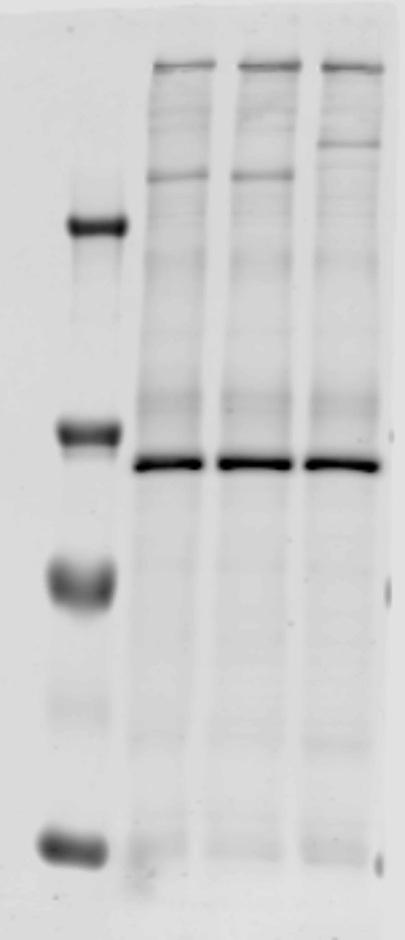 |  | 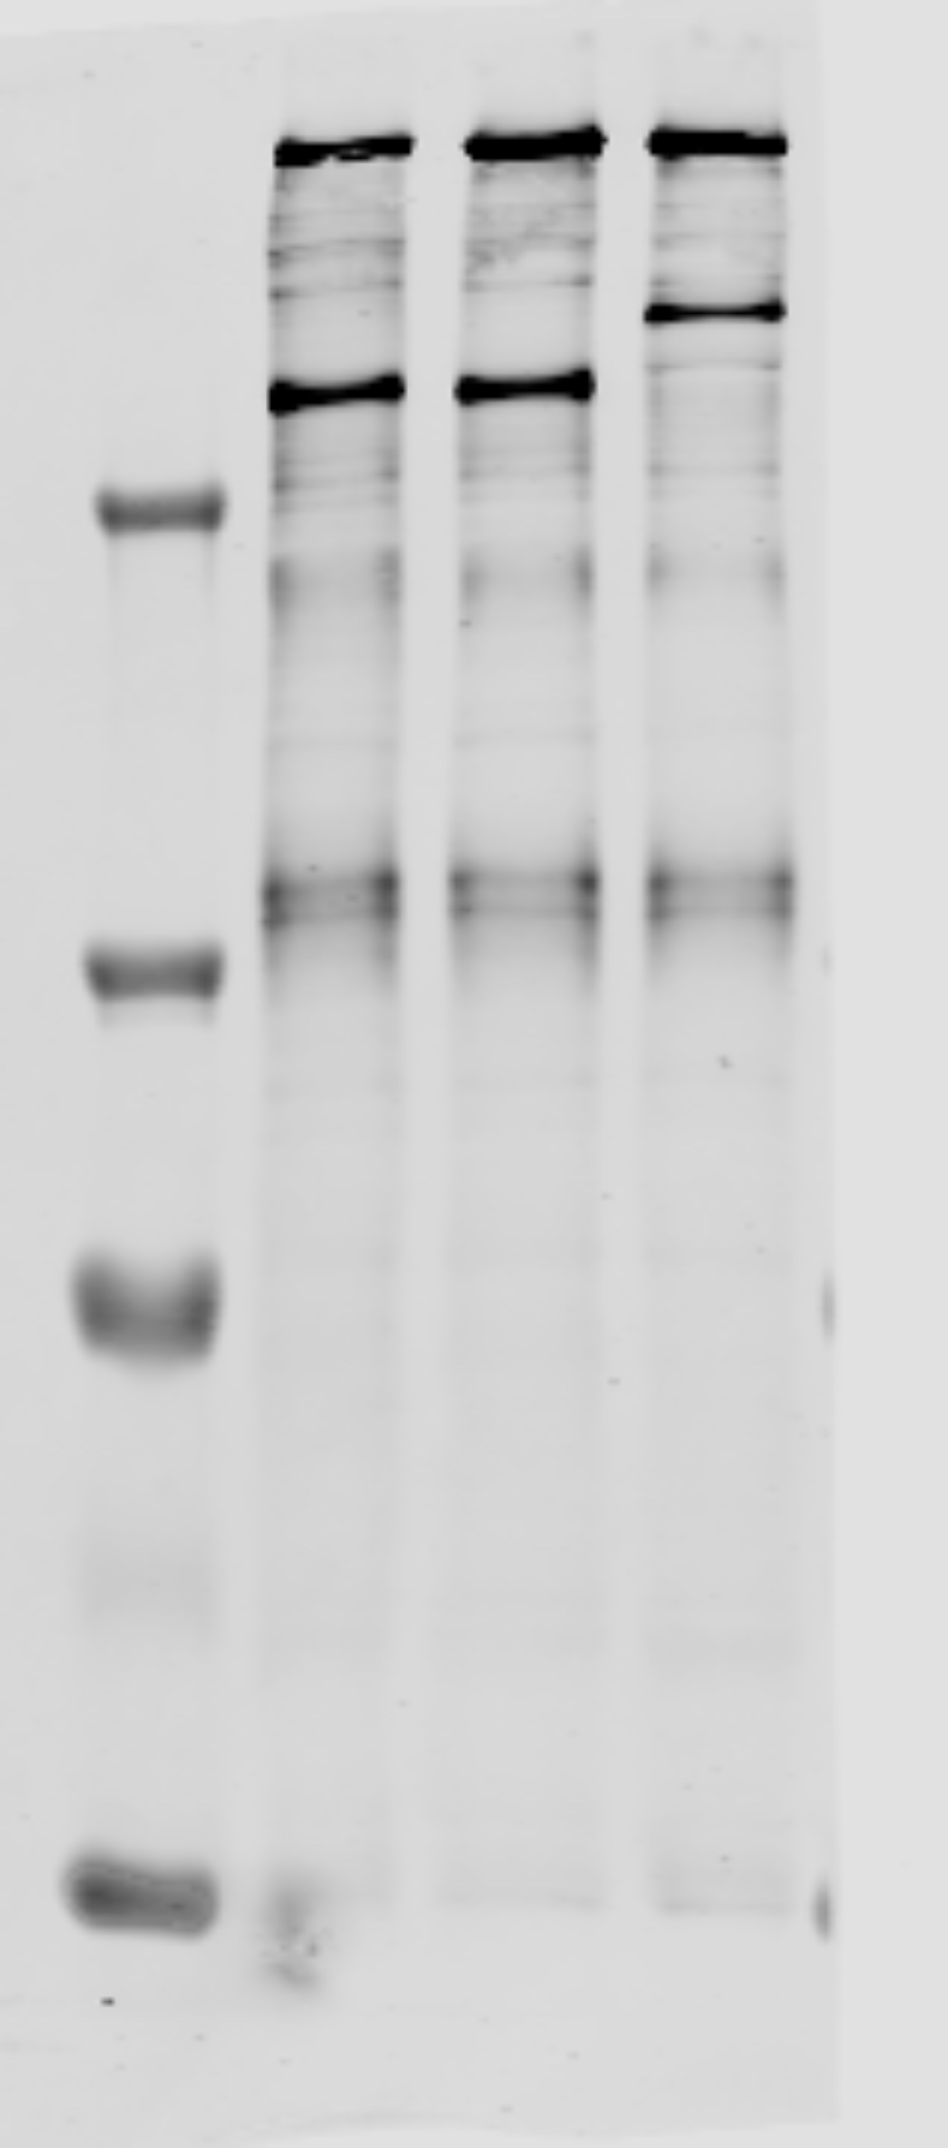
M
W
S
D
250 kDa
130 kDa
100 kDa
𝝰-Pol II
SNAP-tagged
Untagged

 |  | TAF1 blot reprobed for Vinculin

Fig. 5a
M
D
𝝰-TAF1
250 kDa
130 kDa
100 kDa
70 kDa
55 kDa
TBP
Low B/C
35 kDa
TAF1
Lamin A/C
0.25
0.5
1
2
M
D
0.25
0.5
1
2
𝝰-Lamin A/C
𝝰-TBP
Pol II
High B/C
M
D
𝝰-Pol II
0.25
0.5
1
2
M
D
0.25
0.5
1
2
250 kDa
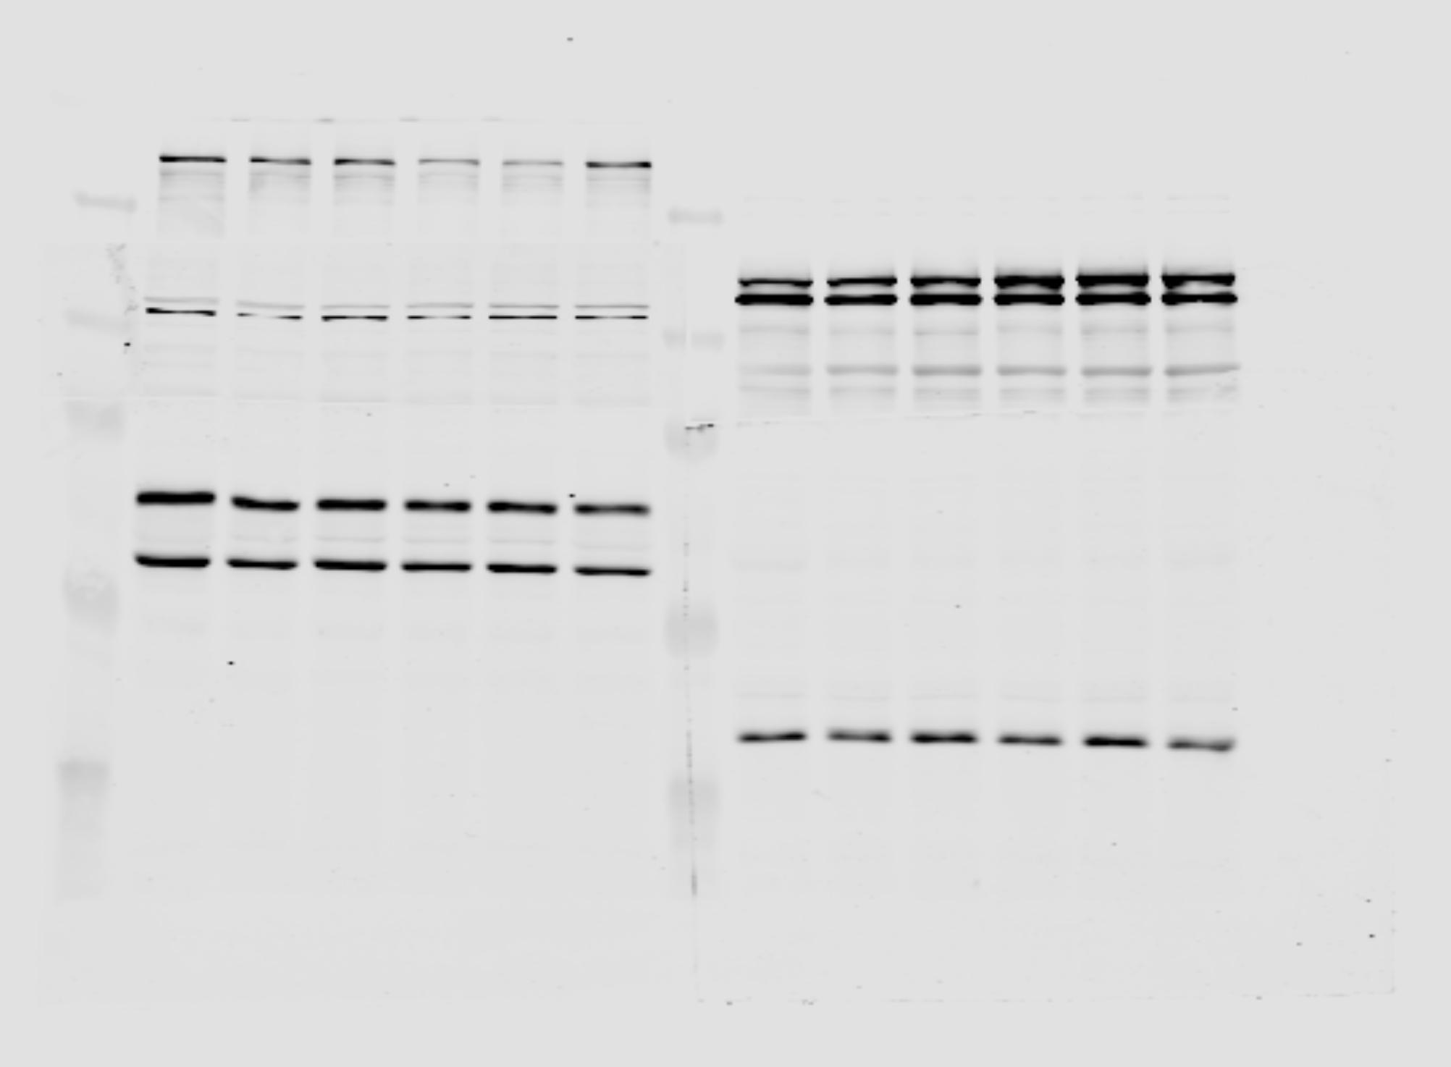 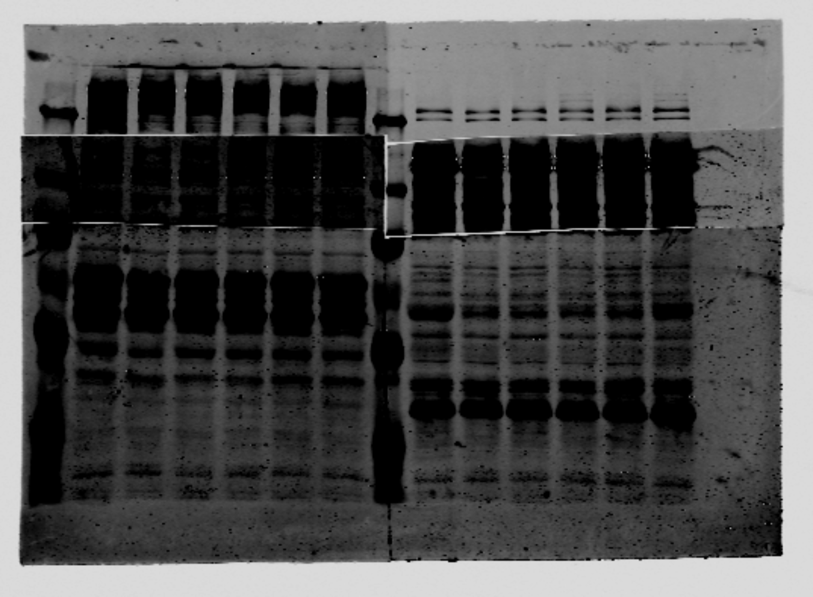

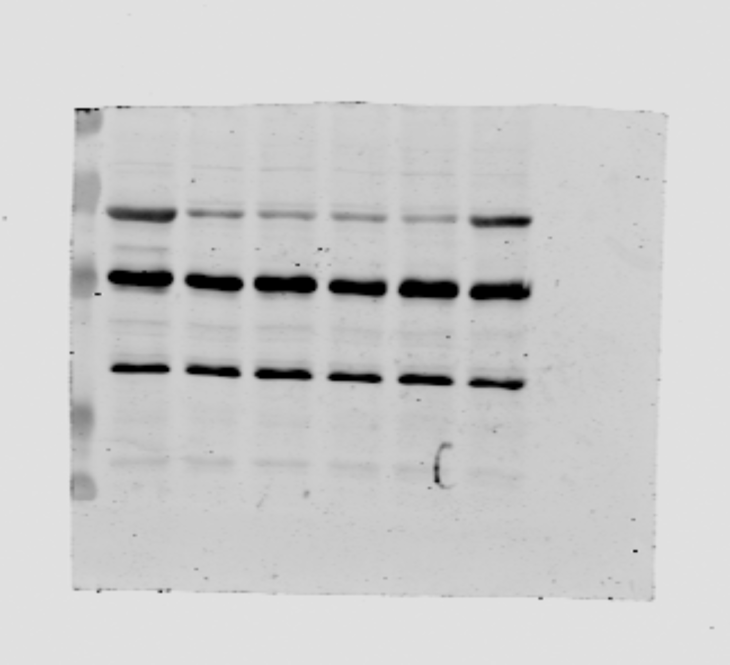
TBP from previous blot
M
D
0.25
0.5
1
2
TAF7
100 kDa
70 kDa
55 kDa
35 kDa
𝝰-TAF7 (Bottom right fragment of above membrane reprobed)

Fig. 6c
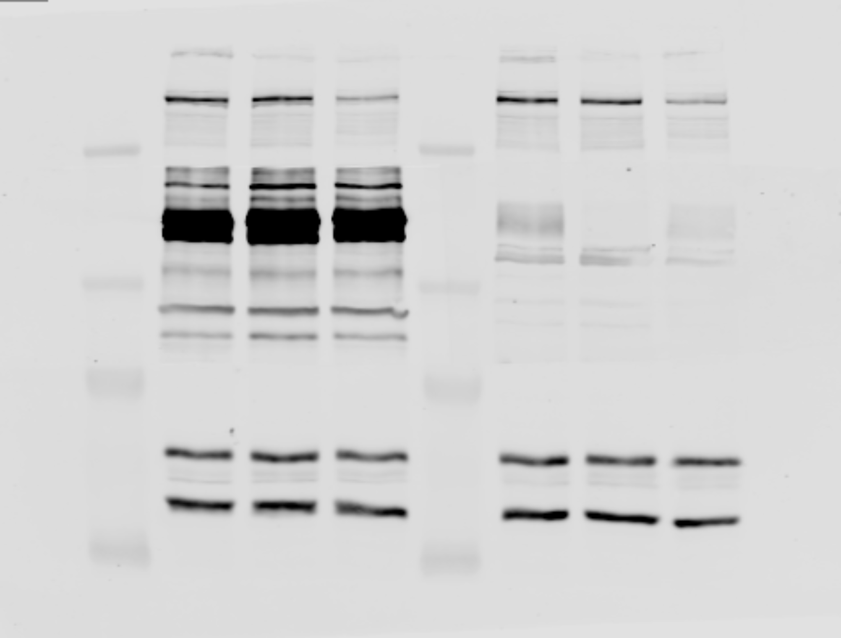 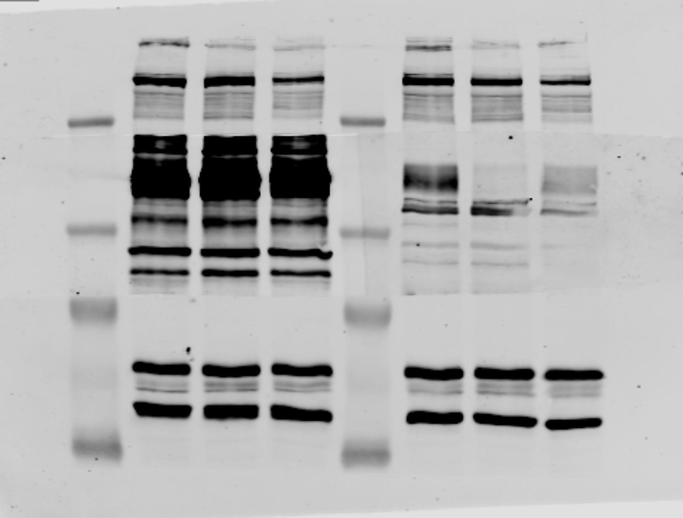 
M
D
250 kDa
130 kDa
100 kDa
70 kDa
55 kDa
SPT5/pSPT5
N
H
Very low B/C
M
D
N
H
𝝰-SPT5
𝝰-pSPT5 Thr798
Low B/C
Lamin A/C
𝝰-SPT5
250 kDa
130 kDa
100 kDa
70 kDa
55 kDa
M
D
N
H
M
D
N
H
SPT5/pSPT5
TAF1
𝝰-pSPT5 Thr798
TAF1
M
D
N
H
M
D
N
H
250 kDa
130 kDa
100 kDa
70 kDa
55 kDa
Lamin A/C
High B/C
SPT5/pSPT5
𝝰-SPT5
𝝰-pSPT5 Thr798

Fig. 6d
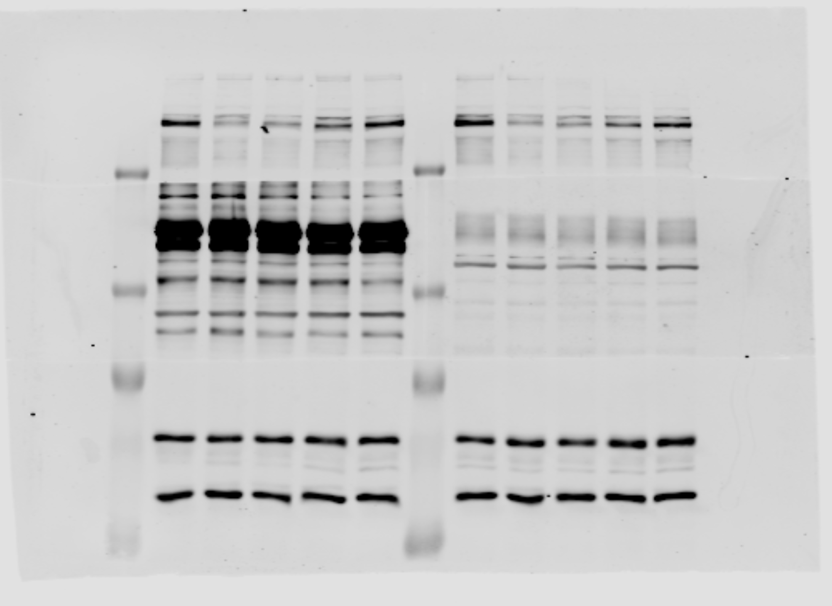

4-hour WO
24-hour WO
10-hour WO
4-hour WO
10-hour WO
24-hour WO

M
D
H
M
D
H

𝝰-TAF1
TAF1

250 kDa

130 kDa

100 kDa

70 kDa
Lamin A/C
𝝰-Lamin A/C

55 kDa

Supplementary Fig. 3a
𝝰-SPT5
(Total)
𝝰-pSPT5 (Thr798)
𝝰-SPT5
(Total)
𝝰-pSPT5 (Thr798)
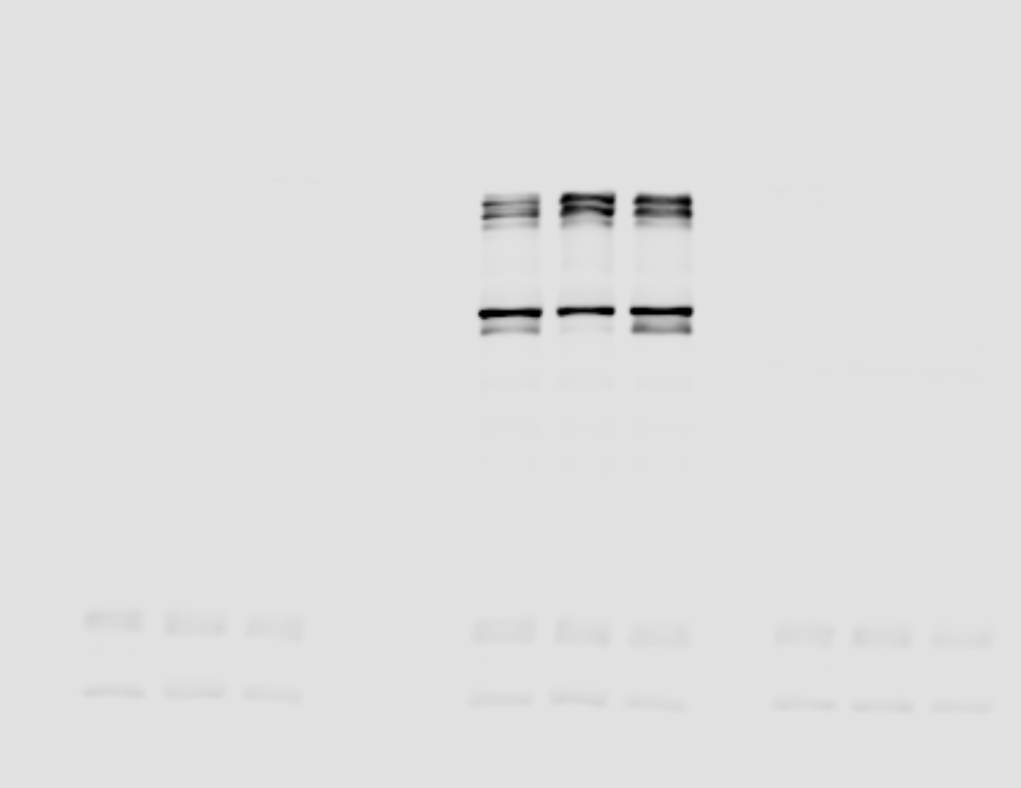 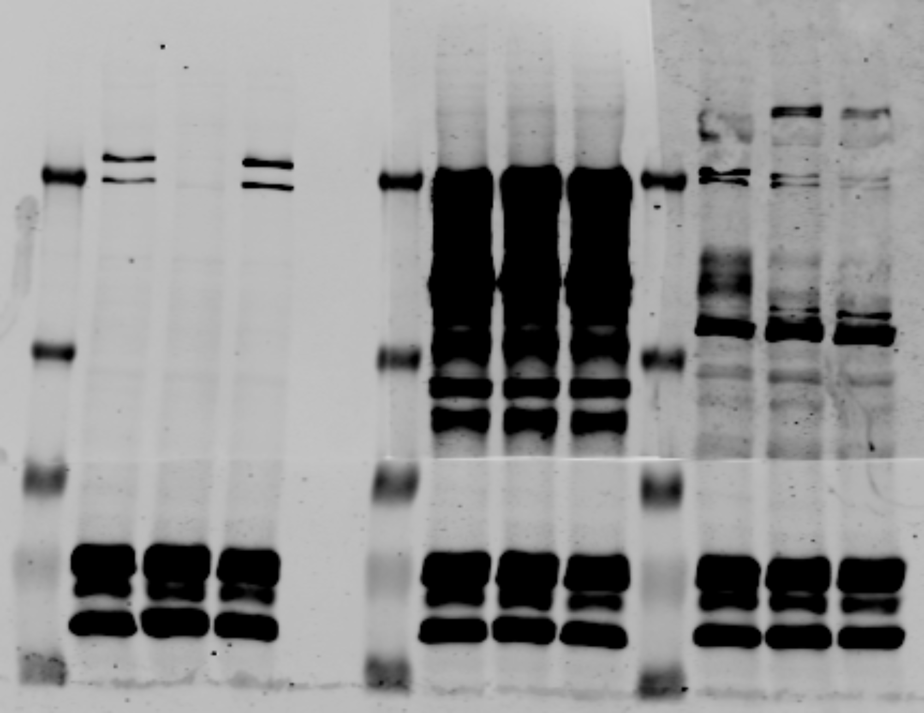
𝝰-Pol II
𝝰-Pol II

M
D
T
N
M
D
T
N
M
D
T
N
M
D
T
N
M
D
T
N
M
D
T
N

250 kDa
250 kDa
Pol II
pSPT5 (Thr798)
SPT5
130 kDa
130 kDa

100 kDa
100 kDa
70 kDa
70 kDa
𝝰-Lamin A/C

55 kDa
55 kDa
Low B/C
High B/C

Supplementary Fig. 8
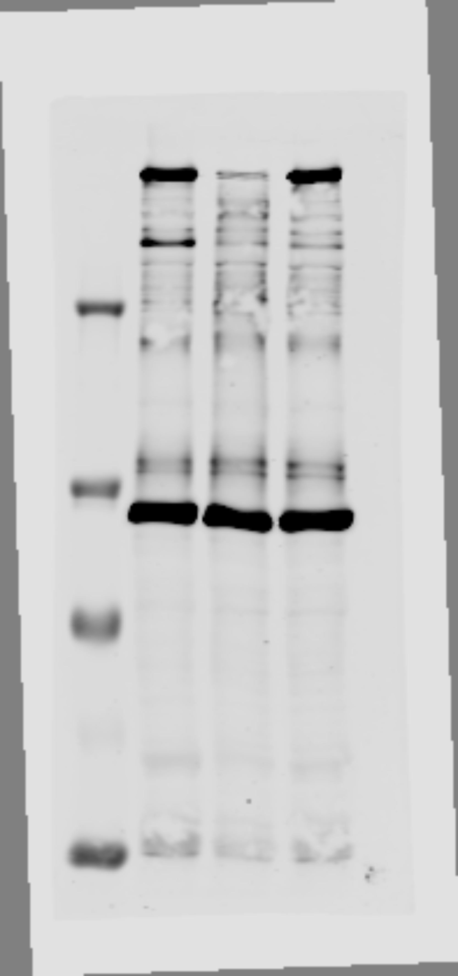
250 kDa
130 kDa
100 kDa
70 kDa
55 kDa
TAF1
Vinculin (Reprobe)
DMSO
300 nM
1 uM
Marker

