Sheet1
Fig6 D

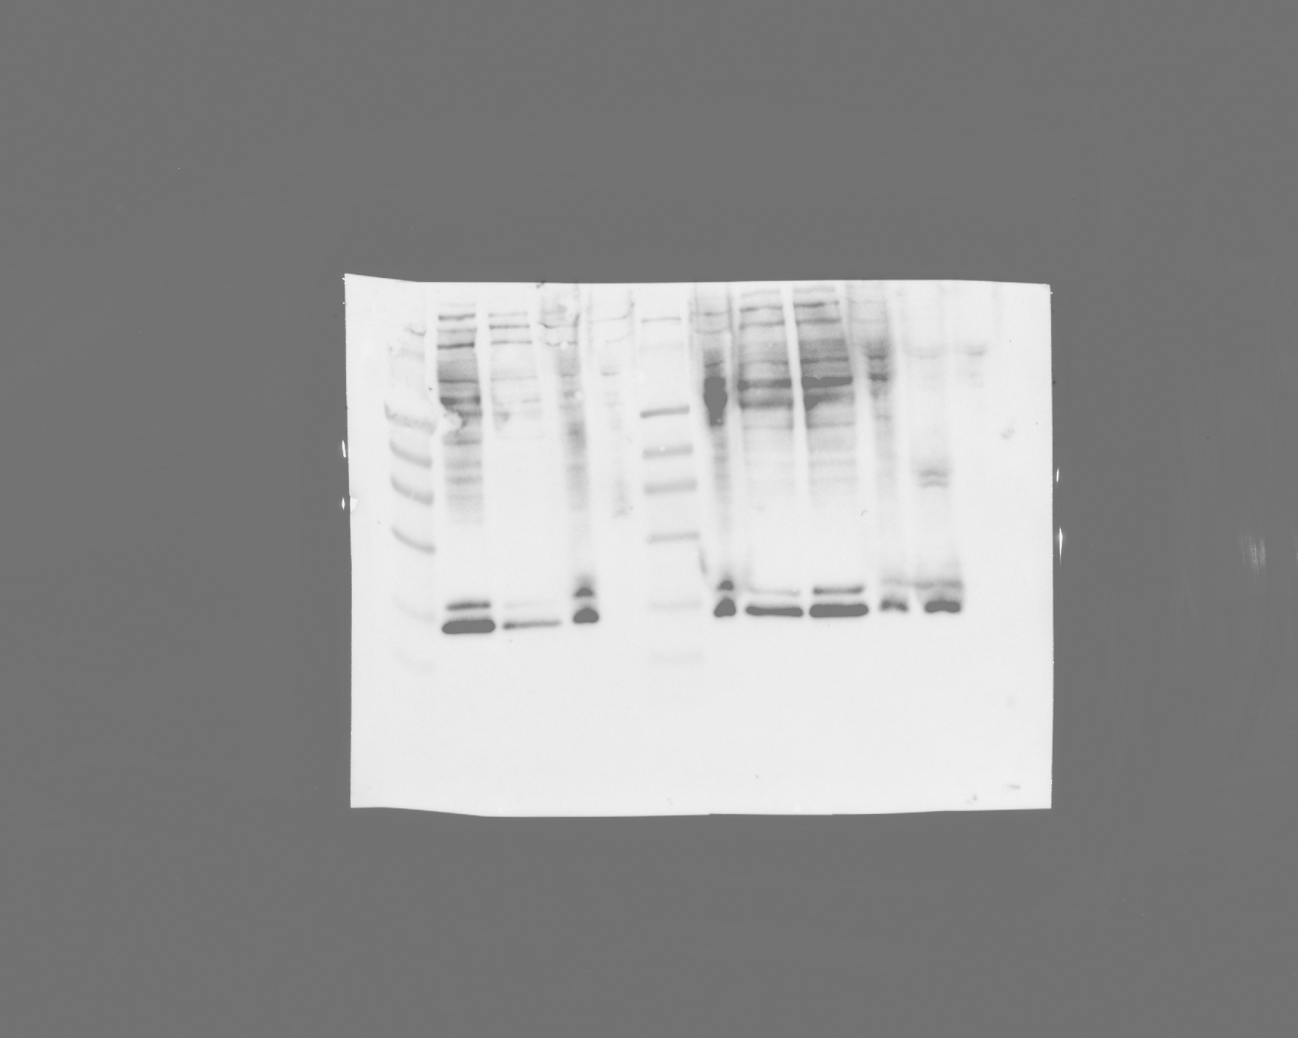
Lane:
1
2
3
4
5
6
7
8
9
10
11
12
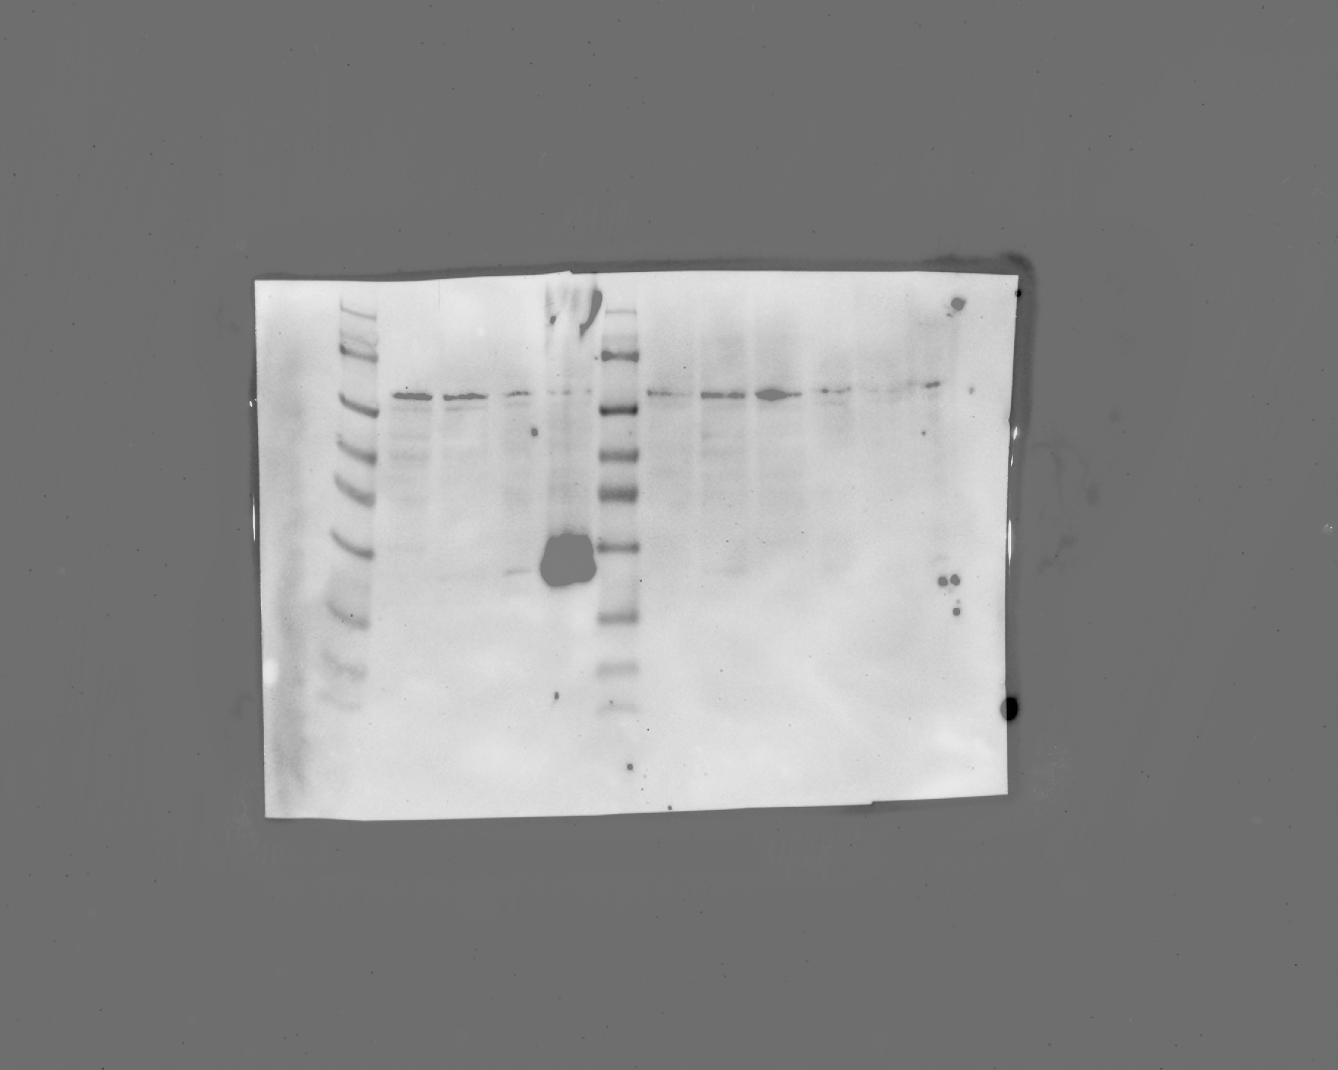
Lane:
1
2
3
4
5
6
7
8
9
10
11
12
Lane:
1
2
3
4
5
6
7
8
9
10
11
12
6
7
8
9
10
11
12
Lane:

Blot 2
Anti Actin
Blot 2
Anti HA
Higher exposure

Blot 1
Anti FLAG
Blot 2
Anti HA

 | Both blots contain lysates of cells expressing ATG and ACC start codon containing constructs. Blot1 was probed with antiFLAG antibody. Blot2 was probed with anti HA and subsequently with anti Actin antibody. Blot2 was cut into 3 blots based on loading otder and size of the protein for effective signal visualization. All the raw blots are shown here.

loading order | WT | SDM | WT | SDM | WT | SDM | WT | SDM
Cnih2 | 45,356 | 6,108,676 | 152888 | 2985434 | 403941 | 1809745 | 1020626 | 1114470
Actin | 983490 | 1246110 | 1495200 | 1218840 | 1363860 | 1141620 | 1034970 | 1180380
uTranslon | 226362 | 496 | 503099 | 160487 | 457591 | 247256 | 549134 | 1643

Cnih2/actin | 0.046117398245 | 4.9021964353 | 0.10225254147 | 2.4494059926 | 0.29617482733 | 1.5852429004 | 0.98614066108 | 0.94416204951
FC | 1 | 106.29820029 | 1 | 23.954475434 | 1 | 5.3523890424 | 1 | 0.95743141599
uTranslon/actin | 0.23016197419 | 0.00039803869642 | 0.33647605671 | 0.13167191756 | 0.33551170941 | 0.21658345159 | 0.53057963033 | 0.0013919246344
FC | 1 | 0.0017293851333 | 1 | 0.3913262621 | 1 | 0.64553172217 | 1 | 0.0026234038302

