Fig. 4a
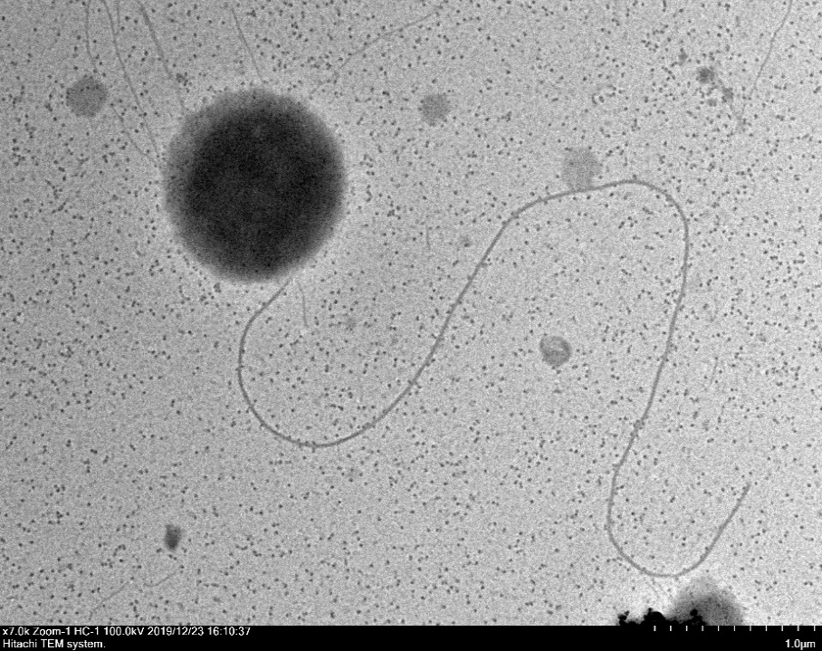
Fig. 4a

 | Poriferisphaera sp. WC338

Fig. 4b
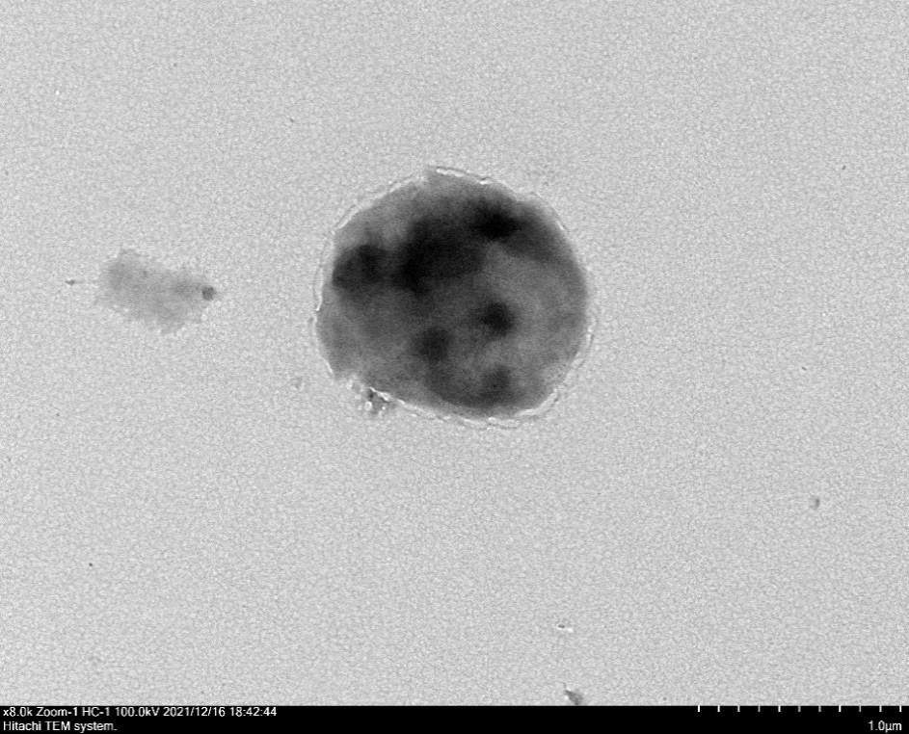
Fig. 4b

 | Lentisphaerota sp. WC36

