Fig 1q
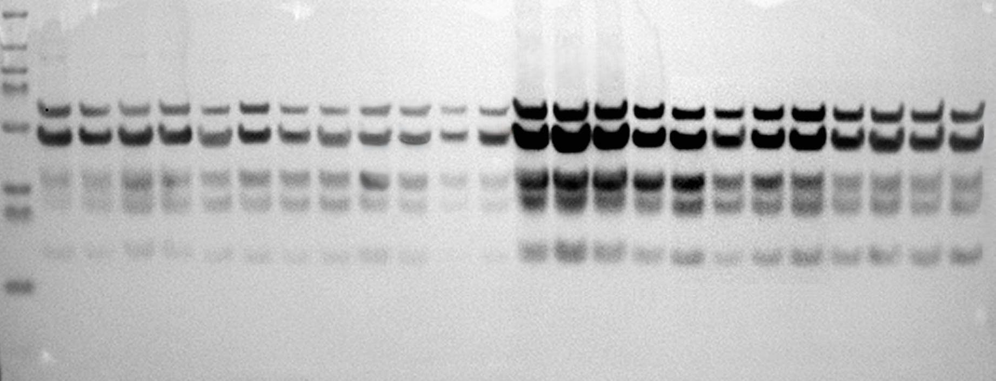
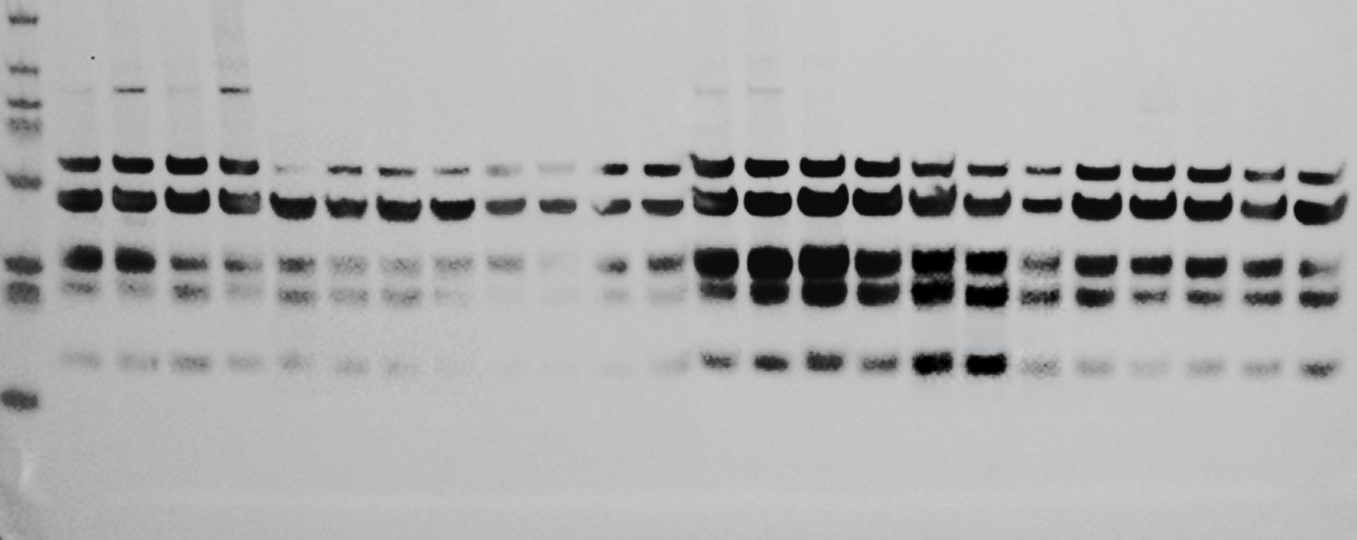
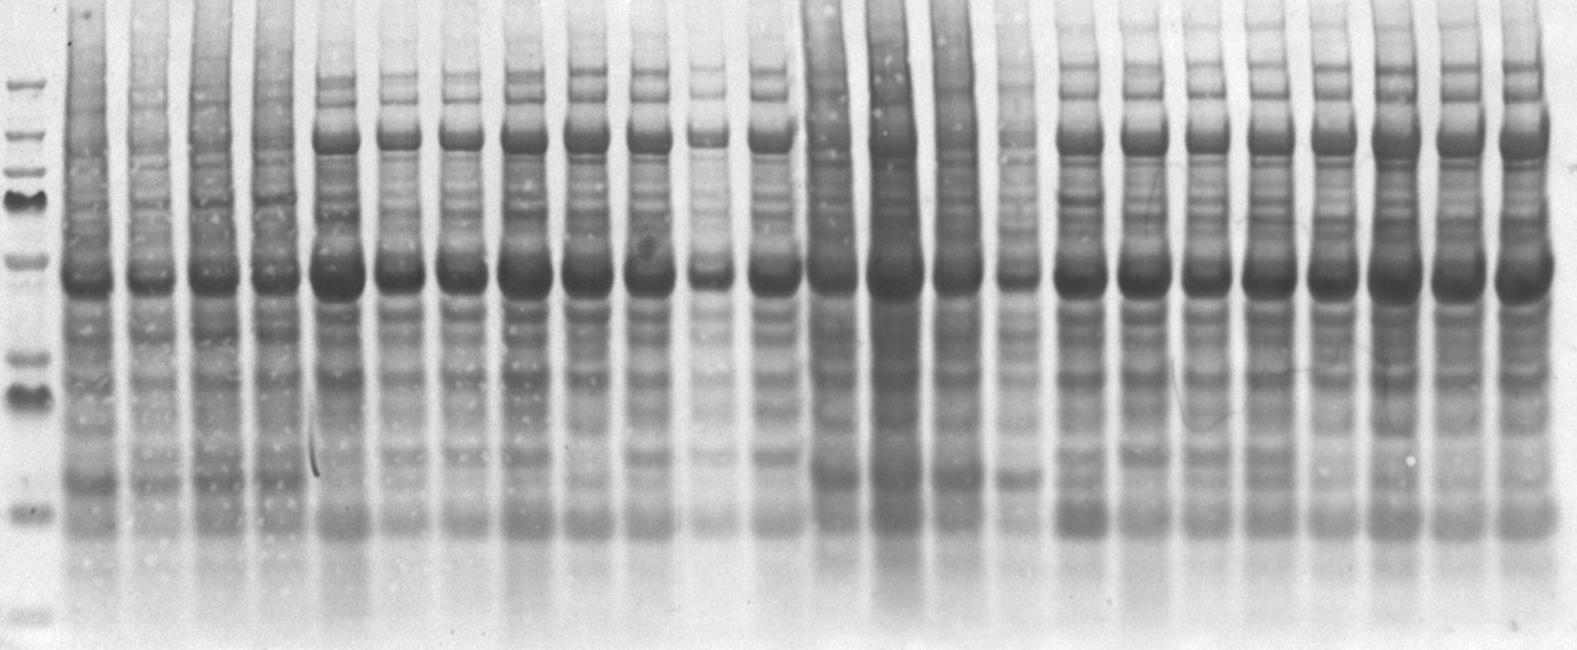
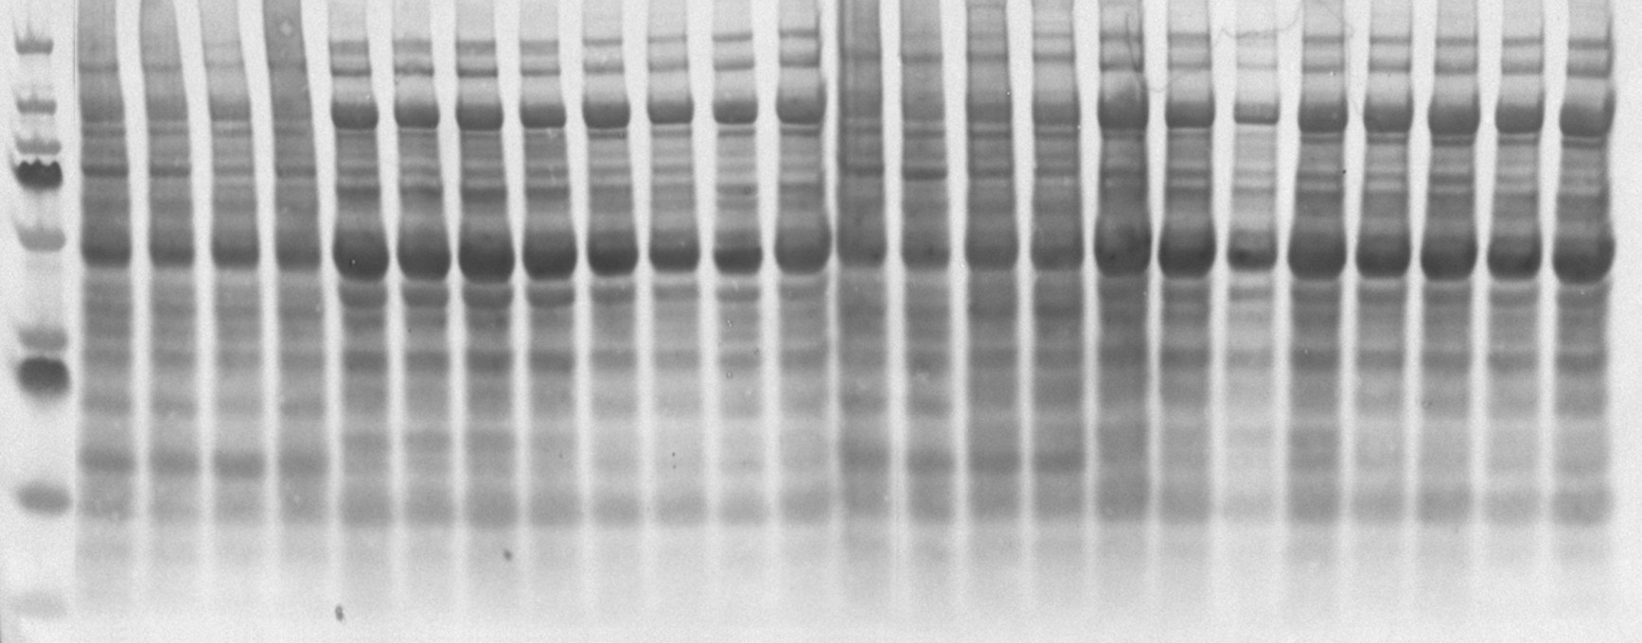
 | Control |  |  |  |  |  |  |  | BAIBA
CI | 0.128432 | 0.107858 | 0.179139 | 0.128091 | 0.083862 | 0.138235 | 0.296466 | 0.22604 | 0.67592 | 0.585991 | 0.430924 | 0.364388 | 0.592011 | 0.725069 | 0.696756 | 0.529271
CII | 0.103231 | 0.17013 | 0.27682 | 0.225756 | 0.180628 | 0.198563 | 0.388721 | 0.299053 | 1.088541 | 0.778163 | 0.732548 | 0.753132 | 1.069027 | 1.044902 | 0.830619 | 0.675102
CIII | 0.418437 | 0.512512 | 0.483324 | 0.531751 | 0.40935 | 0.28506 | 0.264556 | 0.353407 | 1.048963 | 0.648513 | 0.75269 | 0.958555 | 1.221471 | 1.070228 | 0.940086 | 0.725813
CIV | 0.173506 | 0.217074 | 0.343624 | 0.301971 | 0.508336 | 0.46046 | 0.540836 | 0.528907 | 1.217425 | 0.772181 | 0.967016 | 1.136416 | 1.025434 | 0.937761 | 0.930001 | 0.871921
CV | 0.415973 | 0.316864 | 0.238247 | 0.340928 | 0.628722 | 0.428458 | 0.403649 | 0.528719 | 1.379674 | 0.842759 | 0.995833 | 1.128305 | 1.363725 | 1.157892 | 0.916938 | 0.759004

Supplementary Figure S6b
