2b
Figure 2b

2c
Figure 2c

5g
Figure 5g

5h
Figure 5h

6b
Figure 6b

7g
Figure 7g

S6b
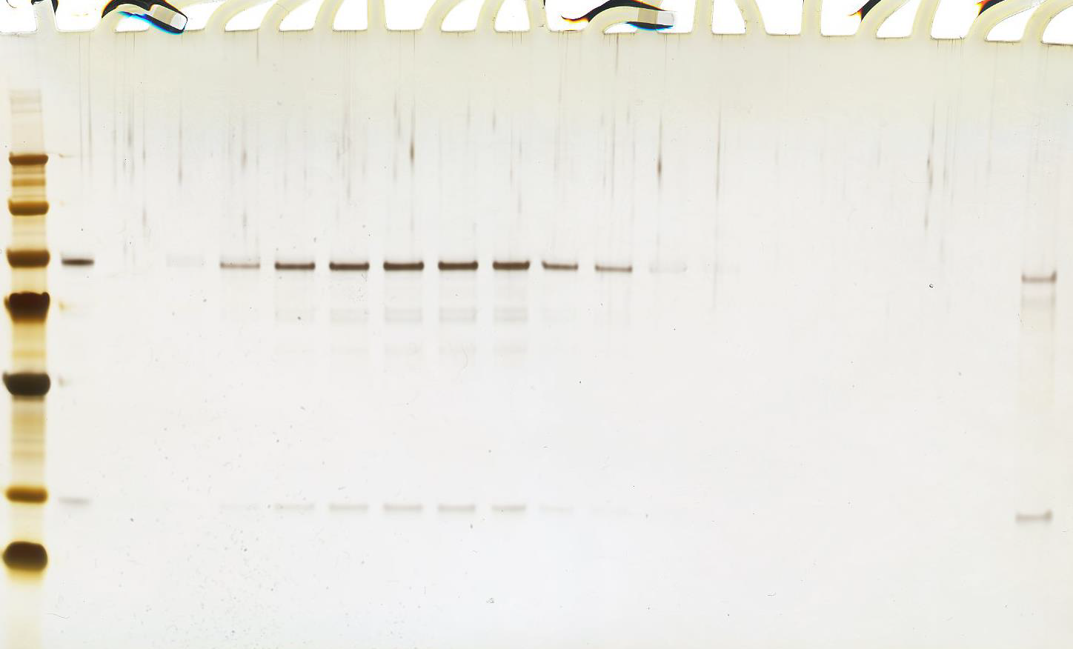
Supplementary Figure 6b

S6c
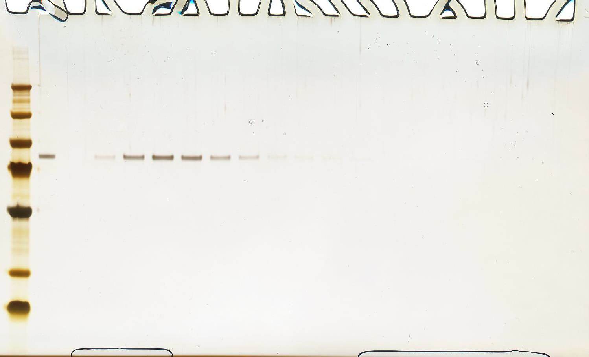
Supplementary Figure 6c

S6d-f
d
f
e

S6g
Supplementary Figure 6g

S6j
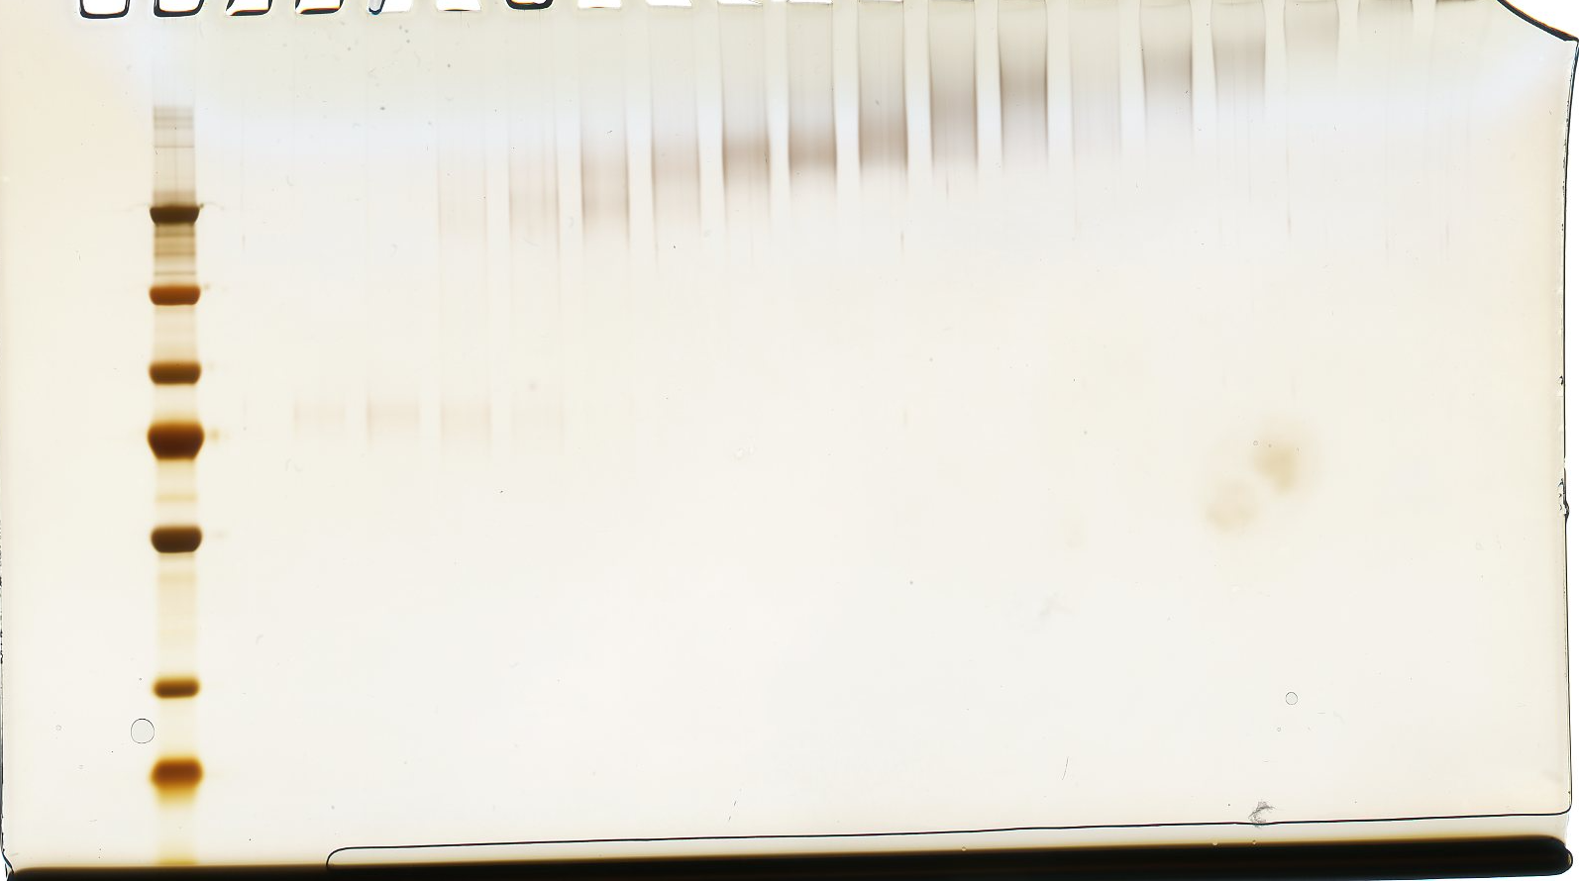
Supplementary Figure 6j

S13a
Supplementary Figure 13a

S13b
Supplementary Figure 13b

S14a
Supplementary Figure 14a

S14b
Supplementary Figure 14b

