Figure 1c
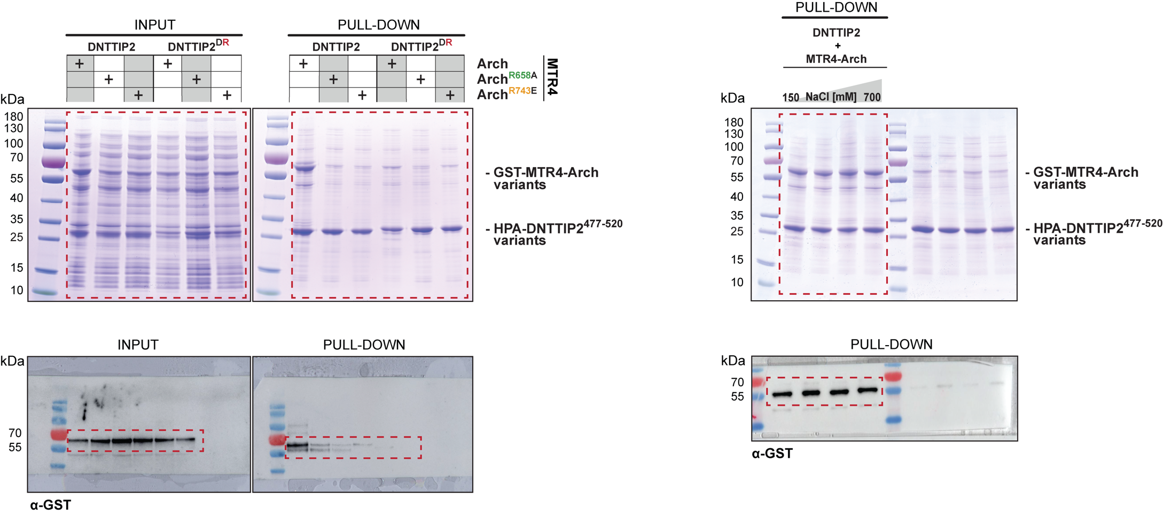
Figure 1c

Figure 3b
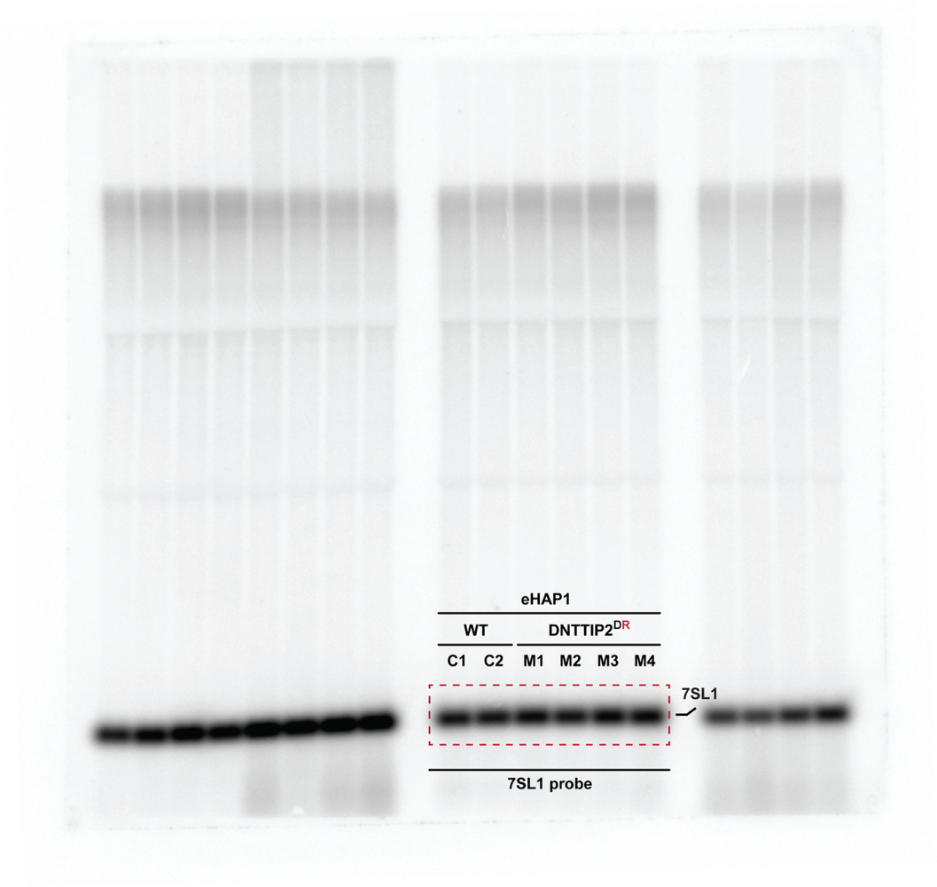
Figure 3b

Figure 3c
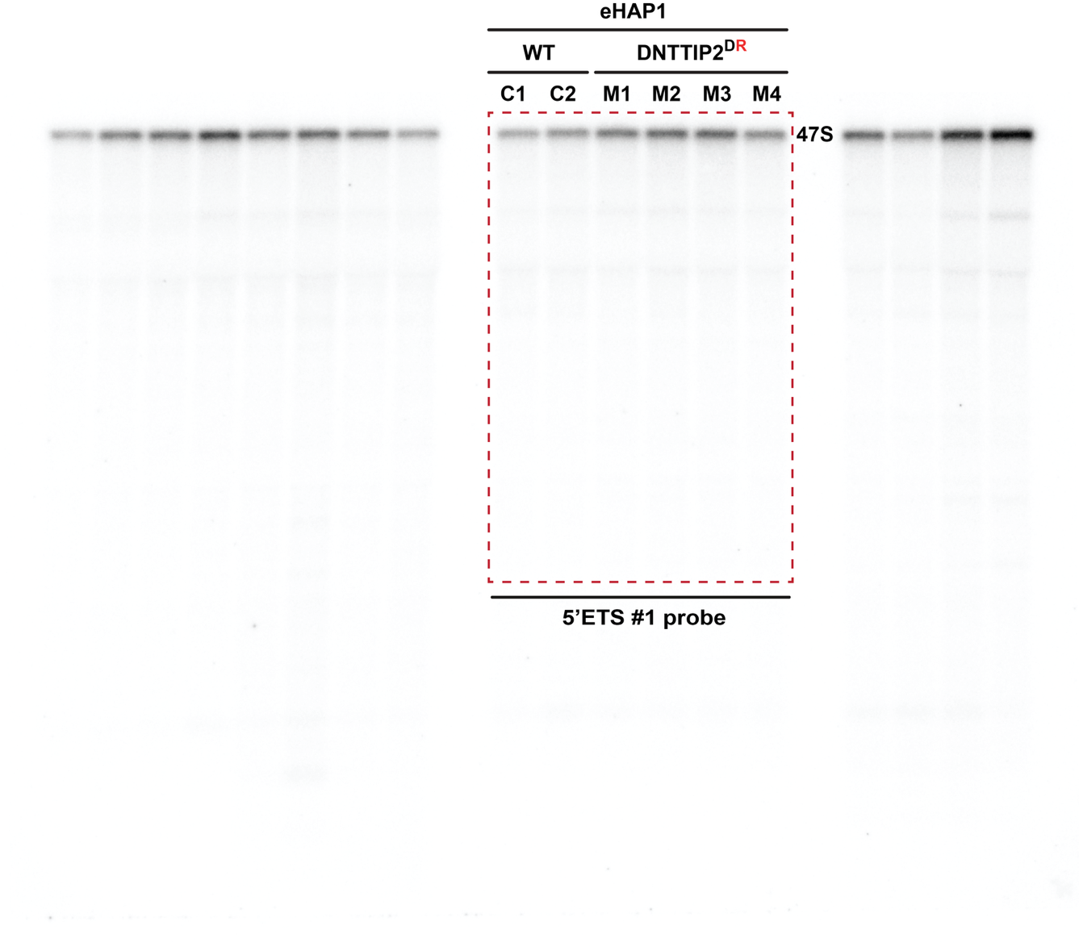
Figure 3c

Figure 3d
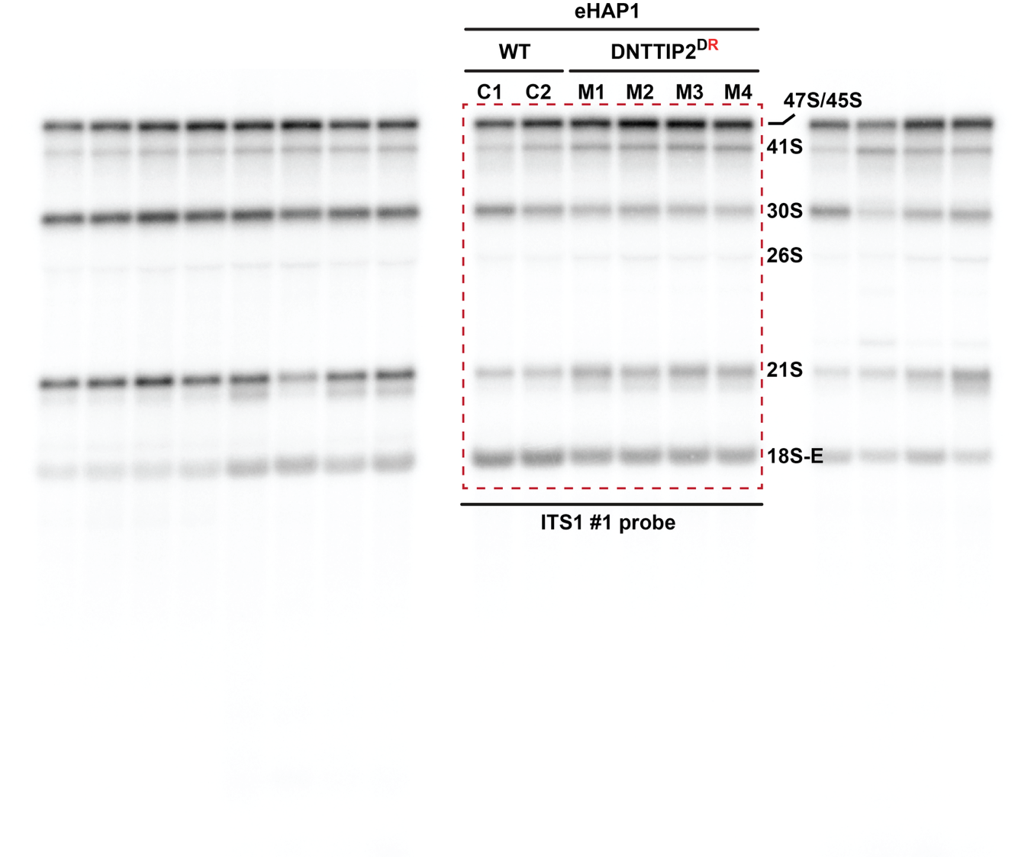
Figure 3d

Figure 3e
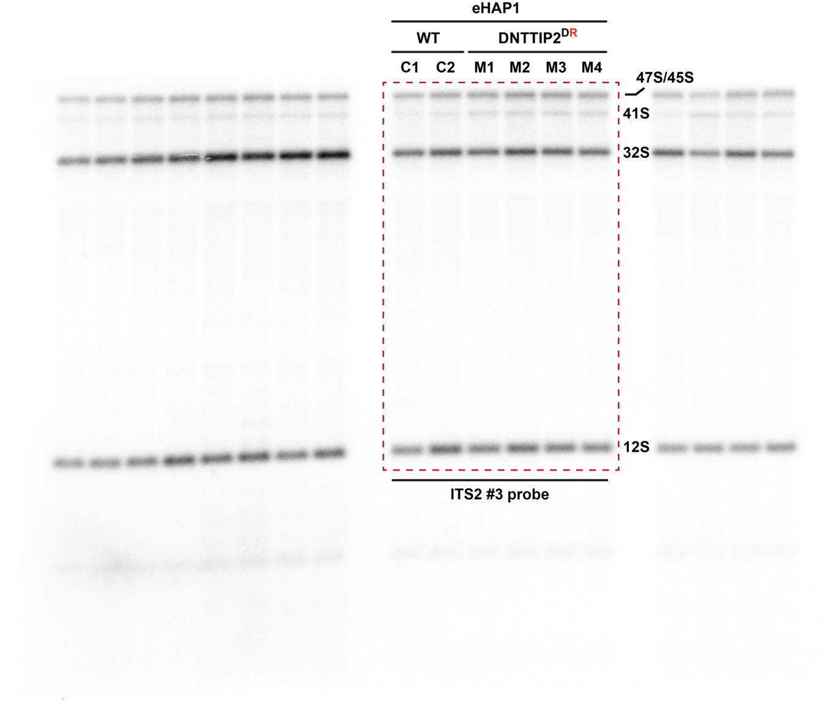
Figure 3e

Figure 3f
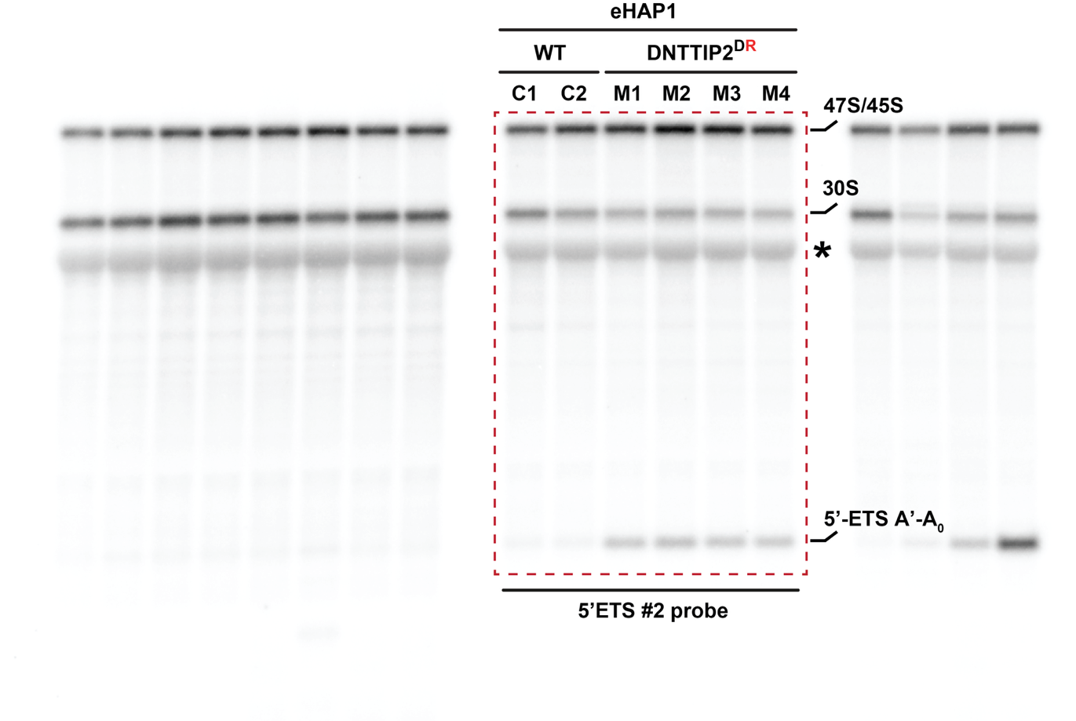
Figure 3f

Figure 3g
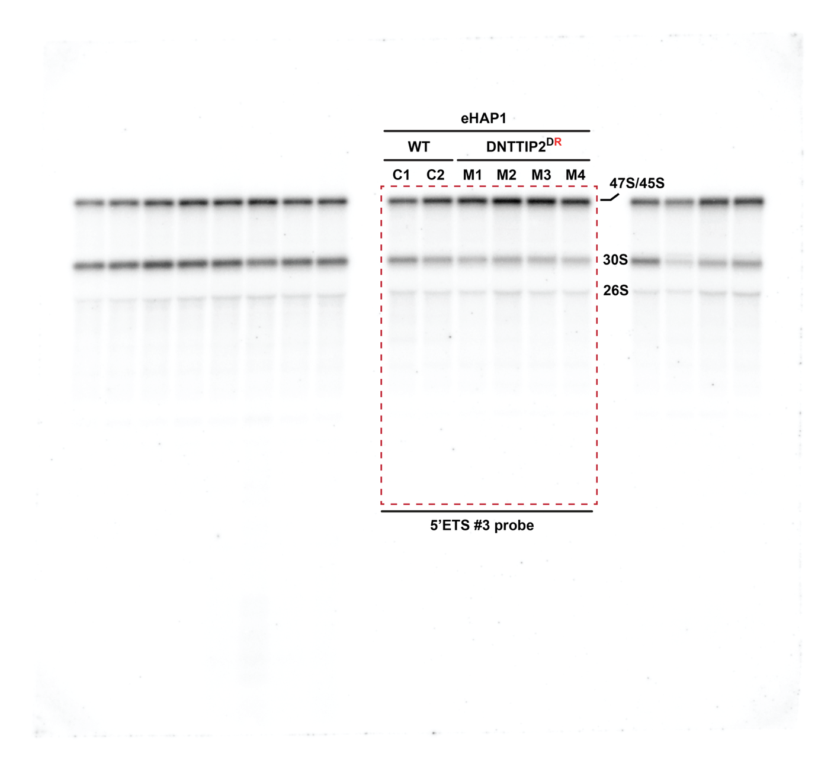
Figure 3g

Figure 4d
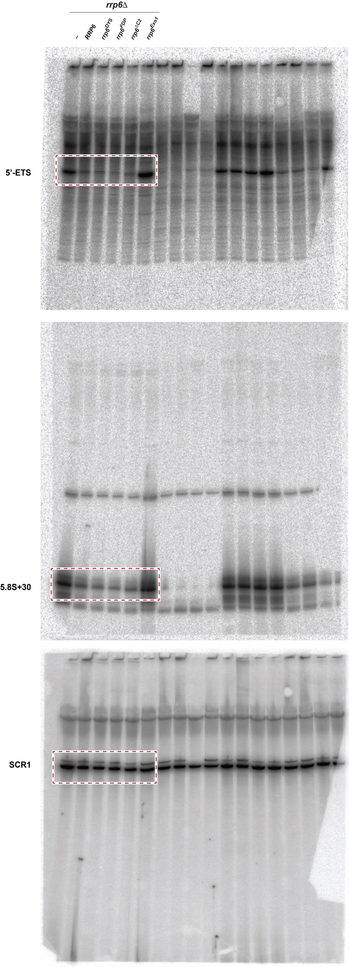
Figure 4d

Figure 5a
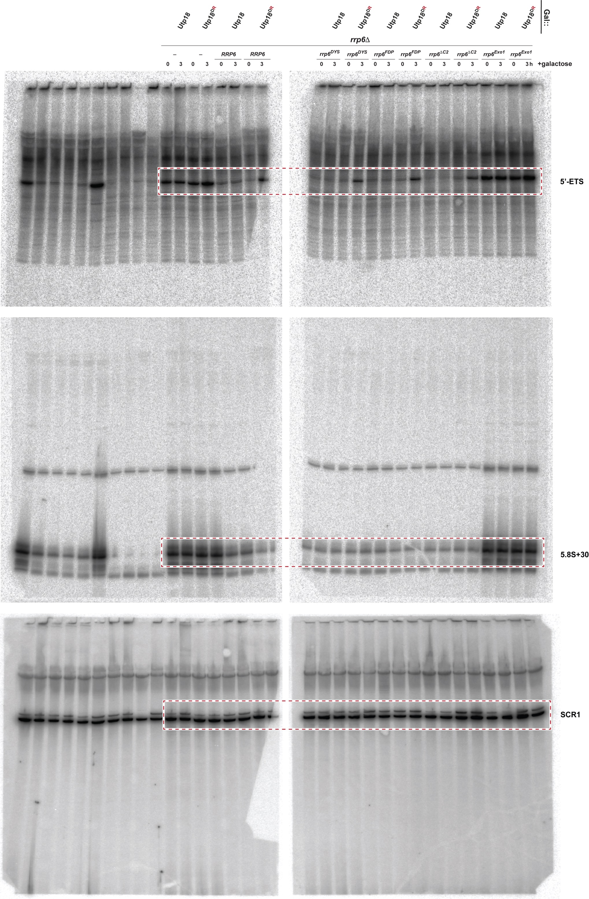
Figure 5a

Figure 6a
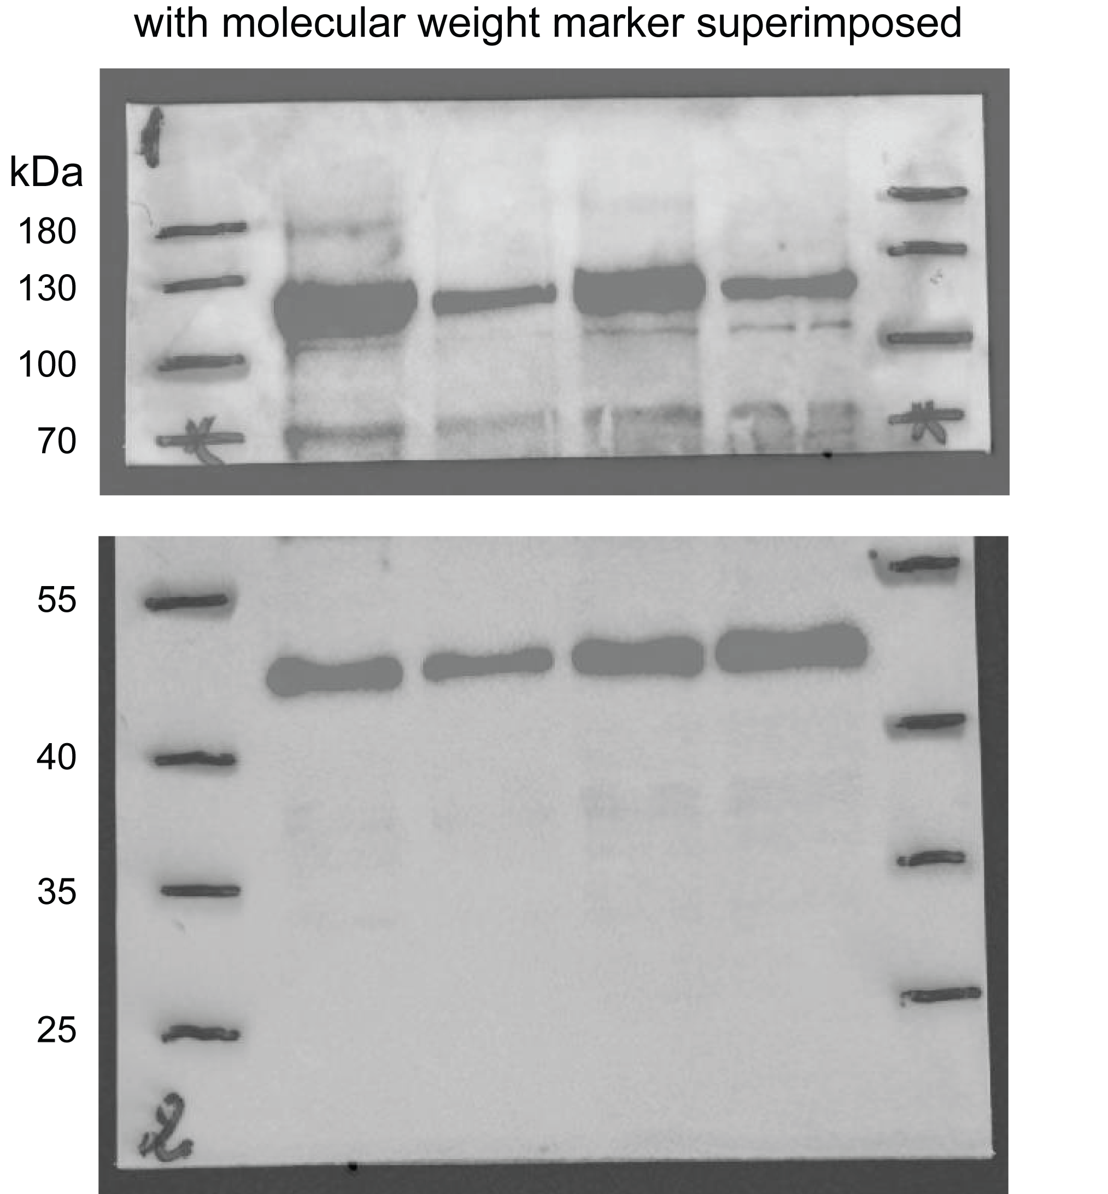
Figure 6a

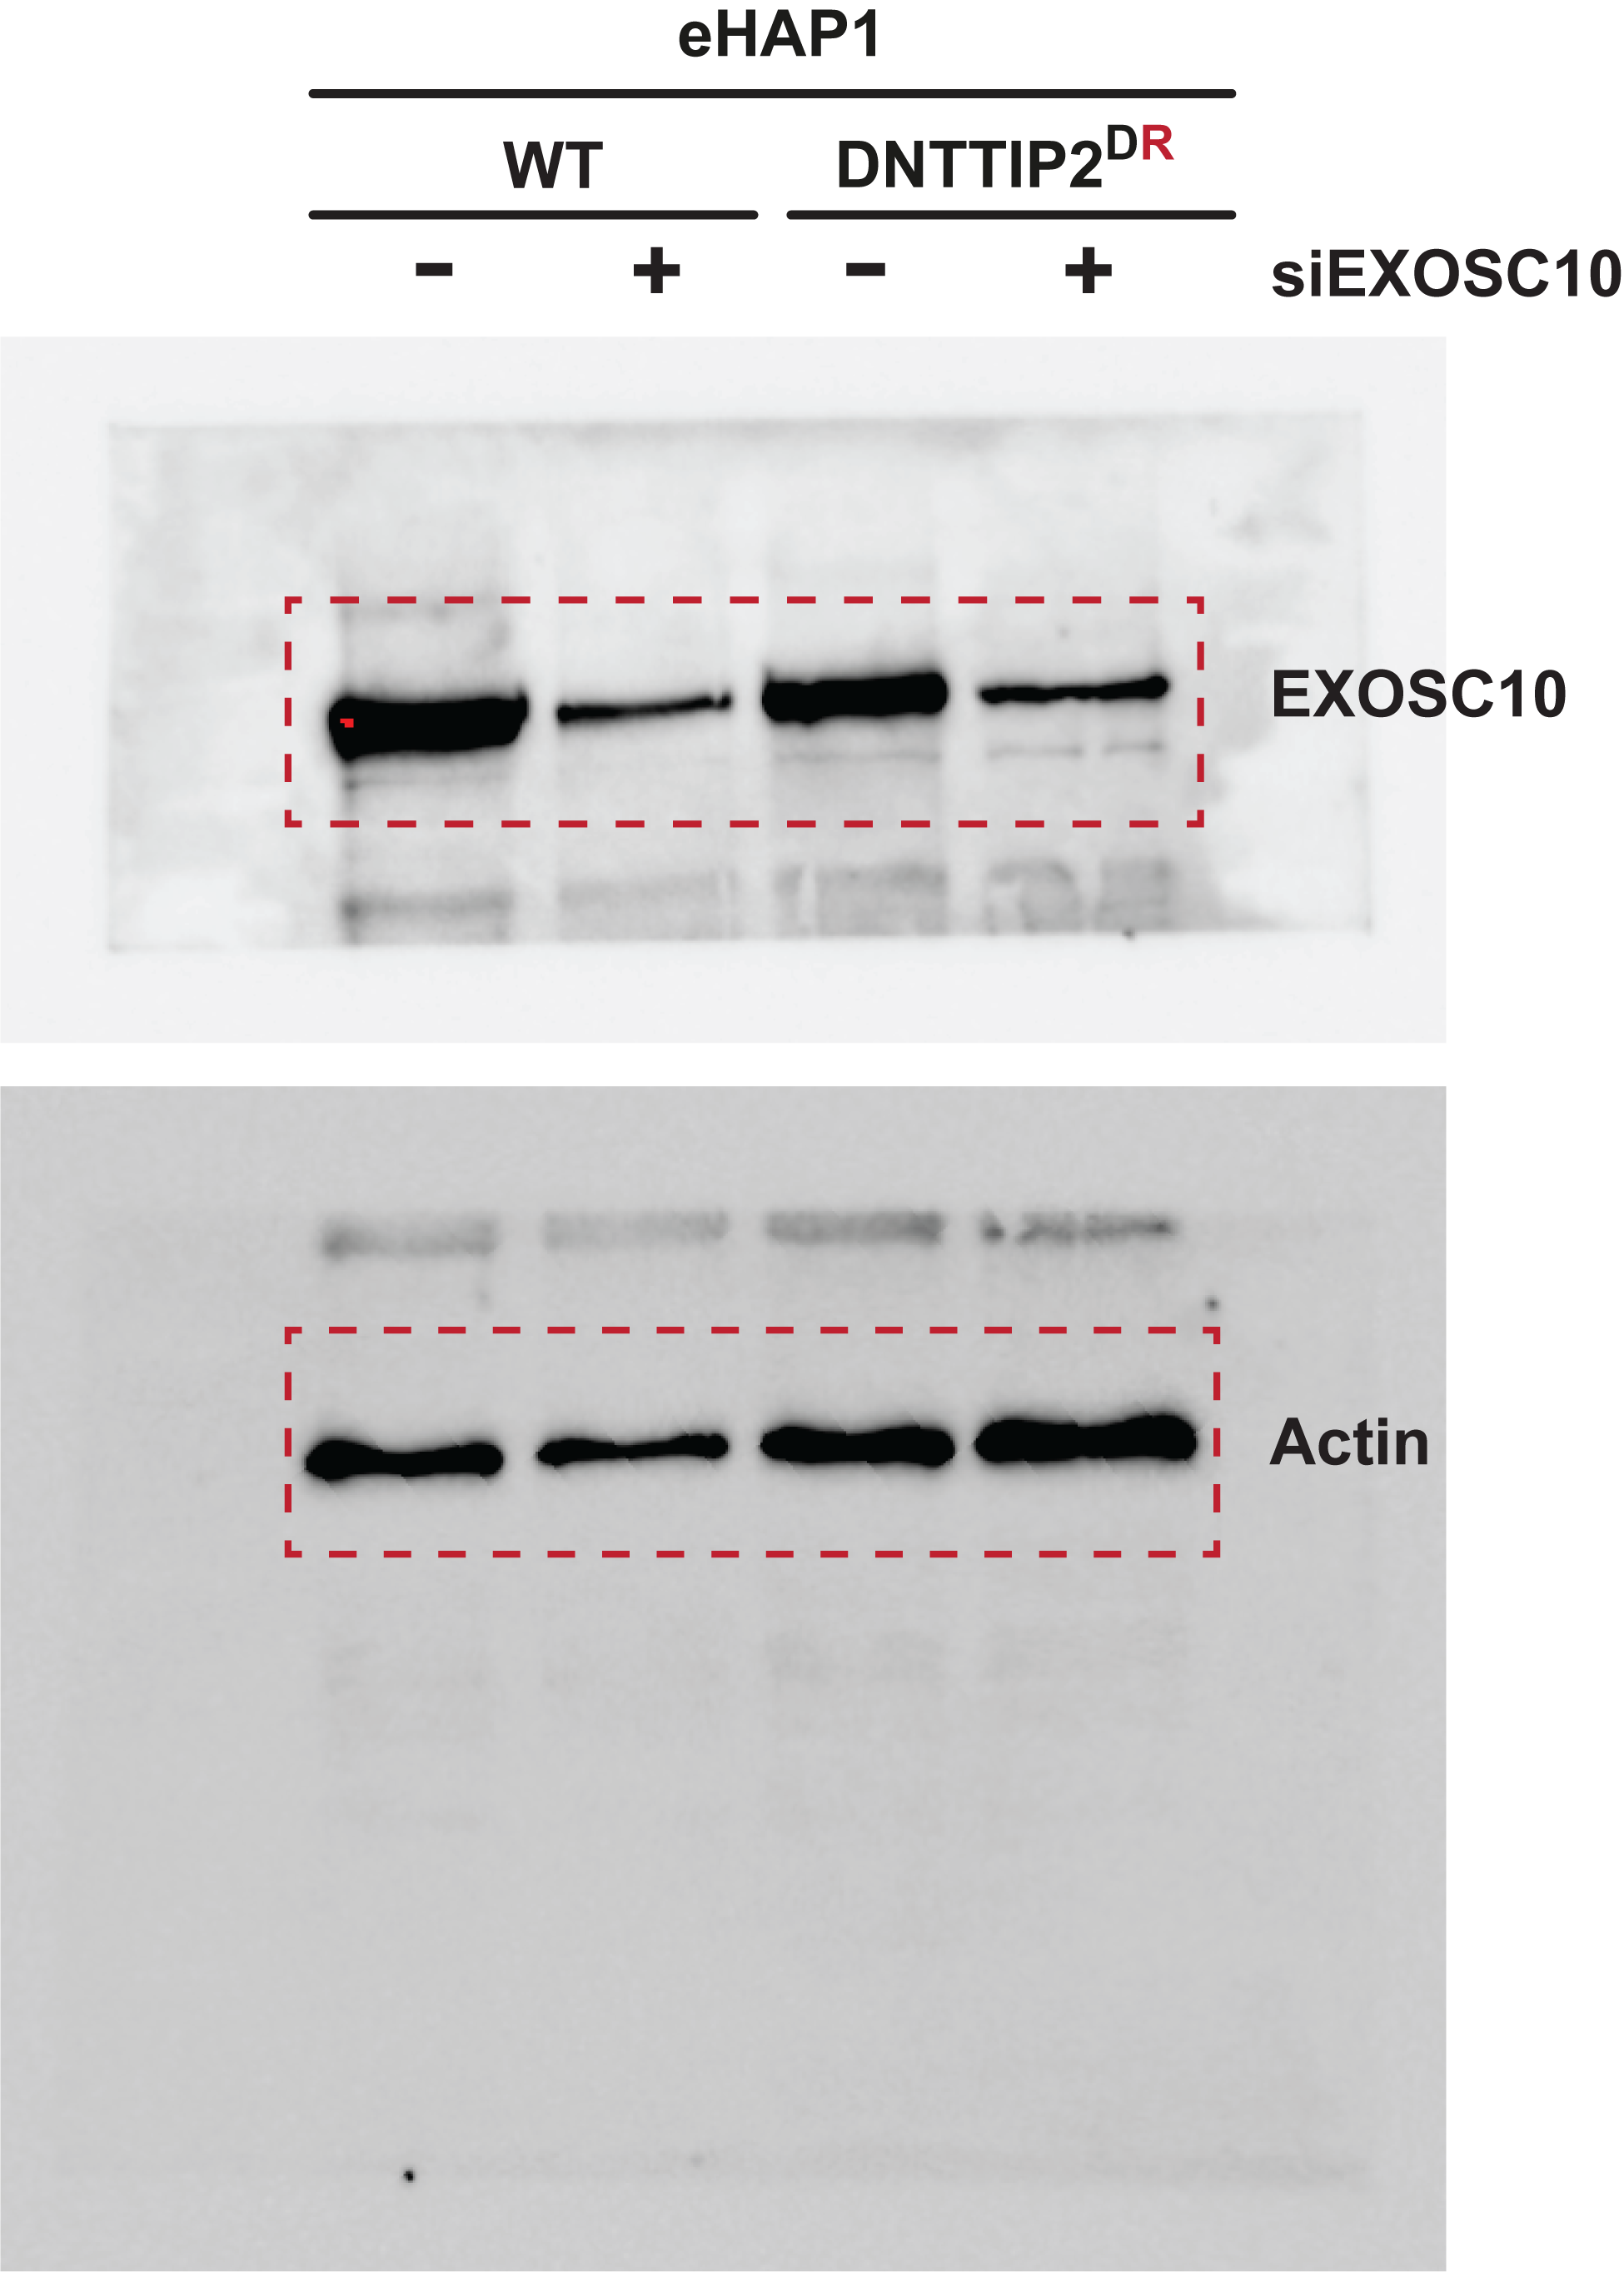
 |  | EXOSC10 | Actin | EXOSC10/Actin | %EXOSC10/Actin
 | C1 WT | 11919440 | 2073819 | 5.7475797068 | 100
 | C1 WT siEXOSC10 | 2149910 | 1225073 | 1.7549239923 | 30.5
 | M1 DR | 7864489 | 2389812 | 3.2908400326 | 100
 | M1 DR siEXOSC10 | 2744709 | 3690319 | 0.74375927935 | 22.6

Figure 6b
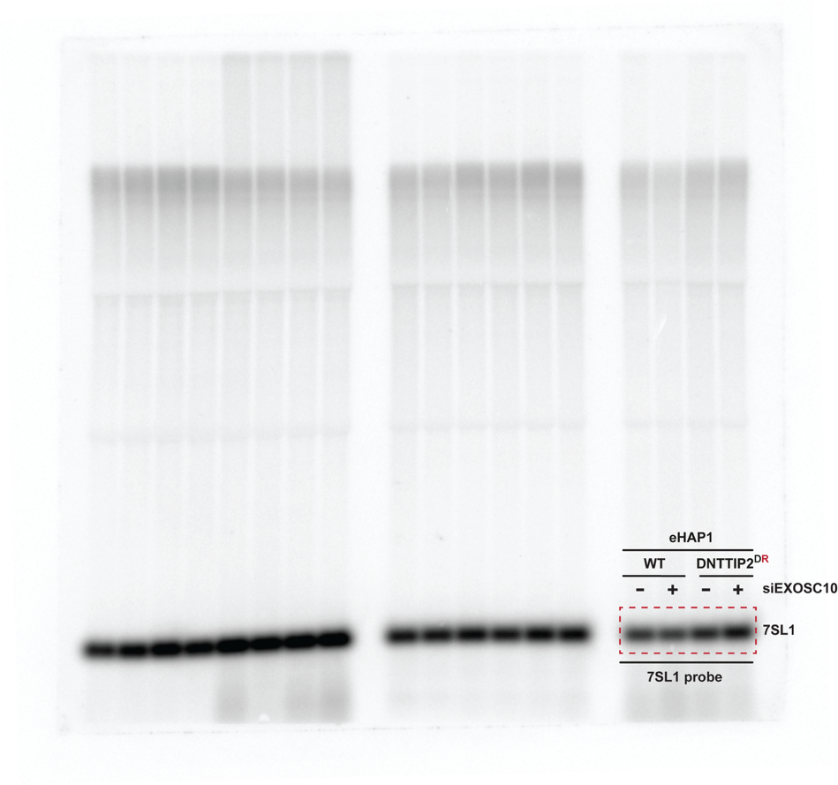
Figure 6b

Figure 6c
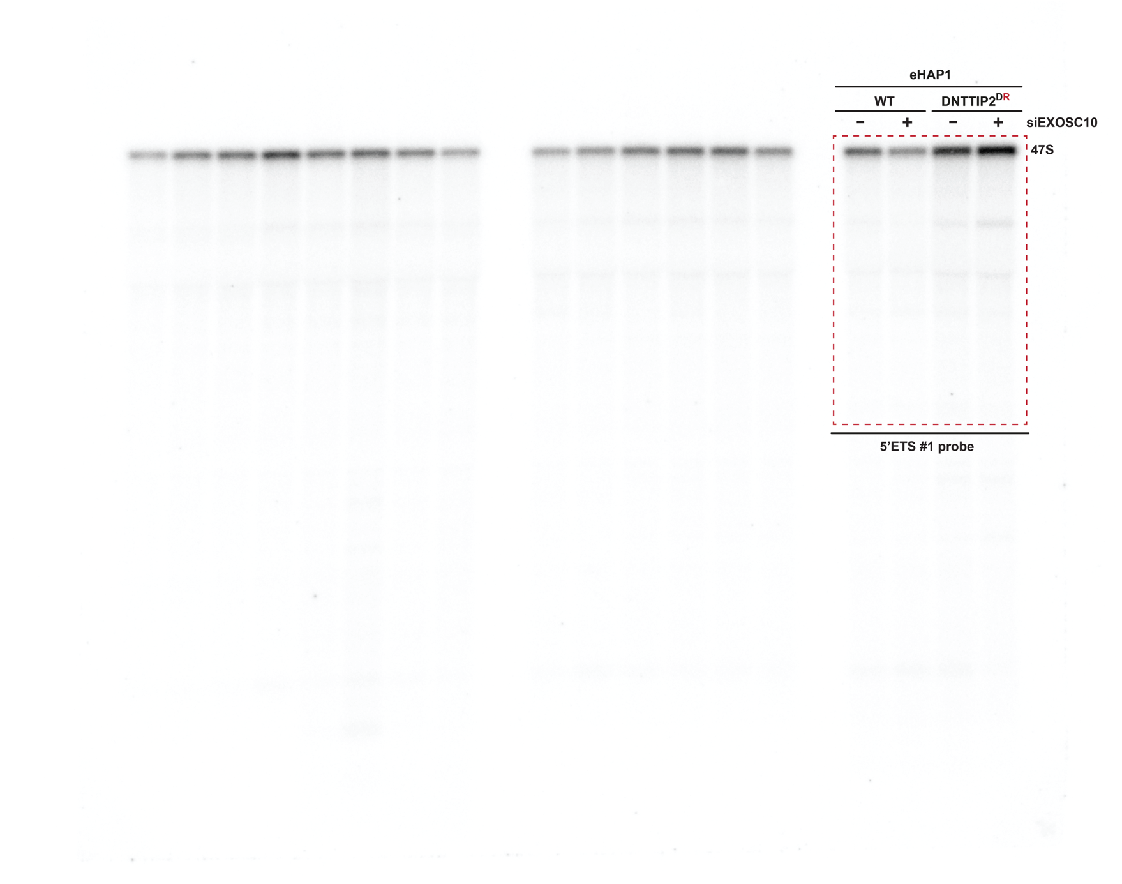
Figure 6c

Figure 6d
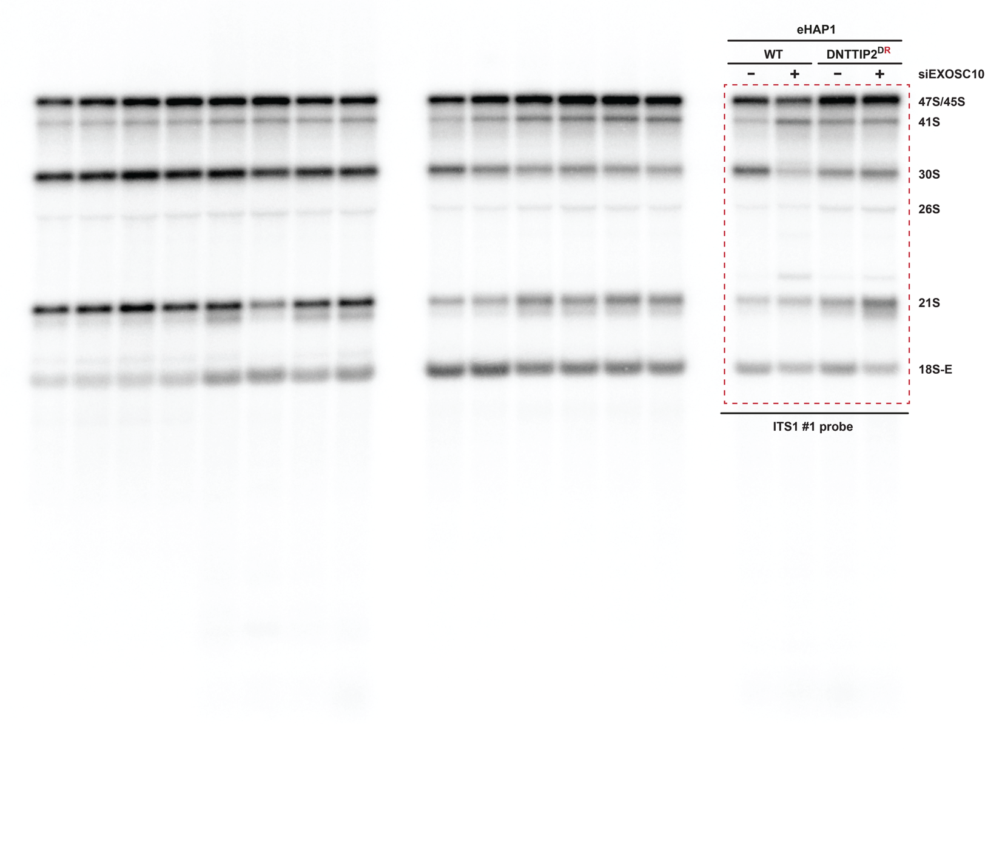
Figure 6d

Figure 6e
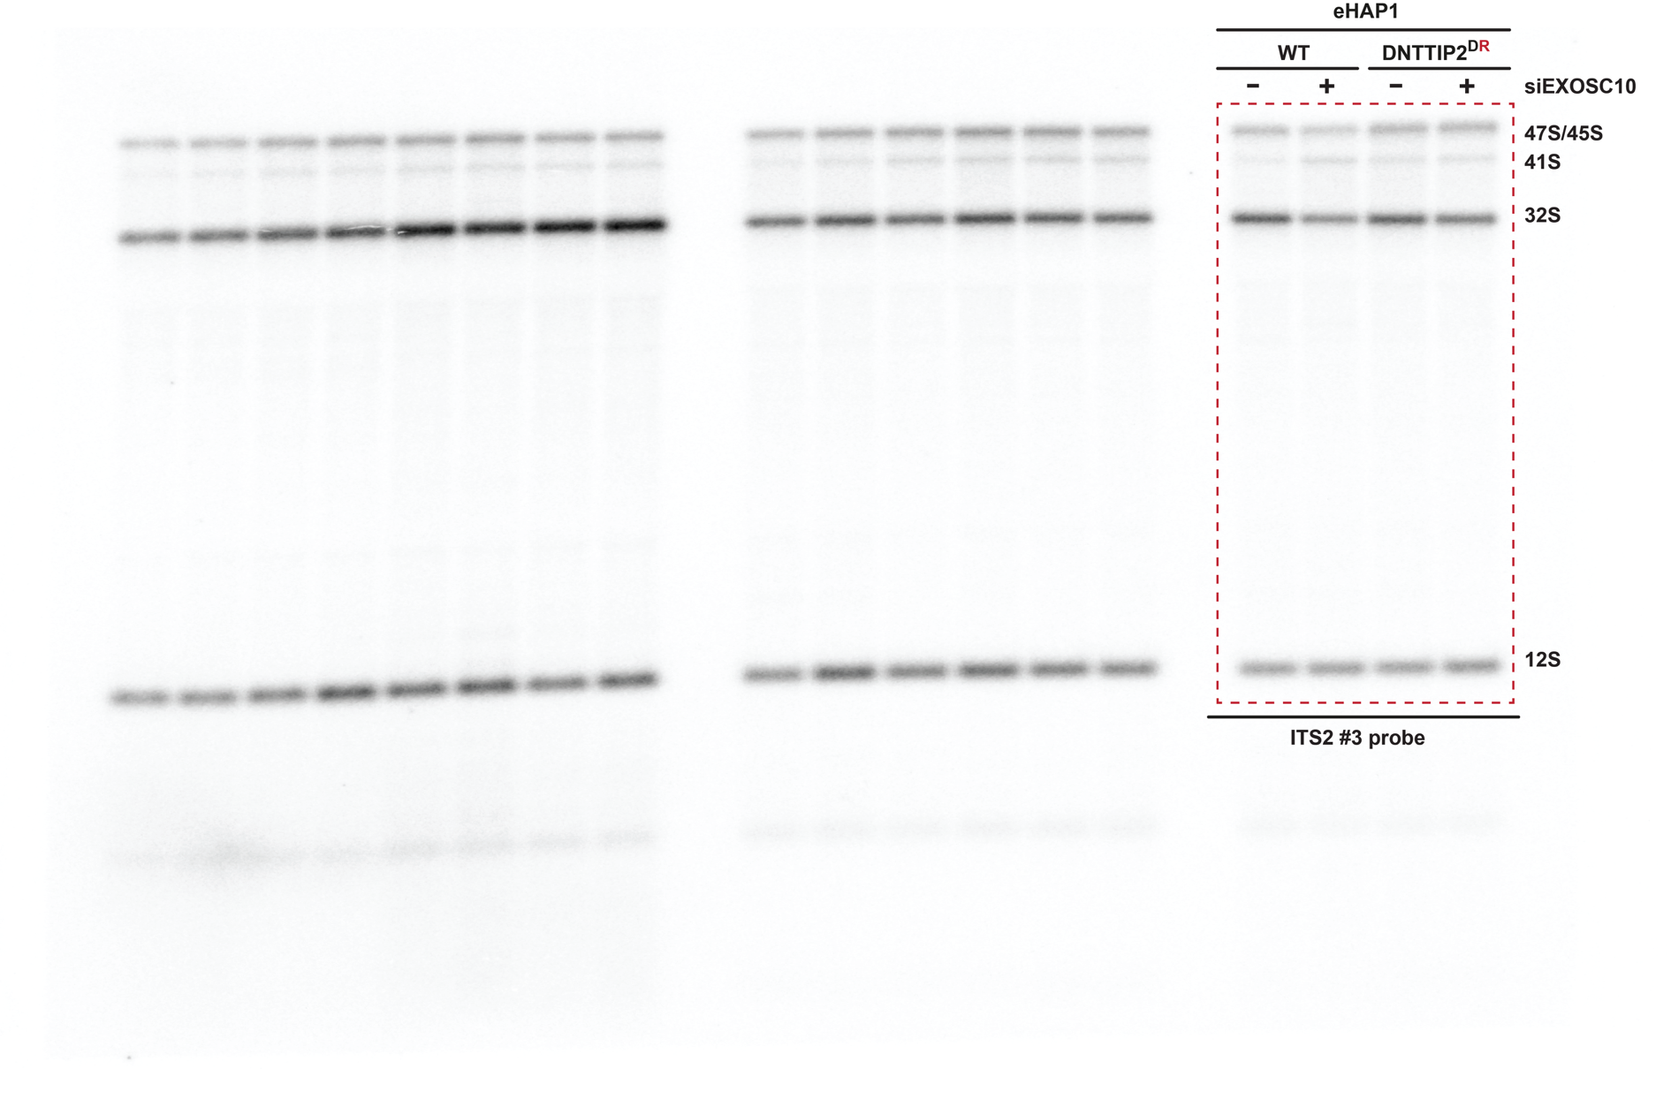
Figure 6e

Figure 6f
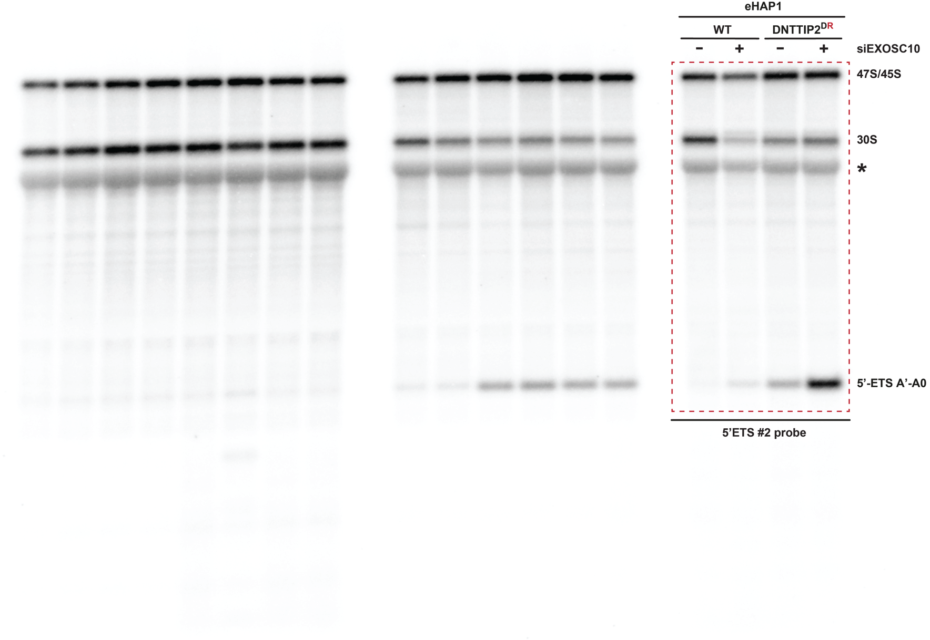
Figure 6f

Figure 6g
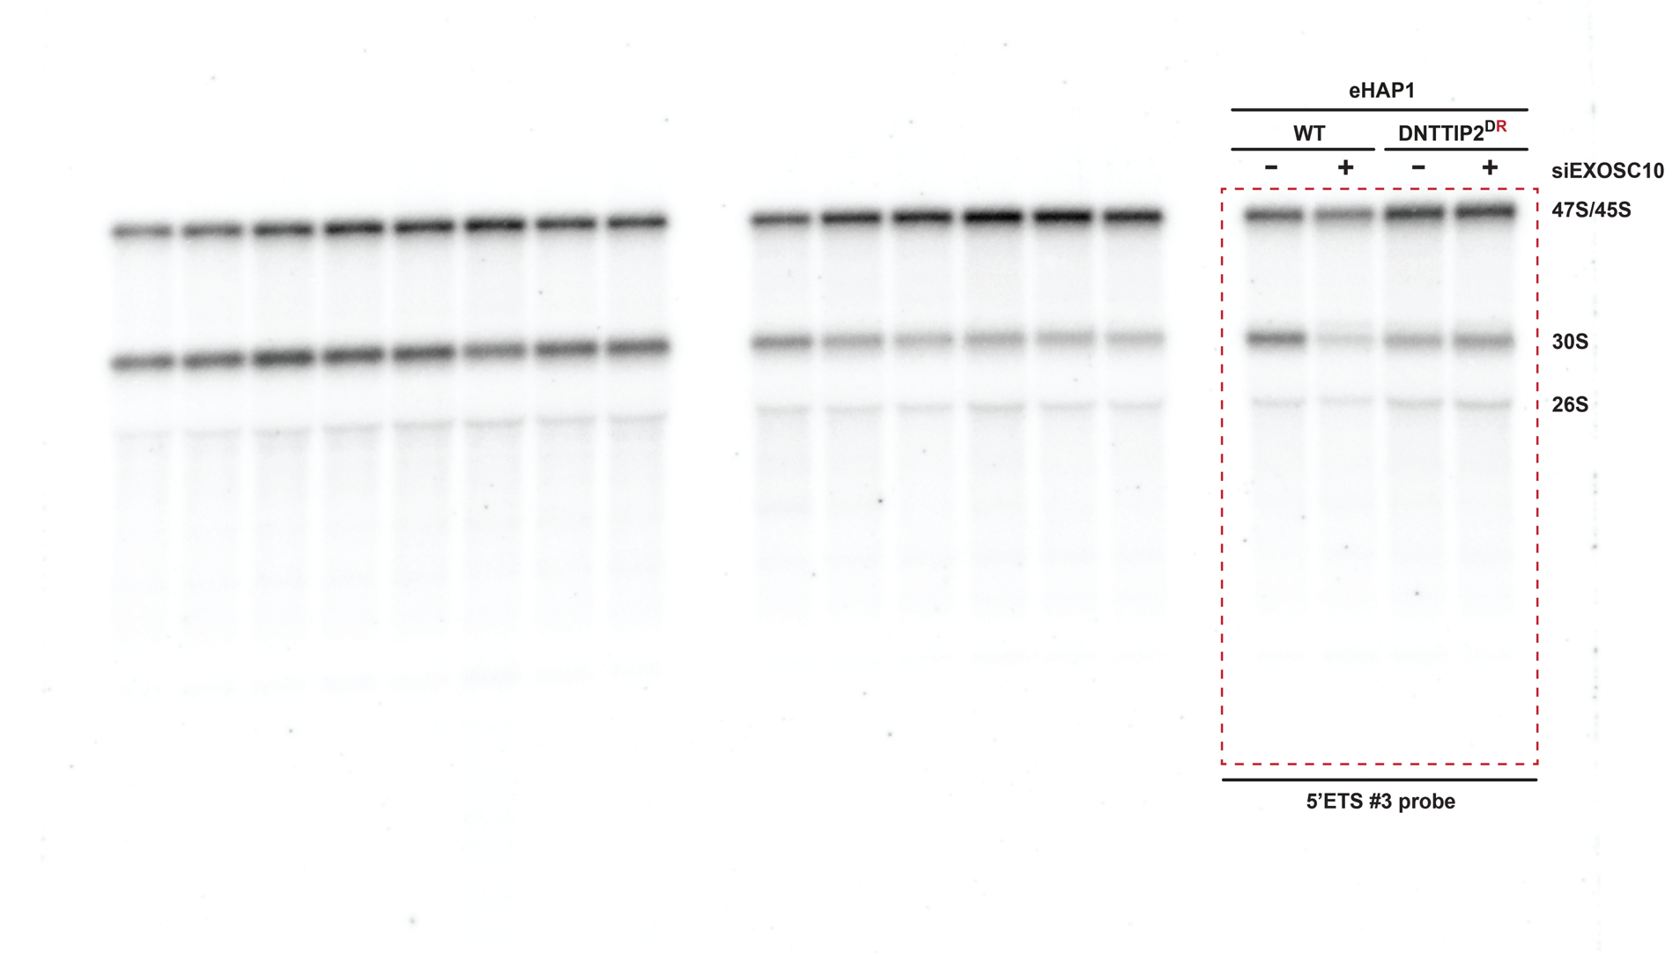
Figure 6g

Suppl. Fig. 2a
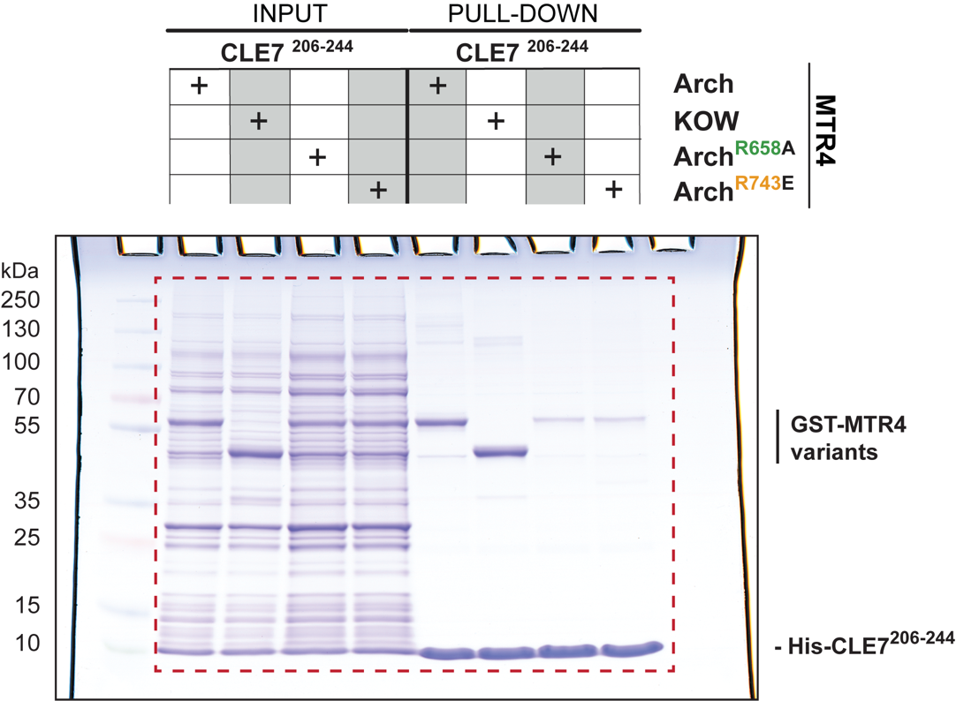
Suppl. Fig. 2a

Suppl. Fig. 2b
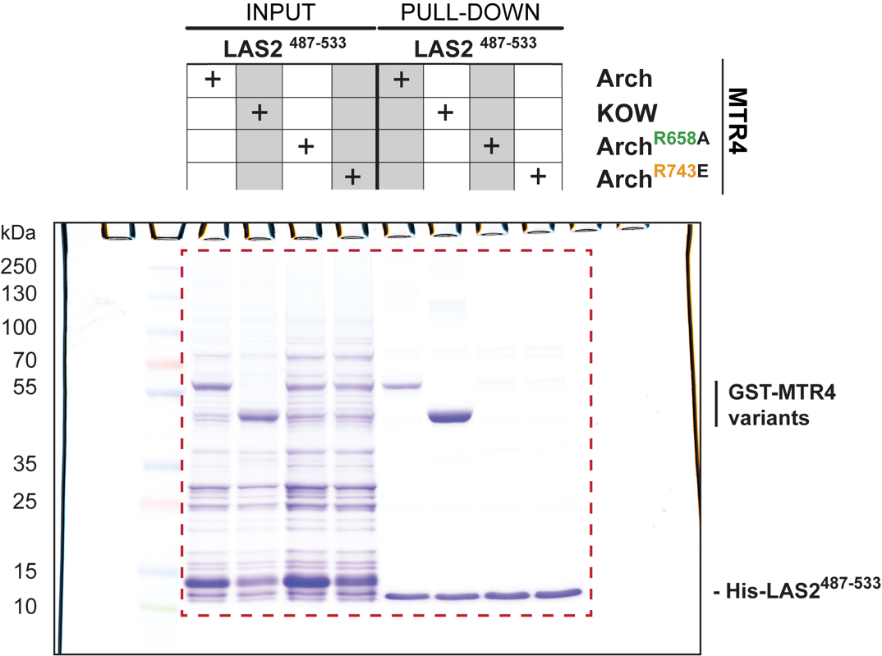
Suppl. Fig. 2b

Suppl. Fig. 6a
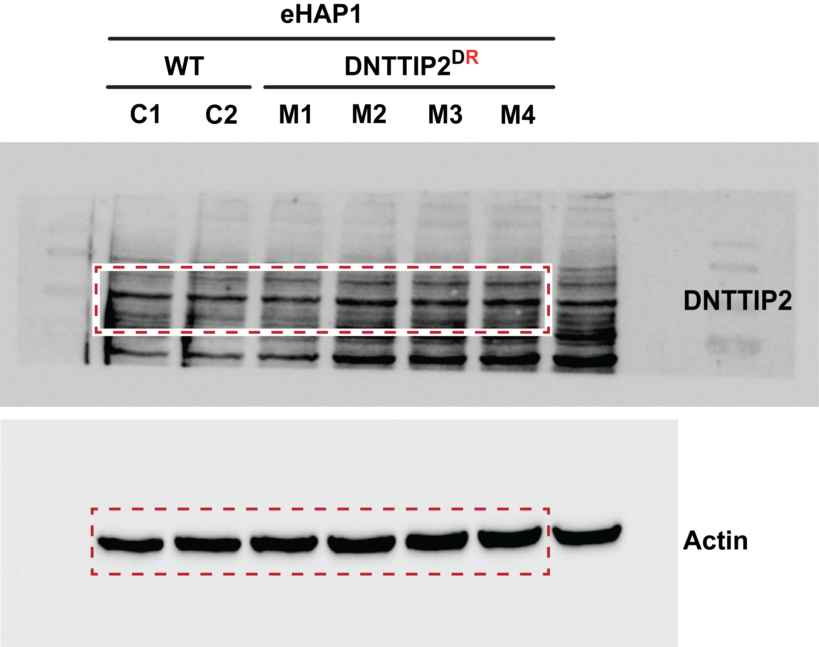
Suppl. Fig. 6a
 |  | Sample | Volume (Int) | Adj. Vol. (Int) | Mean Bkgd. (Int) | # of Pixels | Min. Value (Int) | Max. Value (Int) | Mean Value (Int) | Std. Dev. | Area (mm2)
 | DNTTIP2 | C1 | 3 319 882,000000 | 1 068 420,644068 | 4 169,372881 | 540 | 1 251,000000 | 20 805,000000 | 6 147,929630 | 2 850,386402 | 15.462038
 |  | C2 | 3 026 743,000000 | 1 073 389,101695 | 3 617,322034 | 540 | 1 128,000000 | 11 760,000000 | 5 605,079630 | 2 451,775629 | 15.462038
 |  | M1 | 2 803 087,000000 | 1 020 766,661017 | 3 300,593220 | 540 | 1 132,000000 | 10 771,000000 | 5 190,901852 | 2 340,222313 | 15.462038
 |  | M2 | 3 621 090,000000 | 1 365 217,118644 | 4 177,542373 | 540 | 1 227,000000 | 12 309,000000 | 6 705,722222 | 2 746,720628 | 15.462038
 |  | M3 | 3 325 048,000000 | 1 185 311,728814 | 3 962,474576 | 540 | 1 238,000000 | 11 971,000000 | 6 157,496296 | 2 736,154240 | 15.462038
 |  | M4 | 3 674 067,000000 | 1 396 241,745763 | 4 218,194915 | 540 | 1 300,000000 | 14 524,000000 | 6 803,827778 | 3 102,926449 | 15.462038

 |  | Sample | Volume (Int) | Adj. Vol. (Int) | Mean Bkgd. (Int) | # of Pixels | Min. Value (Int) | Max. Value (Int) | Mean Value (Int) | Std. Dev. | Area (mm2)
 | Actin | C1 | 3 005 358,000000 | 2 452 585,312500 | 697.945313 | 792 | 612 | 16 634,000000 | 3 794,643939 | 4 202,156762 | 22.677656
 |  | C2 | 3 663 624,000000 | 3 091 484,437500 | 722.398438 | 792 | 623 | 19 007,000000 | 4 625,787879 | 5 132,794228 | 22.677656
 |  | M1 | 4 090 179,000000 | 3 488 593,125000 | 759.578125 | 792 | 619 | 19 850,000000 | 5 164,367424 | 5 670,459313 | 22.677656
 |  | M2 | 4 144 436,000000 | 3 499 698,500000 | 814.062500 | 792 | 580 | 17 624,000000 | 5 232,873737 | 5 381,884737 | 22.677656
 |  | M3 | 4 635 203,000000 | 4 028 196,875000 | 766.421875 | 792 | 581 | 23 449,000000 | 5 852,529040 | 6 550,609212 | 22.677656
 |  | M4 | 4 892 766,000000 | 4 268 868,000000 | 787.750000 | 792 | 588 | 23 583,000000 | 6 177,734848 | 6 783,661576 | 22.677656

 | Sample | DNTTIP2 | Actin | DNTTIP2/Actin | Points
 | C1 | 3319882 | 3005358 | 1.1046544205 | 0.90
 | C2 | 3026743 | 3663624 | 0.82616092699 | 1.10
 | M1 | 2803087 | 4090179 | 0.68532135146 | 1.85
 | M2 | 3621090 | 4144436 | 0.87372322796 | 1.90
 | M3 | 3325048 | 4635203 | 0.7173467915 | 2.10
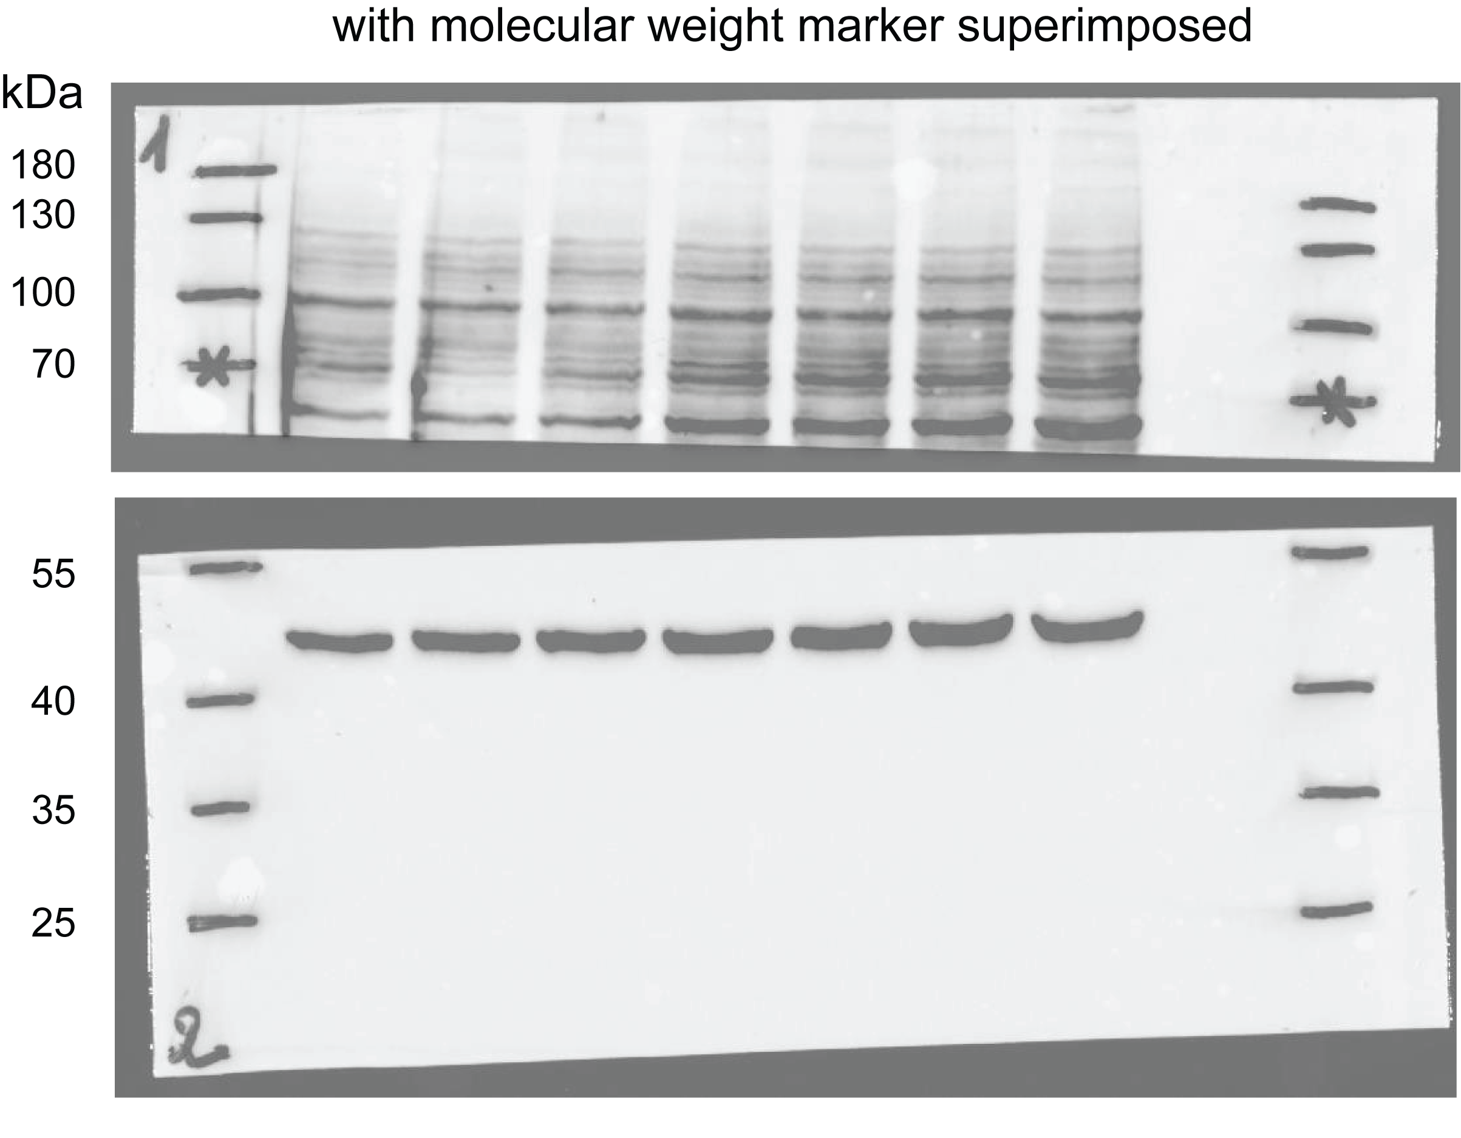
 | M4 | 3674067 | 4892766 | 0.75091819229 | 2.15

 | Mean | DNTTIP2/Actin | SD | t-student
 | WT | 0.96540767377 | 0.1969246378 | 0.18001028096
 | DR mutants | 0.7568273908 | 0.082404261127

Suppl. Fig. 6b
Suppl. Fig. 6b

 | OD at 490 nm |  |  |  |  | Average OD at 490 nm |  |  |  | SD
1500 cells | Day 1 | Day 2 | Day 3 | Day 4 |  | Day 1 | Day 2 | Day 3 | Day 4 | Day 1 | Day 2 | Day 3 | Day 4
C1 | 0.058 | 0.228 | 0.583 | 0.929 | C1 | 0.056600000 | 0.253200000 | 0.642800000 | 1.067333333 | 0.0057420752844 | 0.041241795721 | 0.10415249808 | 0.089122441191
 | 0.063 | 0.343 | 0.819 | 1.087 | C2 | 0.056666667 | 0.242666667 | 0.695733333 | 1.157533333 | 0.0093935134661 | 0.078473532086 | 0.076511872717 | 0.12936209793
 | 0.055 | 0.339 | 0.758 | 1.094 | M1 | 0.034000000 | 0.098533333 | 0.230466667 | 0.479066667 | 0.0083580585579 | 0.020173768919 | 0.053895224632 | 0.079691787233
C1 | 0.069 | 0.278 | 0.601 | 1.120 | M2 | 0.057333333 | 0.165333333 | 0.375666667 | 0.737333333 | No biological replicates
 | 0.059 | 0.221 | 0.637 | 1.222 | M3 | 0.042000000 | 0.115666667 | 0.283500000 | 0.581916667 | 0.0070323925839 | 0.022247914441 | 0.070027916511 | 0.10545956427
 | 0.060 | 0.224 | 0.624 | 1.150 | M4 | 0.045666667 | 0.135400000 | 0.310400000 | 0.711533333 | 0.0095668076976 | 0.024479729224 | 0.053280658512 | 0.058377914937
C1 | 0.056 | 0.217 | 0.492 | 0.931
 | 0.054 | 0.269 | 0.805 | 1.171
 | 0.056 | 0.259 | 0.647 | 1.121
C1 | 0.054 | 0.226 | 0.647 | 1.048
 | 0.061 | 0.268 | 0.706 | 1.099
 | 0.057 | 0.250 | 0.697 | 1.085
C1 | 0.051 | 0.222 | 0.441 | 0.941
 | 0.044 | 0.214 | 0.588 | 1.001
 | 0.052 | 0.240 | 0.597 | 1.011

C2 | 0.055 | 0.323 | 0.671 | 1.048
 | 0.062 | 0.299 | 0.695 | 1.056
 | 0.067 | 0.360 | 0.766 | 1.007
C2 | 0.062 | 0.272 | 0.517 | 1.361
 | 0.064 | 0.239 | 0.814 | 1.271
 | 0.059 | 0.207 | 0.649 | 1.343
C2 | 0.066 | 0.209 | 0.752 | 1.311
 | 0.064 | 0.247 | 0.772 | 1.321
 | 0.067 | 0.251 | 0.782 | 1.151
C2 | 0.052 | 0.261 | 0.728 | 1.167
 | 0.052 | 0.254 | 0.638 | 1.116
 | 0.034 | 0.236 | 0.645 | 1.098
C2 | 0.046 | 0.236 | 0.626 | 1.011
 | 0.049 | 0.246 | 0.691 | 1.071
 | 0.051 | 0.000 | 0.690 | 1.031

M1 | 0.029 | 0.077 | 0.245 | 0.578
 | 0.036 | 0.095 | 0.288 | 0.580
 | 0.033 | 0.095 | 0.268 | 0.560
M1 | 0.047 | 0.125 | 0.254 | 0.516
 | 0.046 | 0.119 | 0.318 | 0.526
 | 0.045 | 0.107 | 0.312 | 0.561
M1 | 0.037 | 0.080 | 0.167 | 0.372
 | 0.031 | 0.083 | 0.210 | 0.420
 | 0.030 | 0.096 | 0.212 | 0.446
M1 | 0.038 | 0.110 | 0.240 | 0.469
 | 0.035 | 0.109 | 0.223 | 0.509
 | 0.036 | 0.109 | 0.240 | 0.520
M1 | 0.027 | 0.068 | 0.135 | 0.371
 | 0.017 | 0.070 | 0.170 | 0.350
 | 0.023 | 0.135 | 0.175 | 0.408

M2 | 0.049 | 0.164 | 0.393 | 0.738
 | 0.046 | 0.165 | 0.368 | 0.737
 | 0.077 | 0.167 | 0.366 | 0.737

M3 | 0.039 | 0.094 | 0.192 | 0.471
 | 0.035 | 0.097 | 0.287 | 0.448
 | 0.036 | 0.080 | 0.236 | 0.442
M3 | 0.041 | 0.103 | 0.282 | 0.615
 | 0.035 | 0.127 | 0.290 | 0.611
 | 0.045 | 0.127 | 0.336 | 0.604
M3 | 0.038 | 0.118 | 0.181 | 0.538
 | 0.040 | 0.108 | 0.247 | 0.512
 | 0.039 | 0.116 | 0.239 | 0.568
M3 | 0.051 | 0.159 | 0.325 | 0.720
 | 0.047 | 0.147 | 0.413 | 0.758
 | 0.058 | 0.112 | 0.374 | 0.696

M4 | 0.039 | 0.108 | 0.275 | 0.620
 | 0.036 | 0.116 | 0.305 | 0.673
 | 0.033 | 0.098 | 0.261 | 0.668
M4 | 0.047 | 0.142 | 0.230 | 0.714
 | 0.062 | 0.159 | 0.337 | 0.751
 | 0.049 | 0.148 | 0.298 | 0.694
M4 | 0.056 | 0.139 | 0.357 | 0.729
 | 0.059 | 0.153 | 0.413 | 0.782
 | 0.061 | 0.155 | 0.389 | 0.719
M4 | 0.039 | 0.140 | 0.229 | 0.732
 | 0.041 | 0.123 | 0.314 | 0.678
 | 0.042 | 0.111 | 0.285 | 0.649
M4 | 0.043 | 0.122 | 0.294 | 0.861
 | 0.041 | 0.124 | 0.358 | 0.721
 | 0.037 | 0.193 | 0.311 | 0.682

Suppl. Fig. 6c
Suppl. Fig. 6c

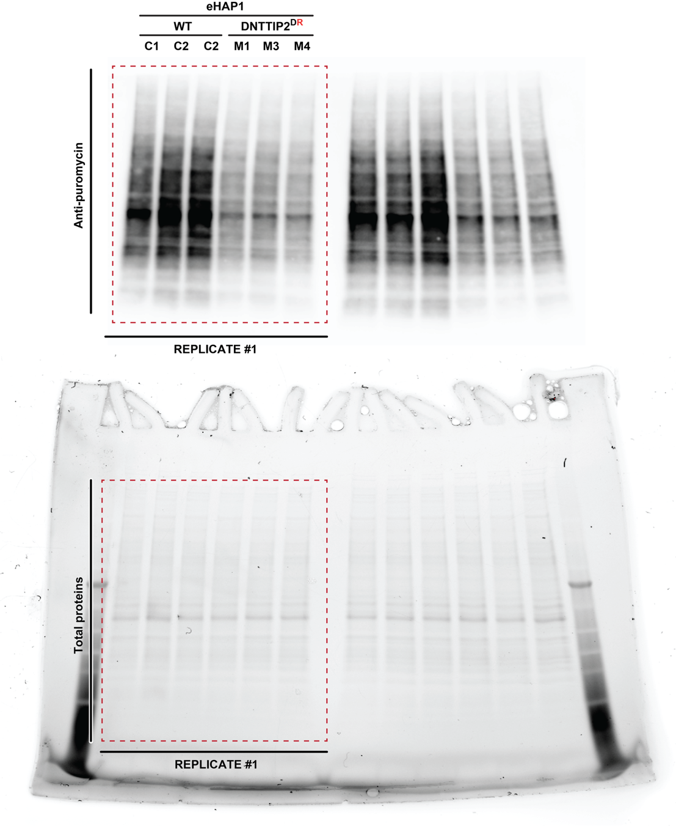
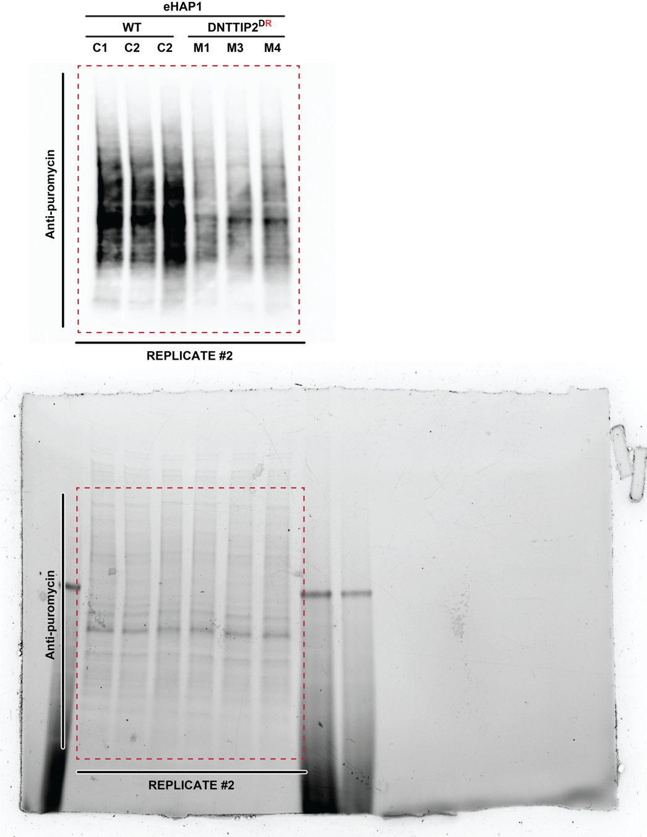
 | Puromycin #1
 |  |  |  |  |  | Puromycin #1 | Puromycin #2 | Points
 | Sample | Adj. Total Lane Vol. (Int) | Total Lane Vol. (Int) | Bkgd. Vol. (Int) | C1 | 3.6983079674 | 0.25491099139 | 0.85
 | C1 | 33658350 | 429685278 | 396026928 | C2 | 4.4374030853 | 0.2383108789 | 0.9
 | C2 | 44717376 | 515803992 | 471086616 | C2 | 4.912234937 | 0.29005542842 | 1.15
 | C2 | 48035328 | 530197932 | 482162604 | M1 | 2.5529119437 | 0.14497062882 | 1.85
 | M1 | 19214250 | 262151604 | 242937354 | M3 | 2.7350297588 | 0.14342698944 | 1.9
 | M3 | 18675624 | 272750148 | 254074524 | M4 | 2.3544561059 | 0.17027975208 | 2.15
 | M4 | 18854748 | 231138006 | 212283258

 | Total proteins #1 |  |  |  | WT | 4.349315330 | 0.2610924329
 |  |  |  |  | DNTTIP2 D492R | 2.5474659361 | 0.15289245678
 | Sample | Adj. Total Lane Vol. (Int) | Total Lane Vol. (Int) | Bkgd. Vol. (Int)
 | C1 | 2624094 | 116184288 | 113560194 | SD WT | 0.611738720 | 0.02642030
 | C2 | 2742696 | 116240058 | 113497362 | SD DNTTIP2 D492R | 0.19034526676 | 0.015077607039
 | C2 | 1168002 | 107934156 | 106766154
 | M1 | 1087812 | 102687288 | 101599476 | t-student test | 0.024117588063 | 0.0022226248665
 | M3 | 1593570 | 99724746 | 98131176 |  | * | **
 | M4 | 2699532 | 98170446 | 95470914

 | Puromycin #2

 | Sample | Adj. Total Lane Vol. (Int) | Total Lane Vol. (Int) | Bkgd. Vol. (Int)
 | C1 | 5772648 | 56229072 | 50456424
 | C2 | 3331968 | 47802192 | 44470224
 | C2 | 7285032 | 58608456 | 51323424
 | M1 | 2265288 | 28202832 | 25937544
 | M3 | 1862592 | 27384024 | 25521432
 | M4 | 3629688 | 32848464 | 29218776

 | Total proteins #2

 | Sample | Adj. Total Lane Vol. (Int) | Total Lane Vol. (Int) | Bkgd. Vol. (Int)
 | C1 | 4227912 | 220583160 | 216355248
 | C2 | 5391288 | 200587536 | 195196248
 | C2 | 3637296 | 202059504 | 198422208
 | M1 | 2422800 | 194541696 | 192118896
 | M3 | 5712984 | 190926576 | 185213592
 | M4 | 7380432 | 192908808 | 185528376

Suppl. Fig. 6d
Suppl. Fig. 6d
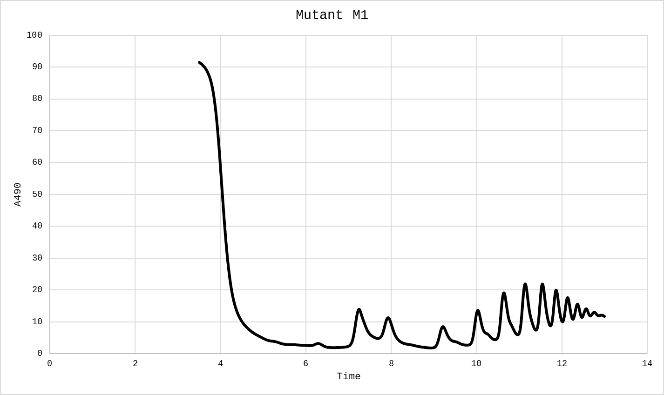
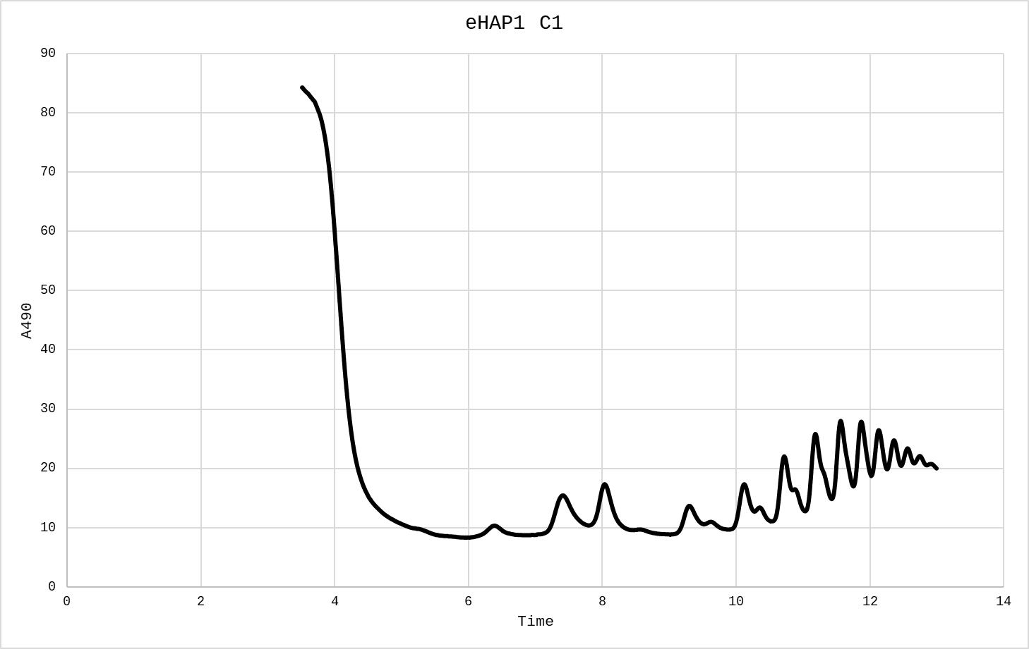
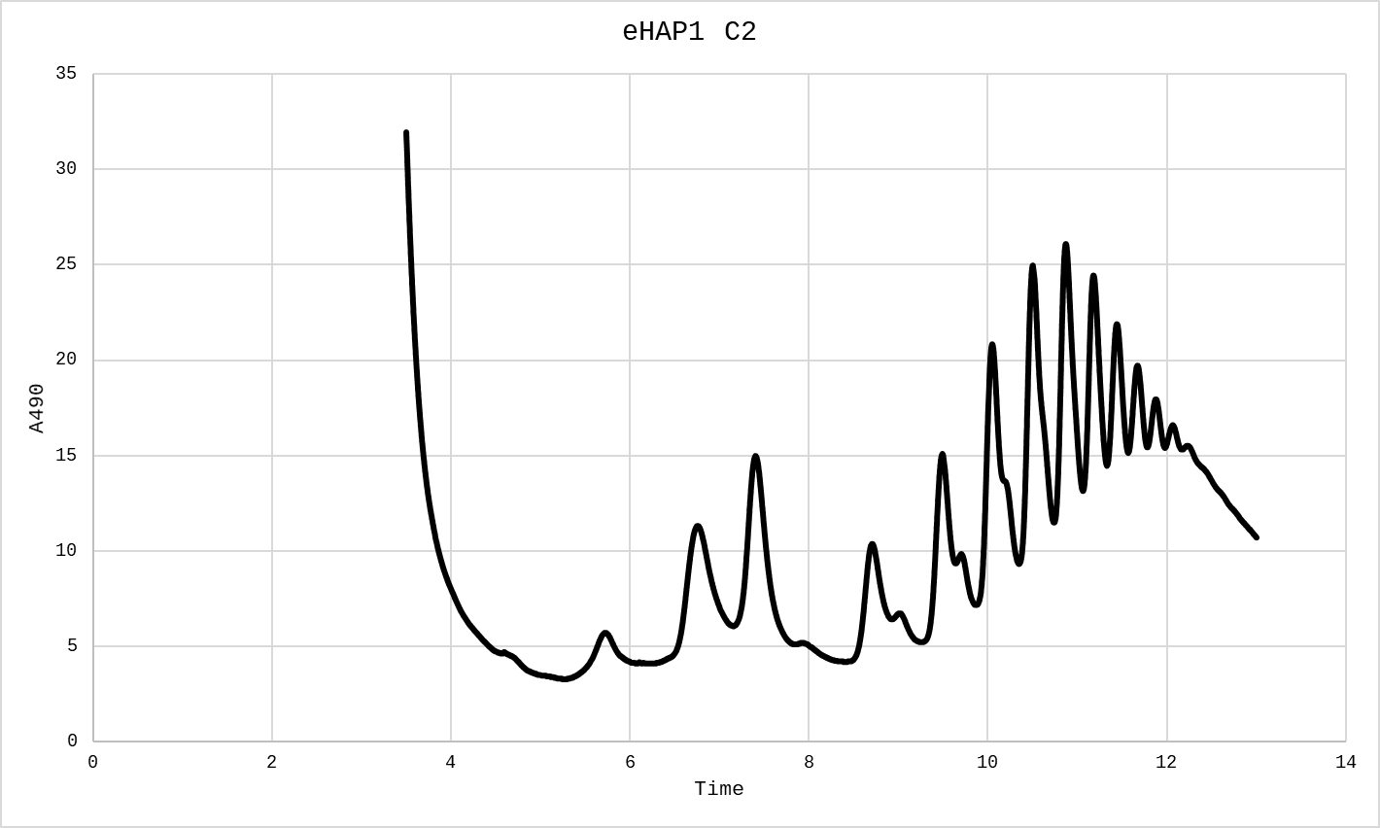
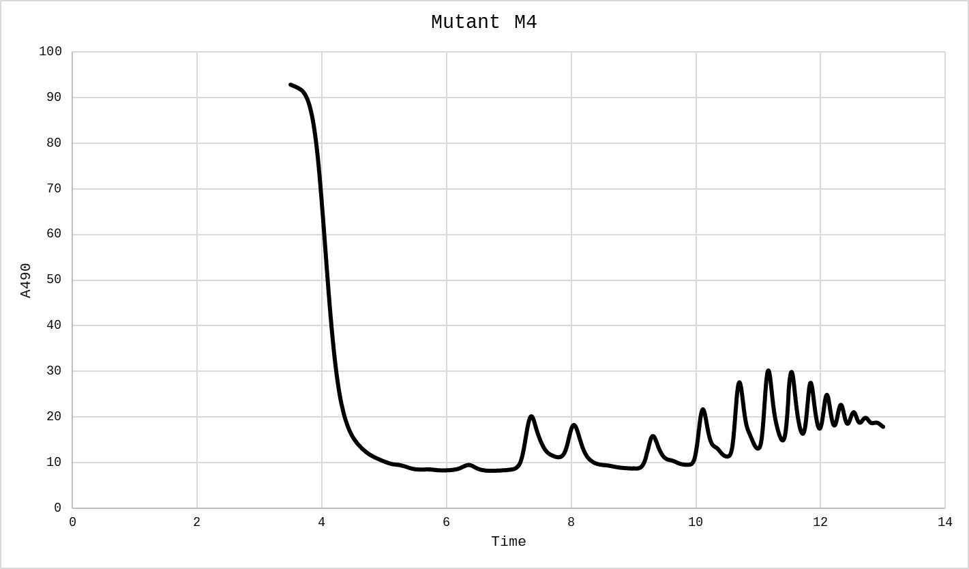

C1 | 40S | 60S | 40S/60S | C2 | 40S | 60S | 40S/60S | M1 | 40S | 60S | 40S/60S | M4 | 40S | 60S | 40S/60S
minus | 8.323959 | 8.8113990 |  | minus | 3.337083 | 4.161980 |  | minus | 2.662167 | 1.987252 |  | minus | 8.361455 | 8.286464
plus | 10.311210 | 15.335580 |  | plus | 5.736783 | 11.32358 |  | plus | 3.262092 | 13.98575 |  | plus | 9.523809 | 20.17248
minus | 8.736408 | 10.386200 |  | minus | 4.124485 | 6.074241 |  | minus | 1.987252 | 4.874391 |  | minus | 8.286464 | 11.21110
height | 1.7810265 | 5.7367805 | 0.31045749441 | height | 2.005999 | 6.2054695 | 0.32326305044 | height | 0.9373825 | 10.5549285 | 0.088809933672 | height | 1.1998495 | 10.423698 | 0.11510785328

Suppl. Fig. 7a
Suppl. Fig. 7a

 | 1 | 1 | ~ | 1 |  | 5150.42 | 32.30 | ------- |  | ------- | 11.07 | 159.46
 | 1 | 2 | ~ | 2 |  | 6527.06 | 32.30 | ------- |  | ------- | 14.03 | 202.08
 | 1 | 3 | ~ | 3 |  | 8453.70 | 32.30 | ------- |  | ------- | 18.17 | 261.72
 | 1 | 4 | ~ | 4 |  | 9447.97 | 32.30 | ------- |  | ------- | 20.31 | 292.51
 | 1 | 5 | ~ | 5 |  | 9776.53 | 32.30 | ------- |  | ------- | 21.01 | 302.68
 | 1 | 6 | ~ | 6 |  | 7169.27 | 32.30 | ------- |  | ------- | 15.41 | 221.96

 |  | 47S | 7SL1
 | C1 | 5150.42 | 187250.12
 | C2 | 6527.06 | 191639.95
 | M1 | 8453.7 | 209478.76
 | M2 | 9447.97 | 190871.51
 | M3 | 9776.53 | 211450.41
 | M4 | 7169.27 | 206156.56

 |  | 47S/7SL1 |  |  | 47S/7SL1
 | C1 | 0.027505563147 |  |  | 0.03078226838
 | C2 | 0.034058973612 |  |  | 0.042716603229
 | M1 | 0.040355881427
 | M2 | 0.049499110684 |  | SD | 0.0046339609793
 | M3 | 0.046235568898 |  |  | 0.0065067673941
 | M4 | 0.034775851906 |  | Tstudent | 0.043254488587
 |  |  |  |  | *

 |  |  | X values | Y values |  |  | X values | Y Values | STD
 | CTRL | C1 | 0.8 | 0.027505563147 |  | CTRL | 1 | 0.03078226838 | 0.0046339609793
 |  | C2 | 1.2 | 0.034058973612 |  | DNTTIP2DR | 2 | 0.042716603229 | 0.0065067673941
 | DNTTIP2DR | M1 | 1.75 | 0.040355881427
 |  | M2 | 1.8 | 0.049499110684
 |  | M3 | 2.15 | 0.046235568898
 |  | M4 | 2.2 | 0.034775851906

Suppl. Fig. 7b
Suppl. Fig. 7b |  |  |  |  |  |  |  | Mean 30S/7SL1 | MUT/CTRL
 |  | 47-45S/7SL1 | 41S/7SL1 | 30S/7SL1 | 26S/7SL1 | 21S/7SL1 | 18S-E/7SL1
 | C1 | 10.160389546 | 2.9983172166 | 6.3301716499 | 0.72631198923 | 3.0458946351 | 7.0861352373 | 5.5065739525
 | C2 | 11.6456365 | 3.6504677014 | 4.6829762552 | 0.72524706677 | 3.0171426893 | 7.2588026256
 | M1 | 17.795900481 | 6.4658706482 | 5.6352290773 | 1.2118820836 | 6.7124692817 | 8.1700770895 | 4.9254273513 | 0.89446312604
 | M2 | 16.881696743 | 5.7947014362 | 5.4676241511 | 1.1486871891 | 5.1335255976 | 7.2363922958
 | M3 | 14.965859504 | 5.4075099227 | 4.332343964 | 0.91568019869 | 5.3648422812 | 6.77177483
 | M4 | 14.237880659 | 5.6782044456 | 4.2665122128 | 0.9366588118 | 5.5326279059 | 7.1336469615

 |  | 47-45S/7SL1 | 41S/7SL1 | 30S/7SL1 | 26S/7SL1 | 21S/7SL1 | 18S-E/7SL1 | Mean 30S/7SL1 | MUT/WT Ratios |  | Mean 21S/7SL1 | MUT/WT Ratios |  | Mean 18S-E/7SL1
 | C1 | 4.0015545393 | 2.2658859326 | 4.0785893716 | 0.77109574016 | 2.5778507996 | 4.0517730151 | 4.2540170845 |  |  | 2.598785496 |  |  | 3.9729717077
 | C2 | 5.3490051468 | 2.4745084325 | 4.4294447974 | 0.73306039794 | 2.6197201924 | 3.8941704003
 | M1 | 4.4813064648 | 2.5891188576 | 3.4386066546 | 0.99423881316 | 4.102514016 | 3.8169315057 | 4.0744642597 | 0.9577921712 |  | 4.781938489 | 1.8400666374 |  | 4.5529435973
 | M2 | 8.1897139975 | 3.3483076923 | 5.1596569987 | 1.1136625473 | 4.9823636822 | 4.8890814628
 | M3 | 6.1289436264 | 3.067904816 | 4.1735834807 | 1.084547652 | 5.5759243343 | 4.9369137786
 | M4 | 3.789042831 | 2.58878055 | 3.5260099049 | 1.2516599567 | 4.4669519234 | 4.568847642

 |  | 47-45S/7SL1 | 41S/7SL1 | 30S/7SL1 | 26S/7SL1 | 21S/7SL1 | 18S-E/7SL1
 | C1 | 8.4468693584 | 5.2352162693 | 8.3548025519 | 1.7282866411 | 4.4394351541 | 7.8214638643 | 10.846457892 |  |  | 5.2736728812 |  |  | 8.9639302104
 | C2 | 15.711696155 | 7.7534472835 | 13.338113233 | 2.224918041 | 6.1079106084 | 10.106396556
 | M1 | 11.09538172 | 6.9007023891 | 8.6933185907 | 2.5139416482 | 7.6642789027 | 7.5546529716 | 11.484597708 | 1.0588339366 |  | 9.3654806052 | 1.775893351 |  | 9.2861735225
 | M2 | 27.081653991 | 11.066925179 | 16.900171382 | 3.2170408725 | 11.324124795 | 12.178341372
 | M3 | 18.567686326 | 9.3353027093 | 12.505198412 | 2.8859805394 | 11.115607579 | 10.251194174
 | M4 | 8.4155216313 | 6.0714285714 | 7.839702448 | 2.6219275424 | 7.3579111449 | 7.1605055722

 |  | 47-45S/7SL1 | 41S/7SL1 | 30S/7SL1 | 26S/7SL1 | 21S/7SL1 | 18S-E/7SL1
 | C1 | 11.618242101 | 7.203429333 | 7.1552138864 | 2.0980171629 | 5.8566733845 | 11.036490703 | 7.377897102 |  |  | 5.9611612885 |  |  | 11.171534323
 | C2 | 16.763808289 | 7.9753334706 | 7.6005803177 | 1.6880065664 | 6.0656491925 | 11.306577943
 | M1 | 15.359878801 | 8.3466464233 | 8.3863795507 | 2.4784270354 | 9.4485429332 | 8.3065991741 | 8.7596148661 | 1.1872779933 |  | 9.7332760976 | 1.6327818736 |  | 8.3469001163
 | M2 | 24.509398385 | 10.661445996 | 10.486461218 | 2.7507984208 | 11.696109049 | 9.0508789504
 | M3 | 28.344564004 | 10.594017192 | 10.990283577 | 2.5915737469 | 12.280969424 | 10.644071491
 | M4 | 6.3307700394 | 5.1081951593 | 5.1753351182 | 2.1460003892 | 5.5074829841 | 5.3860508498

 |  | 47-45S/7SL1 | 41S/7SL1 | 30S/7SL1 | 26S/7SL1 | 21S/7SL1 | 18S-E/7SL1
 | C1 | 0.12108990905 | 0.034420538689 | 0.074093303652 | 0.0080562298171 | 0.034247668306 | 0.094367629778 | 0.066066044703 |  |  | 0.035021641995 |  |  | 0.096072342568
 | C2 | 0.14488257798 | 0.044166312922 | 0.058038785754 | 0.0078748194205 | 0.035795615685 | 0.097777055358
 | M1 | 0.13935336451 | 0.049366341485 | 0.043995582177 | 0.0082307151331 | 0.049384577224 | 0.071362414022 | 0.045116645715 | 0.68290217642 |  | 0.048187972533 | 1.3759484076 |  | 0.072284483364
 | M2 | 0.17697371389 | 0.058220894255 | 0.054296840843 | 0.01043827861 | 0.046930000187 | 0.079596321106
 | M3 | 0.15722121324 | 0.055537560793 | 0.043102446574 | 0.0084463302767 | 0.050179992557 | 0.071913977372
 | M4 | 0.14044772575 | 0.053051865049 | 0.039071713265 | 0.008008622185 | 0.046257320165 | 0.066265220956

 |  | 47-45S | 41S | 30S | 26S | 21S | 18S-E |  |  | X values | Y values |  |  | X values | Y values | STD
 | CTRL | 0.13298624351 | 0.039293425805 | 0.066066044703 | 0.0079655246188 | 0.035021641995 | 0.096072342568 | CTRL 47S-45S | C1 | 0.8 | 0.12108990905 |  | CTRL 47S-45S | 1 | 0.13298624351 | 0.016823957545
 | DNTTIP2DR | 0.15349900435 | 0.054044165395 | 0.045116645715 | 0.0087809865511 | 0.048187972533 | 0.072284483364 |  | C2 | 1.2 | 0.14488257798 |  | DNTTIP2DR 47S-45S | 2 | 0.15349900435 | 0.01765740474
 | SD Controls | 0.016823957545 | 0.0068913030478 | 0.011352258474 | 0.00012827652163 | 0.0010945640883 | 0.0024108279479 | DNTTIP2DR 47S-45S | M1 | 1.8 | 0.13935336451 |  | CTRL 41S | 3 | 0.039293425805 | 0.0068913030478
 | SD Mutants | 0.01765740474 | 0.003765722166 | 0.0064841080743 | 0.00111921954 | 0.0018894372666 | 0.0054979383306 |  | M2 | 1.9 | 0.17697371389 |  | DNTTIP2DR 41S | 4 | 0.054044165395 | 0.003765722166
 | T test | 0.1231304545 | 0.011479206162 | 0.019396358348 | 0.19363220952 | 0.00045765843513 | 0.0025082455658 |  | M3 | 2.2 | 0.15722121324 |  | CTRL 30S | 5 | 0.066066044703 | 0.011352258474
 |  |  | * | * |  | *** | ** |  | M4 | 2.25 | 0.14044772575 |  | DNTTIP2DR 30S | 6 | 0.045116645715 | 0.0064841080743
 |  |  |  |  |  |  |  | CTRL 41S | C1 | 2.8 | 0.034420538689 |  | CTRL 26S | 7 | 0.0079655246188 | 0.00012827652163
 |  |  |  |  |  |  |  |  | C2 | 3.25 | 0.044166312922 |  | DNTTIP2DR 26S | 8 | 0.0087809865511 | 0.00111921954
 |  |  |  |  |  |  |  | DNTTIP2DR 41S | M1 | 3.8 | 0.049366341485 |  | CTRL 21S | 9 | 0.035021641995 | 0.0010945640883
 |  |  |  |  |  |  |  |  | M2 | 3.85 | 0.058220894255 |  | DNTTIP2DR 21S | 10 | 0.048187972533 | 0.0018894372666
 |  |  |  |  |  |  |  |  | M3 | 4.18 | 0.055537560793 |  | CTRL 18S-E | 11 | 0.096072342568 | 0.0024108279479
 |  |  |  |  |  |  |  |  | M4 | 4.3 | 0.053051865049 |  | DNTTIP2DR 18S-E | 12 | 0.072284483364 | 0.0054979383306
 |  |  |  |  |  |  |  | CTRL 30S | C1 | 4.8 | 0.074093303652
 |  |  |  |  |  |  |  |  | C2 | 5.2 | 0.058038785754
 |  |  |  |  |  |  |  | DNTTIP2DR 30S | M1 | 5.8 | 0.043995582177
 |  |  |  |  |  |  |  |  | M2 | 5.9 | 0.054296840843
 |  |  |  |  |  |  |  |  | M3 | 6.2 | 0.043102446574
 |  |  |  |  |  |  |  |  | M4 | 6.25 | 0.039071713265
 |  |  |  |  |  |  |  | CTRL 26S | C1 | 6.8 | 0.0080562298171
 |  |  |  |  |  |  |  |  | C2 | 7.25 | 0.0078748194205
 |  |  |  |  |  |  |  | DNTTIP2DR 26S | M1 | 7.75 | 0.0082307151331
 |  |  |  |  |  |  |  |  | M2 | 7.9 | 0.01043827861
 |  |  |  |  |  |  |  |  | M3 | 8.2 | 0.0084463302767
 |  |  |  |  |  |  |  |  | M4 | 8.3 | 0.008008622185
 |  |  |  |  |  |  |  | CTRL 21S | C1 | 8.8 | 0.034247668306
 |  |  |  |  |  |  |  |  | C2 | 9.2 | 0.035795615685
 |  |  |  |  |  |  |  | DNTTIP2DR 21S | M1 | 9.78 | 0.049384577224
 |  |  |  |  |  |  |  |  | M2 | 9.9 | 0.046930000187
 |  |  |  |  |  |  |  |  | M3 | 10.2 | 0.050179992557
 |  |  |  |  |  |  |  |  | M4 | 10.25 | 0.046257320165
 |  |  |  |  |  |  |  | CTRL 18S-E | C1 | 10.8 | 0.094367629778
 |  |  |  |  |  |  |  |  | C2 | 11.25 | 0.097777055358
 |  |  |  |  |  |  |  | DNTTIP2DR 18S-E | M1 | 11.8 | 0.071362414022
 |  |  |  |  |  |  |  |  | M2 | 11.85 | 0.079596321106
 |  |  |  |  |  |  |  |  | M3 | 12.2 | 0.071913977372
 |  |  |  |  |  |  |  |  | M4 | 12.25 | 0.066265220956

Suppl. Fig. 7c
Suppl. Fig. 7c

 | 1 | 1 | ~ | 1 |  | 51007.60 | 31.92 | ------- | ------- |  | 8.30 | 1597.98
 | 1 | 2 | ~ | 2 |  | 59756.49 | 31.92 | ------- | ------- |  | 9.72 | 1872.07
 | 1 | 3 | ~ | 3 |  | 74536.74 | 31.92 | ------- | ------- |  | 12.12 | 2335.11
 | 1 | 4 | ~ | 4 |  | 76629.46 | 31.92 | ------- | ------- |  | 12.46 | 2400.67
 | 1 | 5 | ~ | 5 |  | 73982.45 | 31.92 | ------- | ------- |  | 12.03 | 2317.75
 | 1 | 6 | ~ | 6 |  | 71417.68 | 31.92 | ------- | ------- |  | 11.61 | 2237.40
 | 1 | 7 | ~ | 7 |  | 34823.95 | 22.96 | ------- | ------- |  | 5.66 | 1516.72
 | 1 | 8 | ~ | 8 |  | 26105.85 | 22.96 | ------- | ------- |  | 4.25 | 1137.01
 | 1 | 9 | ~ | 9 |  | 25280.88 | 22.96 | ------- | ------- |  | 4.11 | 1101.08
 | 1 | 10 | ~ | 10 |  | 26316.94 | 22.96 | ------- | ------- |  | 4.28 | 1146.21
 | 1 | 11 | ~ | 11 |  | 22730.82 | 22.96 | ------- | ------- |  | 3.70 | 990.02
 | 1 | 12 | ~ | 12 |  | 22895.02 | 22.96 | ------- | ------- |  | 3.72 | 997.17
 | 1 | 13 | ~ | 13 |  | 3132.90 | 22.96 | ------- | ------- |  | 0.51 | 136.45
 | 1 | 14 | ~ | 14 |  | 2967.38 | 22.96 | ------- | ------- |  | 0.48 | 129.24
 | 1 | 15 | ~ | 15 |  | 10571.08 | 22.96 | ------- | ------- |  | 1.72 | 460.41
 | 1 | 16 | ~ | 16 |  | 11665.30 | 22.96 | ------- | ------- |  | 1.90 | 508.07
 | 1 | 17 | ~ | 17 |  | 10276.40 | 22.96 | ------- | ------- |  | 1.67 | 447.58
 | 1 | 18 | ~ | 18 |  | 10812.75 | 22.96 | ------- | ------- |  | 1.76 | 470.94

 |  | 47-45S | 30S | A'-A0 fragment | 7SL1
 | C1 | 51007.6 | 34823.95 | 3132.9 | 3351.59
 | C2 | 59756.49 | 26105.85 | 2967.38 | 3404.95
 | M1 | 74536.74 | 25280.88 | 10571.08 | 2852.53
 | M2 | 76629.46 | 26316.94 | 11665.3 | 3127.64
 | M3 | 73982.45 | 22730.82 | 10276.4 | 3446.64
 | M4 | 71417.68 | 22895.02 | 10812.75 | 3530.72

 | 1 | 1 | ~ | 1 |  | 96876.80 | 27.88 | ------- | ------- |  | 5.65 | 3474.78
 | 1 | 2 | ~ | 2 |  | 154140.96 | 27.88 | ------- | ------- |  | 8.98 | 5528.73
 | 1 | 3 | ~ | 3 |  | 143690.14 | 27.88 | ------- | ------- |  | 8.37 | 5153.88
 | 1 | 4 | ~ | 4 |  | 203347.07 | 27.88 | ------- | ------- |  | 11.85 | 7293.65
 | 1 | 5 | ~ | 5 |  | 154721.69 | 27.88 | ------- | ------- |  | 9.02 | 5549.56
 | 1 | 6 | ~ | 6 |  | 86984.45 | 27.88 | ------- | ------- |  | 5.07 | 3119.96
 | 1 | 7 | ~ | 7 |  | 88515.79 | 22.96 | ------- | ------- |  | 5.16 | 3855.22
 | 1 | 8 | ~ | 8 |  | 122459.29 | 22.96 | ------- | ------- |  | 7.14 | 5333.59
 | 1 | 9 | ~ | 9 |  | 101495.27 | 22.96 | ------- | ------- |  | 5.92 | 4420.53
 | 1 | 10 | ~ | 10 |  | 127224.83 | 22.96 | ------- | ------- |  | 7.41 | 5541.15
 | 1 | 11 | ~ | 11 |  | 102551.76 | 22.96 | ------- | ------- |  | 5.98 | 4466.54
 | 1 | 12 | ~ | 12 |  | 69380.01 | 22.96 | ------- | ------- |  | 4.04 | 3021.78
 | 1 | 13 | ~ | 13 |  | 14134.57 | 24.60 | ------- | ------- |  | 0.82 | 574.58
 | 1 | 14 | ~ | 14 |  | 15691.26 | 24.60 | ------- | ------- |  | 0.91 | 637.86
 | 1 | 15 | ~ | 15 |  | 65091.20 | 24.60 | ------- | ------- |  | 3.79 | 2645.98
 | 1 | 16 | ~ | 16 |  | 60555.74 | 24.60 | ------- | ------- |  | 3.53 | 2461.62
 | 1 | 17 | ~ | 17 |  | 58743.01 | 24.60 | ------- | ------- |  | 3.42 | 2387.93
 | 1 | 18 | ~ | 18 |  | 50251.81 | 24.60 | ------- | ------- |  | 2.93 | 2042.76

 |  | 47-45S | 30S | A'-A0 fragment | 7SL1
 | C1 | 96876.8 | 88515.79 | 14134.57 | 4522.24
 | C2 | 154140.96 | 122459.29 | 15691.26 | 5461.61
 | M1 | 143690.14 | 101495.27 | 65091.2 | 6266.07
 | M2 | 203347.07 | 127224.83 | 60555.74 | 4956.25
 | M3 | 154721.69 | 102551.76 | 58743.01 | 5084.47
 | M4 | 86984.45 | 69380.01 | 50251.81 | 4468.49

 | 1 | 1 | ~ | 1 |  | 12338.00 | 30.71 | ------- | ------- |  | 6.56 | 401.76
 | 1 | 2 | ~ | 2 |  | 17412.58 | 30.71 | ------- | ------- |  | 9.26 | 567.00
 | 1 | 3 | ~ | 3 |  | 14818.58 | 30.71 | ------- | ------- |  | 7.88 | 482.53
 | 1 | 4 | ~ | 4 |  | 23499.67 | 30.71 | ------- | ------- |  | 12.49 | 765.21
 | 1 | 5 | ~ | 5 |  | 17245.45 | 30.71 | ------- | ------- |  | 9.17 | 561.56
 | 1 | 6 | ~ | 6 |  | 11588.69 | 30.71 | ------- | ------- |  | 6.16 | 377.36
 | 1 | 7 | ~ | 7 |  | 11664.59 | 27.54 | ------- | ------- |  | 6.20 | 423.55
 | 1 | 8 | ~ | 8 |  | 15092.67 | 27.54 | ------- | ------- |  | 8.02 | 548.03
 | 1 | 9 | ~ | 9 |  | 11112.41 | 27.54 | ------- | ------- |  | 5.91 | 403.50
 | 1 | 10 | ~ | 10 |  | 15719.43 | 27.54 | ------- | ------- |  | 8.36 | 570.79
 | 1 | 11 | ~ | 11 |  | 11600.40 | 27.54 | ------- | ------- |  | 6.17 | 421.22
 | 1 | 12 | ~ | 12 |  | 9823.13 | 27.54 | ------- | ------- |  | 5.22 | 356.69
 | 1 | 13 | ~ | 13 |  | 1101.29 | 23.49 | ------- | ------- |  | 0.59 | 46.88
 | 1 | 14 | ~ | 14 |  | 1104.91 | 23.49 | ------- | ------- |  | 0.59 | 47.04
 | 1 | 15 | ~ | 15 |  | 3523.84 | 23.49 | ------- | ------- |  | 1.87 | 150.01
 | 1 | 16 | ~ | 16 |  | 3390.63 | 23.49 | ------- | ------- |  | 1.80 | 144.34
 | 1 | 17 | ~ | 17 |  | 3235.77 | 23.49 | ------- | ------- |  | 1.72 | 137.75
 | 1 | 18 | ~ | 18 |  | 3825.19 | 23.49 | ------- | ------- |  | 2.03 | 162.84

 |  | 47-45S | 30S | A'-A0 fragment | 7SL1
 | C1 | 12338 | 11664.59 | 1101.29 | 2863.79
 | C2 | 17412.58 | 15092.67 | 1104.91 | 2397.54
 | M1 | 14818.58 | 11112.41 | 3523.84 | 3156.37
 | M2 | 23499.67 | 15719.43 | 3390.63 | 2199.77
 | M3 | 17245.45 | 11600.4 | 3235.77 | 2430.55
 | M4 | 11588.69 | 9823.13 | 3825.19 | 3605.42

 | 1 | 1 | ~ | 1 |  | 13783.99 | 36.96 | ------- | ------- |  | 7.06 | 372.94
 | 1 | 2 | ~ | 2 |  | 21224.35 | 36.96 | ------- | ------- |  | 10.88 | 574.25
 | 1 | 3 | ~ | 3 |  | 18455.39 | 36.96 | ------- | ------- |  | 9.46 | 499.33
 | 1 | 4 | ~ | 4 |  | 23957.63 | 36.96 | ------- | ------- |  | 12.28 | 648.20
 | 1 | 5 | ~ | 5 |  | 27418.03 | 36.96 | ------- | ------- |  | 14.05 | 741.83
 | 1 | 6 | ~ | 6 |  | 10909.68 | 36.96 | ------- | ------- |  | 5.59 | 295.18
 | 1 | 7 | ~ | 7 |  | 9014.82 | 30.24 | ------- | ------- |  | 4.62 | 298.11
 | 1 | 8 | ~ | 8 |  | 10723.99 | 30.24 | ------- | ------- |  | 5.50 | 354.63
 | 1 | 9 | ~ | 9 |  | 10875.38 | 30.24 | ------- | ------- |  | 5.57 | 359.64
 | 1 | 10 | ~ | 10 |  | 11938.66 | 30.24 | ------- | ------- |  | 6.12 | 394.80
 | 1 | 11 | ~ | 11 |  | 12733.60 | 30.24 | ------- | ------- |  | 6.53 | 421.08
 | 1 | 12 | ~ | 12 |  | 8941.68 | 30.24 | ------- | ------- |  | 4.58 | 295.69
 | 1 | 13 | ~ | 13 |  | 1229.36 | 25.20 | ------- | ------- |  | 0.63 | 48.78
 | 1 | 14 | ~ | 14 |  | 1073.58 | 25.20 | ------- | ------- |  | 0.55 | 42.60
 | 1 | 15 | ~ | 15 |  | 3208.34 | 25.20 | ------- | ------- |  | 1.64 | 127.31
 | 1 | 16 | ~ | 16 |  | 3114.87 | 25.20 | ------- | ------- |  | 1.60 | 123.61
 | 1 | 17 | ~ | 17 |  | 3265.52 | 25.20 | ------- | ------- |  | 1.67 | 129.58
 | 1 | 18 | ~ | 18 |  | 3276.79 | 25.20 | ------- | ------- |  | 1.68 | 130.03

 |  | 47-45S | 30S | A'-A0 fragment | 7SL1
 | C1 | 13783.99 | 9014.82 | 1229.36 | 3076.4
 | C2 | 21224.35 | 10723.99 | 1073.58 | 3301.64
 | M1 | 18455.39 | 10875.38 | 3208.34 | 3056.14
 | M2 | 23957.63 | 11938.66 | 3114.87 | 2545.65
 | M3 | 27418.03 | 12733.6 | 3265.52 | 2615.16
 | M4 | 10909.68 | 8941.68 | 3276.79 | 4470.81

 | 1 | 1 | ~ | 1 |  | 81865.58 | 29.16 | ------- | ------- |  | 7.91 | 2807.46
 | 1 | 2 | ~ | 2 |  | 100255.45 | 29.16 | ------- | ------- |  | 9.68 | 3438.12
 | 1 | 3 | ~ | 3 |  | 105356.19 | 29.16 | ------- | ------- |  | 10.18 | 3613.04
 | 1 | 4 | ~ | 4 |  | 123709.27 | 29.16 | ------- | ------- |  | 11.95 | 4242.43
 | 1 | 5 | ~ | 5 |  | 117525.86 | 29.16 | ------- | ------- |  | 11.35 | 4030.38
 | 1 | 6 | ~ | 6 |  | 102990.00 | 29.16 | ------- | ------- |  | 9.95 | 3531.89
 | 1 | 7 | ~ | 7 |  | 61366.16 | 23.49 | ------- | ------- |  | 5.93 | 2612.44
 | 1 | 8 | ~ | 8 |  | 50049.29 | 23.49 | ------- | ------- |  | 4.83 | 2130.66
 | 1 | 9 | ~ | 9 |  | 41860.13 | 23.49 | ------- | ------- |  | 4.04 | 1782.04
 | 1 | 10 | ~ | 10 |  | 48652.25 | 23.49 | ------- | ------- |  | 4.70 | 2071.19
 | 1 | 11 | ~ | 11 |  | 42253.02 | 23.49 | ------- | ------- |  | 4.08 | 1798.77
 | 1 | 12 | ~ | 12 |  | 37557.24 | 23.49 | ------- | ------- |  | 3.63 | 1598.86
 | 1 | 13 | ~ | 13 |  | 7275.87 | 23.49 | ------- | ------- |  | 0.70 | 309.74
 | 1 | 14 | ~ | 14 |  | 8322.75 | 23.49 | ------- | ------- |  | 0.80 | 354.31
 | 1 | 15 | ~ | 15 |  | 25781.78 | 23.49 | ------- | ------- |  | 2.49 | 1097.56
 | 1 | 16 | ~ | 16 |  | 30051.69 | 23.49 | ------- | ------- |  | 2.90 | 1279.34
 | 1 | 17 | ~ | 17 |  | 26194.11 | 23.49 | ------- | ------- |  | 2.53 | 1115.12
 | 1 | 18 | ~ | 18 |  | 24255.17 | 23.49 | ------- | ------- |  | 2.34 | 1032.57

 |  | 47-45S | 30S | A'-A0 fragment | 7SL1
 | C1 | 81865.58 | 61366.16 | 7275.87 | 187250.12
 | C2 | 100255.45 | 50049.29 | 8322.75 | 191639.95
 | M1 | 105356.19 | 41860.13 | 25781.78 | 209478.76
 | M2 | 123709.27 | 48652.25 | 30051.69 | 190871.51
 | M3 | 117525.86 | 42253.02 | 26194.11 | 211450.41
 | M4 | 102990 | 37557.24 | 24255.17 | 206156.56

 |  | 47-45S/7SL1 | 30S/7SL1 | A'-A0 fragment/7SL1
 | C1 | 0.43719907896 | 0.32772294085 | 0.038856423697
 | C2 | 0.52314483488 | 0.2611631343 | 0.043429097117
 | M1 | 0.502944499 | 0.19982994935 | 0.12307586698
 | M2 | 0.64812852374 | 0.25489529579 | 0.15744460763
 | M3 | 0.55580814433 | 0.19982472486 | 0.12387826536
 | M4 | 0.49957178176 | 0.18217824356 | 0.11765412655

 |  | A'-A0 fragment/7SL1
 | C1 | 0.038856423697
 | C2 | 0.043429097117
 | M1 | 0.12307586698
 | M2 | 0.15744460763
 | M3 | 0.12387826536
 | M4 | 0.11765412655

 |  | A'-A0 fragment/7SL1 |  |  |  |  | X values | Y values |  | X values | Y Values | STD
 | Controls | 0.041142760407 |  |  | CTRL | C1 | 0.8 | 0.038856423697 | CTRL | 1 | 0.041142760407 | 0.0032333683834
 | Mutants | 0.13051321663 |  |  |  | C2 | 1.2 | 0.043429097117 | DNTTIP2DR | 2 | 0.13051321663 | 0.018165835765
 |  |  |  |  | DNTTIP2DR | M1 | 1.75 | 0.12307586698
 | SD | 0.0032333683834 |  |  |  | M2 | 1.85 | 0.15744460763
 |  | 0.018165835765 |  |  |  | M3 | 2.15 | 0.12387826536
 |  |  |  |  |  | M4 | 2.25 | 0.11765412655
 | Tstudent | 0.001424369931
 |  | **

Suppl. Fig. 7d
Suppl. Fig. 7d

 |  | 47-45S | 41S | 32S | 12S | 7SL1 |  | 47-45S/7SL1 | 41S/7SL1 | 32S/7SL1 | 12S/7SL1 |  | 47-45S/7SL1 | 41S/7SL1 | 32S/7SL1 | 12S/7SL1
 | C1 | 4809.56 | 1270.93 | 8491.36 | 2361.67 | 3351.59 | C1 | 1.4350084587 | 0.37920211004 | 2.5335318461 | 0.70464167753 | C1 | 100 | 26.425078386 | 176.5517012 | 49.10366021
 | C2 | 5654.97 | 1521.96 | 9671.52 | 3484.71 | 3404.95 | C2 | 1.6608085288 | 0.44698453722 | 2.8404293749 | 1.0234247199 | C2 | 115.73510377 | 31.148564632 | 197.9381625 | 71.318375422
 | M1 | 7159.75 | 2072.62 | 9442.46 | 3457.52 | 2852.53 | M1 | 2.5099648382 | 0.72659007968 | 3.3102053265 | 1.2120889176 | M1 | 174.90941068 | 50.633156571 | 230.67496965 | 84.465628773
 | M2 | 7319.41 | 2109.6 | 10193.67 | 3767.55 | 3127.64 | M2 | 2.3402341702 | 0.67450218056 | 3.2592210101 | 1.2045983553 | M2 | 163.08155928 | 47.003359212 | 227.12207656 | 83.943641449
 | M3 | 7056.45 | 2183.16 | 9095.99 | 3271.66 | 3446.64 | M3 | 2.0473417589 | 0.63341689297 | 2.6390890839 | 0.94923171553 | M3 | 142.6710586 | 44.140289846 | 183.90756291 | 66.148161691
 | M4 | 7154.61 | 2331.64 | 9117.31 | 3583.03 | 3530.72 | M4 | 2.0263883854 | 0.66038655005 | 2.582280668 | 1.014815675 | M4 | 141.2109018 | 46.01969738 | 179.94881162 | 70.718445516

 |  | 47-45S | 41S | 32S | 12S | 7SL1 |  | 47-45S/7SL1 | 41S/7SL1 | 32S/7SL1 | 12S/7SL1 |  | 47-45S/7SL1 | 41S/7SL1 | 32S/7SL1 | 12S/7SL1
 | C1 | 5422.25 | 1886.27 | 11243.58 | 9891.99 | 187250.12 | C1 | 0.028957257811 | 0.010073531595 | 0.060045782614 | 0.052827683101 | C1 | 100 | 34.787588178 | 207.36004426 | 182.43330721
 | C2 | 6576.52 | 2333.81 | 13879.79 | 14781.43 | 191639.95 | C2 | 0.034317061761 | 0.012178097521 | 0.072426391261 | 0.077131255774 | C2 | 118.50936295 | 42.055423895 | 250.11481313 | 266.36243072
 | M1 | 7068.62 | 2786.93 | 12169.64 | 11931.36 | 209478.76 | M1 | 0.033743850689 | 0.013304117324 | 0.058094863651 | 0.056957373626 | M1 | 116.52985552 | 45.943982027 | 200.62280769 | 196.69463869
 | M2 | 8162.98 | 3109.54 | 14775.7 | 13696.88 | 190871.51 | M2 | 0.04276688543 | 0.016291273643 | 0.077411762499 | 0.07175968797 | M2 | 147.68969392 | 56.259725106 | 267.33112301 | 247.81244287
 | M3 | 7776.78 | 2998.91 | 12958.87 | 11952.85 | 211450.41 | M3 | 0.03677826872 | 0.014182568859 | 0.061285622478 | 0.056527911201 | M3 | 127.00881057 | 48.977596398 | 211.64166468 | 195.2115479
 | M4 | 6707.54 | 2907.29 | 11558.23 | 10596.62 | 206156.56 | M4 | 0.032536146315 | 0.014102340474 | 0.056065302991 | 0.051400838276 | M4 | 112.35921069 | 48.700538448 | 193.61399258 | 177.50589027
 |  |  |  |  |  |  |  | 47-45S | 41S | 32S | 12S
 |  |  |  |  |  |  | Mean CTRL | 0.031637159786 | 0.011125814558 | 0.066236086938 | 0.064979469438 | Mean n=2 | 47-45S/7SL1 | 41S/7SL1 | 32S/7SL1 | 12S/7SL1 |  | Mean n=2 | 47-45S/7SL1 | 41S/7SL1 | 32S/7SL1 | 12S/7SL1
 |  |  |  |  |  |  | Mean Mut | 0.036456287789 | 0.014470075075 | 0.063214387905 | 0.059161452768 | C1 | 100 | 30.606333282 | 191.95587273 | 115.76848371 |  | Controls | 108.56111668 | 33.604163773 | 207.99118027 | 142.30444339
 |  |  |  |  |  |  | SD CTRL | 0.0037899537187 | 0.0014881528376 | 0.0087544123296 | 0.017185221044 | C2 | 117.12223336 | 36.601994263 | 224.02648782 | 168.84040307 |  | Mutants | 140.68256263 | 48.459793123 | 211.85787609 | 140.31254964
 |  |  |  |  |  |  | SD Mut | 0.0045699065818 | 0.0012772509882 | 0.0097057461526 | 0.0087699519869 | M1 | 145.7196331 | 48.288569299 | 215.64888867 | 140.58013373
 |  |  |  |  |  |  | Student test | 0.13676222376 | 0.02213202113 | 0.36569910044 | 0.29473275175 | M2 | 155.3856266 | 51.631542159 | 247.22659978 | 165.87804216 |  | SD | 12.107247319 | 4.2395725377 | 22.677349405 | 37.52751407
 |  |  |  |  |  |  |  |  | * |  |  | M3 | 134.83993458 | 46.558943122 | 197.77461379 | 130.67985479 |  |  | 12.501055358 | 2.2294861768 | 26.41013831 | 18.33854945
 |  |  |  |  |  |  |  |  |  |  |  | M4 | 126.78505625 | 47.360117914 | 186.7814021 | 124.11216789
 |  |  |  |  |  |  |  |  |  |  |  | Tstudent | 0.043001596863 | 0.046565541747 | 0.43334230972 | 0.47654072667
 |  |  |  |  |  |  |  |  |  |  |  | SD | 47-45S/7SL1 | 41S/7SL1 | 32S/7SL1 | 12S/7SL1
 |  |  |  |  |  |  |  |  |  |  |  | C1 | 0 | 5.9131873822 | 21.7847883 | 94.278297524
 |  |  |  |  |  |  |  |  |  |  |  | C2 | 1.9616974814 | 7.7123141468 | 36.894463476 | 137.91697413
 |  |  |  |  |  |  |  |  |  |  |  | M1 | 41.280579336 | 3.3157471178 | 21.250087509 | 79.357893958
 |  |  |  |  |  |  |  |  |  |  |  | M2 | 10.883692367 | 6.5452390923 | 28.432089413 | 115.87274071
 |  |  |  |  |  |  |  |  |  |  |  | M3 | 11.074881786 | 3.4204922653 | 19.610971435 | 91.261595589
 |  |  |  |  |  |  |  |  |  |  |  | M4 | 20.401226428 | 1.8956408985 | 9.6627421292 | 75.510126332

 |  |  |  |  |  |  |  |  |  |  |  |  |  |  |  |  |  | X values | Y values |  |  | X values | Y values | STD
 |  |  |  |  |  |  |  |  |  |  |  |  |  |  |  | CTRL 47S-45S | C1 | 0.8 | 0.028957257811 |  | CTRL 47S-45S | 1 | 0.031637159786 | 0.0037899537187
 |  |  |  |  |  |  |  |  |  |  |  |  |  |  |  |  | C2 | 1.2 | 0.034317061761 |  | DNTTIP2DR 47S-45S | 2 | 0.036456287789 | 0.0045699065818
 |  |  |  |  |  |  |  |  |  |  |  |  |  |  |  | DNTTIP2DR 47S-45S | M1 | 1.8 | 0.033743850689 |  | CTRL 41S | 3 | 0.011125814558 | 0.0014881528376
 |  |  |  |  |  |  |  |  |  |  |  |  |  |  |  |  | M2 | 1.9 | 0.04276688543 |  | DNTTIP2DR 41S | 4 | 0.014470075075 | 0.0012772509882
 |  |  |  |  |  |  |  |  |  |  |  |  |  |  |  |  | M3 | 2.2 | 0.03677826872 |  | CTRL 32S | 5 | 0.066236086938 | 0.0087544123296
 |  |  |  |  |  |  |  |  |  |  |  |  |  |  |  |  | M4 | 2.25 | 0.032536146315 |  | DNTTIP2DR 32S | 6 | 0.063214387905 | 0.0097057461526
 |  |  |  |  |  |  |  |  |  |  |  |  |  |  |  | CTRL 41S | C1 | 2.8 | 0.010073531595 |  | CTRL 12S | 7 | 0.064979469438 | 0.017185221044
 |  |  |  |  |  |  |  |  |  |  |  |  |  |  |  |  | C2 | 3.25 | 0.012178097521 |  | DNTTIP2DR 12S | 8 | 0.059161452768 | 0.0087699519869
 |  |  |  |  |  |  |  |  |  |  |  |  |  |  |  | DNTTIP2DR 41S | M1 | 3.8 | 0.013304117324
 |  |  |  |  |  |  |  |  |  |  |  |  |  |  |  |  | M2 | 3.85 | 0.016291273643
 |  |  |  |  |  |  |  |  |  |  |  |  |  |  |  |  | M3 | 4.18 | 0.014182568859
 |  |  |  |  |  |  |  |  |  |  |  |  |  |  |  |  | M4 | 4.3 | 0.014102340474
 |  |  |  |  |  |  |  |  |  |  |  |  |  |  |  | CTRL 32S | C1 | 4.8 | 0.060045782614
 |  |  |  |  |  |  |  |  |  |  |  |  |  |  |  |  | C2 | 5.2 | 0.072426391261
 |  |  |  |  |  |  |  |  |  |  |  |  |  |  |  | DNTTIP2DR 32S | M1 | 5.8 | 0.058094863651
 |  |  |  |  |  |  |  |  |  |  |  |  |  |  |  |  | M2 | 5.9 | 0.077411762499
 |  |  |  |  |  |  |  |  |  |  |  |  |  |  |  |  | M3 | 6.2 | 0.061285622478
 |  |  |  |  |  |  |  |  |  |  |  |  |  |  |  |  | M4 | 6.25 | 0.056065302991
 |  |  |  |  |  |  |  |  |  |  |  |  |  |  |  | CTRL 12S | C1 | 6.8 | 0.052827683101
 |  |  |  |  |  |  |  |  |  |  |  |  |  |  |  |  | C2 | 7.25 | 0.077131255774
 |  |  |  |  |  |  |  |  |  |  |  |  |  |  |  | DNTTIP2DR 12S | M1 | 7.8 | 0.056957373626
 |  |  |  |  |  |  |  |  |  |  |  |  |  |  |  |  | M2 | 7.9 | 0.07175968797
 |  |  |  |  |  |  |  |  |  |  |  |  |  |  |  |  | M3 | 8.15 | 0.056527911201
 |  |  |  |  |  |  |  |  |  |  |  |  |  |  |  |  | M4 | 8.2 | 0.051400838276

Suppl. Fig. 7e
Suppl. Fig. 7e

 |  | 47-45S/7SL1 | 41S/7SL1 | 30S/7SL1 | 26S/7SL1 | 21S/7SL1 | 18S-E/7SL1 |  | 47-45S/7SL1 | 41S/7SL1 | 30S/7SL1 | 26S/7SL1 | 21S/7SL1 | 18S-E/7SL1
 | C1 | 0.13387318362 | 0.035522116616 | 0.082764967782 | 0.010113913531 | 0.029899715748 | 0.056279971195 | C1 | 100 | 26.534153931 | 61.82341044 | 7.5548465028 | 22.334357739 | 42.039764553 | C1 | 100 | 26.534153931 | 61.82341044 | 7.5548465028 | 22.334357739 | 42.039764553
 | C1 siEXOSC10 | 0.12595625197 | 0.066102327981 | 0.039381149204 | 0.011537798616 | 0.038544773399 | 0.049162596018 | C1 siEXOSC10 | 94.086245329 | 49.376825284 | 29.416757066 | 8.6184539003 | 28.792004758 | 36.723259048 |  | 100 | 28.816380836 | 78.611939703 | 7.8827317359 | 29.392637139 | 51.138728862
 | M1 | 0.15421998421 | 0.049596841566 | 0.050665713144 | 0.01205502294 | 0.045138188711 | 0.054872001878 | M1 | 115.19856333 | 37.047629871 | 37.846050846 | 9.0048078441 | 33.717125035 | 40.988045845 |  | 100 | 29.860697638 | 50.984863636 | 7.724350059 | 32.881073837 | 49.09532775
 | M1 siEXOSC10 | 0.12952859102 | 0.041243360746 | 0.051054027409 | 0.011496833132 | 0.06068717798 | 0.033946183257 | M1 siEXOSC10 | 96.754695385 | 30.807783627 | 38.136112122 | 8.587853684 | 45.33184043 | 25.356970185 |  | 100 | 30.186502893 | 56.099065844 | 6.5903484698 | 30.329525241 | 51.558548005
 |  |  |  |  |  |  |  |  |  |  |  |  |  |  | C1 siEXOSC10 | 94.086245329 | 49.376825284 | 29.416757066 | 8.6184539003 | 28.792004758 | 36.723259048
 |  | 47-45S/7SL1 | 41S/7SL1 | 30S/7SL1 | 26S/7SL1 | 21S/7SL1 | 18S-E/7SL1 |  | 47-45S/7SL1 | 41S/7SL1 | 30S/7SL1 | 26S/7SL1 | 21S/7SL1 | 18S-E/7SL1 |  | 90.080263223 | 49.999657723 | 36.859901976 | 9.0498411252 | 38.651673044 | 45.156590656
 | C1 | 2.7183493372 | 0.78332989747 | 2.1369471419 | 0.2142801859 | 0.79899455686 | 1.3901292971 | C1 | 100 | 28.816380836 | 78.611939703 | 7.8827317359 | 29.392637139 | 51.138728862 |  | 83.237625344 | 33.144857899 | 29.000485688 | 7.4090522341 | 29.198322982 | 31.259295268 |  |  |  |  |  |  |  | 0.15
 | C1 siEXOSC10 | 2.4486962383 | 1.3591653643 | 1.0019809011 | 0.24600629625 | 1.050687498 | 1.2275138828 | C1 siEXOSC10 | 90.080263223 | 49.999657723 | 36.859901976 | 9.0498411252 | 38.651673044 | 45.156590656 |  | 103.3743286 | 45.105586911 | 36.624670507 | 8.2592039726 | 46.329491962 | 43.755739823
 | M1 | 3.1629234126 | 1.0769097246 | 1.2350568533 | 0.26626754404 | 1.1628895982 | 1.3280977371 | M1 | 116.35456007 | 39.616310892 | 45.43407414 | 9.7951922658 | 42.779255128 | 48.856771974 | M1 | 115.19856333 | 37.047629871 | 37.846050846 | 9.0048078441 | 33.717125035 | 40.988045845 |  |  |  |  |  |  |  | 0.3
 | M1 siEXOSC10 | 2.6280351274 | 0.87399388532 | 1.2070540773 | 0.24225338096 | 1.4325327592 | 0.7789402851 | M1 siEXOSC10 | 96.677608408 | 32.151639723 | 44.403935165 | 8.9117825161 | 52.698626316 | 28.654900032 |  | 116.35456007 | 39.616310892 | 45.43407414 | 9.7951922658 | 42.779255128 | 48.856771974
 |  |  |  |  |  |  |  |  |  |  |  |  |  |  |  | 97.67479917 | 25.809047706 | 54.292379889 | 8.2422179386 | 33.94271445 | 28.108095372
 |  | 47-45S/7SL1 | 41S/7SL1 | 30S/7SL1 | 26S/7SL1 | 21S/7SL1 | 18S-E/7SL1 |  | 47-45S/7SL1 | 41S/7SL1 | 30S/7SL1 | 26S/7SL1 | 21S/7SL1 | 18S-E/7SL1 |  | 113.81009126 | 32.317763089 | 63.866219479 | 9.1453738047 | 39.869665315 | 34.67872328
 | C1 | 6.7488751901 | 2.0152612145 | 3.4409048126 | 0.52130674472 | 2.2191026344 | 3.313382394 | C1 | 100 | 29.860697638 | 50.984863636 | 7.724350059 | 32.881073837 | 49.09532775 | M1 siEXOSC10 | 96.754695385 | 30.807783627 | 38.136112122 | 8.587853684 | 45.33184043 | 25.356970185
 | C1 siEXOSC10 | 5.6176034456 | 2.2369050915 | 1.9572065836 | 0.50002768805 | 1.9705583756 | 2.109650823 | C1 siEXOSC10 | 83.237625344 | 33.144857899 | 29.000485688 | 7.4090522341 | 29.198322982 | 31.259295268 |  | 96.677608408 | 32.151639723 | 44.403935165 | 8.9117825161 | 52.698626316 | 28.654900032
 | M1 | 6.5919502881 | 1.7418204174 | 3.6641249564 | 0.55625700157 | 2.2907514344 | 1.8969802749 | M1 | 97.67479917 | 25.809047706 | 54.292379889 | 8.2422179386 | 33.94271445 | 28.108095372 |  | 69.960760142 | 21.552692281 | 44.958646519 | 8.1639296213 | 48.13948581 | 21.111433018
 | M1 siEXOSC10 | 4.721564384 | 1.4545643021 | 3.0342029407 | 0.55097342075 | 3.2488738145 | 1.4247842652 | M1 siEXOSC10 | 69.960760142 | 21.552692281 | 44.958646519 | 8.1639296213 | 48.13948581 | 21.111433018 |  | 83.915710137 | 25.018899075 | 55.845797484 | 8.6542398028 | 65.433787416 | 20.315142481 |  |  |  |  |  |  |  |  |  | X values | Y values |  | X values | Y values | STD |  | 47-45S/7SL1 | 41S/7SL1 | 30S/7SL1 | 26S/7SL1 | 21S/7SL1 | 18S-E/7SL1 | 100 | 100 | 100 | 100 | 100 | 100 | C1 | 100 | 100 | 100 | 100 | 100 | 100
 |  |  |  |  |  |  |  |  |  |  |  |  |  |  |  |  |  |  |  |  |  |  |  |  |  |  |  |  | C1 47S/45S | Repl 1 | 0.7 | 100 | C1 47S/45S | 1 | 100 | 0 | C1 | 0.13387318362 | 0.035522116616 | 0.082764967782 | 0.010113913531 | 0.029899715748 | 0.056279971195 | 94.086245329 | 186.08780748 | 47.58190604 | 114.07847793 | 128.91351117 | 87.353626829 |  | 100 | 100 | 100 | 100 | 100 | 100
 |  | 47-45S/7SL1 | 41S/7SL1 | 30S/7SL1 | 26S/7SL1 | 21S/7SL1 | 18S-E/7SL1 |  | 47-45S/7SL1 | 41S/7SL1 | 30S/7SL1 | 26S/7SL1 | 21S/7SL1 | 18S-E/7SL1 |  |  |  |  |  |  |  |  |  |  |  |  |  |  |  | Repl 2 | 0.85 | 100 | C1 siEXOSC10 47S/45S | 2 | 92.694615623 | 8.4115477379 | C1 siEXOSC10 | 0.12595625197 | 0.066102327981 | 0.039381149204 | 0.011537798616 | 0.038544773399 | 0.049162596018 | 115.19856333 | 139.62242763 | 61.216375119 | 119.19246593 | 150.96527703 | 97.498276408 |  | 100 | 100 | 100 | 100 | 100 | 100
 | C2 | 8.0095882056 | 2.4178145754 | 4.4933041613 | 0.52785977375 | 2.4292700766 | 4.12962738 | C2 | 100 | 30.186502893 | 56.099065844 | 6.5903484698 | 30.329525241 | 51.558548005 |  |  |  |  |  |  |  |  |  |  |  |  |  |  |  | Repl 3 | 1.15 | 100 | M1 47S/45S | 3 | 110.75950346 | 8.7849394477 | M1 | 0.15421998421 | 0.049596841566 | 0.050665713144 | 0.01205502294 | 0.045138188711 | 0.054872001878 | 96.754695385 | 116.10614647 | 61.685552205 | 113.67343706 | 202.96908001 | 60.316632251 |  | 100 | 100 | 100 | 100 | 100 | 100
 | C2 siEXOSC10 | 8.2798580309 | 3.6127717693 | 2.9334852893 | 0.66152822726 | 3.7108015239 | 3.5046545761 | C2 siEXOSC10 | 103.3743286 | 45.105586911 | 36.624670507 | 8.2592039726 | 46.329491962 | 43.755739823 |  |  |  |  |  |  |  |  |  |  |  |  |  |  |  |  | 1.3 | 100 | M1siEXOSC10 47S/45S | 4 | 86.827193518 | 12.761129484 | M1 siEXOSC10 | 0.12952859102 | 0.041243360746 | 0.051054027409 | 0.011496833132 | 0.06068717798 | 0.033946183257 |  |  |  |  |  |  | C1 siEXOSC10 | 94.086245329 | 186.08780748 | 47.58190604 | 114.07847793 | 128.91351117 | 87.353626829
 | M2 | 9.1157196464 | 2.5885197407 | 5.1154211827 | 0.73250678162 | 3.1933960107 | 2.7776229297 | M2 | 113.81009126 | 32.317763089 | 63.866219479 | 9.1453738047 | 39.869665315 | 34.67872328 |  |  |  |  |  |  |  |  |  |  |  |  |  |  | C1 siEXOSC10 47S/45S | Repl 1 | 1.7 | 94.086245329 | C1 41S | 5 | 28.849433825 | 1.6504566721 |  |  |  |  |  |  |  |  |  |  |  |  |  |  | 90.080263223 | 173.5112331 | 46.88842702 | 114.80590014 | 131.50120849 | 88.302137462
 | M2 siEXOSC10 | 6.7213028218 | 2.0039107895 | 4.4730184086 | 0.69316897053 | 5.2409769193 | 1.6271592561 | M2 siEXOSC10 | 83.915710137 | 25.018899075 | 55.845797484 | 8.6542398028 | 65.433787416 | 20.315142481 |  |  |  |  |  |  |  |  |  |  |  |  |  |  |  | Repl 2 | 1.85 | 90.080263223 | C1 siEXOSC10 41S | 6 | 44.406731954 | 7.8166670615 |  | 47-45S/7SL1 | 41S/7SL1 | 30S/7SL1 | 26S/7SL1 | 21S/7SL1 | 18S-E/7SL1 | 100 | 100 | 100 | 100 | 100 | 100 |  | 83.237625344 | 110.99827037 | 56.880579097 | 95.918131332 | 88.799785332 | 63.670611239
 |  |  |  |  |  |  |  |  |  |  |  |  |  |  |  |  |  |  |  |  |  |  |  |  |  |  |  |  |  | Repl 3 | 2.15 | 83.237625344 | M1 41S | 7 | 33.69768789 | 6.0659444419 | C1 | 2.7183493372 | 0.78332989747 | 2.1369471419 | 0.2142801859 | 0.79899455686 | 1.3901292971 | 90.080263223 | 173.5112331 | 46.88842702 | 114.80590014 | 131.50120849 | 88.302137462 |  | 89.134711299 | 156.86577032 | 50.450304052 | 108.26750313 | 116.404835 | 79.77545851
 |  |  |  |  |  |  |  | Mean | 47-45S/7SL1 | 41S/7SL1 | 30S/7SL1 | 26S/7SL1 | 21S/7SL1 | 18S-E/7SL1 | Mean | 47-45S/7SL1 | 41S/7SL1 | 30S/7SL1 | 26S/7SL1 | 21S/7SL1 | 18S-E/7SL1 |  | 47-45S | 41S | 30S | 26S | 21S | 18S-E |  |  | 2.3 | 103.3743286 | M1 siEXOSC10 41S | 8 | 27.382753677 | 4.9682501526 | C1 siEXOSC10 | 2.4486962383 | 1.3591653643 | 1.0019809011 | 0.24600629625 | 1.050687498 | 1.2275138828 | 116.35456007 | 137.47844019 | 57.795386187 | 124.26139305 | 145.5441202 | 95.537712925 | M1 | 115.19856333 | 139.62242763 | 61.216375119 | 119.19246593 | 150.96527703 | 97.498276408
 |  |  |  |  |  |  |  | Ctrl | 100 | 28.849433825 | 61.879819906 | 7.4380691919 | 28.734398489 | 48.458092293 | C1 | 100 | 28.849433825 | 61.879819906 | 7.4380691919 | 28.734398489 | 48.458092293 | C1 | 100 | 28.403744135 | 63.806737926 | 7.7206427659 | 28.202689572 | 47.424607055 | M1 47S/45S | Repl 1 | 2.7 | 115.19856333 | C1 30S | 9 | 61.879819906 | 12.001169451 | M1 | 3.1629234126 | 1.0769097246 | 1.2350568533 | 0.26626754404 | 1.1628895982 | 1.3280977371 | 96.677608408 | 111.57417688 | 56.484975861 | 113.05449449 | 179.2919297 | 56.03365721 |  | 116.35456007 | 137.47844019 | 57.795386187 | 124.26139305 | 145.5441202 | 95.537712925
 |  |  |  |  |  |  |  | Ctrl siEXOSC10 | 92.694615623 | 44.406731954 | 32.975453809 | 8.334137808 | 35.742873186 | 39.223721199 | C1 siEXOSC10 | 92.694615623 | 44.406731954 | 32.975453809 | 8.334137808 | 35.742873186 | 39.223721199 | C1 siEXOSC10 | 89.134711299 | 44.173780302 | 31.759048244 | 8.3591157532 | 32.214000261 | 37.713048324 |  | Repl 2 | 2.85 | 116.35456007 | C1 siEXOSC10 30S | 10 | 32.975453809 | 4.3539412852 | M1 siEXOSC10 | 2.6280351274 | 0.87399388532 | 1.2070540773 | 0.24225338096 | 1.4325327592 | 0.7789402851 |  |  |  |  |  |  |  | 97.67479917 | 86.431496072 | 106.48725135 | 106.70435539 | 103.22872853 | 57.252078068
 |  |  |  |  |  |  |  | DNTTIP2 mutant | 110.75950346 | 33.69768789 | 50.359681089 | 9.0468979633 | 37.577189982 | 38.157909118 | M1 | 110.75950346 | 33.69768789 | 50.359681089 | 9.0468979633 | 37.577189982 | 38.157909118 | M1 | 109.74264086 | 34.157662823 | 45.857501625 | 9.0140726828 | 36.813031538 | 39.31763773 |  | Repl 3 | 3.15 | 97.67479917 | M1 30S | 11 | 50.359681089 | 11.236031992 |  |  |  |  |  |  |  |  |  |  |  |  |  |  | 109.74264086 | 121.17745463 | 75.166337551 | 116.71940479 | 133.24604192 | 83.4293558
 |  |  |  |  |  |  |  | DNTTIP2 mutant siEXOSC10 | 86.827193518 | 27.382753677 | 45.836122822 | 8.5794514061 | 52.900934993 | 23.859611429 | M1 siEXOSC10 | 86.827193518 | 27.382753677 | 45.836122822 | 8.5794514061 | 52.900934993 | 23.859611429 | M1 siEXOSC10 | 87.797687978 | 28.17070521 | 42.499564602 | 8.5545219405 | 48.723317519 | 25.041101078 |  |  | 3.3 | 113.81009126 | M1 siEXOSC10 30S | 12 | 45.836122822 | 7.355380746 |  | 47-45S/7SL1 | 41S/7SL1 | 30S/7SL1 | 26S/7SL1 | 21S/7SL1 | 18S-E/7SL1 | 100 | 100 | 100 | 100 | 100 | 100 | M1 siEXOSC10 | 96.754695385 | 116.10614647 | 61.685552205 | 113.67343706 | 202.96908001 | 60.316632251
 |  |  |  |  |  |  |  |  |  |  |  |  |  |  |  |  |  |  |  |  |  |  |  |  |  |  |  |  | C1 siEXOSC10 47S/45S | Repl 1 | 3.7 | 96.754695385 | C1 26S | 13 | 7.4380691919 | 0.5807893697 | C1 | 6.7488751901 | 2.0152612145 | 3.4409048126 | 0.52130674472 | 2.2191026344 | 3.313382394 | 83.237625344 | 110.99827037 | 56.880579097 | 95.918131332 | 88.799785332 | 63.670611239 |  | 96.677608408 | 111.57417688 | 56.484975861 | 113.05449449 | 179.2919297 | 56.03365721
 |  |  |  |  |  |  |  | SD | 47-45S/7SL1 | 41S/7SL1 | 30S/7SL1 | 26S/7SL1 | 21S/7SL1 | 18S-E/7SL1 | SD | 47-45S/7SL1 | 41S/7SL1 | 30S/7SL1 | 26S/7SL1 | 21S/7SL1 | 18S-E/7SL1 | SD | 47-45S/7SL1 | 41S/7SL1 | 30S/7SL1 | 26S/7SL1 | 21S/7SL1 | 18S-E/7SL1 |  | Repl 2 | 3.85 | 96.677608408 | C1 siEXOSC10 26S | 14 | 8.334137808 | 0.69629143257 | C1 siEXOSC10 | 5.6176034456 | 2.2369050915 | 1.9572065836 | 0.50002768805 | 1.9705583756 | 2.109650823 | 97.67479917 | 86.431496072 | 106.48725135 | 106.70435539 | 103.22872853 | 57.252078068 |  | 69.960760142 | 72.177457279 | 88.180380044 | 105.69082912 | 146.4048469 | 43.000900464
 |  |  |  |  |  |  |  | Ctrl | 0 | 1.6504566721 | 12.001169451 | 0.5807893697 | 4.5141682701 | 4.4120908892 | C1 | 0 | 1.6504566721 | 12.001169451 | 0.5807893697 | 4.5141682701 | 4.4120908892 | C1 | 0 | 1.7012275108 | 13.919914653 | 0.16397405142 | 5.3731077152 | 4.7740201723 |  | Repl 3 | 4.15 | 69.960760142 | M1 26S | 15 | 9.0468979633 | 0.63742277304 | M1 | 6.5919502881 | 1.7418204174 | 3.6641249564 | 0.55625700157 | 2.2907514344 | 1.8969802749 | 69.960760142 | 72.177457279 | 88.180380044 | 105.69082912 | 146.4048469 | 43.000900464 |  | 69.960760142 | 72.177457279 | 88.180380044 | 105.69082912 | 146.4048469 | 43.000900464
 |  |  |  |  |  |  |  | Ctrl siEXOSC10 | 8.4115477379 | 7.8166670615 | 4.3539412852 | 0.69629143257 | 8.4000659321 | 6.4658725676 | C1 siEXOSC10 | 8.4115477379 | 7.8166670615 | 4.3539412852 | 0.69629143257 | 8.4000659321 | 6.4658725676 | C1 siEXOSC10 | 5.4857716162 | 9.5564024137 | 4.4223695083 | 0.85058171397 | 5.5788884887 | 7.0013189388 |  |  | 4.3 | 83.915710137 | M1 siEXOSC10 26S | 16 | 8.5794514061 | 0.3102505562 | M1 siEXOSC10 | 4.721564384 | 1.4545643021 | 3.0342029407 | 0.55097342075 | 3.2488738145 | 1.4247842652
 |  |  |  |  |  |  |  | DNTTIP2 mutant | 8.7849394477 | 6.0659444419 | 11.236031992 | 0.63742277304 | 4.4880002496 | 8.861505341 | M1 | 8.7849394477 | 6.0659444419 | 11.236031992 | 0.63742277304 | 4.4880002496 | 8.861505341 | M1 | 10.46702844 | 7.3433004379 | 8.2313366393 | 0.77652861709 | 5.168132215 | 10.474712055 | C1 41S | Repl 1 | 4.7 | 26.534153931 | C1 21S | 17 | 28.734398489 | 4.5141682701
 |  |  |  |  |  |  |  | DNTTIP2 mutant siEXOSC10 | 12.761129484 | 4.9682501526 | 7.355380746 | 0.3102505562 | 8.8896177172 | 3.8881281156 | M1 siEXOSC10 | 12.761129484 | 4.9682501526 | 7.355380746 | 0.3102505562 | 8.8896177172 | 3.8881281156 | M1 siEXOSC10 | 15.447280718 | 5.7706203003 | 3.7890255118 | 0.37503898718 | 3.7179333197 | 3.7816403341 |  | Repl 2 | 4.85 | 28.816380836 | C1 siEXOSC10 21S | 18 | 35.742873186 | 8.4000659321 |  | 47-45S/7SL1 | 41S/7SL1 | 30S/7SL1 | 26S/7SL1 | 21S/7SL1 | 18S-E/7SL1 | 100 | 100 | 100 | 100 | 100 | 100 |  | 0.0014236045072 | 0.0067048514903 | 3.0818371786E-07 | 0.05364382148 | 0.072139087179 | 0.0060367559605
 |  |  |  |  |  |  |  |  |  |  |  |  |  |  |  |  |  |  |  |  |  |  |  |  |  |  |  |  |  | Repl 3 | 5.15 | 29.860697638 | M1 21S | 19 | 37.577189982 | 4.4880002496 | C1 | 8.0095882056 | 2.4178145754 | 4.4933041613 | 0.52785977375 | 2.4292700766 | 4.12962738 | 89.134711299 | 156.86577032 | 50.450304052 | 108.26750313 | 116.404835 | 79.77545851 |  | 0.012139241316 | 0.07652036407 | 0.45804439629 | 0.072905673138 | 0.043867678943 | 0.0093788120052
 |  |  |  |  |  |  |  |  |  |  |  |  |  |  |  |  |  |  |  |  |  |  |  | ** | ** | * |  | * |  |  | 5.3 | 30.186502893 | M1 siEXOSC10 21S | 20 | 52.900934993 | 8.8896177172 | C1 siEXOSC10 | 8.2798580309 | 3.6127717693 | 2.9334852893 | 0.66152822726 | 3.7108015239 | 3.5046545761 | 109.74264086 | 121.17745463 | 75.166337551 | 116.71940479 | 133.24604192 | 83.4293558
ITS1 mean
 |  |  |  |  |  |  |  |  |  |  |  |  |  |  |  |  |  |  |  |  |  | eHAP1 vs Si | 0.066531544797 | 0.0040166115991 | 0.0019915045311 | 0.04774238972 | 0.09599663674 | 0.028165650592 | C1 siEXOSC10 41S | Repl 1 | 5.7 | 49.376825284 | C1 18S-E | 21 | 48.458092293 | 4.4120908892 | M1 | 9.1157196464 | 2.5885197407 | 5.1154211827 | 0.73250678162 | 3.1933960107 | 2.7776229297 | 87.797687978 | 99.95259354 | 68.783636037 | 110.80625356 | 176.2219522 | 53.117063308
 |  |  |  |  |  |  |  |  |  |  |  |  |  |  |  |  |  |  |  |  |  | A vs si | 0.010700634772 | 0.079177404518 | 0.2628015488 | 0.11767303883 | 0.010864998843 | 0.012721745198 |  | Repl 2 | 5.85 | 49.999657723 | C1 siEXOSC10 18S-E | 22 | 39.223721199 | 6.4658725676 | M1 siEXOSC10 | 6.7213028218 | 2.0039107895 | 4.4730184086 | 0.69316897053 | 5.2409769193 | 1.6271592561
 |  |  |  |  |  |  |  |  |  |  |  |  |  |  |  |  |  |  |  |  |  |  | * |  |  |  | * | * |  | Repl 3 | 6.15 | 33.144857899 | M1 18S-E | 23 | 38.157909118 | 8.861505341
 |  |  |  |  |  |  |  |  |  |  |  |  |  |  |  |  |  |  |  |  |  |  |  |  |  |  |  |  |  |  | 6.3 | 45.105586911 | M1 siEXOSC10 18S-E | 24 | 23.859611429 | 3.8881281156
 |  |  |  |  |  |  |  |  |  |  |  |  |  |  |  |  |  |  |  |  |  |  | 0.0014236045072 | 0.0067048514903 | 3.0818371786E-07 | 0.05364382148 | 0.072139087179 | 0.0060367559605 | M1 41S | Repl 1 | 6.7 | 37.047629871
 |  |  |  |  |  |  |  |  |  |  |  |  |  |  |  |  |  |  |  |  |  |  | 0.012139241316 | 0.07652036407 | 0.45804439629 | 0.072905673138 | 0.043867678943 | 0.0093788120052 |  | Repl 2 | 6.85 | 39.616310892
 |  |  |  |  |  |  |  |  |  |  |  |  |  |  |  |  |  |  |  |  |  |  |  |  |  |  |  |  |  | Repl 3 | 7.15 | 25.809047706
 |  |  |  |  |  |  |  |  |  |  |  |  |  |  |  |  |  |  |  |  |  |  |  |  |  |  |  |  |  |  | 7.3 | 32.317763089
 |  |  |  |  |  |  |  |  |  |  |  |  |  |  |  |  |  |  |  |  |  |  |  |  |  |  |  |  | M1 siEXOSC10 41S | Repl 1 | 7.7 | 30.807783627
 |  |  |  |  |  |  |  |  |  |  |  |  |  |  |  |  |  |  |  |  |  |  |  |  |  |  |  |  |  | Repl 2 | 7.85 | 32.151639723
 |  |  |  |  |  |  |  |  |  |  |  |  |  |  |  |  |  |  |  |  |  |  |  |  |  |  |  |  |  | Repl 3 | 8.15 | 21.552692281
 |  |  |  |  |  |  |  |  |  |  |  |  |  |  |  |  |  |  |  |  |  |  |  |  |  |  |  |  |  |  | 0.15 | 25.018899075
 |  |  |  |  |  |  |  |  |  |  |  |  |  |  |  |  |  |  |  |  |  |  |  |  |  |  |  |  | C1 30S | Repl 1 | 8.7 | 61.82341044
 |  |  |  |  |  |  |  |  |  |  |  |  |  |  |  |  |  |  |  |  |  |  |  |  |  |  |  |  |  | Repl 2 | 8.85 | 78.611939703
 |  |  |  |  |  |  |  |  |  |  |  |  |  |  |  |  |  |  |  |  |  |  |  |  |  |  |  |  |  | Repl 3 | 9.15 | 50.984863636
 |  |  |  |  |  |  |  |  |  |  |  |  |  |  |  |  |  |  |  |  |  |  |  |  |  |  |  |  |  |  | 9.3 | 56.099065844
 |  |  |  |  |  |  |  |  |  |  |  |  |  |  |  |  |  |  |  |  |  |  |  |  |  |  |  |  | C1 siEXOSC10 30S | Repl 1 | 9.7 | 29.416757066
 |  |  |  |  |  |  |  |  |  |  |  |  |  |  |  |  |  |  |  |  |  |  |  |  |  |  |  |  |  | Repl 2 | 9.85 | 36.859901976
 |  |  |  |  |  |  |  |  |  |  |  |  |  |  |  |  |  |  |  |  |  |  |  |  |  |  |  |  |  | Repl 3 | 10.15 | 29.000485688
 |  |  |  |  |  |  |  |  |  |  |  |  |  |  |  |  |  |  |  |  |  |  |  |  |  |  |  |  |  |  | 10.3 | 36.624670507
 |  |  |  |  |  |  |  |  |  |  |  |  |  |  |  |  |  |  |  |  |  |  |  |  |  |  |  |  | M1 30S | Repl 1 | 10.7 | 37.846050846
 |  |  |  |  |  |  |  |  |  |  |  |  |  |  |  |  |  |  |  |  |  |  |  |  |  |  |  |  |  | Repl 2 | 10.85 | 45.43407414
 |  |  |  |  |  |  |  |  |  |  |  |  |  |  |  |  |  |  |  |  |  |  |  |  |  |  |  |  |  | Repl 3 | 11.15 | 54.292379889
 |  |  |  |  |  |  |  |  |  |  |  |  |  |  |  |  |  |  |  |  |  |  |  |  |  |  |  |  |  |  | 11.3 | 63.866219479
 |  |  |  |  |  |  |  |  |  |  |  |  |  |  |  |  |  |  |  |  |  |  |  |  |  |  |  |  | M1 siEXOSC10 30S | Repl 1 | 11.7 | 38.136112122
 |  |  |  |  |  |  |  |  |  |  |  |  |  |  |  |  |  |  |  |  |  |  |  |  |  |  |  |  |  | Repl 2 | 11.85 | 44.403935165
 |  |  |  |  |  |  |  |  |  |  |  |  |  |  |  |  |  |  |  |  |  |  |  |  |  |  |  |  |  | Repl 3 | 12.15 | 44.958646519
 |  |  |  |  |  |  |  |  |  |  |  |  |  |  |  |  |  |  |  |  |  |  |  |  |  |  |  |  |  |  | 12.3 | 55.845797484
 |  |  |  |  |  |  |  |  |  |  |  |  |  |  |  |  |  |  |  |  |  |  |  |  |  |  |  |  | C1 26S | Repl 1 | 12.7 | 7.5548465028
 |  |  |  |  |  |  |  |  |  |  |  |  |  |  |  |  |  |  |  |  |  |  |  |  |  |  |  |  |  | Repl 2 | 12.85 | 7.8827317359
 |  |  |  |  |  |  |  |  |  |  |  |  |  |  |  |  |  |  |  |  |  |  |  |  |  |  |  |  |  | Repl 3 | 13.15 | 7.724350059
 |  |  |  |  |  |  |  |  |  |  |  |  |  |  |  |  |  |  |  |  |  |  |  |  |  |  |  |  |  |  | 13.3 | 6.5903484698
 |  |  |  |  |  |  |  |  |  |  |  |  |  |  |  |  |  |  |  |  |  |  |  |  |  |  |  |  | C1 siEXOSC10 26S | Repl 1 | 13.7 | 8.6184539003
 |  |  |  |  |  |  |  |  |  |  |  |  |  |  |  |  |  |  |  |  |  |  |  |  |  |  |  |  |  | Repl 2 | 13.85 | 9.0498411252
 |  |  |  |  |  |  |  |  |  |  |  |  |  |  |  |  |  |  |  |  |  |  |  |  |  |  |  |  |  | Repl 3 | 14.15 | 7.4090522341
 |  |  |  |  |  |  |  |  |  |  |  |  |  |  |  |  |  |  |  |  |  |  |  |  |  |  |  |  |  |  | 14.3 | 8.2592039726
 |  |  |  |  |  |  |  |  |  |  |  |  |  |  |  |  |  |  |  |  |  |  |  |  |  |  |  |  | M1 26S | Repl 1 | 14.7 | 9.0048078441
 |  |  |  |  |  |  |  |  |  |  |  |  |  |  |  |  |  |  |  |  |  |  |  |  |  |  |  |  |  | Repl 2 | 14.85 | 9.7951922658
 |  |  |  |  |  |  |  |  |  |  |  |  |  |  |  |  |  |  |  |  |  |  |  |  |  |  |  |  |  | Repl 3 | 15.15 | 8.2422179386
 |  |  |  |  |  |  |  |  |  |  |  |  |  |  |  |  |  |  |  |  |  |  |  |  |  |  |  |  |  |  | 15.3 | 9.1453738047
 |  |  |  |  |  |  |  |  |  |  |  |  |  |  |  |  |  |  |  |  |  |  |  |  |  |  |  |  | M1 siEXOSC10 26S | Repl 1 | 15.7 | 8.587853684
 |  |  |  |  |  |  |  |  |  |  |  |  |  |  |  |  |  |  |  |  |  |  |  |  |  |  |  |  |  | Repl 2 | 15.85 | 8.9117825161
 |  |  |  |  |  |  |  |  |  |  |  |  |  |  |  |  |  |  |  |  |  |  |  |  |  |  |  |  |  | Repl 3 | 16.15 | 8.1639296213
 |  |  |  |  |  |  |  |  |  |  |  |  |  |  |  |  |  |  |  |  |  |  |  |  |  |  |  |  |  |  | 16.3 | 8.6542398028
 |  |  |  |  |  |  |  |  |  |  |  |  |  |  |  |  |  |  |  |  |  |  |  |  |  |  |  |  | C1 21S | Repl 1 | 16.7 | 22.334357739
 |  |  |  |  |  |  |  |  |  |  |  |  |  |  |  |  |  |  |  |  |  |  |  |  |  |  |  |  |  | Repl 2 | 16.85 | 29.392637139
 |  |  |  |  |  |  |  |  |  |  |  |  |  |  |  |  |  |  |  |  |  |  |  |  |  |  |  |  |  | Repl 3 | 17.15 | 32.881073837
 |  |  |  |  |  |  |  |  |  |  |  |  |  |  |  |  |  |  |  |  |  |  |  |  |  |  |  |  |  |  | 17.3 | 30.329525241
 |  |  |  |  |  |  |  |  |  |  |  |  |  |  |  |  |  |  |  |  |  |  |  |  |  |  |  |  | C1 siEXOSC10 21S | Repl 1 | 17.7 | 28.792004758
 |  |  |  |  |  |  |  |  |  |  |  |  |  |  |  |  |  |  |  |  |  |  |  |  |  |  |  |  |  | Repl 2 | 17.85 | 38.651673044
 |  |  |  |  |  |  |  |  |  |  |  |  |  |  |  |  |  |  |  |  |  |  |  |  |  |  |  |  |  | Repl 3 | 18.15 | 29.198322982
 |  |  |  |  |  |  |  |  |  |  |  |  |  |  |  |  |  |  |  |  |  |  |  |  |  |  |  |  |  |  | 18.3 | 46.329491962
 |  |  |  |  |  |  |  |  |  |  |  |  |  |  |  |  |  |  |  |  |  |  |  |  |  |  |  |  | M1 21S | Repl 1 | 18.7 | 33.717125035
 |  |  |  |  |  |  |  |  |  |  |  |  |  |  |  |  |  |  |  |  |  |  |  |  |  |  |  |  |  | Repl 2 | 18.85 | 42.779255128
 |  |  |  |  |  |  |  |  |  |  |  |  |  |  |  |  |  |  |  |  |  |  |  |  |  |  |  |  |  | Repl 3 | 19.15 | 33.94271445
 |  |  |  |  |  |  |  |  |  |  |  |  |  |  |  |  |  |  |  |  |  |  |  |  |  |  |  |  |  |  | 19.3 | 39.869665315
 |  |  |  |  |  |  |  |  |  |  |  |  |  |  |  |  |  |  |  |  |  |  |  |  |  |  |  |  | M1 siEXOSC10 21S | Repl 1 | 19.7 | 45.33184043
 |  |  |  |  |  |  |  |  |  |  |  |  |  |  |  |  |  |  |  |  |  |  |  |  |  |  |  |  |  | Repl 2 | 19.85 | 52.698626316
 |  |  |  |  |  |  |  |  |  |  |  |  |  |  |  |  |  |  |  |  |  |  |  |  |  |  |  |  |  | Repl 3 | 20.15 | 48.13948581
 |  |  |  |  |  |  |  |  |  |  |  |  |  |  |  |  |  |  |  |  |  |  |  |  |  |  |  |  |  |  | 20.3 | 65.433787416
 |  |  |  |  |  |  |  |  |  |  |  |  |  |  |  |  |  |  |  |  |  |  |  |  |  |  |  |  | C1 18S-E | Repl 1 | 20.7 | 42.039764553
 |  |  |  |  |  |  |  |  |  |  |  |  |  |  |  |  |  |  |  |  |  |  |  |  |  |  |  |  |  | Repl 2 | 20.85 | 51.138728862
 |  |  |  |  |  |  |  |  |  |  |  |  |  |  |  |  |  |  |  |  |  |  |  |  |  |  |  |  |  | Repl 3 | 21.15 | 49.09532775
 |  |  |  |  |  |  |  |  |  |  |  |  |  |  |  |  |  |  |  |  |  |  |  |  |  |  |  |  |  |  | 21.3 | 51.558548005
 |  |  |  |  |  |  |  |  |  |  |  |  |  |  |  |  |  |  |  |  |  |  |  |  |  |  |  |  | C1 siEXOSC10 18S-E | Repl 1 | 21.7 | 36.723259048
 |  |  |  |  |  |  |  |  |  |  |  |  |  |  |  |  |  |  |  |  |  |  |  |  |  |  |  |  |  | Repl 2 | 21.85 | 45.156590656
 |  |  |  |  |  |  |  |  |  |  |  |  |  |  |  |  |  |  |  |  |  |  |  |  |  |  |  |  |  | Repl 3 | 22.15 | 31.259295268
 |  |  |  |  |  |  |  |  |  |  |  |  |  |  |  |  |  |  |  |  |  |  |  |  |  |  |  |  |  |  | 22.3 | 43.755739823
 |  |  |  |  |  |  |  |  |  |  |  |  |  |  |  |  |  |  |  |  |  |  |  |  |  |  |  |  | M1 18S-E | Repl 1 | 22.7 | 40.988045845
 |  |  |  |  |  |  |  |  |  |  |  |  |  |  |  |  |  |  |  |  |  |  |  |  |  |  |  |  |  | Repl 2 | 22.85 | 48.856771974
 |  |  |  |  |  |  |  |  |  |  |  |  |  |  |  |  |  |  |  |  |  |  |  |  |  |  |  |  |  | Repl 3 | 23.15 | 28.108095372
 |  |  |  |  |  |  |  |  |  |  |  |  |  |  |  |  |  |  |  |  |  |  |  |  |  |  |  |  |  |  | 23.3 | 34.67872328
 |  |  |  |  |  |  |  |  |  |  |  |  |  |  |  |  |  |  |  |  |  |  |  |  |  |  |  |  | M1 siEXOSC10 18S-E | Repl 1 | 23.7 | 25.356970185
 |  |  |  |  |  |  |  |  |  |  |  |  |  |  |  |  |  |  |  |  |  |  |  |  |  |  |  |  |  | Repl 2 | 23.85 | 28.654900032
 |  |  |  |  |  |  |  |  |  |  |  |  |  |  |  |  |  |  |  |  |  |  |  |  |  |  |  |  |  | Repl 3 | 24.15 | 21.111433018
 |  |  |  |  |  |  |  |  |  |  |  |  |  |  |  |  |  |  |  |  |  |  |  |  |  |  |  |  |  |  | 24.3 | 20.315142481

Suppl. Fig. 7f
Suppl. Fig. 7f
 |  |  |  |  |  |  | 47-45S/7SL1 | 41S/7SL1 | 32S/7SL1 | 12S/7SL1 |  |  |  |  |  |  |  |  |  |  |  | Mean | 47-45S/7SL1 | 41S/7SL1 | 32S/7SL1 | 12S/7SL1
 |  | 47-45S/7SL1 | 41S/7SL1 | 32S/7SL1 | 12S/7SL1 | C1 | 100 | 36.301061796 | 260.58985109 | 163.44212327 | C1 | 100 | 36.301061796 | 260.58985109 | 163.44212327 |  |  |  |  |  |  | C1 | 100 | 36.585764418 | 193.5046635 | 102.48688393
 | C1 | 0.03577750396 | 0.012987613822 | 0.093232544293 | 0.058475512125 | C1 siEXOSC10 | 86.529494573 | 56.354693001 | 192.1139205 | 180.22219703 |  | 100 | 36.450599164 | 166.00706795 | 77.674943307 |  |  |  |  |  |  | C1 siEXOSC10 | 94.845775558 | 53.355455911 | 148.44966629 | 110.39161683
 | C1 siEXOSC10 | 0.030958093347 | 0.02016230252 | 0.068733565515 | 0.064479003677 | M1 | 100.70633937 | 42.340876966 | 218.63379475 | 141.8298853 |  | 100 | 45.558661737 | 179.45411369 | 89.380867927 |  |  |  |  |  |  | M1 | 103.59315997 | 37.433422351 | 157.62805508 | 78.853447889
 | M1 | 0.036030214557 | 0.015148508933 | 0.078221714573 | 0.05074319283 | M1 siEXOSC10 | 85.752569142 | 34.993341114 | 159.20874793 | 132.84539038 |  | 100 | 28.032734973 | 167.96762127 | 79.449601203 |  |  | * |  |  |  | M1 siEXOSC10 | 81.265930864 | 30.478610362 | 110.22065934 | 73.846660389
 | M1 siEXOSC10 | 0.03068012882 | 0.012519744003 | 0.056960916094 | 0.047528764804 |  |  |  |  |  | C1 siEXOSC10 | 86.529494573 | 56.354693001 | 192.1139205 | 180.22219703 |  | 0.12785104756 | 0.032358453999 | 0.073834223162 | 0.40383734469
 |  |  |  |  |  |  | 47-45S/7SL1 | 41S/7SL1 | 32S/7SL1 | 12S/7SL1 |  | 89.063573033 | 52.032392422 | 125.01726574 | 81.98583932 |  | 0.0057350565979 | 0.061049323196 | 0.068904402388 | 0.43442966642 |  | SD | 47-45S/7SL1 | 41S/7SL1 | 32S/7SL1 | 12S/7SL1
 |  | 47-45S/7SL1 | 41S/7SL1 | 32S/7SL1 | 12S/7SL1 | C1 | 100 | 36.450599164 | 166.00706795 | 77.674943307 |  | 101.85115373 | 68.263972621 | 132.98849963 | 91.919486029 |  | ** |  |  |  |  | C1 | 0 | 7.1592952215 | 45.115033086 | 40.962005369
 | C1 | 0.062837302664 | 0.02290457332 | 0.10431436373 | 0.04880883922 | C1 siEXOSC10 | 89.063573033 | 52.032392422 | 125.01726574 | 81.98583932 |  | 101.93888089 | 36.7707656 | 143.6789793 | 87.438944932 |  |  |  |  |  |  | C1 siEXOSC10 | 8.2053206741 | 13.013604975 | 30.096797283 | 46.730585595
 | C1 siEXOSC10 | 0.05596514695 | 0.032695751909 | 0.078557477658 | 0.051517689995 | M1 | 103.49063894 | 40.61328194 | 137.14684586 | 64.184106811 | M1 | 100.70633937 | 42.340876966 | 218.63379475 | 141.8298853 |  |  |  |  |  |  | M1 | 9.3334956273 | 5.746424582 | 43.692361629 | 42.541337293
 | M1 | 0.065030726018 | 0.025520290894 | 0.086179378627 | 0.040331561459 | M1 siEXOSC10 | 84.431469358 | 31.602412155 | 97.222383222 | 55.149935939 |  | 103.49063894 | 40.61328194 | 137.14684586 | 64.184106811 |  |  |  |  |  |  | M1 siEXOSC10 | 8.2093370922 | 5.1721735347 | 34.051795344 | 39.591083278
 | M1 siEXOSC10 | 0.053054457944 | 0.019858103375 | 0.061091923202 | 0.034654732165 |  |  |  |  |  |  | 93.940407396 | 37.400204321 | 117.81114327 | 48.324669495
 |  |  |  |  |  |  | 47-45S/7SL1 | 41S/7SL1 | 32S/7SL1 | 12S/7SL1 |  | 116.23525418 | 29.379326176 | 156.92043643 | 61.075129947
 |  | 47-45S/7SL1 | 41S/7SL1 | 32S/7SL1 | 12S/7SL1 | C1 | 100 | 45.558661737 | 179.45411369 | 89.380867927 | M1 siEXOSC10 | 85.752569142 | 34.993341114 | 159.20874793 | 132.84539038
 | C1 | 0.51612486166 | 0.23513957986 | 0.92620729601 | 0.46131688094 | C1 siEXOSC10 | 101.85115373 | 68.263972621 | 132.98849963 | 91.919486029 |  | 84.431469358 | 31.602412155 | 97.222383222 | 55.149935939 |  |  |  |  |  |  |  |  | ** | *
 | C1 siEXOSC10 | 0.52567912629 | 0.35232733426 | 0.68638670974 | 0.4744193201 | M1 | 93.940407396 | 37.400204321 | 117.81114327 | 48.324669495 |  | 68.991434794 | 32.28059329 | 80.776888705 | 48.226738438 |  |  |  |  |  |  | C1 vs Si | 0.071741887005 | 0.0097169148772 | 0.032134741779 | 0.37550546126
 | M1 | 0.48484979772 | 0.19303175281 | 0.6080526002 | 0.24941563358 | M1 siEXOSC10 | 68.991434794 | 32.28059329 | 80.776888705 | 48.226738438 |  | 85.888250163 | 23.038094888 | 103.6746175 | 59.164576799 |  |  |  |  |  |  | M1 vs si | 0.00083546444085 | 0.024357865684 | 0.029053926276 | 0.41476857323
 | M1 siEXOSC10 | 0.35608194739 | 0.16660816746 | 0.41690960508 | 0.24891018705 |  |  |  |  |  |  |  |  |  |  |  |  |  |  |  |  |  | *** | * | *
 |  |  |  |  |  |  | 47-45S/7SL1 | 41S/7SL1 | 32S/7SL1 | 12S/7SL1
 |  | 47-45S/7SL1 | 41S/7SL1 | 32S/7SL1 | 12S/7SL1 | C2 | 100 | 28.032734973 | 167.96762127 | 79.449601203
 | C2 | 0.63278900813 | 0.17738806559 | 1.0628806446 | 0.50274834342 | C2 siEXOSC10 | 101.93888089 | 36.7707656 | 143.6789793 | 87.438944932
 | C2 siEXOSC10 | 0.64505803331 | 0.23268136292 | 0.90918478799 | 0.55330403235 | M2 | 116.23525418 | 29.379326176 | 156.92043643 | 61.075129947
 | M2 | 0.73552391199 | 0.18590914671 | 0.99297527325 | 0.38647670901 | M2 siEXOSC10 | 85.888250163 | 23.038094888 | 103.6746175 | 59.164576799
 | M2 siEXOSC10 | 0.54349140631 | 0.14578253214 | 0.65604158378 | 0.37438693869 |  |  |  |  |  |  |  |  |  |  | Anthony
 |  |  |  |  |  | Mean | 47-45S/7SL1 | 41S/7SL1 | 32S/7SL1 | 12S/7SL1 |  |  |  |  |  |  | Mean | 47-45S/7SL1 | 41S/7SL1 | 32S/7SL1 | 12S/7SL1
 |  |  |  |  |  | Ctrl | 100 | 36.585764418 | 193.5046635 | 102.48688393 |  |  |  |  |  |  | Ctrl | 100 | 36.585764418 | 193.5046635 | 102.48688393
 |  |  |  |  |  | Ctrl siEXOSC10 | 94.845775558 | 53.355455911 | 148.44966629 | 110.39161683 |  |  |  |  |  |  | Ctrl siEXOSC10 | 94.845775558 | 53.355455911 | 148.44966629 | 110.39161683
 |  |  |  |  |  | DNTTIP2 mutant | 103.59315997 | 37.433422351 | 157.62805508 | 78.853447889 |  |  |  |  |  |  | DNTTIP2 mutant | 103.59315997 | 37.433422351 | 157.62805508 | 78.853447889
 |  |  |  |  |  | DNTTIP2 mutant siEXOSC10 | 81.265930864 | 30.478610362 | 110.22065934 | 73.846660389 |  |  |  |  |  |  | DNTTIP2 mutant siEXOSC10 | 81.265930864 | 30.478610362 | 110.22065934 | 73.846660389

 |  |  |  |  |  | SD | 47-45S/7SL1 | 41S/7SL1 | 32S/7SL1 | 12S/7SL1
 |  |  |  |  |  | Ctrl | 0 | 7.1592952215 | 45.115033086 | 40.962005369 |  |  |  |  |  |  |  |  |  |  |  |  |  | X values | Y values |  | X values | Y values | STD
 |  |  |  |  |  | Ctrl siEXOSC10 | 8.2053206741 | 13.013604975 | 30.096797283 | 46.730585595 |  |  |  |  |  |  |  |  |  |  |  | C1 47S/45S | Repl 1 | 0.7 | 100 |  | 1 | 100 | 0
 |  |  |  |  |  | DNTTIP2 mutant | 9.3334956273 | 5.746424582 | 43.692361629 | 42.541337293 |  |  |  |  |  |  |  |  |  |  |  |  | Repl 2 | 0.85 | 100 |  | 2 | 94.845775558 | 8.2053206741
 |  |  |  |  |  | DNTTIP2 mutant siEXOSC10 | 8.2093370922 | 5.1721735347 | 34.051795344 | 39.591083278 | Mean | 47-45S/7SL1 | 41S/7SL1 | 32S/7SL1 | 12S/7SL1 |  |  |  |  |  |  |  | Repl 3 | 1.15 | 100 |  | 3 | 103.59315997 | 9.3334956273
 |  |  |  |  |  |  |  |  |  |  | C1 | 100 | 36.585764418 | 193.5046635 | 102.48688393 |  |  |  |  |  |  |  |  | 1.3 | 100 |  | 4 | 81.265930864 | 8.2093370922
 |  |  |  |  |  |  |  |  |  |  | C1 siEXOSC10 | 94.845775558 | 53.355455911 | 148.44966629 | 110.39161683 |  |  |  |  |  |  | C1 siEXOSC10 47S/45S | Repl 1 | 1.7 | 86.529494573 |  | 5 | 36.585764418 | 7.1592952215
ITS2 mean
 |  |  |  |  |  |  |  |  |  |  | M1 | 103.59315997 | 37.433422351 | 157.62805508 | 78.853447889 |  |  |  |  |  |  |  | Repl 2 | 1.85 | 89.063573033 |  | 6 | 53.355455911 | 13.013604975
 |  |  |  |  |  |  |  |  |  |  | M1 siEXOSC10 | 81.265930864 | 30.478610362 | 110.22065934 | 73.846660389 |  |  |  |  |  |  |  | Repl 3 | 2.15 | 101.85115373 |  | 7 | 37.433422351 | 5.746424582
 |  |  |  |  |  |  |  |  |  |  |  |  |  |  |  |  |  |  |  |  |  |  |  | 2.3 | 101.93888089 |  | 8 | 30.478610362 | 5.1721735347
 |  |  |  |  |  |  |  |  |  |  | SD | 47-45S/7SL1 | 41S/7SL1 | 32S/7SL1 | 12S/7SL1 |  |  |  |  |  |  | M1 47S/45S | Repl 1 | 2.7 | 100.70633937 |  | 9 | 193.5046635 | 45.115033086
 |  |  |  |  |  |  |  |  |  |  | C1 | 0 | 7.1592952215 | 45.115033086 | 40.962005369 |  |  |  |  |  |  |  | Repl 2 | 2.85 | 103.49063894 |  | 10 | 148.44966629 | 30.096797283
 |  |  |  |  |  |  |  |  |  |  | C1 siEXOSC10 | 8.2053206741 | 13.013604975 | 30.096797283 | 46.730585595 |  |  |  |  |  |  |  | Repl 3 | 3.15 | 93.940407396 |  | 11 | 157.62805508 | 43.692361629
 |  |  |  |  |  |  |  |  |  |  | M1 | 9.3334956273 | 5.746424582 | 43.692361629 | 42.541337293 |  |  |  |  |  |  |  |  | 3.15 | 116.23525418 |  | 12 | 110.22065934 | 34.051795344
 |  |  |  |  |  |  |  |  |  |  | M1 siEXOSC10 | 8.2093370922 | 5.1721735347 | 34.051795344 | 39.591083278 |  |  |  |  |  |  | M1 siEXOSC10 47S/45S | Repl 1 | 3.7 | 85.752569142 |  | 13 | 102.48688393 | 40.962005369
 |  |  |  |  |  |  |  |  |  |  |  |  |  |  |  |  |  |  |  |  |  |  | Repl 2 | 3.85 | 84.431469358 |  | 14 | 110.39161683 | 46.730585595
 |  |  |  |  |  |  |  |  |  |  |  |  |  |  |  |  |  |  |  |  |  |  | Repl 3 | 4.15 | 68.991434794 |  | 15 | 78.853447889 | 42.541337293
 |  |  |  |  |  |  |  |  |  |  |  |  |  |  |  |  |  |  |  |  |  |  |  | 4.3 | 85.888250163 |  | 16 | 73.846660389 | 39.591083278
 |  |  |  |  |  |  |  |  |  |  |  |  |  |  |  |  |  |  |  |  |  | C1 41S | Repl 1 | 4.7 | 36.301061796
 |  |  |  |  |  |  |  |  |  |  |  |  |  |  |  |  |  |  |  |  |  |  | Repl 2 | 4.85 | 36.450599164
 |  |  |  |  |  |  |  |  |  |  |  |  |  |  |  |  |  |  |  |  |  |  | Repl 3 | 5.15 | 45.558661737
 |  |  |  |  |  |  |  |  |  |  |  |  |  |  |  |  |  |  |  |  |  |  |  | 5.3 | 28.032734973
 |  |  |  |  |  |  |  |  |  |  |  |  |  |  |  |  |  |  |  |  |  | C1 siEXOSC10 41S | Repl 1 | 5.7 | 56.354693001
 |  |  |  |  |  |  |  |  |  |  |  |  |  |  |  |  |  |  |  |  |  |  | Repl 2 | 5.85 | 52.032392422
 |  |  |  |  |  |  |  |  |  |  |  |  |  |  |  |  |  |  |  |  |  |  | Repl 3 | 6.15 | 68.263972621
 |  |  |  |  |  |  |  |  |  |  |  |  |  |  |  |  |  |  |  |  |  |  |  | 6.3 | 36.7707656
 |  |  |  |  |  |  |  |  |  |  |  |  |  |  |  |  |  |  |  |  |  | M1 41S | Repl 1 | 6.7 | 42.340876966
 | eHAP1 | eHAP1 siEXOSC10 | cl.A | cl.A siEXOSC10
47-45S/7SL1 | 100 | 94.845775558 | 103.59315997 | 81.265930864
41S/7SL1 | 36.585764418 | 53.355455911 | 37.433422351 | 30.478610362
32S/7SL1 | 193.5046635 | 148.44966629 | 157.62805508 | 110.22065934
12S/7SL1 | 102.48688393 | 110.39161683 | 78.853447889 | 73.846660389
 |  |  |  |  |  |  |  |  |  |  |  |  |  |  |  |  |  |  |  |  |  |  | Repl 2 | 6.85 | 40.61328194
 |  |  |  |  |  |  |  |  |  |  |  |  |  |  |  |  |  |  |  |  |  |  | Repl 3 | 7.15 | 37.400204321
 |  |  |  |  |  |  |  |  |  |  |  |  |  |  |  |  |  |  |  |  |  |  |  | 7.3 | 29.379326176
 |  |  |  |  |  |  |  |  |  |  |  |  |  |  |  |  |  |  |  |  |  | M1 siEXOSC10 41S | Repl 1 | 7.7 | 34.993341114
 |  |  |  |  |  |  |  |  |  |  |  |  |  |  |  |  |  |  |  |  |  |  | Repl 2 | 7.85 | 31.602412155
 |  |  |  |  |  |  |  |  |  |  |  |  |  |  |  |  |  |  |  |  |  |  | Repl 3 | 8.15 | 32.28059329
 |  |  |  |  |  |  |  |  |  |  |  |  |  |  |  |  |  |  |  |  |  |  |  | 0.15 | 23.038094888
 |  |  |  |  |  |  |  |  |  |  |  |  |  |  |  |  |  |  |  |  |  | C1 32s | Repl 1 | 8.7 | 260.58985109
 |  |  |  |  |  |  |  |  |  |  |  |  |  |  |  |  |  |  |  |  |  |  | Repl 2 | 8.85 | 166.00706795
 |  |  |  |  |  |  |  |  |  |  |  |  |  |  |  |  |  |  |  |  |  |  | Repl 3 | 9.15 | 179.45411369
 |  |  |  |  |  |  |  |  |  |  |  |  |  |  |  |  |  |  |  |  |  |  |  | 9.3 | 167.96762127
 |  |  |  |  |  |  |  |  |  |  |  |  |  |  |  |  |  |  |  |  |  | C1 siEXOSC10 32S | Repl 1 | 9.7 | 192.1139205
 |  |  |  |  |  |  |  |  |  |  |  |  |  |  |  |  |  |  |  |  |  |  | Repl 2 | 9.85 | 125.01726574
 |  |  |  |  |  |  |  |  |  |  |  |  |  |  |  |  |  |  |  |  |  |  | Repl 3 | 10.15 | 132.98849963
 |  |  |  |  |  |  |  |  |  |  |  |  |  |  |  |  |  |  |  |  |  |  |  | 10.3 | 143.6789793
 |  |  |  |  |  |  |  |  |  |  |  |  |  |  |  |  |  |  |  |  |  | M1 32s | Repl 1 | 10.7 | 218.63379475
 |  |  |  |  |  |  |  |  |  |  |  |  |  |  |  |  |  |  |  |  |  |  | Repl 2 | 10.85 | 137.14684586
 |  |  |  |  |  |  |  |  |  |  |  |  |  |  |  |  |  |  |  |  |  |  | Repl 3 | 11.15 | 117.81114327
 |  |  |  |  |  |  |  |  |  |  |  |  |  |  |  |  |  |  |  |  |  |  |  | 11.3 | 156.92043643
 |  |  |  |  |  |  |  |  |  |  |  |  |  |  |  |  |  |  |  |  |  | M1 siEXOSC10 32S | Repl 1 | 11.7 | 159.20874793
 | means
1 | 100 | 0.7 | 100
2 | 94.845775558 | 0.85 | 100
3 | 103.59315997 | 1.15 | 100
4 | 81.265930864 | 1.3 | 100
5 | 36.585764418 | 1.7 | 86.529494573
6 | 53.355455911 | 1.85 | 89.063573033
7 | 37.433422351 | 2.15 | 101.85115373
8 | 30.478610362 | 2.3 | 101.93888089
9 | 193.5046635 | 2.7 | 100.70633937
10 | 148.44966629 | 2.85 | 103.49063894
11 | 157.62805508 | 3.15 | 93.940407396
12 | 110.22065934 | 3.15 | 116.23525418
13 | 102.48688393 | 3.7 | 85.752569142
14 | 110.39161683 | 3.85 | 84.431469358
15 | 78.853447889 | 4.15 | 68.991434794
16 | 73.846660389 | 4.3 | 85.888250163
 |  | 4.7 | 36.301061796
 |  | 4.85 | 36.450599164
 |  | 5.15 | 45.558661737
 |  | 5.3 | 28.032734973
 |  | 5.7 | 56.354693001
 |  | 5.85 | 52.032392422
 |  | 6.15 | 68.263972621
 |  | 6.3 | 36.7707656
 |  | 6.7 | 42.340876966
 |  | 6.85 | 40.61328194
 |  | 7.15 | 37.400204321
 |  | 7.3 | 29.379326176
 |  | 7.7 | 34.993341114
 |  | 7.85 | 31.602412155
 |  | 8.15 | 32.28059329
 |  | 0.15 | 23.038094888
 |  | 8.7 | 260.58985109
 |  | 8.85 | 166.00706795
 |  | 9.15 | 179.45411369
 |  | 9.3 | 167.96762127
 |  | 9.7 | 192.1139205
 |  | 9.85 | 125.01726574
 |  | 10.15 | 132.98849963
 |  | 10.3 | 143.6789793
 |  | 10.7 | 218.63379475
 |  | 10.85 | 137.14684586
 |  | 11.15 | 117.81114327
 |  | 11.3 | 156.92043643
 |  | 11.7 | 159.20874793
 |  | 11.85 | 97.222383222
 |  | 12.15 | 80.776888705
 |  | 12.3 | 103.6746175
 |  | 12.7 | 163.44212327
 |  | 12.85 | 77.674943307
...
 |  |  |  |  |  |  |  |  |  |  |  |  |  |  |  |  |  |  |  |  |  |  | Repl 2 | 11.85 | 97.222383222
 |  |  |  |  |  |  |  |  |  |  |  |  |  |  |  |  |  |  |  |  |  |  | Repl 3 | 12.15 | 80.776888705
 |  |  |  |  |  |  |  |  |  |  |  |  |  |  |  |  |  |  |  |  |  |  |  | 12.3 | 103.6746175
 |  |  |  |  |  |  |  |  |  |  |  |  |  |  |  |  |  |  |  |  |  | C1 12S | Repl 1 | 12.7 | 163.44212327
 |  |  |  |  |  |  |  |  |  |  |  |  |  |  |  |  |  |  |  |  |  |  | Repl 2 | 12.85 | 77.674943307
 |  |  |  |  |  |  |  |  |  |  |  |  |  |  |  |  |  |  |  |  |  |  | Repl 3 | 13.15 | 89.380867927
 |  |  |  |  |  |  |  |  |  |  |  |  |  |  |  |  |  |  |  |  |  |  |  | 13.3 | 79.449601203
 |  |  |  |  |  |  |  |  |  |  |  |  |  |  |  |  |  |  |  |  |  | C1 siEXOSC10 12S | Repl 1 | 13.7 | 180.22219703
 |  |  |  |  |  |  |  |  |  |  |  |  |  |  |  |  |  |  |  |  |  |  | Repl 2 | 13.85 | 81.98583932
 |  |  |  |  |  |  |  |  |  |  |  |  |  |  |  |  |  |  |  |  |  |  | Repl 3 | 14.15 | 91.919486029
 |  |  |  |  |  |  |  |  |  |  |  |  |  |  |  |  |  |  |  |  |  |  |  | 14.3 | 87.438944932
 |  |  |  |  |  |  |  |  |  |  |  |  |  |  |  |  |  |  |  |  |  | M1 12S | Repl 1 | 14.7 | 141.8298853
 |  |  |  |  |  |  |  |  |  |  |  |  |  |  |  |  |  |  |  |  |  |  | Repl 2 | 14.85 | 64.184106811
 |  |  |  |  |  |  |  |  |  |  |  |  |  |  |  |  |  |  |  |  |  |  | Repl 3 | 15.15 | 48.324669495
 |  |  |  |  |  |  |  |  |  |  |  |  |  |  |  |  |  |  |  |  |  |  |  | 15.3 | 61.075129947
 |  |  |  |  |  |  |  |  |  |  |  |  |  |  |  |  |  |  |  |  |  | M1 siEXOSC10 12S | Repl 1 | 15.7 | 132.84539038
 |  |  |  |  |  |  |  |  |  |  |  |  |  |  |  |  |  |  |  |  |  |  | Repl 2 | 15.85 | 55.149935939
 |  |  |  |  |  |  |  |  |  |  |  |  |  |  |  |  |  |  |  |  |  |  | Repl 3 | 16.15 | 48.226738438
 |  |  |  |  |  |  |  |  |  |  |  |  |  |  |  |  |  |  |  |  |  |  |  | 16.3 | 59.164576799

Suppl. Fig. 7g
Suppl. Fig. 7g
 |  |  |  |  |  |  |  |  |  |  |  |  |  |  |  |  |  |  |  | X values | Y values |  | X values | Y values | SD
 |  | 47-45S/7SL1 | 30S/7SL1 | A'-A0 fragment/7SL1 |  | 47-45S/7SL1 | 30S/7SL1 | A'-A0 fragment/7SL1 |  |  |  |  | Mean | A'-A0 fragment/7SL1 |  | Mean | A'-A0 fragment/7SL1 |  | Ctrl | 0.75 | 7.7694925408 | Ctrl | 1 | 6.0286805349 | 1.645585881
 | C1 | 0.57656390445 | 0.53618202889 | 0.044796089549 | C1 | 100 | 92.996114525 | 7.7694925408 |  |  |  |  | Ctrl | 6.0286805349 |  | Ctrl | 6.0286805349 |  |  | 0.85 | 6.9385392643 | Ctrl siEXOSC10 | 2 | 11.004712188 | 2.4234818218
 | C1 siEXOSC10 | 0.48094151165 | 0.2339369671 | 0.0830890944 | C1 siEXOSC10 | 83.415126742 | 40.574334483 | 14.41108154 |  |  |  |  | Ctrl siEXOSC10 | 11.004712188 |  | Ctrl siEXOSC10 | 11.004712188 |  |  | 1.15 | 5.3167625022 | DNTTIP2 mutant | 3 | 20.945007998 | 7.083822103
 | M1 | 0.57984932812 | 0.29916629217 | 0.17328274768 | M1 | 100.56982819 | 51.8877942 | 30.054387093 | C1 | 7.7694925408 |  |  | DNTTIP2 mutant | 20.945007998 |  | DNTTIP2 mutant | 20.945007998 |  |  | 1.25 | 4.0899278322 | DNTTIP2 mutant siEXOSC10 | 4 | 55.095073735 | 14.450419781
 | M1 siEXOSC10 | 0.48867800367 | 0.3029792023 | 0.43679654849 | M1 siEXOSC10 | 84.756954068 | 52.549110335 | 75.758566416 |  | 6.9385392643 |  |  | DNTTIP2 mutant siEXOSC10 | 55.095073735 |  | DNTTIP2 mutant siEXOSC10 | 55.095073735 |  | Ctrl siEXOSC10 | 1.75 | 14.41108154
 |  |  |  |  |  |  |  |  |  | 5.3167625022 |  |  |  |  |  |  |  |  |  | 1.85 | 11.061098266
 |  | 47-45S/7SL1 | 30S/7SL1 | A'-A0 fragment/7SL1 |  | 47-45S/7SL1 | 30S/7SL1 | A'-A0 fragment/7SL1 |  | 4.0899278322 |  |  |  |  |  | SD | A'-A0 fragment/7SL1 |  |  | 2.15 | 9.3680004276
 | C1 | 0.80606882584 | 0.6809439592 | 0.055929401978 | C1 | 100 | 84.477148523 | 6.9385392643 |  | 6.0286805349 |  |  | eHAP1 vs Si | 0.0011650821914 | ** | Ctrl | 1.645585881 |  |  | 2.25 | 9.178668518
 | C1 siEXOSC10 | 0.69582997428 | 0.28446159874 | 0.089160064914 | C1 siEXOSC10 | 86.323890961 | 35.289988848 | 11.061098266 | C1 siEXOSC10 | 14.41108154 |  |  | A vs si | 0.00029408157869 | *** | Ctrl siEXOSC10 | 2.4234818218 |  | DNTTIP2 mutant | 2.75 | 30.054387093
 | M1 | 0.9150475205 | 0.38113787709 | 0.18495349393 | M1 | 113.51977538 | 47.283540173 | 22.945124287 |  | 11.061098266 |  |  |  |  |  | DNTTIP2 mutant | 7.083822103 |  |  | 2.85 | 22.945124287
 | M1 siEXOSC10 | 0.78934756459 | 0.37876984487 | 0.43011318716 | M1 siEXOSC10 | 97.925578969 | 46.989764736 | 53.359362548 |  | 9.3680004276 |  |  |  |  |  | DNTTIP2 mutant siEXOSC10 | 14.450419781 |  |  | 3.15 | 14.428514429
 |  |  |  |  |  |  |  |  |  | 9.178668518 |  |  |  |  |  |  |  |  |  | 3.25 | 16.352006184
 |  | 47-45S/7SL1 | 30S/7SL1 | A'-A0 fragment/7SL1 |  | 47-45S/7SL1 | 30S/7SL1 | A'-A0 fragment/7SL1 |  | 11.004712188 |  |  |  |  |  |  |  |  | DNTTIP2 mutant siEXOSC10 | 3.75 | 75.758566416
 | C1 | 8.2936064251 | 4.6280111292 | 0.44095135649 | C1 | 100 | 55.802155202 | 5.3167625022 | M1 | 30.054387093 |  |  |  |  |  |  |  |  |  | 3.85 | 53.359362548
 | C1 siEXOSC10 | 6.6618427934 | 2.7281772035 | 0.77694508537 | C1 siEXOSC10 | 80.325041387 | 32.894944173 | 9.3680004276 |  | 22.945124287 |  |  |  |  |  | C1 vs Si | 0.0011650821914 | ** |  | 4.15 | 42.688325844
 | M1 | 7.8475118266 | 5.0077386 | 1.1966441998 | M1 | 94.621222956 | 60.380711879 | 14.428514429 |  | 14.428514429 |  |  |  |  |  | M1 vs si | 0.00029408157869 | *** |  | 4.25 | 48.574040133
 | M1 siEXOSC10 | 5.6061615124 | 4.0945559365 | 3.540401735 | M1 siEXOSC10 | 67.596184639 | 49.370029473 | 42.688325844 |  | 16.352006184
 | A'-A0 fragment/7SL1
Ctrl | 6.0286805349
Ctrl siEXOSC10 | 11.004712188
DNTTIP2 mutant | 20.945007998
DNTTIP2 mutant siEXOSC10 | 55.095073735
 |  |  |  |  |  |  |  |  |  | 20.945007998
 | Means
1 | 6.0286805349 | 0.75 | 7.7694925408
2 | 11.004712188 | 0.85 | 6.9385392643
3 | 20.945007998 | 1.15 | 5.3167625022
4 | 55.095073735 | 1.25 | 4.0899278322
 |  | 1.75 | 14.41108154
 |  | 1.85 | 11.061098266
 |  | 2.15 | 9.3680004276
 |  | 2.25 | 9.178668518
 |  | 2.75 | 30.054387093
 |  | 2.85 | 22.945124287
 |  | 3.15 | 14.428514429
 |  | 3.25 | 16.352006184
 |  | 3.75 | 75.758566416
 |  | 3.85 | 53.359362548
 |  | 4.15 | 42.688325844
 |  | 4.25 | 48.574040133
 |  | 47-45S/7SL1 | 30S/7SL1 | A'-A0 fragment/7SL1 |  | 47-45S/7SL1 | 30S/7SL1 | A'-A0 fragment/7SL1 | M1 siEXOSC10 | 75.758566416
 | C2 | 9.413853304 | 5.3480596282 | 0.38501980636 | C2 | 100 | 56.810526524 | 4.0899278322 |  | 53.359362548
 | C2 siEXOSC10 | 9.3839636679 | 3.3704501543 | 0.86406638954 | C2 siEXOSC10 | 99.682493075 | 35.8030877 | 9.178668518 |  | 42.688325844
 | M2 | 10.721256628 | 6.0450932819 | 1.5393538744 | M2 | 113.88807837 | 64.214865972 | 16.352006184 |  | 48.574040133
 | M2 siEXOSC10 | 7.8355439651 | 5.331479541 | 4.572688882 | M2 siEXOSC10 | 83.234183836 | 56.634402182 | 48.574040133 |  | 55.095073735

 |  |  |  |  | Mean | 47-45S/7SL1 | 30S/7SL1 | A'-A0 fragment/7SL1 | Mean | 47-45S/7SL1 | 30S/7SL1 | A'-A0 fragment/7SL1
 |  |  |  |  | Ctrl | 100 | 72.521486194 | 6.0286805349 | C1 | 100 | 77.75847275 | 6.6749314358
 |  |  |  |  | Ctrl siEXOSC10 | 87.436638041 | 36.140588801 | 11.004712188 | C1 siEXOSC10 | 83.354686363 | 36.253089168 | 11.613393411
 |  |  |  |  | DNTTIP2 mutant | 105.64972622 | 55.941728056 | 20.945007998 | M1 | 102.90360884 | 53.184015417 | 22.476008603
 |  |  |  |  | DNTTIP2 mutant siEXOSC10 | 83.378225378 | 51.385826682 | 55.095073735 | M1 siEXOSC10 | 83.426239226 | 49.636301515 | 57.268751603

 |  |  |  |  | SD | 47-45S/7SL1 | 30S/7SL1 | A'-A0 fragment/7SL1 | SD | 47-45S/7SL1 | 30S/7SL1 | A'-A0 fragment/7SL1
 |  |  |  |  | Ctrl | 0 | 19.048346819 | 1.645585881 | C1 | 0 | 19.485972022 | 1.2474325537
 |  |  |  |  | Ctrl siEXOSC10 | 8.5234291162 | 3.2160916807 | 2.4234818218 | C1 siEXOSC10 | 2.9998814698 | 3.9292404549 | 2.5665033064
 |  |  |  |  | DNTTIP2 mutant | 9.613209109 | 7.7362347751 | 7.083822103 | M1 | 9.6630078151 | 6.64410406 | 7.8234919484
 |  |  |  |  | DNTTIP2 mutant siEXOSC10 | 12.417996982 | 4.174908089 | 14.450419781 | M1 siEXOSC10 | 15.208423377 | 2.7892214812 | 16.878172145

5'ETS2 mean

