Fig. 1b
Values indicate amount of fully diggested oligonucleotide, relative to total oligonucleotide loaded (%)

Metabolite (mM) | Rep1_G6P | Rep2_G6P | Rep3_G6P | Rep1_F6P | Rep2_F6P | Rep3_F6P | Rep1_F16dP | Rep2_F16dP | Rep3_F16dP | Rep1_DHAP | Rep2_DHAP | Rep3_DHAP | Rep1_GA3P | Rep2_GA3P | Rep3_GA3P | Rep1_3PG | Rep2_3PG | Rep3_3PG | Rep1_2PG | Rep2_2PG | Rep3_2PG | Rep1_PEP | Rep2_PEP | Rep3_PEP | Rep1_PYR | Rep2_PYR | Rep3_PYR
0 | 50.122618915 | 55.813770474 | 54.326764424 | 50.122618915 | 55.813770474 | 54.326764424 | 50.122618915 | 55.813770474 | 54.326764424 | 48.74794478 | 48.54188737 | 46.859907117 | 48.74794478 | 48.54188737 | 46.859907117 | 48.74794478 | 48.54188737 | 46.859907117 | 54.051677046 | 54.40273165 | 55.352878015 | 54.051677046 | 54.40273165 | 55.352878015 | 54.051677046 | 54.40273165 | 55.352878015
0.5 | 50.043297533 | 54.910109094 | 57.020465123 | 50.04360061 | 49.025595673 | 46.00153338 | 46.146101008 | 53.464320985 | 48.860891658 | 49.784570326 | 50.997351213 | 54.265842039 | 51.038621869 | 56.52931681 | 56.463615662 | 48.027348734 | 49.813170655 | 47.729357196 | 54.860920314 | 48.12962198 | 44.138064162 | 53.485518277 | 48.906220252 | 49.227868126 | 45.482249835 | 47.647537042 | 45.484170052
1 | 50.955944572 | 50.608656826 | 50.151581748 | 55.585782009 | 53.369808873 | 56.404243512 | 41.402135319 | 43.919450567 | 50.553332148 | 46.595560767 | 54.574152539 | 55.830003869 | 50.191819923 | 53.288192928 | 53.482582651 | 46.598398963 | 51.932766805 | 53.090728854 | 51.348567696 | 48.008964071 | 44.42569087 | 46.961136017 | 47.739633433 | 45.603482736 | 46.339217062 | 44.835149033 | 44.998119504
2 | 49.649105407 | 48.774238146 | 48.397427013 | 54.321669243 | 58.01258187 | 56.33459076 | 37.911847212 | 40.61300394 | 42.20166007 | 48.686886463 | 51.892975463 | 52.114168037 | 44.908447667 | 52.280955851 | 52.908396147 | 38.264454626 | 45.740013633 | 50.163348051 | 48.366025935 | 52.603727784 | 52.040290725 | 49.250257324 | 51.364571759 | 51.575683685 | 48.154245437 | 45.338510963 | 46.650624331
4 | 54.821032106 | 55.944827372 | 55.175818642 | 50.931831124 | 48.934340995 | 46.832247418 | 19.35731225 | 22.421160763 | 22.543290935 | 48.638512461 | 46.537650007 | 45.8005892 | 47.693295115 | 46.793918959 | 46.827168624 | 34.930778571 | 41.808439999 | 47.383950477 | 48.438443203 | 47.901587932 | 46.844334485 | 48.940284765 | 48.769661995 | 48.461557496 | 49.775388979 | 50.096827727 | 55.83262082
8 | 54.552250035 | 56.529402446 | 53.127714159 | 52.70728218 | 51.123632606 | 49.080352038 | 9.8432475599 | 12.043115135 | 10.381292227 | 51.710471423 | 50.982930384 | 56.322411727 | 40.51530931 | 49.009079254 | 51.736365354 | 24.782427366 | 27.097458116 | 28.183892695 | 50.662058423 | 45.982067716 | 44.57321583 | 49.195925817 | 45.062240027 | 44.316561916 | 56.799513664 | 54.099870408 | 53.988859889
16 | 43.579905507 | 43.038377012 | 41.934269688 | 53.002236191 | 49.527841068 | 48.402066557 | 0 | 0 | 0 | 46.312081333 | 43.548844557 | 46.706470316 | 40.350234563 | 42.030569177 | 40.43416652 | 8.970626664 | 7.2410042261 | 9.6344209945 | 47.442243183 | 42.443105619 | 44.882964434 | 46.612485837 | 44.675091504 | 44.017513374 | 52.216241019 | 50.628210766 | 46.217708989
IC50 | NA | NA | NA | NA | NA | NA | 2.0803509447 | 3.0479165211 | 2.3110894317 | NA | NA | NA | NA | NA | NA | 6.7957769315 | 7.730541644 | 8.225967043 | NA | NA | NA | NA | NA | NA | NA | NA | NA
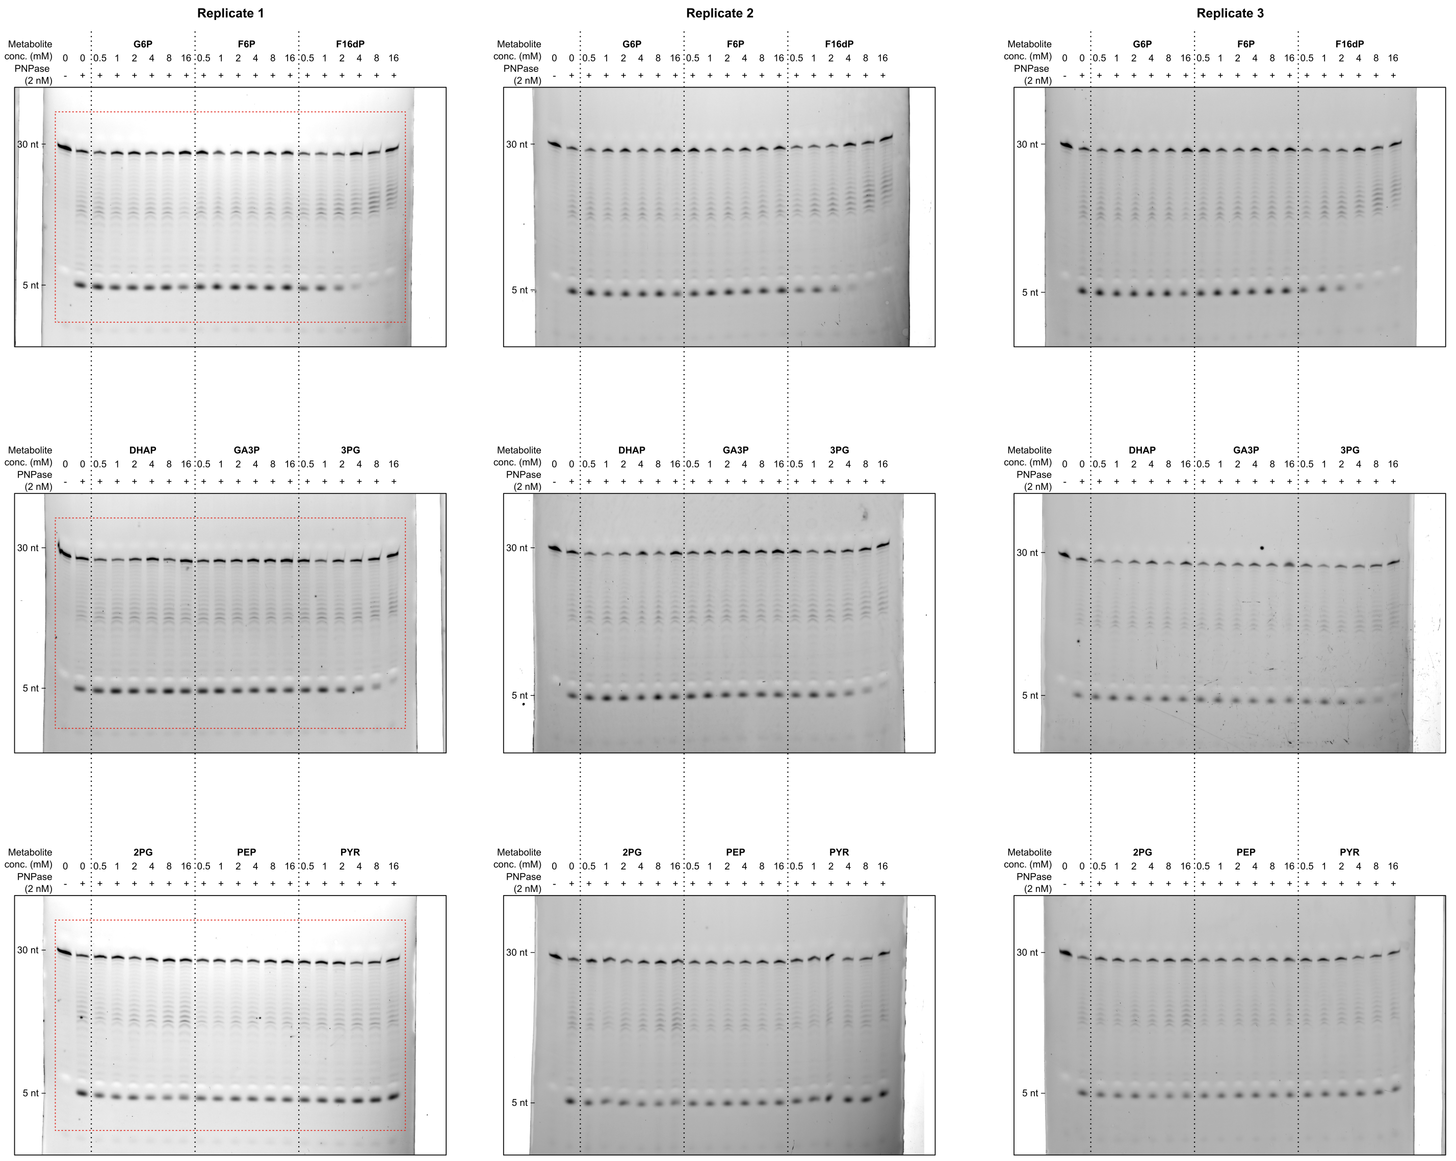

Metabolite | Mean IC50 | SD
G6P | NA
F6P | NA
F16DP | 2.4797856325 | 0.5053608535
DHAP | NA
GA3P | NA
3PG | 7.5840952062 | 0.72625467853
2PG | NA
PEP | NA
PYR | NA

Fig. 2e
Values indicate the signal from leuX processing intermediates, loading control (5S) and the remaining RNA after normalization
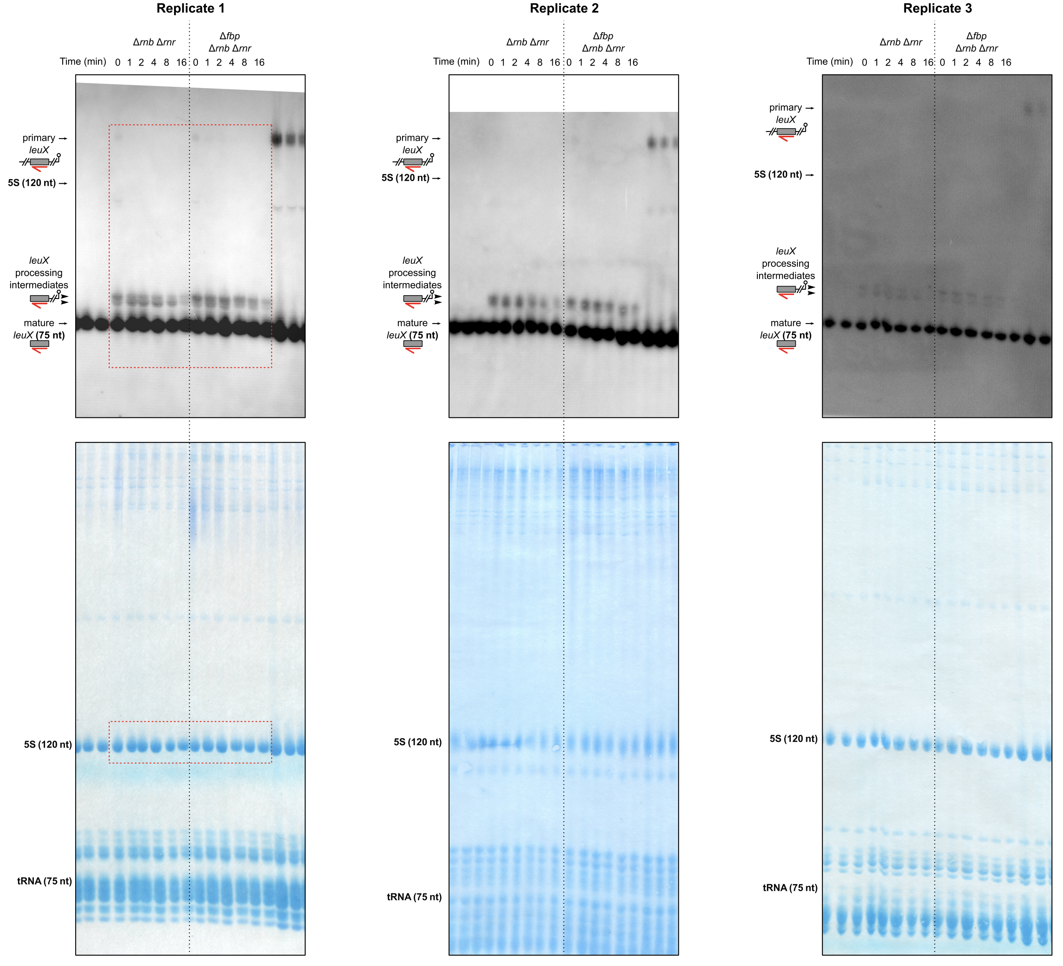
Mean half-life (min) and SD
strain | rep1 | rep2 | rep3 | mean half-life (min) | SD | pval
rnb rnr | 5.5787179858 | 8.0147218391 | 8.9633439156 | 7.5189279135 | 1.7459329551 | 0.020915685678
rnb rnr fbp | 10.815143154 | 13.194495352 | 12.073014621 | 12.027551042 | 1.1903274436

strain | replicate | time (min) | leux interemdiates | load (5S) | normalized | percent remain
rnb rnr | rep1 | 0 | 22015.614 | 210.954 | 104.36215478 | 100
rnb rnr | rep1 | 1 | 28508.028 | 214.246 | 133.06212485 | 127.50036172
rnb rnr | rep1 | 2 | 18239.543 | 214.977 | 84.844160073 | 81.297823191
rnb rnr | rep1 | 4 | 8271.317 | 219.682 | 37.651318724 | 36.077559727
rnb rnr | rep1 | 8 | 6641.468 | 217.762 | 30.498746338 | 29.223952305
rnb rnr | rep1 | 16 | 4289.77 | 216.742 | 19.792056916 | 18.964783697
rnb rnr fbp | rep1 | 0 | 20689.927 | 214.301 | 96.546105711 | 100
rnb rnr fbp | rep1 | 1 | 20510.442 | 211.21 | 97.109237252 | 100.58327732
rnb rnr fbp | rep1 | 2 | 18326.886 | 209.73 | 87.383235589 | 90.509332246
rnb rnr fbp | rep1 | 4 | 15806.522 | 213.233 | 74.12793517 | 76.779829309
rnb rnr fbp | rep1 | 8 | 11842.329 | 212.832 | 55.641675124 | 57.632231476
rnb rnr fbp | rep1 | 16 | 7446.53 | 212.383 | 35.061798732 | 36.316119095
rnb rnr | rep2 | 0 | 12825.836 | 212.383 | 60.390125387 | 100
rnb rnr | rep2 | 1 | 10341.915 | 208.847 | 49.519097713 | 81.998666828
rnb rnr | rep2 | 2 | 9725.179 | 206.339 | 47.132044839 | 78.045946315
rnb rnr | rep2 | 4 | 8176.38 | 204.2 | 40.041038198 | 66.303949431
rnb rnr | rep2 | 8 | 6096.773 | 208.762 | 29.204419387 | 48.35959389
rnb rnr | rep2 | 16 | 3603.238 | 213.313 | 16.891788124 | 27.971109541
rnb rnr fbp | rep2 | 0 | 8520.329 | 212.347 | 40.124555562 | 100
rnb rnr fbp | rep2 | 1 | 8999.622 | 210.607 | 42.731827527 | 106.49794603
rnb rnr fbp | rep2 | 2 | 8686.421 | 208.532 | 41.655098498 | 103.81447947
rnb rnr fbp | rep2 | 4 | 7927.501 | 209.343 | 37.868479003 | 94.377317014
rnb rnr fbp | rep2 | 8 | 6095.108 | 214.011 | 28.480349141 | 70.979849476
rnb rnr fbp | rep2 | 16 | 3452.874 | 212.721 | 16.231937608 | 40.453875142
rnb rnr | rep3 | 0 | 20045.735 | 222.288 | 90.179114482 | 100
rnb rnr | rep3 | 1 | 18620.806 | 221.82 | 83.945568479 | 93.087594573
rnb rnr | rep3 | 2 | 16882.472 | 220.665 | 76.507248544 | 84.839210258
rnb rnr | rep3 | 4 | 15127.785 | 220.327 | 68.660604465 | 76.138033578
rnb rnr | rep3 | 8 | 9149.643 | 223.287 | 40.977051956 | 45.439625562
rnb rnr | rep3 | 16 | 6354.723 | 222.903 | 28.508916435 | 31.613657551
rnb rnr fbp | rep3 | 0 | 25471.806 | 222.405 | 114.52892696 | 100
rnb rnr fbp | rep3 | 1 | 20698.321 | 220.819 | 93.734329926 | 81.843366926
rnb rnr fbp | rep3 | 2 | 21967.241 | 220.762 | 99.506441326 | 86.883238994
rnb rnr fbp | rep3 | 4 | 22841.149 | 224.668 | 101.66623195 | 88.769042592
rnb rnr fbp | rep3 | 8 | 14426.38 | 224.374 | 64.296130568 | 56.139642862
rnb rnr fbp | rep3 | 16 | 10657.078 | 224.804 | 47.40608708 | 41.392238921

Fig. 5c
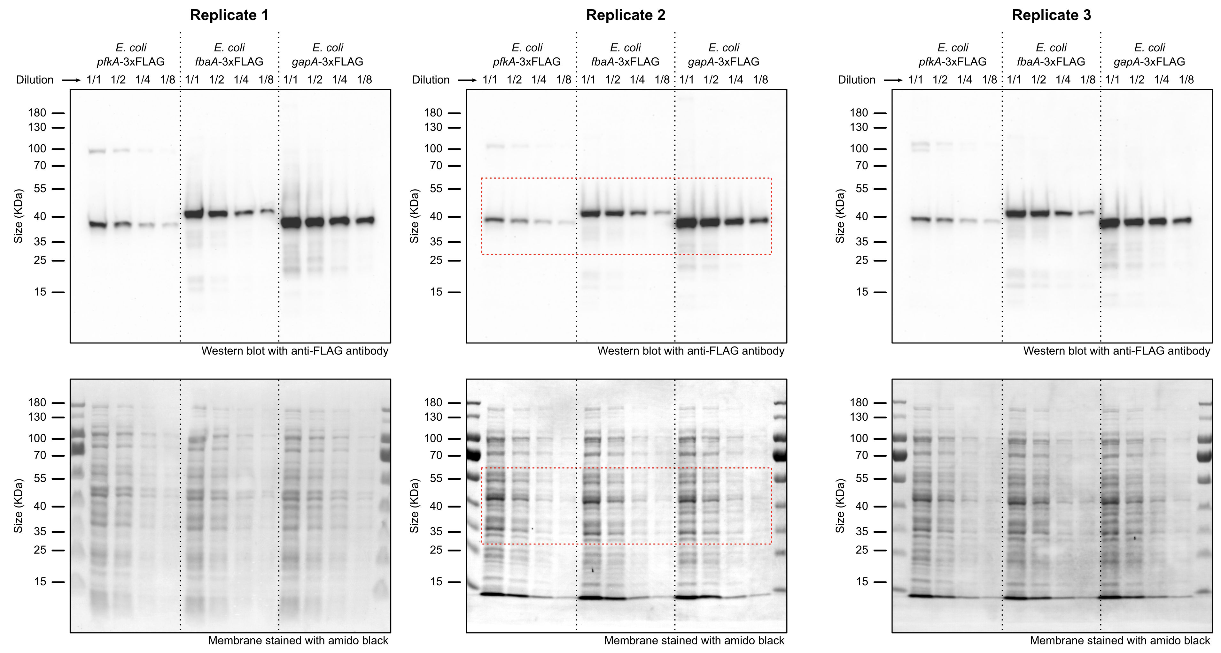
Values indicate the signal from FLAG, loading control (amido black) and the FLAG intensity after normalization

 | Replicate 1 |  |  |  |  |  | Replicate 2 |  |  |  |  |  | Replicate 3
lane | protein | dilution | load | flag | norm_load | norm_flag | protein | dilution | load | flag | norm_load | norm_flag | protein | dilution | load | flag | norm_load | norm_flag
1 | pfka | 1/1 | 43.368 | 3169.543 | 97.521924893 | 36.615155847 | pfka | 1/1 | 34.289 | 2139.757 | 100 | 33.944531193 | pfka | 1/1 | 38.759 | 2314.003 | 97.362405486 | 33.725553924
2 | pfka | 1/2 | 19.865 | 2126.336 | 44.670564425 | 24.563832711 | pfka | 1/2 | 17.636 | 1441.789 | 51.433404299 | 22.872154027 | pfka | 1/2 | 20.122 | 1801.176 | 50.546358864 | 26.251330839
3 | pfka | 1/4 | 5.689 | 1029.44 | 12.792894086 | 11.892284167 | pfka | 1/4 | 8.493 | 809.173 | 24.768876316 | 12.836503462 | pfka | 1/4 | 9.566 | 991.127 | 24.029742018 | 14.44523066
4 | pfka | 1/8 | 3.628 | 827.588 | 8.1583089723 | 9.5604519632 | pfka | 1/8 | 7.481 | 634.983 | 21.81749249 | 10.073200018 | pfka | 1/8 | 7.409 | 941.989 | 18.611369288 | 13.729066391
5 | fbaa | 1/1 | 40.015 | 5713.982 | 89.982010344 | 66.008992916 | fbaa | 1/1 | 32.168 | 4263.348 | 93.814342792 | 67.632609297 | fbaa | 1/1 | 38.599 | 4807.823 | 96.960486322 | 70.071859822
6 | fbaa | 1/2 | 15.898 | 3863.663 | 35.749943782 | 44.633760414 | fbaa | 1/2 | 17.361 | 3154.314 | 50.631397824 | 50.039191349 | fbaa | 1/2 | 22.485 | 4077.05 | 56.482202517 | 59.421171721
7 | fbaa | 1/4 | 5.864 | 2223.675 | 13.18641781 | 25.688311115 | fbaa | 1/4 | 8.477 | 2011.077 | 24.722214121 | 31.903186183 | fbaa | 1/4 | 10.272 | 2888.485 | 25.803210329 | 42.09837093
8 | fbaa | 1/8 | 3.822 | 1807.488 | 8.5945581291 | 20.880440748 | fbaa | 1/8 | 6.034 | 1304.333 | 17.597480241 | 20.691588907 | fbaa | 1/8 | 8.31 | 2025.302 | 20.874676581 | 29.517866577
9 | gapa | 1/1 | 44.47 | 8656.369 | 100 | 100 | gapa | 1/1 | 29.562 | 6303.687 | 86.214237802 | 100 | gapa | 1/1 | 39.809 | 6861.275 | 100 | 100
10 | gapa | 1/2 | 20.032 | 6578.15 | 45.046098493 | 75.992023907 | gapa | 1/2 | 18.375 | 5053.846 | 53.588614424 | 80.172857567 | gapa | 1/2 | 20.691 | 4911.786 | 51.975683891 | 71.587073831
11 | gapa | 1/4 | 8.513 | 4536.303 | 19.143242635 | 52.404223988 | gapa | 1/4 | 9.321 | 3438.397 | 27.183644901 | 54.545807874 | gapa | 1/4 | 11.673 | 3862.023 | 29.322515009 | 56.287249819
12 | gapa | 1/8 | 3.729 | 3143.535 | 8.3854283787 | 36.314706547 | gapa | 1/8 | 7.143 | 2416.591 | 20.831753624 | 38.336151525 | gapa | 1/8 | 7.064 | 2802.305 | 17.744731091 | 40.842336155

Protein | Rep1 dil 1/1 | Rep2 dil 1/1 | Rep3 dil 1/1 | Mean | SD
PfkA | 36.615155847 | 33.944531193 | 33.725553924 | 34.761746988 | 1.6088290958
FbaA | 66.008992916 | 67.632609297 | 70.071859822 | 67.904487345 | 2.0450330385
GapA | 100 | 100 | 100 | 100 | 0

Fig. 6b
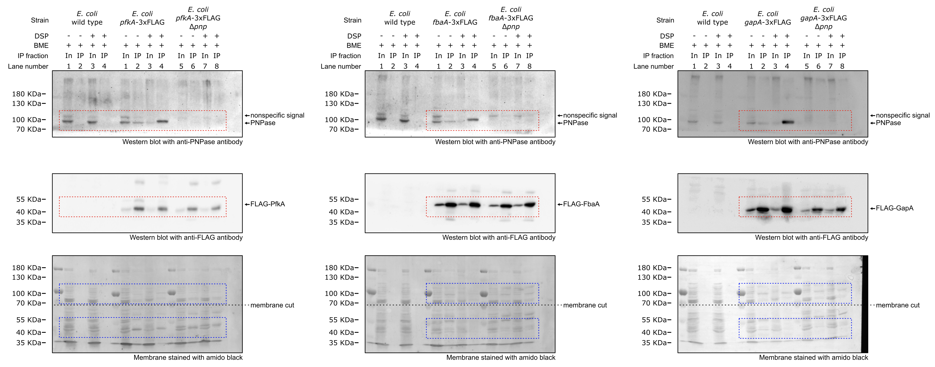

Supplementary Fig. 2a
Values indicate mAU at 280 nM during size exclusion chromatography of the indicated samples, calibration control was used to determine the size of PNPase variants

Calibration |  | FLAG-PNPase |  |  |  | FLAG-PNPase R153A_R372A |  |  |  | FLAG-PNPase R153A_R372A_R405A_R409A
ml | mAU | ml | mAU | ml | Fraction | ml | mAU | ml | Fraction | ml | mAU | ml | Fraction | Standard | Size (KDa) | Elution volume (mL)
0 | 0.0609732 | 0 | -0.06717426 | 5.932538 | 2 | 0.001 | -0.01086938 | 5.931878 | 2 | 0.001 | -0.00297857 | 5.932076 | 2 | Blue Dextran (BD) | 2000 | 8.87
0.001 | 0.1001375 | 0.002 | -0.08870873 | 6.432079 | 3 | 0.002 | -0.01390353 | 6.432036 | 3 | 0.002 | -0.006119861 | 6.431807 | 3 | Thyroglobulin (Th) | 669 | 14.02
0.002 | 0.1145262 | 0.003 | -0.1009936 | 6.93259 | 4 | 0.003 | -0.0174335 | 6.931834 | 4 | 0.003 | -0.007964331 | 6.932 | 4 | Apoferritin (Ap) | 443 | 15.88
0.004 | 0.1236134 | 0.004 | -0.1115332 | 7.432555 | 5 | 0.004 | -0.0195157 | 7.432246 | 5 | 0.004 | -0.00945336 | 7.432102 | 5 | Amylase (Am) | 200 | 16.87
0.005 | 0.1309507 | 0.006 | -0.1201862 | 7.932395 | 6 | 0.005 | -0.02041913 | 7.932144 | 6 | 0.005 | -0.01043906 | 7.932457 | 6 | Alcohol dehydrogenase (AD) | 150 | 18.88
0.006 | 0.1378959 | 0.007 | -0.1282542 | 8.43284 | 7 | 0.007 | -0.0220532 | 8.432241 | 7 | 0.006 | -0.01201812 | 8.432247 | 7 | Albumin (Al) | 66 | 20.53
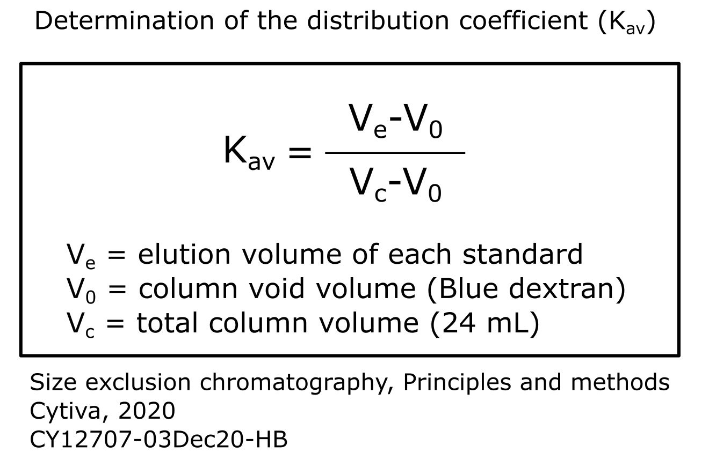
0.007 | 0.1448298 | 0.008 | -0.1369687 | 8.932855 | 8 | 0.008 | -0.02394124 | 8.932162 | 8 | 0.008 | -0.0135901 | 8.932246 | 8
0.009 | 0.1500654 | 0.01 | -0.1461083 | 9.433111 | 9 | 0.009 | -0.02597185 | 9.432398 | 9 | 0.009 | -0.01439045 | 9.432798 | 9
0.01 | 0.1549225 | 0.011 | -0.1551682 | 9.933085 | 10 | 0.01 | -0.02791331 | 9.932593 | 10 | 0.01 | -0.01531148 | 9.932802 | 10
0.011 | 0.1597119 | 0.012 | -0.1635523 | 10.43294 | 11 | 0.011 | -0.02958852 | 10.43244 | 11 | 0.011 | -0.01596735 | 10.4324 | 11
0.012 | 0.1648436 | 0.014 | -0.1717302 | 10.93348 | 12 | 0.013 | -0.03101862 | 10.9327 | 12 | 0.012 | -0.01628536 | 10.93257 | 12
0.013 | 0.1684917 | 0.015 | -0.1788977 | 11.43344 | 13 | 0.014 | -0.03215149 | 11.43288 | 13 | 0.014 | -0.01684735 | 11.4326 | 13
0.015 | 0.1723901 | 0.016 | -0.1859578 | 11.9332 | 14 | 0.015 | -0.03389459 | 11.9326 | 14 | 0.015 | -0.01770421 | 11.93314 | 14
0.016 | 0.1765423 | 0.018 | -0.1932097 | 12.4337 | 15 | 0.016 | -0.03577643 | 12.43313 | 15 | 0.016 | -0.0187793 | 12.43315 | 15
0.017 | 0.1809866 | 0.019 | -0.2005734 | 12.93377 | 16 | 0.017 | -0.03769746 | 12.93316 | 16 | 0.017 | -0.01999431 | 12.93299 | 16
0.018 | 0.184674 | 0.02 | -0.2069214 | 13.43396 | 17 | 0.019 | -0.03957178 | 13.43295 | 17 | 0.018 | -0.02118751 | 13.43337 | 17
0.02 | 0.188096 | 0.022 | -0.2128967 | 13.93373 | 18 | 0.02 | -0.0409459 | 13.93291 | 18 | 0.019 | -0.02261257 | 13.9333 | 18
0.021 | 0.1914959 | 0.023 | -0.2183502 | 14.43384 | 19 | 0.021 | -0.04243796 | 14.43341 | 19 | 0.021 | -0.02430061 | 14.43346 | 19
0.022 | 0.1953414 | 0.024 | -0.2231843 | 14.93417 | 20 | 0.022 | -0.04483726 | 14.93358 | 20 | 0.022 | -0.02447046 | 14.93322 | 20
0.023 | 0.1983227 | 0.026 | -0.2274854 | 15.43415 | 21 | 0.023 | -0.04630193 | 15.43373 | 21 | 0.023 | -0.02436981 | 15.43334 | 21
0.024 | 0.2008009 | 0.027 | -0.2320223 | 15.93452 | 22 | 0.024 | -0.047491 | 15.93329 | 22 | 0.024 | -0.02429235 | 15.93337 | 22
0.026 | 0.2027885 | 0.028 | -0.2355009 | 16.43454 | 23 | 0.026 | -0.04859103 | 16.43354 | 23 | 0.025 | -0.02476136 | 16.43399 | 23
0.027 | 0.2039549 | 0.03 | -0.2380085 | 16.93427 | 24 | 0.027 | -0.05033396 | 16.93402 | 24 | 0.027 | -0.02547095 | 16.93394 | 24
0.028 | 0.2038897 | 0.031 | -0.240121 | 17.43472 | 25 | 0.028 | -0.05207324 | 17.4339 | 25 | 0.028 | -0.0262253 | 17.43393 | 25 | Calibration equation
0.029 | 0.2026927 | 0.032 | -0.2423603 | 17.9345 | 26 | 0.029 | -0.05381759 | 17.93381 | 26 | 0.029 | -0.02692822 | 17.93404 | 26 | Kav=-0.42*elution(mL)+1.53
0.03 | 0.2003951 | 0.034 | -0.2447207 | 18.43502 | 27 | 0.03 | -0.0561482 | 18.43427 | 27 | 0.03 | -0.02715649 | 18.43419 | 27
0.032 | 0.1999517 | 0.035 | -0.2463162 | 18.93471 | 28 | 0.032 | -0.05711075 | 18.93422 | 28 | 0.031 | -0.0275908 | 18.93402 | 28 | Protein | Size | Elution volume (mL)
0.033 | 0.1972094 | 0.036 | -0.2482789 | 19.43503 | 29 | 0.033 | -0.05796789 | 19.43447 | 29 | 0.032 | -0.02843994 | 19.43458 | 29 | FLAG-PNPase | 273.7481 | 16.101
0.034 | 0.1922439 | 0.038 | -0.2500676 | 19.93555 | 30 | 0.034 | -0.05876351 | 19.93422 | 30 | 0.034 | -0.02856723 | 19.93428 | 30 | FLAG-PNPase R153A_R372A | 265.5261 | 16.19
0.035 | 0.1848238 | 0.039 | -0.2515667 | 20.43515 | 31 | 0.035 | -0.05902639 | 20.43418 | 31 | 0.035 | -0.02826655 | 20.43448 | 31 | FLAG-PNPase R153A_R372A_R405A_R409A | 265.6171 | 16.189
0.037 | 0.1743591 | 0.041 | -0.2540709 | 20.93536 | 32 | 0.036 | -0.05957789 | 20.93426 | 32 | 0.036 | -0.02763389 | 20.93437 | 32
0.038 | 0.1636872 | 0.042 | -0.2555101 | 21.4353 | 33 | 0.038 | -0.06064678 | 21.43454 | 33 | 0.037 | -0.02678167 | 21.43479 | 33
0.039 | 0.1533199 | 0.043 | -0.2574282 | 21.93569 | 34 | 0.039 | -0.06232499 | 21.93477 | 34 | 0.038 | -0.02559521 | 21.93462 | 34
0.04 | 0.1441242 | 0.045 | -0.2595203 | 22.43598 | 35 | 0.04 | -0.06412809 | 22.43478 | 35 | 0.04 | -0.02454786 | 22.43486 | 35
0.041 | 0.1357688 | 0.046 | -0.2615829 | 22.93605 | 36 | 0.041 | -0.06433575 | 22.93473 | 36 | 0.041 | -0.02369905 | 22.93489 | 36
0.043 | 0.1283704 | 0.047 | -0.2642802 | 23.43567 | 37 | 0.042 | -0.0624216 | 23.43508 | 37 | 0.042 | -0.02291621 | 23.43525 | 37
0.044 | 0.122047 | 0.049 | -0.2664246 | 23.93577 | 38 | 0.044 | -0.06092287 | 23.93508 | 38 | 0.043 | -0.02135524 | 23.93521 | 38
0.045 | 0.1171934 | 0.05 | -0.2676738 | 24.43641 | 39 | 0.045 | -0.06011838 | 24.4352 | 39 | 0.044 | -0.02059179 | 24.43543 | 39
0.046 | 0.1124262 | 0.051 | -0.2678563 | 24.9365 | 40 | 0.046 | -0.05888188 | 24.9353 | 40 | 0.045 | -0.0186468 | 24.93537 | 40
0.047 | 0.1078543 | 0.053 | -0.2672343 | 25.43612 | 41 | 0.047 | -0.05632157 | 25.43514 | 41 | 0.047 | -0.01789679 | 25.43562 | 41
0.049 | 0.1036032 | 0.054 | -0.2662018 | 25.93642 | 42 | 0.048 | -0.05189447 | 25.93504 | 42 | 0.048 | -0.01684722 | 25.9354 | 42
0.05 | 0.1000356 | 0.055 | -0.264695 | 26.43664 | 43 | 0.05 | -0.04458637 | 26.43511 | 43 | 0.049 | -0.01592205 | 26.4356 | 43
0.051 | 0.09720293 | 0.057 | -0.2622713 | 26.93666 | 44 | 0.051 | -0.03298238 | 26.93553 | 44 | 0.05 | -0.01444965 | 26.93573 | 44
0.052 | 0.09487616 | 0.058 | -0.2583665 | 27.43687 | 45 | 0.052 | -0.013502 | 27.43567 | 45 | 0.051 | -0.01361593 | 27.43556 | 45
0.054 | 0.0925909 | 0.059 | -0.25109 | 27.93703 | 46 | 0.053 | 0.02062159 | 27.93544 | 46 | 0.053 | -0.01225089 | 27.93558 | 46
0.055 | 0.08990674 | 0.061 | -0.2374348 | 28.43664 | 47 | 0.054 | 0.08410808 | 28.4357 | 47 | 0.054 | -0.01168837 | 28.43565 | 47
0.056 | 0.087699 | 0.062 | -0.2144953 | 28.93713 | 48 | 0.055 | 0.1684538 | 28.9355 | 48 | 0.055 | -0.01087909 | 28.93595 | 48
0.057 | 0.0861068 | 0.063 | -0.1833732 | 29.43727 | 49 | 0.057 | 0.2667194 | 29.43574 | 49 | 0.056 | -0.01051657 | 29.43583 | 49
0.058 | 0.08501838 | 0.065 | -0.1463649 | 29.93711 | 50 | 0.058 | 0.382971 | 29.93587 | 50 | 0.057 | -0.01106995 | 29.93618 | 50
0.06 | 0.08382984 | 0.066 | -0.1007776 | 30.43732 | 51 | 0.059 | 0.5235415 | 30.43603 | 51 | 0.058 | -0.01172106 | 30.4364 | 51
0.061 | 0.08269074 | 0.067 | -0.04759271 | 30.93724 | 52 | 0.06 | 0.6915819 | 30.93623 | 52 | 0.06 | -0.01131086 | 30.93647 | 52
0.062 | 0.08175161 | 0.069 | 0.012545 | 31.43772 | 53 | 0.061 | 0.8892715 | 31.43591 | 53 | 0.061 | -0.01070272 | 31.43654 | 53
0.063 | 0.08040615 | 0.07 | 0.08225123 | 31.9377 | 54 | 0.063 | 1.123132 | 31.93624 | 54 | 0.062 | -0.009529829 | 31.93649 | 54
0.064 | 0.07955101 | 0.071 | 0.1672641 | 32.43751 | 55 | 0.064 | 1.393845 | 32.43626 | 55 | 0.063 | -0.004028575 | 32.43677 | 55
0.066 | 0.07889146 | 0.073 | 0.2724848 | 32.93772 | 56 | 0.065 | 1.711432 | 32.93655 | 56 | 0.064 | 0.006663709 | 32.93666 | 56
0.067 | 0.07761166 | 0.074 | 0.403364 | 33.43782 | 57 | 0.066 | 2.068668 | 33.4366 | 57 | 0.066 | 0.02536943 | 33.43665 | 57
0.068 | 0.07750013 | 0.075 | 0.5592749 | 33.93804 | 58 | 0.067 | 2.472236 | 33.93642 | 58 | 0.067 | 0.05561939 | 33.93703 | 58
0.069 | 0.07732996 | 0.077 | 0.7403827 | 34.43819 | 59 | 0.069 | 2.939814 | 34.43678 | 59 | 0.068 | 0.09914854 | 34.43685 | 59
0.071 | 0.07691902 | 0.078 | 0.9599791 | 34.93816 | 60 | 0.07 | 3.487491 | 34.93683 | 60 | 0.069 | 0.1512864 | 34.93683 | 60
0.072 | 0.07706255 | 0.079 | 1.215428 | 35.43855 | 61 | 0.071 | 4.082668 | 35.4367 | 61 | 0.07 | 0.2081921 | 35.43695 | 61
0.073 | 0.07675652 | 0.081 | 1.500095 | 35.93819 | 62 | 0.072 | 4.678882 | 35.93682 | 62 | 0.071 | 0.2678306 | 35.93708 | 62
0.074 | 0.07650242 | 0.082 | 1.822506 | 36.43867 | 63 | 0.073 | 5.281228 | 36.43678 | 63 | 0.073 | 0.329266 | 36.43743 | 63
0.075 | 0.07661741 | 0.083 | 2.162429 | 36.56174 | Waste | 0.075 | 5.883887 | 36.56163 | Waste | 0.074 | 0.3960667 | 36.56163 | Waste
0.077 | 0.07596771 | 0.085 | 2.49158 | 36.56238 | Waste | 0.076 | 6.487614 | 36.56221 | Waste | 0.075 | 0.4735918 | 36.5622 | Waste
0.078 | 0.07532226 | 0.086 | 2.830457 |  |  | 0.077 | 7.09704 |  |  | 0.076 | 0.5726497
0.079 | 0.07487343 | 0.087 | 3.181938 |  |  | 0.078 | 7.69909 |  |  | 0.077 | 0.7007061
0.08 | 0.07497837 | 0.089 | 3.542431 |  |  | 0.079 | 8.262162 |  |  | 0.079 | 0.8430135
0.082 | 0.07507474 | 0.09 | 3.908268 |  |  | 0.08 | 8.852485 |  |  | 0.08 | 0.9926867
0.083 | 0.07519123 | 0.091 | 4.277702 |  |  | 0.082 | 9.43324 |  |  | 0.081 | 1.174347
0.084 | 0.07529755 | 0.093 | 4.651561 |  |  | 0.083 | 9.973244 |  |  | 0.082 | 1.400327
0.085 | 0.07523006 | 0.094 | 5.026301 |  |  | 0.084 | 10.47421 |  |  | 0.083 | 1.629419
0.086 | 0.07494628 | 0.095 | 5.398609 |  |  | 0.085 | 10.95753 |  |  | 0.084 | 1.863207
0.088 | 0.07453176 | 0.097 | 5.77112 |  |  | 0.086 | 11.4192 |  |  | 0.086 | 2.110417
0.089 | 0.07401478 | 0.098 | 6.137764 |  |  | 0.088 | 11.83351 |  |  | 0.087 | 2.363165
0.09 | 0.07342446 | 0.099 | 6.490697 |  |  | 0.089 | 12.18877 |  |  | 0.088 | 2.608022
0.091 | 0.07327096 | 0.101 | 6.837113 |  |  | 0.09 | 12.49877 |  |  | 0.089 | 2.847706
0.092 | 0.07332249 | 0.102 | 7.173515 |  |  | 0.091 | 12.77318 |  |  | 0.09 | 3.098478
0.094 | 0.07334797 | 0.103 | 7.497782 |  |  | 0.092 | 13.00901 |  |  | 0.092 | 3.375128
0.095 | 0.07362783 | 0.105 | 7.80781 |  |  | 0.094 | 13.21927 |  |  | 0.093 | 3.666828
0.096 | 0.07437847 | 0.106 | 8.100099 |  |  | 0.095 | 13.41431 |  |  | 0.094 | 3.97084
0.097 | 0.07529531 | 0.107 | 8.368416 |  |  | 0.096 | 13.58547 |  |  | 0.095 | 4.28124
0.099 | 0.07543311 | 0.109 | 8.609758 |  |  | 0.097 | 13.74017 |  |  | 0.096 | 4.618751
0.1 | 0.07539725 | 0.11 | 8.823141 |  |  | 0.098 | 13.88608 |  |  | 0.097 | 5.002501
0.101 | 0.0750687 | 0.112 | 9.002968 |  |  | 0.1 | 14.01268 |  |  | 0.099 | 5.437522
0.102 | 0.07450429 | 0.113 | 9.155008 |  |  | 0.101 | 14.09996 |  |  | 0.1 | 5.926797
0.103 | 0.07464962 | 0.114 | 9.264713 |  |  | 0.102 | 14.14081 |  |  | 0.101 | 6.474144
0.105 | 0.07512954 | 0.116 | 9.333426 |  |  | 0.103 | 14.15634 |  |  | 0.102 | 7.094009
0.106 | 0.07540392 | 0.117 | 9.367075 |  |  | 0.104 | 14.18217 |  |  | 0.103 | 7.79142
0.107 | 0.07504693 | 0.118 | 9.363297 |  |  | 0.105 | 14.23035 |  |  | 0.105 | 8.552095
0.108 | 0.0759679 | 0.12 | 9.339741 |  |  | 0.107 | 14.28264 |  |  | 0.106 | 9.358519
0.109 | 0.076142 | 0.121 | 9.32218 |  |  | 0.108 | 14.32969 |  |  | 0.107 | 10.19799
0.111 | 0.07588721 | 0.122 | 9.294502 |  |  | 0.109 | 14.38434 |  |  | 0.108 | 11.04452
0.112 | 0.07590305 | 0.124 | 9.251516 |  |  | 0.11 | 14.43532 |  |  | 0.109 | 11.88486
0.113 | 0.07564494 | 0.125 | 9.196166 |  |  | 0.111 | 14.53971 |  |  | 0.11 | 12.70822
0.114 | 0.07586966 | 0.126 | 9.13139 |  |  | 0.113 | 14.61169 |  |  | 0.112 | 13.51585
0.116 | 0.07671005 | 0.128 | 9.057134 |  |  | 0.114 | 14.6775 |  |  | 0.113 | 14.27949
0.117 | 0.07673205 | 0.129 | 8.972182 |  |  | 0.115 | 14.76826 |  |  | 0.114 | 14.98343
0.118 | 0.07701501 | 0.13 | 8.876466 |  |  | 0.116 | 14.8728 |  |  | 0.115 | 15.66995
0.119 | 0.07733893 | 0.132 | 8.766571 |  |  | 0.117 | 14.96344 |  |  | 0.116 | 16.34858
0.12 | 0.07753029 | 0.133 | 8.65075 |  |  | 0.119 | 15.04614 |  |  | 0.118 | 17.00842
0.122 | 0.07722448 | 0.134 | 8.528131 |  |  | 0.12 | 15.14655 |  |  | 0.119 | 17.63906
0.123 | 0.07710431 | 0.136 | 8.406043 |  |  | 0.121 | 15.27288 |  |  | 0.12 | 18.23208
0.124 | 0.07712937 | 0.137 | 8.285039 |  |  | 0.122 | 15.40685 |  |  | 0.121 | 18.7809
0.125 | 0.07718328 | 0.138 | 8.165857 |  |  | 0.123 | 15.53635 |  |  | 0.122 | 19.27723
0.126 | 0.076987 | 0.14 | 8.051055 |  |  | 0.125 | 15.66199 |  |  | 0.123 | 19.71098
0.128 | 0.07703774 | 0.141 | 7.944448 |  |  | 0.126 | 15.76533 |  |  | 0.125 | 20.09635
0.129 | 0.07748945 | 0.142 | 7.849233 |  |  | 0.127 | 15.84013 |  |  | 0.126 | 20.43852
0.13 | 0.07871053 | 0.144 | 7.763362 |  |  | 0.128 | 15.8939 |  |  | 0.127 | 20.73207
0.131 | 0.07924931 | 0.145 | 7.682114 |  |  | 0.129 | 15.90797 |  |  | 0.128 | 20.95885
0.133 | 0.07959719 | 0.146 | 7.603429 |  |  | 0.131 | 15.88982 |  |  | 0.129 | 21.09154
0.134 | 0.07999986 | 0.148 | 7.528006 |  |  | 0.132 | 15.83575 |  |  | 0.131 | 21.13921
0.135 | 0.08007777 | 0.149 | 7.45854 |  |  | 0.133 | 15.75046 |  |  | 0.132 | 21.10033
0.136 | 0.08022587 | 0.15 | 7.38572 |  |  | 0.134 | 15.63232 |  |  | 0.133 | 20.98774
0.137 | 0.08035632 | 0.152 | 7.309579 |  |  | 0.135 | 15.47543 |  |  | 0.134 | 20.79905
0.139 | 0.08033352 | 0.153 | 7.233168 |  |  | 0.136 | 15.27952 |  |  | 0.135 | 20.51089
0.14 | 0.08052068 | 0.154 | 7.153749 |  |  | 0.138 | 15.04515 |  |  | 0.136 | 20.12853
0.141 | 0.08055241 | 0.156 | 7.070258 |  |  | 0.139 | 14.77129 |  |  | 0.138 | 19.68347
0.142 | 0.08056065 | 0.157 | 6.983273 |  |  | 0.14 | 14.47551 |  |  | 0.139 | 19.17947
0.143 | 0.08123378 | 0.158 | 6.894703 |  |  | 0.141 | 14.16633 |  |  | 0.14 | 18.64245
0.145 | 0.08128408 | 0.16 | 6.805919 |  |  | 0.142 | 13.84266 |  |  | 0.141 | 18.0605
0.146 | 0.08127467 | 0.161 | 6.714775 |  |  | 0.144 | 13.49924 |  |  | 0.142 | 17.47457
0.147 | 0.08140828 | 0.162 | 6.619452 |  |  | 0.145 | 13.15655 |  |  | 0.144 | 16.88898
0.148 | 0.08164399 | 0.164 | 6.517704 |  |  | 0.146 | 12.82072 |  |  | 0.145 | 16.31381
0.15 | 0.08176002 | 0.165 | 6.419102 |  |  | 0.147 | 12.50753 |  |  | 0.146 | 15.74682
0.151 | 0.08200457 | 0.166 | 6.318554 |  |  | 0.148 | 12.2205 |  |  | 0.147 | 15.17786
0.152 | 0.08264831 | 0.168 | 6.21605 |  |  | 0.15 | 11.95475 |  |  | 0.148 | 14.59752
0.153 | 0.08318517 | 0.169 | 6.111063 |  |  | 0.151 | 11.69401 |  |  | 0.15 | 14.00843
0.154 | 0.08341122 | 0.17 | 6.004882 |  |  | 0.152 | 11.43384 |  |  | 0.151 | 13.4301
0.156 | 0.08334158 | 0.172 | 5.897924 |  |  | 0.153 | 11.18368 |  |  | 0.152 | 12.88952
0.157 | 0.08298463 | 0.173 | 5.788522 |  |  | 0.154 | 10.94892 |  |  | 0.153 | 12.39843
0.158 | 0.08310338 | 0.174 | 5.679464 |  |  | 0.156 | 10.72914 |  |  | 0.154 | 11.94465
0.159 | 0.08305321 | 0.176 | 5.572594 |  |  | 0.157 | 10.51401 |  |  | 0.155 | 11.52245
0.161 | 0.08278455 | 0.177 | 5.465554 |  |  | 0.158 | 10.31713 |  |  | 0.157 | 11.13458
0.162 | 0.08317386 | 0.179 | 5.356399 |  |  | 0.159 | 10.1295 |  |  | 0.158 | 10.77309
0.163 | 0.08398338 | 0.18 | 5.244378 |  |  | 0.16 | 9.95442 |  |  | 0.159 | 10.44411
0.164 | 0.08483606 | 0.181 | 5.134485 |  |  | 0.161 | 9.793489 |  |  | 0.16 | 10.14295
0.165 | 0.08545785 | 0.183 | 5.024498 |  |  | 0.163 | 9.642332 |  |  | 0.161 | 9.8756
0.167 | 0.08613651 | 0.184 | 4.911992 |  |  | 0.164 | 9.497029 |  |  | 0.163 | 9.628104
0.168 | 0.08634921 | 0.185 | 4.80192 |  |  | 0.165 | 9.358539 |  |  | 0.164 | 9.397632
0.169 | 0.08650733 | 0.187 | 4.694997 |  |  | 0.166 | 9.227023 |  |  | 0.165 | 9.183159
0.17 | 0.08786827 | 0.188 | 4.590056 |  |  | 0.167 | 9.10004 |  |  | 0.166 | 8.981539
0.171 | 0.08876131 | 0.189 | 4.48724 |  |  | 0.169 | 8.974947 |  |  | 0.167 | 8.792926
0.173 | 0.08948632 | 0.191 | 4.386133 |  |  | 0.17 | 8.851217 |  |  | 0.168 | 8.61668
0.174 | 0.0901119 | 0.192 | 4.288188 |  |  | 0.171 | 8.730402 |  |  | 0.17 | 8.444978
0.175 | 0.090588 | 0.193 | 4.195012 |  |  | 0.172 | 8.613431 |  |  | 0.171 | 8.278468
0.176 | 0.0913941 | 0.195 | 4.104211 |  |  | 0.173 | 8.508864 |  |  | 0.172 | 8.119676
0.178 | 0.09198944 | 0.196 | 4.012987 |  |  | 0.175 | 8.412858 |  |  | 0.173 | 7.96749
0.179 | 0.09196316 | 0.197 | 3.923972 |  |  | 0.176 | 8.332561 |  |  | 0.174 | 7.81907
0.18 | 0.09219547 | 0.199 | 3.837794 |  |  | 0.177 | 8.254817 |  |  | 0.176 | 7.671973
0.181 | 0.09280526 | 0.2 | 3.756996 |  |  | 0.178 | 8.181604 |  |  | 0.177 | 7.529689
0.182 | 0.09358022 | 0.201 | 3.67966 |  |  | 0.179 | 8.109737 |  |  | 0.178 | 7.399157
0.184 | 0.09414547 | 0.203 | 3.610644 |  |  | 0.181 | 8.039344 |  |  | 0.179 | 7.283314
0.185 | 0.09483458 | 0.204 | 3.540467 |  |  | 0.182 | 7.972203 |  |  | 0.18 | 7.179503
0.186 | 0.09572908 | 0.205 | 3.469452 |  |  | 0.183 | 7.907393 |  |  | 0.181 | 7.088174
0.187 | 0.09674961 | 0.207 | 3.398996 |  |  | 0.184 | 7.843211 |  |  | 0.183 | 7.010723
0.188 | 0.0974111 | 0.208 | 3.329829 |  |  | 0.185 | 7.780507 |  |  | 0.184 | 6.943273
0.19 | 0.09816189 | 0.209 | 3.262383 |  |  | 0.186 | 7.715211 |  |  | 0.185 | 6.880146
0.191 | 0.09885108 | 0.211 | 3.196004 |  |  | 0.188 | 7.646242 |  |  | 0.186 | 6.819037
0.192 | 0.09939403 | 0.212 | 3.129598 |  |  | 0.189 | 7.580284 |  |  | 0.187 | 6.764791
0.193 | 0.09955629 | 0.213 | 3.066428 |  |  | 0.19 | 7.512651 |  |  | 0.189 | 6.705943
0.195 | 0.09970448 | 0.215 | 3.002248 |  |  | 0.191 | 7.443392 |  |  | 0.19 | 6.645422
0.196 | 0.09992144 | 0.216 | 2.941747 |  |  | 0.192 | 7.369476 |  |  | 0.191 | 6.584199
0.197 | 0.1003274 | 0.217 | 2.881291 |  |  | 0.194 | 7.291643 |  |  | 0.192 | 6.526496
0.198 | 0.1013158 | 0.219 | 2.821076 |  |  | 0.195 | 7.214205 |  |  | 0.193 | 6.470066
0.199 | 0.1019987 | 0.22 | 2.765109 |  |  | 0.196 | 7.141943 |  |  | 0.194 | 6.412843
0.201 | 0.1024913 | 0.221 | 2.70871 |  |  | 0.197 | 7.075419 |  |  | 0.196 | 6.357118
0.202 | 0.1034611 | 0.223 | 2.65276 |  |  | 0.198 | 7.008986 |  |  | 0.197 | 6.30339
0.203 | 0.1037677 | 0.224 | 2.598172 |  |  | 0.2 | 6.938569 |  |  | 0.198 | 6.25088
0.204 | 0.1040022 | 0.225 | 2.544534 |  |  | 0.201 | 6.869282 |  |  | 0.199 | 6.200696
0.205 | 0.1043282 | 0.227 | 2.492496 |  |  | 0.202 | 6.803332 |  |  | 0.2 | 6.147743
0.207 | 0.1044679 | 0.228 | 2.442573 |  |  | 0.203 | 6.750223 |  |  | 0.202 | 6.103522
0.208 | 0.104585 | 0.229 | 2.39311 |  |  | 0.204 | 6.708165 |  |  | 0.203 | 6.059277
0.209 | 0.104913 | 0.231 | 2.343856 |  |  | 0.206 | 6.669577 |  |  | 0.204 | 6.017341
0.21 | 0.1056825 | 0.232 | 2.296709 |  |  | 0.207 | 6.630771 |  |  | 0.205 | 5.975708
0.212 | 0.104579 | 0.233 | 2.252092 |  |  | 0.208 | 6.587902 |  |  | 0.206 | 5.936216
0.213 | 0.1038012 | 0.235 | 2.207186 |  |  | 0.209 | 6.541161 |  |  | 0.207 | 5.89778
0.214 | 0.1032782 | 0.236 | 2.162977 |  |  | 0.21 | 6.494809 |  |  | 0.209 | 5.860888
0.215 | 0.1027134 | 0.237 | 2.117597 |  |  | 0.212 | 6.44826 |  |  | 0.21 | 5.825433
0.216 | 0.102979 | 0.239 | 2.073013 |  |  | 0.213 | 6.39773 |  |  | 0.211 | 5.788597
0.218 | 0.1033397 | 0.24 | 2.029547 |  |  | 0.214 | 6.345244 |  |  | 0.212 | 5.750646
0.219 | 0.1036836 | 0.241 | 1.986936 |  |  | 0.215 | 6.289786 |  |  | 0.213 | 5.716285
0.22 | 0.1045119 | 0.243 | 1.945905 |  |  | 0.216 | 6.236481 |  |  | 0.215 | 5.686045
0.221 | 0.1057534 | 0.244 | 1.906301 |  |  | 0.217 | 6.182757 |  |  | 0.216 | 5.657176
0.223 | 0.1069391 | 0.246 | 1.867382 |  |  | 0.219 | 6.136226 |  |  | 0.217 | 5.628108
0.224 | 0.1076234 | 0.247 | 1.830639 |  |  | 0.22 | 6.095616 |  |  | 0.218 | 5.601346
0.225 | 0.1098563 | 0.248 | 1.794738 |  |  | 0.221 | 6.056329 |  |  | 0.219 | 5.573034
0.226 | 0.1115391 | 0.25 | 1.757721 |  |  | 0.222 | 6.019286 |  |  | 0.22 | 5.542241
0.227 | 0.112212 | 0.251 | 1.722735 |  |  | 0.223 | 5.986059 |  |  | 0.222 | 5.5173
0.229 | 0.1108198 | 0.252 | 1.686394 |  |  | 0.225 | 5.955438 |  |  | 0.223 | 5.495623
0.23 | 0.1052207 | 0.254 | 1.652823 |  |  | 0.226 | 5.923517 |  |  | 0.224 | 5.471831
0.231 | 0.09414696 | 0.255 | 1.620897 |  |  | 0.227 | 5.888927 |  |  | 0.225 | 5.446752
0.232 | 0.07667579 | 0.256 | 1.590773 |  |  | 0.228 | 5.851201 |  |  | 0.226 | 5.422421
0.233 | 0.04850268 | 0.258 | 1.561287 |  |  | 0.229 | 5.809401 |  |  | 0.228 | 5.397353
0.235 | 0.01185356 | 0.259 | 1.530856 |  |  | 0.231 | 5.769548 |  |  | 0.229 | 5.372612
0.236 | -0.03174436 | 0.26 | 1.499624 |  |  | 0.232 | 5.72954 |  |  | 0.23 | 5.350155
0.237 | -0.08199354 | 0.262 | 1.468287 |  |  | 0.233 | 5.687685 |  |  | 0.231 | 5.32561
0.238 | -0.1415775 | 0.263 | 1.440403 |  |  | 0.234 | 5.650127 |  |  | 0.232 | 5.298319
0.24 | -0.2060087 | 0.264 | 1.412395 |  |  | 0.235 | 5.618449 |  |  | 0.233 | 5.269298
0.241 | -0.2746211 | 0.266 | 1.383272 |  |  | 0.237 | 5.583036 |  |  | 0.235 | 5.242985
0.242 | -0.3470066 | 0.267 | 1.354696 |  |  | 0.238 | 5.542521 |  |  | 0.236 | 5.212516
0.243 | -0.4245576 | 0.268 | 1.326887 |  |  | 0.239 | 5.497663 |  |  | 0.237 | 5.18189
0.244 | -0.5049332 | 0.27 | 1.299029 |  |  | 0.24 | 5.450357 |  |  | 0.238 | 5.149278
0.246 | -0.5877098 | 0.271 | 1.271526 |  |  | 0.241 | 5.401706 |  |  | 0.239 | 5.116238
0.247 | -0.6725895 | 0.272 | 1.244236 |  |  | 0.242 | 5.350863 |  |  | 0.241 | 5.082695
0.248 | -0.7593386 | 0.274 | 1.218156 |  |  | 0.244 | 5.29982 |  |  | 0.242 | 5.044946
0.249 | -0.8470235 | 0.275 | 1.194292 |  |  | 0.245 | 5.253366 |  |  | 0.243 | 4.999034
0.25 | -0.935357 | 0.276 | 1.169922 |  |  | 0.246 | 5.206511 |  |  | 0.244 | 4.948215
0.252 | -1.02483 | 0.278 | 1.146248 |  |  | 0.247 | 5.162605 |  |  | 0.245 | 4.901556
0.253 | -1.11447 | 0.279 | 1.123369 |  |  | 0.248 | 5.117947 |  |  | 0.246 | 4.856885
0.254 | -1.204693 | 0.28 | 1.101117 |  |  | 0.25 | 5.075675 |  |  | 0.248 | 4.817329
0.255 | -1.296063 | 0.282 | 1.078923 |  |  | 0.251 | 5.034936 |  |  | 0.249 | 4.777809
0.257 | -1.387327 | 0.283 | 1.056443 |  |  | 0.252 | 4.994406 |  |  | 0.25 | 4.743197
0.258 | -1.479486 | 0.284 | 1.035179 |  |  | 0.253 | 4.952107 |  |  | 0.251 | 4.711665
0.259 | -1.572455 | 0.286 | 1.014648 |  |  | 0.254 | 4.908874 |  |  | 0.252 | 4.681078
0.26 | -1.6659 | 0.287 | 0.9939148 |  |  | 0.256 | 4.864995 |  |  | 0.254 | 4.649742
0.261 | -1.759598 | 0.288 | 0.9736062 |  |  | 0.257 | 4.819732 |  |  | 0.255 | 4.616178
0.263 | -1.853717 | 0.29 | 0.9537627 |  |  | 0.258 | 4.774418 |  |  | 0.256 | 4.581007
0.264 | -1.948268 | 0.291 | 0.9337502 |  |  | 0.259 | 4.730949 |  |  | 0.257 | 4.545543
0.265 | -2.042805 | 0.292 | 0.9141199 |  |  | 0.26 | 4.688884 |  |  | 0.258 | 4.511002
0.266 | -2.138882 | 0.294 | 0.8951275 |  |  | 0.262 | 4.649737 |  |  | 0.259 | 4.483059
0.267 | -2.235054 | 0.295 | 0.8750846 |  |  | 0.263 | 4.610268 |  |  | 0.261 | 4.460371
0.269 | -2.330281 | 0.296 | 0.8556464 |  |  | 0.264 | 4.570831 |  |  | 0.262 | 4.437615
0.27 | -2.422497 | 0.298 | 0.8381904 |  |  | 0.265 | 4.537205 |  |  | 0.263 | 4.413885
0.271 | -2.511703 | 0.299 | 0.8193161 |  |  | 0.266 | 4.501957 |  |  | 0.264 | 4.392083
0.272 | -2.597428 | 0.3 | 0.8016139 |  |  | 0.267 | 4.460933 |  |  | 0.265 | 4.370545
0.274 | -2.677178 | 0.302 | 0.7854701 |  |  | 0.269 | 4.413482 |  |  | 0.267 | 4.347007
0.275 | -2.746773 | 0.303 | 0.7700524 |  |  | 0.27 | 4.362993 |  |  | 0.268 | 4.323927
0.276 | -2.809116 | 0.304 | 0.7542684 |  |  | 0.271 | 4.314222 |  |  | 0.269 | 4.303984
0.277 | -2.864509 | 0.306 | 0.7390275 |  |  | 0.272 | 4.269997 |  |  | 0.27 | 4.287088
0.278 | -2.91046 | 0.307 | 0.7242147 |  |  | 0.273 | 4.231906 |  |  | 0.271 | 4.271014
0.28 | -2.949955 | 0.308 | 0.7099603 |  |  | 0.275 | 4.202027 |  |  | 0.272 | 4.253239
0.281 | -2.984544 | 0.31 | 0.6974237 |  |  | 0.276 | 4.176558 |  |  | 0.274 | 4.233266
0.282 | -3.014801 | 0.311 | 0.6829676 |  |  | 0.277 | 4.144663 |  |  | 0.275 | 4.216022
0.283 | -3.039777 | 0.312 | 0.6693158 |  |  | 0.278 | 4.11448 |  |  | 0.276 | 4.203912
0.284 | -3.062015 | 0.314 | 0.6573142 |  |  | 0.279 | 4.085636 |  |  | 0.277 | 4.186319
0.286 | -3.081384 | 0.315 | 0.6448906 |  |  | 0.281 | 4.058131 |  |  | 0.278 | 4.163039
0.287 | -3.098221 | 0.317 | 0.6327976 |  |  | 0.282 | 4.028977 |  |  | 0.28 | 4.134371
0.288 | -3.113414 | 0.318 | 0.6207129 |  |  | 0.283 | 3.996611 |  |  | 0.281 | 4.105072
0.289 | -3.126259 | 0.319 | 0.6086543 |  |  | 0.284 | 3.962932 |  |  | 0.282 | 4.072281
0.291 | -3.13929 | 0.321 | 0.596354 |  |  | 0.285 | 3.930387 |  |  | 0.283 | 4.039785
0.292 | -3.150205 | 0.322 | 0.5832564 |  |  | 0.287 | 3.898946 |  |  | 0.284 | 4.007898
0.293 | -3.160624 | 0.323 | 0.5699263 |  |  | 0.288 | 3.868361 |  |  | 0.285 | 3.974261
0.294 | -3.170268 | 0.325 | 0.5577323 |  |  | 0.289 | 3.839541 |  |  | 0.287 | 3.940582
0.295 | -3.179266 | 0.326 | 0.5464783 |  |  | 0.29 | 3.811104 |  |  | 0.288 | 3.909422
0.297 | -3.187737 | 0.327 | 0.5355986 |  |  | 0.291 | 3.782608 |  |  | 0.289 | 3.881082
0.298 | -3.195375 | 0.329 | 0.5250933 |  |  | 0.293 | 3.755246 |  |  | 0.29 | 3.856339
0.299 | -3.202089 | 0.33 | 0.5131031 |  |  | 0.294 | 3.730123 |  |  | 0.291 | 3.826154
0.3 | -3.208007 | 0.331 | 0.5035135 |  |  | 0.295 | 3.704356 |  |  | 0.293 | 3.79023
0.302 | -3.213321 | 0.333 | 0.4942559 |  |  | 0.296 | 3.678257 |  |  | 0.294 | 3.763398
0.303 | -3.218257 | 0.334 | 0.4846933 |  |  | 0.297 | 3.650596 |  |  | 0.295 | 3.738096
0.304 | -3.223138 | 0.335 | 0.4754709 |  |  | 0.298 | 3.622833 |  |  | 0.296 | 3.713726
0.305 | -3.22779 | 0.337 | 0.4661927 |  |  | 0.3 | 3.59798 |  |  | 0.297 | 3.688407
0.306 | -3.231533 | 0.338 | 0.4562364 |  |  | 0.301 | 3.575784 |  |  | 0.298 | 3.659779
0.308 | -3.234594 | 0.339 | 0.446129 |  |  | 0.302 | 3.556744 |  |  | 0.3 | 3.627961
0.309 | -3.237396 | 0.341 | 0.4370474 |  |  | 0.303 | 3.539789 |  |  | 0.301 | 3.594863
0.31 | -3.239822 | 0.342 | 0.428841 |  |  | 0.304 | 3.526825 |  |  | 0.302 | 3.562013
0.311 | -3.242367 | 0.343 | 0.4195123 |  |  | 0.306 | 3.507823 |  |  | 0.303 | 3.531109
0.312 | -3.244943 | 0.345 | 0.4114007 |  |  | 0.307 | 3.486437 |  |  | 0.304 | 3.503752
0.314 | -3.246875 | 0.346 | 0.4027543 |  |  | 0.308 | 3.460051 |  |  | 0.306 | 3.476119
0.315 | -3.249442 | 0.347 | 0.3943065 |  |  | 0.309 | 3.435046 |  |  | 0.307 | 3.447968
0.316 | -3.250881 | 0.349 | 0.3863518 |  |  | 0.31 | 3.409979 |  |  | 0.308 | 3.423501
0.317 | -3.251424 | 0.35 | 0.3784311 |  |  | 0.312 | 3.386283 |  |  | 0.309 | 3.401089
0.319 | -3.252278 | 0.351 | 0.3695692 |  |  | 0.313 | 3.365338 |  |  | 0.31 | 3.379423
0.32 | -3.253006 | 0.353 | 0.3602823 |  |  | 0.314 | 3.345231 |  |  | 0.311 | 3.356455
0.321 | -3.253761 | 0.354 | 0.3520022 |  |  | 0.315 | 3.323435 |  |  | 0.313 | 3.330706
0.322 | -3.254336 | 0.355 | 0.3446738 |  |  | 0.316 | 3.299632 |  |  | 0.314 | 3.30386
0.323 | -3.254242 | 0.357 | 0.3372017 |  |  | 0.318 | 3.27508 |  |  | 0.315 | 3.278559
0.325 | -3.253594 | 0.358 | 0.3306048 |  |  | 0.319 | 3.253027 |  |  | 0.316 | 3.254649
0.326 | -3.252483 | 0.359 | 0.3248985 |  |  | 0.32 | 3.233346 |  |  | 0.317 | 3.2328
0.327 | -3.251005 | 0.361 | 0.3184286 |  |  | 0.321 | 3.214225 |  |  | 0.319 | 3.21169
0.328 | -3.248917 | 0.362 | 0.3122363 |  |  | 0.322 | 3.195732 |  |  | 0.32 | 3.193827
0.329 | -3.246376 | 0.363 | 0.3059453 |  |  | 0.323 | 3.178186 |  |  | 0.321 | 3.176274
0.331 | -3.242174 | 0.365 | 0.299924 |  |  | 0.325 | 3.160055 |  |  | 0.322 | 3.155989
0.332 | -3.236823 | 0.366 | 0.2941302 |  |  | 0.326 | 3.139363 |  |  | 0.323 | 3.137156
0.333 | -3.23212 | 0.367 | 0.2878494 |  |  | 0.327 | 3.117691 |  |  | 0.324 | 3.120618
0.334 | -3.225395 | 0.369 | 0.2814951 |  |  | 0.328 | 3.09843 |  |  | 0.326 | 3.102209
0.336 | -3.217957 | 0.37 | 0.2762423 |  |  | 0.329 | 3.081845 |  |  | 0.327 | 3.081502
0.337 | -3.207744 | 0.371 | 0.2707587 |  |  | 0.331 | 3.064271 |  |  | 0.328 | 3.059373
0.338 | -3.197815 | 0.373 | 0.2648798 |  |  | 0.332 | 3.043486 |  |  | 0.329 | 3.036229
0.339 | -3.187609 | 0.374 | 0.2593962 |  |  | 0.333 | 3.022523 |  |  | 0.33 | 3.014434
0.34 | -3.176716 | 0.375 | 0.2554403 |  |  | 0.334 | 3.000779 |  |  | 0.332 | 2.994152
0.342 | -3.165381 | 0.377 | 0.251079 |  |  | 0.335 | 2.976583 |  |  | 0.333 | 2.976033
0.343 | -3.153157 | 0.378 | 0.2451038 |  |  | 0.337 | 2.948901 |  |  | 0.334 | 2.953238
0.344 | -3.140269 | 0.379 | 0.2400897 |  |  | 0.338 | 2.92464 |  |  | 0.335 | 2.928613
0.345 | -3.127606 | 0.381 | 0.2354621 |  |  | 0.339 | 2.90126 |  |  | 0.336 | 2.903465
0.346 | -3.113958 | 0.382 | 0.2302134 |  |  | 0.34 | 2.879202 |  |  | 0.338 | 2.879334
0.348 | -3.099386 | 0.384 | 0.2249723 |  |  | 0.341 | 2.858007 |  |  | 0.339 | 2.857
0.349 | -3.085644 | 0.385 | 0.2205048 |  |  | 0.343 | 2.839267 |  |  | 0.34 | 2.832466
0.35 | -3.071313 | 0.386 | 0.2160331 |  |  | 0.344 | 2.82175 |  |  | 0.341 | 2.808395
0.351 | -3.05594 | 0.388 | 0.2110412 |  |  | 0.345 | 2.801099 |  |  | 0.342 | 2.785574
0.353 | -3.041175 | 0.389 | 0.2082498 |  |  | 0.346 | 2.78061 |  |  | 0.343 | 2.763862
0.354 | -3.026136 | 0.39 | 0.2038778 |  |  | 0.347 | 2.760736 |  |  | 0.345 | 2.744252
0.355 | -3.012424 | 0.392 | 0.199239 |  |  | 0.348 | 2.739878 |  |  | 0.346 | 2.726741
0.356 | -2.998666 | 0.393 | 0.1951063 |  |  | 0.35 | 2.718492 |  |  | 0.347 | 2.710036
0.357 | -2.984138 | 0.394 | 0.1902982 |  |  | 0.351 | 2.697164 |  |  | 0.348 | 2.692184
0.359 | -2.969825 | 0.396 | 0.185565 |  |  | 0.352 | 2.672817 |  |  | 0.349 | 2.674202
0.36 | -2.955395 | 0.397 | 0.1812251 |  |  | 0.353 | 2.647917 |  |  | 0.351 | 2.654862
0.361 | -2.940822 | 0.398 | 0.177567 |  |  | 0.354 | 2.624125 |  |  | 0.352 | 2.632531
0.362 | -2.927487 | 0.4 | 0.1740914 |  |  | 0.356 | 2.60146 |  |  | 0.353 | 2.610867
0.364 | -2.914878 | 0.401 | 0.1699671 |  |  | 0.357 | 2.580184 |  |  | 0.354 | 2.590573
0.365 | -2.902217 | 0.402 | 0.1658492 |  |  | 0.358 | 2.560754 |  |  | 0.355 | 2.572234
0.366 | -2.890634 | 0.404 | 0.1632655 |  |  | 0.359 | 2.542351 |  |  | 0.356 | 2.554247
0.367 | -2.879911 | 0.405 | 0.1601767 |  |  | 0.36 | 2.523323 |  |  | 0.358 | 2.534332
0.368 | -2.869987 | 0.406 | 0.155139 |  |  | 0.362 | 2.504072 |  |  | 0.359 | 2.514012
0.37 | -2.860351 | 0.408 | 0.1512034 |  |  | 0.363 | 2.485289 |  |  | 0.36 | 2.493798
0.371 | -2.850229 | 0.409 | 0.1470681 |  |  | 0.364 | 2.468639 |  |  | 0.361 | 2.4735
0.372 | -2.840402 | 0.41 | 0.1441633 |  |  | 0.365 | 2.451176 |  |  | 0.362 | 2.451907
0.373 | -2.831041 | 0.412 | 0.1401468 |  |  | 0.366 | 2.433976 |  |  | 0.364 | 2.432697
0.374 | -2.821558 | 0.413 | 0.1362628 |  |  | 0.368 | 2.417397 |  |  | 0.365 | 2.411987
0.376 | -2.812002 | 0.414 | 0.1335409 |  |  | 0.369 | 2.400462 |  |  | 0.366 | 2.397099
0.377 | -2.800755 | 0.416 | 0.1313394 |  |  | 0.37 | 2.383142 |  |  | 0.367 | 2.383766
0.378 | -2.791218 | 0.417 | 0.1286358 |  |  | 0.371 | 2.366427 |  |  | 0.368 | 2.370735
0.379 | -2.781491 | 0.418 | 0.1250579 |  |  | 0.372 | 2.349653 |  |  | 0.369 | 2.359896
0.381 | -2.771961 | 0.42 | 0.1227135 |  |  | 0.373 | 2.332021 |  |  | 0.371 | 2.349253
0.382 | -2.761526 | 0.421 | 0.1196768 |  |  | 0.375 | 2.314355 |  |  | 0.372 | 2.337764
0.383 | -2.75151 | 0.422 | 0.1155043 |  |  | 0.376 | 2.295877 |  |  | 0.373 | 2.324877
0.384 | -2.741779 | 0.424 | 0.1124251 |  |  | 0.377 | 2.278645 |  |  | 0.374 | 2.310004
0.385 | -2.731777 | 0.425 | 0.1087423 |  |  | 0.378 | 2.261044 |  |  | 0.375 | 2.295384
0.387 | -2.721482 | 0.426 | 0.1057075 |  |  | 0.379 | 2.245686 |  |  | 0.377 | 2.281591
0.388 | -2.711312 | 0.428 | 0.1027035 |  |  | 0.381 | 2.229681 |  |  | 0.378 | 2.266753
0.389 | -2.702065 | 0.429 | 0.09970275 |  |  | 0.382 | 2.215793 |  |  | 0.379 | 2.251331
0.39 | -2.693585 | 0.43 | 0.09694215 |  |  | 0.383 | 2.200409 |  |  | 0.38 | 2.234596
0.391 | -2.684877 | 0.432 | 0.09411715 |  |  | 0.384 | 2.185608 |  |  | 0.381 | 2.218576
0.393 | -2.676847 | 0.433 | 0.09135625 |  |  | 0.385 | 2.171128 |  |  | 0.382 | 2.206389
0.394 | -2.668778 | 0.434 | 0.08874889 |  |  | 0.387 | 2.156827 |  |  | 0.384 | 2.197313
0.395 | -2.661257 | 0.436 | 0.08515463 |  |  | 0.388 | 2.142461 |  |  | 0.385 | 2.188153
0.396 | -2.654775 | 0.437 | 0.08209801 |  |  | 0.389 | 2.126661 |  |  | 0.386 | 2.177684
0.398 | -2.648939 | 0.438 | 0.08047858 |  |  | 0.39 | 2.108968 |  |  | 0.387 | 2.164663
0.399 | -2.643148 | 0.44 | 0.07731931 |  |  | 0.391 | 2.09104 |  |  | 0.388 | 2.149739
0.4 | -2.638733 | 0.441 | 0.07463601 |  |  | 0.393 | 2.074682 |  |  | 0.39 | 2.135811
0.401 | -2.63529 | 0.442 | 0.07289468 |  |  | 0.394 | 2.057415 |  |  | 0.391 | 2.122902
0.402 | -2.631736 | 0.444 | 0.07133706 |  |  | 0.395 | 2.040173 |  |  | 0.392 | 2.109586
0.404 | -2.628983 | 0.445 | 0.07005183 |  |  | 0.396 | 2.024898 |  |  | 0.393 | 2.098159
0.405 | -2.627067 | 0.446 | 0.06785857 |  |  | 0.397 | 2.008326 |  |  | 0.394 | 2.08759
0.406 | -2.625905 | 0.448 | 0.06493837 |  |  | 0.399 | 1.991654 |  |  | 0.395 | 2.0764
0.407 | -2.625585 | 0.449 | 0.06293333 |  |  | 0.4 | 1.975714 |  |  | 0.397 | 2.063661
0.408 | -2.625987 | 0.451 | 0.05983625 |  |  | 0.401 | 1.960952 |  |  | 0.398 | 2.048386
0.41 | -2.62726 | 0.452 | 0.05730549 |  |  | 0.402 | 1.947541 |  |  | 0.399 | 2.033796
0.411 | -2.629298 | 0.453 | 0.05370588 |  |  | 0.403 | 1.933229 |  |  | 0.4 | 2.021008
0.412 | -2.631385 | 0.455 | 0.05175206 |  |  | 0.404 | 1.918779 |  |  | 0.401 | 2.008129
0.413 | -2.633667 | 0.456 | 0.04930458 |  |  | 0.406 | 1.904982 |  |  | 0.403 | 1.993424
0.415 | -2.636662 | 0.457 | 0.04693283 |  |  | 0.407 | 1.891977 |  |  | 0.404 | 1.977741
0.416 | -2.638962 | 0.459 | 0.04497181 |  |  | 0.408 | 1.880189 |  |  | 0.405 | 1.963687
0.417 | -2.641347 | 0.46 | 0.04289124 |  |  | 0.409 | 1.868876 |  |  | 0.406 | 1.948634
0.418 | -2.644766 | 0.461 | 0.04083404 |  |  | 0.41 | 1.856361 |  |  | 0.407 | 1.935546
0.419 | -2.648261 | 0.463 | 0.03877551 |  |  | 0.412 | 1.842828 |  |  | 0.408 | 1.92207
0.421 | -2.651705 | 0.464 | 0.03686464 |  |  | 0.413 | 1.830587 |  |  | 0.41 | 1.910083
0.422 | -2.654588 | 0.465 | 0.03517337 |  |  | 0.414 | 1.817761 |  |  | 0.411 | 1.897446
0.423 | -2.658603 | 0.467 | 0.03268415 |  |  | 0.415 | 1.803913 |  |  | 0.412 | 1.88507
0.424 | -2.662559 | 0.468 | 0.03071991 |  |  | 0.416 | 1.790891 |  |  | 0.413 | 1.872258
0.425 | -2.666434 | 0.469 | 0.02897028 |  |  | 0.418 | 1.778149 |  |  | 0.414 | 1.858699
0.427 | -2.670343 | 0.471 | 0.02786471 |  |  | 0.419 | 1.766523 |  |  | 0.416 | 1.845043
0.428 | -2.673797 | 0.472 | 0.02655835 |  |  | 0.42 | 1.755394 |  |  | 0.417 | 1.830867
0.429 | -2.676824 | 0.473 | 0.02511902 |  |  | 0.421 | 1.743265 |  |  | 0.418 | 1.81557
0.43 | -2.679826 | 0.475 | 0.02302853 |  |  | 0.422 | 1.732548 |  |  | 0.419 | 1.802018
0.432 | -2.682447 | 0.476 | 0.02056197 |  |  | 0.424 | 1.720744 |  |  | 0.42 | 1.789123
0.433 | -2.684676 | 0.477 | 0.01824501 |  |  | 0.425 | 1.708809 |  |  | 0.421 | 1.776009
0.434 | -2.687399 | 0.479 | 0.01593933 |  |  | 0.426 | 1.696667 |  |  | 0.423 | 1.75971
0.435 | -2.69084 | 0.48 | 0.0140712 |  |  | 0.427 | 1.685898 |  |  | 0.424 | 1.743904
0.436 | -2.693781 | 0.481 | 0.01200148 |  |  | 0.428 | 1.674922 |  |  | 0.425 | 1.727858
0.438 | -2.696921 | 0.483 | 0.009077423 |  |  | 0.429 | 1.664104 |  |  | 0.426 | 1.712257
0.439 | -2.699886 | 0.484 | 0.008350339 |  |  | 0.431 | 1.654036 |  |  | 0.427 | 1.69655
0.44 | -2.702981 | 0.485 | 0.005451803 |  |  | 0.432 | 1.643465 |  |  | 0.429 | 1.681946
0.441 | -2.70737 | 0.487 | 0.003849869 |  |  | 0.433 | 1.632868 |  |  | 0.43 | 1.669435
0.443 | -2.710287 | 0.488 | 0.001653015 |  |  | 0.434 | 1.620157 |  |  | 0.431 | 1.657383
0.444 | -2.712987 | 0.489 | -0.0001904834 |  |  | 0.435 | 1.609638 |  |  | 0.432 | 1.643669
0.445 | -2.71499 | 0.491 | -0.001854525 |  |  | 0.437 | 1.598577 |  |  | 0.433 | 1.628872
0.446 | -2.717735 | 0.492 | -0.003591161 |  |  | 0.438 | 1.589234 |  |  | 0.434 | 1.614496
0.447 | -2.721355 | 0.493 | -0.005209736 |  |  | 0.439 | 1.578751 |  |  | 0.436 | 1.601901
0.449 | -2.725121 | 0.495 | -0.006814459 |  |  | 0.44 | 1.567711 |  |  | 0.437 | 1.588289
0.45 | -2.728199 | 0.496 | -0.008407053 |  |  | 0.441 | 1.556709 |  |  | 0.438 | 1.576773
0.451 | -2.731364 | 0.497 | -0.009366861 |  |  | 0.443 | 1.546258 |  |  | 0.439 | 1.564611
0.452 | -2.734879 | 0.499 | -0.01100402 |  |  | 0.444 | 1.535451 |  |  | 0.44 | 1.552395
0.453 | -2.738216 | 0.5 | -0.01272806 |  |  | 0.445 | 1.524483 |  |  | 0.442 | 1.540247
0.455 | -2.741382 | 0.501 | -0.01434433 |  |  | 0.446 | 1.514283 |  |  | 0.443 | 1.528779
0.456 | -2.74432 | 0.503 | -0.01534932 |  |  | 0.447 | 1.50456 |  |  | 0.444 | 1.517363
0.457 | -2.747321 | 0.504 | -0.01625146 |  |  | 0.449 | 1.494775 |  |  | 0.445 | 1.504734
0.458 | -2.750593 | 0.505 | -0.01731261 |  |  | 0.45 | 1.486132 |  |  | 0.446 | 1.491062
0.46 | -2.75313 | 0.507 | -0.01910765 |  |  | 0.451 | 1.475541 |  |  | 0.447 | 1.477234
0.461 | -2.756287 | 0.508 | -0.0212087 |  |  | 0.452 | 1.464458 |  |  | 0.449 | 1.464262
0.462 | -2.760445 | 0.509 | -0.02277913 |  |  | 0.453 | 1.453966 |  |  | 0.45 | 1.453748
0.463 | -2.763706 | 0.511 | -0.02366041 |  |  | 0.454 | 1.444496 |  |  | 0.451 | 1.441351
0.464 | -2.767345 | 0.512 | -0.02465984 |  |  | 0.456 | 1.435555 |  |  | 0.452 | 1.429341
0.466 | -2.770133 | 0.513 | -0.02661402 |  |  | 0.457 | 1.425331 |  |  | 0.453 | 1.419205
0.467 | -2.773041 | 0.515 | -0.02833305 |  |  | 0.458 | 1.414881 |  |  | 0.455 | 1.411314
0.468 | -2.776542 | 0.516 | -0.02894138 |  |  | 0.459 | 1.405488 |  |  | 0.456 | 1.403888
0.469 | -2.78003 | 0.517 | -0.0312299 |  |  | 0.46 | 1.396306 |  |  | 0.457 | 1.395816
0.47 | -2.783013 | 0.519 | -0.0327567 |  |  | 0.462 | 1.387988 |  |  | 0.458 | 1.387576
0.472 | -2.785934 | 0.52 | -0.03445368 |  |  | 0.463 | 1.378893 |  |  | 0.459 | 1.380022
0.473 | -2.788339 | 0.522 | -0.03520687 |  |  | 0.464 | 1.371311 |  |  | 0.46 | 1.371857
0.474 | -2.790951 | 0.523 | -0.03607315 |  |  | 0.465 | 1.362385 |  |  | 0.462 | 1.361411
0.475 | -2.794432 | 0.524 | -0.03707233 |  |  | 0.466 | 1.354228 |  |  | 0.463 | 1.350379
0.477 | -2.798323 | 0.526 | -0.03826323 |  |  | 0.468 | 1.345057 |  |  | 0.464 | 1.340431
0.478 | -2.802315 | 0.527 | -0.03969606 |  |  | 0.469 | 1.33716 |  |  | 0.465 | 1.331724
0.479 | -2.805159 | 0.528 | -0.04056819 |  |  | 0.47 | 1.329188 |  |  | 0.466 | 1.321882
0.48 | -2.807875 | 0.53 | -0.04102711 |  |  | 0.471 | 1.321604 |  |  | 0.468 | 1.311177
0.481 | -2.810685 | 0.531 | -0.04203414 |  |  | 0.472 | 1.313894 |  |  | 0.469 | 1.301193
0.483 | -2.813786 | 0.532 | -0.04389616 |  |  | 0.474 | 1.305464 |  |  | 0.47 | 1.29269
0.484 | -2.816375 | 0.534 | -0.04648976 |  |  | 0.475 | 1.297035 |  |  | 0.471 | 1.284549
0.485 | -2.818615 | 0.535 | -0.04806881 |  |  | 0.476 | 1.289647 |  |  | 0.472 | 1.275905
0.486 | -2.821041 | 0.536 | -0.04936644 |  |  | 0.477 | 1.283162 |  |  | 0.473 | 1.267341
0.487 | -2.823811 | 0.538 | -0.05138412 |  |  | 0.478 | 1.276909 |  |  | 0.475 | 1.259037
0.489 | -2.826943 | 0.539 | -0.05296721 |  |  | 0.48 | 1.270563 |  |  | 0.476 | 1.251408
0.49 | -2.829646 | 0.54 | -0.05411296 |  |  | 0.481 | 1.265585 |  |  | 0.477 | 1.245233
0.491 | -2.832897 | 0.542 | -0.05564441 |  |  | 0.482 | 1.260366 |  |  | 0.478 | 1.23965
0.492 | -2.836472 | 0.543 | -0.05679389 |  |  | 0.483 | 1.256112 |  |  | 0.479 | 1.233394
0.494 | -2.839502 | 0.544 | -0.05705902 |  |  | 0.484 | 1.250717 |  |  | 0.481 | 1.2259
0.495 | -2.842317 | 0.546 | -0.05845006 |  |  | 0.485 | 1.245112 |  |  | 0.482 | 1.217111
0.496 | -2.845232 | 0.547 | -0.06036121 |  |  | 0.487 | 1.238724 |  |  | 0.483 | 1.210027
0.497 | -2.848106 | 0.548 | -0.06168994 |  |  | 0.488 | 1.231656 |  |  | 0.484 | 1.203707
0.498 | -2.851401 | 0.55 | -0.06284966 |  |  | 0.489 | 1.225786 |  |  | 0.485 | 1.196908
0.5 | -2.854221 | 0.551 | -0.06281176 |  |  | 0.49 | 1.221152 |  |  | 0.486 | 1.189317
0.501 | -2.856296 | 0.552 | -0.06430293 |  |  | 0.491 | 1.215482 |  |  | 0.488 | 1.182123
0.502 | -2.858388 | 0.554 | -0.06525849 |  |  | 0.493 | 1.209245 |  |  | 0.489 | 1.175343
0.503 | -2.860724 | 0.555 | -0.06610176 |  |  | 0.494 | 1.202624 |  |  | 0.49 | 1.16772
0.505 | -2.862355 | 0.556 | -0.06747182 |  |  | 0.495 | 1.196796 |  |  | 0.491 | 1.159275
0.506 | -2.864713 | 0.558 | -0.06865572 |  |  | 0.496 | 1.187746 |  |  | 0.492 | 1.151723
0.507 | -2.866774 | 0.559 | -0.06969556 |  |  | 0.497 | 1.179066 |  |  | 0.494 | 1.145142
0.508 | -2.86917 | 0.56 | -0.07129996 |  |  | 0.499 | 1.17283 |  |  | 0.495 | 1.138166
0.509 | -2.870891 | 0.562 | -0.07204538 |  |  | 0.5 | 1.165875 |  |  | 0.496 | 1.130795
0.511 | -2.872701 | 0.563 | -0.07354487 |  |  | 0.501 | 1.157921 |  |  | 0.497 | 1.124528
0.512 | -2.875571 | 0.564 | -0.07570276 |  |  | 0.502 | 1.150645 |  |  | 0.498 | 1.119277
0.513 | -2.878537 | 0.566 | -0.07716265 |  |  | 0.503 | 1.144349 |  |  | 0.499 | 1.113724
0.514 | -2.881586 | 0.567 | -0.07845074 |  |  | 0.505 | 1.138656 |  |  | 0.501 | 1.107927
0.515 | -2.884578 | 0.568 | -0.07827191 |  |  | 0.506 | 1.133324 |  |  | 0.502 | 1.100609
0.517 | -2.887074 | 0.57 | -0.07871778 |  |  | 0.507 | 1.129027 |  |  | 0.503 | 1.092789
0.518 | -2.889173 | 0.571 | -0.07968947 |  |  | 0.508 | 1.123587 |  |  | 0.504 | 1.08611
0.519 | -2.891209 | 0.572 | -0.08084293 |  |  | 0.509 | 1.117615 |  |  | 0.505 | 1.080012
0.52 | -2.893009 | 0.574 | -0.08163875 |  |  | 0.51 | 1.10972 |  |  | 0.507 | 1.073696
0.522 | -2.894553 | 0.575 | -0.08178356 |  |  | 0.512 | 1.101377 |  |  | 0.508 | 1.067496
0.523 | -2.896728 | 0.576 | -0.08291879 |  |  | 0.513 | 1.091678 |  |  | 0.509 | 1.059043
0.524 | -2.898824 | 0.578 | -0.08420943 |  |  | 0.514 | 1.083663 |  |  | 0.51 | 1.051388
0.525 | -2.900506 | 0.579 | -0.08520936 |  |  | 0.515 | 1.076027 |  |  | 0.511 | 1.04388
0.526 | -2.901508 | 0.58 | -0.08630463 |  |  | 0.516 | 1.068616 |  |  | 0.513 | 1.036572
0.528 | -2.903427 | 0.582 | -0.08591192 |  |  | 0.518 | 1.06265 |  |  | 0.514 | 1.029403
0.529 | -2.905696 | 0.583 | -0.08594179 |  |  | 0.519 | 1.057258 |  |  | 0.515 | 1.022834
0.53 | -2.906859 | 0.584 | -0.08672564 |  |  | 0.52 | 1.052127 |  |  | 0.516 | 1.015874
0.531 | -2.908564 | 0.586 | -0.08745731 |  |  | 0.521 | 1.047722 |  |  | 0.517 | 1.008912
0.532 | -2.910903 | 0.587 | -0.08844455 |  |  | 0.522 | 1.041626 |  |  | 0.518 | 1.002313
0.534 | -2.91342 | 0.589 | -0.08984673 |  |  | 0.524 | 1.035829 |  |  | 0.52 | 0.995793
0.535 | -2.915961 | 0.59 | -0.09031899 |  |  | 0.525 | 1.029995 |  |  | 0.521 | 0.9900345
0.536 | -2.918904 | 0.591 | -0.09155387 |  |  | 0.526 | 1.024653 |  |  | 0.522 | 0.9832587
0.537 | -2.921432 | 0.593 | -0.0924404 |  |  | 0.527 | 1.018481 |  |  | 0.523 | 0.9772775
0.539 | -2.924123 | 0.594 | -0.09301032 |  |  | 0.528 | 1.013074 |  |  | 0.524 | 0.9707942
0.54 | -2.926644 | 0.595 | -0.09434199 |  |  | 0.53 | 1.009735 |  |  | 0.526 | 0.963691
0.541 | -2.929101 | 0.597 | -0.09482386 |  |  | 0.531 | 1.006464 |  |  | 0.527 | 0.9576018
0.542 | -2.932115 | 0.598 | -0.09563313 |  |  | 0.532 | 1.002545 |  |  | 0.528 | 0.951135
0.543 | -2.93469 | 0.599 | -0.09627127 |  |  | 0.533 | 0.99865 |  |  | 0.529 | 0.942923
0.545 | -2.936398 | 0.601 | -0.09660138 |  |  | 0.534 | 0.9944872 |  |  | 0.53 | 0.9343802
0.546 | -2.938356 | 0.602 | -0.09693485 |  |  | 0.535 | 0.9903278 |  |  | 0.531 | 0.927306
0.547 | -2.940054 | 0.603 | -0.09747986 |  |  | 0.537 | 0.9845874 |  |  | 0.533 | 0.9209856
0.548 | -2.942487 | 0.605 | -0.0986832 |  |  | 0.538 | 0.9787732 |  |  | 0.534 | 0.9140387
0.549 | -2.946626 | 0.606 | -0.1003697 |  |  | 0.539 | 0.9734352 |  |  | 0.535 | 0.9069052
0.551 | -2.949865 | 0.607 | -0.1005288 |  |  | 0.54 | 0.9673817 |  |  | 0.536 | 0.900445
0.552 | -2.951507 | 0.609 | -0.1013212 |  |  | 0.541 | 0.9625825 |  |  | 0.537 | 0.894225
0.553 | -2.954508 | 0.61 | -0.1006742 |  |  | 0.543 | 0.9580666 |  |  | 0.539 | 0.8862215
0.554 | -2.957165 | 0.611 | -0.1017997 |  |  | 0.544 | 0.9531966 |  |  | 0.54 | 0.8785905
0.556 | -2.958956 | 0.613 | -0.1025909 |  |  | 0.545 | 0.9489815 |  |  | 0.541 | 0.8736974
0.557 | -2.961253 | 0.614 | -0.1037091 |  |  | 0.546 | 0.9446408 |  |  | 0.542 | 0.8679397
0.558 | -2.96477 | 0.615 | -0.1048106 |  |  | 0.547 | 0.9396513 |  |  | 0.543 | 0.862219
0.559 | -2.966979 | 0.617 | -0.106543 |  |  | 0.549 | 0.9344831 |  |  | 0.544 | 0.8570429
0.56 | -2.968761 | 0.618 | -0.1085894 |  |  | 0.55 | 0.9285293 |  |  | 0.546 | 0.8520304
0.562 | -2.971185 | 0.619 | -0.1096691 |  |  | 0.551 | 0.9214693 |  |  | 0.547 | 0.8467145
0.563 | -2.973496 | 0.621 | -0.1101147 |  |  | 0.552 | 0.9157381 |  |  | 0.548 | 0.8414965
0.564 | -2.975579 | 0.622 | -0.111108 |  |  | 0.553 | 0.907923 |  |  | 0.549 | 0.8365057
0.565 | -2.977536 | 0.623 | -0.1117139 |  |  | 0.555 | 0.899956 |  |  | 0.55 | 0.8313725
0.566 | -2.979511 | 0.625 | -0.1121699 |  |  | 0.556 | 0.8930065 |  |  | 0.552 | 0.8270335
0.568 | -2.981226 | 0.626 | -0.1136923 |  |  | 0.557 | 0.8867072 |  |  | 0.553 | 0.8213677
0.569 | -2.982829 | 0.627 | -0.1142923 |  |  | 0.558 | 0.8804963 |  |  | 0.554 | 0.816829
0.57 | -2.984663 | 0.629 | -0.1154513 |  |  | 0.559 | 0.8744664 |  |  | 0.555 | 0.8116964
0.571 | -2.986255 | 0.63 | -0.1159332 |  |  | 0.561 | 0.8692226 |  |  | 0.556 | 0.8063276
0.573 | -2.988088 | 0.631 | -0.116228 |  |  | 0.562 | 0.8633749 |  |  | 0.557 | 0.8027112
0.574 | -2.988794 | 0.633 | -0.1163414 |  |  | 0.563 | 0.8548445 |  |  | 0.559 | 0.7986925
0.575 | -2.990235 | 0.634 | -0.1167774 |  |  | 0.564 | 0.8475351 |  |  | 0.56 | 0.7939368
0.576 | -2.991858 | 0.635 | -0.1176958 |  |  | 0.565 | 0.8410439 |  |  | 0.561 | 0.7902333
0.577 | -2.993492 | 0.637 | -0.1184163 |  |  | 0.566 | 0.8358356 |  |  | 0.562 | 0.7871874
0.579 | -2.99504 | 0.638 | -0.1198953 |  |  | 0.568 | 0.8312735 |  |  | 0.563 | 0.7829271
0.58 | -2.995546 | 0.639 | -0.1211628 |  |  | 0.569 | 0.8276495 |  |  | 0.565 | 0.7777028
0.581 | -2.995734 | 0.641 | -0.1221557 |  |  | 0.57 | 0.8244306 |  |  | 0.566 | 0.7741273
0.582 | -2.997152 | 0.642 | -0.1217473 |  |  | 0.571 | 0.8201475 |  |  | 0.567 | 0.7698429
0.584 | -2.998917 | 0.643 | -0.1222934 |  |  | 0.572 | 0.8161786 |  |  | 0.568 | 0.76715
0.585 | -3.001143 | 0.645 | -0.1229228 |  |  | 0.574 | 0.8126084 |  |  | 0.569 | 0.7619385
0.586 | -3.002988 | 0.646 | -0.1240053 |  |  | 0.575 | 0.8088821 |  |  | 0.57 | 0.7582372
0.587 | -3.004769 | 0.647 | -0.1256973 |  |  | 0.576 | 0.8057002 |  |  | 0.572 | 0.7543022
0.588 | -3.006146 | 0.649 | -0.1269745 |  |  | 0.577 | 0.8029451 |  |  | 0.573 | 0.7499437
0.59 | -3.00701 | 0.65 | -0.1273437 |  |  | 0.578 | 0.7991592 |  |  | 0.574 | 0.74558
0.591 | -3.008481 | 0.651 | -0.1279559 |  |  | 0.58 | 0.795011 |  |  | 0.575 | 0.7412118
0.592 | -3.010288 | 0.653 | -0.1292815 |  |  | 0.581 | 0.7936891 |  |  | 0.576 | 0.7364588
0.593 | -3.011642 | 0.654 | -0.1301263 |  |  | 0.582 | 0.7911104 |  |  | 0.578 | 0.7311289
0.594 | -3.012736 | 0.656 | -0.1318132 |  |  | 0.583 | 0.7898608 |  |  | 0.579 | 0.7253304
0.596 | -3.014406 | 0.657 | -0.1339473 |  |  | 0.584 | 0.7872795 |  |  | 0.58 | 0.7192879
0.597 | -3.016022 | 0.658 | -0.1339603 |  |  | 0.586 | 0.7855045 |  |  | 0.581 | 0.7135464
0.598 | -3.017697 | 0.66 | -0.1349801 |  |  | 0.587 | 0.7846789 |  |  | 0.582 | 0.7075724
0.599 | -3.019761 | 0.661 | -0.1363997 |  |  | 0.588 | 0.783983 |  |  | 0.583 | 0.7032385
0.601 | -3.021214 | 0.662 | -0.1370057 |  |  | 0.589 | 0.7822505 |  |  | 0.585 | 0.6969728
0.602 | -3.022487 | 0.664 | -0.137199 |  |  | 0.59 | 0.7800397 |  |  | 0.586 | 0.6921031
0.603 | -3.024138 | 0.665 | -0.1372979 |  |  | 0.591 | 0.7783808 |  |  | 0.587 | 0.688045
0.604 | -3.025261 | 0.666 | -0.1380552 |  |  | 0.593 | 0.7770174 |  |  | 0.588 | 0.6843076
0.605 | -3.027427 | 0.668 | -0.1392996 |  |  | 0.594 | 0.7764014 |  |  | 0.589 | 0.679704
0.607 | -3.028619 | 0.669 | -0.140001 |  |  | 0.595 | 0.7778544 |  |  | 0.591 | 0.6745434
0.608 | -3.030401 | 0.67 | -0.1408681 |  |  | 0.596 | 0.7764978 |  |  | 0.592 | 0.6704761
0.609 | -3.031807 | 0.672 | -0.1411132 |  |  | 0.597 | 0.7755246 |  |  | 0.593 | 0.6674874
0.61 | -3.033746 | 0.673 | -0.1425855 |  |  | 0.599 | 0.7751366 |  |  | 0.594 | 0.6645014
0.611 | -3.035705 | 0.674 | -0.1433058 |  |  | 0.6 | 0.7733757 |  |  | 0.595 | 0.6628499
0.613 | -3.037477 | 0.676 | -0.1435267 |  |  | 0.601 | 0.7715017 |  |  | 0.596 | 0.6603536
0.614 | -3.039646 | 0.677 | -0.1437702 |  |  | 0.602 | 0.7693965 |  |  | 0.598 | 0.6557426
0.615 | -3.041553 | 0.678 | -0.1451561 |  |  | 0.603 | 0.7672526 |  |  | 0.599 | 0.6534948
0.616 | -3.042318 | 0.68 | -0.1459312 |  |  | 0.605 | 0.7653608 |  |  | 0.6 | 0.6488247
0.618 | -3.043075 | 0.681 | -0.1469519 |  |  | 0.606 | 0.7628532 |  |  | 0.601 | 0.6460002
0.619 | -3.044617 | 0.682 | -0.1481844 |  |  | 0.607 | 0.7599325 |  |  | 0.602 | 0.6422031
0.62 | -3.046404 | 0.684 | -0.1486731 |  |  | 0.608 | 0.7569741 |  |  | 0.604 | 0.6387428
0.621 | -3.047823 | 0.685 | -0.1484027 |  |  | 0.609 | 0.7536025 |  |  | 0.605 | 0.6348407
0.622 | -3.049136 | 0.686 | -0.1498959 |  |  | 0.611 | 0.7510065 |  |  | 0.606 | 0.6315135
0.624 | -3.050143 | 0.688 | -0.1501885 |  |  | 0.612 | 0.748975 |  |  | 0.607 | 0.6280793
0.625 | -3.051113 | 0.689 | -0.1499477 |  |  | 0.613 | 0.7450304 |  |  | 0.608 | 0.624184
0.626 | -3.052845 | 0.69 | -0.1503101 |  |  | 0.614 | 0.7421635 |  |  | 0.609 | 0.6216057
0.627 | -3.054596 | 0.692 | -0.1507735 |  |  | 0.615 | 0.7386495 |  |  | 0.611 | 0.6193754
0.628 | -3.055871 | 0.693 | -0.1507296 |  |  | 0.616 | 0.7350664 |  |  | 0.612 | 0.6172903
0.63 | -3.056668 | 0.694 | -0.1510664 |  |  | 0.618 | 0.7326473 |  |  | 0.613 | 0.6150969
0.631 | -3.05767 | 0.696 | -0.1516515 |  |  | 0.619 | 0.7305173 |  |  | 0.614 | 0.6135324
0.632 | -3.059725 | 0.697 | -0.1519663 |  |  | 0.62 | 0.7277087 |  |  | 0.615 | 0.6098452
0.633 | -3.061002 | 0.698 | -0.1525278 |  |  | 0.621 | 0.7248121 |  |  | 0.617 | 0.6064004
0.635 | -3.061676 | 0.7 | -0.1535765 |  |  | 0.622 | 0.7222518 |  |  | 0.618 | 0.6030021
0.636 | -3.062211 | 0.701 | -0.1546474 |  |  | 0.624 | 0.7191254 |  |  | 0.619 | 0.5995408
0.637 | -3.063818 | 0.702 | -0.1557432 |  |  | 0.625 | 0.7155551 |  |  | 0.62 | 0.5955871
0.638 | -3.0645 | 0.704 | -0.1564466 |  |  | 0.626 | 0.7121592 |  |  | 0.621 | 0.5913491
0.639 | -3.065514 | 0.705 | -0.1572866 |  |  | 0.627 | 0.707548 |  |  | 0.622 | 0.5884614
0.641 | -3.067425 | 0.706 | -0.1573237 |  |  | 0.628 | 0.7050266 |  |  | 0.624 | 0.5858028
0.642 | -3.067617 | 0.708 | -0.158157 |  |  | 0.63 | 0.7018217 |  |  | 0.625 | 0.582767
0.643 | -3.06962 | 0.709 | -0.1578288 |  |  | 0.631 | 0.6970453 |  |  | 0.626 | 0.5795904
0.644 | -3.070222 | 0.71 | -0.1572154 |  |  | 0.632 | 0.692975 |  |  | 0.627 | 0.5748599
0.646 | -3.069781 | 0.712 | -0.15718 |  |  | 0.633 | 0.6884423 |  |  | 0.628 | 0.5714428
0.647 | -3.070671 | 0.713 | -0.1579947 |  |  | 0.634 | 0.6835091 |  |  | 0.63 | 0.5675135
0.648 | -3.072528 | 0.714 | -0.1588672 |  |  | 0.636 | 0.6795056 |  |  | 0.631 | 0.5632797
0.649 | -3.074399 | 0.716 | -0.1586562 |  |  | 0.637 | 0.6767773 |  |  | 0.632 | 0.5594748
0.65 | -3.075675 | 0.717 | -0.1590663 |  |  | 0.638 | 0.6751939 |  |  | 0.633 | 0.5556453
0.652 | -3.076563 | 0.718 | -0.1582845 |  |  | 0.639 | 0.6729226 |  |  | 0.634 | 0.5521014
0.653 | -3.077227 | 0.72 | -0.1584999 |  |  | 0.64 | 0.670953 |  |  | 0.635 | 0.5487068
0.654 | -3.077877 | 0.721 | -0.1585128 |  |  | 0.642 | 0.6686399 |  |  | 0.637 | 0.5456509
0.655 | -3.079191 | 0.722 | -0.1583861 |  |  | 0.643 | 0.66462 |  |  | 0.638 | 0.5434889
0.656 | -3.081052 | 0.724 | -0.1583106 |  |  | 0.644 | 0.6615003 |  |  | 0.639 | 0.5401217
0.658 | -3.08222 | 0.725 | -0.1585774 |  |  | 0.645 | 0.6592276 |  |  | 0.64 | 0.5372076
0.659 | -3.082737 | 0.727 | -0.1587471 |  |  | 0.646 | 0.6558725 |  |  | 0.641 | 0.5348805
0.66 | -3.083692 | 0.728 | -0.1591747 |  |  | 0.647 | 0.6528275 |  |  | 0.643 | 0.5316299
0.661 | -3.0843 | 0.729 | -0.1595191 |  |  | 0.649 | 0.6506057 |  |  | 0.644 | 0.5280908
0.663 | -3.084366 | 0.731 | -0.1596538 |  |  | 0.65 | 0.6478864 |  |  | 0.645 | 0.5250773
0.664 | -3.084803 | 0.732 | -0.1603858 |  |  | 0.651 | 0.6441569 |  |  | 0.646 | 0.521295
0.665 | -3.085766 | 0.733 | -0.1614105 |  |  | 0.652 | 0.6406019 |  |  | 0.647 | 0.5188493
0.666 | -3.087103 | 0.735 | -0.1616195 |  |  | 0.653 | 0.6380427 |  |  | 0.648 | 0.5170867
0.667 | -3.08883 | 0.736 | -0.1615875 |  |  | 0.655 | 0.6355569 |  |  | 0.65 | 0.5146958
0.669 | -3.089738 | 0.737 | -0.1620717 |  |  | 0.656 | 0.6339242 |  |  | 0.651 | 0.5116825
0.67 | -3.091382 | 0.739 | -0.1623401 |  |  | 0.657 | 0.6319803 |  |  | 0.652 | 0.5087864
0.671 | -3.092061 | 0.74 | -0.1617974 |  |  | 0.658 | 0.6301025 |  |  | 0.653 | 0.5063362
0.672 | -3.092281 | 0.741 | -0.1612626 |  |  | 0.659 | 0.6275436 |  |  | 0.654 | 0.5030026
0.673 | -3.093144 | 0.743 | -0.1613881 |  |  | 0.661 | 0.6257952 |  |  | 0.656 | 0.5000846
0.675 | -3.094023 | 0.744 | -0.1618858 |  |  | 0.662 | 0.6243775 |  |  | 0.657 | 0.4967411
0.676 | -3.09536 | 0.745 | -0.1623952 |  |  | 0.663 | 0.6235245 |  |  | 0.658 | 0.492698
0.677 | -3.096994 | 0.747 | -0.1629382 |  |  | 0.664 | 0.6220804 |  |  | 0.659 | 0.4895886
0.678 | -3.097874 | 0.748 | -0.1633583 |  |  | 0.665 | 0.6196297 |  |  | 0.66 | 0.4865571
0.68 | -3.097481 | 0.749 | -0.1638841 |  |  | 0.667 | 0.6179876 |  |  | 0.661 | 0.4850756
0.681 | -3.098236 | 0.751 | -0.1637328 |  |  | 0.668 | 0.6155217 |  |  | 0.663 | 0.4839793
0.682 | -3.099241 | 0.752 | -0.1643153 |  |  | 0.669 | 0.6131997 |  |  | 0.664 | 0.482428
0.683 | -3.100147 | 0.753 | -0.1653961 |  |  | 0.67 | 0.6082422 |  |  | 0.665 | 0.4805066
0.684 | -3.101749 | 0.755 | -0.1662946 |  |  | 0.671 | 0.6036922 |  |  | 0.666 | 0.4787681
0.686 | -3.103018 | 0.756 | -0.166953 |  |  | 0.672 | 0.6007719 |  |  | 0.667 | 0.4771217
0.687 | -3.103828 | 0.757 | -0.1674088 |  |  | 0.674 | 0.5983899 |  |  | 0.669 | 0.4748075
0.688 | -3.103767 | 0.759 | -0.1674301 |  |  | 0.675 | 0.5963222 |  |  | 0.67 | 0.4712219
0.689 | -3.103593 | 0.76 | -0.1678821 |  |  | 0.676 | 0.5943149 |  |  | 0.671 | 0.4688316
0.69 | -3.103816 | 0.761 | -0.1684474 |  |  | 0.677 | 0.5913215 |  |  | 0.672 | 0.4664496
0.692 | -3.104506 | 0.763 | -0.1684991 |  |  | 0.678 | 0.5886907 |  |  | 0.673 | 0.463802
0.693 | -3.105028 | 0.764 | -0.1689735 |  |  | 0.68 | 0.5869835 |  |  | 0.674 | 0.4613289
0.694 | -3.10617 | 0.765 | -0.1685817 |  |  | 0.681 | 0.5851569 |  |  | 0.676 | 0.4586296
0.695 | -3.107633 | 0.767 | -0.1701935 |  |  | 0.682 | 0.5827102 |  |  | 0.677 | 0.4554022
0.697 | -3.108495 | 0.768 | -0.1705993 |  |  | 0.683 | 0.5797057 |  |  | 0.678 | 0.4528615
0.698 | -3.108526 | 0.769 | -0.1707956 |  |  | 0.684 | 0.5781751 |  |  | 0.679 | 0.4502393
0.699 | -3.108504 | 0.771 | -0.171451 |  |  | 0.686 | 0.5760188 |  |  | 0.68 | 0.4468938
0.7 | -3.108803 | 0.772 | -0.1715987 |  |  | 0.687 | 0.5750219 |  |  | 0.682 | 0.4442657
0.701 | -3.109087 | 0.773 | -0.1720069 |  |  | 0.688 | 0.5723353 |  |  | 0.683 | 0.4415241
0.703 | -3.110109 | 0.775 | -0.1717957 |  |  | 0.689 | 0.5703855 |  |  | 0.684 | 0.4395181
0.704 | -3.110979 | 0.776 | -0.1718879 |  |  | 0.69 | 0.5685364 |  |  | 0.685 | 0.4387314
0.705 | -3.111123 | 0.777 | -0.1731645 |  |  | 0.692 | 0.5668906 |  |  | 0.686 | 0.4371122
0.706 | -3.110857 | 0.779 | -0.1747453 |  |  | 0.693 | 0.5642467 |  |  | 0.688 | 0.435528
0.707 | -3.111474 | 0.78 | -0.1757071 |  |  | 0.694 | 0.561007 |  |  | 0.689 | 0.4328686
0.709 | -3.112498 | 0.781 | -0.1755725 |  |  | 0.695 | 0.5580046 |  |  | 0.69 | 0.4315583
0.71 | -3.112361 | 0.783 | -0.1757677 |  |  | 0.696 | 0.5552416 |  |  | 0.691 | 0.4301539
0.711 | -3.11317 | 0.784 | -0.1756441 |  |  | 0.697 | 0.5530977 |  |  | 0.692 | 0.4289691
0.712 | -3.113046 | 0.785 | -0.1763551 |  |  | 0.699 | 0.5516357 |  |  | 0.693 | 0.4273483
0.714 | -3.112744 | 0.787 | -0.177031 |  |  | 0.7 | 0.5496778 |  |  | 0.695 | 0.4250393
0.715 | -3.113006 | 0.788 | -0.1778501 |  |  | 0.701 | 0.5472726 |  |  | 0.696 | 0.422706
0.716 | -3.112662 | 0.789 | -0.1771802 |  |  | 0.702 | 0.5464237 |  |  | 0.697 | 0.4205795
0.717 | -3.112275 | 0.791 | -0.1765694 |  |  | 0.703 | 0.5457075 |  |  | 0.698 | 0.418343
0.718 | -3.112112 | 0.792 | -0.176461 |  |  | 0.705 | 0.5438465 |  |  | 0.699 | 0.4164633
0.72 | -3.113155 | 0.794 | -0.1765827 |  |  | 0.706 | 0.5417143 |  |  | 0.701 | 0.4153985
0.721 | -3.114324 | 0.795 | -0.1770166 |  |  | 0.707 | 0.5409618 |  |  | 0.702 | 0.4146775
0.722 | -3.11475 | 0.796 | -0.1773117 |  |  | 0.708 | 0.5399661 |  |  | 0.703 | 0.4125541
0.723 | -3.114929 | 0.798 | -0.1770494 |  |  | 0.709 | 0.5388343 |  |  | 0.704 | 0.4113481
0.725 | -3.116427 | 0.799 | -0.1773447 |  |  | 0.711 | 0.5382711 |  |  | 0.705 | 0.408732
0.726 | -3.116531 | 0.8 | -0.1772848 |  |  | 0.712 | 0.5374472 |  |  | 0.706 | 0.4058
0.727 | -3.116218 | 0.802 | -0.177642 |  |  | 0.713 | 0.5360408 |  |  | 0.708 | 0.4042934
0.728 | -3.11625 | 0.803 | -0.1776076 |  |  | 0.714 | 0.5344031 |  |  | 0.709 | 0.4034697
0.729 | -3.11671 | 0.804 | -0.1778964 |  |  | 0.715 | 0.5338569 |  |  | 0.71 | 0.4027562
0.731 | -3.117599 | 0.806 | -0.178299 |  |  | 0.717 | 0.5334345 |  |  | 0.711 | 0.4021862
0.732 | -3.118441 | 0.807 | -0.1784548 |  |  | 0.718 | 0.5318223 |  |  | 0.712 | 0.4011946
0.733 | -3.118174 | 0.808 | -0.1788763 |  |  | 0.719 | 0.5298517 |  |  | 0.714 | 0.3993897
0.734 | -3.117775 | 0.81 | -0.179693 |  |  | 0.72 | 0.5282993 |  |  | 0.715 | 0.3972405
0.735 | -3.118587 | 0.811 | -0.1802457 |  |  | 0.721 | 0.5274038 |  |  | 0.716 | 0.3949139
0.737 | -3.119357 | 0.812 | -0.1810876 |  |  | 0.723 | 0.5267475 |  |  | 0.717 | 0.3917131
0.738 | -3.119553 | 0.814 | -0.1811626 |  |  | 0.724 | 0.5255737 |  |  | 0.718 | 0.3906093
0.739 | -3.11923 | 0.815 | -0.1798334 |  |  | 0.725 | 0.5241345 |  |  | 0.719 | 0.3893785
0.74 | -3.119042 | 0.816 | -0.1794828 |  |  | 0.726 | 0.5236346 |  |  | 0.721 | 0.3879202
0.742 | -3.118868 | 0.818 | -0.1793457 |  |  | 0.727 | 0.5225779 |  |  | 0.722 | 0.3869125
0.743 | -3.118796 | 0.819 | -0.179507 |  |  | 0.728 | 0.5224151 |  |  | 0.723 | 0.3858197
0.744 | -3.119415 | 0.82 | -0.1797572 |  |  | 0.73 | 0.5211371 |  |  | 0.724 | 0.3839754
0.745 | -3.119775 | 0.822 | -0.1797924 |  |  | 0.731 | 0.5201411 |  |  | 0.725 | 0.381491
0.746 | -3.120047 | 0.823 | -0.1794069 |  |  | 0.732 | 0.5204665 |  |  | 0.727 | 0.3790348
0.748 | -3.120922 | 0.824 | -0.179272 |  |  | 0.733 | 0.5193879 |  |  | 0.728 | 0.3771969
0.749 | -3.121613 | 0.826 | -0.1800757 |  |  | 0.734 | 0.5194024 |  |  | 0.729 | 0.3762856
0.75 | -3.12174 | 0.827 | -0.1811042 |  |  | 0.736 | 0.5187369 |  |  | 0.73 | 0.3745495
0.751 | -3.121684 | 0.828 | -0.181397 |  |  | 0.737 | 0.5171775 |  |  | 0.731 | 0.373638
0.752 | -3.121731 | 0.83 | -0.1815758 |  |  | 0.738 | 0.5156715 |  |  | 0.732 | 0.3729188
0.754 | -3.122119 | 0.831 | -0.1824469 |  |  | 0.739 | 0.5139857 |  |  | 0.734 | 0.3716026
0.755 | -3.122829 | 0.832 | -0.1827966 |  |  | 0.74 | 0.512363 |  |  | 0.735 | 0.370954
0.756 | -3.122653 | 0.834 | -0.1833531 |  |  | 0.742 | 0.5117793 |  |  | 0.736 | 0.3693478
0.757 | -3.122862 | 0.835 | -0.184096 |  |  | 0.743 | 0.5097405 |  |  | 0.737 | 0.3676925
0.759 | -3.123238 | 0.836 | -0.1850013 |  |  | 0.744 | 0.507617 |  |  | 0.738 | 0.3664455
0.76 | -3.123354 | 0.838 | -0.1850167 |  |  | 0.745 | 0.5058547 |  |  | 0.74 | 0.3646698
0.761 | -3.124239 | 0.839 | -0.1848831 |  |  | 0.746 | 0.5045871 |  |  | 0.741 | 0.3626957
0.762 | -3.124446 | 0.84 | -0.1850002 |  |  | 0.748 | 0.5034879 |  |  | 0.742 | 0.3612173
0.763 | -3.124656 | 0.842 | -0.1848917 |  |  | 0.749 | 0.5017307 |  |  | 0.743 | 0.3588976
0.765 | -3.126094 | 0.843 | -0.1845934 |  |  | 0.75 | 0.500811 |  |  | 0.744 | 0.3561486
0.766 | -3.126204 | 0.844 | -0.1846603 |  |  | 0.751 | 0.5001161 |  |  | 0.745 | 0.3554012
0.767 | -3.126413 | 0.846 | -0.1847089 |  |  | 0.752 | 0.4990104 |  |  | 0.747 | 0.3548952
0.768 | -3.12733 | 0.847 | -0.1851624 |  |  | 0.753 | 0.4968066 |  |  | 0.748 | 0.3551912
0.769 | -3.127137 | 0.848 | -0.1856418 |  |  | 0.755 | 0.4934651 |  |  | 0.749 | 0.3544095
0.771 | -3.127425 | 0.85 | -0.1865031 |  |  | 0.756 | 0.4905848 |  |  | 0.75 | 0.3528845
0.772 | -3.127687 | 0.851 | -0.1873766 |  |  | 0.757 | 0.4886383 |  |  | 0.751 | 0.3508431
0.773 | -3.12952 | 0.852 | -0.1878004 |  |  | 0.758 | 0.4860069 |  |  | 0.753 | 0.349501
0.774 | -3.128485 | 0.854 | -0.1885113 |  |  | 0.759 | 0.4834508 |  |  | 0.754 | 0.3479537
0.776 | -3.128351 | 0.855 | -0.1897395 |  |  | 0.761 | 0.4800577 |  |  | 0.755 | 0.3454431
0.777 | -3.12922 | 0.856 | -0.1906902 |  |  | 0.762 | 0.4777916 |  |  | 0.756 | 0.3434888
0.778 | -3.129658 | 0.858 | -0.1911902 |  |  | 0.763 | 0.4746971 |  |  | 0.757 | 0.3416114
0.779 | -3.129602 | 0.859 | -0.1919607 |  |  | 0.764 | 0.4712139 |  |  | 0.758 | 0.3396534
0.78 | -3.130282 | 0.86 | -0.1926086 |  |  | 0.765 | 0.4692115 |  |  | 0.76 | 0.3389816
0.782 | -3.131224 | 0.862 | -0.1921019 |  |  | 0.767 | 0.4662977 |  |  | 0.761 | 0.3369713
0.783 | -3.131637 | 0.863 | -0.1918847 |  |  | 0.768 | 0.4641965 |  |  | 0.762 | 0.3355934
0.784 | -3.131681 | 0.865 | -0.1923803 |  |  | 0.769 | 0.463293 |  |  | 0.763 | 0.3344502
0.785 | -3.13208 | 0.866 | -0.1938416 |  |  | 0.77 | 0.4622999 |  |  | 0.764 | 0.3327151
0.787 | -3.132888 | 0.867 | -0.1936524 |  |  | 0.771 | 0.4609574 |  |  | 0.766 | 0.3308452
0.788 | -3.133327 | 0.869 | -0.1938744 |  |  | 0.773 | 0.4597347 |  |  | 0.767 | 0.3285502
0.789 | -3.133788 | 0.87 | -0.1943557 |  |  | 0.774 | 0.4574134 |  |  | 0.768 | 0.3270254
0.79 | -3.134503 | 0.871 | -0.1948173 |  |  | 0.775 | 0.4564973 |  |  | 0.769 | 0.3255946
0.791 | -3.134647 | 0.873 | -0.1951702 |  |  | 0.776 | 0.4550128 |  |  | 0.77 | 0.3244715
0.793 | -3.134441 | 0.874 | -0.1960641 |  |  | 0.777 | 0.4530582 |  |  | 0.771 | 0.3241027
0.794 | -3.134308 | 0.875 | -0.1976416 |  |  | 0.778 | 0.450779 |  |  | 0.773 | 0.3228202
0.795 | -3.134097 | 0.877 | -0.1979864 |  |  | 0.78 | 0.4493976 |  |  | 0.774 | 0.3209283
0.796 | -3.133747 | 0.878 | -0.1987397 |  |  | 0.781 | 0.4483063 |  |  | 0.775 | 0.3195359
0.797 | -3.13343 | 0.879 | -0.1993659 |  |  | 0.782 | 0.4470487 |  |  | 0.776 | 0.3200422
0.799 | -3.133024 | 0.881 | -0.199138 |  |  | 0.783 | 0.4453968 |  |  | 0.777 | 0.319351
0.8 | -3.133065 | 0.882 | -0.1998453 |  |  | 0.784 | 0.4432931 |  |  | 0.779 | 0.3182847
0.801 | -3.13325 | 0.883 | -0.1999299 |  |  | 0.786 | 0.4420236 |  |  | 0.78 | 0.3164085
0.802 | -3.133548 | 0.885 | -0.2002287 |  |  | 0.787 | 0.4418128 |  |  | 0.781 | 0.3152876
0.804 | -3.13327 | 0.886 | -0.2002482 |  |  | 0.788 | 0.4405363 |  |  | 0.782 | 0.3144207
0.805 | -3.133563 | 0.887 | -0.2003629 |  |  | 0.789 | 0.4405298 |  |  | 0.783 | 0.3130776
0.806 | -3.133904 | 0.889 | -0.2008559 |  |  | 0.79 | 0.4401208 |  |  | 0.784 | 0.3118766
0.807 | -3.133775 | 0.89 | -0.2016515 |  |  | 0.792 | 0.4398448 |  |  | 0.786 | 0.3106104
0.808 | -3.133851 | 0.891 | -0.2023481 |  |  | 0.793 | 0.439144 |  |  | 0.787 | 0.3102035
0.81 | -3.133766 | 0.893 | -0.2023001 |  |  | 0.794 | 0.4398825 |  |  | 0.788 | 0.3089559
0.811 | -3.133865 | 0.894 | -0.2020057 |  |  | 0.795 | 0.4410492 |  |  | 0.789 | 0.3071507
0.812 | -3.133222 | 0.895 | -0.2025559 |  |  | 0.796 | 0.4418374 |  |  | 0.79 | 0.3072187
0.813 | -3.132918 | 0.897 | -0.2025796 |  |  | 0.798 | 0.4417836 |  |  | 0.792 | 0.3066793
0.814 | -3.1329 | 0.898 | -0.2035261 |  |  | 0.799 | 0.4408219 |  |  | 0.793 | 0.3066484
0.816 | -3.132955 | 0.899 | -0.2036546 |  |  | 0.8 | 0.4392009 |  |  | 0.794 | 0.3064366
0.817 | -3.132367 | 0.901 | -0.20405 |  |  | 0.801 | 0.4375949 |  |  | 0.795 | 0.3046361
0.818 | -3.132009 | 0.902 | -0.2043041 |  |  | 0.802 | 0.4369902 |  |  | 0.796 | 0.303287
0.819 | -3.131502 | 0.903 | -0.2044622 |  |  | 0.804 | 0.4366707 |  |  | 0.797 | 0.3020611
0.821 | -3.131124 | 0.905 | -0.2051619 |  |  | 0.805 | 0.4355457 |  |  | 0.799 | 0.2999484
0.822 | -3.130807 | 0.906 | -0.2055933 |  |  | 0.806 | 0.4350365 |  |  | 0.8 | 0.2972637
0.823 | -3.131178 | 0.907 | -0.2054904 |  |  | 0.807 | 0.4337678 |  |  | 0.801 | 0.2952437
0.824 | -3.131772 | 0.909 | -0.2055946 |  |  | 0.808 | 0.4326193 |  |  | 0.802 | 0.294146
0.825 | -3.132296 | 0.91 | -0.2060079 |  |  | 0.809 | 0.4322624 |  |  | 0.803 | 0.2923852
0.827 | -3.132762 | 0.911 | -0.2054529 |  |  | 0.811 | 0.4320119 |  |  | 0.805 | 0.2904955
0.828 | -3.133715 | 0.913 | -0.2058551 |  |  | 0.812 | 0.4307687 |  |  | 0.806 | 0.2891641
0.829 | -3.133576 | 0.914 | -0.2055317 |  |  | 0.813 | 0.4295964 |  |  | 0.807 | 0.2882746
0.83 | -3.134286 | 0.915 | -0.2058008 |  |  | 0.814 | 0.4290052 |  |  | 0.808 | 0.286371
0.831 | -3.133904 | 0.917 | -0.2066733 |  |  | 0.815 | 0.4282266 |  |  | 0.809 | 0.2853372
0.833 | -3.133704 | 0.918 | -0.2070552 |  |  | 0.817 | 0.4273361 |  |  | 0.81 | 0.2842468
0.834 | -3.133054 | 0.919 | -0.2067319 |  |  | 0.818 | 0.4266746 |  |  | 0.812 | 0.2832602
0.835 | -3.133628 | 0.921 | -0.2062505 |  |  | 0.819 | 0.4256276 |  |  | 0.813 | 0.282333
0.836 | -3.133536 | 0.922 | -0.2062247 |  |  | 0.82 | 0.4255128 |  |  | 0.814 | 0.2818362
0.838 | -3.133442 | 0.923 | -0.2069832 |  |  | 0.821 | 0.4239275 |  |  | 0.815 | 0.2814652
0.839 | -3.133518 | 0.925 | -0.2074973 |  |  | 0.823 | 0.4230213 |  |  | 0.816 | 0.2809879
0.84 | -3.133271 | 0.926 | -0.2080604 |  |  | 0.824 | 0.4233302 |  |  | 0.818 | 0.2807128
0.841 | -3.132925 | 0.927 | -0.2066399 |  |  | 0.825 | 0.4239614 |  |  | 0.819 | 0.2789972
0.842 | -3.134157 | 0.929 | -0.2058348 |  |  | 0.826 | 0.4235905 |  |  | 0.82 | 0.2789982
0.844 | -3.134359 | 0.93 | -0.2065201 |  |  | 0.827 | 0.4224706 |  |  | 0.821 | 0.2790034
0.845 | -3.134961 | 0.932 | -0.2065777 |  |  | 0.829 | 0.4213118 |  |  | 0.822 | 0.27765
0.846 | -3.135392 | 0.933 | -0.2067334 |  |  | 0.83 | 0.4194009 |  |  | 0.823 | 0.2755921
0.847 | -3.134907 | 0.934 | -0.2065411 |  |  | 0.831 | 0.4178447 |  |  | 0.825 | 0.2731307
...

Supplementary Fig. 2b
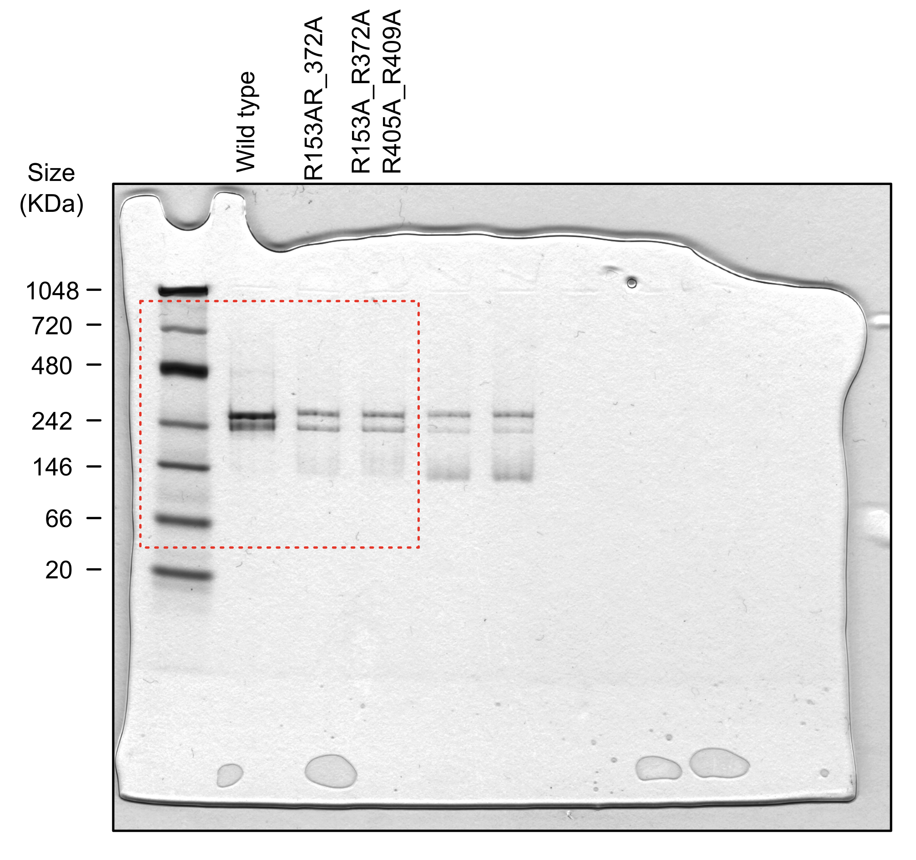

Supplementary Fig. 2c
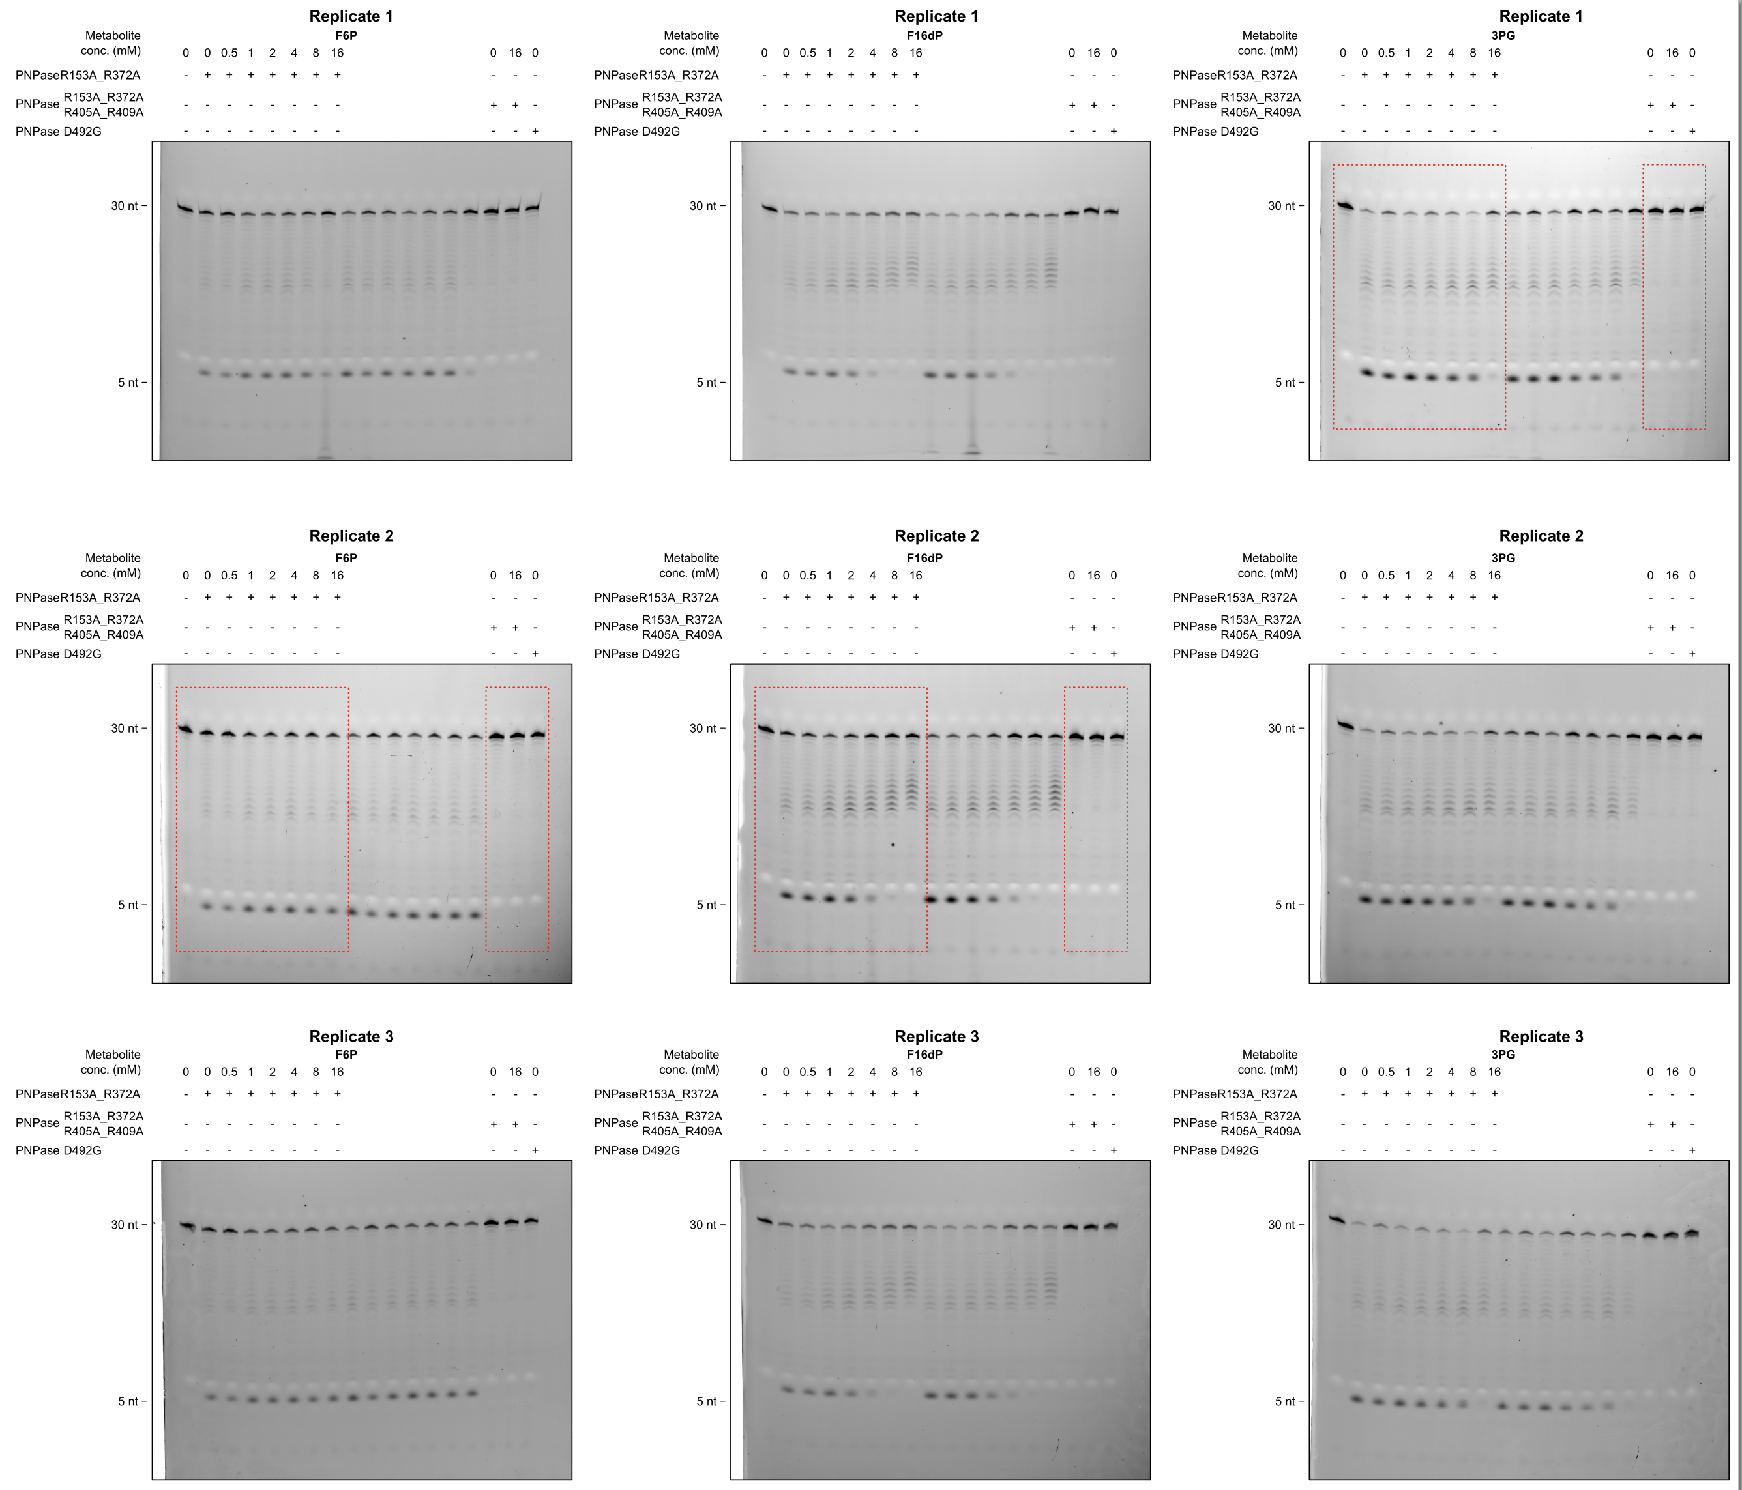
Values indicate amount of fully diggested oligonucleotide, relative to total oligonucleotide loaded (%)

Conc (mM) | PNP-2mut_F6PRep1 | PNP-2mut_F6PRep2 | PNP-2mut_F6PRep3 | PNP-2mut_F16DPRep1 | PNP-2mut_F16DPRep2 | PNP-2mut_F16DPRep3 | PNP-2mut_3PG_Rep1 | PNP-2mut_3PG_Rep2 | PNP-2mut_3PG_Rep3
0 | 48.554807639 | 44.481928852 | 42.548080042 | 50.948740681 | 56.959875628 | 42.342340531 | 62.545085361 | 63.293294852 | 65.295543225
0.5 | 43.830121147 | 44.788801881 | 50.225345119 | 53.604514524 | 57.812401 | 50.691392903 | 62.543371705 | 55.133968306 | 61.406303626
1 | 52.345489445 | 54.558398383 | 52.004155359 | 51.709392705 | 68.740306497 | 51.420894238 | 69.024888748 | 64.780305884 | 76.132624637
2 | 51.256534 | 53.875692505 | 51.771598269 | 43.210146759 | 55.795208077 | 53.698480925 | 70.680301152 | 54.310714157 | 67.826437856
4 | 51.904077653 | 53.588679877 | 49.899434729 | 24.422259173 | 38.315777886 | 33.22001931 | 63.609373621 | 47.464880543 | 69.620463157
8 | 49.307243443 | 51.155408979 | 41.370532937 | 10.467175063 | 23.375201721 | 5.3506387784 | 50.702027606 | 33.050151346 | 49.977024095
16 | 37.548530402 | 58.816459398 | 54.684298566 | 0 | 0 | 0 | 15.482090208 | 4.8909356398 | 14.450405771
IC50 | NA | NA | NA | 3.5630671011 | 4.6860951705 | 4.2680483312 | 10.315529186 | 7.1080588717 | 9.5586642382

Metabolite | Mean IC50 | SD
F6P | NA
F16DP | 4.1724035343 | 0.56759048317
3PG | 8.9940840988 | 1.676612509

Supplementary Fig. 6
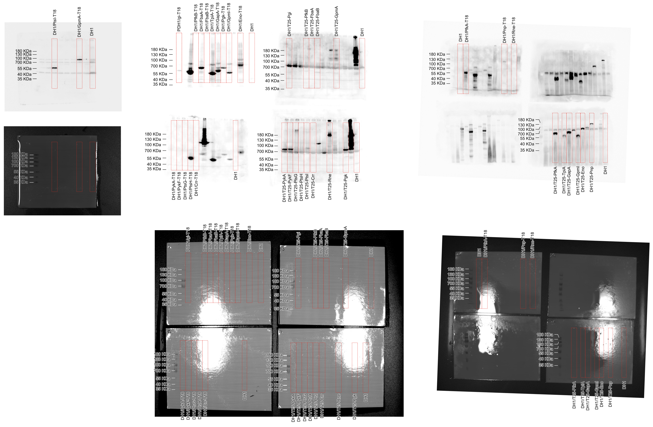

Supplementary Fig. 8
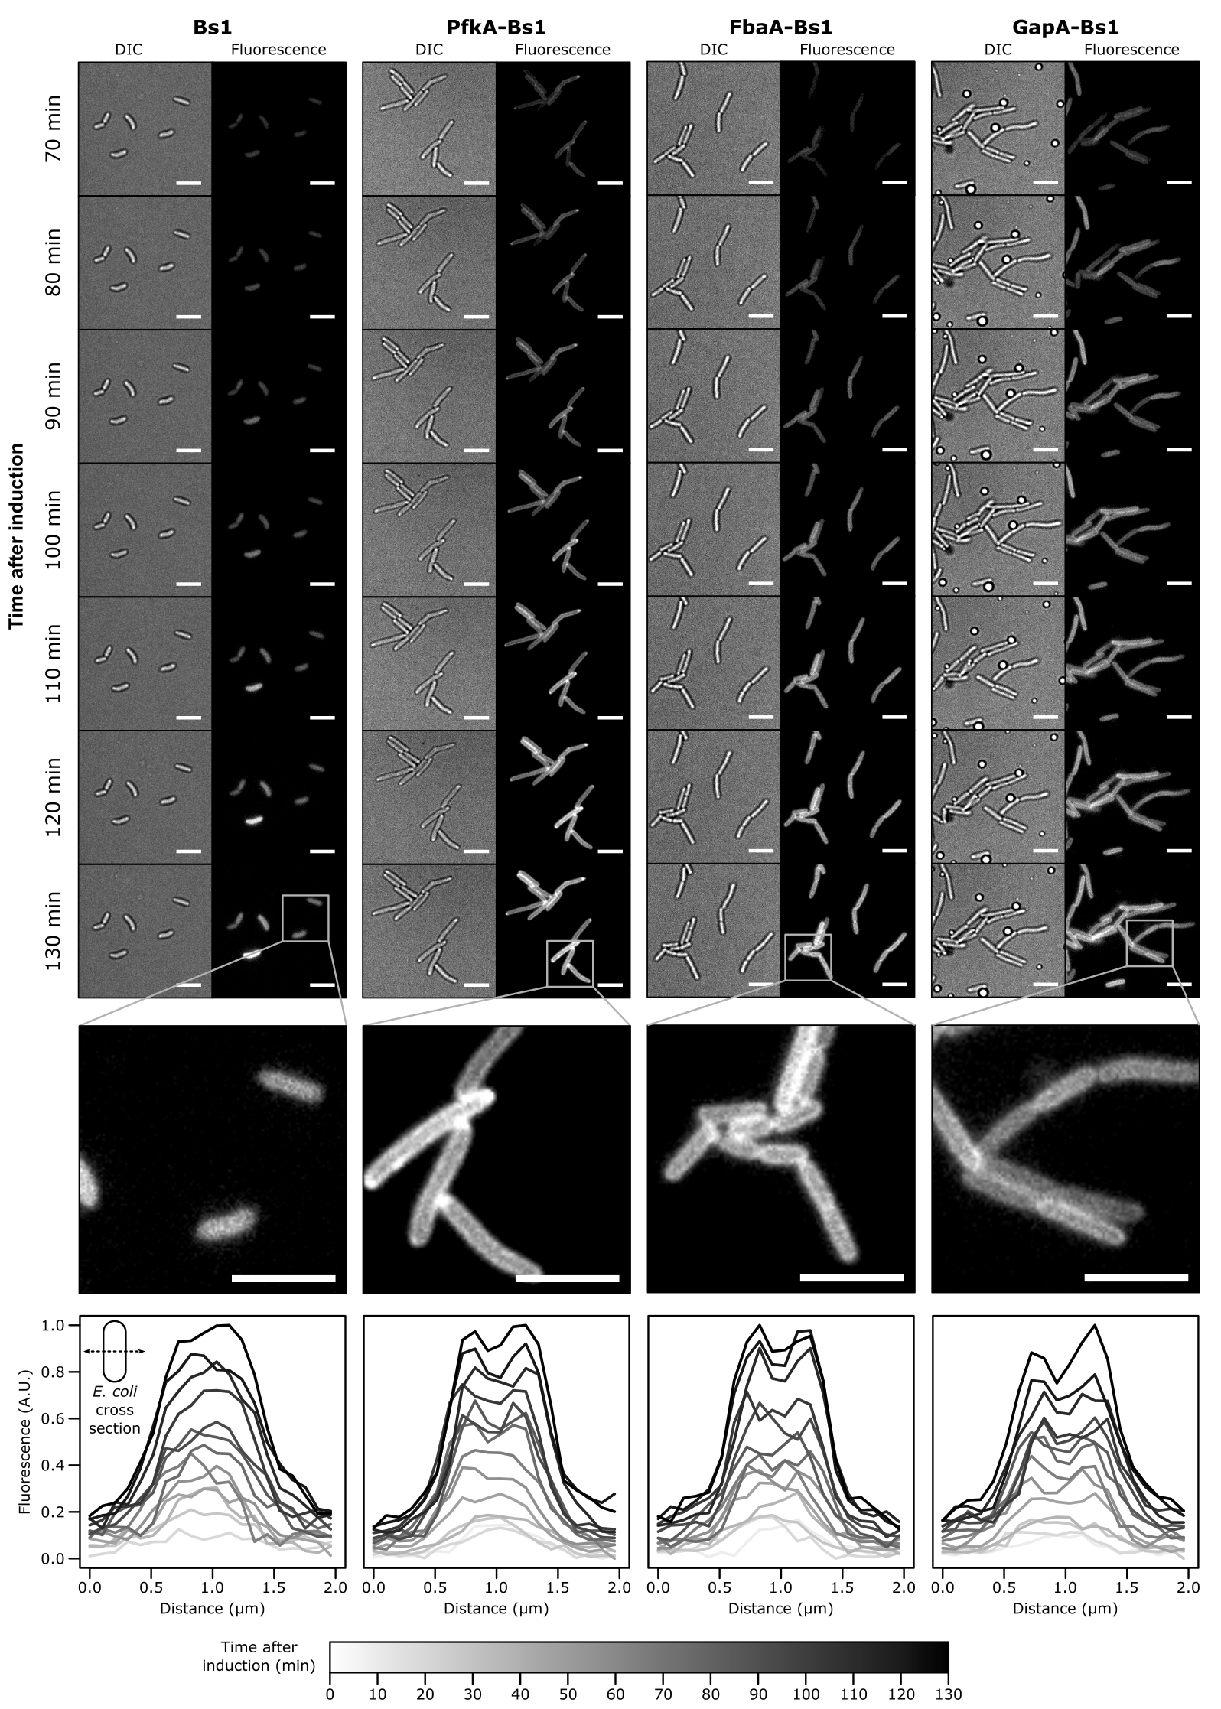
Values indicate fluorescence signal in a cell cross-section (distance in micrometers), before and after normalization to the strongest signal

 | Time after induction of Bs1 (min) |  |  |  |  |  |  |  |  |  |  |  |  |  | Time after induction of PfkA-Bs1 (min) |  |  |  |  |  |  |  |  |  |  |  |  |  | Time after induction of FbaA-Bs1 (min) |  |  |  |  |  |  |  |  |  |  |  |  |  | Time after induction of GapA-Bs1 (min)
Distance_(microns) | 0 | 10 | 20 | 30 | 40 | 50 | 60 | 70 | 80 | 90 | 100 | 110 | 120 | 130 | 0 | 10 | 20 | 30 | 40 | 50 | 60 | 70 | 80 | 90 | 100 | 110 | 120 | 130 | 0 | 10 | 20 | 30 | 40 | 50 | 60 | 70 | 80 | 90 | 100 | 110 | 120 | 130 | 0 | 10 | 20 | 30 | 40 | 50 | 60 | 70 | 80 | 90 | 100 | 110 | 120 | 130
0 | 125.318 | 128.2055 | 141.3089 | 139.8302 | 149.1371 | 155.8617 | 156.335 | 150.516 | 158.801 | 154.413 | 165.352 | 173.796 | 172.43 | 176.566 | 139.6528 | 141.3563 | 140.73 | 153.02 | 164.068 | 179.642 | 177.896 | 203.59 | 209.013 | 198.39 | 231.96 | 230.434 | 212.939 | 215.14 | 165.4561 | 144.0519 | 151.1261 | 157.2756 | 157.91 | 173.755 | 176.198 | 191.815 | 185.095 | 192.061 | 207.84 | 221.455 | 210.765 | 257.359 | 150.5327 | 159.7002 | 151.5918 | 154.7315 | 171.366 | 161.748 | 176.524 | 182.756 | 195.256 | 196.02 | 205.919 | 218.018 | 216.698 | 218.446
0.10317 | 137.3234 | 131.0121 | 140.5934 | 139.3031 | 146.1736 | 157.3649 | 160.963 | 164.357 | 153.635 | 162.13 | 171.605 | 161.357 | 177.056 | 188.474 | 138.8011 | 138.1658 | 145.208 | 151.739 | 166.651 | 172.378 | 187.05 | 199.308 | 209.688 | 222.859 | 231.276 | 207.132 | 216.848 | 228.359 | 162.2455 | 139.9704 | 157.9998 | 162.3047 | 148.521 | 176.233 | 179.149 | 190.396 | 198.904 | 190.917 | 196.495 | 241.141 | 230.622 | 242.279 | 147.0267 | 149.3493 | 157.8858 | 154.2818 | 162.978 | 159.404 | 181.484 | 197.193 | 200.27 | 217.611 | 219.884 | 215.763 | 245.756 | 241.874
0.20635 | 130.1478 | 132.9924 | 140.7612 | 148.6824 | 143.9413 | 151.8638 | 156.436 | 163.12 | 180.084 | 166.173 | 187.3 | 193.04 | 179.178 | 192.11 | 130.6914 | 142.0337 | 147.579 | 159.781 | 177.898 | 180.932 | 188.773 | 216.428 | 207.878 | 225.303 | 250.726 | 231.711 | 235.891 | 255.717 | 154.3155 | 143.264 | 155.629 | 152.3604 | 167.296 | 168.333 | 173.39 | 199.136 | 208.658 | 198.617 | 221.45 | 264.66 | 253.91 | 256.411 | 153.9233 | 158.2246 | 164.022 | 153.3813 | 166.046 | 173.726 | 186.443 | 198.548 | 236.506 | 212.507 | 232.339 | 224.217 | 246.743 | 258.635
0.30952 | 127.6188 | 145.7657 | 150.2425 | 161.5641 | 159.2941 | 148.1094 | 162.92 | 162.714 | 188.119 | 180.43 | 188.051 | 189.943 | 200.126 | 209.391 | 132.3236 | 145.9748 | 153.013 | 165.432 | 181.381 | 191.23 | 195.986 | 232.923 | 234.014 | 233.295 | 278.672 | 237.969 | 262.656 | 266.561 | 171.8698 | 147.4204 | 152.9728 | 169.6066 | 174.583 | 174.346 | 180.272 | 181.257 | 210.552 | 230.376 | 255.269 | 305.612 | 251.666 | 264.773 | 151.2572 | 151.7647 | 153.1117 | 158.8265 | 164.529 | 197.983 | 195.912 | 197.624 | 219.258 | 213.215 | 218.599 | 231.428 | 236.378 | 259.911
0.4127 | 133.709 | 141.6212 | 153.3474 | 149.607 | 152.9918 | 163.8905 | 184.511 | 152.657 | 189.759 | 197.653 | 191.902 | 217.522 | 233.639 | 240.957 | 148.6148 | 148.6371 | 159.956 | 173.505 | 195.373 | 207.661 | 211.873 | 248.838 | 251.578 | 267.078 | 308.333 | 275.324 | 279.418 | 295.502 | 165.4867 | 150.582 | 156.4582 | 196.4838 | 174.398 | 196.963 | 197.723 | 197.438 | 231.663 | 239.89 | 275.971 | 359.739 | 279.107 | 305.885 | 155.0518 | 157.4698 | 169.375 | 168.4411 | 181.155 | 224.889 | 207.051 | 235.912 | 228.832 | 226.764 | 213.957 | 270.083 | 242.846 | 297.202
...
 | Time after induction of Bs1 (min) NORMALIZED |  |  |  |  |  |  |  |  |  |  |  |  |  | Time after induction of PfkA-Bs1 (min) NORMALIZED
1.13492 | 0.079291294 | 0.11065989 | 0.18619038 | 0.21724773 | 0.23942552 | 0.36214577 | 0.32854835 | 0.44874461 | 0.50542464 | 0.5554043 | 0.714856 | 0.7900863 | 0.8065853 | 1 | 0.12066294 | 0.129475954 | 0.18903731 | 0.2152462 | 0.23265066 | 0.4354794 | 0.44668753 | 0.6175819 | 0.7021731
1.2381 | 0.068103947 | 0.08325865 | 0.14566243 | 0.17297827 | 0.26160188 | 0.26094971 | 0.24298334 | 0.39879 | 0.44931281 | 0.4611591 | 0.6671026 | 0.6826261 | 0.7684198 | 0.937052 | 0.08994706 | 0.121128165 | 0.13899767 | 0.19187904 | 0.19264742 | 0.36227701 | 0.47415029 | 0.575352 | 0.6766012
1.34127 | 0.035234103 | 0.08626829 | 0.14583181 | 0.18318968 | 0.16326572 | 0.23487532 | 0.07219637 | 0.2695741 | 0.3652058 | 0.401731 | 0.509234 | 0.624749 | 0.6657304 | 0.7869844 | 0.05596092 | 0.052887213 | 0.12083943 | 0.14713045 | 0.14786598 | 0.24652896 | 0.37508396 | 0.4124572 | 0.5527313
1.44444 | 0.094651472 | 0.06526119 | 0.09149246 | 0.06297734 | 0.13487675 | 0.15046528 | 0.10374365 | 0.2208738 | 0.27233646 | 0.354646 | 0.3447973 | 0.4437631 | 0.4976415 | 0.5595889 | 0.04133066 | 0.030187864 | 0.08879194 | 0.08122859 | 0.10026654 | 0.17296155 | 0.23812423 | 0.2726265 | 0.341726
1.54762 | 0.072090239 | 0.03947519 | 0.08103197 | 0.06772015 | 0.0699797 | 0.10106563 | 0.05601893 | 0.24088924 | 0.21896196 | 0.2409929 | 0.2042354 | 0.3016074 | 0.4044648 | 0.3833487 | 0.02421238 | 0.028851685 | 0.06027608 | 0.05187134 | 0.08369982 | 0.10826062 | 0.17805366 | 0.1961316 | 0.2588815
1.65079 | 0.030840784 | 0.04406362 | 0.07800839 | 0.07034706 | 0.09161896 | 0.0882902 | 0.10407241 | 0.20275592 | 0.12947676 | 0.2145308 | 0.179049 | 0.272751 | 0.3372678 | 0.3546603 | 0.01625481 | 0.015624954 | 0.04792723 | 0.05482806 | 0.05727921 | 0.10539516 | 0.1377219 | 0.1307462 | 0.1817788
1.75397 | 0.041112231 | 0.04154141 | 0.0939918 | 0.032763 | 0.07959397 | 0.10972148 | 0.11609025 | 0.16201033 | 0.11503963 | 0.1292981 | 0.1947119 | 0.2273812 | 0.3058742 | 0.2715789 | 0.02466392 | 0.012716242 | 0.03365288 | 0.0512435 | 0.05049337 | 0.08950374 | 0.10859827 | 0.1109892 | 0.1611694
1.85714 | 0.014887398 | 0.04720263 | 0.07184224 | 0.02490119 | 0.07076588 | 0.10759843 | 0.11798781 | 0.12902649 | 0.09360907 | 0.1767083 | 0.2112217 | 0.1756506 | 0.2125653 | 0.1916065 | 0.02244584 | 0.021907241 | 0.04095341 | 0.05003526 | 0.07246978 | 0.07422921 | 0.0934734 | 0.1199031 | 0.1197462
1.96032 | 0.062715753 | 0.07172538 | 0.05674864 | 0.05249219 | 0.01297769 | 0.09055905 | 0.09397714 | 0.14673699 | 0.09824396 | 0.1254387 | 0.1726095 | 0.1875183 | 0.2033313 | 0.1938792 | 0.01828253 | 0.001706681 | 0.03875412 | 0.04282599 | 0.05696529 | 0.08310483 | 0.08127422 | 0.1355591 | 0.1086165

Supplementary Fig. 9a
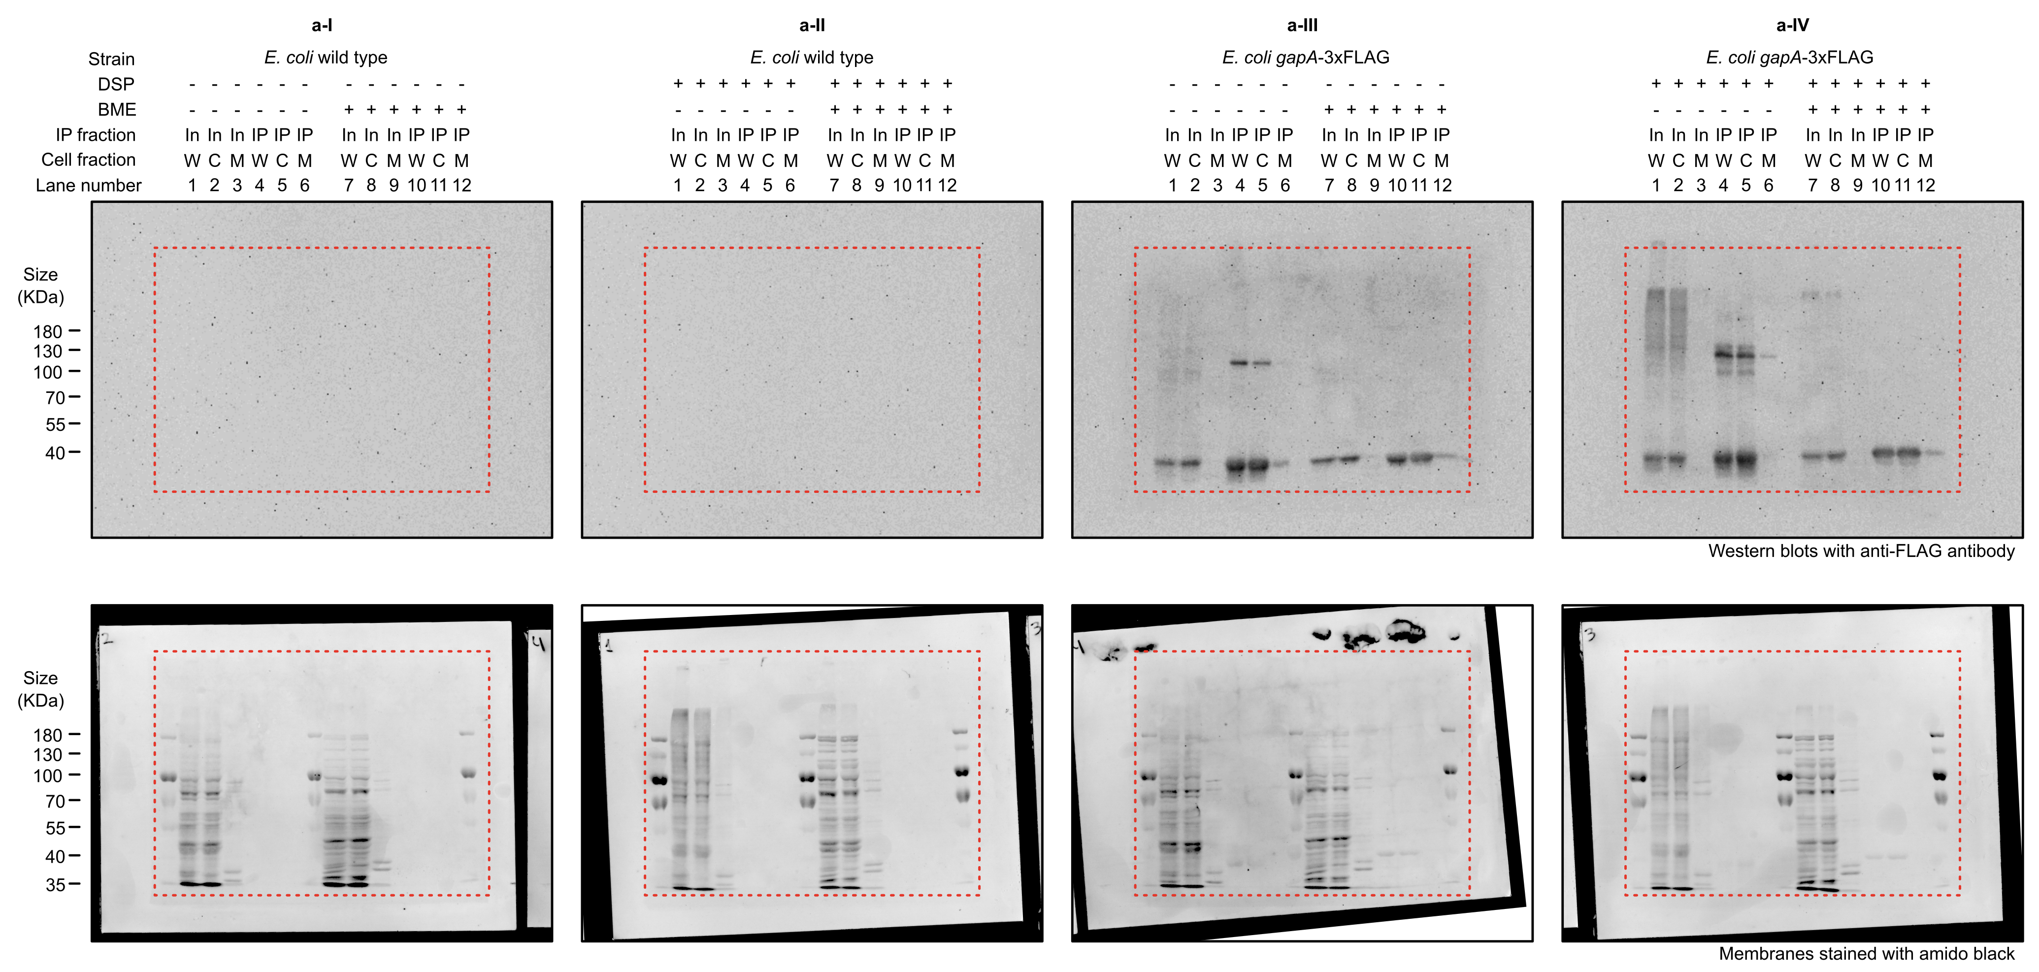

Supplementary Fig. 9b
