Figure 3
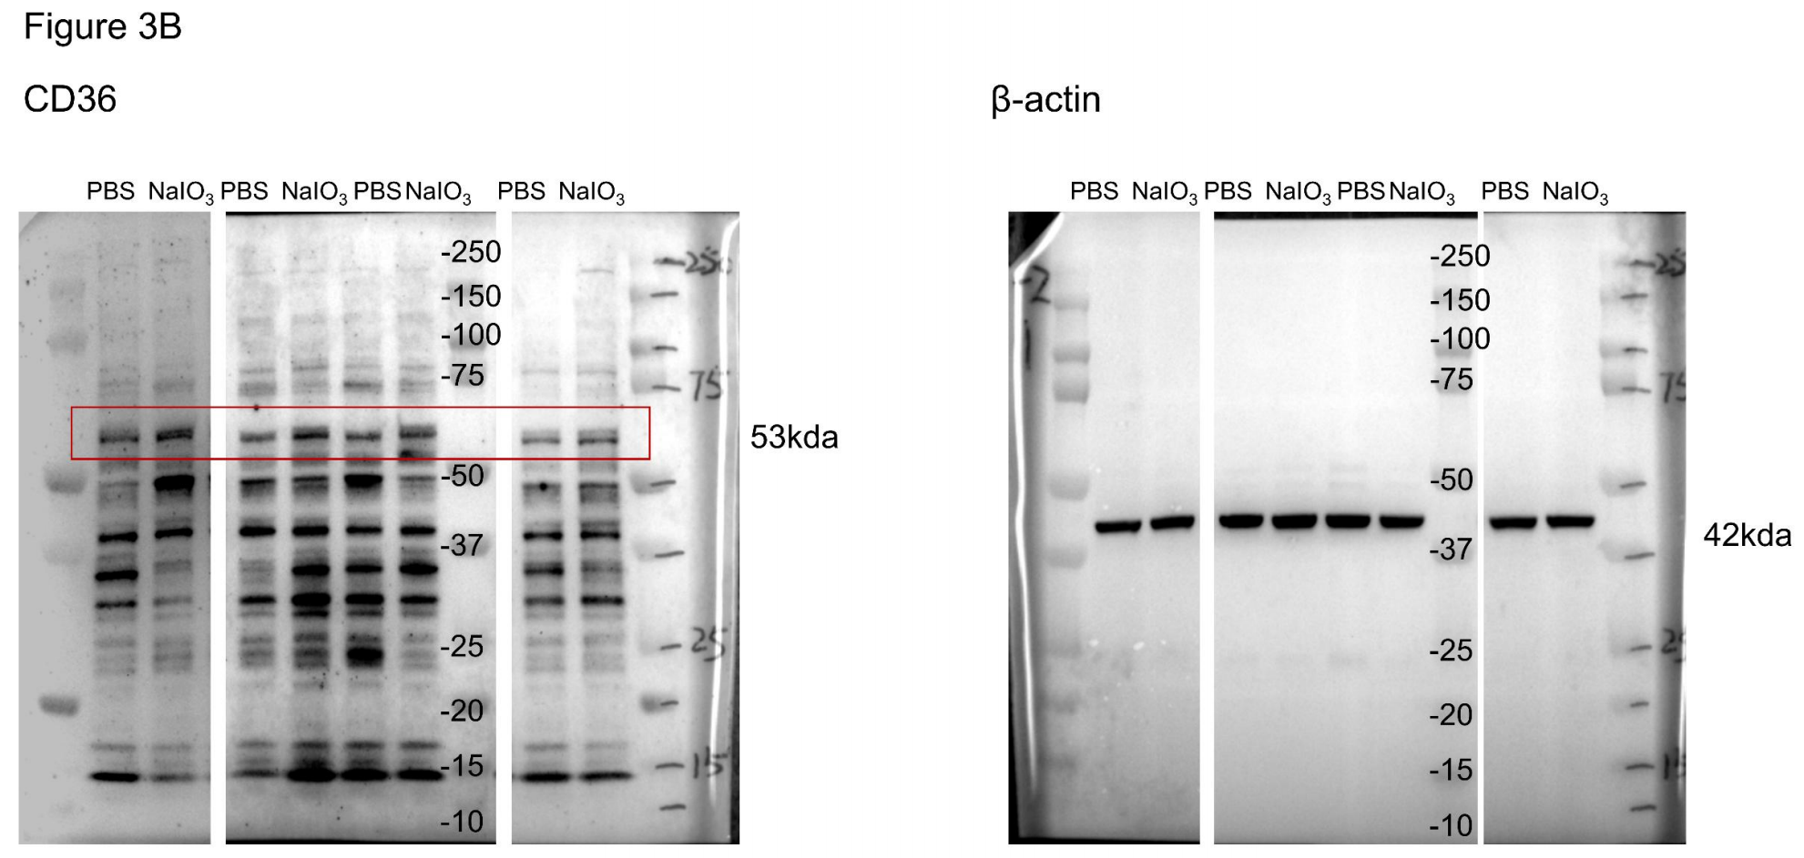
Fig 3A | qPCR
 | Eyes | PBS | NaIO3 | Unpaired t test
 | Sample 1 | 1 | 3.08386 | P value | 0.0076
 | Sample 2 | 1.008485545 | 2.911471 | P value summary | **
 | Sample 3 | 0.439818 | 0.941854 | Significantly different (P < 0.05)? | Yes
 | Sample 4 | 0.433524 | 0.989728 | One- or two-tailed P value? | Two-tailed
 | Sample 5 | 0.990045 | 2.495083 | t, df | t=3.332, df=10
 | Sample 6 | 0.941897 | 2.445716

Fig 3B | westerm blot CD36 protein fold change/β-actin |  |  | Unpaired t test
 | Eyes | PBS | NaIO3 | P value | 0.014
 | Sample 1 | 0.960545134 | 1.355216864 | P value summary | *
 | Sample 2 | 1.115811 | 1.676097 | Significantly different (P < 0.05)? | Yes
 | Sample 3 | 1.132962 | 1.348633 | One- or two-tailed P value? | Two-tailed
 | Sample 4 | 0.78895 | 1.270078 | t, df | t=3.426, df=6

Fig 3D | OCT thickness of ONL
 | Eyes | CD36fl/fl NaIO3 | CD36 cKO NaIO3 | Mann Whitney test
 | Sample 1 | 27 | 46.4 | P value | 0.0002
 | Sample 2 | 28.5 | 47.3 | Exact or approximate P value? | Exact
 | Sample 3 | 35.8 | 47.9 | P value summary | ***
 | Sample 4 | 25.8 | 53.4 | Significantly different (P < 0.05)? | Yes
 | Sample 5 | 40.8 | 53.4 | One- or two-tailed P value? | Two-tailed
 | Sample 6 | 39.3 | 51.8 | Sum of ranks in column A,B | 55 , 81
 | Sample 7 | 30.5 |  | Mann-Whitney U | 0
 | Sample 8 | 31.8
 | Sample 9 | 44.3
 | Sample 10 | 40.3

Fig 3E | Fundus structure damage score
 | Eyes | CD36fl/fl NaIO3 | CD36 cKO NaIO3 | Mann Whitney test
 | Sample 1 | 4 | 2 | P value | 0.0009
 | Sample 2 | 4 | 3 | Exact or approximate P value? | Exact
 | Sample 3 | 4 | 2 | P value summary | ***
 | Sample 4 | 4 | 2 | Significantly different (P < 0.05)? | Yes
 | Sample 5 | 3 | 1 | One- or two-tailed P value? | Two-tailed
 | Sample 6 | 3 | 1 | Sum of ranks in column A,B | 112 , 24
 | Sample 7 | 3 |  | Mann-Whitney U | 3
 | Sample 8 | 3
 | Sample 9 | 3
 | Sample 10 | 3

Fig 3G | Visual acuity
 | Eyes | CD36fl/fl NaIO3 | CD36 cKO NaIO3 | Mann Whitney test
 | Sample 1 | 0.3 | 0.3 | P value | 0.0192
 | Sample 2 | 0.25 | 0.35 | Exact or approximate P value? | Exact
 | Sample 3 | 0.05 | 0.25 | P value summary | *
 | Sample 4 | 0.25 | 0.4 | Significantly different (P < 0.05)? | Yes
 | Sample 5 | 0.2 | 0.3 | One- or two-tailed P value? | Two-tailed
 | Sample 6 | 0.2 | 0.3 | Sum of ranks in column A,B | 64 , 72
 | Sample 7 | 0 |  | Mann-Whitney U | 9
 | Sample 8 | 0.3
 | Sample 9 | 0.3
 | Sample 10 | 0.25

Fig 3G | contrast sensitivity |  |  | Mann Whitney test
 | Eyes | CD36fl/fl NaIO3 | CD36 cKO NaIO3 | P value | 0.0357
 | Sample 1 | 45.66% | 10.23% | Exact or approximate P value? | Exact
 | Sample 2 | 100% | 18.63% | P value summary | *
 | Sample 3 | 61.55% | 18.63% | Significantly different (P < 0.05)? | Yes
 | Sample 4 | 84.91% |  | One- or two-tailed P value? | Two-tailed
 | Sample 5 | 100% |  | Sum of ranks in column A,B | 30 , 6
 |  |  |  | Mann-Whitney U | 0

Figure 4
Fig 4A | Fundus structure damage score |  |  |  |  |  |  | Kruskal–Wallis test with Dunn’s post hoc test
 | Eyes | C57 PBS | NaIO3 PBS | NaIO3 CD36- Cells | NaIO3 CD36+ Cells |  | Dunn's multiple comparisons test | Mean rank diff. | Significant? | Summary | Adjusted P Value |  |  | Test details | Mean rank 1 | Mean rank 2 | Mean rank diff. | n1 | n2 | Z
 | Sample 1 | 0 | 2 | 2 | 4 |  | C57 PBS vs. NaIO3 PBS | -12.5 | Yes | * | 0.0372 | A-B |  | C57 PBS vs. NaIO3 PBS | 4.5 | 17 | -12.5 | 8 | 8 | 2.737
 | Sample 2 | 0 | 2 | 1 | 4 |  | C57 PBS vs. NaIO3 CD36- Cells | -11.5 | No | ns | 0.0708 | A-C |  | C57 PBS vs. NaIO3 CD36- Cells | 4.5 | 16 | -11.5 | 8 | 8 | 2.518
 | Sample 3 | 0 | 2 | 1 | 3 |  | C57 PBS vs. NaIO3 CD36+ Cells | -24 | Yes | **** | <0.0001 | A-D |  | C57 PBS vs. NaIO3 CD36+ Cells | 4.5 | 28.5 | -24 | 8 | 8 | 5.255
 | Sample 4 | 0 | 2 | 2 | 4 |  | NaIO3 PBS vs. NaIO3 CD36- Cells | 1 | No | ns | >0.9999 | B-C |  | NaIO3 PBS vs. NaIO3 CD36- Cells | 17 | 16 | 1 | 8 | 8 | 0.219
 | Sample 5 | 0 | 1 | 1 | 3 |  | NaIO3 PBS vs. NaIO3 CD36+ Cells | -11.5 | No | ns | 0.0708 | B-D |  | NaIO3 PBS vs. NaIO3 CD36+ Cells | 17 | 28.5 | -11.5 | 8 | 8 | 2.518
 | Sample 6 | 0 | 1 | 1 | 4 |  | NaIO3 CD36- Cells vs. NaIO3 CD36+ Cells | -12.5 | Yes | * | 0.0372 | C-D |  | NaIO3 CD36- Cells vs. NaIO3 CD36+ Cells | 16 | 28.5 | -12.5 | 8 | 8 | 2.737
 | Sample 7 | 0 | 2 | 2 | 4
 | Sample 8 | 0 | 1 | 2 | 3

Fig 4B | Fundus structure damage score
 | Eyes | C57 PBS | NaIO3 PBS | NaIO3 CD36- Cells | NaIO3 CD36+ Cells |  |  | one-way ANOVA with Tukey’s post hoc test
 | Sample 1 | 48.6 | 49.2 | 46.9 | 44.1 |  | Tukey's multiple comparisons test | Mean Diff. | 95.00% CI of diff. | Below threshold? | Summary | Adjusted P Value |  | Test details | Mean 1 | Mean 2 | Mean Diff. | SE of diff. | n1 | n2 | q | DF
 | Sample 2 | 49.5 | 49.5 | 46 | 46.2 |  | C57 PBS vs. NaIO3 PBS | 4.05 | 0.7956 to 7.304 | Yes | * | 0.0104 | A-B | C57 PBS vs. NaIO3 PBS | 51.95 | 47.9 | 4.05 | 1.192 | 8 | 8 | 4.805 | 28
 | Sample 3 | 49.8 | 44.7 | 49.6 | 45.8 |  | C57 PBS vs. NaIO3 CD36- Cells | 3.925 | 0.6706 to 7.179 | Yes | * | 0.0135 | A-C | C57 PBS vs. NaIO3 CD36- Cells | 51.95 | 48.03 | 3.925 | 1.192 | 8 | 8 | 4.657 | 28
 | Sample 4 | 48.2 | 48.7 | 46.9 | 41.8 |  | C57 PBS vs. NaIO3 CD36+ Cells | 7.938 | 4.683 to 11.19 | Yes | **** | <0.0001 | A-D | C57 PBS vs. NaIO3 CD36+ Cells | 51.95 | 44.01 | 7.938 | 1.192 | 8 | 8 | 9.418 | 28
 | Sample 5 | 58 | 45 | 49.2 | 42.8 |  | NaIO3 PBS vs. NaIO3 CD36- Cells | -0.125 | -3.379 to 3.129 | No | ns | 0.9996 | B-C | NaIO3 PBS vs. NaIO3 CD36- Cells | 47.9 | 48.03 | -0.125 | 1.192 | 8 | 8 | 0.1483 | 28
 | Sample 6 | 51.8 | 46.5 | 48.2 | 45.2 |  | NaIO3 PBS vs. NaIO3 CD36+ Cells | 3.888 | 0.6331 to 7.142 | Yes | * | 0.0146 | B-D | NaIO3 PBS vs. NaIO3 CD36+ Cells | 47.9 | 44.01 | 3.888 | 1.192 | 8 | 8 | 4.612 | 28
 | Sample 7 | 53.5 | 50.5 | 49 | 41.8 |  | NaIO3 CD36- Cells vs. NaIO3 CD36+ Cells | 4.013 | 0.7581 to 7.267 | Yes | * | 0.0113 | C-D | NaIO3 CD36- Cells vs. NaIO3 CD36+ Cells | 48.03 | 44.01 | 4.013 | 1.192 | 8 | 8 | 4.761 | 28
 | Sample 8 | 56.2 | 49.1 | 48.4 | 44.4

Fig 4C | Retinal Folds |  |  |  |  |  |  | Kruskal–Wallis test with Dunn’s post hoc test
 | Eyes | C57 PBS | NaIO3 PBS | NaIO3 CD36- Cells | NaIO3 CD36+ Cells |  | Dunn's multiple comparisons test | Mean rank diff. | Significant? | Summary | Adjusted P Value |  |  | Test details | Mean rank 1 | Mean rank 2 | Mean rank diff. | n1 | n2 | Z
 | Sample 1 | 0 | 1 | 0 | 2 |  | C57 PBS vs. NaIO3 PBS | -7.5 | No | ns | 0.4197 | A-B |  | C57 PBS vs. NaIO3 PBS | 6.5 | 14 | -7.5 | 7 | 7 | 1.812
 | Sample 2 | 0 | 0 | 1 | 3 |  | C57 PBS vs. NaIO3 CD36- Cells | -6 | No | ns | 0.8827 | A-C |  | C57 PBS vs. NaIO3 CD36- Cells | 6.5 | 12.5 | -6 | 7 | 7 | 1.45
 | Sample 3 | 0 | 1 | 1 | 3 |  | C57 PBS vs. NaIO3 CD36+ Cells | -18.5 | Yes | **** | <0.0001 | A-D |  | C57 PBS vs. NaIO3 CD36+ Cells | 6.5 | 25 | -18.5 | 7 | 7 | 4.47
 | Sample 4 | 0 | 0 | 0 | 2 |  | NaIO3 PBS vs. NaIO3 CD36- Cells | 1.5 | No | ns | >0.9999 | B-C |  | NaIO3 PBS vs. NaIO3 CD36- Cells | 14 | 12.5 | 1.5 | 7 | 7 | 0.3625
 | Sample 5 | 0 | 1 | 1 | 4 |  | NaIO3 PBS vs. NaIO3 CD36+ Cells | -11 | Yes | * | 0.0472 | B-D |  | NaIO3 PBS vs. NaIO3 CD36+ Cells | 14 | 25 | -11 | 7 | 7 | 2.658
 | Sample 6 | 0 | 1 | 1 | 3 |  | NaIO3 CD36- Cells vs. NaIO3 CD36+ Cells | -12.5 | Yes | * | 0.0151 | C-D |  | NaIO3 CD36- Cells vs. NaIO3 CD36+ Cells | 12.5 | 25 | -12.5 | 7 | 7 | 3.02
 | Sample 7 | 0 | 1 | 0 | 3

Fig 4D | Hexagonal ZO-1+ Cells
 | Eyes | NaIO3 CD36- Cells | NaIO3 CD36+ Cells |  |  |  | Unpaired t test
 | Sample 1 | 100.5 | 44.5 |  |  |  | P value | 0.0368
 | Sample 2 | 68 | 71.25 |  |  |  | P value summary | *
 | Sample 3 | 64 | 66.75 |  |  |  | Significantly different (P < 0.05)? | Yes
 | Sample 4 | 105.5 | 79.75 |  |  |  | One- or two-tailed P value? | Two-tailed
 | Sample 5 | 119.75 | 77 |  |  |  | t, df | t=2.349, df=12
 | Sample 6 | 98 | 72.25
 | Sample 7 | 102 | 91.25

Fig 4G | WB |  |  |  |  |  |  | Unpaired t test
 | PBS |  |  | Pioglitazone |  |  |  |  | Below threshold? | P value | Mean of pbs | Mean of piloglitazone | Difference | SE of difference | t ratio | df | Adjusted P Value
 | Culture 1 | Culture 2 | Culture 3 | Culture 1 | Culture 2 | Culture 3 |  | PPARγ | Yes | 0.000836 | 1 | 1.704 | -0.7045 | 0.07809 | 9.021 | 4 | 0.002507
PPARγ | 0.919356794 | 0.946914905 | 1.133728301 | 1.626243543 | 1.753779527 | 1.733359646 |  | CD36 | Yes | 0.029968 | 1 | 1.371 | -0.3709 | 0.1124 | 3.299 | 4 | 0.029968
CD36 | 1.041901761 | 1.081971564 | 0.876126675 | 1.196662955 | 1.514968828 | 1.400977249 |  | oxLDL | Yes | 0.006714 | 1.005 | 1.904 | -0.8998 | 0.1745 | 5.156 | 4 | 0.013384
oxLDL | 0.996810817 | 1.010909664 | 1.006218206 | 1.981432758 | 2.160678322 | 1.571250039

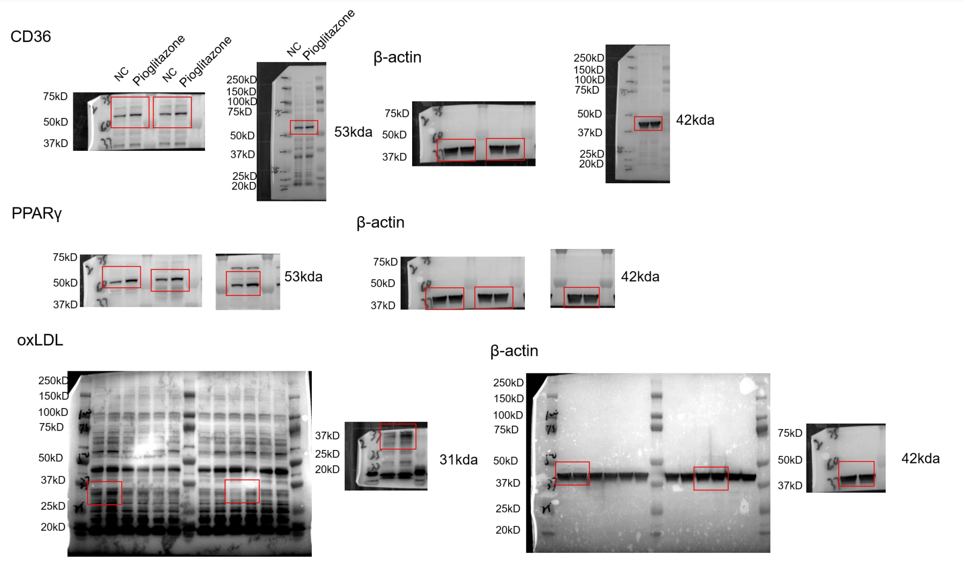
Fig 4G

Figure 5
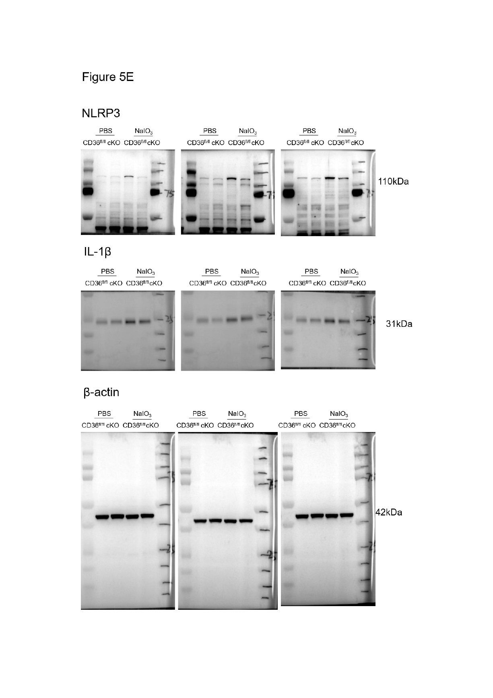
Fig 5E | Fig 5E | WB |  |  |  |  |  | One-way ANOVA
 |  | Nlrp3 | PBS CD36fl/fl | PBS CD36 CKO | NaIO3 CD36fl/fl | NaIO3 CD36 CKO |  | Tukey's multiple comparisons test | Mean Diff. | 95.00% CI of diff. | Below threshold? | Summary | Adjusted P Value |  | Test details | Mean 1 | Mean 2 | Mean Diff. | SE of diff. | n1 | n2 | q | DF
 |  | Sample 1 | 1.114050389 | 0.629112588 | 1.998645335 | 1.076854817 |  | PBS CD36fl/fl vs. PBS CD36 CKO | 0.3701 | -0.07499 to 0.8152 | No | ns | 0.107 | A-B | PBS CD36fl/fl vs. PBS CD36 CKO | 0.9916 | 0.6215 | 0.3701 | 0.139 | 3 | 3 | 3.766 | 8
 |  | Sample 2 | 1.134281 | 0.769135 | 2.213765 | 1.397025 |  | PBS CD36fl/fl vs. NaIO3 CD36fl/fl | -1.084 | -1.529 to -0.6386 | Yes | *** | 0.0002 | A-C | PBS CD36fl/fl vs. NaIO3 CD36fl/fl | 0.9916 | 2.075 | -1.084 | 0.139 | 3 | 3 | 11.03 | 8
 |  | Sample 3 | 0.726439 | 0.466247 | 2.013348 | 1.228423 |  | PBS CD36fl/fl vs. NaIO3 CD36 CKO | -0.2425 | -0.6876 to 0.2026 | No | ns | 0.3631 | A-D | PBS CD36fl/fl vs. NaIO3 CD36 CKO | 0.9916 | 1.234 | -0.2425 | 0.139 | 3 | 3 | 2.468 | 8
 |  |  |  |  |  |  |  | PBS CD36 CKO vs. NaIO3 CD36fl/fl | -1.454 | -1.899 to -1.009 | Yes | **** | <0.0001 | B-C | PBS CD36 CKO vs. NaIO3 CD36fl/fl | 0.6215 | 2.075 | -1.454 | 0.139 | 3 | 3 | 14.79 | 8
 |  |  |  |  |  |  |  | PBS CD36 CKO vs. NaIO3 CD36 CKO | -0.6126 | -1.058 to -0.1675 | Yes | ** | 0.0097 | B-D | PBS CD36 CKO vs. NaIO3 CD36 CKO | 0.6215 | 1.234 | -0.6126 | 0.139 | 3 | 3 | 6.233 | 8
 |  |  |  |  |  |  |  | NaIO3 CD36fl/fl vs. NaIO3 CD36 CKO | 0.8412 | 0.3961 to 1.286 | Yes | ** | 0.0014 | C-D | NaIO3 CD36fl/fl vs. NaIO3 CD36 CKO | 2.075 | 1.234 | 0.8412 | 0.139 | 3 | 3 | 8.559 | 8
 |  |  |  |  |  |  |  | One-way ANOVA
 |  | IL-1β | PBS CD36fl/fl | PBS CD36 CKO | NaIO3 CD36fl/fl | NaIO3 CD36 CKO |  | Tukey's multiple comparisons test | Mean Diff. | 95.00% CI of diff. | Below threshold? | Summary | Adjusted P Value |  | Test details | Mean 1 | Mean 2 | Mean Diff. | SE of diff. | n1 | n2 | q | DF
 |  | Sample 1 | 0.8934303 | 0.937511576 | 2.056775068 | 1.708550547 |  | PBS CD36fl/fl vs. PBS CD36 CKO | 0.1105 | -0.1488 to 0.3698 | No | ns | 0.5523 | A-B | PBS CD36fl/fl vs. PBS CD36 CKO | 1.005 | 0.8942 | 0.1105 | 0.08098 | 3 | 3 | 1.929 | 8
 |  | Sample 2 | 1.162586 | 0.756324 | 2.122248 | 1.82436 |  | PBS CD36fl/fl vs. NaIO3 CD36fl/fl | -1.089 | -1.349 to -0.8301 | Yes | **** | <0.0001 | A-C | PBS CD36fl/fl vs. NaIO3 CD36fl/fl | 1.005 | 2.094 | -1.089 | 0.08098 | 3 | 3 | 19.03 | 8
 |  | Sample 3 | 0.957939 | 0.988683 | 2.10303 | 1.791114 |  | PBS CD36fl/fl vs. NaIO3 CD36 CKO | -0.77 | -1.029 to -0.5107 | Yes | **** | <0.0001 | A-D | PBS CD36fl/fl vs. NaIO3 CD36 CKO | 1.005 | 1.775 | -0.77 | 0.08098 | 3 | 3 | 13.45 | 8
 |  |  |  |  |  |  |  | PBS CD36 CKO vs. NaIO3 CD36fl/fl | -1.2 | -1.459 to -0.9405 | Yes | **** | <0.0001 | B-C | PBS CD36 CKO vs. NaIO3 CD36fl/fl | 0.8942 | 2.094 | -1.2 | 0.08098 | 3 | 3 | 20.95 | 8
 |  |  |  |  |  |  |  | PBS CD36 CKO vs. NaIO3 CD36 CKO | -0.8805 | -1.140 to -0.6212 | Yes | **** | <0.0001 | B-D | PBS CD36 CKO vs. NaIO3 CD36 CKO | 0.8942 | 1.775 | -0.8805 | 0.08098 | 3 | 3 | 15.38 | 8
 |  |  |  |  |  |  |  | NaIO3 CD36fl/fl vs. NaIO3 CD36 CKO | 0.3193 | 0.06003 to 0.5787 | Yes | * | 0.018 | C-D | NaIO3 CD36fl/fl vs. NaIO3 CD36 CKO | 2.094 | 1.775 | 0.3193 | 0.08098 | 3 | 3 | 5.577 | 8

 | Fig 5H | Visual acuity
 |  |  | Normal Diet |  | PLX5622 |  |  | Kruskal–Wallis test with Dunn’s post hoc test
 |  | Eyes | WT CD36+ | NLRP3-/- CD36+ | WT CD36+ | NLRP3-/- CD36+ |  | Dunn's multiple comparisons test | Mean rank diff. | Significant? | Summary | Adjusted P Value |  |  | Test details | Mean rank 1 | Mean rank 2 | Mean rank diff. | n1 | n2 | Z
 |  | Sample 1 | 0.15 | 0.25 | 0.2 | 0.3 |  | wt cd36+ vs. nlrp3 cd36+ | -13.88 | Yes | * | 0.0121 | A-B |  | wt cd36+ vs. nlrp3 cd36+ | 8.75 | 22.63 | -13.88 | 8 | 8 | 3.087
 |  | Sample 2 | 0.15 | 0.25 | 0.25 | 0.3 |  | wt cd36+ vs. plx wt cd36+ | -2.438 | No | ns | >0.9999 | A-C |  | wt cd36+ vs. plx wt cd36+ | 8.75 | 11.19 | -2.438 | 8 | 8 | 0.5423
 |  | Sample 3 | 0.2 | 0.2 | 0.15 | 0.2 |  | wt cd36+ vs. plx nlrp3 cd36+ | -14.69 | Yes | ** | 0.0065 | A-D |  | wt cd36+ vs. plx nlrp3 cd36+ | 8.75 | 23.44 | -14.69 | 8 | 8 | 3.268
 |  | Sample 4 | 0.15 | 0.2 | 0.2 | 0.3 |  | nlrp3 cd36+ vs. plx wt cd36+ | 11.44 | No | ns | 0.0656 | B-C |  | nlrp3 cd36+ vs. plx wt cd36+ | 22.63 | 11.19 | 11.44 | 8 | 8 | 2.545
 |  | Sample 5 | 0.2 | 0.3 | 0.15 | 0.25 |  | nlrp3 cd36+ vs. plx nlrp3 cd36+ | -0.8125 | No | ns | >0.9999 | B-D |  | nlrp3 cd36+ vs. plx nlrp3 cd36+ | 22.63 | 23.44 | -0.8125 | 8 | 8 | 0.1808
 |  | Sample 6 | 0.2 | 0.25 | 0.2 | 0.25 |  | plx wt cd36+ vs. plx nlrp3 cd36+ | -12.25 | Yes | * | 0.0385 | C-D |  | plx wt cd36+ vs. plx nlrp3 cd36+ | 11.19 | 23.44 | -12.25 | 8 | 8 | 2.725
 |  | Sample 7 | 0.2 | 0.25 | 0.2 | 0.25
 |  | Sample 8 | 0.15 | 0.3 | 0.15 | 0.2

 | Fig 5J | Fundus structural damage
 |  |  | Normal Diet |  | PLX5622 |  |  | Kruskal–Wallis test with Dunn’s post hoc test
 |  | Eyes | WT CD36+ | NLRP3-/- CD36+ | WT CD36+ | NLRP3-/- CD36+ |  | Dunn's multiple comparisons test | Mean rank diff. | Significant? | Summary | Adjusted P Value |  |  | Test details | Mean rank 1 | Mean rank 2 | Mean rank diff. | n1 | n2 | Z
 |  | Sample 1 | 3 | 2 | 4 | 3 |  | ND WT CD36+ vs. ND NLRP3-/- CD36+ | 14.38 | Yes | ** | 0.0077 | A-B |  | ND WT CD36+ vs. ND NLRP3-/- CD36+ | 24 | 9.625 | 14.38 | 8 | 8 | 3.22
 |  | Sample 2 | 4 | 2 | 4 | 2 |  | ND WT CD36+ vs. PLX WT CD36+ | 1.25 | No | ns | >0.9999 | A-C |  | ND WT CD36+ vs. PLX WT CD36+ | 24 | 22.75 | 1.25 | 8 | 8 | 0.28
 |  | Sample 3 | 4 | 1 | 3 | 2 |  | ND WT CD36+ vs. PLX NLRP3-/- CD36+ | 14.38 | Yes | ** | 0.0077 | A-D |  | ND WT CD36+ vs. PLX NLRP3-/- CD36+ | 24 | 9.625 | 14.38 | 8 | 8 | 3.22
 |  | Sample 4 | 4 | 1 | 3 | 3 |  | ND NLRP3-/- CD36+ vs. PLX WT CD36+ | -13.13 | Yes | * | 0.0197 | B-C |  | ND NLRP3-/- CD36+ vs. PLX WT CD36+ | 9.625 | 22.75 | -13.13 | 8 | 8 | 2.94
 |  | Sample 5 | 3 | 2 | 3 | 1 |  | ND NLRP3-/- CD36+ vs. PLX NLRP3-/- CD36+ | 0 | No | ns | >0.9999 | B-D |  | ND NLRP3-/- CD36+ vs. PLX NLRP3-/- CD36+ | 9.625 | 9.625 | 0 | 8 | 8 | 0
 |  | Sample 6 | 3 | 3 | 3 | 1 |  | PLX WT CD36+ vs. PLX NLRP3-/- CD36+ | 13.13 | Yes | * | 0.0197 | C-D |  | PLX WT CD36+ vs. PLX NLRP3-/- CD36+ | 22.75 | 9.625 | 13.13 | 8 | 8 | 2.94
 |  | Sample 7 | 3 | 3 | 3 | 2
 |  | Sample 8 | 4 | 2 | 4 | 2

 | Fig 5K | ONL thickness
 |  |  | Normal Diet |  | PLX5622 |  |  | One-way ANOVA
 |  | Eyes | WT CD36+ | NLRP3-/- CD36+ | WT CD36+ | NLRP3-/- CD36+ |  | Tukey's multiple comparisons test | Mean Diff. | 95.00% CI of diff. | Below threshold? | Summary | Adjusted P Value |  | Test details | Mean 1 | Mean 2 | Mean Diff. | SE of diff. | n1 | n2 | q | DF
 |  | Sample 1 | 47 | 48.2 | 46.8 | 44.3 |  | ND C57 CD36+ vs. ND NLRP3 CD36+ | -3.8 | -6.932 to -0.6678 | Yes | * | 0.0129 | A-B | ND C57 CD36+ vs. ND NLRP3 CD36+ | 43.81 | 47.61 | -3.8 | 1.147 | 8 | 8 | 4.685 | 28
 |  | Sample 2 | 44.3 | 50.5 | 41.5 | 51.4 |  | ND C57 CD36+ vs. PLX C57 CD36+ | -0.85 | -3.982 to 2.282 | No | ns | 0.8797 | A-C | ND C57 CD36+ vs. PLX C57 CD36+ | 43.81 | 44.66 | -0.85 | 1.147 | 8 | 8 | 1.048 | 28
 |  | Sample 3 | 45 | 49.6 | 43.5 | 52.5 |  | ND C57 CD36+ vs. PLX NLRP3 CD36+ | -5.65 | -8.782 to -2.518 | Yes | *** | 0.0002 | A-D | ND C57 CD36+ vs. PLX NLRP3 CD36+ | 43.81 | 49.46 | -5.65 | 1.147 | 8 | 8 | 6.965 | 28
 |  | Sample 4 | 47 | 47 | 45 | 48.7 |  | ND NLRP3 CD36+ vs. PLX C57 CD36+ | 2.95 | -0.1822 to 6.082 | No | ns | 0.0704 | B-C | ND NLRP3 CD36+ vs. PLX C57 CD36+ | 47.61 | 44.66 | 2.95 | 1.147 | 8 | 8 | 3.637 | 28
 |  | Sample 5 | 40.9 | 45.1 | 46.3 | 47 |  | ND NLRP3 CD36+ vs. PLX NLRP3 CD36+ | -1.85 | -4.982 to 1.282 | No | ns | 0.3881 | B-D | ND NLRP3 CD36+ vs. PLX NLRP3 CD36+ | 47.61 | 49.46 | -1.85 | 1.147 | 8 | 8 | 2.281 | 28
 |  | Sample 6 | 42.6 | 45.5 | 44.2 | 50.6 |  | PLX C57 CD36+ vs. PLX NLRP3 CD36+ | -4.8 | -7.932 to -1.668 | Yes | ** | 0.0014 | C-D | PLX C57 CD36+ vs. PLX NLRP3 CD36+ | 44.66 | 49.46 | -4.8 | 1.147 | 8 | 8 | 5.917 | 28
 |  | Sample 7 | 41.7 | 49 | 47.1 | 51.4
 |  | Sample 8 | 42 | 46 | 42.9 | 49.8

 | Fig 5L | H&E staining
 |  |  | WT CD36+ |  |  |  | NLRP3-/- CD36+ |  |  |  |  | Mann-Whitney tests
 |  | Eyes | Sample 1 | Sample 2 | Sample 3 | Sample 4 | Sample 1 | Sample 2 | Sample 3 | Sample 4 |  |  | Below threshold? | P value | Mean rank of wt | Mean rank of nlrp3-/- | Mean rank diff. | Mann-Whitney U
 |  | center | 2 | 3 | 3 | 2 | 1 | 1 | 0 | 0 |  | center | Yes | 0.028571 | 6.5 | 2.5 | 4 | 0
 |  | mid-peri | 1 | 0 | 0 | 1 | 0 | 0 | 0 | 0 |  | mid-peri | No | 0.428571 | 5.5 | 3.5 | 2 | 4
 |  | periphery | 0 | 0 | 0 | 0 | 0 | 0 | 0 | 0 |  | periphery | No | >0.999999 | 4.5 | 4.5 | 0 | 8

 | Fig 5M | hexagonal ZO-1 positive cells
 |  | Eyes | WT CD36+ | NLRP3-/- CD36+ |  | Unpaired t test
 |  | Sample 1 | 44.8 | 131.2 |  | P value | <0.0001
 |  | Sample 2 | 73.6 | 134.4 |  | P value summary | ***
 |  | Sample 3 | 92.8 | 120 |  | Significantly different (P < 0.05)? | Yes
 |  | Sample 4 | 91.8 | 139.9 |  | One- or two-tailed P value? | Two-tailed
 |  | Sample 5 | 73.4 | 118.1 |  | t, df | t=6.267, df=10
 |  | Sample 6 | 46.0 | 127.7

Fig 5N | Fig 5N | WB |  |  |  | Unpaired t test
 |  | Eyes | WT CD36+ | NLRP3-/- CD36+ |  | P value | 0.0183
 |  | Sample 1 | 0.972356 | 0.359136 |  | P value summary | *
 |  | Sample 2 | 0.925554 | 0.677655 |  | Significantly different (P < 0.05)? | Yes
 |  | Sample 3 | 1.09299 | 0.647567 |  | One- or two-tailed P value? | Two-tailed
 |  |  |  |  |  | t, df | t=3.850, df=4

Figure 6
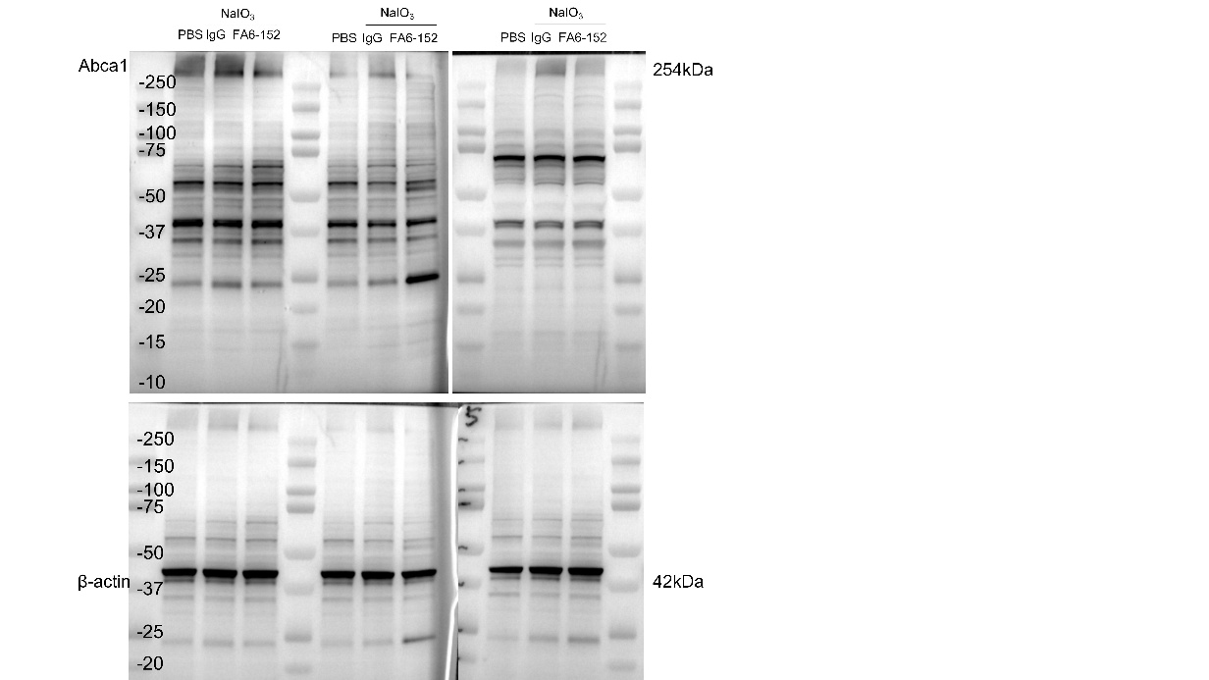
Figure 6C | WB |  |  |  |  |  |  |  |  | Unpaired t test |  |  |  |  |  |  |  |  |  | Figure 6C
 |  | NaIO3+IgG |  |  | NaIO3+FA6-152 |  |  |  |  | Below threshold? | P value | Mean of naio3 | Mean of fa6152 | Difference | SE of difference | t ratio | df | Adjusted P Value
 | Lrp1 | 1.000669 | 0.999996 | 1.000374 | 0.701015 | 0.301566 | 0.532392 |  | Lrp1 | Yes | 0.013467 | 1 | 0.5117 | 0.4887 | 0.1158 | 4.221 | 4 | 0.026753
 | P2x7 | 1.006322 | 0.965659 | 1.000043 | 0.811535 | 0.54925 | 0.81544 |  | P2x7 | Yes | 0.040702 | 0.9907 | 0.7254 | 0.2653 | 0.08899 | 2.981 | 4 | 0.040702
 | Abca1 | 1.012029 | 0.997367 | 1.000138 | 0.609055 | 0.489049 | 0.631811 |  | Abca1 | Yes | 0.000663 | 1.003 | 0.5766 | 0.4265 | 0.04451 | 9.582 | 4 | 0.001987

Figure 6E | WB
 |  | PBS |  |  |  | NaIO3+IgG |  |  |  | NaIO3+FA6-152
 | CD36 | 1.047428 | 0.922502 | 0.991246 | 1.001187 | 1.641242 | 1.461509 | 1.33993 | 1.649991 | 0.970713 | 1.050388 | 1.173113 | 1.304937
 | NLRP3 | 0.74062 | 1.269756 | 0.827788 | 0.971126 | 3.608862 | 2.505928 | 2.658769 | 2.493748 | 1.647558 | 1.137769 | 2.286815 | 2.06257
 | IL-1β | 0.864128 | 0.922502 | 0.991246 | 0.834322 | 1.354025 | 1.461509 | 1.33993 | 1.649991 | 0.800838 | 1.050388 | 1.173113 | 1.304937

 | CD36 | One-way ANOVA
 | Tukey's multiple comparisons test | Mean Diff. | 95.00% CI of diff. | Below threshold? | Summary | Adjusted P Value
 | PBS vs. NaIO3+IgG | -0.5326 | -0.7783 to -0.2868 | Yes | *** | 0.0005 | A-B
 | PBS vs. NaIO3+FA6-152 | -0.1342 | -0.3799 to 0.1115 | No | ns | 0.3252 | A-C
 | NaIO3+IgG vs. NaIO3+FA6-152 | 0.3984 | 0.1526 to 0.6441 | Yes | ** | 0.0037 | B-C

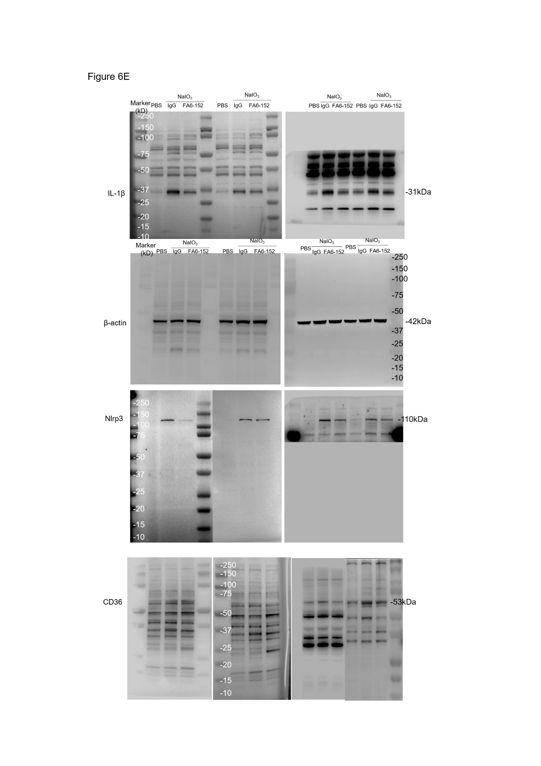
 | Test details | Mean 1 | Mean 2 | Mean Diff. | SE of diff. | n1 | n2 | q | DF
 | PBS vs. NaIO3+IgG | 0.9906 | 1.523 | -0.5326 | 0.08802 | 4 | 4 | 8.557 | 9 |  |  |  |  |  |  |  |  |  |  | Figure 6E
 | PBS vs. NaIO3+FA6-152 | 0.9906 | 1.125 | -0.1342 | 0.08802 | 4 | 4 | 2.156 | 9
 | NaIO3+IgG vs. NaIO3+FA6-152 | 1.523 | 1.125 | 0.3984 | 0.08802 | 4 | 4 | 6.401 | 9

 | NLRP3 | One-way ANOVA
 | Tukey's multiple comparisons test | Mean Diff. | 95.00% CI of diff. | Below threshold? | Summary | Adjusted P Value
 | PBS vs. NaIO3+IgG | -1.865 | -2.743 to -0.9862 | Yes | *** | 0.0006 | A-B
 | PBS vs. NaIO3+FA6-152 | -0.8314 | -1.710 to 0.04699 | No | ns | 0.0631 | A-C
 | NaIO3+IgG vs. NaIO3+FA6-152 | 1.033 | 0.1548 to 1.911 | Yes | * | 0.0233 | B-C

 | Test details | Mean 1 | Mean 2 | Mean Diff. | SE of diff. | n1 | n2 | q | DF
 | PBS vs. NaIO3+IgG | 0.9523 | 2.817 | -1.865 | 0.3146 | 4 | 4 | 8.382 | 9
 | PBS vs. NaIO3+FA6-152 | 0.9523 | 1.784 | -0.8314 | 0.3146 | 4 | 4 | 3.737 | 9
 | NaIO3+IgG vs. NaIO3+FA6-152 | 2.817 | 1.784 | 1.033 | 0.3146 | 4 | 4 | 4.644 | 9

 | IL-1β | One-way ANOVA
 | Tukey's multiple comparisons test | Mean Diff. | 95.00% CI of diff. | Below threshold? | Summary | Adjusted P Value
 | PBS vs. NaIO3+IgG | -0.5483 | -0.8527 to -0.2440 | Yes | ** | 0.0018 | A-B
 | PBS vs. NaIO3+FA6-152 | -0.1793 | -0.4836 to 0.1251 | No | ns | 0.2774 | A-C
 | NaIO3+IgG vs. NaIO3+FA6-152 | 0.369 | 0.06469 to 0.6734 | Yes | * | 0.0199 | B-C

 | Test details | Mean 1 | Mean 2 | Mean Diff. | SE of diff. | n1 | n2 | q | DF
 | PBS vs. NaIO3+IgG | 0.903 | 1.451 | -0.5483 | 0.109 | 4 | 4 | 7.113 | 9
 | PBS vs. NaIO3+FA6-152 | 0.903 | 1.082 | -0.1793 | 0.109 | 4 | 4 | 2.326 | 9
 | NaIO3+IgG vs. NaIO3+FA6-152 | 1.451 | 1.082 | 0.369 | 0.109 | 4 | 4 | 4.788 | 9

Figure 6F | qPCR
 | Nlrp3 | Sample1 | Sample2 | Sample3 | Sample4 | Sample5 | Sample6 | Sample7
 | PBS | 1.019912 | 0.676049 | 0.983441 | 1.193003 | 1.203799 | 0.917091 | 1.203328
 | NaIO3+IgG | 1.392316 | 1.766565 | 1.388911 | 1.666693 | 1.546892 | 2.433531 | 1.57455
 | NaIO3+FA6-152 | 1.26827 | 1.533298 | 1.07732 | 1.425649 | 1.564688 | 0.694255 | 0.657398

 | One-way ANOVA
 | Tukey's multiple comparisons test | Mean Diff. | 95.00% CI of diff. | Below threshold? | Summary | Adjusted P Value
 | pbs vs. naio3+iso | -0.6533 | -1.092 to -0.2148 | Yes | ** | 0.0035 | A-B
 | pbs vs. naio3+fa6-152 | -0.1463 | -0.5848 to 0.2921 | No | ns | 0.6766 | A-C
 | naio3+iso vs. naio3+fa6-152 | 0.5069 | 0.06851 to 0.9454 | Yes | * | 0.0222 | B-C

 | Test details | Mean 1 | Mean 2 | Mean Diff. | SE of diff. | n1 | n2 | q | DF
 | pbs vs. naio3+iso | 1.028 | 1.681 | -0.6533 | 0.1718 | 7 | 7 | 5.378 | 18
 | pbs vs. naio3+fa6-152 | 1.028 | 1.174 | -0.1463 | 0.1718 | 7 | 7 | 1.205 | 18
 | naio3+iso vs. naio3+fa6-152 | 1.681 | 1.174 | 0.5069 | 0.1718 | 7 | 7 | 4.173 | 18

 | Il1β | Sample1 | Sample2 | Sample3 | Sample4 | Sample5 | Sample6 | Sample7
 | PBS | 0.854700832 | 0.669773274 | 1.223343832 | 1.194321904 | 0.947096277 | 0.948336922 | 1.229150807
 | NaIO3+IgG | 1.688791649 | 1.834060667 | 1.574608417 | 1.491565319 | 2.036770363 | 1.71174248 | 1.574419623
 | NaIO3+FA6-152 | 1.003605965 | 0.946468552 | 1.257607911 | 1.181116036 | 1.055000199 | 1.049765683 | 1.068959188

 | One-way ANOVA
 | Tukey's multiple comparisons test | Mean Diff. | 95.00% CI of diff. | Below threshold? | Summary | Adjusted P Value
 | pbs vs. naio3+igg | -0.6922 | -0.9304 to -0.4540 | Yes | *** | <0.0001 | A-B
 | pbs vs. naio3+fa6-152 | -0.07083 | -0.3090 to 0.1674 | No | ns | 0.7323 | A-C
 | naio3+igg vs. naio3+fa6-152 | 0.6213 | 0.3831 to 0.8596 | Yes | *** | <0.0001 | B-C

 | Test details | Mean 1 | Mean 2 | Mean Diff. | SE of diff. | n1 | n2 | q | DF
 | pbs vs. naio3+igg | 1.01 | 1.702 | -0.6922 | 0.09333 | 7 | 7 | 10.49 | 18
 | pbs vs. naio3+fa6-152 | 1.01 | 1.08 | -0.07083 | 0.09333 | 7 | 7 | 1.073 | 18
 | naio3+igg vs. naio3+fa6-152 | 1.702 | 1.08 | 0.6213 | 0.09333 | 7 | 7 | 9.415 | 18

Figure 6H | Visual Acuity
 | Eyes | Sample1 | Sample2 | Sample3 | Sample4 | Sample5 | Sample6
 | PBS | 0.41 | 0.42 | 0.4 | 0.43 | 0.45 | 0.35
 | NaIO3+IgG | 0.05 | 0.25 | 0.2 | 0.2 | 0 | 0.3
 | NaIO3+FA6-152 | 0.35 | 0.3 | 0.4 | 0.25 | 0.25 | 0.35

 | One-way ANOVA
 | Tukey's multiple comparisons test | Mean Diff. | 95.00% CI of diff. | Below threshold? | Summary | Adjusted P Value
 | PBS vs. NaIO3+IgG | 0.2433 | 0.1256 to 0.3611 | Yes | *** | 0.0002 | A-B
 | PBS vs. NaIO3+FA6-152 | 0.09333 | -0.02441 to 0.2111 | No | ns | 0.1325 | A-C
 | NaIO3+IgG vs. NaIO3+FA6-152 | -0.15 | -0.2677 to -0.03226 | Yes | * | 0.0125 | B-C

 | Test details | Mean 1 | Mean 2 | Mean Diff. | SE of diff. | n1 | n2 | q | DF
 | PBS vs. NaIO3+IgG | 0.41 | 0.1667 | 0.2433 | 0.04533 | 6 | 6 | 7.592 | 15
 | PBS vs. NaIO3+FA6-152 | 0.41 | 0.3167 | 0.09333 | 0.04533 | 6 | 6 | 2.912 | 15
 | NaIO3+IgG vs. NaIO3+FA6-152 | 0.1667 | 0.3167 | -0.15 | 0.04533 | 6 | 6 | 4.68 | 15

 | Contrast Sensitivity
 | Eyes | Sample1 | Sample2 | Sample3 | Sample4 | Sample5 | Sample6
 | PBS | 4.28% | 4.28% | 4.28% | 4.28% | 4.28% | 4.28%
 | NaIO3+IgG | 100% | 73.15% | 100% | 68.40% | 90.85% | 73.15%
 | NaIO3+FA6-152 | 45.66% | 45.66 | 55.80% | 100% | 21.92% | 55.80%

 | Tukey's multiple comparisons test | Mean Diff. | 95.00% CI of diff. | Below threshold? | Summary | Adjusted P Value
 | PBS vs. NaIO3+IgG | -79.98 | -105.5 to -54.51 | Yes | **** | <0.0001 | A-B
 | PBS vs. NaIO3+FA6-152 | -49.86 | -75.33 to -24.39 | Yes | *** | 0.0004 | A-C
 | NaIO3+IgG vs. NaIO3+FA6-152 | 30.12 | 4.645 to 55.59 | Yes | * | 0.02 | B-C

 | Test details | Mean 1 | Mean 2 | Mean Diff. | SE of diff. | n1 | n2 | q | DF
 | PBS vs. NaIO3+IgG | 4.28 | 84.26 | -79.98 | 9.807 | 6 | 6 | 11.53 | 15
 | PBS vs. NaIO3+FA6-152 | 4.28 | 54.14 | -49.86 | 9.807 | 6 | 6 | 7.19 | 15
 | NaIO3+IgG vs. NaIO3+FA6-152 | 84.26 | 54.14 | 30.12 | 9.807 | 6 | 6 | 4.343 | 15

Figure 6I | Fundus structral damage
 | Eyes | Sample1 | Sample2 | Sample3 | Sample4 | Sample5 | Sample6 | Sample7 | Sample8
 | PBS | 0 | 0 | 0 | 0
 | NaIO3+IgG | 4 | 4 | 3 | 4 | 4 | 3 | 4 | 4
 | NaIO3+FA6-152 | 3 | 2 | 3 | 2 | 2 | 3 | 3 | 2

 | Kruskal–Wallis test with Dunn’s post hoc test
 | Dunn's multiple comparisons test | Mean rank diff. | Significant? | Summary | Adjusted P Value
 | PBS vs. NaIO3+IgG | -13.5 | Yes | *** | 0.0003 | A-B
 | PBS vs. NaIO3+FA6-152 | -6.5 | No | ns | 0.1894 | A-C
 | NaIO3+IgG vs. NaIO3+FA6-152 | 7 | Yes | * | 0.0428 | B-C

 | Test details | Mean rank 1 | Mean rank 2 | Mean rank diff. | n1 | n2 | Z
 | PBS vs. NaIO3+IgG | 2.5 | 16 | -13.5 | 4 | 8 | 3.859
 | PBS vs. NaIO3+FA6-152 | 2.5 | 9 | -6.5 | 4 | 8 | 1.858
 | NaIO3+IgG vs. NaIO3+FA6-152 | 16 | 9 | 7 | 8 | 8 | 2.451

Figure 6J | Thickness of ONL
 | Eyes | Sample1 | Sample2 | Sample3 | Sample4 | Sample5 | Sample6 | Sample7 | Sample8 | Sample9 | Sample10
 | PBS | 49.8 | 49.7 | 47.8 | 48.8 | 48.8 | 50.8 | 51.9 | 52.9 | 50.8 | 51
 | NaIO3+IgG | 37.8 | 39 | 37.3 | 36.6 | 36.1 | 38 | 39.3 | 37.4 | 39.4 | 36.5
 | NaIO3+FA6-152 | 46.4 | 42.5 | 45.8 | 43 | 36.4 | 34.1 | 36.8 | 40.3 | 45.3 | 41.6

 | one-way ANOVA with Tukey’s post hoc test
 | Tukey's multiple comparisons test | Mean Diff. | 95.00% CI of diff. | Below threshold? | Summary | Adjusted P Value
 | PBS vs. NaIO3+IgG | 12.49 | 9.487 to 15.49 | Yes | **** | <0.0001 | A-B
 | PBS vs. NaIO3+FA6-152 | 9.01 | 6.007 to 12.01 | Yes | **** | <0.0001 | A-C
 | NaIO3+IgG vs. NaIO3+FA6-152 | -3.48 | -6.483 to -0.4771 | Yes | * | 0.0207 | B-C

 | Test details | Mean 1 | Mean 2 | Mean Diff. | SE of diff. | n1 | n2 | q | DF
 | PBS vs. NaIO3+IgG | 50.23 | 37.74 | 12.49 | 1.211 | 10 | 10 | 14.58 | 27
 | PBS vs. NaIO3+FA6-152 | 50.23 | 41.22 | 9.01 | 1.211 | 10 | 10 | 10.52 | 27
 | NaIO3+IgG vs. NaIO3+FA6-152 | 37.74 | 41.22 | -3.48 | 1.211 | 10 | 10 | 4.064 | 27

Figure 6K | Retinal Folds
 |  | PBS |  |  |  |  |  | NaIO3+IgG |  |  |  |  |  | NaIO3+FA6-152
 | Eyes | Sample1 | Sample2 | Sample3 | Sample4 | Sample5 | Sample6 | Sample1 | Sample2 | Sample3 | Sample4 | Sample5 | Sample6 | Sample1 | Sample2 | Sample3 | Sample4 | Sample5 | Sample6
 | center | 0 | 0 | 0 | 0 | 0 | 0 | 4 | 3 | 3 | 3 | 4 | 3 | 3 | 2 | 2 | 1 | 1 | 1
 | mid | 0 | 0 | 0 | 0 | 0 | 0 | 1 | 1 | 2 | 1 | 0 | 1 | 0 | 1 | 1 | 0 | 0 | 0
 | peri | 0 | 0 | 0 | 0 | 0 | 0 | 0 | 0 | 0 | 0 | 0 | 0 | 0 | 0 | 0 | 0 | 0 | 0
 | one-way ANOVA with Tukey’s post hoc test
 | Tukey's multiple comparisons test | Mean Diff. | 95.00% CI of diff. | Below threshold? | Summary | Adjusted P Value

 | center
 | PBS vs. NaIO3+IgG | -3.333 | -3.923 to -2.743 | Yes | **** | <0.0001
 | PBS vs. NaIO3+FA6-152 | -1.667 | -2.257 to -1.077 | Yes | **** | <0.0001
 | NaIO3+IgG vs. NaIO3+FA6-152 | 1.667 | 1.077 to 2.257 | Yes | **** | <0.0001

 | mid
 | PBS vs. NaIO3+IgG | -1 | -1.590 to -0.4100 | Yes | *** | 0.0005
 | PBS vs. NaIO3+FA6-152 | -0.3333 | -0.9233 to 0.2567 | No | ns | 0.3654
 | NaIO3+IgG vs. NaIO3+FA6-152 | 0.6667 | 0.07668 to 1.257 | Yes | * | 0.0235

 | peri
 | PBS vs. NaIO3+IgG | 0 | -0.5900 to 0.5900 | No | ns | >0.9999
 | PBS vs. NaIO3+FA6-152 | 0 | -0.5900 to 0.5900 | No | ns | >0.9999
 | NaIO3+IgG vs. NaIO3+FA6-152 | 0 | -0.5900 to 0.5900 | No | ns | >0.9999

 | Test details | Mean 1 | Mean 2 | Mean Diff. | SE of diff. | N1 | N2 | q | DF

 | center
 | PBS vs. NaIO3+IgG | 0 | 3.333 | -3.333 | 0.2434 | 6 | 6 | 19.36 | 45
 | PBS vs. NaIO3+FA6-152 | 0 | 1.667 | -1.667 | 0.2434 | 6 | 6 | 9.682 | 45
 | NaIO3+IgG vs. NaIO3+FA6-152 | 3.333 | 1.667 | 1.667 | 0.2434 | 6 | 6 | 9.682 | 45

 | mid
 | PBS vs. NaIO3+IgG | 0 | 1 | -1 | 0.2434 | 6 | 6 | 5.809 | 45
 | PBS vs. NaIO3+FA6-152 | 0 | 0.3333 | -0.3333 | 0.2434 | 6 | 6 | 1.936 | 45
 | NaIO3+IgG vs. NaIO3+FA6-152 | 1 | 0.3333 | 0.6667 | 0.2434 | 6 | 6 | 3.873 | 45

 | peri
 | PBS vs. NaIO3+IgG | 0 | 0 | 0 | 0.2434 | 6 | 6 | 0 | 45
 | PBS vs. NaIO3+FA6-152 | 0 | 0 | 0 | 0.2434 | 6 | 6 | 0 | 45
 | NaIO3+IgG vs. NaIO3+FA6-152 | 0 | 0 | 0 | 0.2434 | 6 | 6 | 0 | 45

Fig 6L
 |  | PBS |  |  |  |  |  | NaIO3+IgG |  |  |  |  |  | NaIO3+FA6-152
 | Eyes | Sample1 | Sample2 | Sample3 | Sample4 | Sample5 | Sample6 | Sample1 | Sample2 | Sample3 | Sample4 | Sample5 | Sample6 | Sample1 | Sample2 | Sample3 | Sample4 | Sample5 | Sample6
 | center | 131.2 | 134.4 | 120 | 128 | 132 | 143 | 0 | 0 | 0 | 0 | 0 | 0 | 0.333333333 | 1.333333333 | 2 | 1 | 3 | 5
 | mid | 144.8 | 149.6 | 159.6 | 139.6 | 159.6 | 168 | 0 | 0 | 0 | 1 | 2 | 2 | 20 | 35.33333333 | 25 | 27 | 21 | 18
 | peri | 180.8 | 151.2 | 166.4 | 171.2 | 186.4 | 155 | 21 | 15 | 17 | 22 | 25 | 32 | 68 | 49.66666667 | 90.33333333 | 75 | 45 | 65
 | one-way ANOVA with Tukey’s post hoc test
 | Tukey's multiple comparisons test | Mean Diff. | 95.00% CI of diff. | Below threshold? | Summary | Adjusted P Value

 | center
 | PBS vs. NaIO3+IgG | 131.4 | 118.9 to 144.0 | Yes | **** | <0.0001
 | PBS vs. NaIO3+FA6-152 | 129.3 | 116.8 to 141.8 | Yes | **** | <0.0001
 | NaIO3+IgG vs. NaIO3+FA6-152 | -2.111 | -14.64 to 10.41 | No | ns | 0.9123

 | mid
 | PBS vs. NaIO3+IgG | 152.7 | 140.2 to 165.2 | Yes | **** | <0.0001
 | PBS vs. NaIO3+FA6-152 | 129.1 | 116.6 to 141.7 | Yes | **** | <0.0001
 | NaIO3+IgG vs. NaIO3+FA6-152 | -23.56 | -36.08 to -11.03 | Yes | *** | 0.0001

 | peri
 | PBS vs. NaIO3+IgG | 146.5 | 134.0 to 159.0 | Yes | **** | <0.0001
 | PBS vs. NaIO3+FA6-152 | 103 | 90.48 to 115.5 | Yes | **** | <0.0001
 | NaIO3+IgG vs. NaIO3+FA6-152 | -43.5 | -56.02 to -30.98 | Yes | **** | <0.0001

 | Test details | Mean 1 | Mean 2 | Mean Diff. | SE of diff. | N1 | N2 | q

 | center
 | PBS vs. NaIO3+IgG | 131.4 | 0 | 131.4 | 5.168 | 6 | 6 | 35.97
 | PBS vs. NaIO3+FA6-152 | 131.4 | 2.111 | 129.3 | 5.168 | 6 | 6 | 35.39
 | NaIO3+IgG vs. NaIO3+FA6-152 | 0 | 2.111 | -2.111 | 5.168 | 6 | 6 | 0.5777

 | mid
 | PBS vs. NaIO3+IgG | 153.5 | 0.8333 | 152.7 | 5.168 | 6 | 6 | 41.79
 | PBS vs. NaIO3+FA6-152 | 153.5 | 24.39 | 129.1 | 5.168 | 6 | 6 | 35.34
 | NaIO3+IgG vs. NaIO3+FA6-152 | 0.8333 | 24.39 | -23.56 | 5.168 | 6 | 6 | 6.446

 | peri
 | PBS vs. NaIO3+IgG | 168.5 | 22 | 146.5 | 5.168 | 6 | 6 | 40.09
 | PBS vs. NaIO3+FA6-152 | 168.5 | 65.5 | 103 | 5.168 | 6 | 6 | 28.19
 | NaIO3+IgG vs. NaIO3+FA6-152 | 22 | 65.5 | -43.5 | 5.168 | 6 | 6 | 11.9

Figure S3
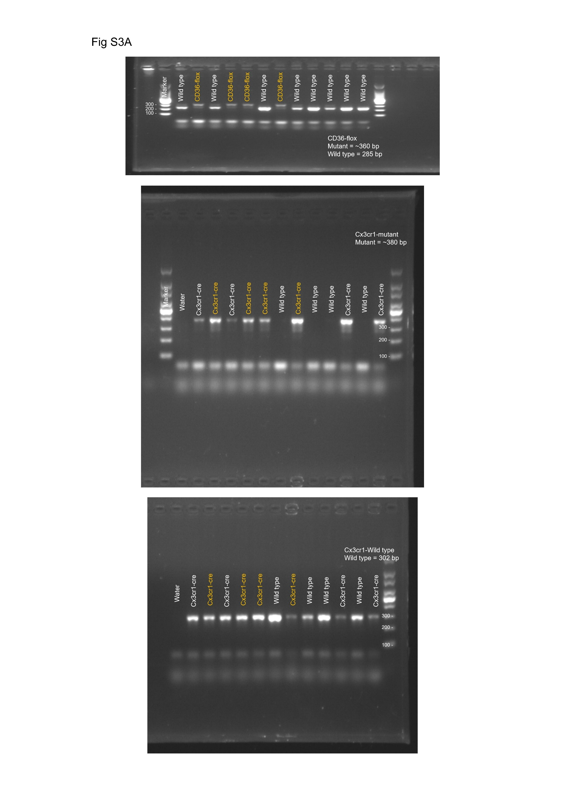
FigS3A | FigS3B | Thickness of ONL
 |  | Eyes | CD36fl/fl | CD36 Cko | Unpaired t test |  | How big is the difference? |  | F test to compare variances
 |  | Sample1 | 48 | 59 | P value | 0.337 | Mean of column A | 53 | F, DFn, Dfd | 1.361, 7, 7
 |  | Sample2 | 57 | 49 | P value summary | ns | Mean of column B | 54.75 | P value | 0.6948
 |  | Sample3 | 50 | 54 | Significantly different (P < 0.05)? | No | Difference between means (B - A) ± SEM | 1.750 ± 1.760 | P value summary | ns
 |  | Sample4 | 57 | 56 | One- or two-tailed P value? | Two-tailed | 95% confidence interval | -2.025 to 5.525 | Significantly different (P < 0.05)? | No
 |  | Sample5 | 54 | 56 | t, df | t=0.9942, df=14 | R squared (eta squared) | 0.06595
 |  | Sample6 | 49 | 52 |  |  |  |  | Data analyzed
 |  | Sample7 | 52 | 54 |  |  |  |  | Sample size, column A | 8
 |  | Sample8 | 57 | 58 |  |  |  |  | Sample size, column B | 8

 | FigS3C | Structral damage
 |  | Eyes | CD36fl/fl | CD36 Cko | Mann Whitney test |  | Difference between medians
 |  | Sample1 | 0 | 1 | P value | >0.9999 | Median of column A | 0.000, n=8
 |  | Sample2 | 0 | 0 | Exact or approximate P value? | Exact | Median of column B | 0.000, n=8
 |  | Sample3 | 0 | 1 | P value summary | ns | Difference: Actual | 0
 |  | Sample4 | 0 | 0 | Significantly different (P < 0.05)? | No | Difference: Hodges-Lehmann | 0
 |  | Sample5 | 0 | 0 | One- or two-tailed P value? | Two-tailed
 |  | Sample6 | 0 | 0 | Sum of ranks in column A,B | 64 , 72
 |  | Sample7 | 0 | 0 | Mann-Whitney U | 28
 |  | Sample8 | 1 | 0

 | FigS3D | Visual acuity
 |  | Eyes | CD36fl/fl | CD36 Cko | Mann Whitney test
 |  | Sample1 | 0.4 | 0.4 | P value | 0.9378 | Difference between medians
 |  | Sample2 | 0.3 | 0.3 | Exact or approximate P value? | Exact | Median of column A | 0.3500, n=8
 |  | Sample3 | 0.35 | 0.35 | P value summary | ns | Median of column B | 0.3250, n=8
 |  | Sample4 | 0.35 | 0.3 | Significantly different (P < 0.05)? | No | Difference: Actual | -0.025
 |  | Sample5 | 0.4 | 0.3 | One- or two-tailed P value? | Two-tailed | Difference: Hodges-Lehmann | 0
 |  | Sample6 | 0.35 | 0.4 | Sum of ranks in column A,B | 69 , 67
 |  | Sample7 | 0.25 | 0.35 | Mann-Whitney U | 31
 |  | Sample8 | 0.3 | 0.3

 | FigS3E | Contrast sensitivity
 |  | Eyes | CD36fl/fl | CD36 Cko | Mann Whitney test
 |  | Sample1 | 10.23% | 6.84% | P value | >0.9999 | Difference between medians
 |  | Sample2 | 4.28% | 6.84% | Exact or approximate P value? | Exact | Median of column A | 10.23, n=4
 |  | Sample3 | 10.23% | 25.20% | P value summary | ns | Median of column B | 8.535, n=4
 |  | Sample4 | 18.63% | 10.23% | Significantly different (P < 0.05)? | No | Difference: Actual | -1.695
 |  |  |  |  | One- or two-tailed P value? | Two-tailed | Difference: Hodges-Lehmann | 0
 |  |  |  |  | Sum of ranks in column A,B | 18 , 18
 |  |  |  |  | Mann-Whitney U | 8

