Supp Fig 1
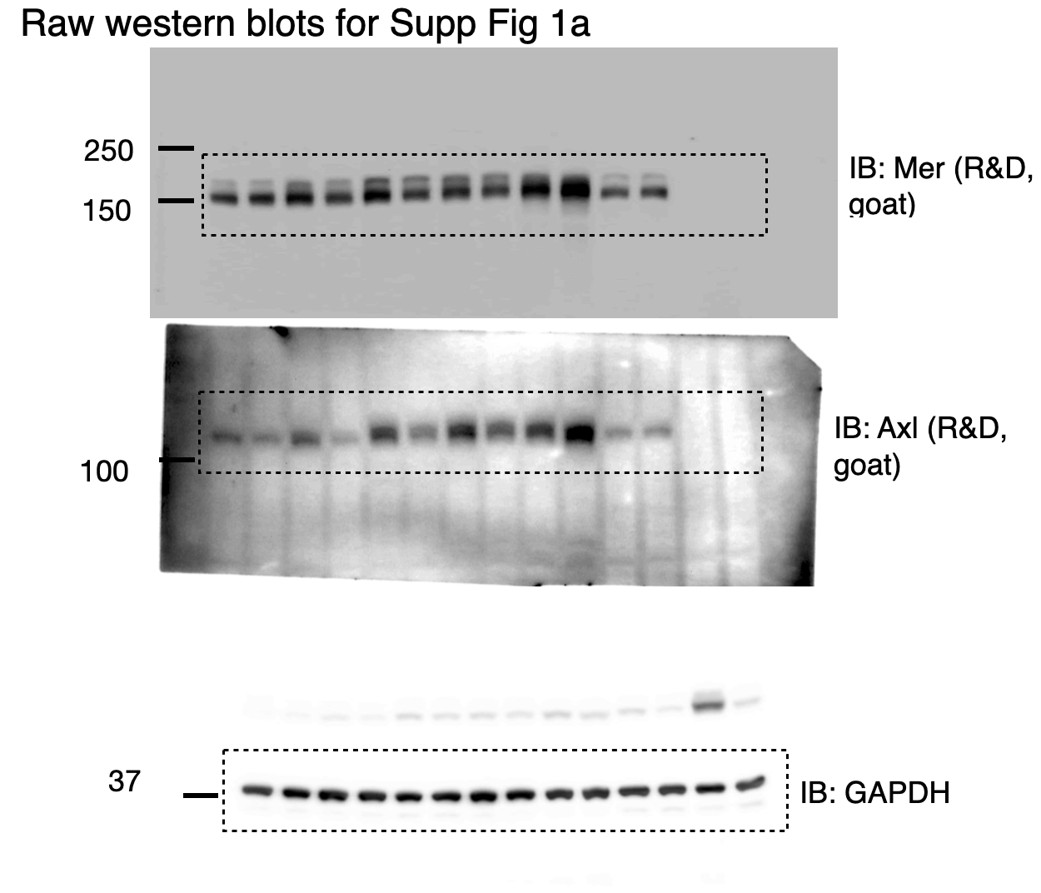
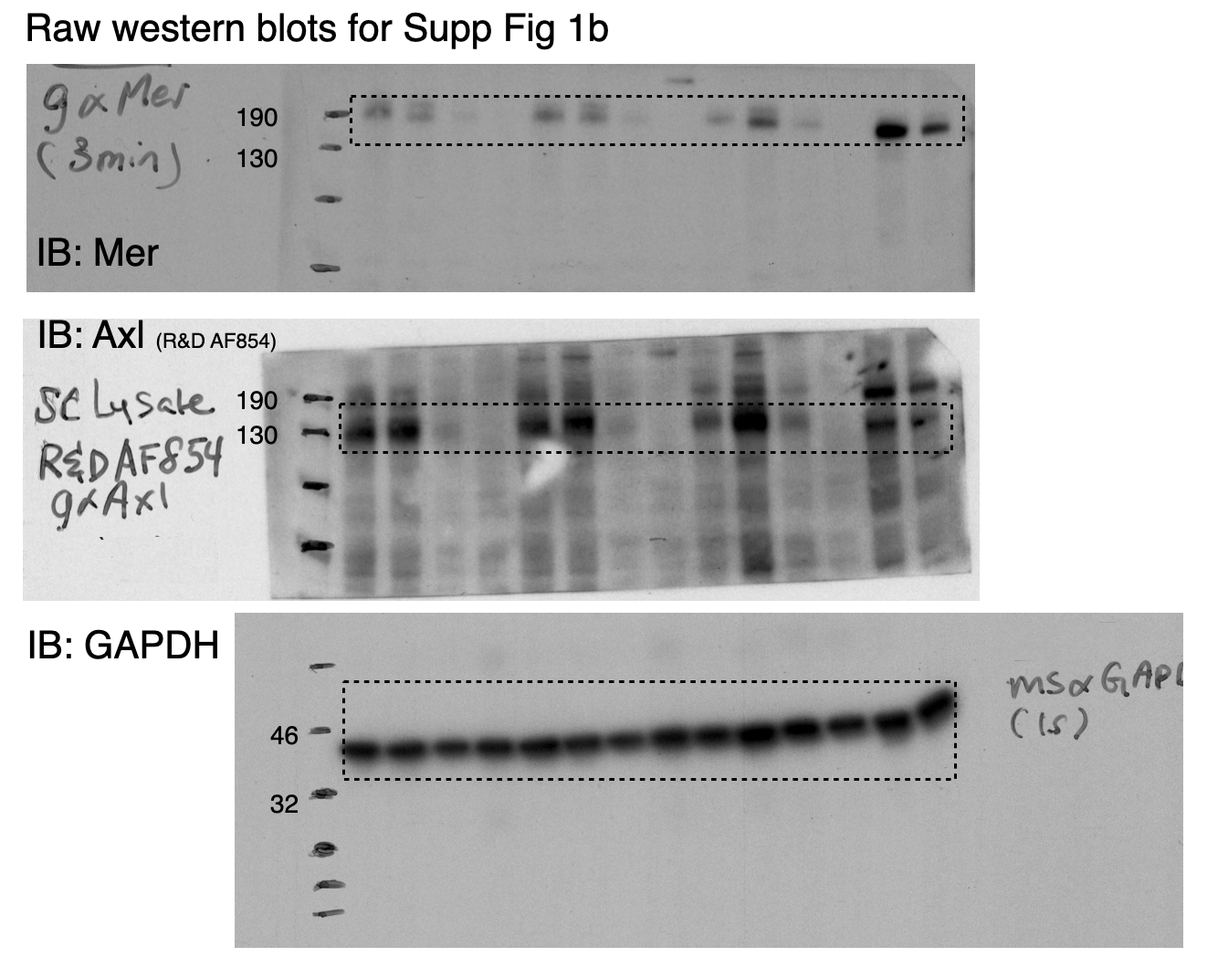

Supp Fig 1f (left)
Day | Average number of Cx3cr1+ microglia per lumbar sc section (L3-5) in SOD1 Cx3cr1-GFP mice based on Cx3cr1-GFP expression
50 | 530 | 532 | 444
80 | 455 | 645 | 447
120 | 876 | 789 | 904 | 900
160 | 1442 | 1643 | 1299 | 2449 | 1833

Supp Fig 1f (right)
Day | Average GFP+ area percentage of lumbar sc cross-section per SOD1 Cx3cr1-GFP mouse at the corresponding postnatal age
50 | 0.4242 | 0.4572 | 0.3593
80 | 0.4172 | 0.8378 | 0.2898
120 | 1.0887 | 0.6548 | 0.8268 | 1.1735
160 | 1.5978 | 1.7626 | 2.0026 | 5.2838 | 2.1243

Supp Fig 2
Supp Fig 2a.
Quantification of ChAT+ NeuN+ MMP9+ cell number per lumbar ventral horn
 |  | Plotted
 |  | Average | Number of cells per lumbar sc ventral horn image
SOD1 (160d) | Mouse 1 | 0.5 | 0 | 0 | 0 | 1 | 1 | 1
SOD1 (160d) | Mouse 2 | 0 | 0 | 0 | 0 | 0 | 0 | 0
SOD1 (160d) | Mouse 3 | 0.72727272727 | 1 | 1 | 0 | 1 | 0 | 0 | 0 | 1 | 0 | 2 | 2
SOD1 Axl-/-Mertk-/- (160d) | Mouse 1 | 1.7857142857 | 1 | 1 | 2 | 2 | 3 | 3 | 2 | 3 | 3 | 2 | 0 | 1 | 1 | 1
SOD1 Axl-/-Mertk-/- (160d) | Mouse 2 | 1.9 | 3 | 1 | 1 | 1 | 0 | 0 | 2 | 3 | 2 | 4 | 2 | 1 | 2 | 0 | 5 | 3 | 4 | 0 | 3 | 1
SOD1 Axl-/-Mertk-/- (160d) | Mouse 3 | 1.2857142857 | 3 | 2 | 0 | 2 | 1 | 0 | 2 | 0 | 0 | 0 | 3 | 2 | 0 | 3
SOD1 Axl-/-Mertk-/- (160d) | Mouse 4 | 1.4 | 1 | 1 | 2 | 0 | 3
SOD1 Axl-/-Mertk-/- (160d) | Mouse 5 | 1.6666666667 | 2 | 1 | 1 | 2 | 2 | 2

Quantification of ChAT+NeuN+ cell number per lumbar ventral horn
 |  | Average | Number of cells per lumbar sc ventral horn image
SOD1 (160d) | Mouse 1 | 1.6666666667 | 1 | 1 | 2 | 4 | 1 | 1
SOD1 (160d) | Mouse 2 | 1.1666666667 | 2 | 0 | 0 | 1 | 1 | 3
SOD1 (160d) | Mouse 3 | 1.8181818182 | 1 | 1 | 1 | 2 | 2 | 3 | 0 | 1 | 2 | 3 | 4
SOD1 Axl-/-Mertk-/- (160d) | Mouse 1 | 5.2857142857 | 4 | 2 | 4 | 5 | 6 | 6 | 7 | 5 | 8 | 8 | 5 | 5 | 5 | 4
SOD1 Axl-/-Mertk-/- (160d) | Mouse 2 | 3.75 | 4 | 2 | 1 | 2 | 3 | 2 | 2 | 4 | 2 | 5 | 4 | 5 | 4 | 3 | 7 | 5 | 6 | 4 | 4 | 6
SOD1 Axl-/-Mertk-/- (160d) | Mouse 3 | 4 | 3 | 3 | 3 | 3 | 4 | 4 | 6 | 3 | 2 | 2 | 7 | 5 | 5 | 6
SOD1 Axl-/-Mertk-/- (160d) | Mouse 4 | 3.6 | 3 | 3 | 4 | 4 | 4
SOD1 Axl-/-Mertk-/- (160d) | Mouse 5 | 5.3333333333 | 6 | 4 | 7 | 4 | 6 | 5

Quantification of ChAT+ cell number per lumbar ventral horn (re-presented in Fig 2e)
 |  | Average | Number of cells per lumbar sc ventral horn image
SOD1 (160d) | Mouse 1 | 2.1666666667 | 2 | 1 | 2 | 4 | 1 | 3
SOD1 (160d) | Mouse 2 | 2.8333333333 | 2 | 1 | 5 | 2 | 4 | 3
SOD1 (160d) | Mouse 3 | 3.8181818182 | 3 | 2 | 4 | 4 | 4 | 5 | 2 | 2 | 4 | 6 | 6
SOD1 Axl-/-Mertk-/- (160d) | Mouse 1 | 9.0714285714 | 9 | 5 | 9 | 13 | 9 | 6 | 10 | 7 | 18 | 14 | 6 | 7 | 9 | 5
SOD1 Axl-/-Mertk-/- (160d) | Mouse 2 | 6.2941176471 | 8 | 4 | 4 | 5 | 5 | 4 | 6 | 9 | 5 | 8 | 6 | 6 | 8 | 6 | 9 | 6 | 8
SOD1 Axl-/-Mertk-/- (160d) | Mouse 3 | 8.1428571429 | 5 | 9 | 7 | 6 | 10 | 10 | 9 | 6 | 5 | 8 | 16 | 8 | 7 | 8
SOD1 Axl-/-Mertk-/- (160d) | Mouse 4 | 5.2 | 5 | 4 | 5 | 6 | 6
SOD1 Axl-/-Mertk-/- (160d) | Mouse 5 | 8.3333333333 | 9 | 7 | 13 | 8 | 7 | 6

Supp Fig 2b | Iba1 area (% ventral horn) |  |  |  | Supp Fig 2c | CD68 area (% ventral horn)
SOD1 Axl-/-Mertk-/- | Axl-/- Mertk-/- | SOD1 | WT |  | SOD1 Axl-/-Mertk-/- | Axl-/- Mertk-/- | SOD1 | WT
7.39938718 | 1.95362874 | 15.8032323 | 4.09636273 |  | 1.70501201 | 0.13630303 | 5.76538827 | 0.0468076
6.8515127 | 3.09976588 | 17.5031547 | 4.28162371 |  | 2.25308633 | 0.18359 | 8.79942584 | 0.17643324
7.70111356 | 2.45650278 | 14.2482296 | 5.59040602 |  | 2.18154218 | 0.13909151 | 6.72122112 | 0.10134172
5.83308034 | 3.21509443 | 17.9083598 | 5.36738502 |  | 2.80355069 | 0.10395894 | 7.22761111 | 0.27244022
7.9517185 |  | 12.2789245 | 3.89756382 |  | 2.6107863 |  | 4.43318573 | 0.03879162
7.65094401 |  | 12.2832418 | 4.34705314 |  | 2.54511645 |  | 3.2560421 | 0.23916376
8.11694151 |  |  |  |  | 2.71713868
8.18124453 |  |  |  |  | 2.30128672
6.52677166 |  |  |  |  | 1.92459312
7.1497436 |  |  |  |  | 2.2377071
4.69435596 |  |  |  |  | 2.16754011
7.89586653 |  |  |  |  | 1.67391768
8.5715418 |  |  |  |  | 2.22443043
8.09851434 |  |  |  |  | 1.81598651
8.13640469 |  |  |  |  | 2.00704181
8.43241578 |  |  |  |  | 2.24827005
9.20229609 |  |  |  |  | 1.67435125
12.9508521 |  |  |  |  | 1.92392548
14.6793744 |  |  |  |  | 1.58505839

Supp Fig 2d

80 day cytokine panel qPCR measurment (normalized to Gapdh)
 | SOD1 Axl-/-Mertk-/- |  |  |  |  | Axl-/-Mertk-/- |  |  |  |  | SOD1-tg |  |  |  |  | WT
 | Mouse 1 | Mouse 2 | Mouse 3 | Mouse 4 | Mouse 5 | Mouse 1 | Mouse 2 | Mouse 3 | Mouse 4 | Mouse 5 | Mouse 1 | Mouse 2 | Mouse 3 | Mouse 4 | Mouse 5 | Mouse 1 | Mouse 2 | Mouse 3 | Mouse 4 | Mouse 5
IL-1β | 0.768272566 | 1.831535969 | 1.801855565 | 0.857808556 |  | 0.797857307 | 0.642674265 | 0.469481064 | 0.537744373 | 0.853596405 | 0.99735613 | 0.713516223 | 1.71614925 | 2.185378327 | 2.397984762 | 1.57158079 | 0.823638304 | 0.838293766 | 0.998766686 | 0.767723581
IL-6 | 1.070367388 | 1.440156901 | 1.352376905 | 1.265333084 | 0.90664369 | 1.349399094 | 1.394997428 | 1.410085695 | 1.079434636 | 1.194771664 | 1.079957825 | 1.153761817 | 0.691973842 | 2.008939878 | 1.268472886 | 1.111040745 | 1.25060124 | 0.730203865 | 0.991050789 | 0.917103917
TNF-α | 1.103199931 | 1.704665709 | 2.355680647 | 1.576177969 | 1.187376057 | 0.954969874 | 1.805357664 | 1.36664993 | 0.913546199 | 1.33754577 | 1.717896751 | 1.444069795 | 1.646813435 | 1.898757488 | 2.393999975 | 0.879343517 | 0.988122004 | 1.329914563 | 0.915359493 | 0.887261654
IFN-α | 0.141676311 | 3.628604995 | 2.690013818 | 0.321679756 | 0.178886404 | 0.174306673 | 0.58702972 | 0.056251591 | 0.381449538 | 0.120416892 | 0.200000139 | 0.213672625 | 0.690717694 | 0.248686611 | 2.893728879 | 0.139262926 | 1.821766433 | 0.092807688 | 1.20145552 | 1.744707104
IFN-γ | 0.490970161 | 1.331129889 | 0.769141501 | 0.861873397 | 0.546676673 | 1.563463927 | 0.708512609 | 0.500209693 | 0.214956531 | 0.754707458 | 0.495435566 | 1.021255607 | 0.544919138 | 1.703812203 | 1.729979897 | 0.750108766 | 1.29834736 | 0.609114047 | 1.016416355 | 1.326015047
IL-4 | 0.376363277 | 0.467497956 | 1.411725479 | 0.505168704 | 0.185060245 | 0.43972825 | 1.025057513 | 0.308239879 | 0.733242014 | 0.160058295 | 0.31466656 | 0.28237205 | 1.12813465 | 0.876911335 | 1.501099571 | 0.401699188 | 2.643235004 | 0.187703076 | 0.789415066 | 0.977947116

120 day cytokine panel qPCR measurment (normalized to Gapdh)
 | SOD1 Axl-/-Mertk-/- |  |  |  |  | Axl-/-Mertk-/- |  |  |  |  | SOD1-tg |  |  |  |  | WT
 | Mouse 1 | Mouse 2 | Mouse 3 | Mouse 4 | Mouse 5 | Mouse 1 | Mouse 2 | Mouse 3 | Mouse 4 | Mouse 5 | Mouse 1 | Mouse 2 | Mouse 3 | Mouse 4 | Mouse 5 | Mouse 1 | Mouse 2 | Mouse 3 | Mouse 4 | Mouse 5
IL-1β | 3.909625639 | 4.271507244 | 3.49656243 | 7.969702334 | 3.317040851 | 1.210721157 | 0.75723351 | 0.364779586 | 1.506650947 | 1.553512215 | 1.940072914 | 1.45327931 | 2.895478914 | 9.605747388 | 12.60996873 | 0.401421192 | 0.845095175 | 0.579961335 | 2.481901323 | 0.691620413
IL-6 | 0.663789384 | 1.043064077 | 0.911410481 | 1.274456114 | 1.241227938 | 0.79010357 | 0.819539307 | 1.10554436 | 0.95445912 | 0.703223332 | 0.817934339 | 0.691734759 | 1.103915622 | 1.399669008 | 1.659320258 | 0.816860657 | 1.228018075 | 1.023576641 | 1.061589251 | 0.869956845
TNF-α | 4.150026857 | 6.259528188 | 5.281857295 | 5.516172593 | 3.652967154 | 4.148443856 | 3.574156185 | 1.405500043 | 1.460162001 | 1.626531517 | 3.716407047 | 3.65865126 | 3.830985879 | 13.89610194 | 14.89111805 | 0.874827878 | 1.064449795 | 0.820398922 | 1.359240894 | 0.88108141
IFN-α | 2.221283532 | 5.424216983 | 2.246968048 | 0.76092408 | 0.506646791 | 2.636928818 | 0.821940471 | 1.333173167 | 0.396844742 | 0.278581566 | 0.937767502 | 0.998224637 | 2.665128127 | 0.933790431 | 0.929563097 | 2.441680675 | 0.853399545 | 0.768439227 | 0.331722246 | 0.601625205
IFN-γ | 0.516205232 | 0.954316022 | 1.076127633 | 1.425242355 | 1.636263128 | 1.029670296 | 0.798854233 | 0.944390675 | 0.664997035 | 1.714580048 | 1.273244511 | 1.251079306 | 0.920765745 | 2.364811667 | 1.882927654 | 1.202904774 | 0.67067169 | 0.805838539 | 1.120564896 | 1.200017971
INOS | 1.90103 | 1.334935 | 0.433449 | 0.566625 | 0.737074 | 1.219135 | 1.154076 | 0.708798 | 0.432926 | 0.862738 | 1.141774 | 0.854086 | 0.614448 | 0.972848 | 0.869635 | 1.275893 | 1.155749 | 1.323751 | 0.515353 | 0.729256
IL-4 | 0.376363277 | 0.467497956 | 1.411725479 | 0.505168704 | 0.185060245 | 0.43972825 | 1.025057513 | 0.308239879 | 0.733242014 | 0.160058295 | 0.31466656 | 0.28237205 | 1.12813465 | 0.876911335 | 1.501099571 | 0.401699188 | 2.643235004 | 0.187703076 | 0.789415066 | 0.977947116
TGFb | 2.1335 | 1.872121 | 1.619089 | 2.505697 | 1.559326 | 0.982327 | 1.655672 | 1.050691 | 0.869956 | 0.836163 | 1.406916 | 1.676699 | 1.61904 | 2.172689 | 3.026709 | 1.229531 | 0.959458 | 1.130562 | 0.823027 | 0.857422
Cox2 | 1.719269 | 1.874772 | 2.010397 | 1.992176 | 1.202178 | 1.479837 | 2.302289 | 3.14855 | 1.872686 | 2.490326 | 1.233893 | 0.86276 | 1.400376 | 1.73301 | 2.020202 | 1.534684 | 0.862864 | 0.884567 | 1.143191 | 0.574691
IL10 | 1.21968 | 0.956305 | 0.717267 | 0.758694 | 0.805871 | 0.153055 | 1.628748 | 1.221298 | 1.717711 | 1.441313 | 0.772121 | 0.685854 | 0.83906 | 1.332156 | 1.4504 | 1.151208 | 0.666707 | 1.464448 | 1.251823 | 0.465813

160 day cytokine panel qPCR measurment (normalized to Gapdh)
 | SOD1 Axl-/-Mertk-/- |  |  |  |  | Axl-/-Mertk-/- |  |  |  |  | SOD1-tg |  |  |  |  | WT
 | Mouse 1 | Mouse 2 | Mouse 3 | Mouse 4 | Mouse 5 | Mouse 1 | Mouse 2 | Mouse 3 | Mouse 4 | Mouse 5 | Mouse 1 | Mouse 2 | Mouse 3 | Mouse 4 | Mouse 5 | Mouse 1 | Mouse 2 | Mouse 3 | Mouse 4 | Mouse 5
IL-1β | 5.388844555 | 5.545778134 | 18.15947618 | 5.343937244 | 5.468282549 | 1.565716212 | 0.638935467 | 0.975317057 | 0.601037747 | 2.723889902 | 5.211585763 | 5.30167144 | 10.10680849 | 8.226571141 | 11.7979373 | 1.44441849 | 1.168097778 | 0.959482574 | 0.841780602 | 0.586219159
IL-6 | 1.186770552 | 1.188552458 | 2.934189243 | 1.320150278 | 0.937042123 | 1.12466071 | 0.83693488 | 0.840213682 | 0.949641623 | 2.173188893 | 2.038804978 | 0.721012322 | 1.729114887 | 1.060808588 | 2.326973773 | 1.24039145 | 0.779005303 | 0.916163037 | 1.385565456 | 0.678875558
TNF-α | 8.174035187 | 8.047234377 | 5.754888083 | 4.451469651 | 5.174656683 | 2.51656562 | 0.692240877 | 0.739112748 | 0.596066711 | 4.218875615 | 15.93280915 | 10.60732387 | 24.57839884 | 7.9559648 | 11.23340877 | 1.891142561 | 0.720343229 | 0.875730479 | 0.679230622 | 0.833553721
IFN-α | 0.175468012 | 2.595377394 | 3.945254277 | 0.832920663 | 0.712318411 | 3.573984868 | 1.17291925 | 0.86917843 | 1.237198948 | 8.5883365 | 2.981842678 | 8.985965631 | 3.88071764 | 1.665802878 | 0.496310631 | 0.916923956 | 1.309583007 | 1.658149701 | 0.857554821 | 0.257788686
IFN-γ | 1.547290908 | 2.206542827 | 1.462723695 | 0.967511135 | 0.585751763 | 0.860514652 | 1.162915806 | 0.704984533 | 0.854667098 | 1.851671085 | 2.092617894 | 1.100844806 | 1.513632174 | 1.610643167 | 2.027599998 | 0.900366319 | 0.759917022 | 1.117955528 | 0.778407596 | 1.443354657
INOS | 1.214835 | 1.135094 | 1.213834 | 0.437812 | 0.325508 | 0.942733 | 1.379046 | 0.991287 | 0.413144 | 1.091307 | 1.3492 |  | 1.976393 | 2.322821 |  | 0.802134 | 1.417817 | 1.538168 | 0.727322 | 0.514558
IL-4 | 0.454970001 | 2.067793792 | 2.565303928 | 0.868027857 | 0.775350589 | 3.601896376 | 0.905389021 | 0.662223979 | 0.664149261 | 6.523901619 | 3.079658188 | 5.40066121 | 2.263007785 | 1.078977766 | 0.504200404 | 0.639484208 | 0.745260782 | 2.378030779 | 0.800496308 | 0.436727411
TGFb | 4.000859 | 3.808886 | 3.605841 | 2.259082 | 2.305389 | 0.62849 | 0.842979 | 0.981015 | 0.533143 | 2.488248 | 5.512501 |  | 9.181002 | 4.319515 |  | 1.398242 | 0.844252 | 0.766191 | 0.951098 | 1.040218
Cox2 | 2.304783 | 1.498386 | 3.680473 | 0.882904 | 0.688421 | 2.100406 | 1.214344 | 1.398916 | 0.767634 | 4.845241 | 1.340942 |  | 1.530885 | 1.259551 |  | 1.760226 | 1.039693 | 1.236157 | 0.648405 | 0.315518
IL10 | 1.668289 | 2.624288 | 4.744938 | 1.567772 | 0.802635 | 1.661395 | 2.371432 | 1.433515 | 0.518945 |  | 1.47132 |  | 3.264232 | 1.036158 |  | 0.89178 | 0.413782 | 0.949035 | 1.189448 | 1.555956

Supp Fig 2f (Left panel)
mutant SOD1 (first, normalized to Gapdh; second, normalized to 160d SOD1 of the respective experiment) (~17kD)
 | SOD1-tg |  |  |  |  |  |  |  |  |  | SOD1 Axl-/-Mertk-/-
 | Exp 1 |  |  | Exp 2 |  |  |  | Exp 3 | Exp 4 | Exp 5 | Exp 1 |  |  | Exp 2 |  |  |  | Exp 3 | Exp 4 | Exp 5
80d |  |  |  |  |  | 1.06603031 | 1.07723983 | 1.02891156 | 0.59168991 | 0.89341376 |  |  |  |  |  |  |  | 1.0057947 | 0.56628523 | 0.86952687
120d |  |  |  |  |  | 0.77387919 | 0.83496405 | 1.11607143 | 0.66640973 | 1.02027027 | 4.10937149 |  |  |  |  |  |  | 1.09060403 | 0.61786333 | 0.98230549
160d | 1.01260217 | 1.02939332 | 0.95800451 | 0.92091623 | 1.15290276 | 0.97672934 | 0.94945167 | 1 | 1 | 1 | 0.76799117 | 0.76306901 | 0.82219158 | 1.10215255 | 0.95236215 | 0.7913058 | 0.87573921 | 1.01407285 | 0.74669468 | 0.98681879

Supp Fig 2f (right panel)
High molecular weight mutant SOD1 (first, normalized to Gapdh; second, normalized to 160d SOD1 of the respective experiment) (~35kD)
 | SOD1-tg |  |  |  |  |  |  |  |  |  | SOD1 Axl-/-Mertk-/-
 | Exp 1 |  |  | Exp 2 |  |  |  | Exp 3 | Exp 4 | Exp 5 | Exp 1 |  |  | Exp 2 |  |  |  | Exp 3 | Exp 4 | Exp 5
80d |  |  |  | 0.53904052 | 0.61990993 |  |  | 0.52415459 | 0.37933466 | 0.35932404 |  |  |  |  |  |  |  | 0.10621941 | 0.0697741 | 0.11802766
120d |  |  |  | 0.58034121 | 0.61474401 |  |  | 0.8744824 | 0.45433362 | 0.66851328 |  |  |  | 0.00906939 |  |  |  | 0.18996207 | 0.11141173 | 0.08982956
160d | 0.72025591 | 1.25176691 | 1.02797718 | 0.75598034 | 0.93188416 | 1.28418478 | 1.02795073 | 1 | 1 | 1 | 0.24988082 | 0.13677748 | 0.10369401 | 0.37543855 | 0.29944977 | 0.16664455 | 0.14807162 | 0.26034168 | 0.21160695 | 0.47075935
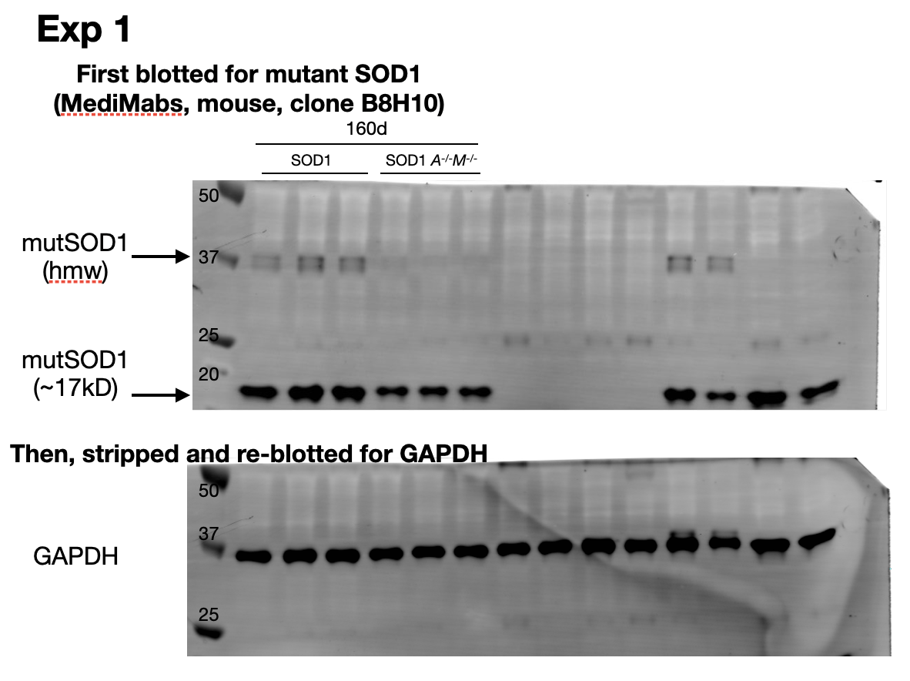
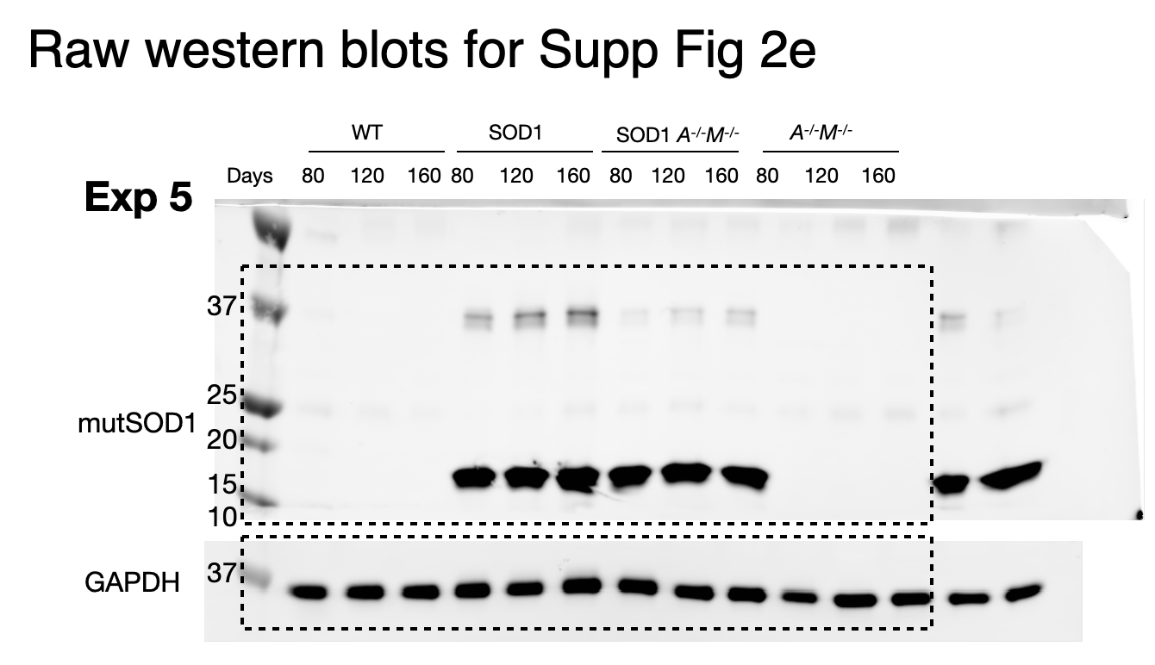

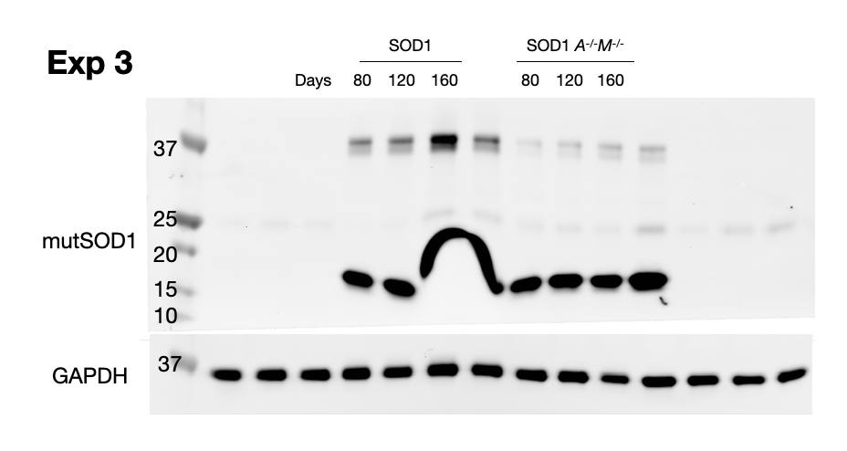
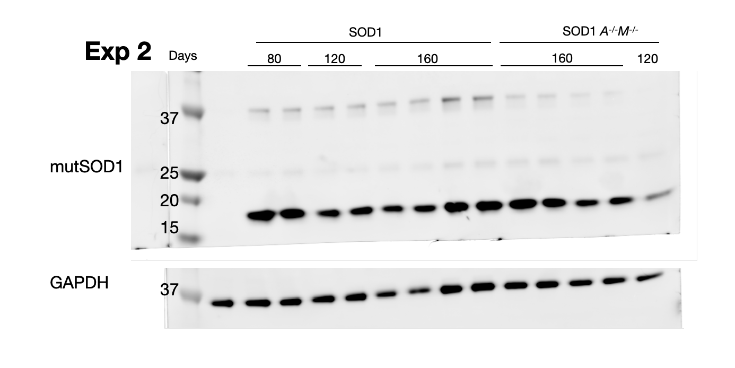

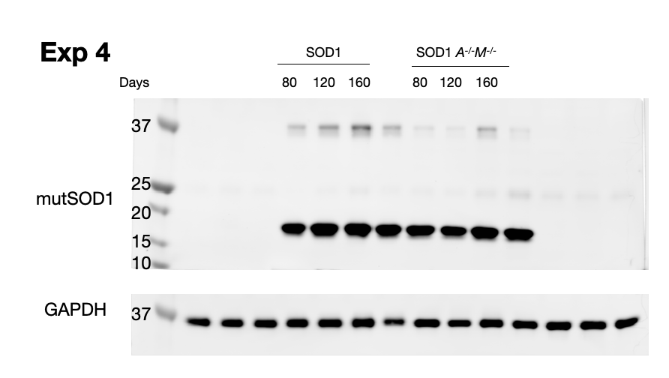

Supp Fig 2h (left panel)
Immunostaining analysis of astrocyte numbers in lumbar sc ventral horn at day 160 in SOD1 wild type and Axl-/-Mertk-/- mice, by counting GFAP+ cells per region of interest area
 |  | Plotted |  | GFAP cell # /area (um^2) per image
Sample genotype |  | Average | SD
SOD1 WT | Mouse 1 | 0.00038892625 | 8.829590948E-05 | 0.000510697 | 0.000332216 | 0.000316222 | 0.00039657
SOD1 WT | Mouse 2 | 0.000243420275 | 0.00012541008826 | 0.000278694 | 7.89631E-05 | 0.000235388 | 0.000380636
SOD1 WT | Mouse 3 | 0.00021260366667 | 9.3611369488E-05 | 0.000192275 | 0.000314709 | 0.000130827
SOD1 WT | Mouse 4 | 0.00038813375 | 0.00011849015529 | 0.000213666 | 0.000444669 | 0.000419437 | 0.000474763
SOD1 WT | Mouse 5 | 0.00023152125 | 6.5723478369E-05 | 0.000251772 | 0.000281112 | 0.000258449 | 0.000134752
SOD1 Axl-/-Mertk-/- | Mouse 1 | 0.00051113411111 | 0.00029546519554 | 0.000257004 | 0.001100454 | 0.000143962 | 0.000396622 | 0.000533312 | 0.000419774 | 0.000500441 | 0.00085237 | 0.000396268
SOD1 Axl-/-Mertk-/- | Mouse 2 | 0.000155424 | 1.1827526665E-05 | 0.000143611 | 0.000155395 | 0.000167266
SOD1 Axl-/-Mertk-/- | Mouse 3 | 0.00024453607143 | 0.00017325960855 | 0.000511336 | 0.000459306 | 0.000142517 | 0.000185745 | 0.000118071 | 6.35075E-05 | 0.00023127

Supp Fig 2h (right panels)
Immunostaining analysis of GFAP and Aldh1l1 mean fluorescence intensity (MFI) in lumbar sc ventral horn at day 160 in SOD1 wild type and Axl-/-Mertk-/- mice
 |  | Plotted |  | GFAP MFI per image
Sample genotype |  | Average | SD
SOD1 WT | Mouse 1 | 183536.00375 | 5339.1842574 | 187622.438 | 180209.764 | 188516.359 | 177795.454
SOD1 WT | Mouse 2 | 183987.27025 | 5592.3841732 | 178295.463 | 182155.597 | 183890.824 | 191607.197
SOD1 WT | Mouse 3 | 177595.73067 | 9287.3303658 | 173142.1 | 188271.119 | 171373.973
SOD1 WT | Mouse 4 | 203351.38975 | 36530.547171 | 185153.896 | 182516.353 | 187679.405 | 258055.905
SOD1 WT | Mouse 5 | 168689.6445 | 45526.272199 | 194369.479 | 195933.784 | 183554.125 | 100901.19
SOD1 Axl-/-Mertk-/- | Mouse 1 | 181042.54322 | 4828.5045496 | 184519.758 | 183940.132 | 173287.198 | 180919.569 | 180954.787 | 184644.982 | 186248.597 | 181891.27 | 172976.596
SOD1 Axl-/-Mertk-/- | Mouse 2 | 175740.512 | 5839.7631898 | 168412.138 | 176429.415 | 175448.63 | 182671.865
SOD1 Axl-/-Mertk-/- | Mouse 3 | 181106.36771 | 9966.3351966 | 180639.893 | 178627.594 | 200581.552 | 175179.264 | 181154.419 | 168084.538 | 183477.314

 |  | Plotted |  | Aldh1l1 MFI per image
Sample genotype |  | Average | SD
SOD1 WT | Mouse 1 | 81644.61435 | 4288.4415413 | 83560.4996 | 79574.448 | 76863.5615 | 86579.9483
SOD1 WT | Mouse 2 | 88863.7359 | 7362.6169212 | 79669.0089 | 86165.3309 | 94614.4764 | 95006.1274
SOD1 WT | Mouse 3 | 64637.177663 | 15828.806775 | 87029.491 | 78618.8648 | 81245.2468 | 52151.6523 | 55309.2616 | 65426.8886 | 52327.9475 | 44988.0687
SOD1 WT | Mouse 4 | 54522.8277 | 12558.907623 | 45208.4292 | 47288.2121 | 52868.9445 | 72725.725
SOD1 WT | Mouse 5 | 33525.72005 | 8769.1718583 | 44186.1848 | 32587.0183 | 34534.7669 | 22794.9102
SOD1 Axl-/-Mertk-/- | Mouse 1 | 82431.442756 | 7491.6095171 | 74620.7007 | 85114.9456 | 77123.8004 | 73099.9036 | 85770.295 | 86632.5574 | 97158.5151 | 84072.9868 | 78289.2802
SOD1 Axl-/-Mertk-/- | Mouse 2 | 93587.32405 | 4390.1420545 | 96330.3895 | 95801.3504 | 87040.1579 | 95177.3984
SOD1 Axl-/-Mertk-/- | Mouse 3 | 81056.8966 | 11322.893948 | 99626.5732 | 81513.1649 | 88956.6611 | 80667.5186 | 73804.6851 | 63568.9655 | 79260.7078

