Fig. 1
Raybiotech array map for CYT6 and CYT7 membranes

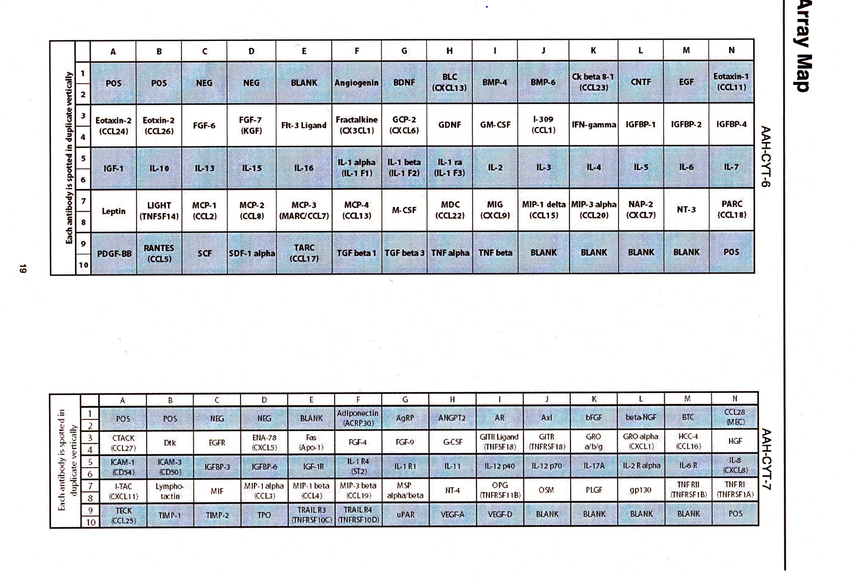
 |  | Fig. 1a |  | D/T | D/T+Nilo

 |  | CTY6

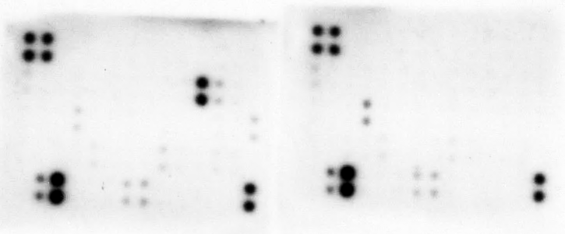

 |  | CYT7

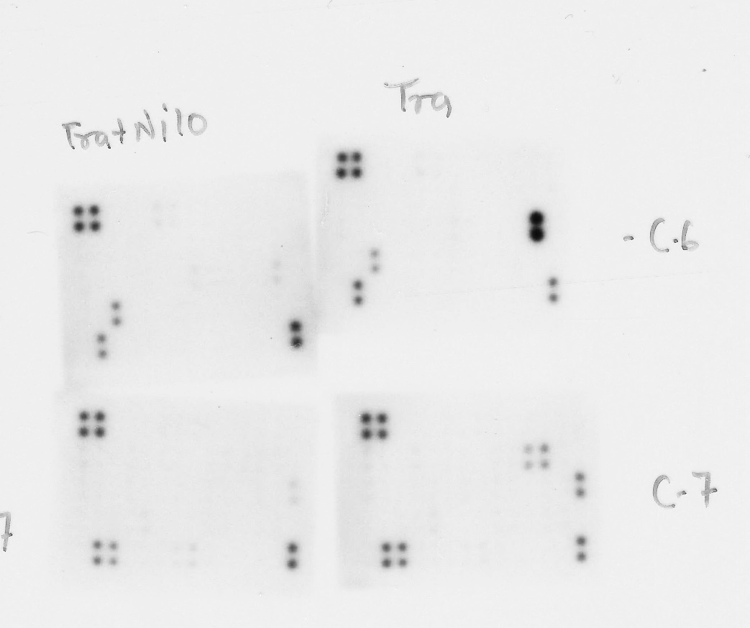
 |  | Fig. 1b

 |  | Fig. 1c |  | D/T-vector | D/T-ABL1/2 shRNA
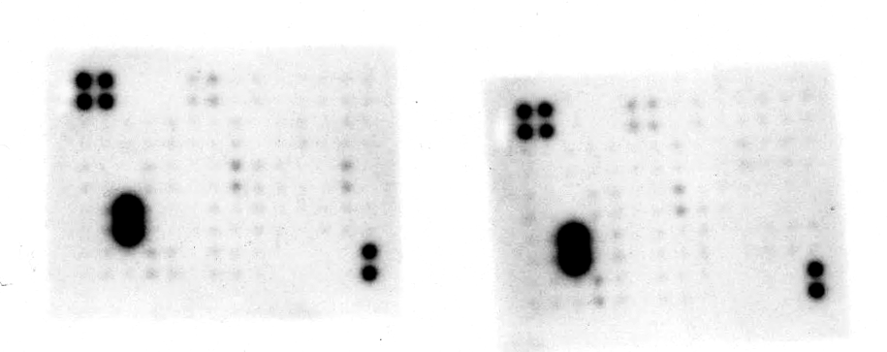

 |  | CYT-6

 |  |  |  |  |  |  |  |  | short exposure
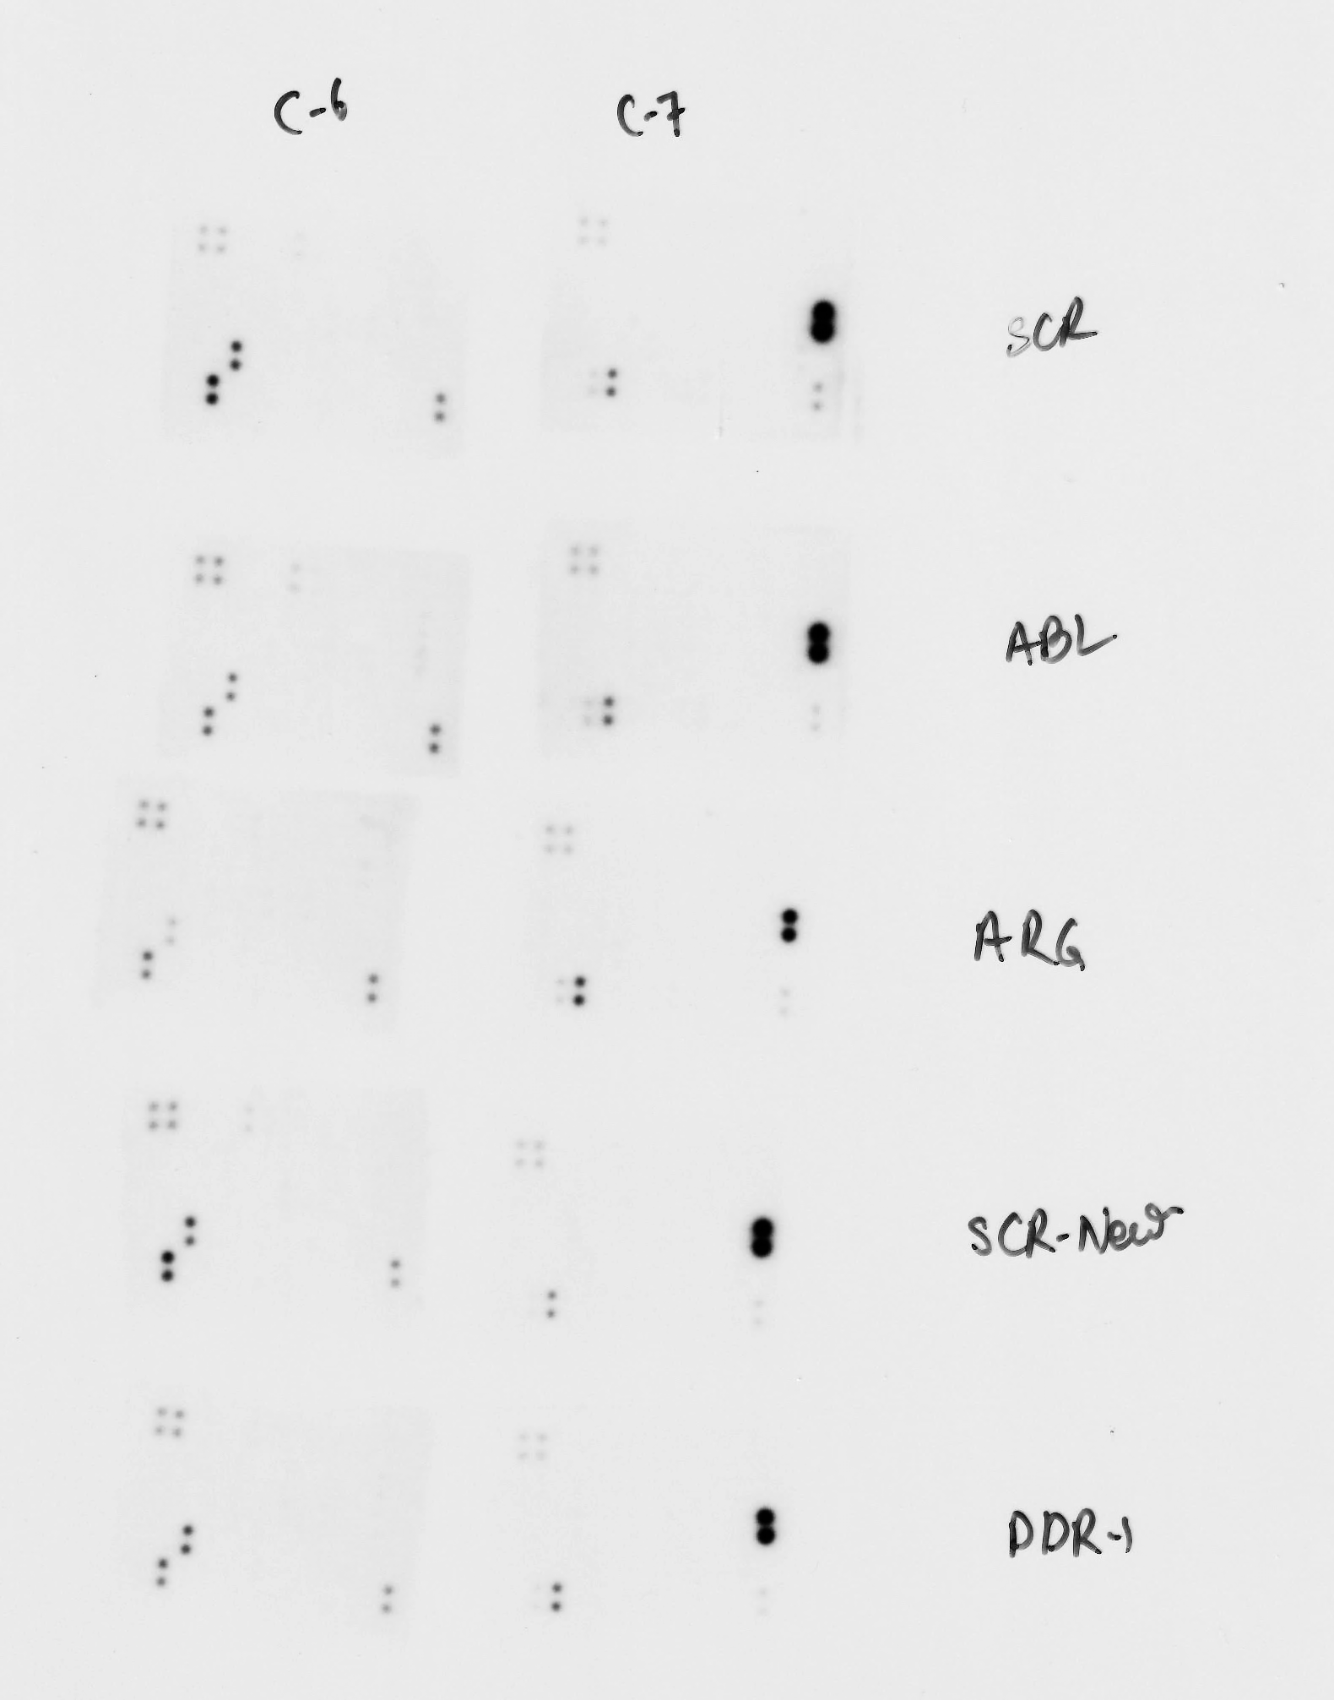
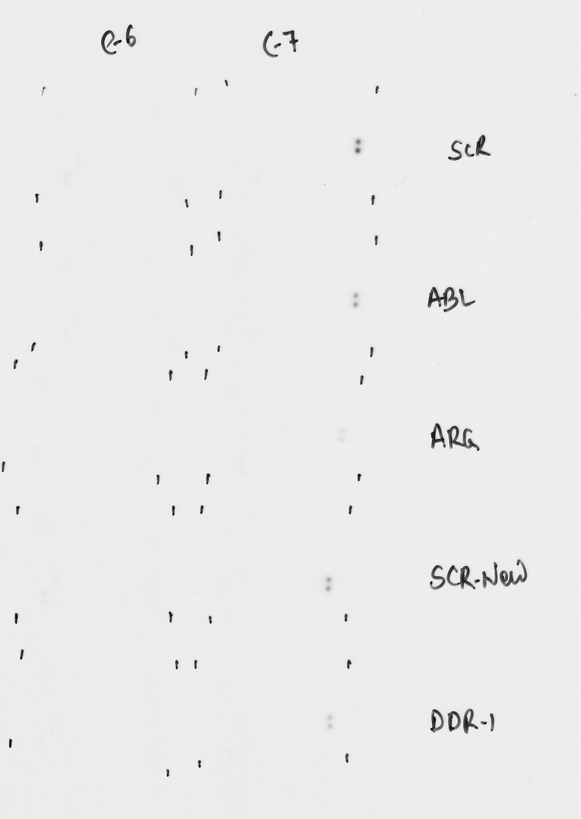
 |  | Fig. 1d,e

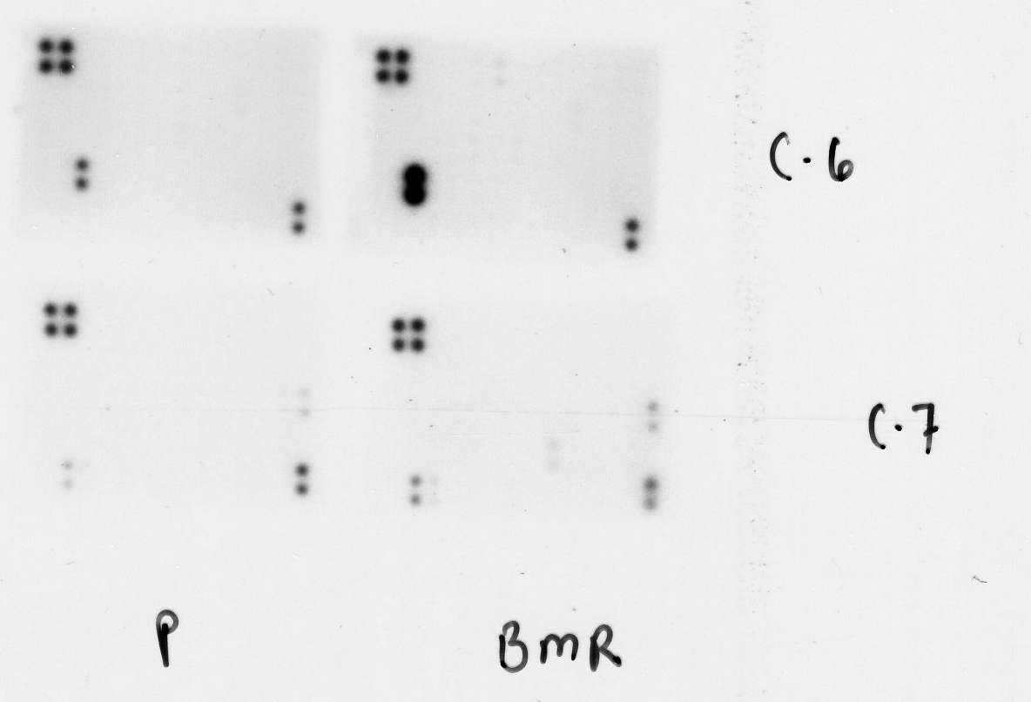
 | Fig. 1f |  |  | Vector | ABL-PP
 |  |  |  |  |  | Fig. 1h
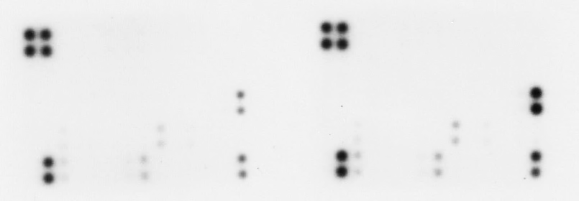

 |  | CYT-7


 | Fig. 1g

 |  |  | Vector

 |  |  |  |  |  |  |  | Fig. 1i
 |  |  |  |  |  |  |  | SK-MEL-2 |  | SK-MEL-2MR
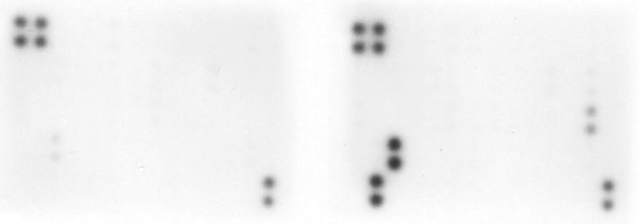

 |  |  | ABL1/2-PP
 |  |  |  |  |  |  | CYT-6

Fig. 2
ABL1
M14-BMR
D/T D/T+Nilo
 |  |  |  |  |  |  |  |  |  |  |  | M14-BMR |  | Dotted lines show the bands that are present in the figures. The rest of the bands are not part of the manuscript. |  | Additional replicate not shown. | Additional replicate not shown.
Fig. 2a |  | M14-BMR | D/T |  |  | D/T+Nilo |  |  |  |  |  | Fig. 2h |  |  | M14-BMR |  |  | M14-BMR
 |  | CXCL1 | 100 | 100 | 100 | 15.9 | 23.778 | 15.449
 |  | CXCL2 | 100 | 100 | 100 | 307.6554 | 189.683 | 215.993
ABL1
180kd
ABL1
 |  | CXCL8 | 100 | 100 | 100 | 26.1 | 18.3 | 40.1
D/T D/T+Nilo
 |  | IL6 | 100 | 100 | 100 | 55.165 | 49.57 | 33.213
130kd
 |  | CCL2 | 100 | 100 | 100 | 83 | 32 | 34
140kd
D/T D/T+Nilo
 |  | CCL5 | 100 | 100 | 100 | 131 | 172 | 98
130kd
180kd
140kd
130kd
Fig. 2b |  | SK-MEL-2MR |  | Tram |  |  |  | Tram+Nilo
 |  | CXCL1 | 100 | 100 | 100 | 17.1 | 59 | 93
 |  | CXCL2 | 100 | 100 | 100 | 43.7 | 59.6 | 74.3
 |  | CXCL8 | 100 | 100 | 100 | 16.1 | 28.4 | 35.1 | 29.6
 |  | IL6 | 100 | 100 | 100 | 87.3 | 64.3 | 72.2
D/T D/T+Nilo
 |  | CCL2 | 100 | 100 | 100 | 28 | 52 | 32 | 11
ABL2
 |  | CCL5 | 100 | 100 | 100 | 172 | 115 | 226 | 162
130kd
ABL2
D/T D/T+Nilo
145kd
D/T D/T+Nilo
ABL2
180kd
145kd
Fig. 2c |  | M14-BMR | Vector |  |  |  |  | shABL1/2
 | CXCL-1 | 100 | 100 | 100 | 100 | 3.6 | 7.4 | 4.8 | 2.7
 | CXCL-2 | 100 | 100 | 100 | 100 | 36.2 | 34.2 | 6.4 | 18.1
130kd
 | CXCL-8 | 100 | 100 | 100 | 100 | 19 | 19.1 | 1.8 | 8.4
D/T D/T+Nilo
 | IL6 | 100 | 100 | 100 | 100 | 28.4 | 36.7 | 16.3 | 30.2
 | CCL2 | 100 | 100 | 100 | 100 | 27.4 | 48.4 | 16.8 | 12.6
145kd
 | CCL5 | 100 | 100 | 100 |  | 16.6 | 49.9 | 67.4
pCRKL
55kd
D/T D/T+Nilo
43kd
Fig. 2d |  | SK-MEL-2MR | siNT |  |  |  | siABL1/siABL2
 |  | CXCL1 | 100 | 100 | 100 |  | 48.5 | 60 | 35
 |  | CXCL2 | 100 | 100 | 100 |  | 31 | 63 | 25
37kd
 |  | CXCL8 | 100 | 100 | 100 |  | 18.5 | 33 | 13
 |  | IL6 | 100 | 100 | 100 |  | 62 | 68 | 72
 |  | CCL2 | 100 | 100 | 100 |  | 55 | 55 | 56
D/T D/T+Nilo
 |  | CCL5 | 100 | 100 | 100 |  | 34 | 31 | 30
43kd
D/T D/T+Nilo
beta-actin
42kd
43kd
D/T D/T+Nilo
34kd
GAPDH
42kd
36kd
beta-actin
34kd
Fig. 2e
 |  | SK-MEL-2MR | siNT |  |  |  | siDDR1
 |  | CXCL1 | 100 | 100 | 100 |  | 76.7 | 39.1 | 32.1
34kd
 |  | CXCL2 | 100 | 100 | 100 |  | 62 | 72 | 81
 |  | CXCL8 | 100 | 100 | 100 |  | 62 | 63 | 72.6
 |  | IL6 | 100 | 100 | 100 |  | 52 | 63.5 | 70
 |  | CCL2 | 100 | 100 | 100 |  | 44.1 | 41.1 | 39.9
 |  | CCL5 | 100 | 100 | 100 |  | 33.5 | 57.8 | 48.9

Fig. 2f |  | M14 | M14 |  |  |  | M14-BMR
 |  | CXCL1 | 100 | 100 | 100 |  | 190 | 185 | 607 | 553
 |  | CXCL2 | 100 | 100 | 100 |  | 220 | 190 | 158 | 214
 |  | CXCL8 | 100 | 100 | 100 |  | 132 | 143 | 172 | 123
 |  | IL-6 | 100 | 100 | 100 |  | 227 | 157 | 378
 |  | CCL2 | 100 | 100 | 100 |  | 1451 | 1621 | 1468 | 1881
 |  | CCL5 | 100 | 100 | 100 |  | 605 | 542 | 448 | 503

Fig. 2g |  | SK-MEL-2 | SK-MEL-2 |  |  |  | SK-MEL-2MR
 |  | CXCL2 | 100 | 100 | 100 | 100 | 1311 | 2231 | 6411 | 7765
 |  | IL6 | 100 | 100 | 100 |  | 123 | 131 | 178
 |  | CCL2 | 100 | 100 | 100 | 100 | 628 | 1398 | 1041 | 623
 |  | CCL5 | 100 | 100 | 100 | 100 | 17500 | 23746 | 1059 | 1002

Fig. 2h
 | ABL-KR
 |  |  | Vector |  |  | ABL1/2-WT |  |  | ABL1/2-PP |  |  | ABL1/2-KR
 |  | CXCL2 | 100 | 100 | 100 | 169 | 180 | 170 | 254 | 180 | 191 | 172 | 168 | 219
 |  | CCL5 | 100 | 100 | 100 | 120 | 101 | 110 | 106 | 92 | 99 | 127 | 308 | 231

 |  | ABL1 | 100 | 100 | 100 | 15873 | 32693 | 16603 | 29504 | 18528 | 28398 | 28560 | 19287 | 29442
 |  | ABL2 | 100 | 100 | 100 | 46466 | 122790 | 72993 | 35252 | 17087 | 33665 | 70743 | 70233 | 67587

Fig 2l |  |  | D/T-shNT |  |  | D/T+ABL1/2 shRNA
 |  | MMP1 | 100 | 100 | 100 | 27 | 35 | 15
 |  | VEGFA | 100 | 100 | 100 | 33 | 51 | 42
 |  | CSF1 | 100 | 100 | 100 | 12 | 15 | 31
 |  | FAS | 100 | 100 | 100 | 36 | 30 | 1
 |  | C3 | 100 | 100 | 100 | 1 | 0.07 | 0.5
 |  | MMP9 | 100 | 100 | 100 | 20 | 36 | 20
 |  | CEBPB | 100 | 100 | 100 | 63 | 45 | 44

Fig. S1
CY-6-dark
M14-BMR-D/T
CCL5
D/T+Nilo
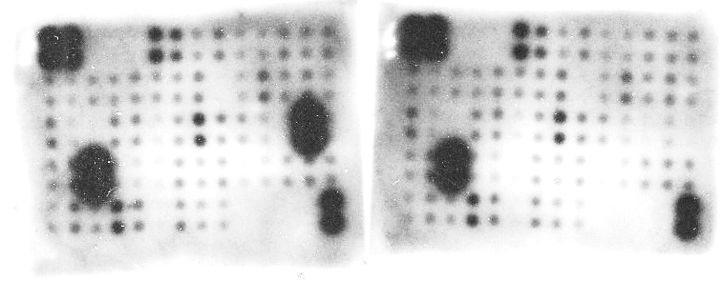
Fig. S1a |  | M14-BMR | D/T | D/T+Nilo
 |  |  | D/T | D/T+Nilo
 |  | CXCL1/2/3 | 100 | 3.2
 |  | CXCL1 | 100 | 5.4
 |  | CXCL8 | 100 | 2.5
 |  | IL-6 | 100 | 1.1
 |  | CCL5 | 100 | 69

Fig. S1b |  | SK-MEL-2MR | Tra | Tra+Nilo
 |  | CXCL1/2/3 | 100 | 4
 |  | CXCL1 | 100 | 6.2
 |  | CXCL8 | 100 | 17
 |  | IL-6 | 100 | 0.9
 |  | CCL5 | 100 | 46

Fig. S1c |  | M14-BMR | shNT | shABL1/2
 |  | CXCL1/2/3 | 100 | 24.5
 |  | CXCL1 | 100 | 38.7
 |  | CXCL8 | 100 | 11.5
 |  | IL-6 | 100 | 28

Fig. S1d |  |  |  |  |  |  |  |  |  |  |  |  |  |  | Dotted lines show the bands that are present in the figures. The rest of the bands are not part of the manuscript.
 |  | SK-MEL-2MR | siNT | siABL1 | siABL2 | siDDR1
 |  | CXCL8 | 100 | 22 | 8.4 | 49
 |  | CCL2 | 100 | 36 | 2.1 | 39
 |  | CCL5 | 100 | 24 | 6.3 | 35 |  |  |  |  |  |  |  |  |  |  | M14-BMR
ABL1/2
 |  |  |  |  |  |  |  |  |  |  |  |  | Fig. 1e western blots |  | ABL1 |  |  |  |  |  | ABL2 |  |  |  | pCRKL |  | actin
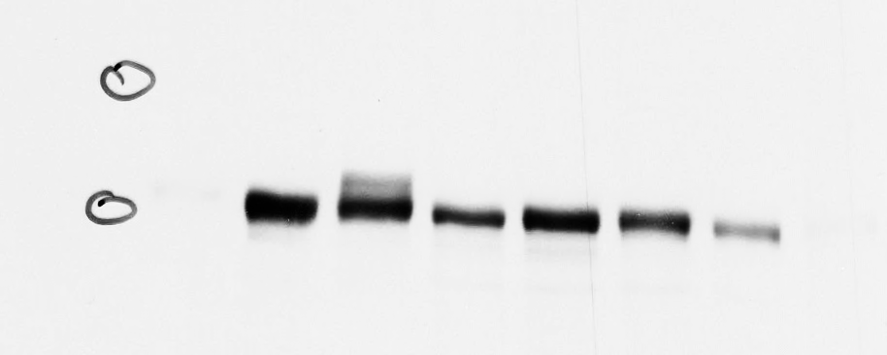
ABL1/2
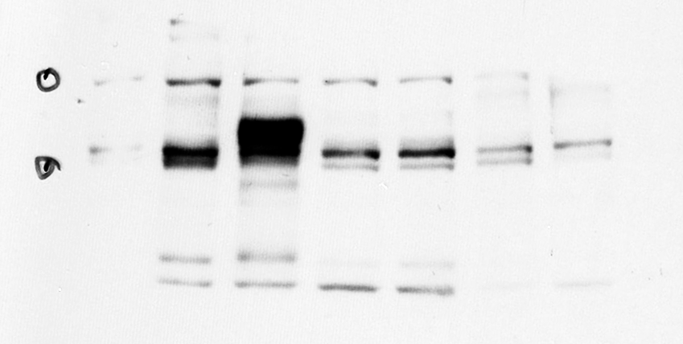
Vec shRNA
Fig. 1e
180kd
Vec shRNA
145kd
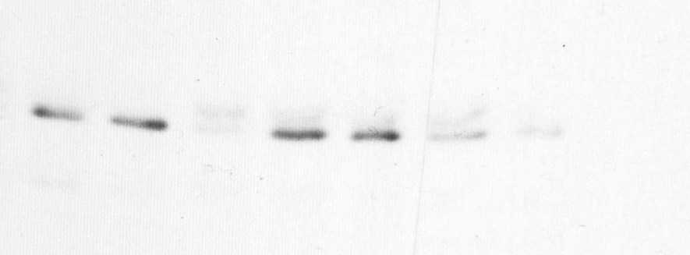
ABL1/2
55kd
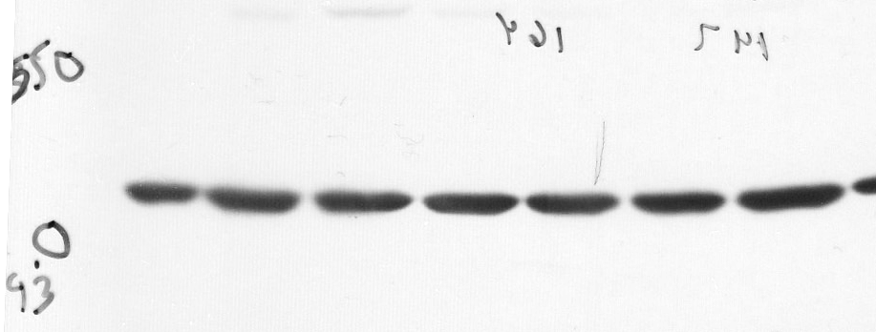
ABL1/2
43kd
Vec shRNA
Vec shRNA
130kd
145kd
42kd
130kd
140kd
37kd
43kd
 | M14-BMR-knockdown efficiency
 |  | Vector |  |  |  | ABL1/2shRNA
 | ABL1 | 100 | 100 | 100 |  | 48 | 45 | 12.7 | 67
 | ABL2 | 100 | 100 | 100 |  | 55 | 61 | 15.8 | 54

SK-MEL-2MR | Knockdown efficiency |  |  |  |  |  |  |  |  | Knockdown efficiency
Fig. S1f |  | siNT |  |  |  | siABL1+ABL2 |  |  |  | siNT | siDDR1
 | ABL1 | 100 | 100 | 100 |  | 20 | 43 | 14 |  | 100 | 17.4
 | ABL2 | 100 | 100 | 100 |  | 27 | 21 | 21 |  | 100 | 19.7
 |  |  |  |  |  |  |  |  |  | 100 | 20.7
 |  |  |  |  |  |  |  |  |  | 100 | 18

Fig. S1g | M14-BMR |  | sub-G1 | G1 | S | G2/M |  | M14-BMR |  | sub-G1 | G1 | S | G2 |  | SK-MEL-2MR |  | sub-G1 | G1 | S | G2/M |  | SK-MEL-2MR | sub-G1 | G1 | S | G2/M
Serum-starved | D/T |  | 8.97560976 | 75.3170732 | 6.32195122 | 9.38536585 |  | shNT |  | 9.1251530276 | 70.439777757 | 10.264620021 | 10.170449195 |  | Tra |  | 1.7 | 65.6 | 19.5 | 13.2 |  | Scr | 0.91 | 51.8 | 36 | 11
 | D/T+Nilo |  | 3.45861843 | 72.4529009 | 10.4039741 | 13.6845065 |  | shABL1/2 |  | 6.4889237404 | 62.928837483 | 19.50597922 | 11.076259557 |  | Tra+Nilo |  | 2.4 | 58.8 | 20.3 | 18.5 |  | ABL1 | 2.25 | 53.7 | 32 | 12
 |  |  |  |  |  |  |  |  |  |  |  |  |  |  |  |  |  |  |  |  |  | ABL2 | 2.21 | 57.8 | 27.3 | 12.6
2nd replicate
Serum-starved
 | M14-BMR |  | sub-G1 | G1 | S | G2/M |  | M14-BMR |  | sub-G1 | G1 | S | G2 |  | SK-MEL-2MR |  | sub-G1 | G1 | S | G2/M |  | SK-MEL-2MR | sub-G1 | G1 | S | G2/M
 | D/T |  | 4.5 | 66.8 | 14.4 | 14.2 |  |  | shNT | 11.8 | 70.3 | 12.9 | 4.98 |  |  | Tra | 6.28 | 68.7 | 18.6 | 6.37 |  | Scr | 15.4 | 67.1 | 14.6 | 2.89
 | D/T+Nilo |  | 2.1 | 59.7 | 16 | 22.2 |  |  | shABL1/2 | 14.2 | 67 | 10.4 | 8.37 |  |  | Tra+Nilo | 9.94 | 63 | 19.7 | 7.38 |  | ABL1 | 21.9 | 62.1 | 13.6 | 2.43
 |  |  |  |  |  |  |  |  |  |  |  |  |  |  |  |  |  |  |  |  |  | ABL2 | 11.9 | 64.5 | 12.4 | 11.13

 |  |  |  |  |  |  |  |  |  |  |  |  |  | 3rd replicate | SK-MEL-2MR |  | sub-G1 | G1 | S | G2/M |  | SK-MEL-2MR | sub-G1 | G1 | S | G2/M
 |  |  |  |  |  |  |  |  |  |  |  |  |  |  |  | Tra | 0.85 | 44.3 | 40.7 | 14.2 |  | Scr | 2.98 | 63.4 | 20 | 13.6
 |  |  |  |  |  |  |  |  |  |  |  |  |  |  |  | Tra+Nilo | 1.16 | 44 | 38 | 16.8 |  | ABL1 | 4.42 | 61 | 22.6 | 13
 |  |  |  |  |  |  |  |  |  |  |  |  |  |  |  |  |  |  |  |  |  | ABL2 | 4.5 | 47.5 | 5.7 | 42.3

Fig. S1h | WM164 |  | Vec | ABL1/2-PP
 |  | CXCL8 | 100 | 245

 | SK-MEL-147
Fig. S1i |  |  | Vec | ABL1/2-PP
 |  | CCL2 | 100 | 738

Fig. S1j
 |  |  | M14 | M14-BMR |  |  |  |  |  |  | Dotted lines show the bands that are present in the figures. The rest of the bands are not part of the manuscript.
 |  | CCL2 | 100 | 1189
 |  | CXCL8 | 100 | 294

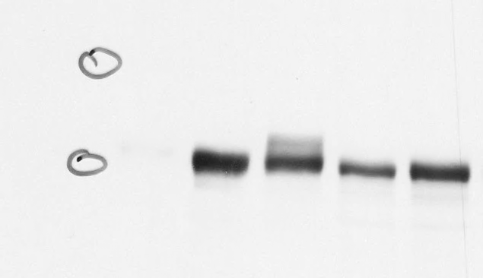
180kd
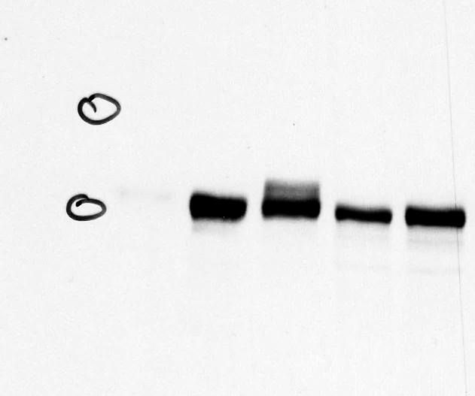
 |  |  |  |  |  |  |  |  |  |  | S1h. western blots |  |  | WM164
 |  |  | SK-MEL-2 | SK-MEL-2MR |  |  |  |  |  |  |  |  |  |  |  |  |  |  |  | S1i western blots |  | SK-MEL-147
 |  | IL-6 | 100 | 1778
 |  | CCL2 | 100 | 320
Vector ABL1/2-PP
180kd
 |  | CCL5 | 100 | 1294
130kd
140kd
Vector ABL1/2-PP
 |  |  |  |  |  |  |  |  |  |  |  |  |  |  |  |  |  |  | ABL1
 |  |  |  |  |  |  |  |  |  |  | ABL1
130kd
140kd
Fig. 1k | serum | M14-BMR |  | sub-G1 | G1 | S | G2/M
 | conditions | D/T |  | 1.18343195 | 75.5424063 | 11.0453649 | 12.2287968
 |  | D/T+Nilo |  | 3.06456412 | 76.6636914 | 8.46970148 | 11.802043

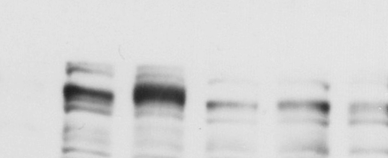
180kd
Vector ABL1/2-PP
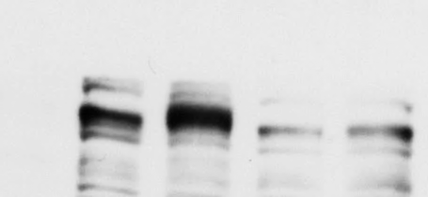
180kd
Vector ABL1/2-PP
 |  | M14-BMR |  | sub-G1 | G1 | S | G2/M
 |  | shNT |  | 4.5 | 66.8 | 14.4 | 14.3 |  |  |  | ABL2
 |  | shABL1/2 |  | 2.1 | 59.7 | 16 | 22.2 |  |  |  |  |  |  |  |  |  |  |  | ABL2
145kd
130kd
145kd
130kd
 |  | SK-MEL-2MR |  | sub-G1 | G1 | S | G2/M
 |  | Tra |  | 0.82562419 | 44.2653934 | 40.6843728 | 14.2246096
 |  | Tra+Nilo |  | 1.15699182 | 44.085378 | 38.0011969 | 16.7564333
Vector ABL1/2-PP
Vector ABL1/2-PP
42kd
42kd
43kd
43kd
 |  |  |  | sub-G1 | G1 | S | G2/M
 |  | Scr |  | 1.58 | 42.5 | 41.3 | 14.6 |  |  |  | actin |  |  |  |  |  |  |  | actin
 |  | ABL1+ABL2 |  | 2.02 | 43.9 | 40.2 | 14

 | additional replicate
 | serum
 |  | M14-BMR |  | sub-G1 | G1 | S | G2/M
 |  | D/T |  | 1.18 | 72.3 | 16.6 | 9.9
 |  | D/T+Nilo |  | 2.4 | 83.5 | 7.8 | 6.3

 |  | M14-BMR |  | sub-G1 | G1 | S | G2/M
 |  | shNT |  | 2.3 | 72.3 | 10.8 | 14.5
 |  | shABL1/2 |  | 4.8 | 54.5 | 23.4 | 17.3

 |  | SK-MEL-2MR |  | sub-G1 | G1 | S | G2/M
 |  | Tra |  | 0 | 46.2 | 30.1 | 14.7
 |  | Tra+Nilo |  | 1.83 | 65.4 | 20.5 | 18.5

 |  |  |  | sub-G1 | G1 | S | G2/M
 |  | Scr |  | 3 | 57.3 | 23.5 | 16.2
 |  | ABL1+ABL2 |  | 2.34 | 54.8 | 25.6 | 17.2

 | 3rd replicate
 |  | M14-BMR |  | sub-G1 | G1 | S | G2/M
 |  | D/T |  | 0.39 | 83.6 | 12.7 | 3.3
 |  | D/T+Nilo |  | 3.9 | 87.2 | 5.9 | 3

 |  | M14-BMR |  | sub-G1 | G1 | S | G2/M
 |  | shNT |  | 7.8 | 76 | 12.6 | 3.6
 |  | shABL1/2 |  | 12.2 | 67.9 | 14.1 | 5.8

 |  | SK-MEL-2MR |  | sub-G1 | G1 | S | G2/M
 |  | Tra |  | 1.28 | 44 | 42.2 | 12.5
 |  | Tra+Nilo |  | 1.43 | 68.4 | 18.2 | 12

 |  |  |  | sub-G1 | G1 | S | G2/M
 |  | Scr |  | 7.8 | 68.7 | 18.6 | 6.4
 |  | ABL1+ABL2 |  | 9.9 | 63 | 19.7 | 7.4

Fig. S2
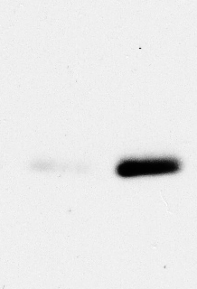
Fig.S2a |  |  |  |  |  |  | Dotted lines show the bands that are present in the figures. The rest of the bands are not part of the manuscript.
 |  |  |  |  |  |  | Additional Replicates |  |  |  |  |  |  |  |  |  | Fig. 2b,c,e additional replicates
 |  | YUMM5.2 | YUMM1.7 |  |  |  |  |  |  | OSUMMER.12 |  | OSUMMER.13

P MR
P MR
DMSO
Tra-2.5nM
Tra (20nM)
Tra+Nilo (5uM)
Tra-5nM
Tra (20nM)
Tra+Nilo (5uM)
DMSO
Tra-0.1nM
 |  |  |  |  |  |  |  |  |  |  |  |  |  |  |  |  | YUMM5.2 | YUMM5.2-BMR | YUMM3.3-BMR | YUMM1.7 | YUMM1.7-BMR | OSUMMER.12 | OSUMMER.12MR | OSUMMER.13 | OSUMMER.13MR | 1007 | 1007-MR | 1014 | 1007MR
P BMR
P BMR
P BMR
D/T (50/10nM)
D/T (150/30nM)
DT+Nilo (2.5uM)_
D/T (150/0)3
DT+Nilo (2.5uM)
DMSO
D/T (100/20nM)
D/T (100/20nM)
DT+Nilo (2.5uM)
DMSO
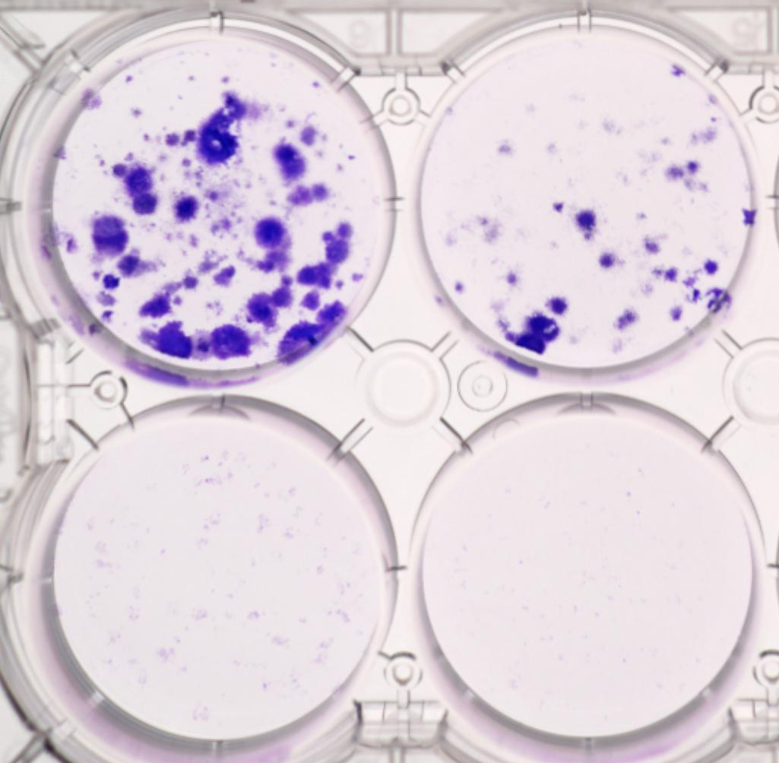
DMSO
DMSO
Tra-0.25nM
 | pCRKL |  |  |  |  | pCRKL
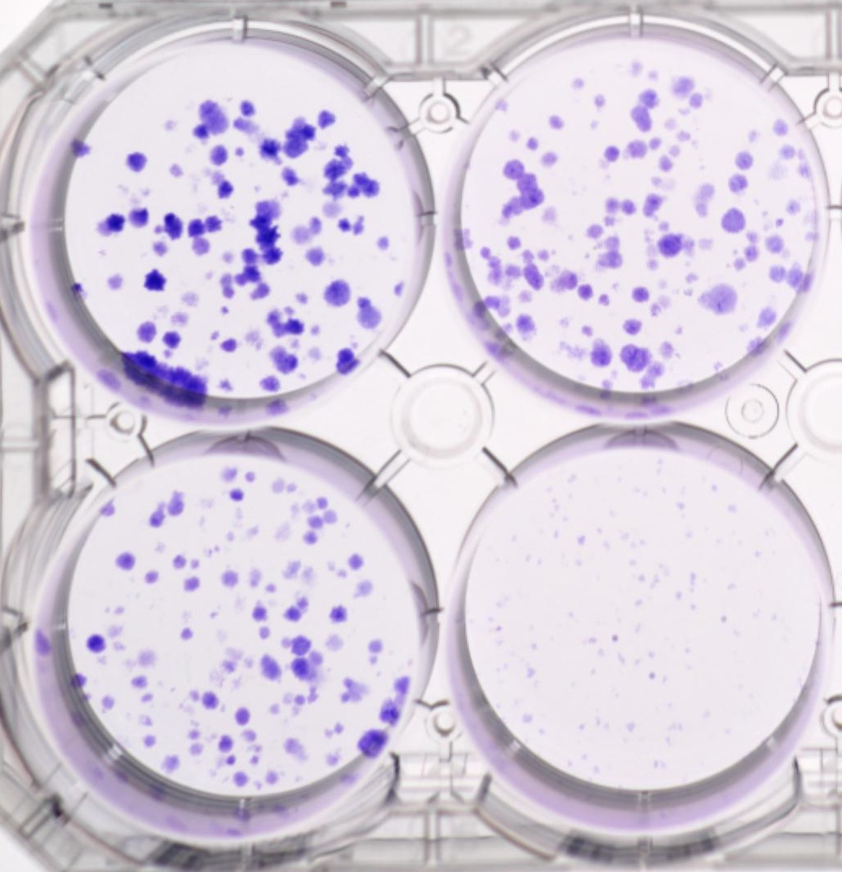
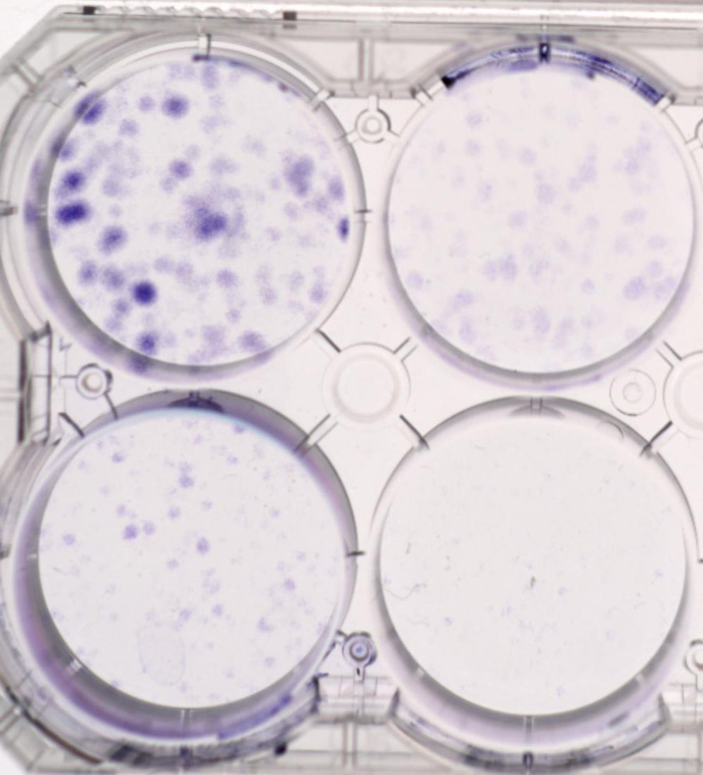
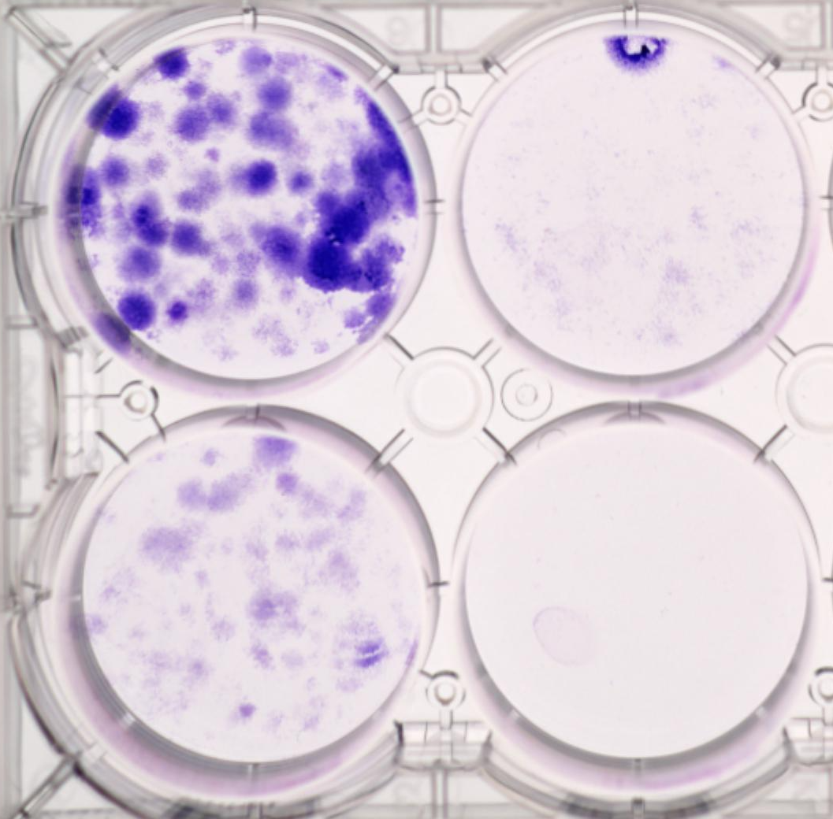
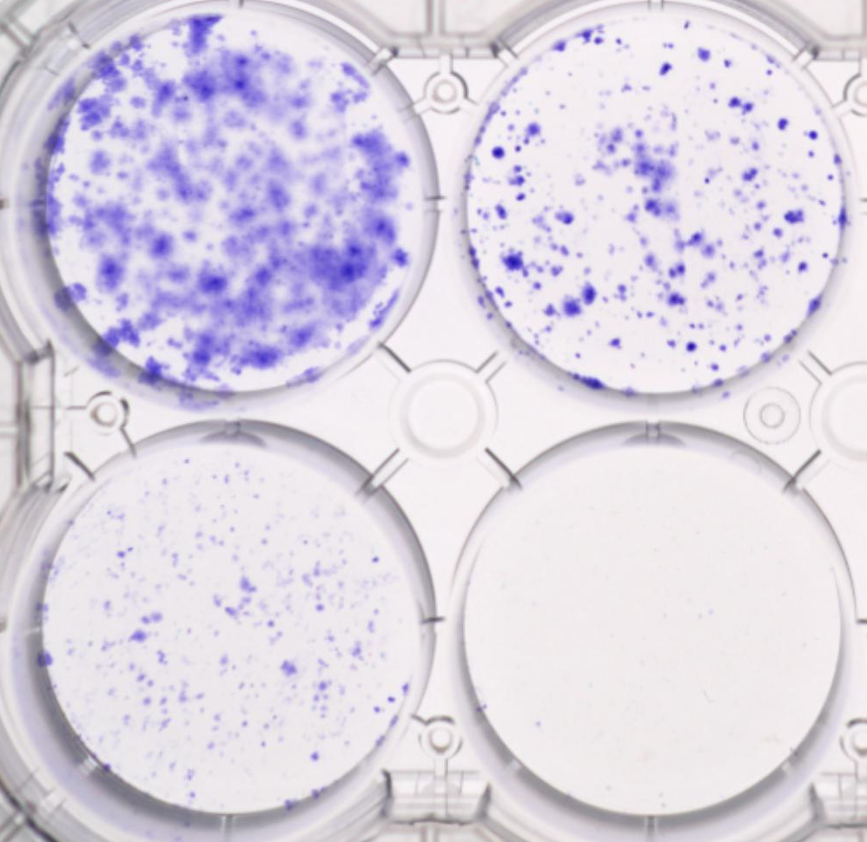
Tra+Nilo (2.5uM)
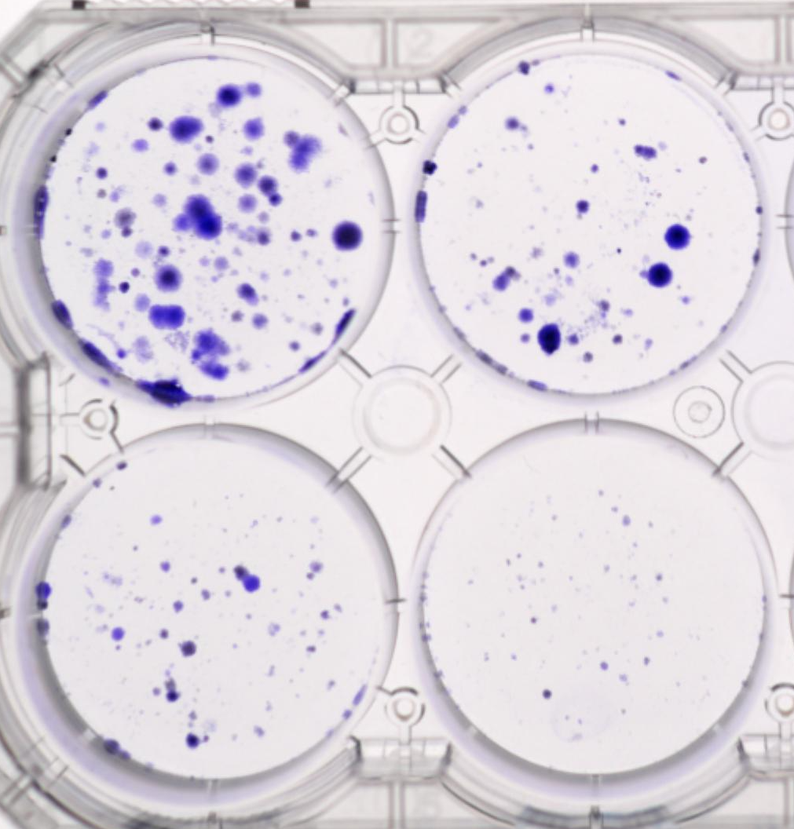
Tra (20nM)
Tra (20nM)+DDR1i (1uM)
37kd
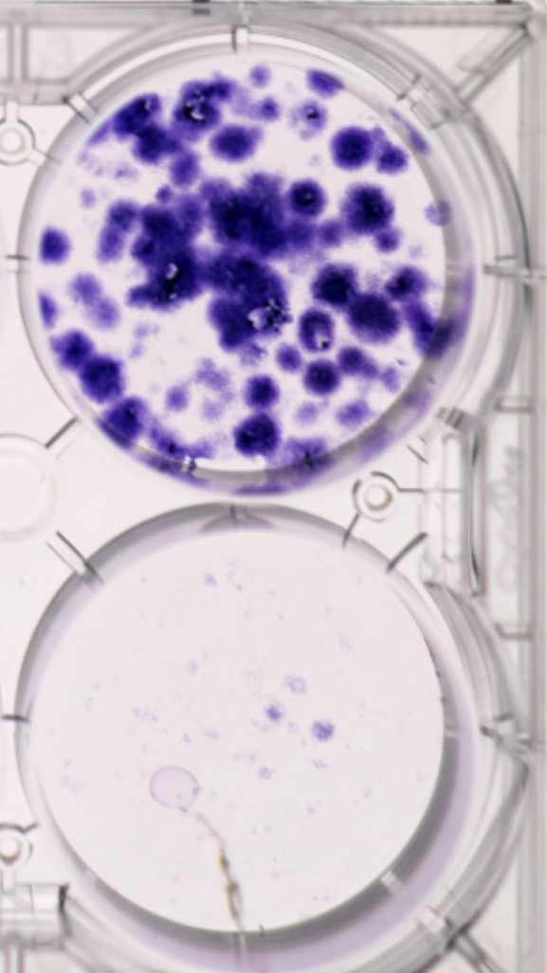
Tra (20nM)
43kd

P MR
P MR
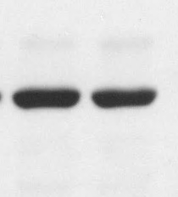
P BMR
P BMR
 |  |  |  |  |  | pDDR1

55kd
55kd
D/T
DT+Nilo
D/T (150/30)
DT+Nilo (2.5uM)
Tra (20nM)
Tra+Nilo (2.5uM)
Nilo (2.5uM)
Tra+Nilo
Nilo (1uM)
Tra+Nilo
 | tubuin
Nilo (2.5uM)
DT+Nilo
Nilo
Tra+Nilo
Nilo (2.5uM)
Tra+Nilo
P MR
P MR
Nilo (2.5uM)
DT+Nilo
D/T (150/30nM)
DT+Nilo (2.5uM)
Tra (20nM) +GNF (10uM)
Tra+GNF +DDR1i



DMSO
D/T (100/20nM)
DMSO
D/T (100/20nM)
DMSO
Tra-1nM
replicate |  | YUMM5.2 | YUMM1.7 |  |  | actin
 | pCRKL
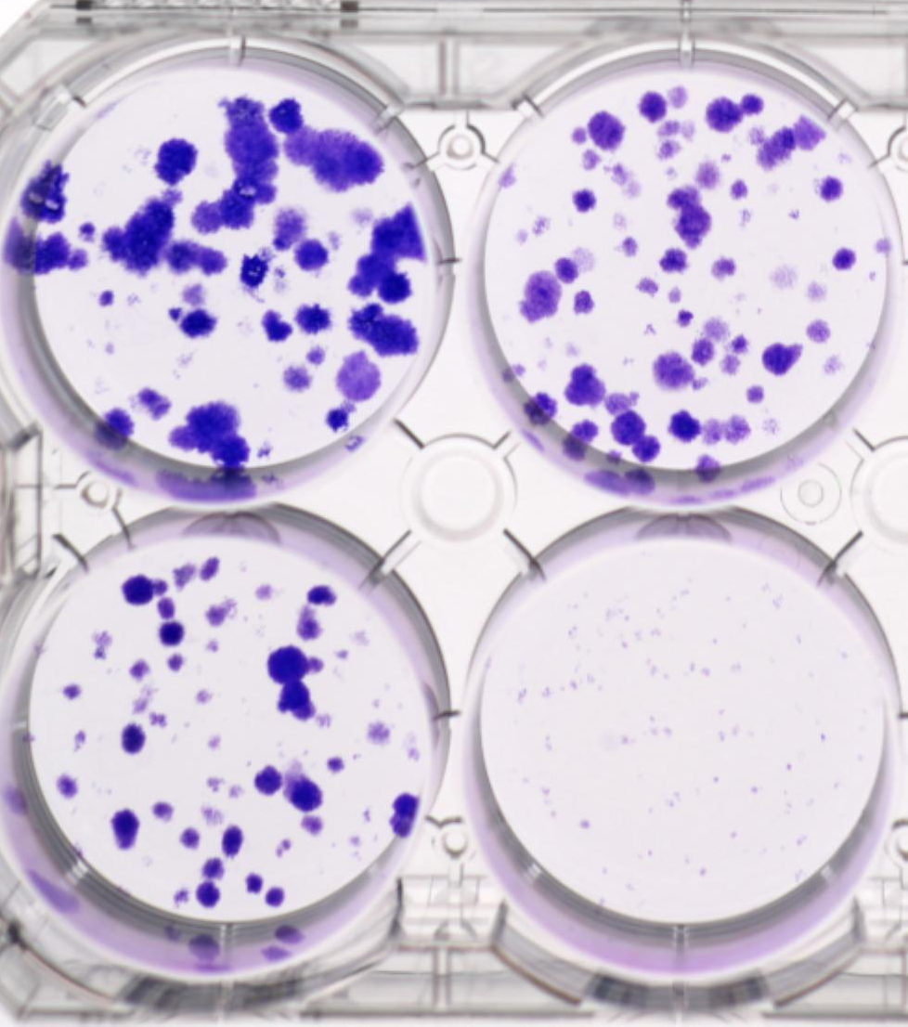
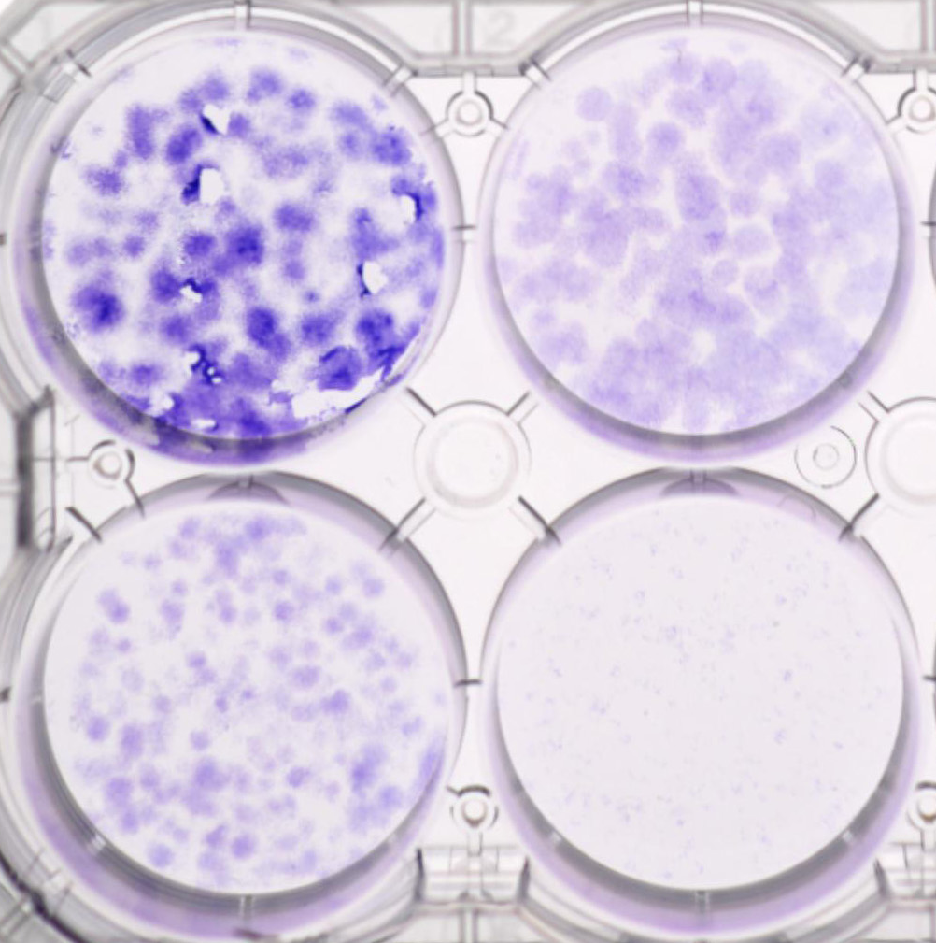
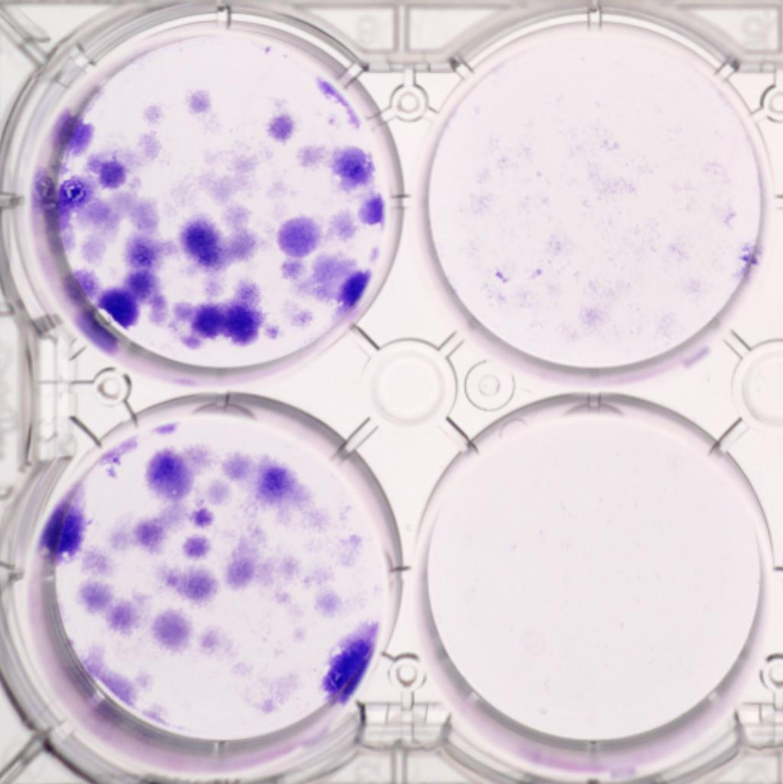
DMSO
Nilo (2.5uM_
43kd
37kd
DT+Nilo (2.5uM)
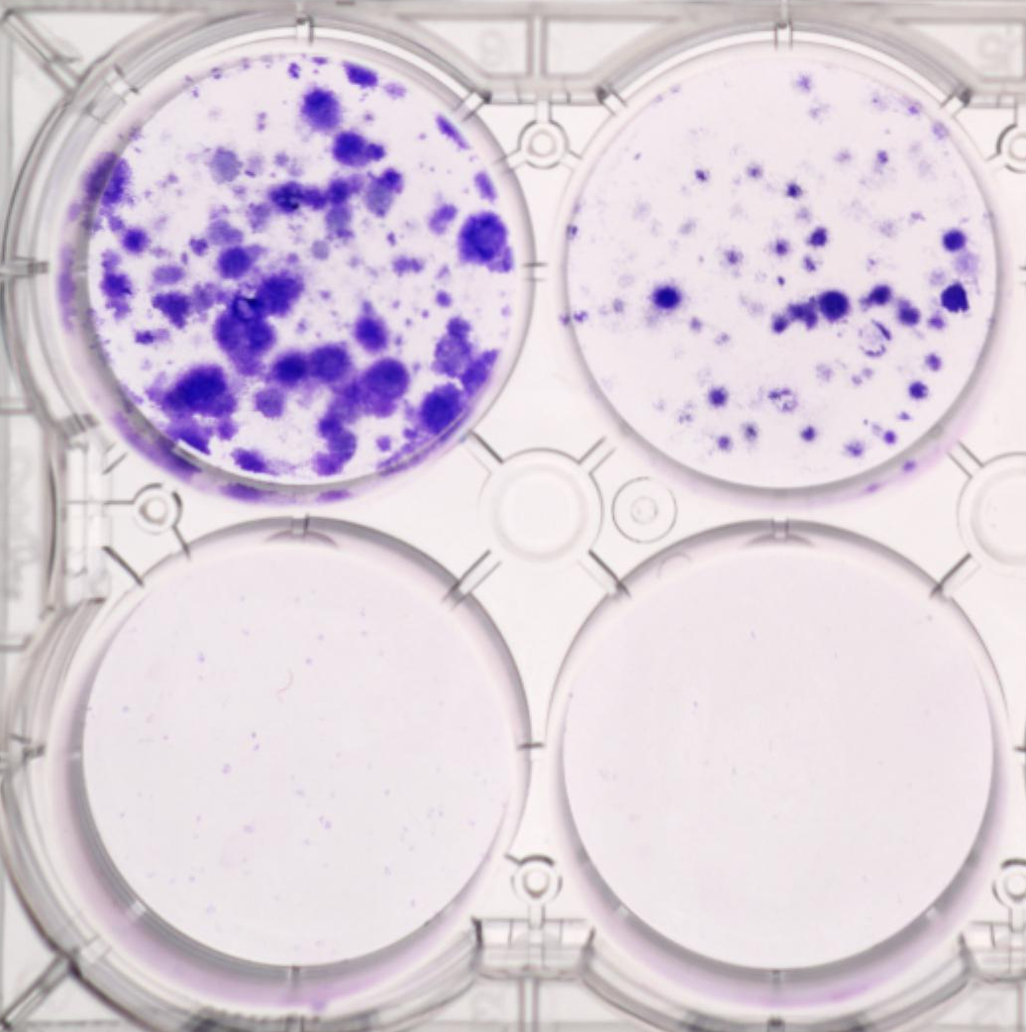
P BMR
P BMR
D/T (100/20)
Tra (20nM)
Tra+Nilo (5uM)

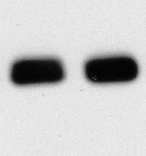
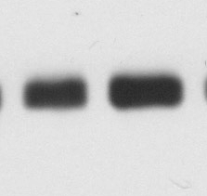
 | tubulin

55kd
42kd

P BMR
P BMR
Nilo-2.5uM
Tra+Nilo
Nilo (2.5uM)
DT+Nilo
Nilo (2.5uM)
DT+Nilo
Tra-20nM
Tra+Nilo

Fig. S2d |  |  | YUMM5.2 Parental Vehicle |  |  |  | YUMM5.2 Parental Nilotinib |  |  |  | YUMM5.2 BMR Vehicle |  |  | YUMM5.2 BMR Nilotinib
 | parental/BMR | 0 | 100 | 99.99999 | 99.99997 | 99.99998 | 41.93516 | 55.66332 | 32.75044 | 30.77351 | 100 | 100 | 100 | 107.3891 | 111.7601 | 97.84732
 |  | 100/20 | 47.3163 | 41.18447 | 42.85555 | 38.2482 | 15.7994 | 14.35821 | 14.59148 | 10.97189 | 116.5122 | 140.1942 | 161.4703 | 27.15608 | 31.50083 | 25.82117

 |  |  | Nilo 0uM |  |  |  | Nilo 1uM |  |  |  | Nilo 2.5 uM |  |  | Nilo 5uM
 | BMR | 0 | 100 | 100 | 100 |  | 160.9398 | 159.4644 | 158.2407 |  | 143.3458 | 156.2579 | 162.7154 | 107.3891 | 111.7601 | 97.84732
 |  | 100/20 | 116.5122 | 140.1942 | 161.4703 |  | 50.37235 | 55.62333 | 55.53307 |  | 39.45693 | 46.47469 | 42.50447 | 27.15608 | 31.50083 | 25.82117
 |  | 200/30 | 101.6226 | 124.3873 | 131.3067 |  | 45.42191 | 51.13529 | 48.86451 |  | 35.93259 | 38.80138 | 38.57199 | 25.66228 | 27.50967 | 27.1898

Fig, S2f | Dotted lines show the bands that are present in the figures. The rest of the bands are not part of the manuscript. |  |  |  |  |  |  |  |  |  |  | Dotted lines show the bands that are present in the figures. The rest of the bands are not part of the manuscript.
 |  |  | YUMM5.2 |  |  |  |  |  |  |  |  |  | OSUMMER.12 |  |  |  | OSUMMER.13

DT
DT+Nilo
DMSO
Tra
Tra+Nilo
DMSO
Tra
Tra+Nilo
P MR
P MR
P MR
P MR
P MR
P MR
pERK
43kd
42/44kd
43kd
P BMR
P BMR
P BMR
 |  |  |  |  |  |  |  |  |  | pERK
35kd

55d
DMSO
Tra
Tra+Nilo
Tra
Tra+Nilo
P MR
P MR
P MR
DMSO
DT
DT+Nilo
P MR
43kd
pFOSL1
 |  |  |  |  |  |  |  |  |  | pFOSL1
40kd
43kd
P BMR
P BMR
P BMR
35kd

DT
DT+Nilo
DMSO
60kd
P MR
Tra
Tra+Nilo
DMSO
P MR
P MR
Tra
Tra+Nilo
P BMR
P BMR
P BMR
55d
P MR
P MR
P MR
pAKT
 |  |  |  |  |  |  |  |  |  | pAKT

43kd
]

pCRKL
DT
DT+Nilo
55d
DMSO
Tra
Tra+Nilo
DMSO
Tra
Tra+Nilo
43kd
37kd
P MR
P MR
P MR
P MR
P MR
P MR
 |  |  |  |  |  |  |  |  |  |  | pCRKL
P BMR
P BMR
P BMR
43kd
35kd

tubulin
DT
DT+Nilo
55kd
60kd
DMSO
Tra
P BMR
P BMR
P BMR
DMSO
Tra
Tra+Nilo
Tra+Nilo
P MR
P MR
P MR
P MR
P MR
 |  |  |  |  |  |  |  |  |  |  | actin
55d
P MR

43kd

Fig. S3
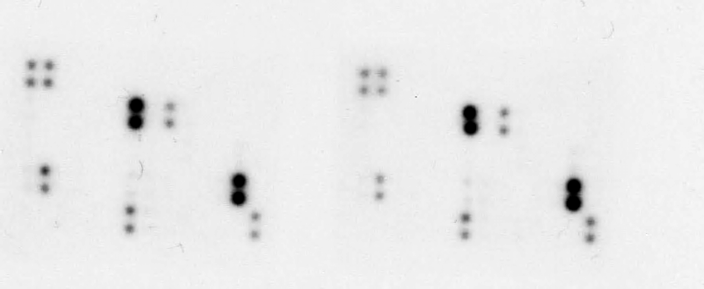
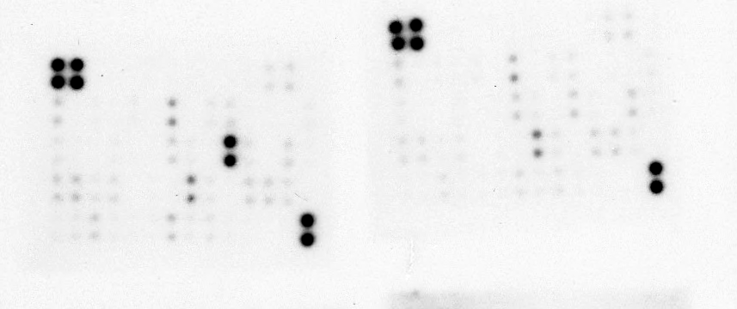
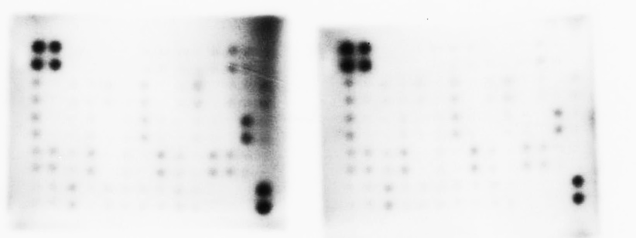
 | D/T |  | D/T+Nilo |  |  |  |  |  |  |  |  | Raybiotech Array map for mouse CYT3 membrane
 |  |  |  |  | Fig. S3b | D/T |  | D/T+Nilo | Fig. S3c | Tra | Tra+Nilo
Fig. S3a

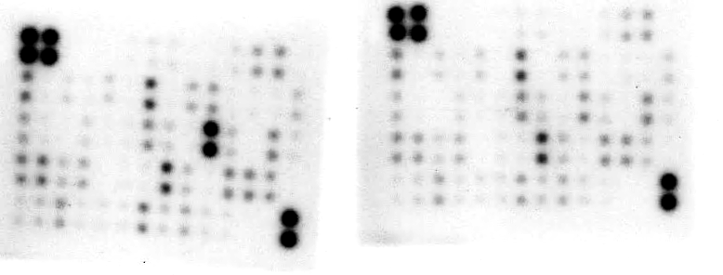
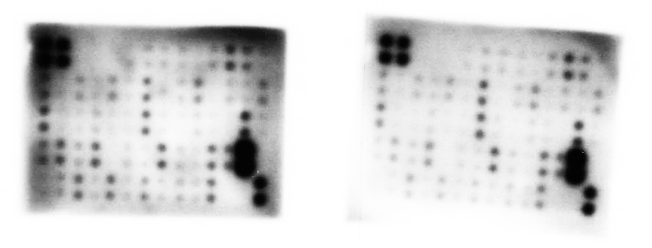

 |  |  |  |  |  |  |  |  | Fig. 3d

 |  | YUMM5.2
Fig. S3e |  |  | DT | DT+Nilo
 |  | CCL2 | 100 | 49.3

 |  | YUMM5.2-BMR
 |  |  | DT | DT+Nilo
 |  | CXCL1 | 100 | 7.46808949
 |  | CCL2 | 100 | 40.2281087
 |  | CCL5 | 100 | 17.6246912

Fig. S3f |  |  | Tra | Tra+Nilo
 |  | CXCL5 | 100 | 38.7067779
 |  | CCL2 | 100 | 68.9226195
 |  | CCL5 | 100 | 23.9799898

 |  |  | Tra | Tra+Nilo
Fig. S3g |  | CCL2 | 100 | 19
 |  | CCL5 | 100 | 58

 |  |  | vehicle |  |  | nilotinib
Fig. S3h | YUMM5.2 | Cxcl1 | 100 | 100 | 100 | 56.9 | 76.5 | 67.5
 |  | Ccl2 | 100 | 100 | 100 | 17.4 | 21.5 | 9.7
 |  | Ccl5 | 100 | 100 | 100 | 120.5 | 131.3 | 112

 |  |  | vehicle
 | YUMM5.2-BMR | Cxcl1 | 100 | 100 | 100 | 38.3 | 63.3 | 15.6
 |  | Ccl2 | 100 | 100 | 100 | 5.2 | 13.2 | 6.2
 |  | Ccl5 | 100 | 100 | 100 | 102 | 112 | 89

Fig. 3i |  |  | Veh |  |  | nilotinib
 | OSUMMER.12 | Cxcl1 | 100 | 100 | 100 | 65.3 | 77.8 | 59.1
 |  | Ccl2 | 100 | 100 | 100 | 14 | 5.3 | 7.4
 |  | Ccl5 | 100 | 100 | 100 | 126 | 133 | 162

 |  |  | Veh |  |  | nilotinib
 | OSUMMER.12-MR | Cxcl1 | 100 | 100 | 100 | 201 | 120 | 119
 |  | Ccl2 | 100 | 100 | 100 | 24.8 | 43.7 | 52.7
 |  | Ccl5 | 100 | 100 | 100 | 83.2 | 74.9 | 88.6

Fig. S8
Vec CCL5
 |  |  |  | CCL5 blot
Fig. S8a |  |  |  |  |  |  |  | CCL2 blot |  | GAPDH | GAPDH
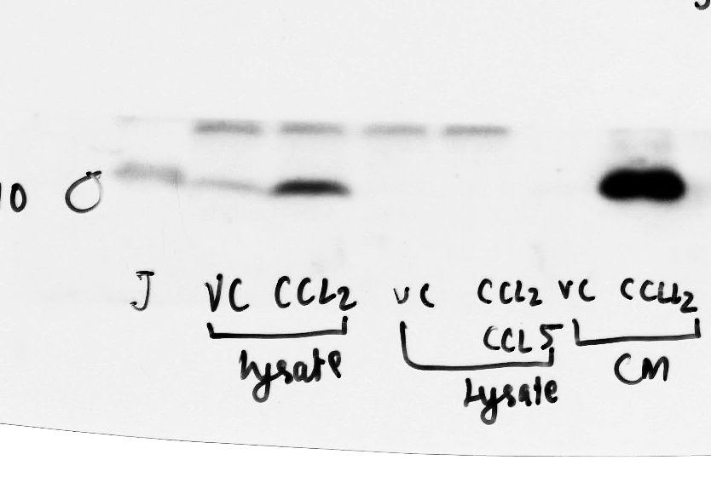
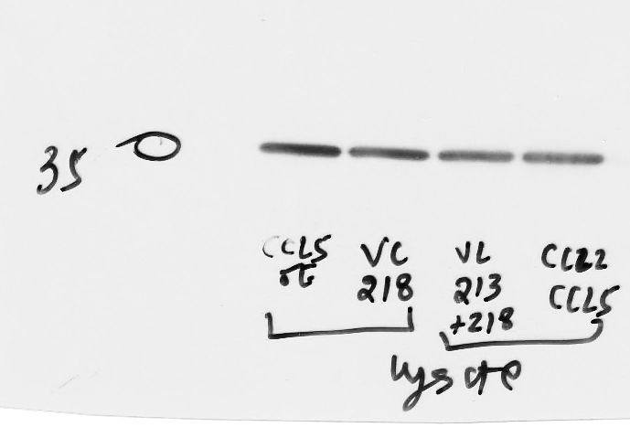
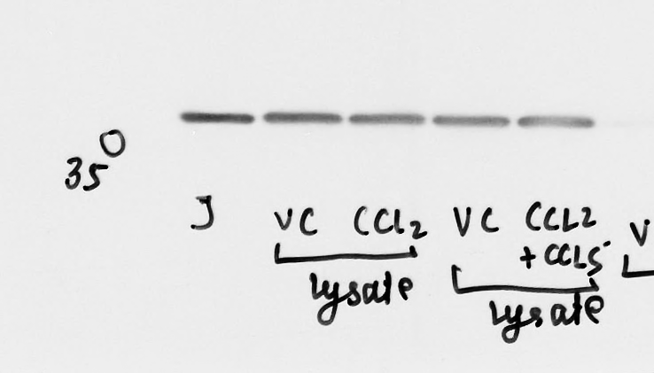
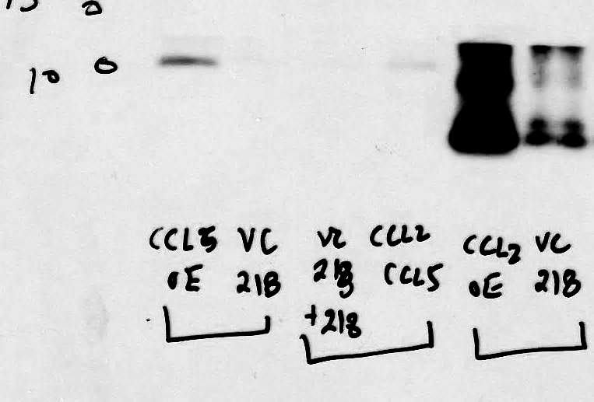
Vec CCL2
Vec CCL2
11kd
Vec CCL5
10kd
35kd
10kd
11kd

Fig. S8b |  | CXCL1-ELISA
 |  | Vector | CXCL1
 |  | 100 | 192
 |  | 100 | 145
 |  | 100 | 205

 |  | Cell Viability
Fig. S8c |  | vector | CXCL1 | CCL2 | CCL5
 |  | 100 | 117.2 | 156.6 | 108.4
 |  | 100 | 121.6 | 128.2 | 110.5
 |  | 100 | 119.2 | 139.3 | 107.6
 |  |  |  | 137

Fig. S8d-e | See Fig. 5a-c

Fig. S8l | Vector | CCL2 |  | Fig. S8m | Vector 2 | CCL2 | Fig. S8n | Vector-D/T+Nilo | CXCL1-D/T+Nilo
Ly6C | 9.5 | 6.34 |  | Ly6C spleen | 2.97 | 4.04 | Ly6C blood | 30.4 | 14.4
blood | 9.98 | 6.12 |  |  | 2.22 | 2.55 |  | 20 | 13.3
 | 4.28 | 4.97 |  |  | 3.56 | 2.82 |  | 22.4 | 9
 | 7.29 | 5.76 |  |  | 4.94 | 2.15 |  | 16.7 | 7.36
 | 17.1 | 6.15 |  |  | 3.57 | 4.91 |  | 33.3 | 14.4
 | 8.56 | 7.1 |  |  | 2.93 | 3.41 |  | 21.4 | 16.4
 | 18.1 |  |  |  | 3.2 |  |  | 24 | 16.6

