1F MAP2 + GFAP western
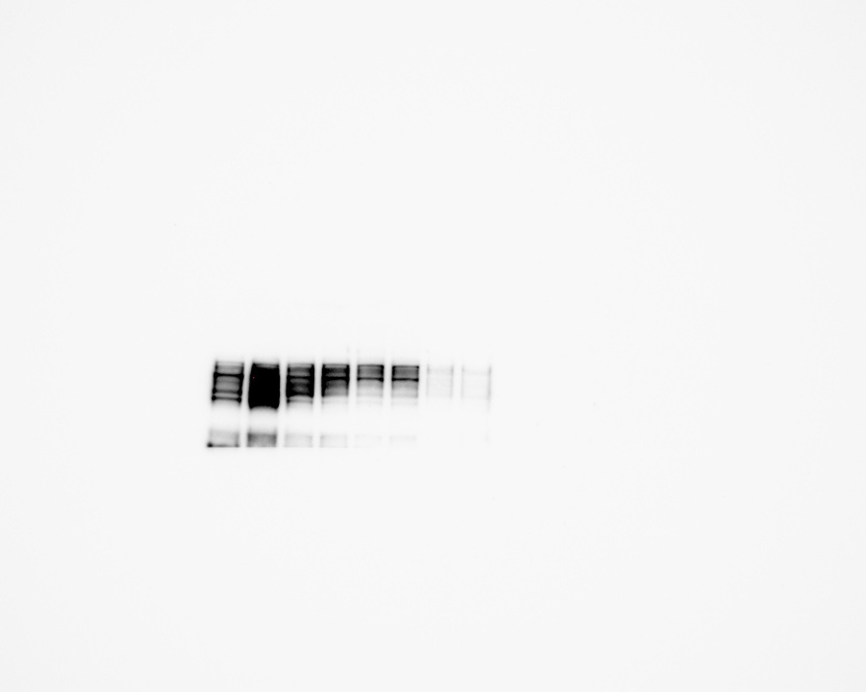
 | Molecular marker used:
MAP2
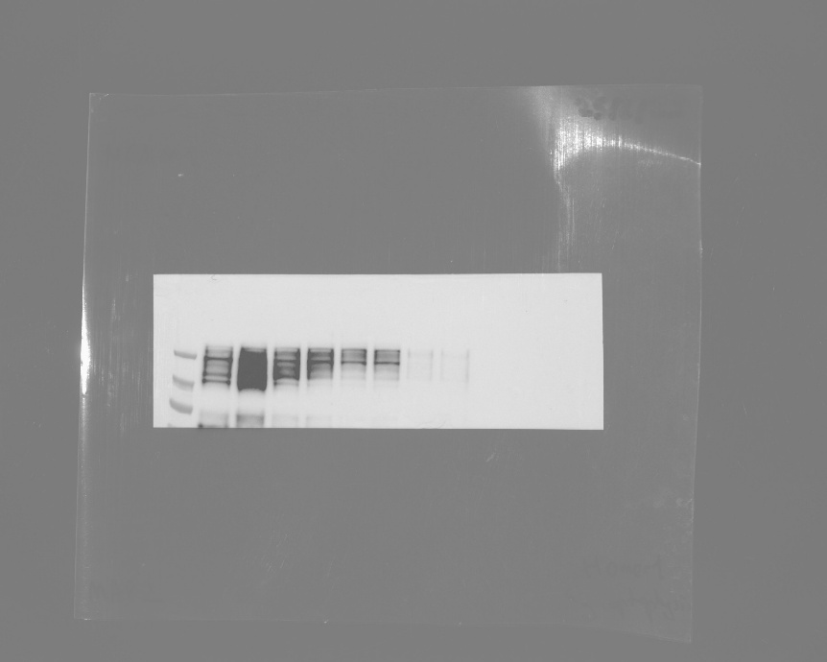
kDa
250-
100 -
TAHV 10 dpi
Mock 4 dpi
Mock 4 dpi
TAHV 4 dpi
TAHV 4 dpi
Mock 10 dpi
Mock 10 dpi
TAHV 10 dpi


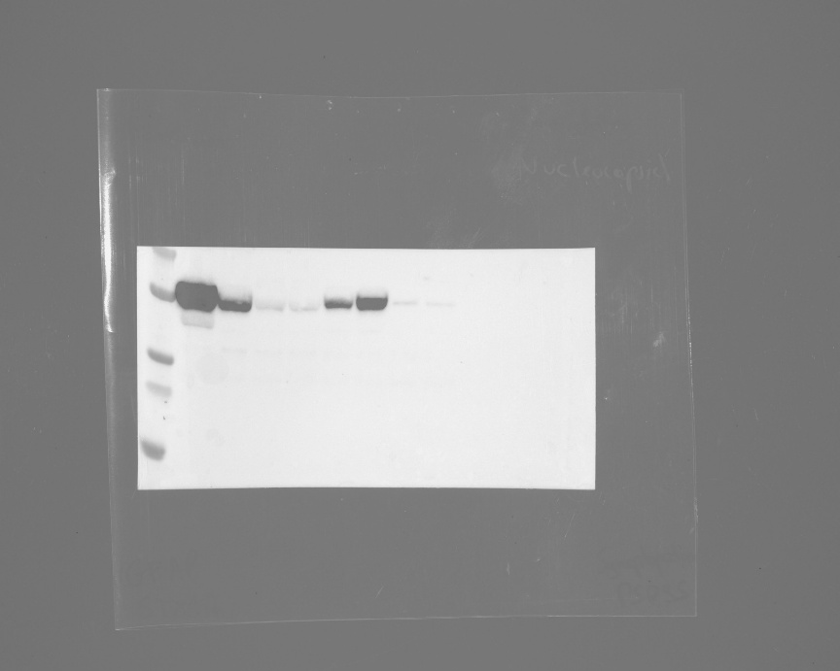
kDa
70-
55-
35-
Mock 10 dpi
TAHV 10 dpi
Mock 10 dpi
TAHV 10 dpi
GFAP
Mock 4 dpi
Mock 4 dpi
TAHV 4 dpi
TAHV 4 dpi

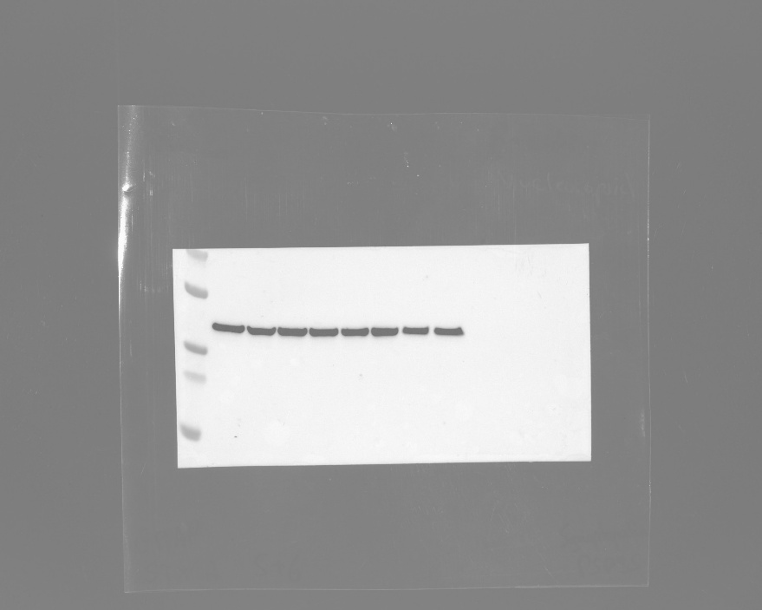
kDa
70-
55-
35-
Mock 10 dpi
TAHV 10 dpi
TAHV 10 dpi

GAPDH
Mock 4 dpi
Mock 4 dpi
TAHV 4 dpi
Mock 10 dpi
TAHV 4 dpi

3F Synaptic Protein Western
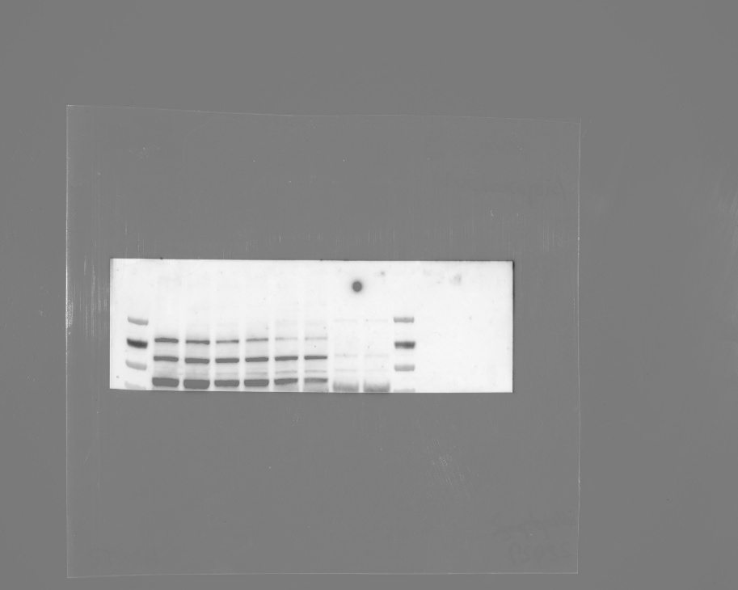
 | Molecular marker used:
Synaptopodin
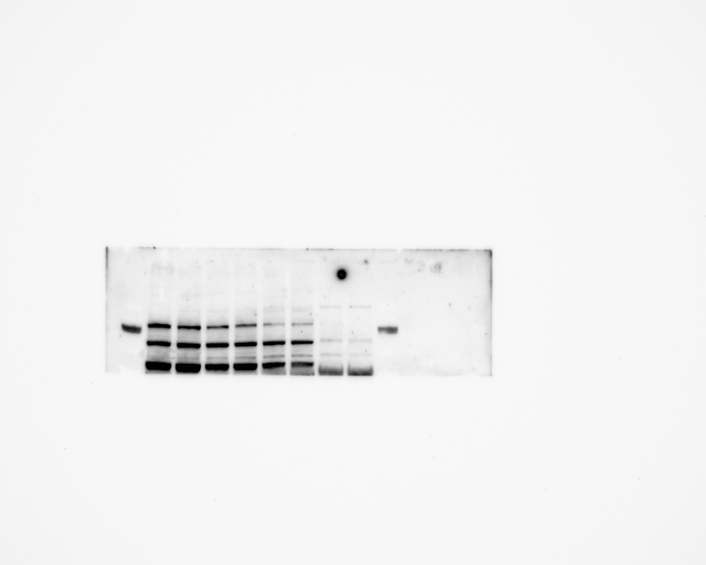
TAHV 4 dpi
Mock 4 dpi
TAHV 4 dpi
Mock 10 dpi
TAHV 10 dpi
TAHV 10 dpi
Mock 4 dpi
Mock 10 dpi

kDa
250-

100 -

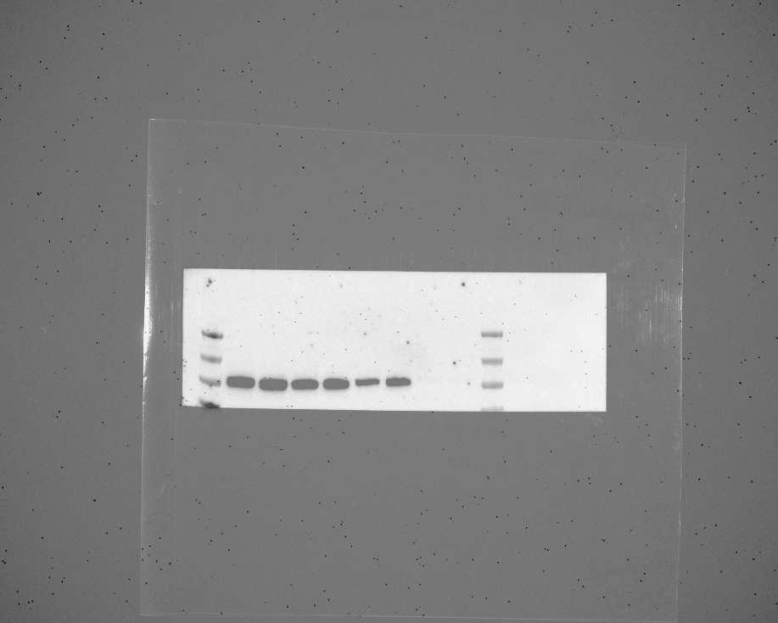
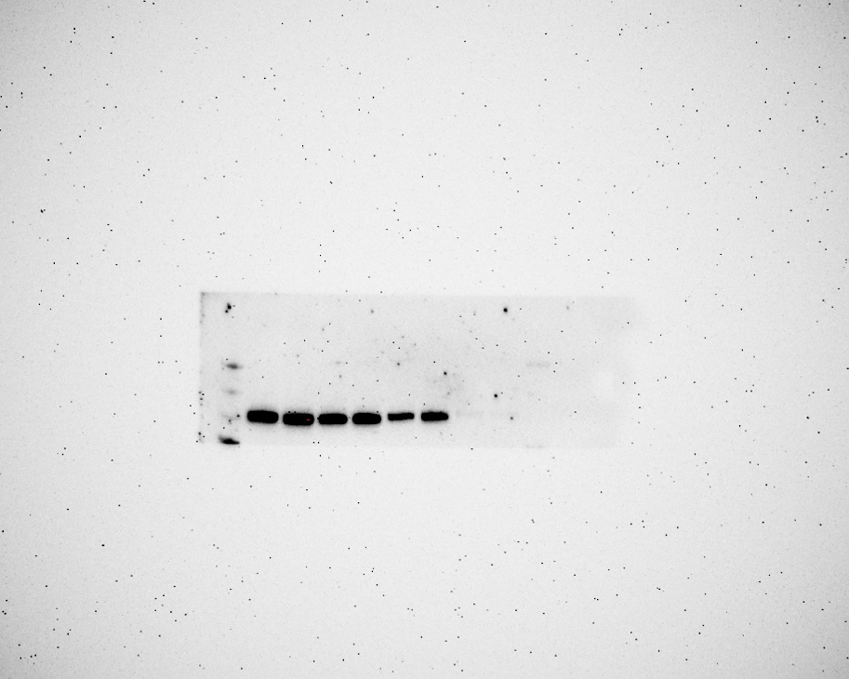
PSD-95
TAHV 4 dpi
Mock 4 dpi
TAHV 4 dpi
Mock 10 dpi
TAHV 10 dpi
TAHV 10 dpi
Mock 4 dpi
Mock 10 dpi

kDa
250-

100 -

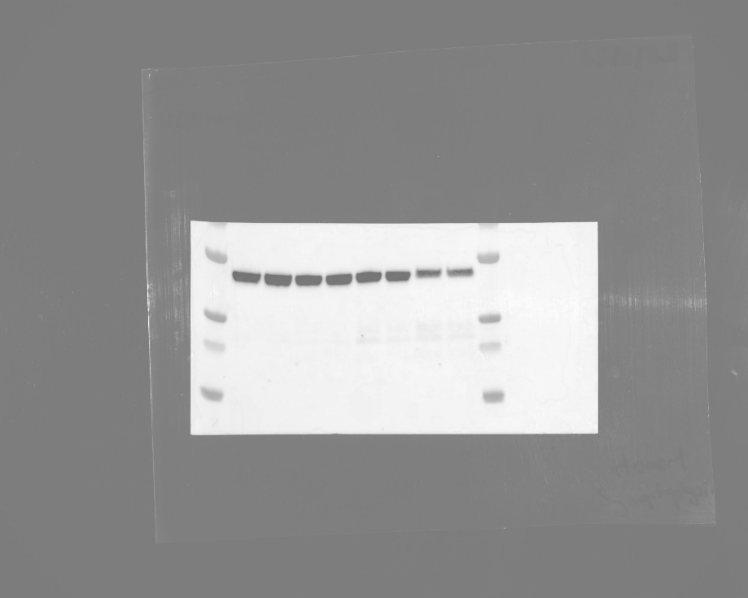

TAHV 4 dpi
Mock 4 dpi
TAHV 4 dpi
Mock 10 dpi
TAHV 10 dpi
TAHV 10 dpi
Mock 4 dpi
Mock 10 dpi
Homer1

kDa

55-
35-

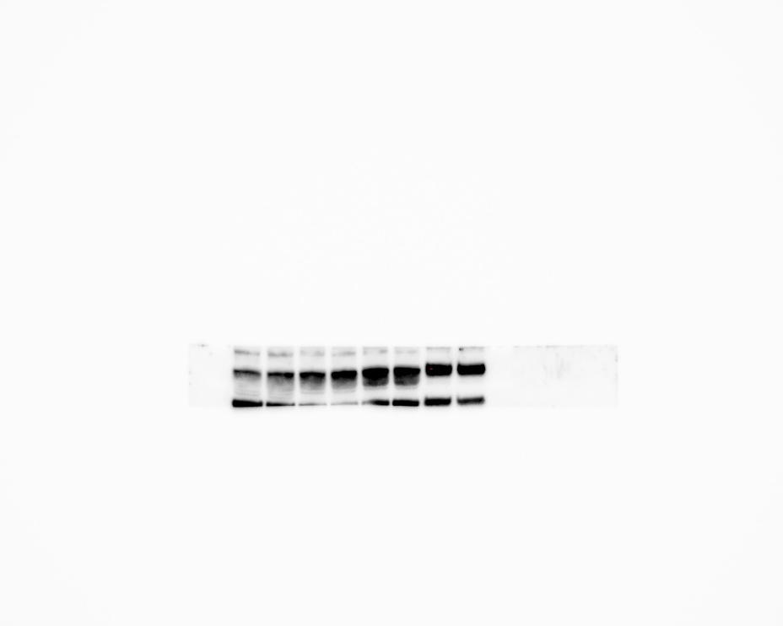
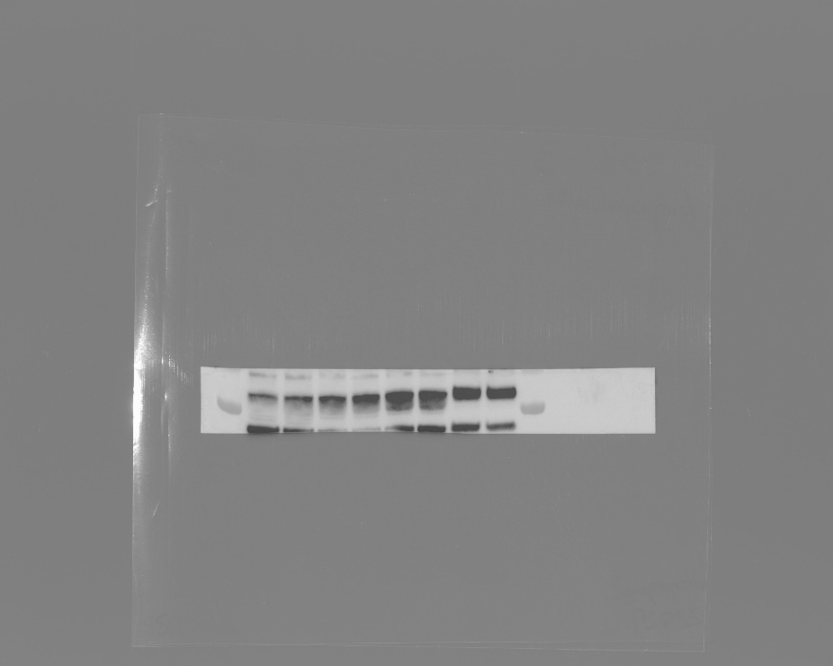
Calreticulin

TAHV 4 dpi
Mock 4 dpi
TAHV 4 dpi
Mock 10 dpi
TAHV 10 dpi
TAHV 10 dpi
Mock 4 dpi
Mock 10 dpi

kDa
55-


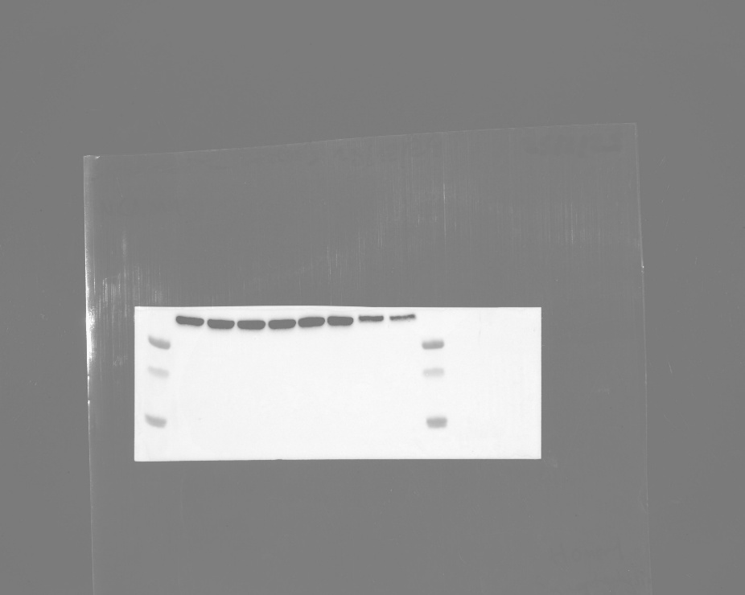
GAPDH

TAHV 4 dpi
Mock 4 dpi
TAHV 4 dpi
Mock 10 dpi
TAHV 10 dpi
TAHV 10 dpi
Mock 4 dpi
Mock 10 dpi

kDa
35-

Suppl. Fig 1B
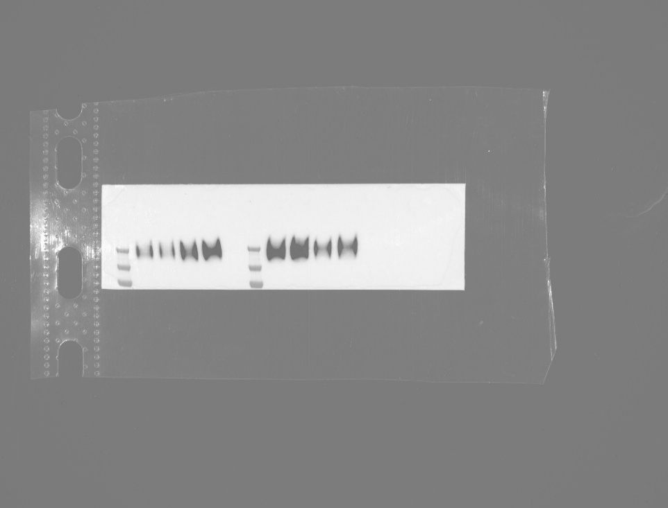

 | Molecular marker used:
NCAM1
TAHV 4 dpi
Mock 4 dpi
TAHV 4 dpi
Mock 10 dpi
TAHV 10 dpi
TAHV 10 dpi
Mock 4 dpi
Mock 10 dpi

kDa
250-

100 -

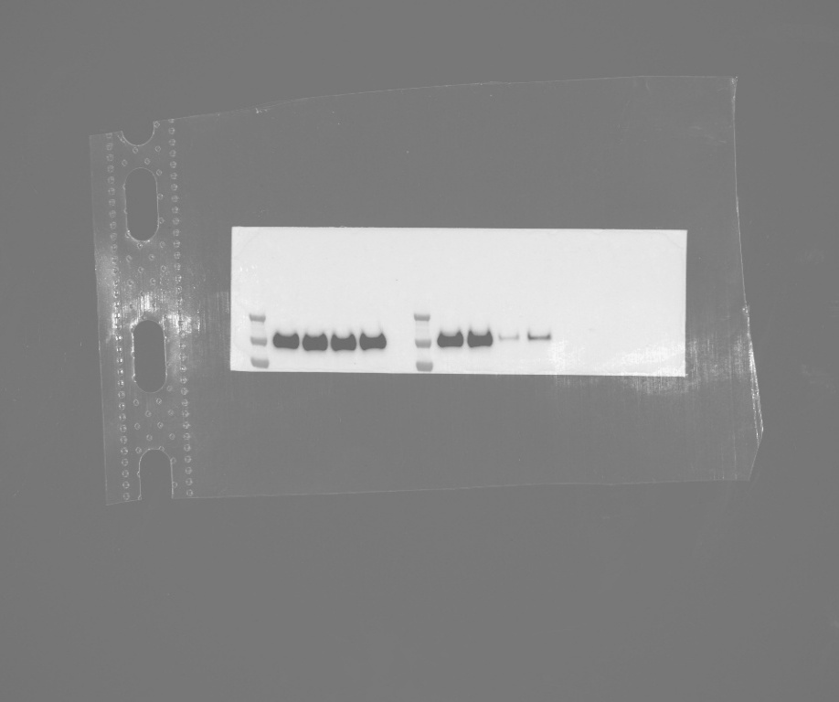

TAHV 4 dpi
Mock 4 dpi
TAHV 4 dpi
Mock 10 dpi
TAHV 10 dpi
TAHV 10 dpi
Mock 4 dpi
Mock 10 dpi
N-cadherin

kDa
250-

100 -

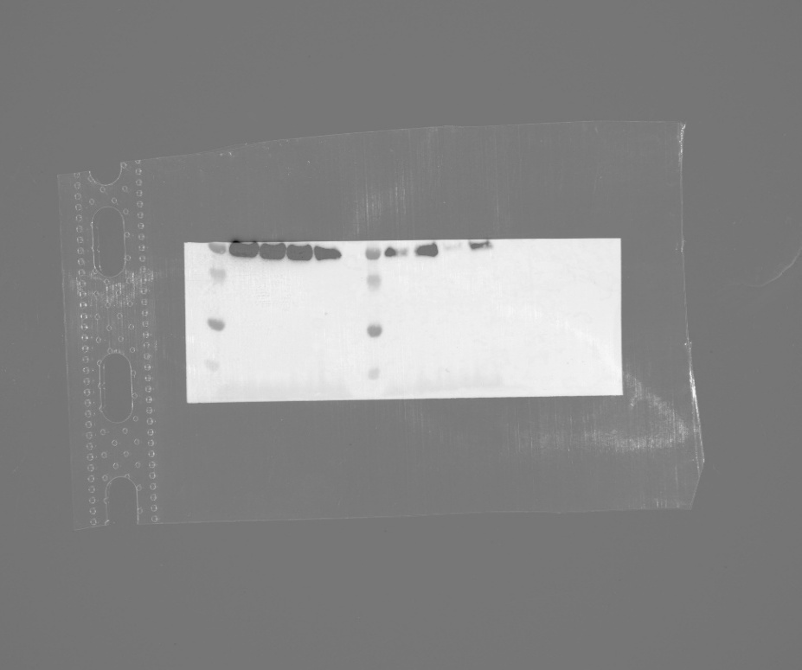

TAHV 4 dpi
Mock 4 dpi
TAHV 4 dpi
Mock 10 dpi
TAHV 10 dpi
TAHV 10 dpi
Mock 4 dpi
Mock 10 dpi
VAP-A

kDa
35-

15-

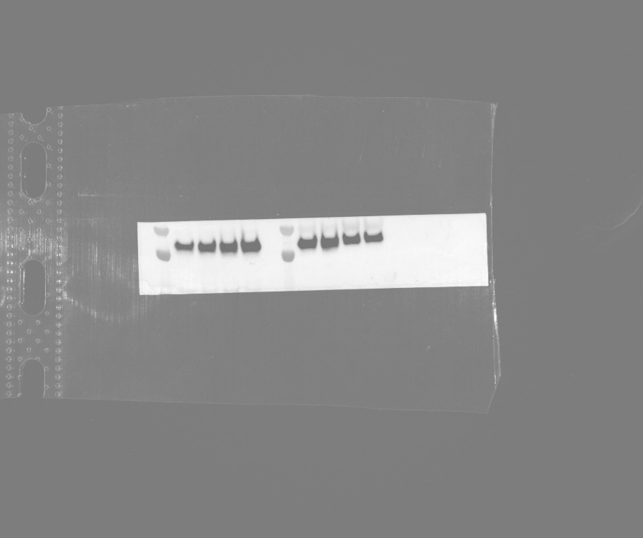
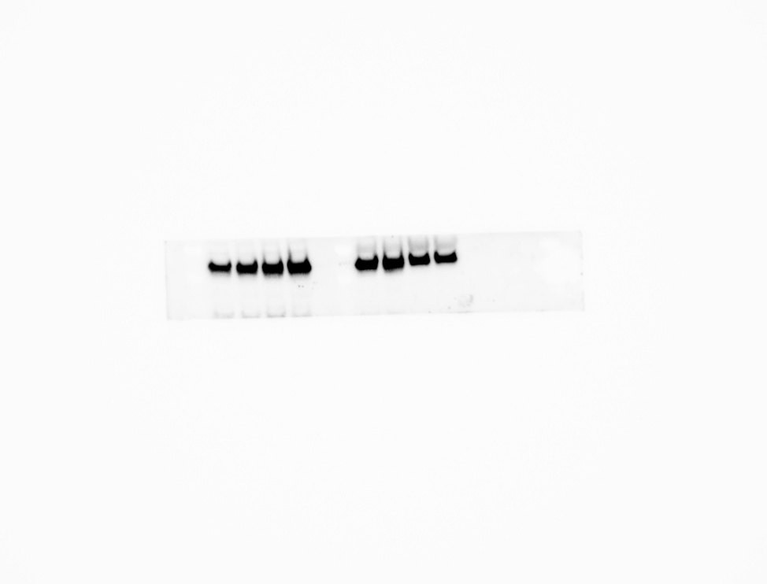
Calreticulin
TAHV 4 dpi
Mock 4 dpi
TAHV 4 dpi
Mock 10 dpi
TAHV 10 dpi
TAHV 10 dpi
Mock 4 dpi
Mock 10 dpi

kDa
70-
55-

