Extended Data Fig4
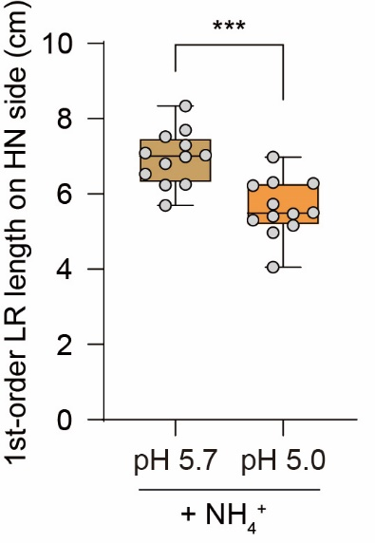
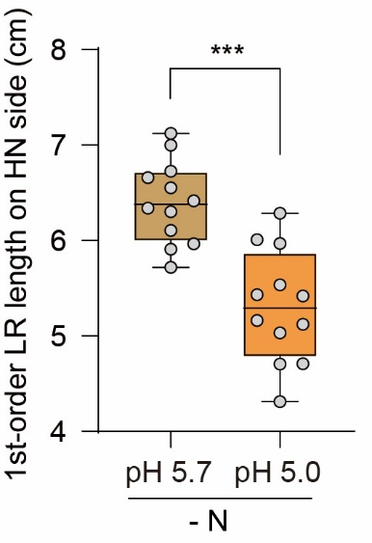
Lateral root traits of qko under low pH (-N) |  |  | Lateral root traits of qko under low pH (+NH4)
1-order LR length (cm) | qko, -N, pH 5.7 | qko, -N, pH 5.0 | 1-order LR length (cm) | qko, +NH4, pH 5.7 | qko, +NH4, pH 5.0
 | 6.42 | 6.29 |  | 7.52 | 5.30
 | 5.72 | 4.71 |  | 8.34 | 4.05
 | 5.91 | 5.53 |  | 7.30 | 5.40
 | 6.11 | 5.43 |  | 6.80 | 4.97
 | 6.66 | 5.97 |  | 7.03 | 6.22
 | 6.55 | 6.01 |  | 7.09 | 5.16
 | 7.00 | 5.03 |  | 7.70 | 5.73
 | 6.72 | 4.31 |  | 6.53 | 6.28
 | 6.30 | 5.16 |  | 6.24 | 6.98
 | 5.97 | 5.42 |  | 5.70 | 5.47
 | 7.12 | 5.12 |  | 6.98 | 6.31
 | 6.34 | 4.70 |  | 6.25 | 5.51

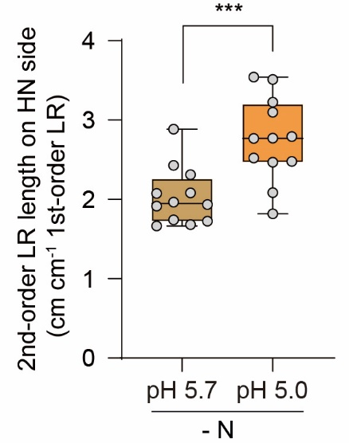
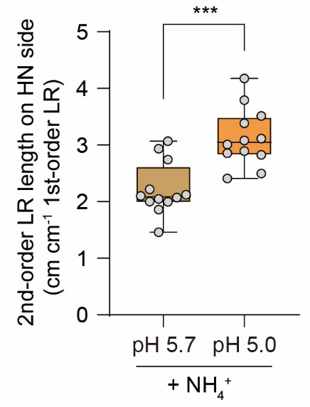
2-order LR length (cm cm-1 1-order LR) | qko, -N, pH 5.7 | qko, -N, pH 5.0 | 2-order LR length (cm cm-1 1-order LR) | qko, +NH4, pH 5.7 | qko, +NH4, pH 5.0
 | 1.93 | 3.51 |  | 1.46 | 3.12
 | 1.97 | 2.48 |  | 2.93 | 3.79
 | 1.73 | 2.77 |  | 2.00 | 3.39
 | 2.43 | 2.52 |  | 2.05 | 3.01
 | 1.66 | 3.10 |  | 1.86 | 3.08
 | 2.88 | 2.77 |  | 2.74 | 2.86
 | 2.08 | 3.23 |  | 2.10 | 2.50
 | 1.74 | 2.08 |  | 2.00 | 4.18
 | 1.68 | 1.82 |  | 2.07 | 2.41
 | 1.92 | 3.54 |  | 3.07 | 2.90
 | 2.31 | 2.47 |  | 2.22 | 2.83
 | 2.07 | 2.79 |  | 2.12 | 3.51

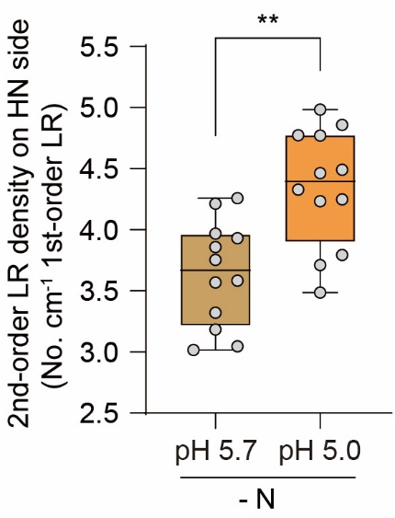
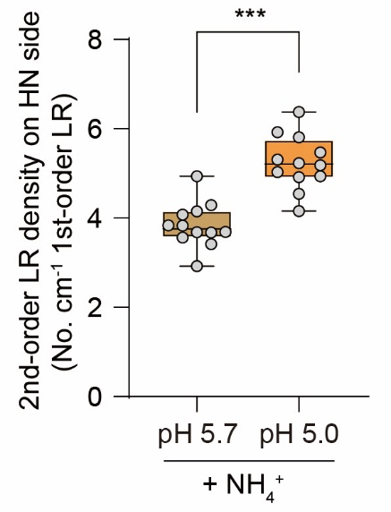
2-order LR density (No. cm-1 1-order LR) | qko, -N, pH 5.7 | qko, -N, pH 5.0 | 2-order LR density (No. cm-1 1-order LR) | qko, +NH4, pH 5.7 | qko, +NH4, pH 5.0
 | 3.58 | 4.77 |  | 2.93 | 5.47
 | 3.32 | 4.25 |  | 4.08 | 5.92
 | 3.05 | 3.79 |  | 3.56 | 5.19
 | 3.93 | 4.23 |  | 3.67 | 5.03
 | 3.75 | 4.86 |  | 3.41 | 5.31
 | 3.97 | 4.33 |  | 4.94 | 5.23
 | 3.86 | 4.77 |  | 4.29 | 4.54
 | 3.57 | 3.71 |  | 3.83 | 6.37
 | 3.02 | 3.49 |  | 3.69 | 4.15
 | 3.18 | 4.98 |  | 3.69 | 4.94
 | 4.21 | 4.49 |  | 4.15 | 4.92
 | 4.26 | 4.46 |  | 3.84 | 5.81

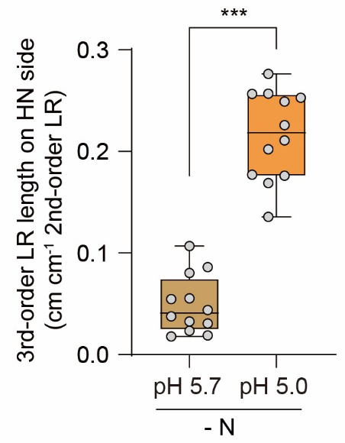
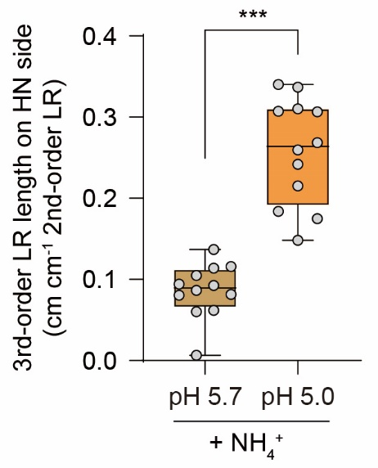
3-order LR length (cm cm-1 2-order LR) | qko, -N, pH 5.7 | qko, -N, pH 5.0 | 3-order LR length (cm cm-1 2-order LR) | qko, +NH4, pH 5.7 | qko, +NH4, pH 5.0
 | 0.04 | 0.14 |  | 0.01 | 0.15
 | 0.02 | 0.20 |  | 0.12 | 0.31
 | 0.05 | 0.25 |  | 0.09 | 0.26
 | 0.04 | 0.21 |  | 0.11 | 0.17
 | 0.06 | 0.18 |  | 0.06 | 0.22
 | 0.11 | 0.18 |  | 0.08 | 0.18
 | 0.03 | 0.26 |  | 0.06 | 0.27
 | 0.02 | 0.25 |  | 0.14 | 0.34
 | 0.09 | 0.26 |  | 0.09 | 0.31
 | 0.08 | 0.28 |  | 0.08 | 0.34
 | 0.03 | 0.17 |  | 0.10 | 0.31
 | 0.02 | 0.23 |  | 0.09 | 0.24

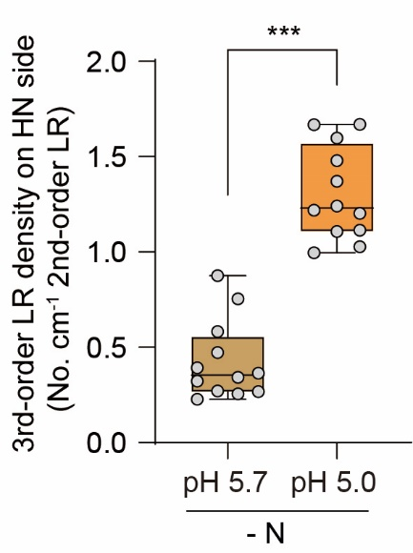
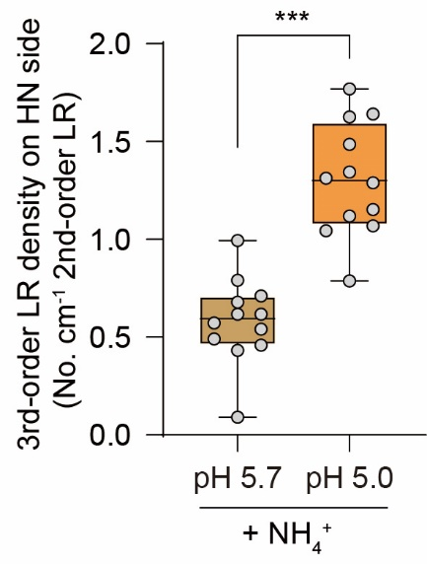
3-order LR density (No. cm-1 2-order LR) | qko, -N, pH 5.7 | qko, -N, pH 5.0 | 3-order LR density (No. cm-1 2-order LR) | qko, +NH4, pH 5.7 | qko, +NH4, pH 5.0
 | 0.32 | 1.00 |  | 0.09 | 0.79
 | 0.27 | 1.11 |  | 0.49 | 1.63
 | 0.39 | 1.37 |  | 0.62 | 1.31
 | 0.47 | 1.24 |  | 0.79 | 1.07
 | 0.27 | 1.03 |  | 0.46 | 1.04
 | 0.58 | 1.20 |  | 0.62 | 1.15
 | 0.34 | 1.48 |  | 0.43 | 1.12
 | 0.26 | 1.67 |  | 0.99 | 1.64
 | 0.75 | 1.60 |  | 0.54 | 1.49
 | 0.88 | 1.67 |  | 0.57 | 1.77
 | 0.36 | 1.11 |  | 0.71 | 1.29
 | 0.23 | 1.22 |  | 0.68 | 1.34

