Extended Data Fig6
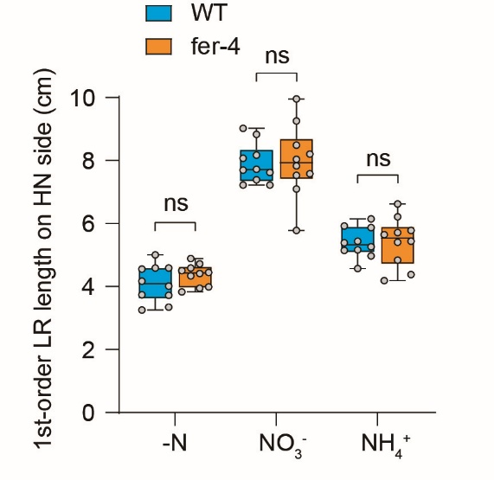
Lateral root traits of WT and fer-4 mutant
1-order LR length (cm) | Col-0, -N | Col-0, +NO3 | Col-0, +NH4 | fer-4, -N | fer-4, +NO3 | fer-4, +NH4
 | 4.17 | 7.38 | 5.17 | 4.72 | 8.21 | 4.38
 | 3.72 | 9.02 | 5.44 | 4.59 | 8.49 | 6.62
 | 3.34 | 8.17 | 5.38 | 3.83 | 5.78 | 6.21
 | 4.55 | 7.72 | 5.87 | 3.95 | 7.53 | 5.78
 | 3.73 | 7.22 | 6.14 | 4.50 | 9.26 | 4.19
 | 4.59 | 7.70 | 5.92 | 4.34 | 8.03 | 4.84
 | 3.26 | 8.83 | 5.26 | 4.89 | 7.58 | 5.40
 | 4.01 | 8.07 | 4.97 | 4.45 | 9.95 | 5.64
 | 4.59 | 7.22 | 5.14 | 4.41 | 7.83 | 5.44
 | 5.01 | 7.62 | 4.57 | 3.98 | 7.09 | 5.71
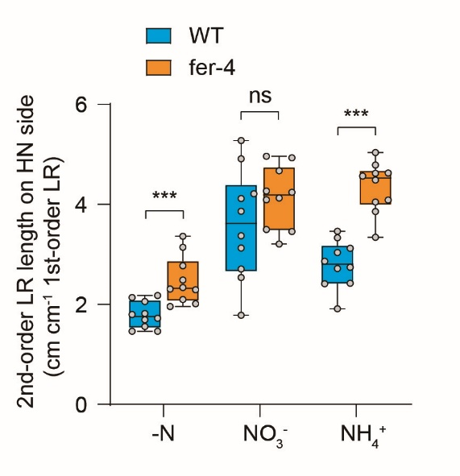
2-order LR length (cm cm-1 1-order LR) | Col-0, -N | Col-0, +NO3 | Col-0, +NH4 | fer-4, -N | fer-4, +NO3 | fer-4, +NH4
 | 2.06 | 4.12 | 3.33 | 2.34 | 4.09 | 3.34
 | 2.14 | 4.91 | 1.91 | 2.29 | 4.13 | 4.57
 | 1.69 | 5.28 | 3.12 | 2.49 | 4.24 | 4.49
 | 1.46 | 3.13 | 2.86 | 1.96 | 4.96 | 4.63
 | 1.46 | 1.78 | 2.42 | 2.77 | 4.93 | 4.79
 | 1.82 | 3.37 | 3.04 | 2.10 | 4.27 | 4.05
 | 2.18 | 2.71 | 2.74 | 2.31 | 3.21 | 5.04
 | 1.72 | 4.21 | 2.41 | 3.36 | 4.67 | 4.09
 | 1.80 | 2.54 | 2.72 | 2.01 | 3.46 | 4.62
 | 1.56 | 3.86 | 3.46 | 3.14 | 3.50 | 3.86

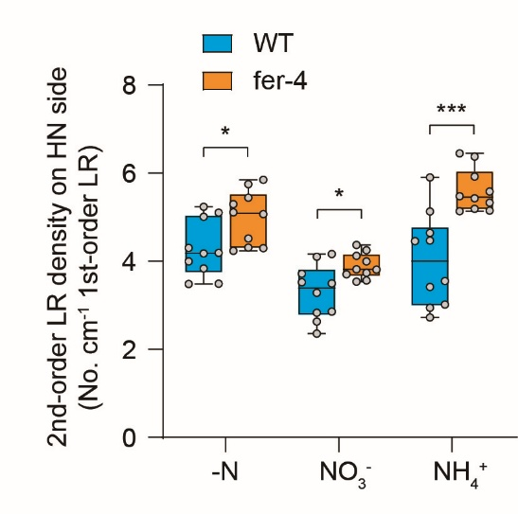
2-order LR density (No. cm-1 1-order LR) | Col-0, -N | Col-0, +NO3 | Col-0, +NH4 | fer-4, -N | fer-4, +NO3 | fer-4, +NH4
 | 3.84 | 3.52 | 4.65 | 4.24 | 3.53 | 5.48
 | 5.11 | 4.10 | 2.94 | 5.45 | 4.12 | 5.14
 | 4.19 | 4.16 | 4.46 | 5.75 | 3.81 | 5.15
 | 4.18 | 3.50 | 2.72 | 5.07 | 4.25 | 5.19
 | 3.48 | 2.36 | 3.42 | 5.11 | 4.00 | 6.45
 | 5.23 | 2.86 | 3.55 | 5.30 | 3.73 | 5.58
 | 4.30 | 2.83 | 5.13 | 4.30 | 3.56 | 5.92
 | 3.49 | 3.72 | 3.02 | 5.85 | 3.82 | 6.38
 | 5.01 | 2.63 | 4.47 | 4.31 | 3.71 | 5.33
 | 4.00 | 3.28 | 5.90 | 4.52 | 4.37 | 5.43

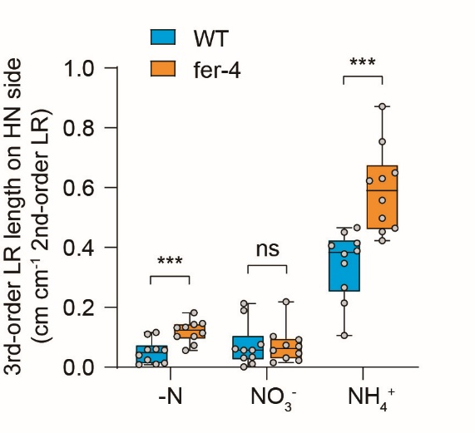
3-order LR length (cm cm-1 2-order LR) | Col-0, -N | Col-0, +NO3 | Col-0, +NH4 | fer-4, -N | fer-4, +NO3 | fer-4, +NH4
 | 0.06 | 0.03 | 0.47 | 0.10 | 0.07 | 0.87
 | 0.11 | 0.06 | 0.21 | 0.07 | 0.06 | 0.62
 | 0.02 | 0.19 | 0.38 | 0.15 | 0.22 | 0.46
 | 0.01 | 0.06 | 0.41 | 0.06 | 0.03 | 0.50
 | 0.01 | 0.00 | 0.27 | 0.14 | 0.10 | 0.45
 | 0.01 | 0.21 | 0.41 | 0.18 | 0.05 | 0.63
 | 0.04 | 0.01 | 0.11 | 0.13 | 0.07 | 0.75
 | 0.12 | 0.08 | 0.39 | 0.11 | 0.09 | 0.56
 | 0.06 | 0.03 | 0.45 | 0.13 | 0.02 | 0.42
 | 0.06 | 0.06 | 0.35 | 0.10 | 0.02 | 0.65

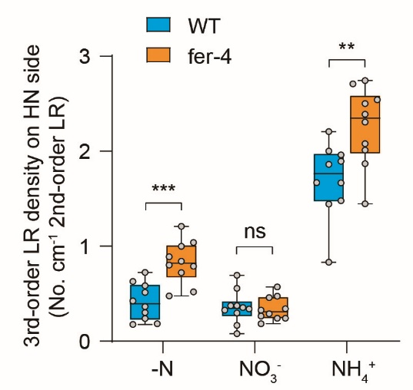
3-order LR density (No. cm-1 2-order LR) | Col-0, -N | Col-0, +NO3 | Col-0, +NH4 | fer-4, -N | fer-4, +NO3 | fer-4, +NH4
 | 0.58 | 0.30 | 2.21 | 1.00 | 0.33 | 2.39
 | 0.63 | 0.34 | 1.44 | 0.48 | 0.34 | 2.74
 | 0.18 | 0.56 | 1.67 | 0.84 | 0.57 | 2.01
 | 0.30 | 0.37 | 1.96 | 0.52 | 0.24 | 1.87
 | 0.18 | 0.08 | 1.48 | 0.72 | 0.46 | 1.45
 | 0.24 | 0.69 | 1.67 | 1.21 | 0.26 | 2.71
 | 0.42 | 0.17 | 0.83 | 0.89 | 0.29 | 2.50
 | 0.72 | 0.35 | 2.00 | 0.80 | 0.47 | 2.08
 | 0.36 | 0.33 | 1.86 | 0.79 | 0.18 | 2.31
 | 0.51 | 0.37 | 1.89 | 1.04 | 0.24 | 2.54

