Extended Data Fig8
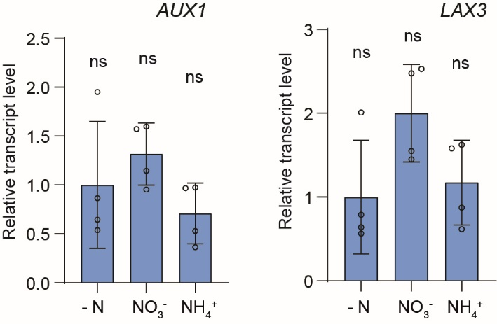
Relative transcript level of target genes
AUX1 | - N | NO3- | NH4+ |  | LAX3 | - N | NO3- | NH4+
 | 0.53807561257 | 1.5708898526 | 0.97336130839 |  |  | 0.56283428039 | 2.5284860599 | 1.623528459
 | 0.64547427302 | 1.1446772156 | 0.52970777204 |  |  | 0.63958323047 | 1.5484588027 | 0.87324435039
 | 1.9512950559 | 0.95392571539 | 0.96832410672 |  |  | 2.0089273425 | 1.4480320692 | 1.5808727829
 | 0.86515486885 | 1.5973196838 | 0.36437354956 |  |  | 0.78865431056 | 2.4750599491 | 0.61518632034

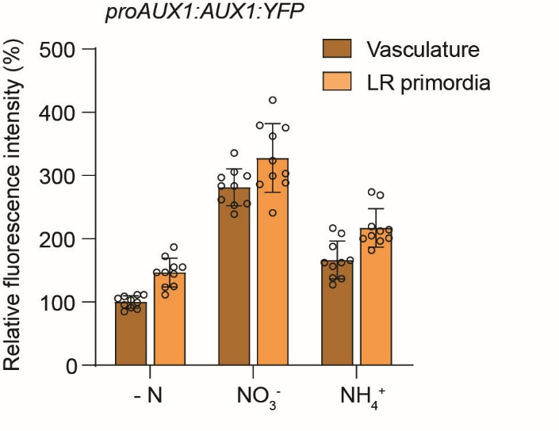
Fluorescence intensity of proAUX1:AUX1:YFP under local N supplies
KCl (%) |  |  | KNO3 (%) |  |  | NH4Cl (%)
vasculature | primordia |  | vasculature | primordia |  | vasculature | primordia
105.45 | 144.24 |  | 283.64 | 286.06 |  | 187.87878788 | 214.54545455
109.09 | 111.52 |  | 296.97 | 288.48 |  | 138.18181818 | 212.12121212
103.03 | 123.64 |  | 335.76 | 379.39 |  | 156.36363636 | 201.21212121
88.48 | 124.85 |  | 261.82 | 303.03 |  | 162.42424242 | 269.09090909
99.39 | 155.15 |  | 255.76 | 323.64 |  | 162.42424242 | 181.81818182
84.85 | 155.15 |  | 299.39 | 241.21 |  | 166.06060606 | 273.93939394
90.91 | 146.67 |  | 253.33 | 419.39 |  | 208.48484848 | 196.36363636
111.52 | 172.12 |  | 305.45 | 375.76 |  | 216.96969697 | 200
95.76 | 146.67 |  | 283.64 | 299.39 |  | 127.27272727 | 219.39393939
111.52 | 186.67 |  | 238.79 | 362.42 |  | 136.96969697 | 204.84848485

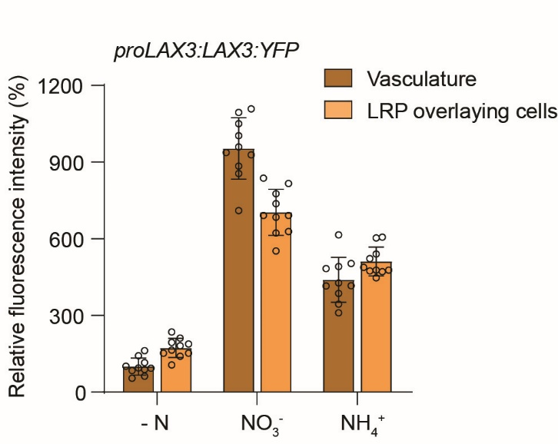
Fluorescence intensity of proLAX3:LAX3:YFP under local N supplies
KCl (%) |  |  | KNO3 (%) |  |  | NH4Cl (%)
vasculature | overlaying cells |  | vasculature | overlaying cells |  | vasculature | overlaying cells
94.92 | 152.54 |  | 1050.85 | 776.27 |  | 427.12 | 477.97
54.24 | 140.68 |  | 937.29 | 691.52 |  | 386.44 | 603.39
62.71 | 181.36 |  | 855.93 | 622.03 |  | 415.25 | 447.46
88.14 | 152.54 |  | 710.17 | 552.54 |  | 310.17 | 606.78
101.69 | 164.41 |  | 1003.39 | 684.74 |  | 483.05 | 488.13
115.25 | 106.78 |  | 928.81 | 691.52 |  | 344.07 | 477.97
93.22 | 188.14 |  | 1094.91 | 837.29 |  | 615.25 | 471.19
142.37 | 235.59 |  | 884.74 | 628.81 |  | 491.52 | 522.03
84.75 | 194.91 |  | 959.32 | 737.29 |  | 416.95 | 474.58
162.71 | 211.86 |  | 1108.47 | 816.95 |  | 503.39 | 540.68

