Extended Data Fig9
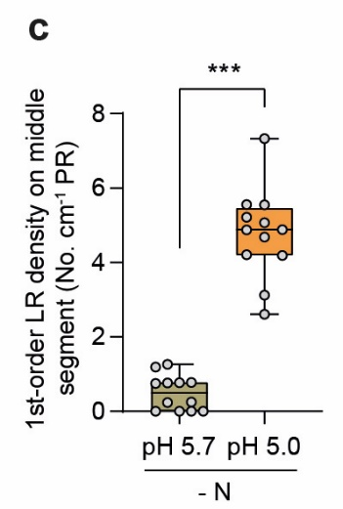
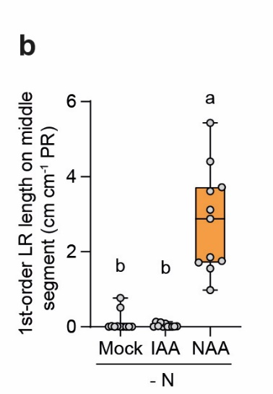
aux1 lax3 in response to low pH |  |  | aux1 lax3 in response to external auxin supplies
1-order LR length (cm cm-1 PR) | pH 5,7 | pH 5,0 | 1-order LR length (cm cm-1 PR) | Mock | IAA | NAA
 | 1.61 | 2.29 |  | 0.00 | 0.00 | 1.85
 | 0.90 | 6.48 |  | 0.00 | 0.00 | 5.43
 | 0.12 | 9.42 |  | 0.00 | 0.13 | 1.75
 | 0.32 | 2.76 |  | 0.00 | 0.09 | 1.55
 | 0.00 | 7.18 |  | 0.00 | 0.00 | 2.88
 | 0.00 | 5.56 |  | 0.01 | 0.12 | 4.40
 | 0.09 | 9.38 |  | 0.77 | 0.02 | 3.72
 | 0.00 | 6.63 |  | 0.00 | 0.01 | 3.12
 | 0.79 | 2.70 |  | 0.02 | 0.00 | 0.98
 | 0.56 | 6.15 |  | 0.00 | 0.00 | 1.71
 | 1.09 | 7.77 |  | 0.51 | 0.01 | 3.61
 | 0.00 | 4.64

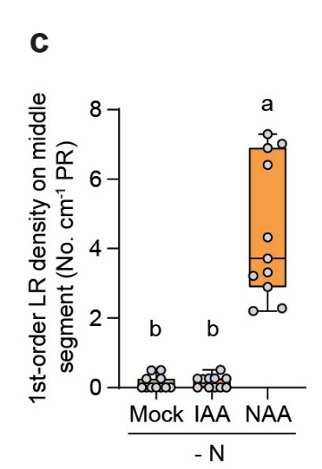
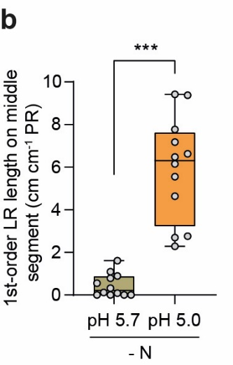
1-order LR density (No. cm-1 PR) | pH 5,7 | pH 5,0 | 1-order LR density (No. cm-1 PR) | Mock | IAA | NAA
 | 0.76 | 4.88 |  | 0.00 | 0.00 | 7.02
 | 0.77 | 5.55 |  | 0.00 | 0.00 | 4.32
 | 0.24 | 7.33 |  | 0.00 | 0.25 | 2.21
 | 1.19 | 4.19 |  | 0.00 | 0.25 | 2.90
 | 0.00 | 5.07 |  | 0.00 | 0.00 | 3.32
 | 0.00 | 4.68 |  | 0.25 | 0.26 | 6.90
 | 0.25 | 4.88 |  | 0.50 | 0.27 | 7.30
 | 0.00 | 5.22 |  | 0.00 | 0.26 | 3.22
 | 0.75 | 3.12 |  | 0.50 | 0.00 | 3.72
 | 0.77 | 5.55 |  | 0.00 | 0.00 | 2.28
 | 1.26 | 4.21 |  | 0.25 | 0.51 | 6.41
 | 0.00 | 2.61

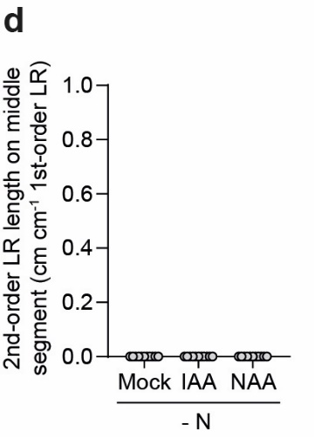
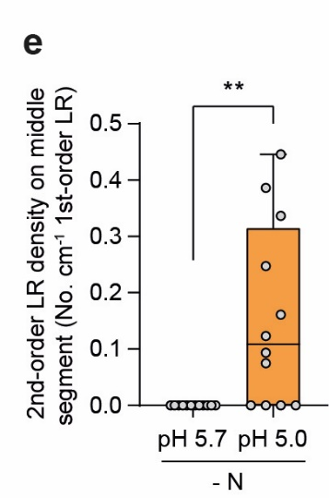
2-order LR length (cm cm-1 1-order LR) | pH 5,7 | pH 5,0 | 2-order LR length (cm cm-1 1-order LR) | Mock | IAA | NAA
 | 0.00 | 0.08 |  | 0.00 | 0.00 | 0.00
 | 0.00 | 0.00 |  | 0.00 | 0.00 | 0.00
 | 0.00 | 0.04 |  | 0.00 | 0.00 | 0.00
 | 0.00 | 0.08 |  | 0.00 | 0.00 | 0.00
 | 0.00 | 0.06 |  | 0.00 | 0.00 | 0.00
 | 0.00 | 0.03 |  | 0.00 | 0.00 | 0.00
 | 0.00 | 0.00 |  | 0.00 | 0.00 | 0.00
 | 0.00 | 0.01 |  | 0.00 | 0.00 | 0.00
 | 0.00 | 0.07 |  | 0.00 | 0.00 | 0.00
 | 0.00 | 0.02 |  | 0.00 | 0.00 | 0.00
 | 0.00 | 0.00 |  | 0.00 | 0.00 | 0.00
 | 0.00 | 0.00

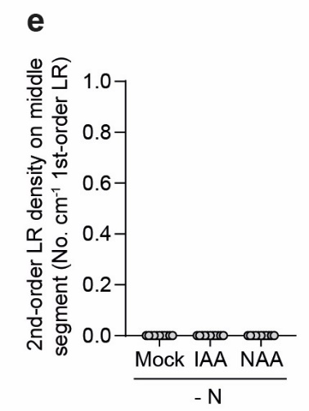
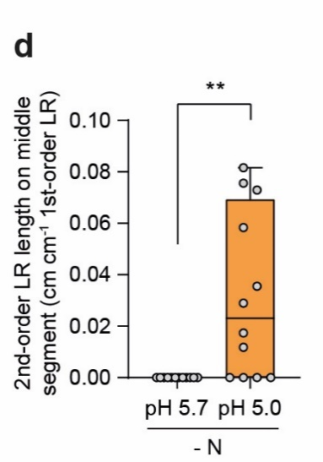
2-order LR density (No. cm-1 1-order LR) | pH 5,7 | pH 5,0 | 2-order LR density (No. cm-1 1-order LR) | Mock | IAA | NAA
 | 0.00 | 0.34 |  | 0.00 | 0.00 | 0.00
 | 0.00 | 0.00 |  | 0.00 | 0.00 | 0.00
 | 0.00 | 0.16 |  | 0.00 | 0.00 | 0.00
 | 0.00 | 0.45 |  | 0.00 | 0.00 | 0.00
 | 0.00 | 0.25 |  | 0.00 | 0.00 | 0.00
 | 0.00 | 0.09 |  | 0.00 | 0.00 | 0.00
 | 0.00 | 0.00 |  | 0.00 | 0.00 | 0.00
 | 0.00 | 0.07 |  | 0.00 | 0.00 | 0.00
 | 0.00 | 0.39 |  | 0.00 | 0.00 | 0.00
 | 0.00 | 0.12 |  | 0.00 | 0.00 | 0.00
 | 0.00 | 0.00 |  | 0.00 | 0.00 | 0.00
 | 0.00 | 0.00

