Fig 1
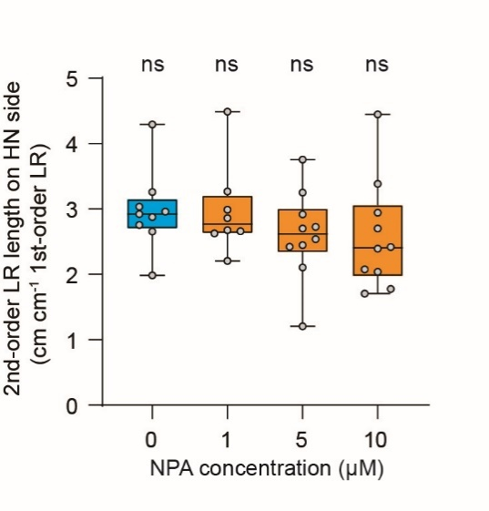
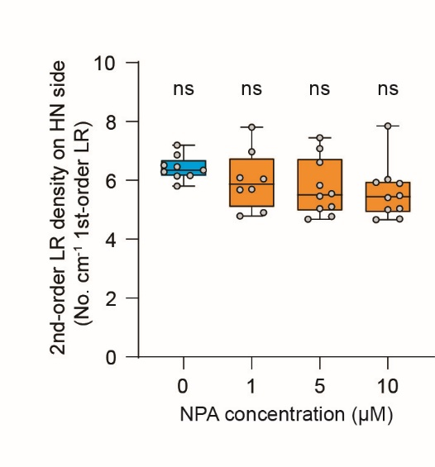
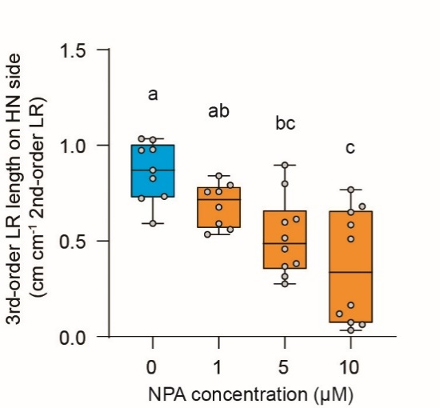
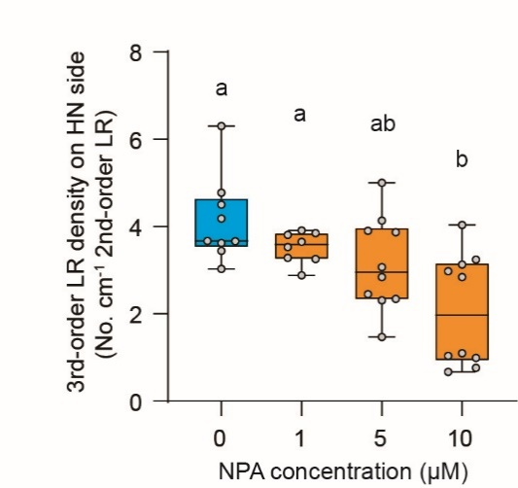
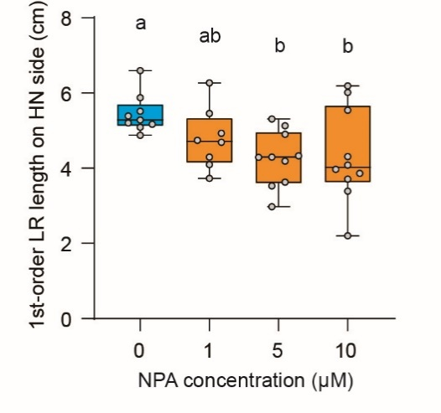
Lateral root traits under L-kynurenine treatment
1-order LR length (cm) | Kyn-0 | Kyn-1µM | Kyn-5µM | Kyn-10µM | 2-order LR length (cm cm-1 1-order LR) | Kyn-0 | Kyn-1µM | Kyn-5µM | Kyn-10µM | 2-order LR density (No. cm-1 1-order LR) | Kyn-0 | Kyn-1µM | Kyn-5µM | Kyn-10µM | 3-order LR length (cm cm-1 2-order LR) | Kyn-0 | Kyn-1µM | Kyn-5µM | Kyn-10µM | 3-order LR density (No. cm-1 2-order LR) | Kyn-0 | Kyn-1µM | Kyn-5µM | Kyn-10µM
 | 4.693 | 2.365 | 1.959 | 1.569 |  | 2.47 | 2.64 | 2.33 | 1.86 |  | 6.18 | 6.77 | 5.62 | 4.46 |  | 0.90 | 0.68 | 0.35 | 0.62 |  | 4.65 | 3.37 | 2.19 | 3.42
 | 3.531 | 3.43 | 2.631 | 2.02 |  | 2.08 | 3.65 | 1.65 | 2.48 |  | 7.08 | 7.29 | 3.80 | 4.46 |  | 0.52 | 0.46 | 0.53 | 0.98 |  | 3.53 | 2.07 | 2.76 | 3.79
 | 3.692 | 3.16 | 1.321 | 1.889 |  | 2.64 | 1.77 | 1.83 | 2.17 |  | 7.04 | 4.75 | 4.54 | 5.29 |  | 0.55 | 0.67 | 0.75 | 0.66 |  | 3.49 | 3.04 | 3.32 | 4.14
 | 3.644 | 3.691 | 1.189 | 2.256 |  | 2.11 | 2.66 | 2.33 | 1.95 |  | 5.21 | 5.15 | 5.89 | 5.32 |  | 0.71 | 1.17 | 0.60 | 0.67 |  | 4.17 | 4.38 | 3.25 | 3.87
 | 3.588 | 3.656 | 1.74 | 1.688 |  | 3.44 | 1.73 | 2.51 | 1.78 |  | 7.53 | 4.65 | 5.75 | 4.15 |  | 0.46 | 0.67 | 0.88 | 0.77 |  | 2.68 | 3.95 | 4.12 | 3.67
 | 4.331 | 3.594 | 2.281 | 1.626 |  | 2.86 | 1.84 | 1.63 | 3.71 |  | 6.70 | 5.29 | 3.51 | 7.38 |  | 1.16 | 0.41 | 1.03 | 0.57 |  | 5.08 | 3.03 | 5.90 | 2.49
 | 3.276 | 3.654 | 1.525 | 1.305 |  | 2.57 | 1.61 | 1.61 | 1.33 |  | 7.63 | 4.65 | 5.90 | 4.60 |  | 0.57 | 0.61 | 0.44 | 0.76 |  | 3.44 | 2.55 | 3.27 | 4.61
 | 3.167 | 3.144 | 2.175 | 1.753 |  | 2.67 | 2.36 | 1.67 | 1.51 |  | 7.26 | 5.09 | 4.60 | 4.56 |  | 0.89 | 0.90 | 0.93 | 0.45 |  | 4.62 | 3.91 | 3.85 | 2.64
 | 3.411 | 3.522 | 1.705 | 1.686 |  | 3.32 | 1.95 | 2.61 | 1.50 |  | 7.33 | 4.83 | 6.45 | 5.34 |  | 0.74 | 0.45 | 0.82 | 0.85 |  | 3.71 | 2.47 | 4.04 | 5.15
 | 3.232 | 3.699 | 1.762 | 1.869 |  | 2.69 | 2.19 | 2.17 | 1.90 |  | 5.88 | 5.41 | 5.11 | 4.82 |  | 0.48 | 0.57 | 0.72 | 0.61 |  | 3.57 | 3.45 | 3.92 | 3.94
 | 3.883 | 2.935 | 1.967 | 1.423 |  | 2.99 | 1.90 | 1.64 | 2.42 |  | 7.21 | 5.79 | 4.58 | 5.62 |  | 0.69 | 0.91 | 0.60 | 0.34 |  | 3.36 | 3.94 | 3.42 | 3.19
 | 5.01 | 3.796 | 1.569 | 1.653 |  | 2.78 | 1.59 | 2.42 | 2.09 |  | 5.59 | 3.95 | 6.37 | 5.44 |  | 0.64 | 0.67 | 0.88 | 0.45 |  | 3.59 | 3.63 | 4.22 | 3.76

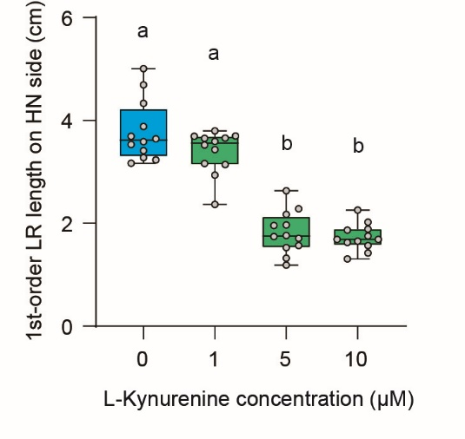
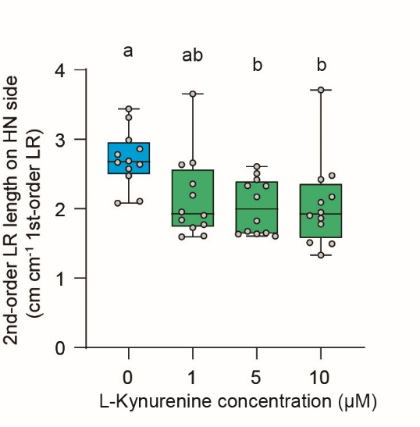
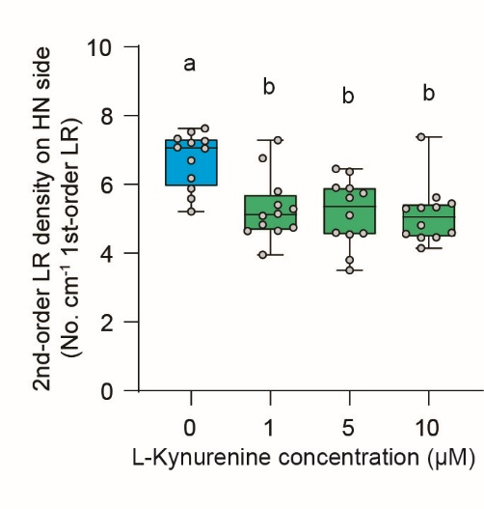
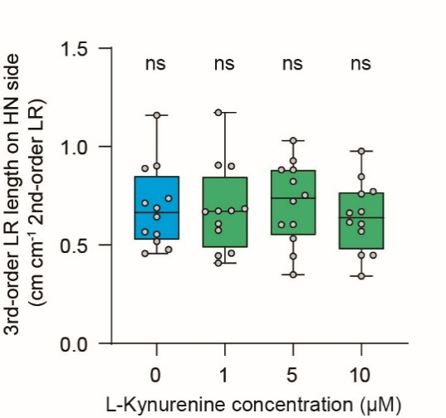
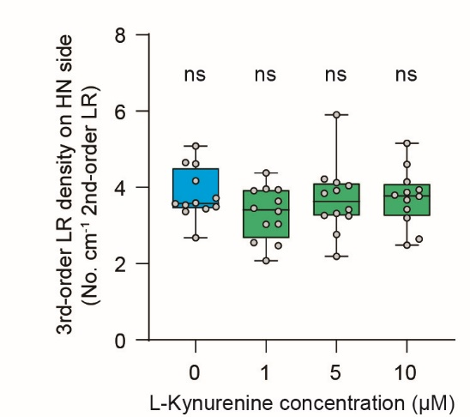

Lateral root traits under NPA treatment
1-order LR length (cm) | NPA-0 | NPA-1µM | NPA-5µM | NPA-10µM | 2-order LR length (cm cm-1 1-order LR) | NPA-0 | NPA-1µM | NPA-5µM | NPA-10µM | 2-order LR density (No. cm-1 1-order LR) | NPA-0 | NPA-1µM | NPA-5µM | NPA-10µM | 3-order LR length (cm cm-1 2-order LR) | NPA-0 | NPA-1µM | NPA-5µM | NPA-10µM | 3-order LR density (No. cm-1 2-order LR) | NPA-0 | NPA-1µM | NPA-5µM | NPA-10µM
 | 5.39 | 3.73 | 4.19 | 3.39 |  | 3.04 | 3.27 | 2.11 | 1.71 |  | 6.86 | 6.97 | 4.77 | 5.90 |  | 0.83 | 0.76 | 0.31 | 0.07 |  | 3.67 | 3.85 | 1.47 | 1.04
 | 5.17 | 5.46 | 5.31 | 3.71 |  | 2.88 | 2.86 | 2.70 | 2.42 |  | 5.80 | 5.68 | 5.46 | 5.93 |  | 0.87 | 0.84 | 0.80 | 0.06 |  | 4.50 | 3.65 | 3.91 | 0.67
 | 5.88 | 4.93 | 4.3 | 3.97 |  | 2.92 | 2.66 | 3.76 | 1.78 |  | 6.46 | 6.09 | 7.44 | 5.04 |  | 0.72 | 0.76 | 0.46 | 0.12 |  | 3.66 | 3.81 | 2.85 | 0.99
 | 5.2 | 4.69 | 3.63 | 3.86 |  | 2.76 | 2.21 | 2.42 | 2.04 |  | 6.35 | 4.90 | 6.61 | 4.66 |  | 0.73 | 0.56 | 0.38 | 0.03 |  | 3.63 | 3.29 | 3.07 | 0.76
 | 5.52 | 4.74 | 4.33 | 5.54 |  | 2.96 | 2.63 | 2.45 | 2.40 |  | 6.16 | 5.70 | 5.54 | 5.42 |  | 1.03 | 0.59 | 0.60 | 0.58 |  | 4.77 | 3.53 | 3.87 | 3.24
 | 6.6 | 4.3 | 3.53 | 4.31 |  | 3.26 | 2.68 | 2.54 | 2.70 |  | 6.52 | 6.05 | 7.08 | 6.03 |  | 0.97 | 0.79 | 0.28 | 0.77 |  | 4.18 | 3.91 | 2.34 | 4.04
 | 5.28 | 6.27 | 5.13 | 6.19 |  | 4.29 | 2.99 | 2.92 | 2.95 |  | 7.20 | 4.78 | 4.68 | 4.68 |  | 0.98 | 0.68 | 0.90 | 0.68 |  | 3.44 | 3.26 | 4.14 | 3.13
 | 5.09 | 4.1 | 4.29 | 4.08 |  | 2.66 | 4.49 | 2.73 | 4.45 |  | 6.29 | 7.80 | 5.83 | 7.84 |  | 0.59 | 0.53 | 0.37 | 0.51 |  | 3.03 | 2.88 | 2.31 | 2.98
 | 4.88 |  | 4.9 | 6.02 |  | 1.98 |  | 3.25 | 3.39 |  | 6.15 |  | 5.10 | 5.48 |  | 1.03 |  | 0.52 | 0.65 |  | 6.30 |  | 2.45 | 2.85
 |  |  | 2.98 | 2.2 |  |  |  | 1.21 | 2.08 |  |  |  | 5.03 | 5.00 |  |  |  | 0.61 | 0.16 |  |  |  | 5.00 | 1.09

