Fig 2
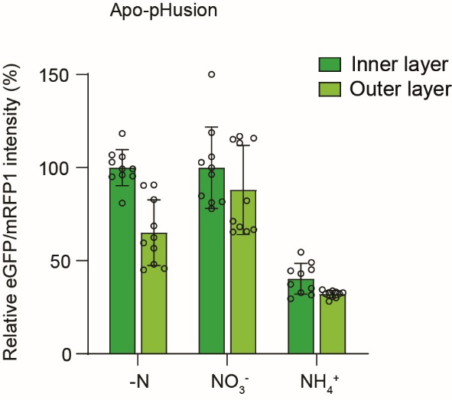
Relative eGFP/mRFP1 fluorescence intensity of apo-pHusion (%)
KCl (%) |  |  | KNO3 (%) |  |  | NH4Cl (%)
KCl-inner layer | KCl-outer layer |  | KNO3-inner layer | KNO3-outer layer |  | NH4Cl-inner layer | NH4Cl-outer layer
102.98 | 90.41 |  | 81.68 | 65.44 |  | 32.85 | 30.03
96.05 | 68.71 |  | 81.18 | 71.15 |  | 37.33 | 34.49
99.32 | 82.78 |  | 105.77 | 116.80 |  | 35.19 | 32.18
95.05 | 59.52 |  | 96.37 | 115.80 |  | 31.61 | 32.37
80.96 | 45.80 |  | 150.01 | 115.22 |  | 29.57 | 30.74
105.77 | 45.01 |  | 118.77 | 113.14 |  | 45.18 | 32.83
99.26 | 48.06 |  | 84.80 | 68.18 |  | 54.60 | 32.90
106.83 | 62.39 |  | 99.98 | 65.69 |  | 49.03 | 33.81
95.46 | 56.74 |  | 77.88 | 82.20 |  | 44.59 | 28.19
118.32 | 90.70 |  | 102.85 | 66.67 |  | 43.07 | 33.20

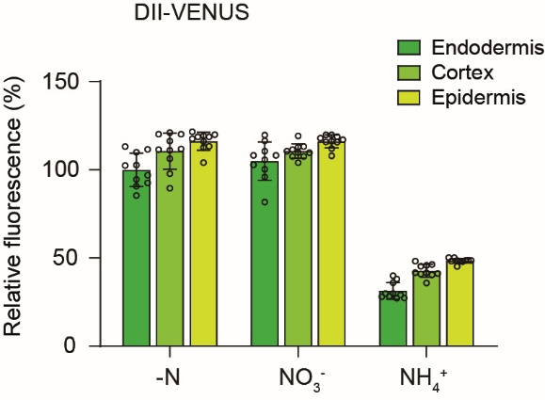
Relative fluorescence intensity of DII-VENUS (%)
KCl (%) |  |  |  | KNO3 (%) |  |  |  | NH4Cl (%)
KCl endodermis | KCl cortex | KCl rhizodermis |  | KNO3 endodermis | KNO3 cortex | KNO3 rhizodermis |  | NH4 endodermis | NH4 cortex | NH4 rhizodermis
113.14 | 121.10 | 118.71 |  | 81.64 | 113.14 | 107.89 |  | 28.33 | 40.42 | 48.06
85.46 | 89.59 | 121.58 |  | 95.96 | 107.57 | 115.85 |  | 28.01 | 40.90 | 47.90
94.53 | 116.33 | 116.01 |  | 108.21 | 110.60 | 119.83 |  | 28.96 | 41.53 | 50.13
90.71 | 106.30 | 113.30 |  | 102.80 | 107.57 | 116.17 |  | 27.37 | 41.22 | 48.22
102.64 | 97.87 | 112.67 |  | 100.25 | 109.64 | 118.87 |  | 27.21 | 41.69 | 48.70
102.48 | 111.87 | 104.07 |  | 105.67 | 109.80 | 115.69 |  | 29.76 | 35.81 | 48.54
109.96 | 111.08 | 117.60 |  | 108.21 | 104.07 | 117.12 |  | 29.76 | 45.35 | 48.54
111.55 | 120.15 | 119.99 |  | 110.60 | 111.39 | 112.03 |  | 38.03 | 45.83 | 50.13
96.91 | 111.39 | 119.35 |  | 119.67 | 112.99 | 119.83 |  | 35.96 | 48.22 | 48.54
92.62 | 120.15 | 118.71 |  | 116.49 | 119.19 | 117.92 |  | 39.94 | 46.31 | 45.19

