Fig 3
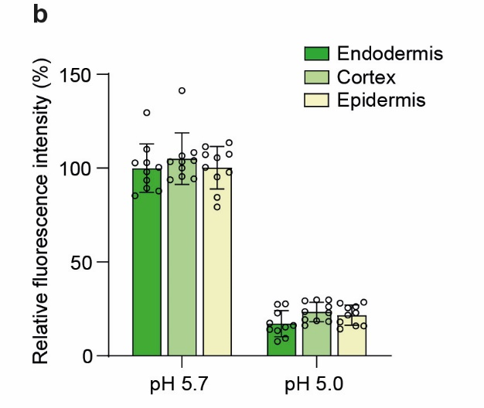
DII-VENUS under low pH | Endodermis |  | Cortex |  | Epidermis
Relative fluorescence intensity of DII-VENUS (%) | pH 5.7 | pH 5.0 | pH 5.7 | pH 5.0 | pH 5.7 | pH 5.0
 | 102.77 | 27.45 | 108.30 | 29.79 | 95.32 | 28.51
 | 89.36 | 17.45 | 106.60 | 18.30 | 111.49 | 15.96
 | 129.57 | 7.66 | 141.28 | 26.17 | 113.62 | 25.53
 | 93.62 | 13.40 | 103.40 | 23.62 | 107.23 | 18.09
 | 98.09 | 9.36 | 104.04 | 19.36 | 107.45 | 21.70
 | 85.32 | 16.17 | 93.83 | 22.98 | 97.87 | 15.96
 | 100.43 | 14.04 | 103.40 | 29.36 | 100.43 | 14.26
 | 110.00 | 27.66 | 94.26 | 18.72 | 105.53 | 22.98
 | 87.87 | 22.77 | 100.00 | 16.17 | 79.36 | 26.17
 | 102.98 | 15.32 | 95.53 | 29.79 | 84.47 | 28.09

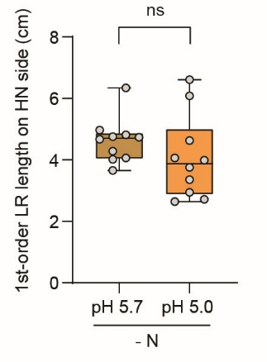
Lateral root traits of WT under low pH
1-order LR length (cm) | pH 5.7 | pH 5.0
 | 4.82 | 4.63
 | 4.67 | 3.76
 | 4.74 | 4.06
 | 4.97 | 6.08
 | 6.34 | 3.35
 | 4.75 | 2.95
 | 4.06 | 2.72
 | 3.66 | 3.99
 | 4.28 | 6.61
 | 4.02 | 2.64

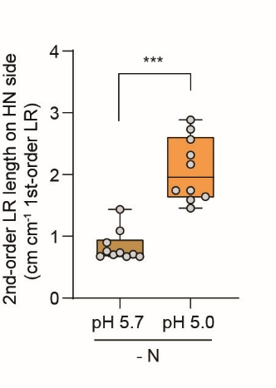
2-order LR length (cm cm-1 1-order LR) | pH 5.7 | pH 5.0
 | 1.09 | 2.17
 | 0.90 | 2.57
 | 0.71 | 2.89
 | 1.43 | 1.45
 | 0.70 | 1.59
 | 0.67 | 1.74
 | 0.67 | 1.64
 | 0.67 | 2.31
 | 0.74 | 1.74
 | 0.76 | 2.73

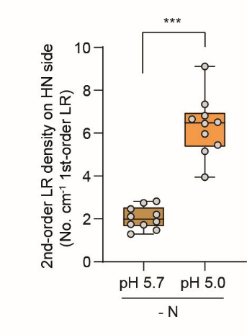
2-order LR density (No. cm-1 1-order LR) | pH 5.7 | pH 5.0
 | 1.87 | 7.35
 | 1.29 | 6.65
 | 2.74 | 9.11
 | 2.82 | 3.95
 | 2.21 | 5.96
 | 1.47 | 6.45
 | 1.72 | 5.16
 | 2.46 | 6.51
 | 2.10 | 5.44
 | 1.74 | 6.81

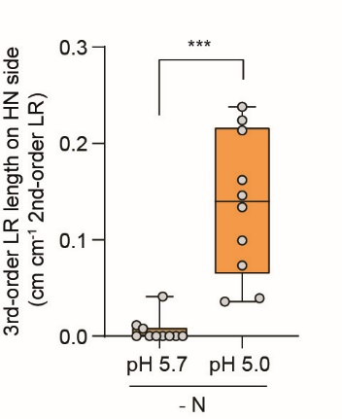
3-order LR length (cm cm-1 2-order LR) | pH 5.7 | pH 5.0
 | 0.04 | 0.22
 | 0.00 | 0.21
 | 0.00 | 0.24
 | 0.01 | 0.07
 | 0.00 | 0.13
 | 0.00 | 0.16
 | 0.01 | 0.15
 | 0.00 | 0.04
 | 0.00 | 0.04
 | 0.00 | 0.10

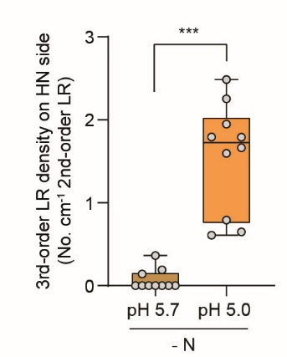
3-order LR density (No. cm-1 2-order LR) | pH 5.7 | pH 5.0
 | 0.19 | 1.60
 | 0.00 | 2.49
 | 0.00 | 1.79
 | 0.14 | 0.79
 | 0.00 | 2.25
 | 0.00 | 1.95
 | 0.36 | 1.79
 | 0.00 | 0.65
 | 0.00 | 0.61
 | 0.00 | 1.66

