Fig 4
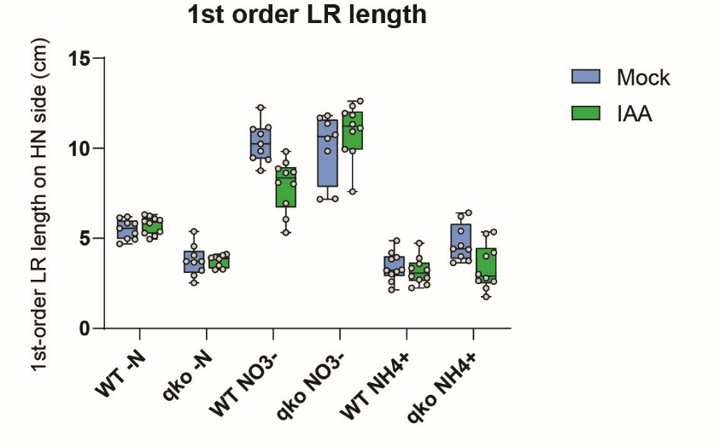
Lateral root traits of WT and qko under external IAA treatment
1-order LR length (cm) | Mock |  |  |  |  |  | IAA
 | WT -N | WT NO3- | WT NH4+ | qko -N | qko NO3- | qko NH4+ | WT -N | WT NO3- | WT NH4+ | qko -N | qko NO3- | qko NH4+
 | 4.94 | 10.79 | 4.86 | 3.72 | 11.80 | 3.65 | 5.94 | 8.63 | 3.90 | 4.12 | 11.12 | 1.75
 | 5.85 | 8.76 | 3.85 | 2.54 | 7.19 | 4.59 | 6.25 | 6.05 | 2.89 | 3.26 | 10.94 | 5.36
 | 6.19 | 9.37 | 4.20 | 3.66 | 7.17 | 3.75 | 6.08 | 9.82 | 4.73 | 3.49 | 12.62 | 4.21
 | 5.55 | 9.47 | 3.26 | 5.38 | 10.55 | 4.41 | 5.37 | 5.32 | 3.58 | 3.96 | 9.85 | 2.65
 | 4.98 | 11.06 | 2.60 | 4.06 | 9.84 | 5.40 | 6.32 | 8.87 | 2.81 | 3.28 | 7.59 | 2.79
 | 5.28 | 9.85 | 3.95 | 2.95 | 11.37 | 3.99 | 5.13 | 8.02 | 2.70 | 3.92 | 9.95 | 5.26
 | 6.14 | 12.26 | 3.16 | 3.21 | 10.74 | 6.22 | 4.96 | 8.09 | 2.24 | 3.85 | 11.33 | 3.01
 | 5.82 | 11.15 | 2.15 | 3.72 | 11.68 | 6.42 | 5.30 | 9.20 | 3.35 | 4.05 | 11.85 | 4.01
 | 4.69 | 10.25 | 3.21 | 4.56 |  | 4.39 | 6.01 | 8.68 | 2.42 |  | 12.35 | 2.23
 |  |  | 3.00 |  |  |  | 5.84 | 6.94 | 3.24 |  | 11.95 | 2.61

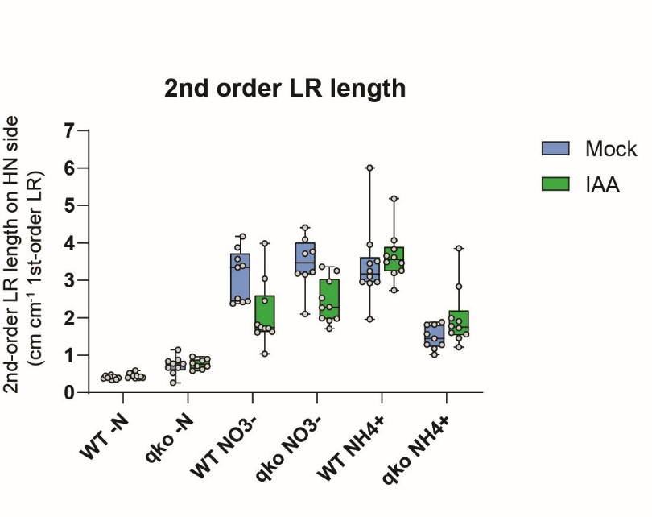
2-order LR length (cm cm-1 1-order LR) | Mock |  |  |  |  |  | IAA
 | WT -N | WT NO3- | WT NH4+ | qko -N | qko NO3- | qko NH4+ | WT -N | WT NO3- | WT NH4+ | qko -N | qko NO3- | qko NH4+
 | 0.39 | 3.39 | 1.95 | 0.83 | 3.77 | 1.82 | 0.44 | 1.82 | 3.26 | 0.58 | 1.99 | 3.86
 | 0.38 | 3.88 | 3.25 | 1.14 | 4.41 | 1.17 | 0.40 | 3.98 | 3.61 | 0.85 | 1.92 | 1.59
 | 0.34 | 4.17 | 3.95 | 0.66 | 3.15 | 1.88 | 0.38 | 1.03 | 2.73 | 0.61 | 3.36 | 1.45
 | 0.45 | 2.51 | 6.01 | 0.52 | 3.18 | 1.44 | 0.52 | 2.45 | 3.83 | 0.96 | 1.98 | 2.83
 | 0.47 | 3.56 | 3.10 | 0.26 | 4.09 | 1.81 | 0.39 | 3.04 | 4.07 | 0.89 | 3.25 | 1.55
 | 0.41 | 3.35 | 2.95 | 0.66 | 2.10 | 1.01 | 0.59 | 1.75 | 3.65 | 0.71 | 2.27 | 1.90
 | 0.42 | 2.42 | 2.93 | 0.77 | 3.71 | 1.28 | 0.39 | 1.71 | 3.46 | 0.79 | 2.28 | 1.72
 | 0.35 | 2.44 | 2.96 | 0.87 | 3.23 | 1.28 | 0.44 | 1.62 | 3.49 | 0.70 | 2.97 | 1.21
 | 0.39 | 2.38 | 3.51 | 0.77 |  | 1.56 | 0.44 | 1.61 | 5.18 |  | 2.53 | 1.99
 |  |  | 3.45 |  |  |  | 0.42 | 1.72 | 3.19 |  | 1.70 | 1.78

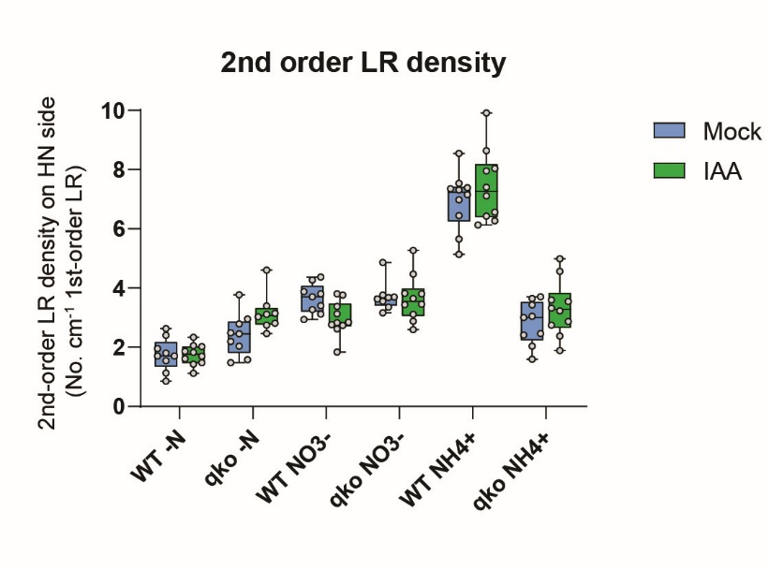
2-order LR density (No. cm-1 1-order LR) | Mock |  |  |  |  |  | IAA
 | WT -N | WT NO3- | WT NH4+ | qko -N | qko NO3- | qko NH4+ | WT -N | WT NO3- | WT NH4+ | qko -N | qko NO3- | qko NH4+
 | 2.63 | 3.80 | 5.14 | 3.77 | 3.56 | 2.47 | 2.02 | 3.13 | 7.96 | 3.39 | 2.88 | 4.57
 | 0.86 | 3.88 | 7.54 | 1.58 | 4.87 | 3.05 | 1.12 | 3.80 | 6.56 | 4.60 | 3.11 | 3.54
 | 1.13 | 4.27 | 7.38 | 2.46 | 3.63 | 1.60 | 1.48 | 1.83 | 6.13 | 3.15 | 3.64 | 2.38
 | 1.80 | 3.27 | 6.44 | 2.79 | 3.70 | 2.04 | 1.86 | 3.76 | 6.43 | 3.03 | 3.45 | 1.89
 | 2.41 | 3.71 | 7.32 | 1.48 | 3.76 | 3.70 | 1.43 | 3.38 | 7.12 | 2.75 | 5.27 | 2.87
 | 1.70 | 4.37 | 7.35 | 2.04 | 3.17 | 3.00 | 2.34 | 2.62 | 7.41 | 2.81 | 3.82 | 3.23
 | 1.95 | 2.94 | 8.55 | 2.49 | 3.35 | 2.41 | 1.61 | 2.84 | 8.04 | 3.11 | 3.44 | 3.32
 | 1.55 | 3.41 | 6.98 | 2.96 | 3.68 | 3.43 | 1.70 | 2.83 | 6.27 | 2.47 | 4.47 | 2.74
 | 1.71 | 3.12 | 7.16 | 2.19 |  | 3.65 | 1.83 | 2.76 | 9.91 |  | 3.81 | 3.59
 |  |  | 5.66 |  |  |  | 2.05 | 2.74 | 8.64 |  | 2.59 | 4.99

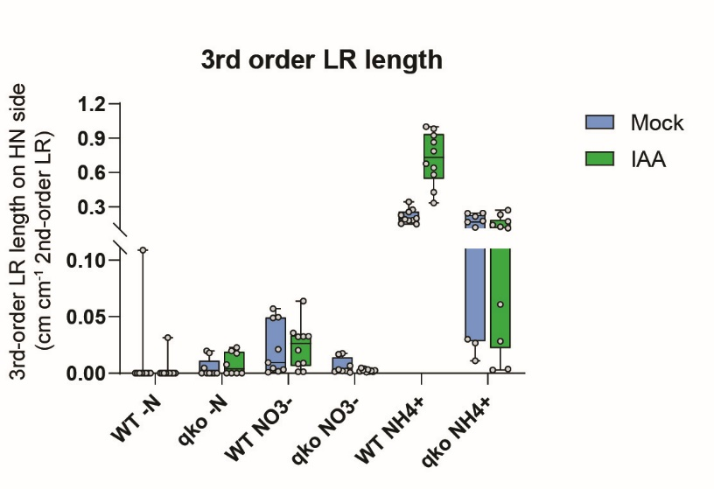
3-order LR length (cm cm-1 2-order LR) | Mock |  |  |  |  |  | IAA
 | WT -N | WT NO3- | WT NH4+ | qko -N | qko NO3- | qko NH4+ | WT -N | WT NO3- | WT NH4+ | qko -N | qko NO3- | qko NH4+
 | 0.00 | 0.00 | 0.27 | 0.00 | 0.00 | 0.03 | 0.00 | 0.00 | 0.33 | 0.00 | 0.00 | 0.03
 | 0.00 | 0.06 | 0.25 | 0.00 | 0.02 | 0.01 | 0.00 | 0.00 | 0.64 | 0.00 | 0.00 | 0.13
 | 0.00 | 0.01 | 0.34 | 0.00 | 0.00 | 0.12 | 0.00 | 0.06 | 1.00 | 0.00 | 0.00 | 0.14
 | 0.00 | 0.05 | 0.15 | 0.00 | 0.00 | 0.24 | 0.00 | 0.03 | 0.43 | 0.01 | 0.00 | 0.00
 | 0.11 | 0.00 | 0.18 | 0.00 | 0.00 | 0.17 | 0.00 | 0.01 | 0.98 | 0.00 | 0.00 | 0.06
 | 0.00 | 0.00 | 0.18 | 0.00 | 0.02 | 0.03 | 0.03 | 0.01 | 0.58 | 0.02 | 0.00 | 0.23
 | 0.00 | 0.00 | 0.20 | 0.02 | 0.01 | 0.22 | 0.00 | 0.04 | 0.68 | 0.02 | 0.00 | 0.00
 | 0.00 | 0.05 | 0.15 | 0.02 | 0.00 | 0.25 | 0.00 | 0.03 | 0.79 | 0.02 | 0.00 | 0.11
 | 0.00 | 0.02 | 0.19 | 0.00 |  | 0.18 | 0.00 | 0.02 | 0.92 |  | 0.00 | 0.27
 |  |  | 0.23 |  |  |  | 0.00 | 0.03 | 0.86 |  | 0.00 | 0.17

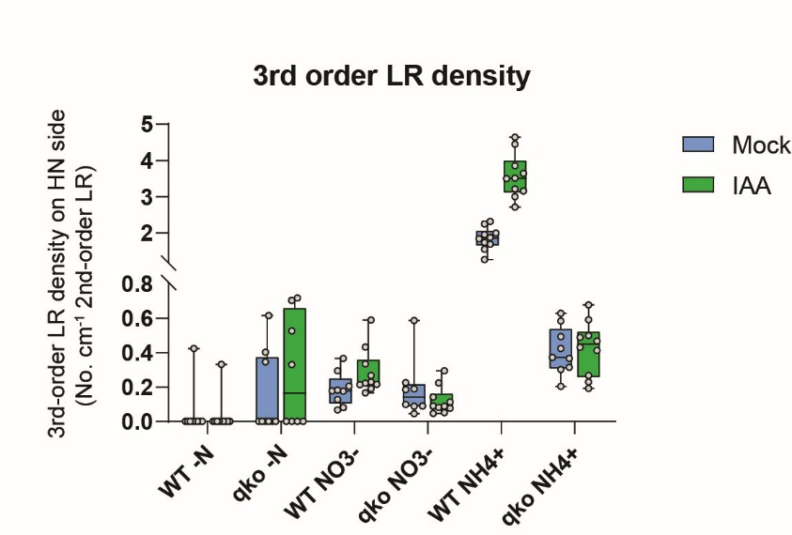
3-order LR density (No. cm-1 2-order LR) | Mock |  |  |  |  |  | IAA
 | WT -N | WT NO3- | WT NH4+ | qko -N | qko NO3- | qko NH4+ | WT -N | WT NO3- | WT NH4+ | qko -N | qko NO3- | qko NH4+
 | 0.00 | 0.08 | 2.31 | 0.00 | 0.04 | 0.30 | 0.00 | 0.19 | 3.00 | 0.00 | 0.09 | 0.59
 | 0.00 | 0.18 | 2.24 | 0.35 | 0.19 | 0.37 | 0.00 | 0.17 | 3.16 | 0.00 | 0.14 | 0.47
 | 0.00 | 0.13 | 1.87 | 0.00 | 0.09 | 0.42 | 0.00 | 0.59 | 3.64 | 0.00 | 0.05 | 0.49
 | 0.00 | 0.29 | 1.69 | 0.00 | 0.09 | 0.31 | 0.00 | 0.23 | 3.21 | 0.53 | 0.05 | 0.27
 | 0.42 | 0.18 | 1.99 | 0.00 | 0.10 | 0.20 | 0.00 | 0.22 | 3.50 | 0.00 | 0.08 | 0.23
 | 0.00 | 0.18 | 1.55 | 0.00 | 0.59 | 0.49 | 0.33 | 0.21 | 3.85 | 0.72 | 0.09 | 0.50
 | 0.00 | 0.07 | 1.73 | 0.40 | 0.23 | 0.63 | 0.00 | 0.43 | 4.64 | 0.33 | 0.08 | 0.19
 | 0.00 | 0.37 | 1.26 | 0.62 | 0.19 | 0.37 | 0.00 | 0.27 | 3.51 | 0.70 | 0.11 | 0.41
 | 0.00 | 0.21 | 1.95 | 0.00 |  | 0.58 | 0.00 | 0.22 | 2.71 |  | 0.22 | 0.68
 |  |  | 1.83 |  |  |  | 0.00 | 0.33 | 4.45 |  | 0.29 | 0.43

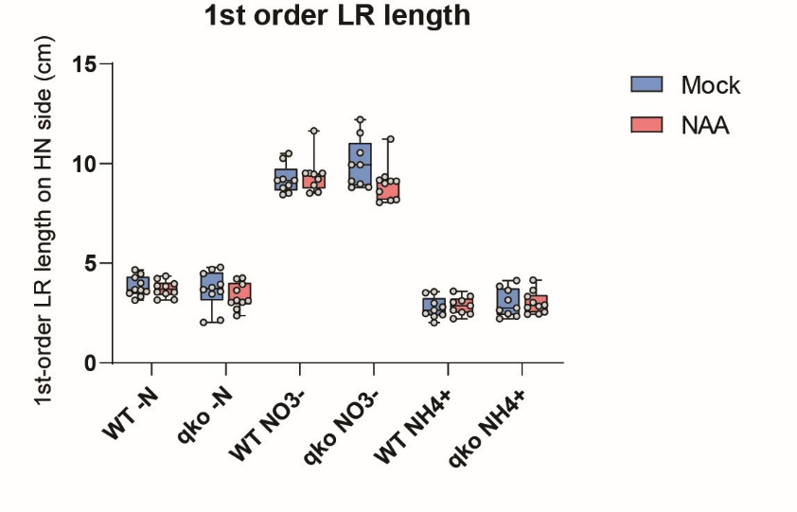
Lateral root traits under external NAA treatment
1-order LR length (cm) | Mock |  |  |  |  |  | NAA
 | WT -N | WT NO3- | WT NH4+ | qko -N | qko NO3- | qko NH4+ | WT -N | WT NO3- | WT NH4+ | qko -N | qko NO3- | qko NH4+
 | 4.67 | 10.26 | 2.34 | 4.79 | 11.54 | 3.16 | 3.56 | 9.21 | 2.55 | 3.65 | 9.17 | 2.45
 | 3.68 | 10.51 | 2.64 | 4.69 | 10.55 | 2.65 | 3.16 | 11.65 | 3.12 | 3.03 | 8.20 | 4.15
 | 3.49 | 9.15 | 2.42 | 3.45 | 9.12 | 2.47 | 3.48 | 9.52 | 2.65 | 3.05 | 9.12 | 2.46
 | 3.66 | 8.92 | 2.81 | 3.79 | 8.98 | 2.22 | 3.96 | 8.92 | 2.46 | 3.95 | 8.05 | 2.85
 | 3.59 | 8.52 | 2.48 | 3.58 | 8.80 | 2.35 | 3.17 | 8.52 | 2.21 | 3.12 | 8.15 | 2.55
 | 4.28 | 9.22 | 2.99 | 4.49 | 9.94 | 2.76 | 4.35 | 9.52 | 2.87 | 4.25 | 9.12 | 2.78
 | 3.15 | 8.79 | 2.01 | 3.94 | 8.82 | 3.64 | 3.55 | 8.56 | 3.35 | 4.21 | 8.60 | 3.65
 | 3.33 | 9.15 | 3.52 | 2.15 | 9.94 | 4.13 | 3.86 | 9.51 | 3.59 | 2.69 | 9.33 | 2.91
 | 4.01 | 8.44 | 3.56 | 3.68 | 12.20 | 3.84 | 4.23 | 9.47 | 3.05 | 2.36 | 9.00 | 3.03
 | 4.47 |  |  | 2.04 |  |  | 3.85 |  |  | 3.15 | 11.24 | 3.33

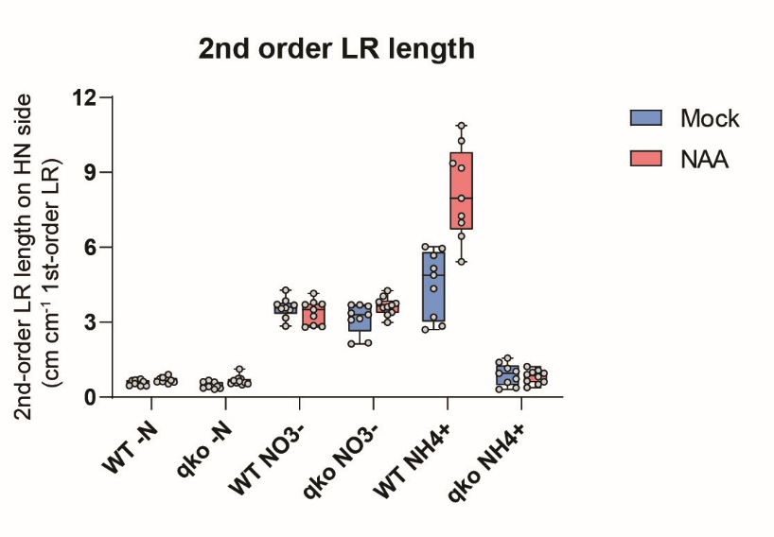
2-order LR length (cm cm-1 1-order LR) | Mock |  |  |  |  |  | NAA
 | WT -N | WT NO3- | WT NH4+ | qko -N | qko NO3- | qko NH4+ | WT -N | WT NO3- | WT NH4+ | qko -N | qko NO3- | qko NH4+
 | 0.46 | 3.50 | 5.95 | 0.47 | 2.18 | 1.15 | 0.60 | 2.80 | 9.36 | 0.49 | 3.00 | 0.64
 | 0.64 | 3.18 | 4.88 | 0.49 | 3.14 | 0.73 | 0.74 | 2.87 | 7.25 | 0.55 | 4.27 | 0.38
 | 0.68 | 3.86 | 6.03 | 0.67 | 3.65 | 1.39 | 0.69 | 3.71 | 9.18 | 0.73 | 3.59 | 0.82
 | 0.66 | 3.72 | 5.16 | 0.60 | 3.70 | 1.56 | 0.61 | 3.72 | 10.26 | 0.59 | 3.81 | 1.08
 | 0.69 | 4.29 | 5.67 | 0.61 | 3.69 | 1.03 | 0.78 | 4.15 | 10.88 | 0.74 | 4.05 | 1.23
 | 0.55 | 3.58 | 2.85 | 0.36 | 3.10 | 0.96 | 0.54 | 3.50 | 6.98 | 0.53 | 3.62 | 0.90
 | 0.72 | 3.69 | 3.21 | 0.42 | 3.31 | 0.59 | 0.63 | 3.78 | 6.45 | 0.57 | 3.75 | 0.51
 | 0.63 | 2.85 | 2.71 | 0.44 | 2.14 | 0.37 | 0.78 | 3.25 | 5.42 | 1.12 | 3.40 | 0.62
 | 0.45 | 3.55 | 4.34 | 0.31 | 3.36 | 0.32 | 0.91 | 2.82 | 7.97 | 0.66 | 3.29 | 0.99
 | 0.46 |  |  | 0.37 |  |  | 0.67 |  |  | 0.64 | 3.68 | 0.96

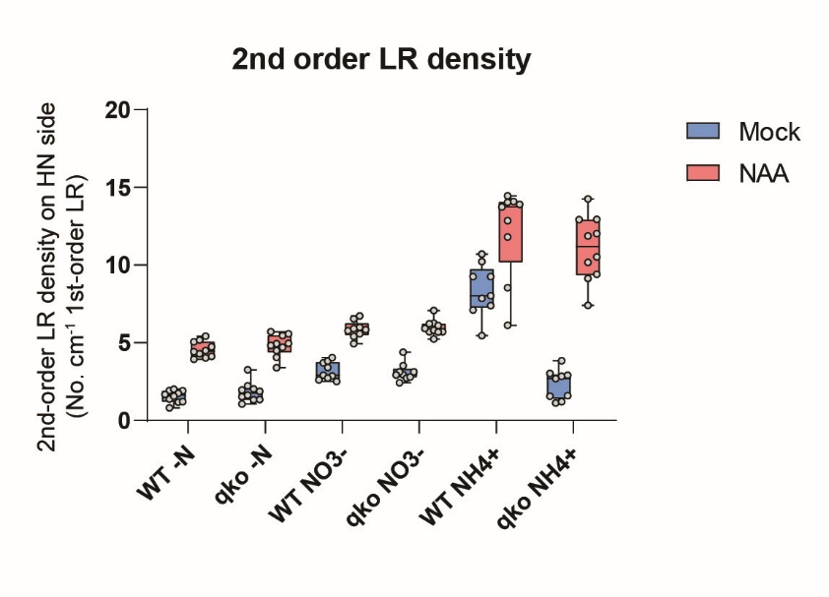
2-order LR density (No. cm-1 1-order LR) | Mock |  |  |  |  |  | NAA
 | WT -N | WT NO3- | WT NH4+ | qko -N | qko NO3- | qko NH4+ | WT -N | WT NO3- | WT NH4+ | qko -N | qko NO3- | qko NH4+
 | 1.93 | 3.70 | 10.71 | 1.88 | 2.43 | 1.58 | 4.49 | 6.73 | 13.74 | 4.94 | 5.24 | 9.40
 | 0.82 | 2.85 | 10.22 | 1.07 | 2.94 | 1.13 | 4.12 | 5.84 | 14.10 | 4.96 | 7.08 | 9.15
 | 2.00 | 3.82 | 7.86 | 2.03 | 4.39 | 2.84 | 4.02 | 5.78 | 12.85 | 5.58 | 5.70 | 14.26
 | 1.37 | 2.91 | 7.11 | 1.32 | 3.12 | 2.70 | 4.29 | 4.94 | 11.80 | 4.05 | 5.71 | 10.18
 | 1.67 | 3.40 | 9.26 | 2.23 | 3.52 | 3.84 | 4.74 | 5.40 | 14.45 | 4.48 | 6.25 | 12.93
 | 1.17 | 2.60 | 8.03 | 1.34 | 3.12 | 2.90 | 5.05 | 5.57 | 13.92 | 4.70 | 5.81 | 12.93
 | 1.91 | 2.50 | 5.46 | 1.52 | 2.72 | 3.02 | 3.95 | 6.54 | 14.05 | 5.46 | 5.93 | 7.41
 | 1.20 | 4.04 | 7.40 | 3.26 | 2.92 | 1.21 | 5.18 | 5.99 | 6.12 | 4.83 | 6.11 | 12.03
 | 1.75 | 2.73 | 9.26 | 1.63 | 2.79 | 1.56 | 5.43 | 5.92 | 8.54 | 3.38 | 6.22 | 11.87
 | 1.57 |  |  | 1.96 |  |  | 4.42 |  |  | 5.72 | 5.70 | 10.52

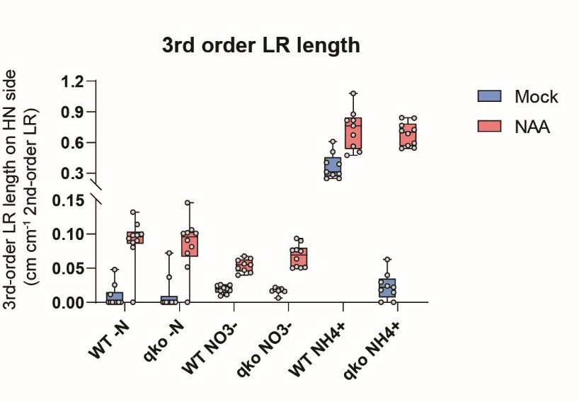
3-order LR length (cm cm-1 2-order LR) | Mock |  |  |  |  |  | NAA
 | WT -N | WT NO3- | WT NH4+ | qko -N | qko NO3- | qko NH4+ | WT -N | WT NO3- | WT NH4+ | qko -N | qko NO3- | qko NH4+
 | 0.01 | 0.02 | 0.39 | 0.07 | 0.02 | 0.02 | 0.09 | 0.05 | 0.56 | 0.10 | 0.05 | 0.59
 | 0.00 | 0.02 | 0.25 | 0.00 | 0.02 | 0.00 | 0.13 | 0.06 | 0.48 | 0.10 | 0.06 | 0.84
 | 0.00 | 0.01 | 0.29 | 0.00 | 0.02 | 0.03 | 0.00 | 0.05 | 0.76 | 0.00 | 0.05 | 0.69
 | 0.00 | 0.02 | 0.40 | 0.00 | 0.02 | 0.02 | 0.10 | 0.04 | 0.82 | 0.10 | 0.05 | 0.54
 | 0.03 | 0.02 | 0.31 | 0.04 | 0.02 | 0.02 | 0.11 | 0.06 | 0.67 | 0.09 | 0.09 | 0.84
 | 0.00 | 0.01 | 0.25 | 0.00 | 0.02 | 0.01 | 0.10 | 0.05 | 0.51 | 0.08 | 0.05 | 0.55
 | 0.00 | 0.02 | 0.61 | 0.00 | 0.02 | 0.00 | 0.08 | 0.07 | 0.82 | 0.07 | 0.09 | 0.57
 | 0.00 | 0.03 | 0.51 | 0.00 | 0.02 | 0.04 | 0.09 | 0.04 | 1.08 | 0.11 | 0.08 | 0.77
 | 0.00 | 0.03 | 0.29 | 0.00 | 0.01 | 0.06 | 0.09 | 0.06 | 0.88 | 0.05 | 0.08 | 0.71
 | 0.05 |  |  | 0.00 |  |  | 0.10 |  |  | 0.15 | 0.08 | 0.73

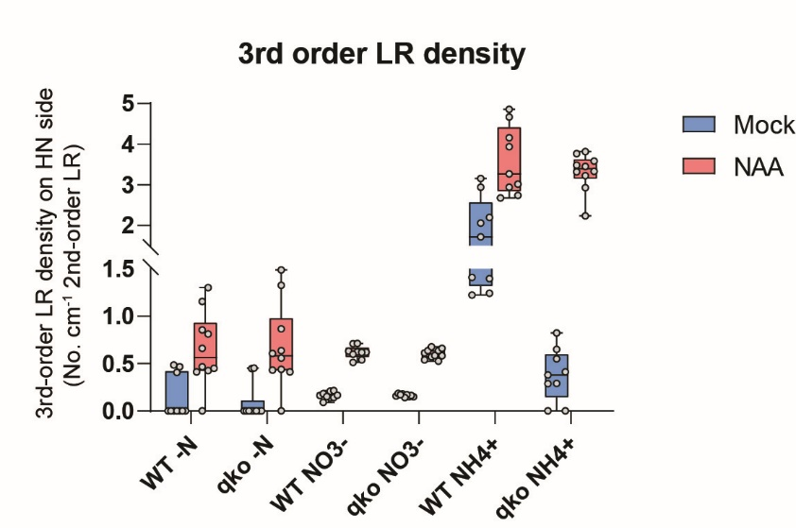
3-order LR density (No. cm-1 2-order LR) | Mock |  |  |  |  |  | NAA
 | WT -N | WT NO3- | WT NH4+ | qko -N | qko NO3- | qko NH4+ | WT -N | WT NO3- | WT NH4+ | qko -N | qko NO3- | qko NH4+
 | 0.47 | 0.14 | 1.22 | 0.45 | 0.16 | 0.55 | 0.47 | 0.62 | 3.27 | 0.56 | 0.58 | 3.82
 | 0.00 | 0.21 | 1.40 | 0.00 | 0.15 | 0.00 | 0.86 | 0.54 | 4.86 | 0.61 | 0.57 | 3.77
 | 0.00 | 0.14 | 1.72 | 0.00 | 0.15 | 0.29 | 0.00 | 0.71 | 4.16 | 0.00 | 0.61 | 3.48
 | 0.00 | 0.09 | 1.24 | 0.00 | 0.18 | 0.29 | 0.41 | 0.51 | 3.01 | 0.86 | 0.59 | 2.93
 | 0.41 | 0.16 | 2.06 | 0.45 | 0.18 | 0.41 | 0.81 | 0.62 | 2.74 | 0.43 | 0.64 | 2.24
 | 0.00 | 0.18 | 1.41 | 0.00 | 0.16 | 0.38 | 0.43 | 0.63 | 2.94 | 0.44 | 0.64 | 3.58
 | 0.00 | 0.22 | 2.94 | 0.00 | 0.17 | 0.00 | 0.45 | 0.62 | 3.94 | 0.41 | 0.53 | 3.22
 | 0.00 | 0.15 | 3.15 | 0.00 | 0.14 | 0.65 | 0.66 | 0.71 | 4.67 | 1.33 | 0.66 | 3.33
 | 0.00 | 0.17 | 2.20 | 0.00 | 0.17 | 0.82 | 1.30 | 0.60 | 2.68 | 0.64 | 0.54 | 3.32
 | 0.48 |  |  | 0.00 |  |  | 1.16 |  |  | 1.49 | 0.68 | 3.45

