Fig 5
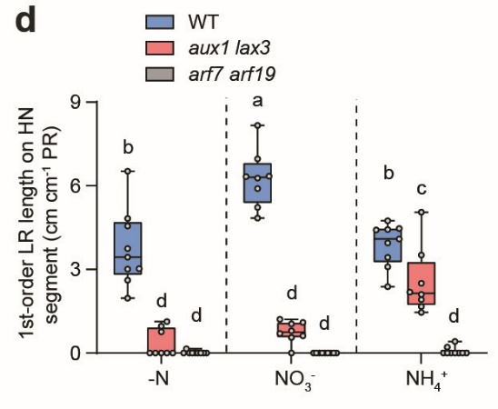
Lateral root traits of WT, aux1 lax3, arf7 arf19
1-order LR length (cm cm-1 PR) | WT | WT | WT | aux1 lax3 | aux1 lax3 | aux1 lax3 | arf7 arf19 | arf7 arf19 | arf7 arf19
 | - N | NO3- | NH4+ | - N | NO3- | NH4+ | - N | NO3- | NH4+
 | 3.75 | 6.34 | 3.43 | 0.00 | 0.56 | 1.92 | 0.00 | 0.00 | 0.00
 | 4.83 | 5.22 | 4.74 | 1.13 | 0.62 | 2.50 | 0.00 | 0.00 | 0.00
 | 4.55 | 6.32 | 3.95 | 0.96 | 1.04 | 1.46 | 0.15 | 0.00 | 0.42
 | 3.44 | 5.90 | 4.43 | 0.76 | 0.80 | 2.10 | 0.00 | 0.00 | 0.00
 | 3.01 | 4.84 | 4.09 | 0.00 | 0.70 | 2.19 | 0.00 | 0.00 | 0.00
 | 2.61 | 6.96 | 4.41 | 0.00 | 1.21 | 1.67 | 0.00 | 0.00 | 0.00
 | 6.52 | 6.28 | 4.46 | 0.00 | 0.00 | 3.52 | 0.00 | 0.00 | 0.21
 | 1.97 | 8.17 | 2.38 | 0.00 | 1.10 | 5.05 | 0.00 | 0.00 | 0.00
 | 3.03 |  | 3.09 |  |  |  | 0.00 | 0.00 | 0.00

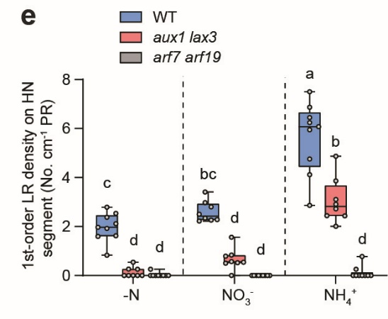
1-order LR density (No. cm-1 PR) | WT | WT | WT | aux1 lax3 | aux1 lax3 | aux1 lax3 | arf7 arf19 | arf7 arf19 | arf7 arf19
 | - N | NO3- | NH4+ | - N | NO3- | NH4+ | - N | NO3- | NH4+
 | 2.38 | 2.28 | 5.95 | 0.00 | 0.83 | 2.44 | 0.00 | 0.00 | 0.00
 | 1.92 | 2.22 | 6.87 | 0.54 | 0.57 | 2.73 | 0.00 | 0.00 | 0.00
 | 2.79 | 2.98 | 6.45 | 0.26 | 0.79 | 3.10 | 0.25 | 0.00 | 0.25
 | 1.59 | 2.34 | 7.51 | 0.26 | 0.51 | 2.91 | 0.00 | 0.00 | 0.00
 | 2.12 | 2.50 | 4.76 | 0.00 | 0.54 | 2.01 | 0.00 | 0.00 | 0.00
 | 1.62 | 2.80 | 6.24 | 0.00 | 1.56 | 2.44 | 0.00 | 0.00 | 0.00
 | 1.97 | 2.26 | 6.07 | 0.00 | 0.00 | 3.86 | 0.00 | 0.00 | 0.78
 | 0.83 | 3.41 | 2.86 | 0.00 | 0.52 | 4.87 | 0.00 | 0.00 | 0.00
 | 2.54 |  | 4.12 |  |  |  | 0.00 | 0.00 | 0.00

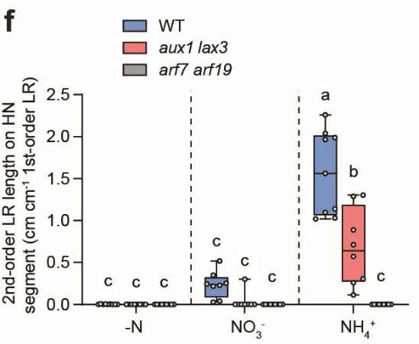
2-order LR length (cm cm-1 1-order LR) | WT | WT | WT | aux1 lax3 | aux1 lax3 | aux1 lax3 | arf7 arf19 | arf7 arf19 | arf7 arf19
 | - N | NO3- | NH4+ | - N | NO3- | NH4+ | - N | NO3- | NH4+
 | 0.00 | 0.52 | 1.97 | 0.00 | 0.00 | 0.89 | 0.00 | 0.00 | 0.00
 | 0.00 | 0.25 | 2.04 | 0.00 | 0.00 | 0.26 | 0.00 | 0.00 | 0.00
 | 0.00 | 0.24 | 1.56 | 0.00 | 0.00 | 1.30 | 0.00 | 0.00 | 0.00
 | 0.00 | 0.22 | 1.99 | 0.00 | 0.00 | 0.71 | 0.00 | 0.00 | 0.00
 | 0.00 | 0.35 | 2.26 | 0.00 | 0.00 | 0.57 | 0.00 | 0.00 | 0.00
 | 0.00 | 0.03 | 1.14 | 0.00 | 0.00 | 1.29 | 0.00 | 0.00 | 0.00
 | 0.01 | 0.23 | 1.03 | 0.00 | 0.00 | 0.11 | 0.00 | 0.00 | 0.00
 | 0.01 | 0.04 | 1.02 | 0.00 | 0.30 | 0.30 | 0.00 | 0.00 | 0.00
 | 0.00 |  | 1.10 |  |  |  | 0.00 | 0.00 | 0.00

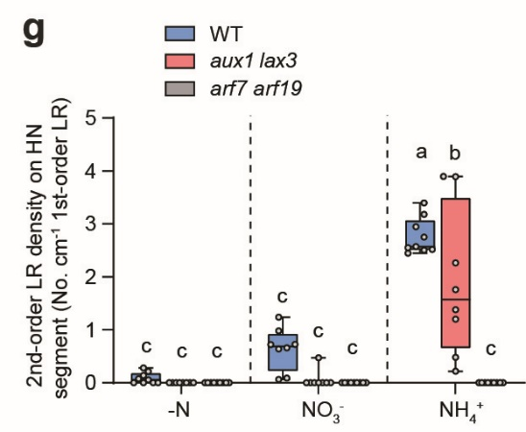
2-order LR density (No. cm-1 1-order LR) | WT | WT | WT | aux1 lax3 | aux1 lax3 | aux1 lax3 | arf7 arf19 | arf7 arf19 | arf7 arf19
 | - N | NO3- | NH4+ | - N | NO3- | NH4+ | - N | NO3- | NH4+
 | 0.14 | 1.24 | 2.52 | 0.00 | 0.00 | 2.27 | 0.00 | 0.00 | 0.00
 | 0.06 | 0.64 | 3.40 | 0.00 | 0.00 | 1.20 | 0.00 | 0.00 | 0.00
 | 0.00 | 0.73 | 2.45 | 0.00 | 0.00 | 3.89 | 0.00 | 0.00 | 0.00
 | 0.08 | 0.66 | 2.57 | 0.00 | 0.00 | 1.76 | 0.00 | 0.00 | 0.00
 | 0.00 | 0.98 | 3.18 | 0.00 | 0.00 | 1.38 | 0.00 | 0.00 | 0.00
 | 0.00 | 0.09 | 2.51 | 0.00 | 0.00 | 3.90 | 0.00 | 0.00 | 0.00
 | 0.22 | 0.72 | 2.55 | 0.00 | 0.00 | 0.22 | 0.00 | 0.00 | 0.00
 | 0.28 | 0.06 | 2.95 | 0.00 | 0.47 | 0.48 | 0.00 | 0.00 | 0.00
 | 0.00 |  | 2.75 |  |  |  | 0.00 | 0.00 | 0.00

