Extended Data Fig1
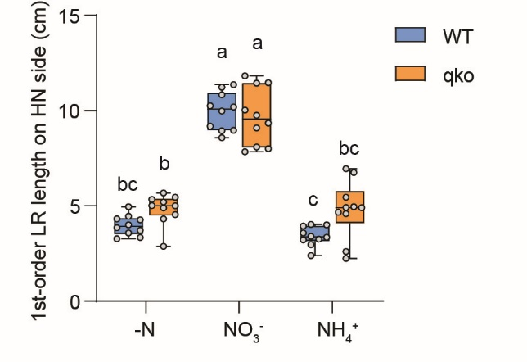
Lateral root traits of WT and qko mutant
1-order LR length (cm) |  |  | 1-order LR length (cm)
WT -N | WT NO3- | WT NH4+ | qko -N | qko NO3- | qko NH4+
3.28 | 10.19 | 2.39 | 4.32 | 9.34 | 2.24
4.45 | 9.18 | 3.41 | 2.88 | 7.84 | 4.67
3.72 | 8.95 | 3.26 | 4.89 | 9.09 | 4.90
4.00 | 8.58 | 4.03 | 5.35 | 8.09 | 2.61
3.34 | 11.23 | 3.94 | 5.20 | 10.03 | 6.96
4.27 | 10.25 | 2.97 | 5.00 | 8.01 | 6.76
3.86 | 8.97 | 3.35 | 5.45 | 11.83 | 4.59
4.32 | 11.37 | 3.58 | 5.68 | 11.45 | 4.92
3.58 | 9.98 | 3.22 | 5.02 | 9.76 | 4.95
4.95 | 10.83 | 4.00 | 4.55 | 11.47 | 5.45

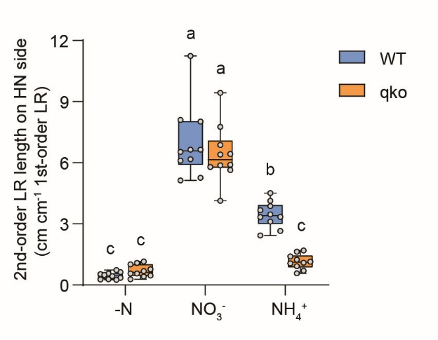
2-order LR length (cm cm-1 1-order LR) |  |  | 2-order LR length (cm cm-1 1-order LR)
WT -N | WT NO3- | WT NH4+ | qko -N | qko NO3- | qko NH4+
0.28 | 8.03 | 3.67 | 0.46 | 9.44 | 0.92
0.57 | 8.11 | 4.13 | 0.56 | 6.43 | 1.09
0.35 | 6.10 | 2.65 | 0.41 | 7.77 | 0.58
0.27 | 6.64 | 3.34 | 1.01 | 6.87 | 1.06
0.25 | 11.24 | 2.43 | 0.77 | 4.13 | 1.69
0.63 | 6.64 | 4.52 | 0.28 | 5.90 | 1.63
0.53 | 5.13 | 3.33 | 0.57 | 5.79 | 0.70
0.43 | 5.26 | 3.87 | 0.68 | 5.64 | 1.15
0.73 | 6.53 | 3.11 | 1.08 | 5.87 | 1.24
0.49 | 6.17 | 3.46 | 1.16 | 6.40 | 1.40

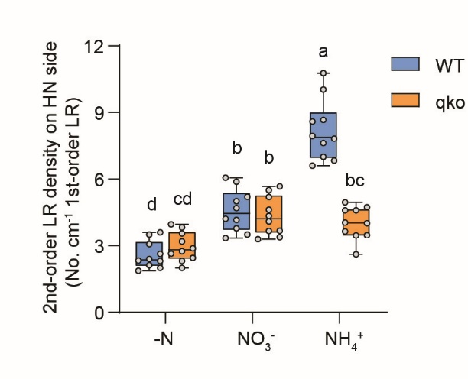
2-order LR density (No. cm-1 1-order LR) |  |  | 2-order LR density (No. cm-1 1-order LR)
WT -N | WT NO3- | WT NH4+ | qko -N | qko NO3- | qko NH4+
2.13 | 5.20 | 10.04 | 2.31 | 5.67 | 4.02
3.60 | 5.88 | 7.62 | 3.82 | 4.34 | 3.64
1.88 | 4.69 | 8.59 | 2.45 | 5.50 | 3.47
2.00 | 5.01 | 7.94 | 3.55 | 5.19 | 4.60
2.40 | 6.06 | 6.60 | 2.88 | 3.29 | 4.60
3.51 | 3.51 | 10.77 | 2.00 | 4.62 | 4.73
2.33 | 3.34 | 8.66 | 2.75 | 3.38 | 2.61
2.31 | 3.78 | 7.82 | 2.64 | 3.67 | 3.46
3.07 | 4.21 | 6.83 | 3.19 | 4.10 | 4.04
2.63 | 4.16 | 7.00 | 3.96 | 3.66 | 4.95

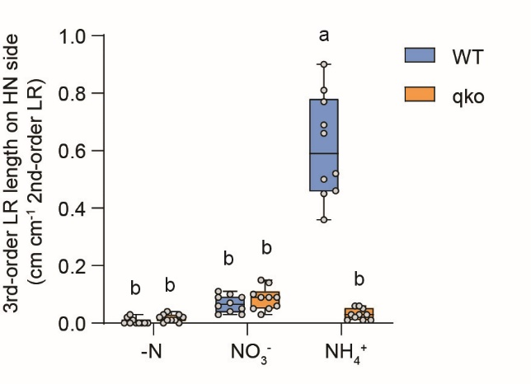
3-order LR length (cm cm-1 2-order LR) |  |  | 3-order LR length (cm cm-1 2-order LR)
WT -N | WT NO3- | WT NH4+ | qko -N | qko NO3- | qko NH4+
0.00 | 0.11 | 0.36 | 0.04 | 0.15 | 0.01
0.00 | 0.06 | 0.46 | 0.02 | 0.10 | 0.05
0.00 | 0.05 | 0.90 | 0.00 | 0.06 | 0.03
0.02 | 0.07 | 0.77 | 0.03 | 0.09 | 0.01
0.00 | 0.10 | 0.45 | 0.02 | 0.09 | 0.01
0.01 | 0.04 | 0.81 | 0.00 | 0.09 | 0.06
0.00 | 0.03 | 0.50 | 0.01 | 0.03 | 0.03
0.03 | 0.03 | 0.52 | 0.03 | 0.05 | 0.06
0.00 | 0.09 | 0.66 | 0.01 | 0.14 | 0.03
0.00 | 0.09 | 0.69 | 0.01 | 0.05 | 0.02

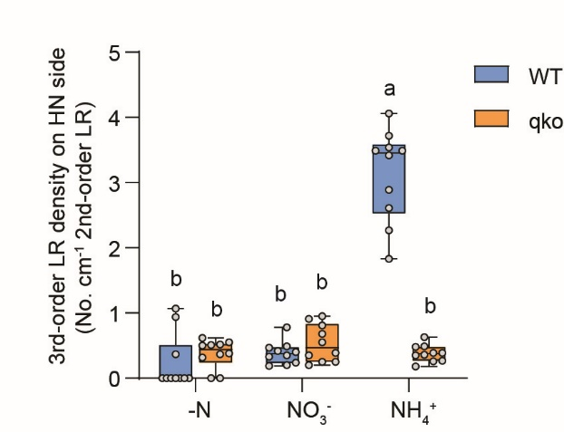
3-order LR density (No. cm-1 2-order LR) |  |  | 3-order LR density (No. cm-1 2-order LR)
WT -N | WT NO3- | WT NH4+ | qko -N | qko NO3- | qko NH4+
0.00 | 0.78 | 1.83 | 0.51 | 0.91 | 0.48
0.00 | 0.40 | 2.27 | 0.62 | 0.95 | 0.39
0.00 | 0.33 | 4.06 | 0.00 | 0.68 | 0.35
0.94 | 0.47 | 3.42 | 0.55 | 0.81 | 0.36
0.00 | 0.49 | 2.61 | 0.50 | 0.39 | 0.26
0.37 | 0.19 | 3.72 | 0.00 | 0.55 | 0.27
0.00 | 0.24 | 3.49 | 0.32 | 0.25 | 0.63
1.07 | 0.20 | 2.89 | 0.52 | 0.25 | 0.18
0.00 | 0.35 | 3.49 | 0.37 | 0.35 | 0.49
0.00 | 0.42 | 3.54 | 0.38 | 0.20 | 0.39

