Extended Data Fig2
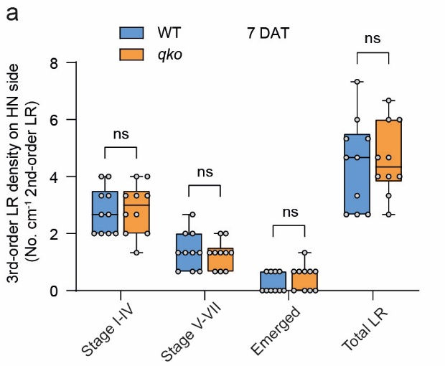
Development of 3-order lateral root primordia in WT and qko
7 DAT
3rd-order LR density (No. cm-1 2-order LR) | WT Stage I-IV | WT Stage V-VII | WT Emerged | WT Total | qko Stage I-IV | qko Stage V-VII | qko Emerged | qko Total
 | 2.00 | 0.67 | 0.00 | 2.67 | 4.00 | 1.33 | 1.33 | 6.67
 | 3.33 | 1.33 | 0.67 | 5.33 | 1.33 | 0.67 | 0.67 | 2.67
 | 2.00 | 1.33 | 0.00 | 3.33 | 3.33 | 1.33 | 0.00 | 4.67
 | 4.00 | 2.67 | 0.67 | 7.33 | 3.33 | 2.00 | 0.67 | 6.00
 | 2.67 | 2.00 | 0.00 | 4.67 | 2.67 | 1.33 | 0.67 | 4.67
 | 2.00 | 0.67 | 0.00 | 2.67 | 2.00 | 1.33 | 0.00 | 3.33
 | 2.00 | 0.67 | 0.00 | 2.67 | 4.00 | 1.33 | 0.67 | 6.00
 | 3.33 | 1.33 | 0.67 | 5.33 | 2.67 | 0.67 | 0.67 | 4.00
 | 4.00 | 1.33 | 0.67 | 6.00 | 2.00 | 2.00 | 0.00 | 4.00
 | 2.67 | 2.00 | 0.00 | 4.67 | 3.33 | 0.67 | 0.00 | 4.00

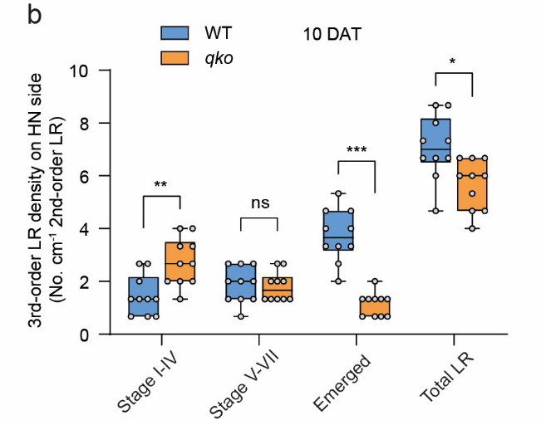
10 DAT
3rd-order LR density (No. cm-1 2-order LR) | WT Stage I-IV | WT Stage V-VII | WT Emerged | WT Total | qko Stage I-IV | qko Stage V-VII | qko Emerged | qko Total
 | 1.33 | 1.33 | 4.67 | 7.33 | 2.00 | 1.33 | 1.33 | 4.67
 | 0.67 | 0.67 | 3.33 | 4.67 | 2.00 | 2.00 | 0.67 | 4.67
 | 2.67 | 2.00 | 4.00 | 8.67 | 1.33 | 1.33 | 1.33 | 4.00
 | 0.67 | 2.00 | 4.67 | 7.33 | 3.33 | 1.33 | 1.33 | 6.00
 | 1.33 | 1.33 | 4.00 | 6.67 | 2.67 | 2.00 | 0.67 | 5.33
 | 2.00 | 1.33 | 5.33 | 8.67 | 4.00 | 1.33 | 0.67 | 6.00
 | 2.67 | 2.00 | 3.33 | 8.00 | 4.00 | 2.00 | 0.67 | 6.67
 | 0.67 | 2.67 | 3.33 | 6.67 | 2.00 | 2.67 | 2.00 | 6.67
 | 1.33 | 2.67 | 2.67 | 6.67 | 2.67 | 2.67 | 1.33 | 6.67
 | 1.33 | 2.67 | 2.00 | 6.00 | 3.33 | 1.33 | 1.33 | 6.00

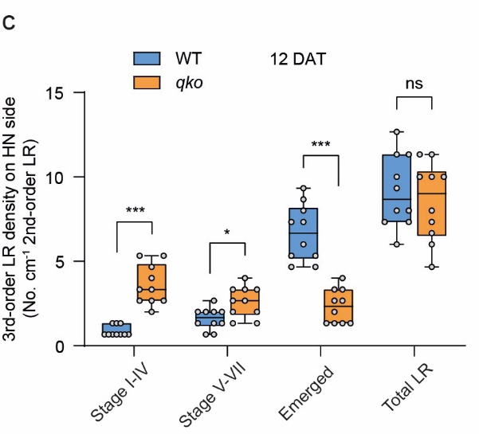
12 DAT
3rd-order LR density (No. cm-1 2-order LR) | WT Stage I-IV | WT Stage V-VII | WT Emerged | WT Total | qko Stage I-IV | qko Stage V-VII | qko Emerged | qko Total
 | 0.67 | 0.67 | 4.67 | 6.00 | 2.67 | 2.67 | 1.33 | 6.67
 | 0.67 | 2.67 | 8.00 | 11.33 | 3.33 | 2.67 | 1.33 | 7.33
 | 1.33 | 2.00 | 9.33 | 12.67 | 4.00 | 3.33 | 4.00 | 11.33
 | 0.67 | 2.00 | 7.33 | 10.00 | 5.33 | 3.33 | 2.67 | 11.33
 | 0.67 | 1.33 | 6.00 | 8.00 | 5.33 | 2.00 | 2.67 | 10.00
 | 0.67 | 1.33 | 7.33 | 9.33 | 3.33 | 3.33 | 3.33 | 10.00
 | 1.33 | 1.33 | 4.67 | 7.33 | 2.67 | 4.00 | 3.33 | 10.00
 | 0.67 | 2.00 | 8.67 | 11.33 | 2.67 | 1.33 | 2.00 | 6.00
 | 1.33 | 0.67 | 5.33 | 7.33 | 2.00 | 1.33 | 1.33 | 4.67
 | 0.67 | 2.00 | 5.33 | 8.00 | 4.67 | 2.00 | 1.33 | 8.00

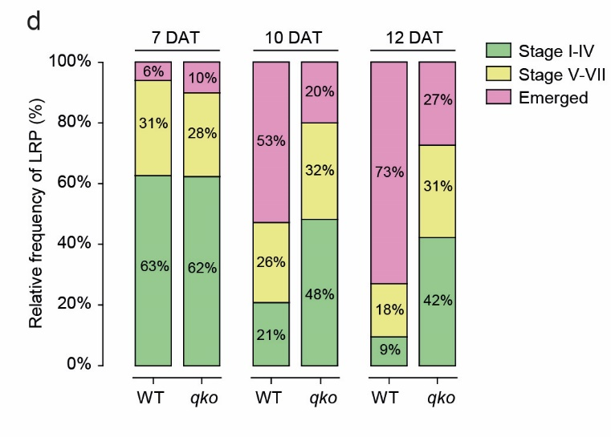
Relative frequency of LRP in WT and qko (%) |  | Stage I-IV | Stage V-VII | Emerged
 | WT 7 DAT | 63 | 31 | 6
 | qko 7 DAT | 62 | 28 | 10
 | wT 10 DAT | 21 | 26 | 53
 | qko 10 DAT | 48 | 32 | 20
 | WT 12 DAT | 9 | 18 | 73
 | qko 12 DAT | 42 | 30 | 27

