Feuil1
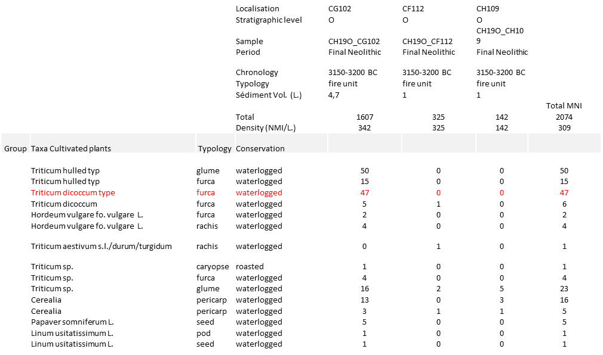
Supplementary Table 23. Collection of ancient cereal fragment remains between 3200 to 3150 BC. The table provides for each excavation site (in column) of lake Chalain (Jura, France), with associated sample dating, the number of grain remains characterized (in lines). The wheat grain samples used for aDNA analysis is highlighted in red.

