Summary_completeAnalysis
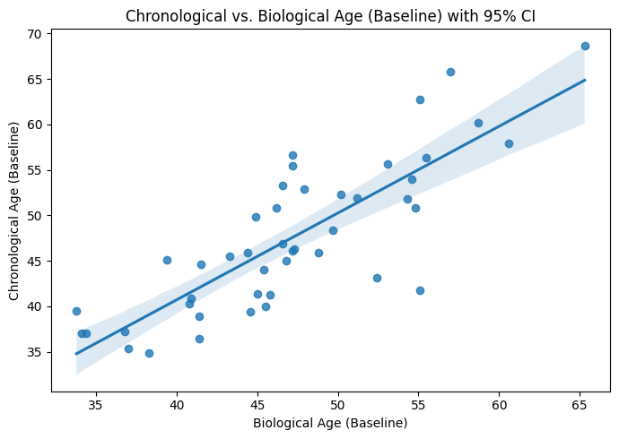
Results
Descriptive statistics of patient characteristics
The mean age of participants was 46.91 years ± 8.06 (95% CI: 44.80–46.48) (Figure 1). The cohort consisted of 39 females (67.2%) and 32 males (32.8%) (Figure 2).

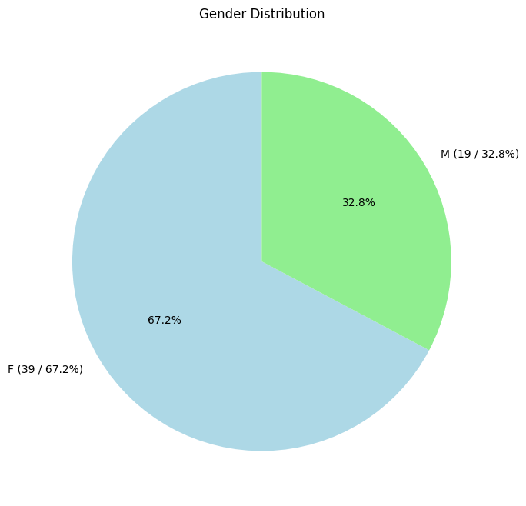
Figure 1: Age distribution of participants.
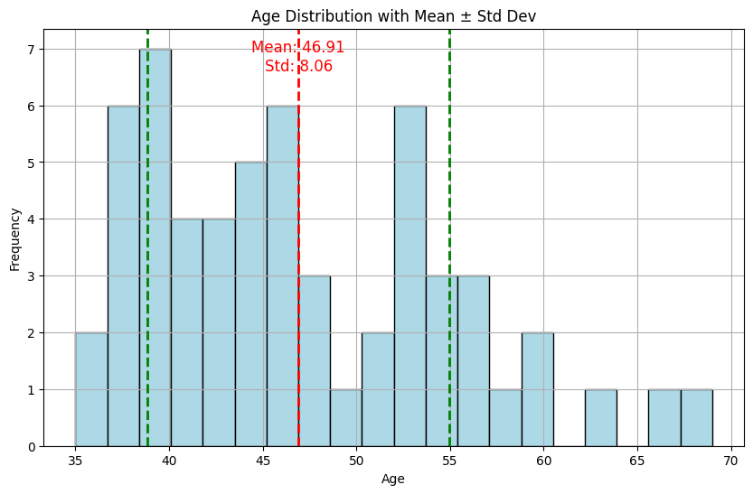

Figure 2: Sex distribution of participants.

Time-dependent changes
Visia Parameters

Time-dependent changes
Visia Parameters

Spots: No significant changes were observed in the number of spots across the study duration. The mean number of spots decreased from baseline (53.50 %, 95% CI: 46.32 - 60.68 %) to the final visit (47.48 %, 95% CI: 39.59 - 55.38 %), but the change was not statistically significant (P = 0.5388). Similarly, no significant differences were observed between baseline and the first visit (P = 1.0000) (Figure 3).

Wrinkles: Wrinkle severity showed a downward trend from baseline (34.07 %, 95% CI: 26.80 - 41.34 %) to the final visit (30.00 %, 95% CI: 23.80 - 36.20 %). However, this change did not reach statistical significance (P = 0.2640). The comparison between baseline and the first visit was also not significant (P = 1.0000) (Figure 3).

Texture: Skin texture significantly increased over the study period. The texture score increased significantly from baseline (59.93 %, 95% CI: 52.98 - 66.88 %) to the first visit (64.76 %, 95% CI: 58.14 - 71.38 %, P = 0.0435) and continued to increase until the final visit (65.05 %, 95% CI: 58.35 - 71.76 %, P = 0.0116) (Figure 3).

Pores: The analysis of pores revealed no significant differences between the baseline (44.40 %, 95% CI: 36.23 - 52.57 %), first visit (45.53 %, 95% CI: 37.30 - 53.77 %), and final visit (43.33 %, 95% CI: 35.32 - 51.34 %). The P-values for the comparisons were all above 0.05, indicating a lack of significant change over time (Figure 3).

UV-Spots: UV-spot analysis showed no significant differences across the study period. The mean UV-spot score slightly decreased from baseline (38.97 %, 95% CI: 31.75 - 46.18 %) to the final visit (38.05 %, 95% CI: 31.03 - 45.08 %), but this change was not statistically significant (P = 1.0000). Similarly, there were no significant changes from baseline to the first visit (P = 0.7588) (Figure 3).

Brown Spots: The analysis revealed a significant increase in brown spots from baseline (45.76 %, 95% CI: 38.58 - 52.94 %) to the first visit (48.16 %, 95% CI: 41.04 - 55.27 %, P = 0.0421). However, the number of brown spots decreased slightly by the final visit (45.53 %, 95% CI: 38.48 - 52.59 %), resulting in no significant difference between baseline and final visit (P = 1.0000) (Figure 3).

Red Areas: No significant changes were observed in red areas throughout the study. The mean red area score remained stable from baseline (66.95 %, 95% CI: 61.46 - 72.43 %) through to the final visit (67.19 %, 95% CI: 62.18 - 72.19 %), with no significant differences detected between timepoints (P > 0.05) (Figure 3).

Porphyrine: For porphyrine, only baseline and final visit data were available. The porphyrine score increased from baseline (37.12 %, 95% CI: 30.00 - 44.24 %) to the final visit (41.22 %, 95% CI: 32.91 - 49.54 %), but this change was not statistically significant (P = 0.3615) (Figure 3).

Figure 3: Changes in Visia parameters over time. This figure shows the changes in skin spots, wrinkles, texture, pores, UV-spots, brown spots, red areas, and porphyrine levels from baseline through to the final visit. Each subplot represents the mean and 95% CI of the respective parameter at each time point. Significant differences between time points are indicated by asterisks (*P < 0.05, **P < 0.01, ***P < 0.001, ****P < 0.0001).

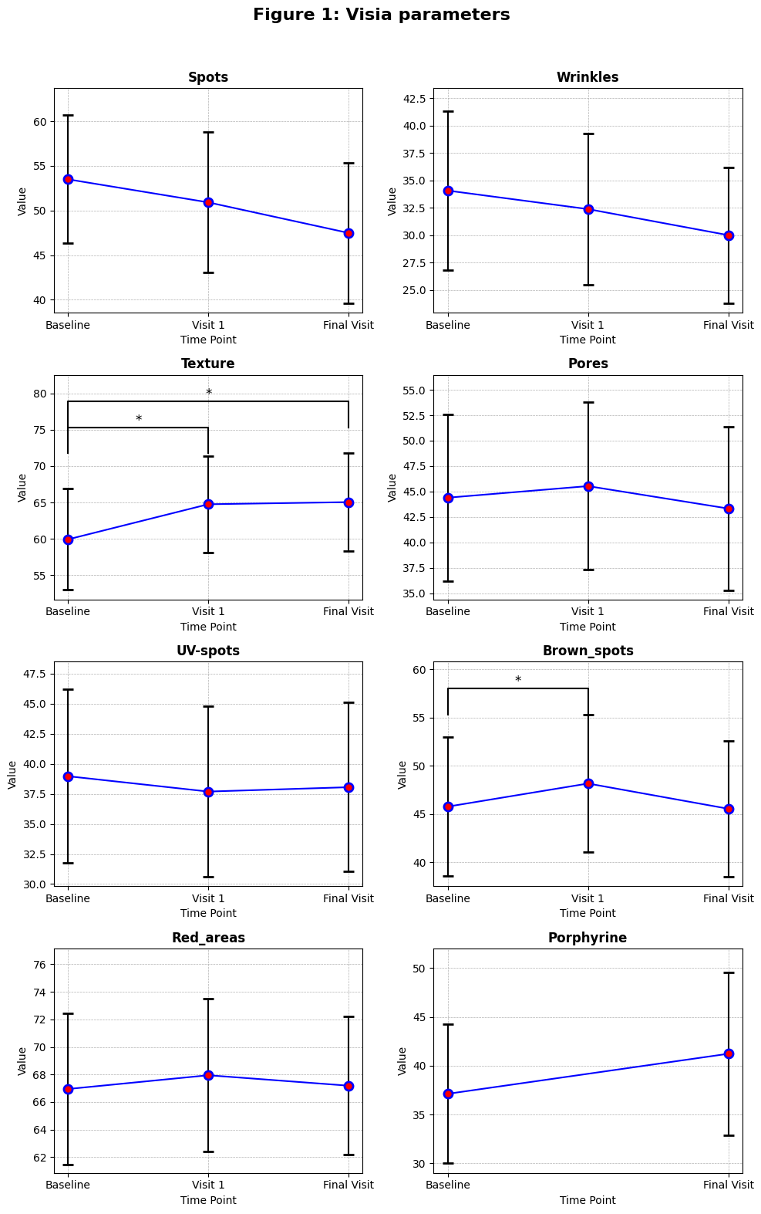
Elasticity

Elasticity

R2 Cheek: Skin elasticity, as measured by the R2 viscoelasticity index on the cheek, significantly improved over the course of the study. The R2 index increased from baseline (66.79%, 95% CI: 64.58 - 69.01%) to the final visit (70.16%, 95% CI: 67.75 - 72.56%, P = 0.0401), indicating enhanced skin elasticity (Figure 4).

R2 Forearm: The R2 index on the forearm increased from baseline (75.14%, 95% CI: 73.56 - 76.73%) to the first visit (77.31%, 95% CI: 75.58 - 79.05%) but then slightly decreased by the final visit (76.44%, 95% CI: 74.36 - 78.52%). These changes were not statistically significant (P > 0.05) (Figure 4).

R2 Upper Arm: No significant changes were observed in the R2 index on the upper arm across the study period. The R2 index remained stable from baseline (80.97%, 95% CI: 79.36 - 82.59%) to the final visit (81.48%, 95% CI: 79.91 - 83.04%, P = 1.0000) (Figure 4).

Figure 4: Changes in skin elasticity (R2) over time. This figure displays the R2 viscoelasticity index measured on the cheek, forearm, and upper arm at baseline, visit 1, and final visit. Data are presented as mean and 95% CI. Significant differences between time points are indicated by asterisks (*P < 0.05, **P < 0.01, ***P < 0.001, ****P < 0.0001).
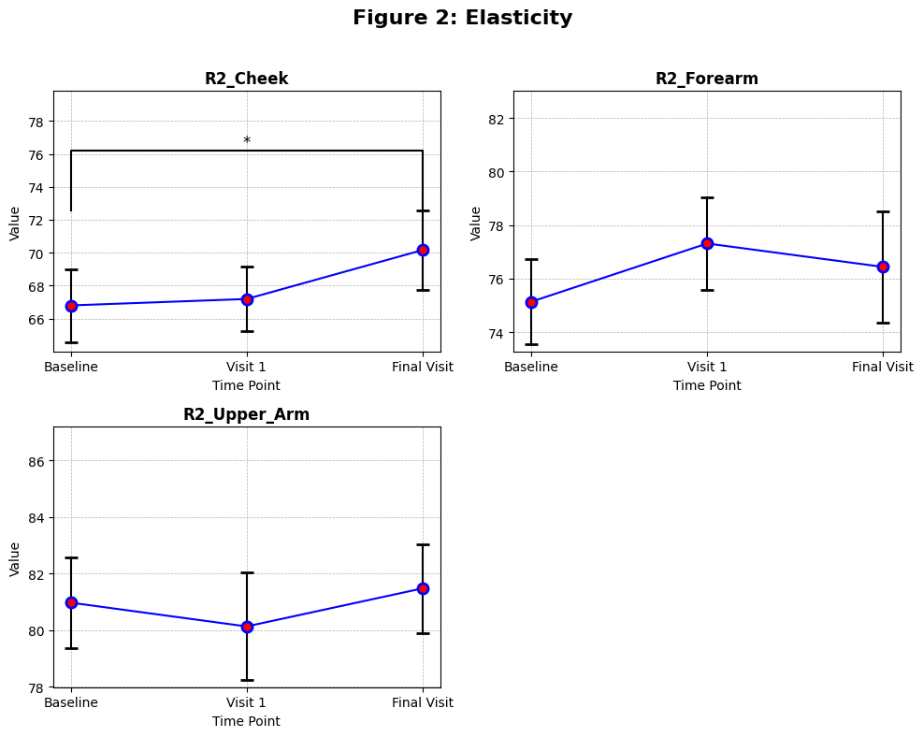
Hydration

Hydration

Hydration Cheek: Cheek hydration, measured in relative corneometer units (AU), improved significantly throughout the study, increasing from a very dry baseline level (35.89 AU, 95% CI: 32.40 - 39.39 AU) to a sufficiently moistened state by the first visit (46.72 AU, 95% CI: 43.71 - 49.74 AU, P < 0.0001) and further improving by the final visit (48.32 AU, 95% CI: 45.63 - 51.01 AU, P < 0.0001) (Figure 5).

Hydration Forearm: Forearm hydration showed significant improvement from baseline (41.96 AU, 95% CI: 39.18 - 44.74 AU) to the first visit (45.88 AU, 95% CI: 43.07 - 48.68 AU, P = 0.0046). However, this improvement was not maintained at the final visit (44.62 AU, 95% CI: 42.24 - 47.01 AU), with no significant difference observed between baseline and final visit (P = 0.0792) (Figure 5).

Hydration Upper Arm: Hydration of the upper arm improved significantly over time, increasing from baseline (36.02 AU, 95% CI: 33.46 - 38.58 AU) to the first visit (42.39 AU, 95% CI: 39.57 - 45.20 AU, P = 0.0001) and remaining elevated at the final visit (40.91 AU, 95% CI: 38.44 - 43.38 AU, P = 0.0059) (Figure 5).

Figure 5: Changes in skin hydration over time. This figure illustrates the changes in skin hydration on the cheek, forearm, and upper arm from baseline through to the final visit. Hydration levels are expressed in relative corneometer units (AU), with data shown as mean and 95% CI. Significant differences between time points are indicated by asterisks (*P < 0.05, **P < 0.01, ***P < 0.001, ****P < 0.0001).
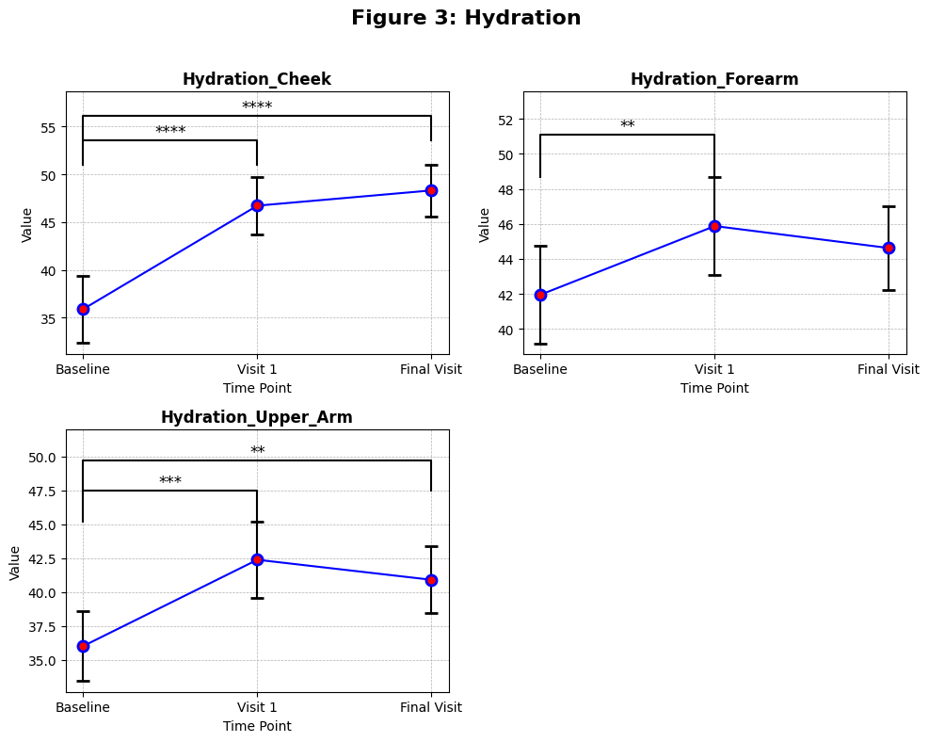

Dermis Thickness

Dermis Thickness

Cheek Dermis Thickness: No significant changes were observed in dermis thickness on the cheek between baseline (1416.91 µm, 95% CI: 1336.50 - 1497.32 µm) and the final visit (1385.86 µm, 95% CI: 1316.99 - 1454.74 µm, P = 1.0000). A non-significant reduction was observed at the first visit (1372.69 µm, 95% CI: 1305.00 - 1440.38 µm, P = 0.5669) (Figure 6).

Upper Arm Dermis Thickness: The dermis thickness of the upper arm decreased significantly from baseline (888.47 µm, 95% CI: 826.49 - 950.44 µm) to the first visit (834.74 µm, 95% CI: 793.45 - 876.03 µm, P = 0.0475). However, a subsequent increase was observed by the final visit (858.81 µm, 95% CI: 798.12 - 919.50 µm), with no significant difference between baseline and final visit (P = 0.5504) (Figure 6).

Forearm Dermis Thickness: No significant changes were detected in forearm dermis thickness over time. The thickness remained stable from baseline (1034.16 µm, 95% CI: 971.13 - 1097.18 µm) to the final visit (1036.86 µm, 95% CI: 988.14 - 1085.59 µm, P = 1.0000) (Figure 6).

Figure 6: Changes in dermis thickness over time. This figure shows the dermis thickness measurements on the cheek, upper arm, and forearm at baseline, visit 1, and final visit. Data are presented as mean and 95% CI. Significant differences between time points are indicated by asterisks (*P < 0.05, **P < 0.01, ***P < 0.001, ****P < 0.0001).

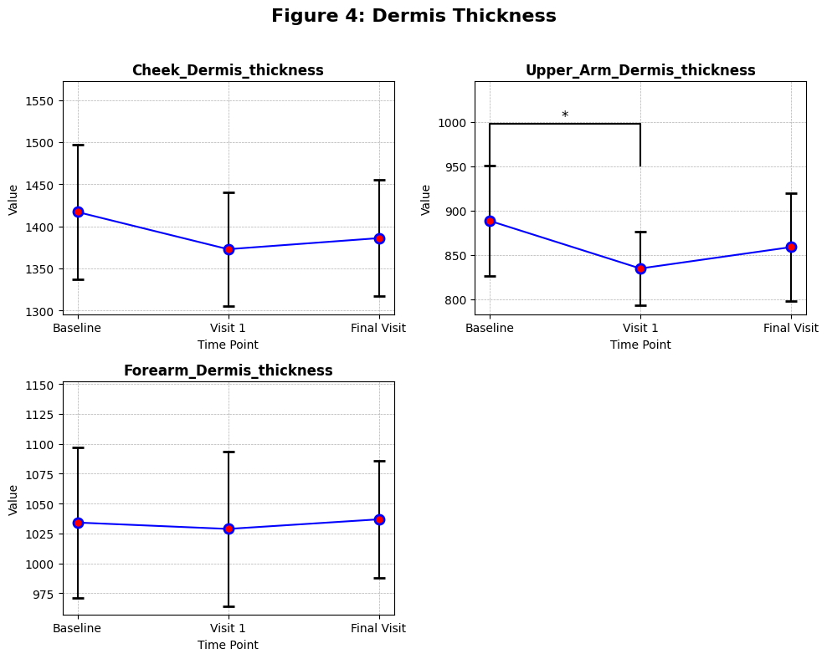
Gender comparisons:
Visia parameters

Spots

Gender comparisons:
Visia parameters

Within-gender comparisons showed no significant changes across time points for females or males. For females, changes such as Baseline vs. Visit 1 (p=0.2150p = 0.2150p=0.2150) and Baseline vs. Final Visit (p=0.0638p = 0.0638p=0.0638) were not significant. Similarly, for males, no significant differences were observed across time points, indicating stability in spots for this group.

Wrinkles
At baseline, females showed significantly higher wrinkle scores compared to males (+14.19+14.19+14.19, p=0.0405p = 0.0405p=0.0405). However, this difference was not statistically significant at Visit 1 (+10.27+10.27+10.27, p=0.1467p = 0.1467p=0.1467) or at the final visit (+10.18+10.18+10.18, p=0.0754p = 0.0754p=0.0754).
Within females, changes over time, such as Baseline vs. Visit 1 (p=0.2955p = 0.2955p=0.2955) and Baseline vs. Final Visit (p=0.0677p = 0.0677p=0.0677), were not significant. Similarly, males showed no significant changes across time points, highlighting stability in wrinkle scores for both genders.

Texture
No significant differences were observed between females and males at any time point. At baseline, the difference was −12.78-12.78−12.78 (p=0.0915p = 0.0915p=0.0915), while at Visit 1 and the final visit, differences were −8.89-8.89−8.89 (p=0.2270p = 0.2270p=0.2270) and −4.78-4.78−4.78 (p=0.5387p = 0.5387p=0.5387), respectively. Within females, significant improvements were noted between Baseline vs. Visit 1 (p=0.0288p = 0.0288p=0.0288) and Baseline vs. Final Visit (p=0.0015p = 0.0015p=0.0015), indicating better texture over time. For males, no significant changes were observed across time points.

Pores
No statistically significant differences were observed between females and males at any time point. At baseline, the difference was −11.93-11.93−11.93 (p=0.1944p = 0.1944p=0.1944), while at Visit 1 and the final visit, differences were −10.71-10.71−10.71 (p=0.2566p = 0.2566p=0.2566) and −11.10-11.10−11.10 (p=0.2287p = 0.2287p=0.2287), respectively. Within-gender comparisons revealed no significant changes over time for either group. Females showed stable pore scores across visits (e.g., Baseline vs. Visit 1, p=0.3280p = 0.3280p=0.3280), and males also exhibited no significant differences across time points.

UV-Spots
Gender differences in UV-Spots were not statistically significant at any time point. At baseline, the difference between females and males was −8.818-8.818−8.818 (p=0.2591p = 0.2591p=0.2591), and similarly, at Visit 1 (−4.219-4.219−4.219, p=0.5734p = 0.5734p=0.5734) and the final visit (−6.263-6.263−6.263, p=0.3964p = 0.3964p=0.3964), no significant differences were observed. Within-gender comparisons revealed no significant changes across time points for either group. For females, comparisons such as Baseline vs. Visit 1 (p=0.8756p = 0.8756p=0.8756) and Baseline vs. Final Visit (p=0.9560p = 0.9560p=0.9560) showed no notable changes. Similarly, for males, comparisons like Baseline vs. Visit 1 (p=0.0923p = 0.0923p=0.0923) and Baseline vs. Final Visit (p=0.1671p = 0.1671p=0.1671) indicated stable UV-Spot values.

Brown Spots
Significant differences were observed between females and males at all time points. At baseline, females had significantly lower values than males (−22.04-22.04−22.04, p=0.0031p = 0.0031p=0.0031), a trend that persisted at Visit 1 (−22.23-22.23−22.23, p=0.0020p = 0.0020p=0.0020) and the final visit (−23.70-23.70−23.70, p=0.0010p = 0.0010p=0.0010).
Within females, significant changes were observed between Baseline vs. Visit 1 (−2.333-2.333−2.333, p=0.0218p = 0.0218p=0.0218) and Visit 1 vs. Final Visit (+3.103+3.103+3.103, p=0.0084p = 0.0084p=0.0084). However, Baseline vs. Final Visit (p=0.5571p = 0.5571p=0.5571) showed no significant change. For males, no significant changes were noted across any time points (p>0.05p > 0.05p>0.05).

Red Areas
Gender differences in red areas were not statistically significant at any time point. At baseline, the difference between females and males was −4.695-4.695−4.695 (p=0.4135p = 0.4135p=0.4135). Similarly, at Visit 1 (+0.3927+0.3927+0.3927, p=0.9478p = 0.9478p=0.9478) and the final visit (+1.143+1.143+1.143, p=0.8388p = 0.8388p=0.8388), no significant differences were observed.
Within females, there were no significant changes across time points, with comparisons like Baseline vs. Visit 1 (p=0.2630p = 0.2630p=0.2630) and Baseline vs. Final Visit (p=0.3199p = 0.3199p=0.3199) being non-significant. In contrast, males exhibited a significant reduction in red areas between Baseline vs. Final Visit (+3.684+3.684+3.684, p=0.0189p = 0.0189p=0.0189).

Porphyrine
No statistically significant gender differences were observed for Porphyrine at baseline (+0.8839+0.8839+0.8839, p=0.9153p = 0.9153p=0.9153) or the final visit (+5.030+5.030+5.030, p=0.5454p = 0.5454p=0.5454). Within-gender comparisons also revealed no significant changes. For females, the Baseline vs. Final Visit comparison showed a mean difference of −5.462-5.462−5.462 (p=0.1645p = 0.1645p=0.1645). Similarly, for males, the Baseline vs. Final Visit comparison (−1.316-1.316−1.316, p=0.8136p = 0.8136p=0.8136) was non-significant, indicating stability in Porphyrine levels over time.

Figure 7: Changes in Visia parameters over time by gender. This figure shows the changes in skin spots, wrinkles, texture, pores, UV-spots, brown spots, red areas, and porphyrine levels from baseline through to the final visit stratified by gender. Each subplot represents the mean and 95% CI of the respective parameter at each time point. Significant differences between time points are indicated by asterisks (*P < 0.05, **P < 0.01, ***P < 0.001, ****P < 0.0001).

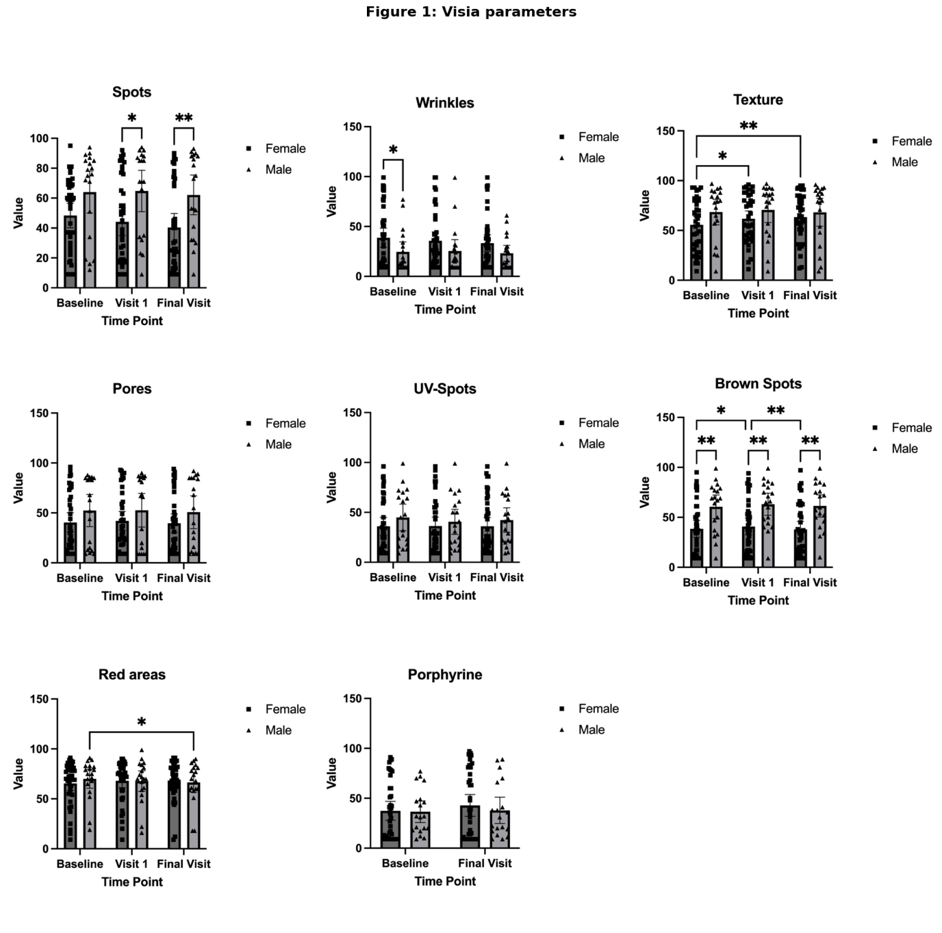

Elasticity
R2_Cheek
There were no statistically significant differences between females and males at any time point. At baseline, the difference was −3.937-3.937−3.937 (p=0.0992p = 0.0992p=0.0992), and at Visit 1 and the final visit, differences were −1.416-1.416−1.416 (p=0.4839p = 0.4839p=0.4839) and −0.2232-0.2232−0.2232 (p=0.9318p = 0.9318p=0.9318), respectively. Within females, significant changes were observed between Baseline vs. Final Visit (−4.577-4.577−4.577, p=0.0019p = 0.0019p=0.0019) and Visit 1 vs. Final Visit (−3.362-3.362−3.362, p=0.0389p = 0.0389p=0.0389). However, the change between Baseline vs. Visit 1 was not significant (p=0.3019p = 0.3019p=0.3019). For males, no significant changes were observed across time points, with all comparisons showing p>0.05p > 0.05p>0.05.

R2_Forearm
Gender differences were significant at Visit 1, where females had higher values than males (+4.130+4.130+4.130, p=0.0433p = 0.0433p=0.0433). At baseline (+2.060+2.060+2.060, p=0.2077p = 0.2077p=0.2077) and the final visit (+1.862+1.862+1.862, p=0.4275p = 0.4275p=0.4275), no statistically significant differences were observed. Within females, there was a significant improvement between Baseline vs. Visit 1 (−2.849-2.849−2.849, p=0.0133p = 0.0133p=0.0133). However, comparisons like Baseline vs. Final Visit (p=0.4380p = 0.4380p=0.4380) and Visit 1 vs. Final Visit (p=0.2709p = 0.2709p=0.2709) were not significant. For males, no significant changes were detected across time points, with all comparisons showing p>0.05p > 0.05p>0.05.

R2_Upperarm
No statistically significant differences between females and males were observed at any time point. At baseline, the difference was +0.7548+0.7548+0.7548 (p=0.6832p = 0.6832p=0.6832), while at Visit 1 and the final visit, differences were −0.9661-0.9661−0.9661 (p=0.6054p = 0.6054p=0.6054) and −0.05155-0.05155−0.05155 (p=0.9703p = 0.9703p=0.9703), respectively. Within-gender comparisons revealed no significant changes over time for either group. For females, comparisons such as Baseline vs. Visit 1 (p=0.3061p = 0.3061p=0.3061) and Baseline vs. Final Visit (p=0.8148p = 0.8148p=0.8148) were not statistically significant. Similarly, males exhibited stable values across time points, with no significant changes in any comparison (p>0.05p > 0.05p>0.05).

Figure 8: Changes in skin elasticity (R2) over time by gender. This figure displays the R2 viscoelasticity index measured on the cheek, forearm, and upper arm at baseline, visit 1, and final visit stratified by gender. Data are presented as mean and 95% CI. Significant differences between time points are indicated by asterisks (*P < 0.05, **P < 0.01, ***P < 0.001, ****P < 0.0001).
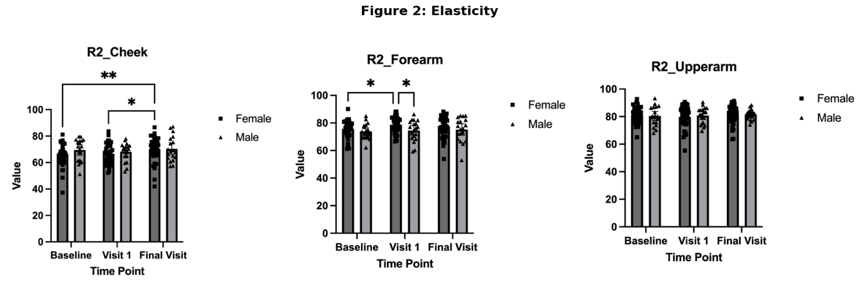

Hydration
Hydration_Cheek
No significant differences between females and males were observed at any time point. At baseline, the mean difference was +2.801+2.801+2.801 (p=0.4683p = 0.4683p=0.4683), while at Visit 1 (+3.498+3.498+3.498, p=0.3079p = 0.3079p=0.3079) and the final visit (+2.560+2.560+2.560, p=0.3886p = 0.3886p=0.3886), the differences remained non-significant. Within females, significant improvements were observed between Baseline vs. Visit 1 (−11.06-11.06−11.06, p<0.0001p < 0.0001p<0.0001) and Baseline vs. Final Visit (−12.35-12.35−12.35, p<0.0001p < 0.0001p<0.0001). However, Visit 1 vs. Final Visit (−1.288-1.288−1.288, p=0.4776p = 0.4776p=0.4776) did not show significant change. For males, significant improvements were also seen between Baseline vs. Visit 1 (−10.36-10.36−10.36, p=0.0050p = 0.0050p=0.0050) and Baseline vs. Final Visit (−12.59-12.59−12.59, p=0.0027p = 0.0027p=0.0027), while Visit 1 vs. Final Visit (−2.226-2.226−2.226, p=0.3888p = 0.3888p=0.3888) was not significant.

Hydration_Forearm
There were no statistically significant gender differences at any time point. At baseline, the difference was −0.8793-0.8793−0.8793 (p=0.7715p = 0.7715p=0.7715), while at Visit 1 (+1.037+1.037+1.037, p=0.7017p = 0.7017p=0.7017) and the final visit (−1.773-1.773−1.773, p=0.5038p = 0.5038p=0.5038), the differences remained non-significant. Within females, significant improvements were observed between Baseline vs. Visit 1 (−4.544-4.544−4.544, p=0.0039p = 0.0039p=0.0039). However, Baseline vs. Final Visit (−2.368-2.368−2.368, p=0.1009p = 0.1009p=0.1009) and Visit 1 vs. Final Visit (+2.175+2.175+2.175, p=0.1240p = 0.1240p=0.1240) were not significant. For males, no significant changes were detected across time points, with comparisons such as Baseline vs. Visit 1 (p=0.1959p = 0.1959p=0.1959) and Baseline vs. Final Visit (p=0.1435p = 0.1435p=0.1435) showing no significant improvements.

Hydration_Upperarm
No statistically significant gender differences were observed at any time point. At baseline, the difference was −0.2390-0.2390−0.2390 (p=0.9311p = 0.9311p=0.9311), while at Visit 1 (+3.312+3.312+3.312, p=0.1926p = 0.1926p=0.1926) and the final visit (+0.7765+0.7765+0.7765, p=0.7322p = 0.7322p=0.7322), the differences remained non-significant. Within females, significant improvements were observed between Baseline vs. Visit 1 (−7.529-7.529−7.529, p=0.0003p = 0.0003p=0.0003) and Baseline vs. Final Visit (−5.221-5.221−5.221, p=0.0084p = 0.0084p=0.0084). However, Visit 1 vs. Final Visit (+2.308+2.308+2.308, p=0.2203p = 0.2203p=0.2203) did not show significant change. For males, no significant changes were detected across time points, with comparisons such as Baseline vs. Visit 1 (p=0.0644p = 0.0644p=0.0644) and Baseline vs. Final Visit (p=0.1201p = 0.1201p=0.1201) showing marginal or non-significant differences.

Figure 9: Changes in skin hydration over time by gender. This figure illustrates the changes in skin hydration on the cheek, forearm, and upper arm from baseline through to the final visit stratified by gender. Hydration levels are expressed in relative corneometer units (AU), with data shown as mean and 95% CI. Significant differences between time points are indicated by asterisks (*P < 0.05, **P < 0.01, ***P < 0.001, ****P < 0.0001).

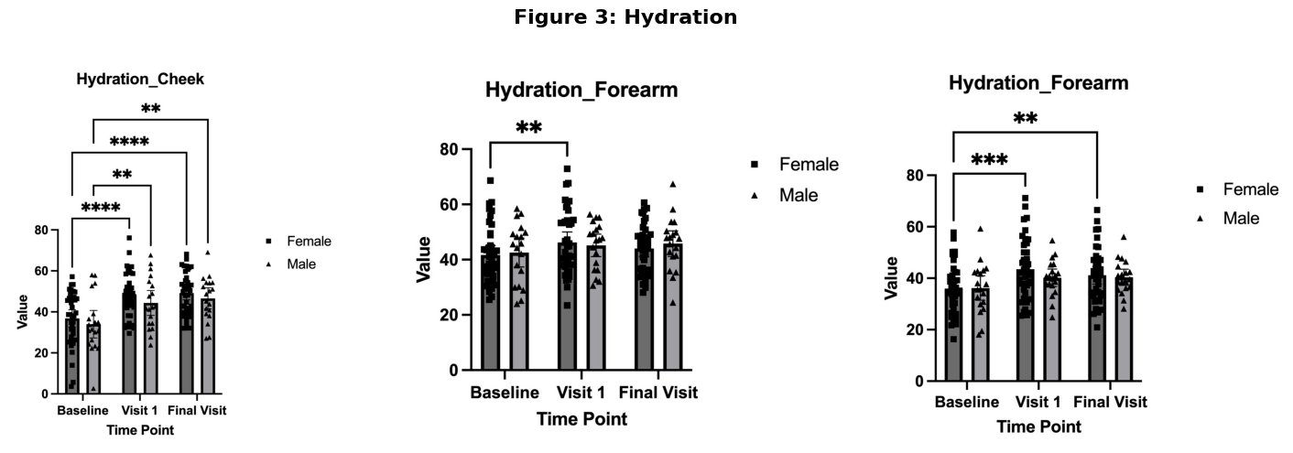

Dermis Thickness
Cheek Dermis Thickness
At baseline, females had significantly thinner cheek dermis compared to males (−278.2-278.2−278.2, p=0.0062p = 0.0062p=0.0062). However, no significant gender differences were observed at Visit 1 (−127.0-127.0−127.0, p=0.1498p = 0.1498p=0.1498) or the final visit (−104.8-104.8−104.8, p=0.2541p = 0.2541p=0.2541). Within females, no significant changes were observed across time points, including Baseline vs. Visit 1 (−5.333-5.333−5.333, p=0.8404p = 0.8404p=0.8404), Baseline vs. Final Visit (−25.77-25.77−25.77, p=0.4638p = 0.4638p=0.4638), and Visit 1 vs. Final Visit (−20.44-20.44−20.44, p=0.4314p = 0.4314p=0.4314). For males, a significant thinning was observed from Baseline vs. Final Visit (−147.7-147.7−147.7, p=0.0350p = 0.0350p=0.0350), while comparisons for Baseline vs. Visit 1 (145.9145.9145.9, p=0.0947p = 0.0947p=0.0947) and Visit 1 vs. Final Visit (1.7371.7371.737, p=0.9863p = 0.9863p=0.9863) were not significant.

Upperarm Dermis Thickness
Significant gender differences were observed at all time points. At baseline, females had thinner dermis compared to males (−245.4-245.4−245.4, p=0.0040p = 0.0040p=0.0040). The difference persisted at Visit 1 (−176.6-176.6−176.6, p=0.0002p = 0.0002p=0.0002) and the final visit (−209.3-209.3−209.3, p=0.0150p = 0.0150p=0.0150). Within females, there was a significant decrease in thickness from Baseline vs. Visit 1 (31.1831.1831.18, p=0.0324p = 0.0324p=0.0324), but changes between Baseline vs. Final Visit (17.8517.8517.85, p=0.2329p = 0.2329p=0.2329) and Visit 1 vs. Final Visit (−13.33-13.33−13.33, p=0.3863p = 0.3863p=0.3863) were not significant. For males, no significant changes were observed across any comparison, including Baseline vs. Visit 1 (100.0100.0100.0, p=0.2179p = 0.2179p=0.2179), Baseline vs. Final Visit (53.8953.8953.89, p=0.5816p = 0.5816p=0.5816), and Visit 1 vs. Final Visit (−46.11-46.11−46.11, p=0.4829p = 0.4829p=0.4829).

Forearm Dermis Thickness
Females consistently had a thinner forearm dermis than males, with significant differences observed at baseline (−121.0-121.0−121.0, p=0.0384p = 0.0384p=0.0384), Visit 1 (−227.4-227.4−227.4, p=0.0106p = 0.0106p=0.0106), and the final visit (−182.3-182.3−182.3, p=0.0003p = 0.0003p=0.0003). Within females, no significant changes were observed across time points, including Baseline vs. Visit 1 (40.1840.1840.18, p=0.3274p = 0.3274p=0.3274), Baseline vs. Final Visit (17.3617.3617.36, p=0.6124p = 0.6124p=0.6124), and Visit 1 vs. Final Visit (−22.82-22.82−22.82, p=0.2296p = 0.2296p=0.2296). Similarly, for males, no significant changes were detected across comparisons, including Baseline vs. Visit 1 (−66.21-66.21−66.21, p=0.3260p = 0.3260p=0.3260), Baseline vs. Final Visit (−43.89-43.89−43.89, p=0.3342p = 0.3342p=0.3342), and Visit 1 vs. Final Visit (22.3222.3222.32, p=0.7695p = 0.7695p=0.7695).

Figure 10: Changes in dermis thickness over time by gender. This figure shows the dermis thickness measurements on the cheek, upper arm, and forearm at baseline, visit 1, and final visit stratified by gender. Data are presented as mean and 95% CI. Significant differences between time points are indicated by asterisks (*P < 0.05, **P < 0.01, ***P < 0.001, ****P < 0.0001).


Appendix
Further visualizations

Figure 11: Heatmap of Percentage Change in Skin Parameters from Baseline to Visit 1 and Final Visit.

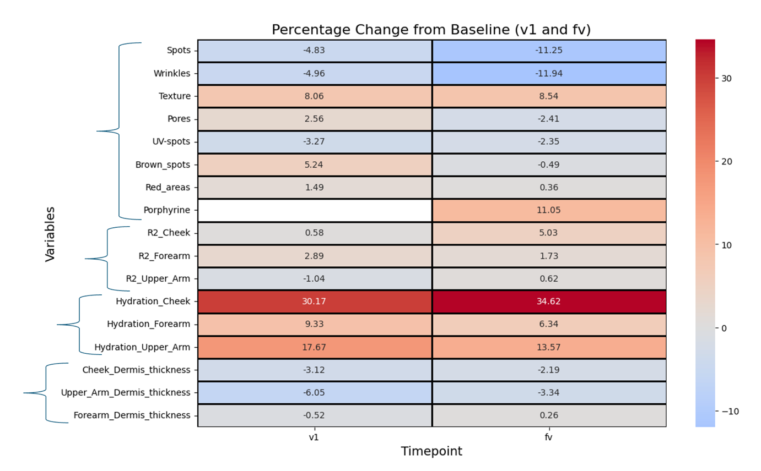

Questionnaire
Demographic and Baseline Characteristics
The demographic and baseline characteristics of the participants were assessed using the questionnaire. The mean body mass index (BMI) was 22.28 kg/m2, with a standard deviation of 2.79 kg/m2, indicating a relatively homogeneous distribution of BMI values across the cohort.

In terms of ethnicity, the majority of participants identified as White (87.9%, n = 51), followed by Hispanic or Latino (5.2%, n = 3), Asian (3.4%, n = 2), and Black or African American (1.7%, n = 1). One participant did not specify their ethnicity (1.7%).
Regarding the highest level of education completed, most participants reported holding a university degree (82.8%, n = 48), with others reporting vocational training (12.1%, n = 7) or secondary school education or less (3.4%, n = 2). One participant did not respond to this question (1.7%).

Table 1: Demographic and Baseline Characteristics.
Variable | Category | Value
BMI |  | 22.28 ± 2.79
Ethnicity | White | 87.9% (n = 51)
 | Hispanic or Latino | 5.2% (n = 3)
 | Asian | 3.4% (n = 2)
 | Black or African American | 1.7% (n = 1)
 | Not Specified | 1.7% (n = 1)
Education | University Degree | 82.8% (n = 48)
 | Vocational Training | 12.1% (n = 7)
 | Secondary School or Less | 3.4% (n = 2)
 | Not Specified | 1.7% (n = 1)

Dietary Habits and Supplement Use
The dietary habits and supplement use of participants were evaluated through the baseline questionnaire. Regarding diet, most participants identified as omnivores (41.4%, n = 24) or flexitarians (31.0%, n = 18). Other reported dietary patterns included pescatarian (5.2%, n = 3), vegetarian (3.4%, n = 2), vegan (1.7%, n = 1), and unspecified or other dietary types (15.5%, n = 9).

When asked about recent changes to their diet, the majority of participants (86.2%, n = 50) reported no changes. However, 12.1% (n = 7) indicated a shift towards more plant-based products.

The level of trust in dietary supplements varied, with 48.3% (n = 28) reporting somewhat trust, followed by 20.7% (n = 12) expressing complete trust, and another 20.7% (n = 12) being unsure. A smaller proportion somewhat distrusted supplements (8.6%, n = 5).
A majority of participants (65.5%, n = 38) reported currently taking dietary supplements, with most taking them daily (51.7%, n = 30). Others reported supplement use a few times a week (17.2%, n = 10) or once a week (27.6%, n = 16).

Regarding meal consumption, 55.2% (n = 32) of participants consumed three meals per day, while 41.4% (n = 24) had two meals. A small percentage (1.7%, n = 1) reported consuming four or more meals daily. For snacks, the majority of participants consumed one or two snacks per day (63.8%, n = 37), with 25.9% (n = 15) reporting no snacks and 8.6% (n = 5) consuming three snacks daily.

Table 2:Descriptive statistics of Dietary Habits and Supplement Use.
Variable | Category | Value
Dietary Pattern | Flexitarian | 31.0% (n = 18)
 | Omnivore | 41.4% (n = 24)
 | Other | 15.5% (n = 9)
 | Pescatarian | 5.2% (n = 3)
 | Vegan | 1.7% (n = 1)
 | Vegetarian | 3.4% (n = 2)
Recent Changes to Diet | No | 86.2% (n = 50)
 | Yes, more plant-based products | 12.1% (n = 7)
Trust in Supplements | Completely trust | 20.7% (n = 12)
 | Not sure | 20.7% (n = 12)
 | Somewhat distrust | 8.6% (n = 5)
 | Somewhat trust | 48.3% (n = 28)
Supplement Use | No | 32.8% (n = 19)
 | Yes | 65.5% (n = 38)
Supplement Frequency | Daily | 51.7% (n = 30)
 | Few times a week | 17.2% (n = 10)
 | Once a week | 27.6% (n = 16)
Meals per Day | 2 | 41.4% (n = 24)
 | 3 | 55.2% (n = 32)
 | 4 or more | 1.7% (n = 1)
Snacks per Day | 2025-02-01 | 63.8% (n = 37)
 | 3 | 8.6% (n = 5)
 | None | 25.9% (n = 15)

Lifestyle and Health-Related Behaviors
Furthermore, participants' lifestyle habits and health-related behaviors were reported in the baseline questionnaire.

Regarding alcohol consumption, a majority of participants reported drinking 1-2 drinks (31.0%, n = 18) or 3-4 drinks per week (31.0%, n = 18). Nearly one-third of participants (29.3%, n = 17) reported abstaining from alcohol, while a smaller proportion (6.9%, n = 4) consumed 5-8 drinks per week.
In terms of smoking behavior, the majority of participants (69.0%, n = 40) reported never having smoked, while 22.4% (n = 13) had quit smoking. A small percentage (6.9%, n = 4) identified as occasional smokers.

Daily coffee consumption was common among participants, with 70.7% (n = 41) reporting daily use. Occasional coffee drinkers accounted for 17.2% (n = 10), while 10.3% (n = 6) reported not drinking coffee.

Most participants reported getting between 6-7 hours (41.4%, n = 24) or 7-8 hours (41.4%, n = 24) of sleep per night. A small percentage reported less than 5 hours (1.7%, n = 1) or more than 8 hours (3.4%, n = 2). Regarding sleep quality, 48.3% (n = 28) reported no trouble sleeping, while 39.7% (n = 23) experienced occasional sleep disturbances, and 10.3% (n = 6) reported regular difficulties. In terms of feeling rested, 63.8% (n = 37) described themselves as somewhat rested, 27.6% (n = 16) felt very rested, and 6.9% (n = 4) reported not feeling rested at all.

Physical activity levels varied, with 44.8% (n = 26) exercising 3-4 times per week and 36.2% (n = 21) engaging in physical activity 1-2 times per week. Fewer participants reported exercising daily (1.7%, n = 1) or less than once a week (6.9%, n = 4). In terms of activity intensity, 50.0% (n = 29) described themselves as moderately active, 37.9% (n = 22) as lightly active, 5.2% (n = 3) as very active, and 1.7% (n = 1) as extremely active.
Regarding medication use, most participants (87.9%, n = 51) reported not taking any medications, while 5.2% (n = 3) used over-the-counter medications, and 5.2% (n = 3) took prescription medications.

When asked about symptoms of anxiety or depression in the past 12 months, 87.9% (n = 51) of participants reported no such symptoms, while 10.3% (n = 6) indicated experiencing them.

Table 3: Table 4:Descriptive statistics of Lifestyle and Health-Related Behaviors.
Variable | Category | Value
Alcohol Consumption | 1-2 drinks | 31.0% (n = 18)
 | 3-4 drinks | 31.0% (n = 18)
 | 5-8 drinks | 6.9% (n = 4)
 | None | 29.3% (n = 17)
Smoking Status | No, never | 69.0% (n = 40)
 | No, I quit | 22.4% (n = 13)
 | Yes, occasionally | 6.9% (n = 4)
Coffee Consumption | No | 10.3% (n = 6)
 | Yes, daily | 70.7% (n = 41)
 | Yes, occasionally | 17.2% (n = 10)
Sleep Duration | 5-6 hours | 10.3% (n = 6)
 | 6-7 hours | 41.4% (n = 24)
 | 7-8 hours | 41.4% (n = 24)
 | Less than 5 hours | 1.7% (n = 1)
 | More than 8 hours | 3.4% (n = 2)
Sleep Quality | No trouble | 48.3% (n = 28)
 | Sometimes | 39.7% (n = 23)
 | Yes | 10.3% (n = 6)
Feeling Rested | Not rested at all | 6.9% (n = 4)
 | Somewhat rested | 63.8% (n = 37)
 | Very rested | 27.6% (n = 16)
Exercise Frequency | 1-2 times a week | 36.2% (n = 21)
 | 3-4 times a week | 44.8% (n = 26)
 | 5-6 times a week | 8.6% (n = 5)
 | Daily | 1.7% (n = 1)
 | Less than once a week | 6.9% (n = 4)
Physical Activity Level | Extremely active | 1.7% (n = 1)
 | Lightly active | 37.9% (n = 22)
 | Moderately active | 50.0% (n = 29)
 | Sedentary | 3.4% (n = 2)
 | Very active | 5.2% (n = 3)
Medication Use | No | 87.9% (n = 51)
 | Yes, over-the-counter | 5.2% (n = 3)
 | Yes, prescription | 5.2% (n = 3)
Anxiety Symptoms | No | 87.9% (n = 51)
 | Yes | 10.3% (n = 6)

Sun Exposure, Sunscreen Use, and Skin Care Practices
The amount of time participants spent in the sun on an average day varied. The majority (56.9%, n = 33) reported spending 15 minutes to 1 hour in the sun, while 20.7% (n = 12) spent less than 15 minutes. A smaller proportion spent 1 to 2 hours (15.5%, n = 9) or 2 to 4 hours (5.2%, n = 3) daily.
Regarding sunscreen application, 36.2% (n = 21) reported using sunscreen often, while 34.5% (n = 20) always used it. Others reported applying sunscreen sometimes (19.0%, n = 11), rarely (6.9%, n = 4), or never (1.7%, n = 1). In terms of the sun protection factor (SPF) of the sunscreen used, 55.2% (n = 32) chose SPF 30-50, while 31.0% (n = 18) used SPF 50+ products. A small number of participants used sunscreen with SPF 0-10 (1.7%, n = 1), while 10.3% (n = 6) did not specify.

Skin care product usage varied across categories. Most participants reported using moisturizers (79.3%, n = 46) and face cleansers (67.2%, n = 39) regularly. Sunscreen was used by 58.6% (n = 34), while 17.2% (n = 10) reported using other unspecified products.

Table 5: Descriptive statistics of Sun Exposure, Sunscreen Use, and Skin Care Practices.
Variable | Category | Value
Time Spent in Sun | Less than 15 minutes | 20.7% (n = 12)
 | 15 minutes to 1 hour | 56.9% (n = 33)
 | 1 to 2 hours | 15.5% (n = 9)
 | 2 to 4 hours | 5.2% (n = 3)
Sunscreen Application | Always | 34.5% (n = 20)
 | Often | 36.2% (n = 21)
 | Sometimes | 19.0% (n = 11)
 | Rarely | 6.9% (n = 4)
 | Never | 1.7% (n = 1)
Sunscreen SPF | 0-10 | 1.7% (n = 1)
 | 30-50 | 55.2% (n = 32)
 | 50 | 31.0% (n = 18)
 | Not Specified | 10.3% (n = 6)
Face Cleanser Use | Yes | 67.2% (n = 39)
 | No | 31.0% (n = 18)
Moisturizer Use | Yes | 79.3% (n = 46)
 | No | 19.0% (n = 11)
Other Skin Products | Yes | 17.2% (n = 10)
 | No | 81.0% (n = 47)
Sunscreen Use | Yes | 58.6% (n = 34)
 | No | 39.7% (n = 23)

Trends in Health, Lifestyle, and Skincare Practices Over Six Months
The evaluation of the questionnaire data over six months reveals several trends in health, lifestyle, and skincare practices among the participants. Participants reported their frequency of taking the Collagen activator. The proportion of participants taking it daily decreased from 85.7% in the first month to 52.4% by the sixth month (p = 0.028). Those taking it almost every day increased slightly from 12.5% to 33.3%.

Regarding overall well-being, the majority reported feeling "good" throughout the study period, with percentages ranging from 44.0% to 61.9%. However, the proportion of those reporting "very good" well-being fluctuated, peaking at 37.5% in the second month. The changes in well-being were not statistically significant (p = 0.458).

When asked about changes in overall health, the percentage of participants reporting no changes increased from 58.9% to 70.0%, while those noticing improved health also slightly increased toward the later months. The responses to this question did not show significant variation over time (p = 0.289).

Energy levels were described by a mix of "energized" and "neutral" responses, with the "energized" category increasing to 59.5% by the sixth month. Fatigue-related responses, including "tired," decreased as the study progressed. The overall distribution of energy level responses across timepoints was not significant (p = 0.188).

Participants reporting symptoms of illness, such as fever, cough, or fatigue, declined over time, with 76.8% reporting no symptoms in the first month and 85.7% by the sixth month. The observed changes were not statistically significant (p = 0.554).

Joint pain responses remained consistent over the months. The majority of participants reported no joint pain, ranging from 66.0% to 72.7%, while mild joint discomfort slightly increased. These changes were not statistically significant.

The responses to significant changes in diet, daily activity, or medication showed that most participants reported no changes, ranging from 73.2% to 87.5%. A small percentage indicated becoming more physically active, with no statistically significant changes across the months (p = 0.818).

Finally, when asked about skincare routine changes, the majority of participants reported no changes throughout the study, with percentages remaining consistently above 87%. The changes in this category were also not statistically significant (p = 0.514).

Table 6: Trends in Health, Lifestyle, and Skincare Practices Over Six Months.
Variable | Category | 1 Month | 2 Months | 3 Months | 4 Months | 5 Months | 6 Months | p-value
How frequently did you take the Collagen activator in the last month? | Every day | 48 (85.7%) | 40 (71.4%) | 39 (69.6%) | 36 (65.5%) | 27 (54.0%) | 22 (52.4%) | 0.0282
 | Almost every day | 7 (12.5%) | 15 (26.8%) | 16 (28.6%) | 14 (25.5%) | 16 (32.0%) | 14 (33.3%)
 | 2-4 times a week | 1 (1.8%) | 0 (0.0%) | 1 (1.8%) | 3 (5.5%) | 3 (6.0%) | 3 (7.1%)
How was your overall well-being this week? | Very good | 12 (21.4%) | 21 (37.5%) | 12 (21.4%) | 19 (34.5%) | 15 (30.0%) | 10 (23.8%) | 0.458
 | Good | 30 (53.6%) | 27 (48.2%) | 30 (53.6%) | 24 (43.6%) | 22 (44.0%) | 26 (61.9%)
 | Neutral | 11 (19.6%) | 8 (14.3%) | 13 (23.2%) | 10 (18.2%) | 9 (18.0%) | 6 (14.3%)
 | Bad | 3 (5.4%) | 0 (0.0%) | 1 (1.8%) | 2 (3.6%) | 3 (6.0%) | 0 (0.0%)
Have you noticed any changes in your overall health in the last month? | I'm not sure | 14 (25.0%) | 12 (21.4%) | 11 (19.6%) | 3 (5.5%) | 5 (10.0%) | 5 (11.9%) | 0.289
 | No | 33 (58.9%) | 34 (60.7%) | 31 (55.4%) | 39 (70.9%) | 35 (70.0%) | 27 (64.3%)
 | Yes, it has improved | 7 (12.5%) | 8 (14.3%) | 8 (14.3%) | 10 (18.2%) | 7 (14.0%) | 9 (21.4%)
 | Yes, it has worsened | 2 (3.6%) | 2 (3.6%) | 6 (10.7%) | 3 (5.5%) | 3 (6.0%) | 1 (2.4%)
How would you describe your energy levels over the last month? | Full of energy | 3 (5.4%) | 5 (8.9%) | 3 (5.4%) | 5 (9.1%) | 6 (12.0%) | 3 (7.1%) | 0.188
 | Neutral | 20 (35.7%) | 24 (42.9%) | 18 (32.1%) | 13 (23.6%) | 20 (40.0%) | 12 (28.6%)
 | Tired | 7 (12.5%) | 4 (7.1%) | 10 (17.9%) | 10 (18.2%) | 10 (20.0%) | 2 (4.8%)
 | Energized | 25 (44.6%) | 23 (41.1%) | 25 (44.6%) | 25 (45.5%) | 14 (28.0%) | 25 (59.5%)
 | Exhausted | 1 (1.8%) | 0 (0.0%) | 0 (0.0%) | 2 (3.6%) | 0 (0.0%) | 0 (0.0%)
Have you had any symptoms of illness, such as fever, cough, or fatigue in the last month? | Yes, specify | 13 (23.2%) | 9 (16.1%) | 15 (26.8%) | 9 (16.4%) | 9 (18.0%) | 6 (14.3%) | 0.554
 | No | 43 (76.8%) | 47 (83.9%) | 41 (73.2%) | 46 (83.6%) | 41 (82.0%) | 36 (85.7%)
Have you experienced any joint pain in the last month? | No | 40 (71.4%) | 37 (66.1%) | 37 (66.1%) | 40 (72.7%) | 33 (66.0%) | 28 (66.7%)
 | Mild joint discomfort (occasional mild discomfort) | 11 (19.6%) | 11 (19.6%) | 13 (23.2%) | 10 (18.2%) | 11 (22.0%) | 12 (28.6%)
 | Moderate joint pain (regular discomfort that has affected my daily life) | 5 (8.9%) | 8 (14.3%) | 5 (8.9%) | 3 (5.5%) | 5 (10.0%) | 2 (4.8%)
Have you made any significant changes to your diet, daily activity, or medication in the last month? | No | 49 (87.5%) | 46 (82.1%) | 41 (73.2%) | 41 (74.5%) | 41 (82.0%) | 33 (78.6%) | 0.818
 | Yes, I am now more physically active. | 4 (7.1%) | 3 (5.4%) | 6 (10.7%) | 9 (16.4%) | 5 (10.0%) | 4 (9.5%)
 | Yes, I have changed my diet and am eating more plant-based products. | 2 (3.6%) | 4 (7.1%) | 5 (8.9%) | 1 (1.8%) | 1 (2.0%) | 1 (2.4%)
 | Yes, I am now less physically active. | 1 (1.8%) | 2 (3.6%) | 3 (5.4%) | 2 (3.6%) | 2 (4.0%) | 1 (2.4%)
Have you made any significant changes to your skincare routine (e.g. omitting /adopting a new use of sunscreen, moisturizer, facial cleanser, etc.) | No | 51 (91.1%) | 50 (89.3%) | 50 (89.3%) | 48 (87.3%) | 45 (90.0%) | 38 (90.5%) | 0.514
 | Yes, specify | 5 (8.9%) | 6 (10.7%) | 6 (10.7%) | 7 (12.7%) | 5 (10.0%) | 4 (9.5%)

Changes in Skin Condition Over Time
The distribution of self-reported skin conditions was analyzed across seven timepoints, including the baseline and six follow-up questionnaires. Participants categorized their skin condition into four categories: "Combination of oily and dry," "Dry," "Normal (neither oily nor dry)," and "Oily." The results showed notable trends in the relative frequencies of these categories over time.

At baseline, the most commonly reported skin condition was "Normal (neither oily nor dry)" with 44.1%, followed by "Dry" (27.1), and "Combination of oily and dry" (25.4%). Only a small proportion (3.4%) reported having "Oily" skin.

Over the six follow-up periods, the proportion of participants reporting "Normal (neither oily nor dry)" increased initially, peaking at 79.2% at the three months follow-up, before declining to 64.3% at the final timepoint. Conversely, the percentage of participants reporting "Combination of oily and dry" skin decreased from 25.4% at baseline to 9.5% at the final follow-up.

The proportion of participants with "Dry" skin declined from 27.1% at baseline to 19.0% at the final questionnaire, while reports of "Oily" skin remained low throughout the study, ranging between 0.0% and 7.1%.

The analysis did not reveal a statistically significant difference (p = 0.3011), indicating that the observed changes in skin condition distribution across the timepoints may not be systematic.

Figure 12: Changes in Skin Condition Over Time.
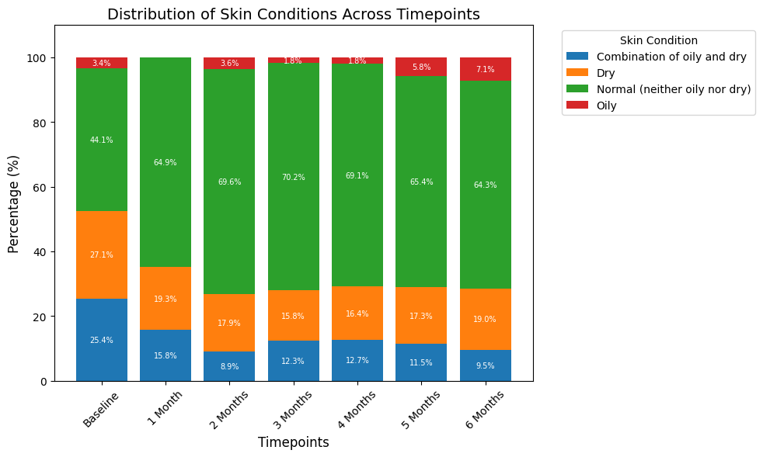

Changes in Hair Condition Over Time
The distribution of hair condition categories was analyzed across seven timepoints, including the baseline and six monthly follow-ups. At baseline, the most frequently reported hair condition was "Normal hair (neither oily nor dry)" (43.3%), followed by "Dry hair" (15.0%), "Thick and full hair" (15.0%), and "Thinning hair" (15.0%). The least reported categories were "Oily hair" (10.0%) and "Bald" (1.7%). Over time, the proportion of participants reporting "Normal hair (neither oily nor dry)" remained relatively stable, ranging from 40.5% to 46.9%. Reports of "Dry hair" fluctuated between 13.5% and 21.9%, while "Thick and full hair" and "Thinning hair" showed slight declines and increases, respectively. The "Bald" category was reported sporadically, with a maximum of 4.2% at the second follow-up. Similarly, the "Oily hair" category remained consistent, varying between 6.2% and 13.9%. The statistical analysis indicated no significant differences in the distribution of hair condition categories across the timepoints. These findings suggest stability in participants' self-reported hair conditions over the study period, with minor variations observed in certain categories.

Figure 13: Changes in Hair Condition Over Time.
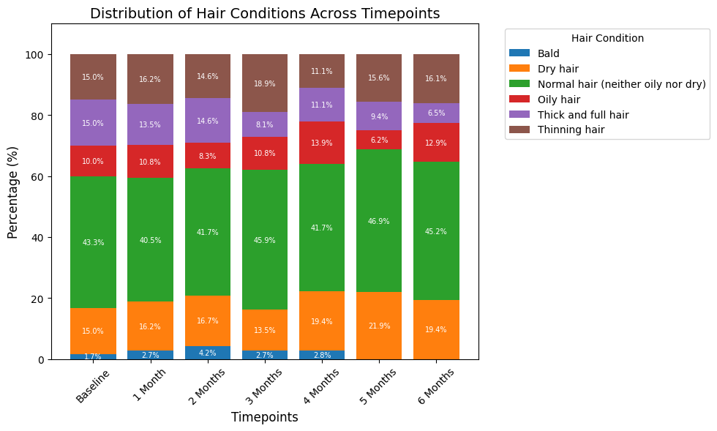

Skin Questionnaire Results: Changes in Skin Condition Ratings
The results of the skin questionnaire are summarized in Table 6, which presents the mean and standard deviation (± SD) of ratings for the four assessed variables across the baseline and six follow-up timepoints. For acne (pimples, blackheads, or inflamed pustules), the mean score decreased from 2.30 ± 1.09 at baseline to 1.78 ± 0.94 at 4 months, before slightly increasing to 2.02 ± 0.98 at 6 months. A significant change in acne scores was observed over time (p = 0.02). Fine lines (superficial wrinkles in areas frequently moved) showed relatively stable scores, ranging between 2.81 ± 0.71 and 3.14 ± 0.72. Despite this relative stability, the changes in fine line ratings over time were statistically significant (p = 0.001). Wrinkles (deeper, more pronounced creases appearing in different areas) demonstrated a gradual decrease in scores, from 2.81 ± 0.95 at baseline to 2.40 ± 0.94 at 6 months, though this change was not statistically significant (p = 0.166). Similarly, lacking firmness or sagginess (skin areas that sag in different body regions) showed a consistent decline in scores from 2.79 ± 0.80 at baseline to 2.36 ± 0.88 at 6 months, but these changes were also not statistically significant (p = 0.407). These findings highlight that significant changes over time were observed in ratings for acne and fine lines, whereas ratings for wrinkles and sagginess remained relatively stable.

Table 7: Changes in Skin Condition Ratings.
Variable | Baseline | 1 Month | 2 Months | 3 Months | 4 Months | 5 Months | 6 Months | p-value
Acne (Pimples, blackheads, or inflamed pustules) | 2.30 ± 1.09 | 2.00 ± 0.97 | 2.16 ± 0.95 | 2.02 ± 0.88 | 1.78 ± 0.94 | 1.96 ± 0.99 | 2.02 ± 0.98 | 0.0201
Fine Lines (Superficial wrinkles in areas frequently moved) | 3.07 ± 0.78 | 2.98 ± 0.83 | 2.91 ± 0.75 | 3.14 ± 0.72 | 2.87 ± 0.90 | 2.84 ± 0.84 | 2.81 ± 0.71 | 0.0013
Wrinkles (Deeper, more pronounced creases appearing in different areas) | 2.81 ± 0.95 | 2.75 ± 1.02 | 2.60 ± 0.97 | 2.64 ± 0.96 | 2.55 ± 1.07 | 2.52 ± 1.11 | 2.40 ± 0.94 | 0.166
Lacking firmness / sagginess (Skin areas that sag in different body regions) | 2.79 ± 0.80 | 2.56 ± 1.00 | 2.53 ± 0.96 | 2.46 ± 1.06 | 2.40 ± 1.05 | 2.40 ± 1.03 | 2.36 ± 0.88 | 0.407

BioAge analysis
The mean biological age at baseline was 47.07 ± 7.21 years, while the mean biological age at six months was 45.70 ± 7.57 years, demonstrating a statistically significant reduction (p = 0.040, paired t-test). In contrast, chronological age increased slightly from 47.46 ± 8.33 years at baseline to 47.88 ± 8.33 years at six months, as expected. This reduction in biological age after six months highlights a potential improvement beyond the natural progression of time.
When stratified by gender, the average reduction in biological age was similar between females (−1.33 years) and males (−1.48 years). However, no statistically significant differences in the extent of reduction between genders were observed.

Figure 14: Biological Age Change by Gender. Boxplot showing the distribution of biological age change over six months, stratified by gender. The red dashed line indicates no change in biological age. Both males and females exhibited a reduction in biological age, with no significant differences between genders.

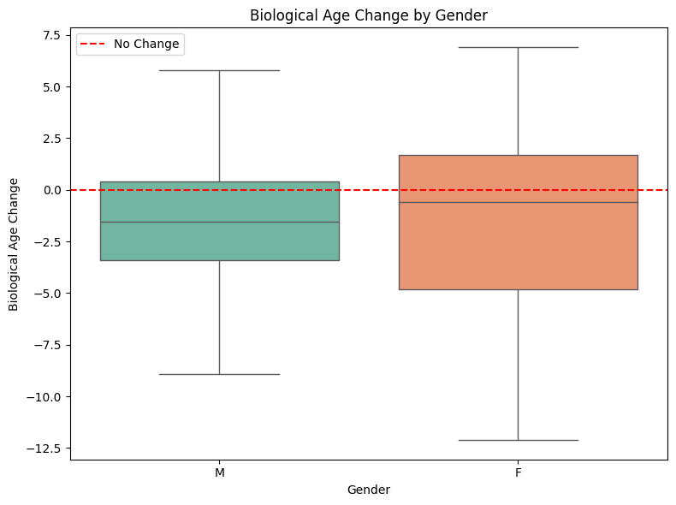

The relationship between baseline chronological age and changes in biological age was evaluated using Pearson’s correlation. While a weak positive correlation was found (r = 0.168), the association was not statistically significant (p = 0.271), suggesting that changes in biological age were not influenced by chronological age at baseline.

Figure 15: Relationship Between Chronological Age and Biological Age Change. Scatterplot illustrating the relationship between baseline chronological age and changes in biological age after six months. The points are color-coded by gender, and the red dashed line represents no change in biological age. No strong correlation was observed between the two variables.
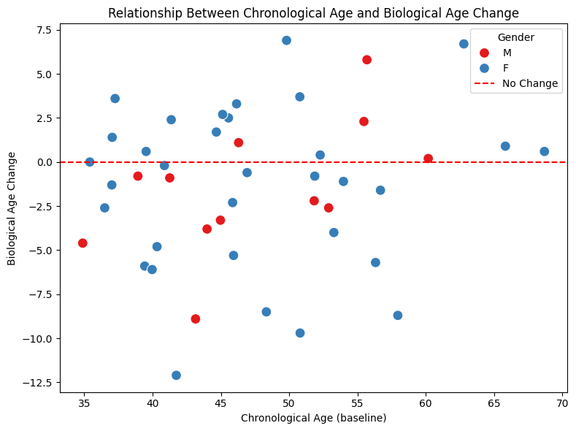

Figure 16: Distribution of Biological Age Change. Histogram showing the distribution of changes in biological age across all participants. The majority of participants exhibited a reduction in biological age, as indicated by the shift of the distribution to the left of the red dashed line (no change).
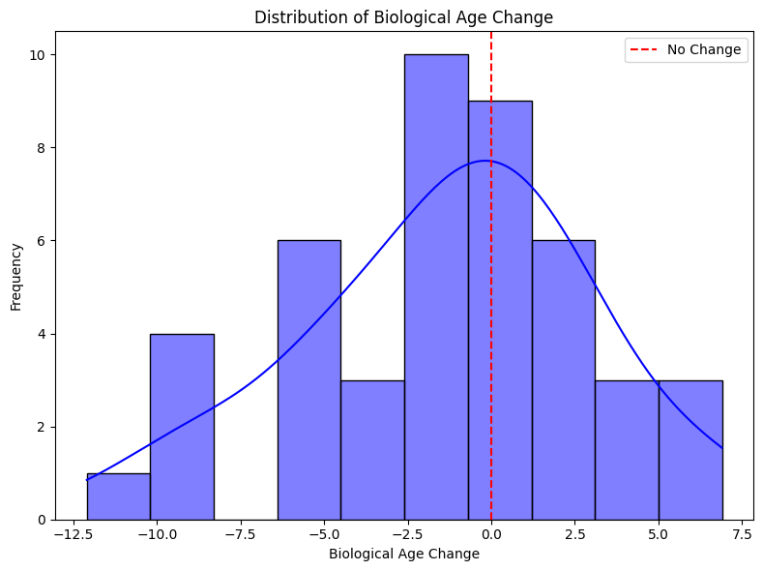

A Shapiro-Wilk test was performed to assess the normality of the data. Both the Baseline (W=0.9804,p=0.6339) and 6 Months (W=0.9677,p=0.2394) time points demonstrated no significant deviation from normality, confirming that the data followed a normal distribution. Consequently, a paired t-test was used to compare the Chronological Age minus Biological Age difference between Baseline and 6 Months. The results revealed a statistically significant increase in the Chronological Age minus Biological Age difference over time (p=0.0084). At Baseline, the mean Chronological Age minus Biological Age was 0.39 years (95% CI: −1.03 to 1.80), while at 6 Months, the mean increased to 2.18 (95% CI: 1.00 to 3.36). This indicates a significant shift toward a greater Chronological Age minus Biological Age difference after 6 months.

Figure 17: Chronological Age minus Biological Age difference at Baseline and 6 Months. The box plots represent the distribution of values at each time point, with individual data points overlaid as dots. Each individual's data is connected by lines, showing the paired nature of the data. A paired t-test revealed a statistically significant increase (p=0.0084) in Chronological Age minus Biological Age difference from Baseline to 6 Months.
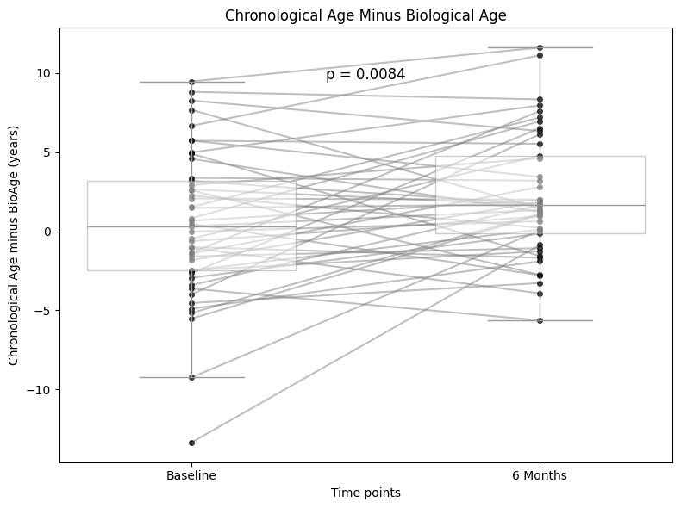

Participants were categorized into two groups based on their self-reported frequency of collagen activator intake over six months. Responses across six time points (baseline and five subsequent months) were classified as "More Consistent" if participants reported taking the collagen activator "Every day" or "Almost every day" for all six time points, and as "Less Consistent" if they reported any other frequency during the six months. The "More Consistent" group comprised 27 participants (60.0% of the total), while the "Less Consistent" group included 18 participants (40.0% of the total). A Shapiro-Wilk test indicated that improvement values (chronological age minus biological age at six months minus baseline) were normally distributed for both groups (More Consistent: W = 0.9788, p = 0.8349; Less Consistent: W = 0.9322, p = 0.2121).

An unpaired t-test was conducted to compare the improvement between the two groups. Although the "Less Consistent" group showed a higher mean improvement (Mean = 2.86, 95% CI = 0.79 to 4.93) compared to the "More Consistent" group (Mean = 1.08, 95% CI = -0.67 to 2.82), the difference was not statistically significant (t = -1.3580, p = 0.1816).

Figure 18: Comparison of improvement in chronological age minus biological age between "More Consistent" and "Less Consistent" groups. Improvement was calculated as the difference between six months and baseline (6Months Minus Baseline). Box plots show the median and interquartile range (IQR) for each group, with whiskers representing the range. Individual data points are overlaid, and statistical significance was assessed using an unpaired t-test.
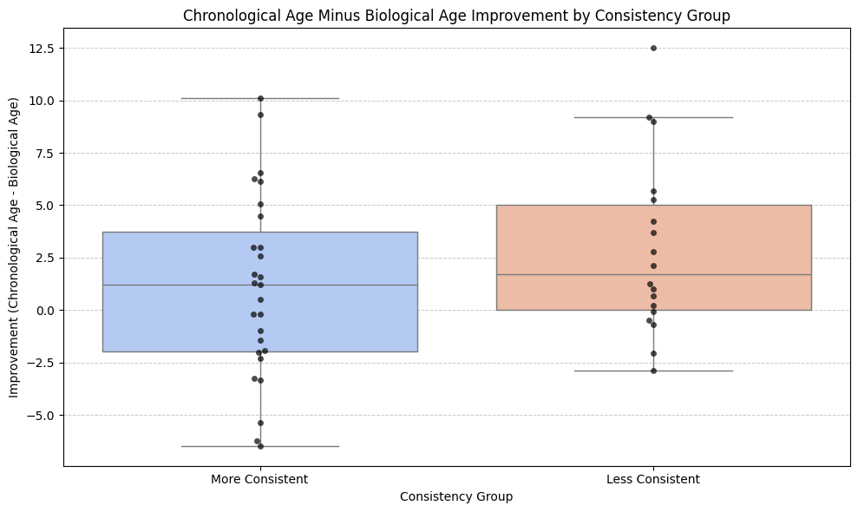

Figure 19: Three-dimensional scatter plot illustrating the relationship among baseline chronological minus baseline biological age (x-axis), baseline chronological age (y-axis), and the net change in biological age over six months (z-axis). Each point represents an individual participant, colored according to the magnitude of biological age improvement (i.e., “years gained”). Higher values on the z-axis indicate greater reductions in biological age relative to chronological age after six months.

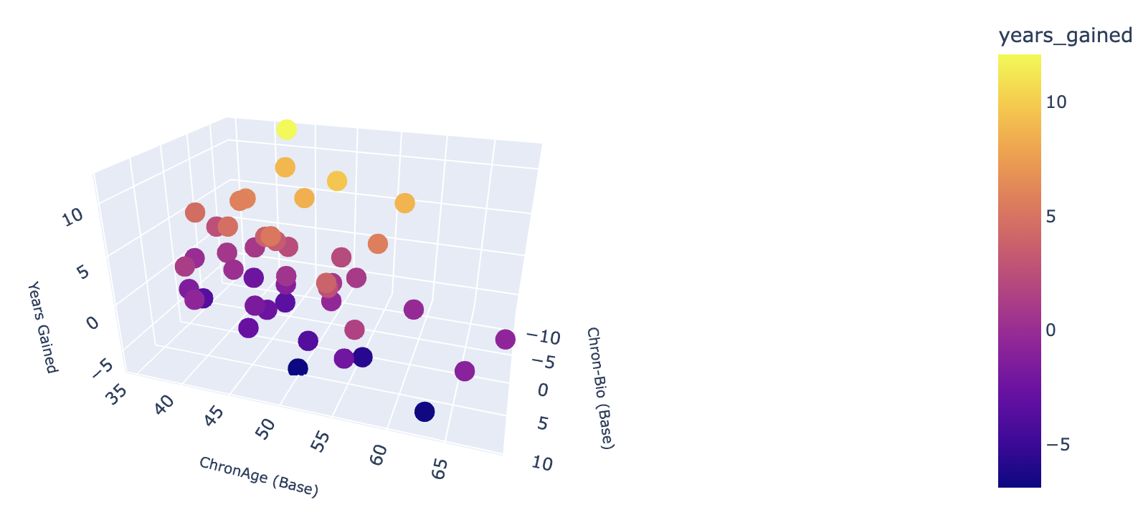

Figure 20: Scatter plot depicting the relationship between chronological age and biological age at baseline, with a fitted regression line and the corresponding 95% confidence interval.

Raw Material Collagen Activator
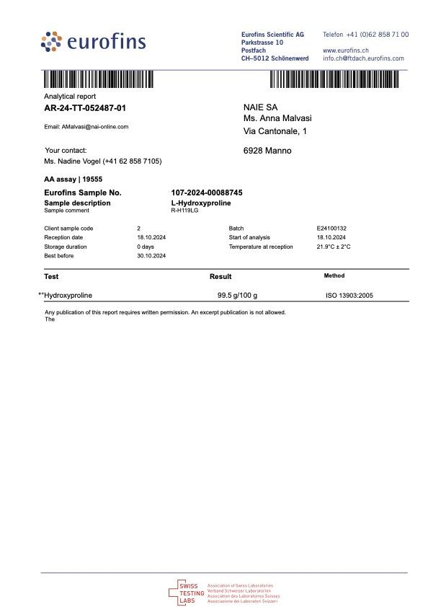
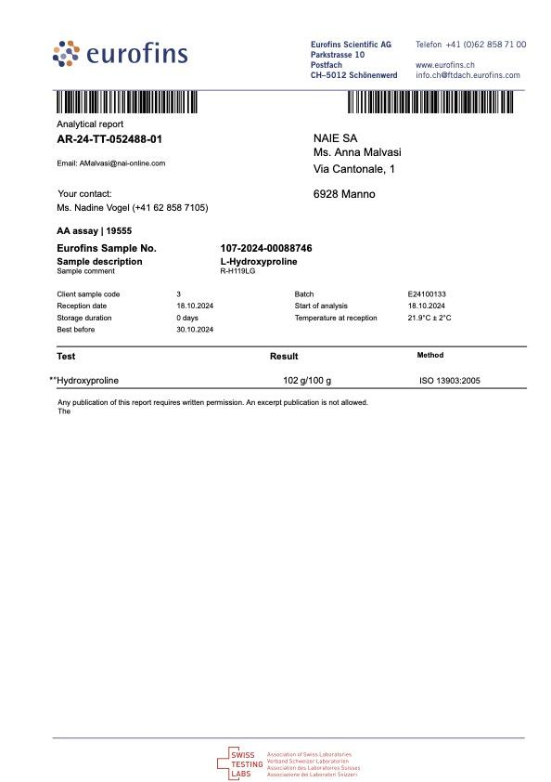
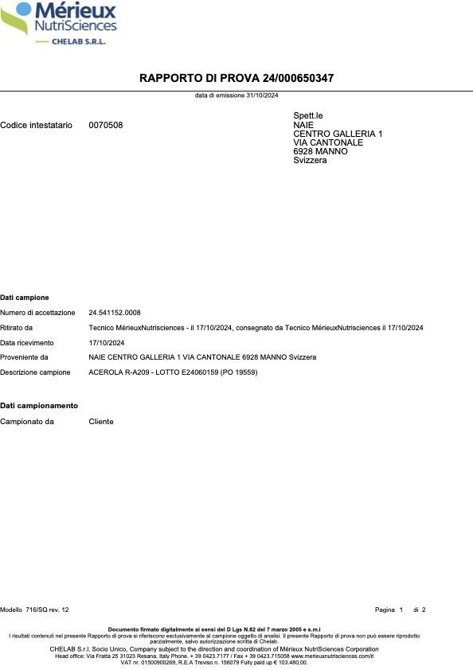

ACEROLA - VITAMIN C

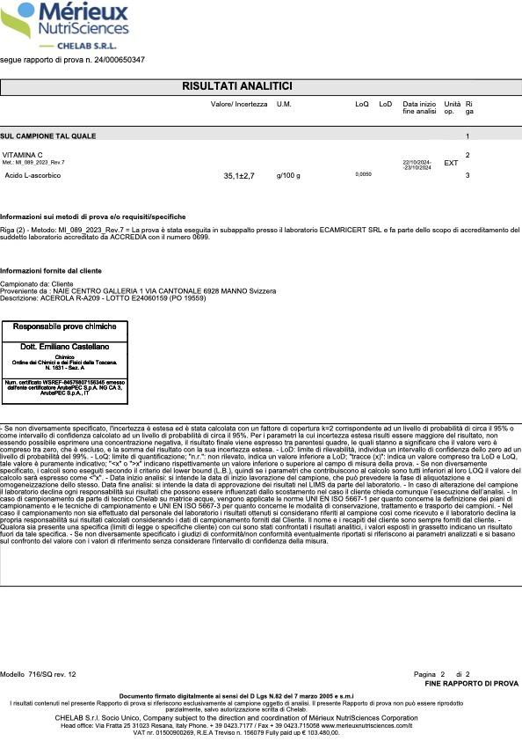

CALCIUM - ALPHAKETOGLUTARATE

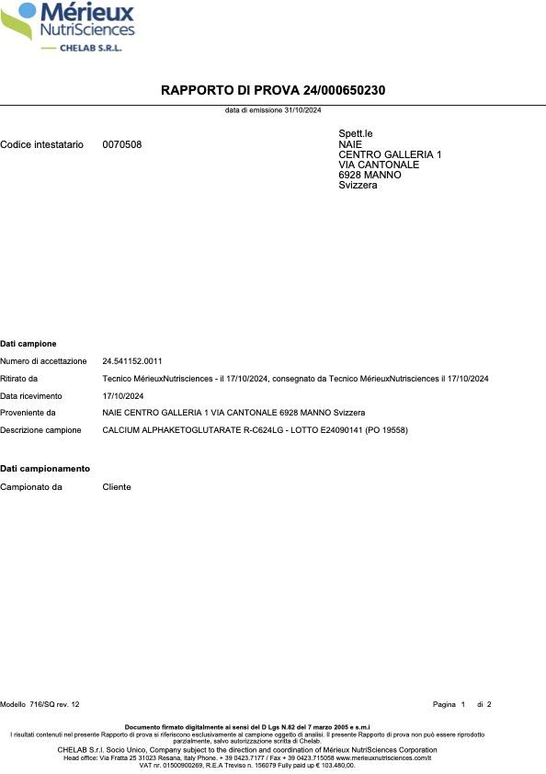
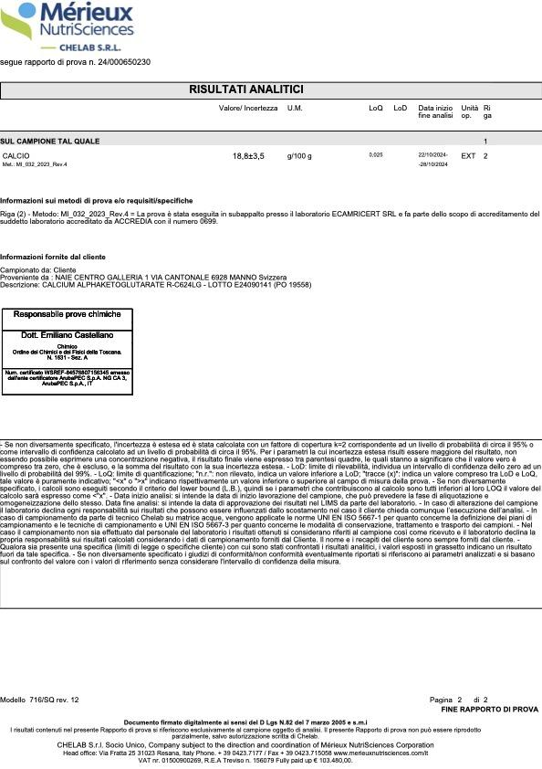

Astaxanthin
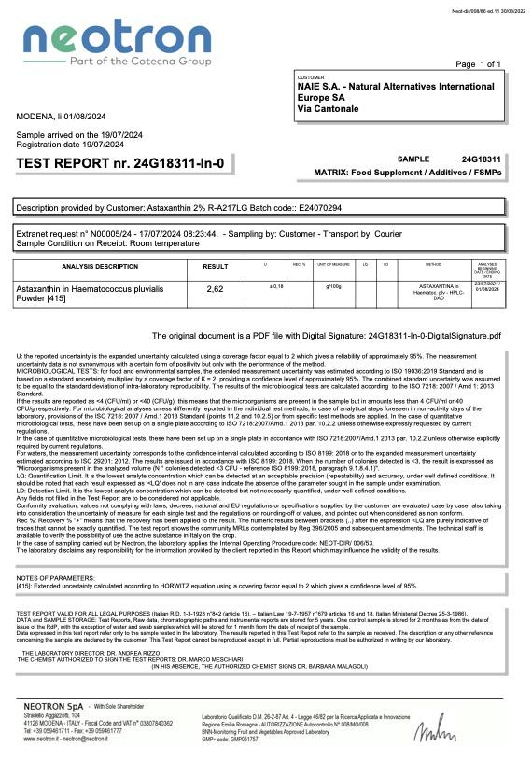

GLYCINE




L-PROLINE

L-HYDROXYPROLINE

Mouse_foodIntake-bodyWeight
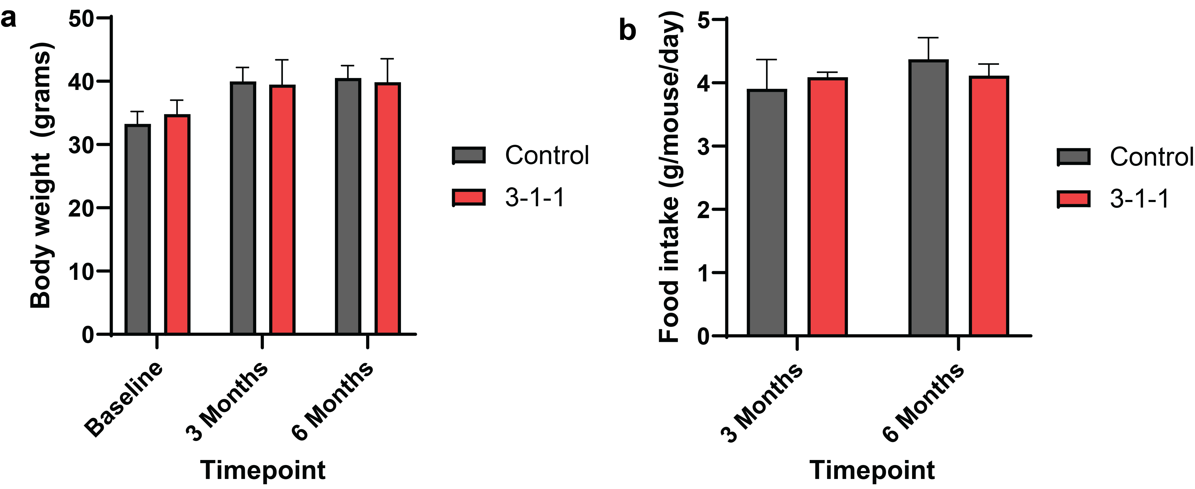
Food intake body weight

Mouse_OrganWeight
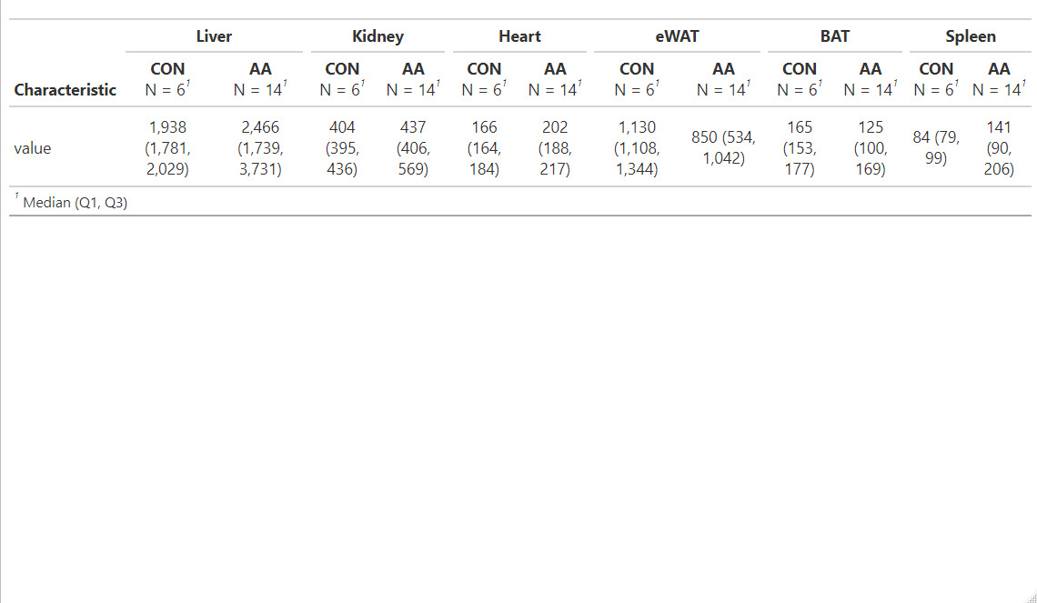

Con= Control
AA = 311 = 3 Gly : 1 Pro : 1 Hyp mixture

