Perturbagen Comparison
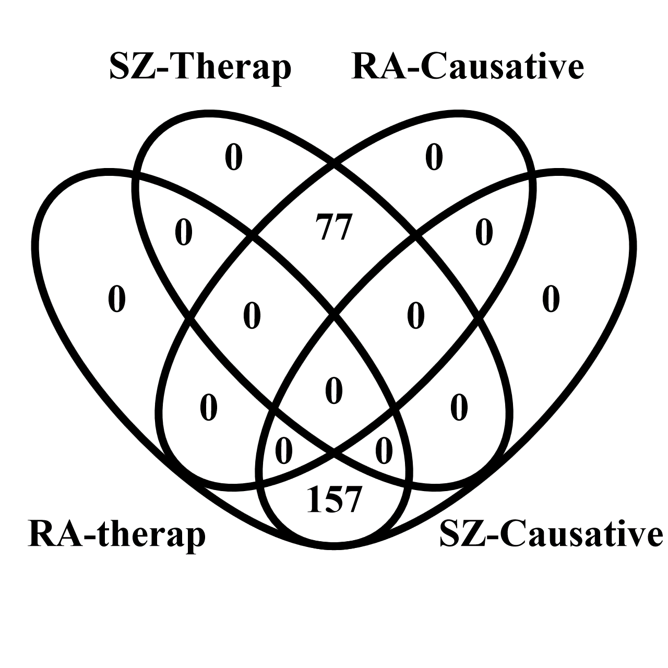
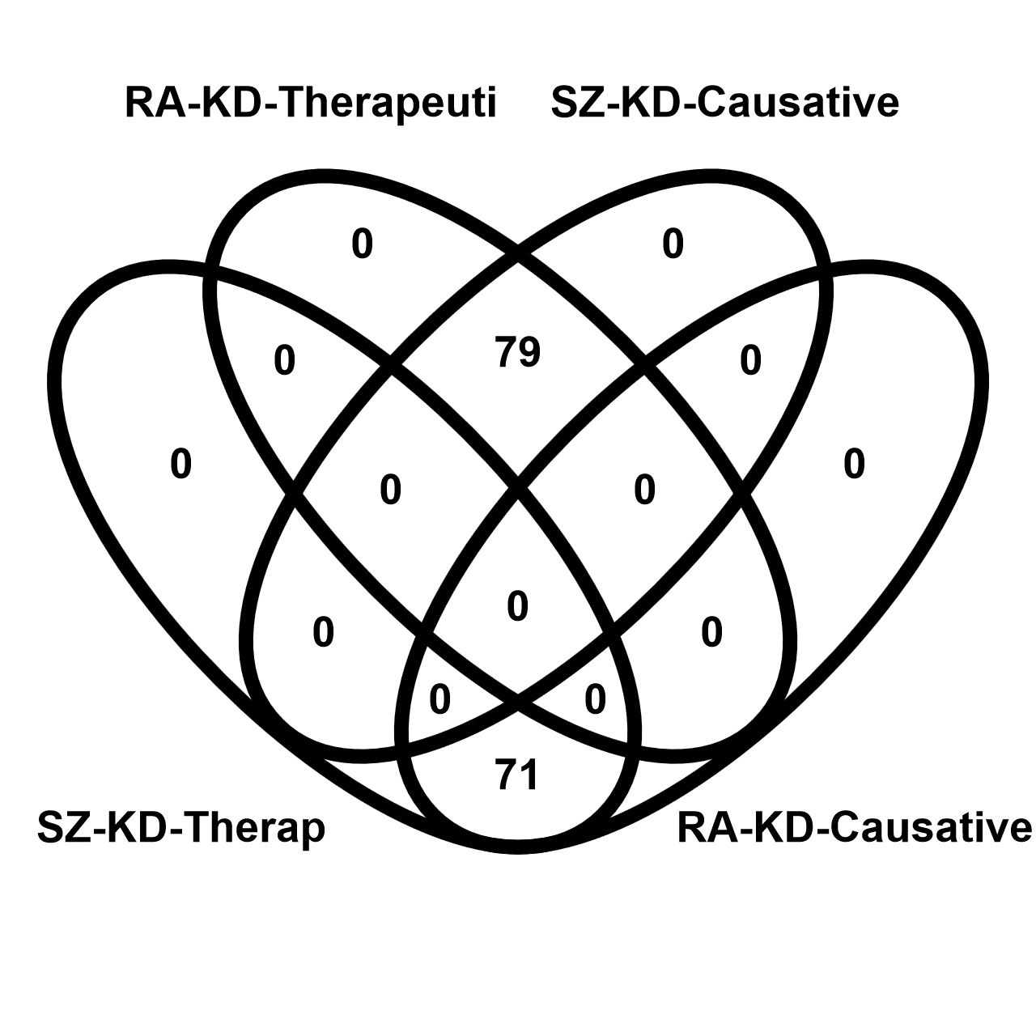
Perturbagen comparison | 77 common elements in "SZ-Therap" and "RA-Causative": | 157 common elements in "RA-therap" and "SZ-Causative": | Gene knockdown comparison | 79 common elements in "RA-KD-Therapeuti" and "SZ-KD-Causative": | 71 common elements in "SZ-KD-Therap" and "RA-KD-Causative":
 | daunorubicin | azacitidine |  | UBA52 | IGF2
 | dactinomycin | BRD-K73261812 |  | EIF2B3 | UBE2K
 | triptolide | I-606061 |  | CDA | DCPS
 | ER-27319 | anisomycin |  | PNKP | CSNK2B
 | doxorubicin | cercosporin |  | POLG2 | NFKBIB
 | pidorubicine | RJC-00245SC |  | DYNLL1 | SUFU
 | chromomycin-a3 | DG-041 |  | NUP133 | MLLT11
 | pirarubicin | BRD-K53932786 |  | PRPF4B | YES1
 | selumetinib | salermide |  | KARS | ARPC5
 | BRD-K85853281 | I-606051 |  | NEK2 | TLE1
 | BRD-K81814927 | cycloheximide |  | C12ORF51 | RET
 | trifluoperazine | BRD-K31706415 |  | TM9SF3 | NPC1
 | sirolimus | penfluridol |  | SAP18 | HLA-DMA
 | AT-7519 | BRD-K01614657 |  | SPDEF | FOXJ3
 | idarubicin | niclosamide |  | ADCY9 | MEOX2
 | TWS-119 | VU-0418947-2 |  | RAD1 | NFYB
 | mitoxantrone | narciclasine |  | TP53 | MALT1
 | BRD-K67778494 | VU-0418946-1 |  | FGFR1 | CSNK2A1
 | camptothecin | BRD-K99633092 |  | RXRB | RYBP
 | alvocidib | triciribine |  | GPR19 | PDLIM4
 | WZ-3105 | bufalin |  | PPP4C | TYRO3
 | SN-38 | BRD-K55844427 |  | COPA | ST7
 | VER-155008 | CCCP |  | DAP | PTPN1
 | BRD-K35046132 | tosedostat |  | DNAJB2 | EIF2AK3
 | PIK-75 | ouabain |  | LEPRE1 | PPP2R1A
 | A-443644 | cephaeline |  | COPB2 | IMPDH1
 | U-0126 | BRD-K71935468 |  | BRD2 | DFFB
 | fostamatinib | digoxin |  | HOXC9 | CTSL1
 | BRD-K90999434 | IKK-2-inhibitor-V |  | ZNF175 | LGALS2
 | AS-605240 | gossypol |  | ALDH4A1 | HSPA4
 | 5-iodotubercidin | I-070759 |  | GNPDA1 | TLR4
 | JAS07-006 | FCCP |  | AFG3L2 | ZNF8
 | curcumin | quiflapon |  | DDX42 | FANCF
 | chaetocin | proscillaridin |  | TBK1 | CCDC86
 | BRD-A47832959 | verrucarin-a |  | SLC22A5 | NFE2L2
 | PF-562271 | digitoxin |  | ADRB2 | UQCR11
 | benzylpenicillin | malonoben |  | DHCR24 | MAP3K1
 | PD-98059 | calmidazolium |  | EIF2S2 | HYAL1
 | phenolphthalein | tyrphostin-A9 |  | KTN1 | GCA
 | erismodegib | KM-03949SC |  | DNAJC15 | SMC1A
 | homatropine | BRD-K78385490 |  | PPP2R3C | MAP2K5
 | ropinirole | periplocymarin |  | MTRR | RAB27A
 | MD-040 | NSC-663284 |  | NONO | TSN
 | AS-601245 | YM-155 |  | EIF4B | CDO1
 | protriptyline | VU-0418939-2 |  | GLI1 | F12
 | fludarabine | rhodomyrtoxin-b |  | TIMP2 | PBRM1
 | saracatinib | BRD-K05153001 |  | VRK2 | DYNLT3
 | BRD-K01896723 | strophanthidin |  | MBTPS1 | KRT8
 | tozasertib | homoharringtonine |  | TMED7 | RFX5
 | PD-0325901 | heliomycin |  | CAT | IDH3A
 | PJ-34 | VU-0410183-2 |  | GFPT1 | HLA-DQA1
 | gemcitabine | AG-879 |  | TCF12 | ADORA2B
 | lestaurtinib | BRD-K85660637 |  | PGM1 | LRSAM1
 | ZG-10 | puromycin |  | GK | AK3
 | BRD-K77681376 | CHEMBL-399379 |  | IKZF1 | SSBP2
 | auranofin | cymarin |  | PIK3C2B | IKBKB
 | KM-00927 | suloctidil |  | GRN | XPNPEP3
 | BRD-K92158425 | emetine |  | ABCC5 | GALNS
 | BRD-K75081836 | obatoclax |  | EGR2 | PHACTR1
 | BRD-K83694683 | I-505056 |  | MCM4 | RASSF2
 | BRD-K92981876 | BRD-K08448573 |  | SLC25A5 | EPAS1
 | isoliquiritigenin | cinobufagin |  | NSDHL | PIP4K2C
 | evodiamine | quinoclamine |  | RAP1GDS1 | POLR3K
 | MEK1-2-inhibitor | BRD-K95196255 |  | ACAA1 | PPIA
 | 16,16-dimethylprostaglandin-e2 | artesunate |  | BCL2L1 | S100A1
 | KIN001-055 | bithionol |  | LSR | CYP1A1
 | PP-2 | kinetin-riboside |  | HDAC3 | GNG8
 | pepstatin | cyclosporin-a |  | PYCR1 | ABAT
 | 7b-cis | tunicamycin |  | HNF4A | GMPS
 | KIN001-220 | PAC-1 |  | CHAC1 | VIPR1
 | BRD-K42687792 | BRD-A47816767 |  | CCT8 | CDKN1B
 | mitomycin-c | ivermectin |  | HOXA9
 | Ro-04-6790 | BRD-K20109053 |  | BLVRA
 | mosapride | XL-147 |  | C1QTNF6
 | SB-431542 | BRD-K73610817 |  | CTLA4
 | GDC-0879 | BRD-K19499941 |  | ADRA2C
 | BRD-K26304855 | BRD-K37940862 |  | RAB5B
 |  | prostratin |  | SRRT
 |  | selamectin |  | NFIC
 |  | SA-1478088
 |  | CGK-733
 |  | VU-0418934-2
 |  | rottlerin
 |  | STK-397047
 |  | TW-37
 |  | BRD-K65955264
 |  | KO-143
 |  | tegaserod
 |  | BRD-K60870698
 |  | BRD-K62459624
 |  | BRD-K63770300
 |  | BRD-K68313733
 |  | digitoxigenin
 |  | thapsigargin
 |  | BRD-K41925105
 |  | LDN-193189
 |  | BRD-K86574132
 |  | BRD-K84421793
 |  | brefeldin-a
 |  | pyrvinium-pamoate
 |  | vanoxerine
 |  | BRD-K41652870
 |  | helveticoside
 |  | BRD-K77547920
 |  | AG-592
 |  | BRD-K80786583
 |  | QL-XII-47
 |  | ursolic-acid
 |  | CD-437
 |  | BRD-K83194053
 |  | ST-4029573
 |  | cucurbitacin-i
 |  | MLN-2238
 |  | BRD-K61776140
 |  | BRD-K70771662
 |  | BRD-K62169556
 |  | BRD-K81795824
 |  | PD-198306
 |  | CAY-10618
 |  | BRD-K19166598
 |  | BRD-K92317137
 |  | GW-405833
 |  | MG-132
 |  | F-1566-0341
 |  | BRD-K78062244
 |  | BRD-A24021119
 |  | BRD-K32896438
 |  | nonoxynol-9
 |  | hyperforin
 |  | RS-17053
 |  | BRD-A54632525
 |  | CGP-71683
 |  | BRD-K94991378
 |  | BRD-K28916077
 |  | lonidamine
 |  | BRD-K19624190
 |  | AKT-inhibitor-IV
 |  | z-leu3-VS
 |  | K784-3187
 |  | BRD-K21773564
 |  | ZK-164015
 |  | QL-X-138
 |  | BRD-K08307026
 |  | BRD-K23319301
 |  | 5-nonyloxytryptamine
 |  | BRD-K04534322
 |  | clofarabine
 |  | CD-1530
 |  | BRD-K73155123
 |  | BRD-K44732214
 |  | BRD-K36087356
 |  | BAX-channel-blocker
 |  | bortezomib
 |  | BRD-K58214070
 |  | oligomycin-a
 |  | BRD-K28934562
 |  | phorbol-12-myristate-13-acetate

