Western blot Gcyt extract
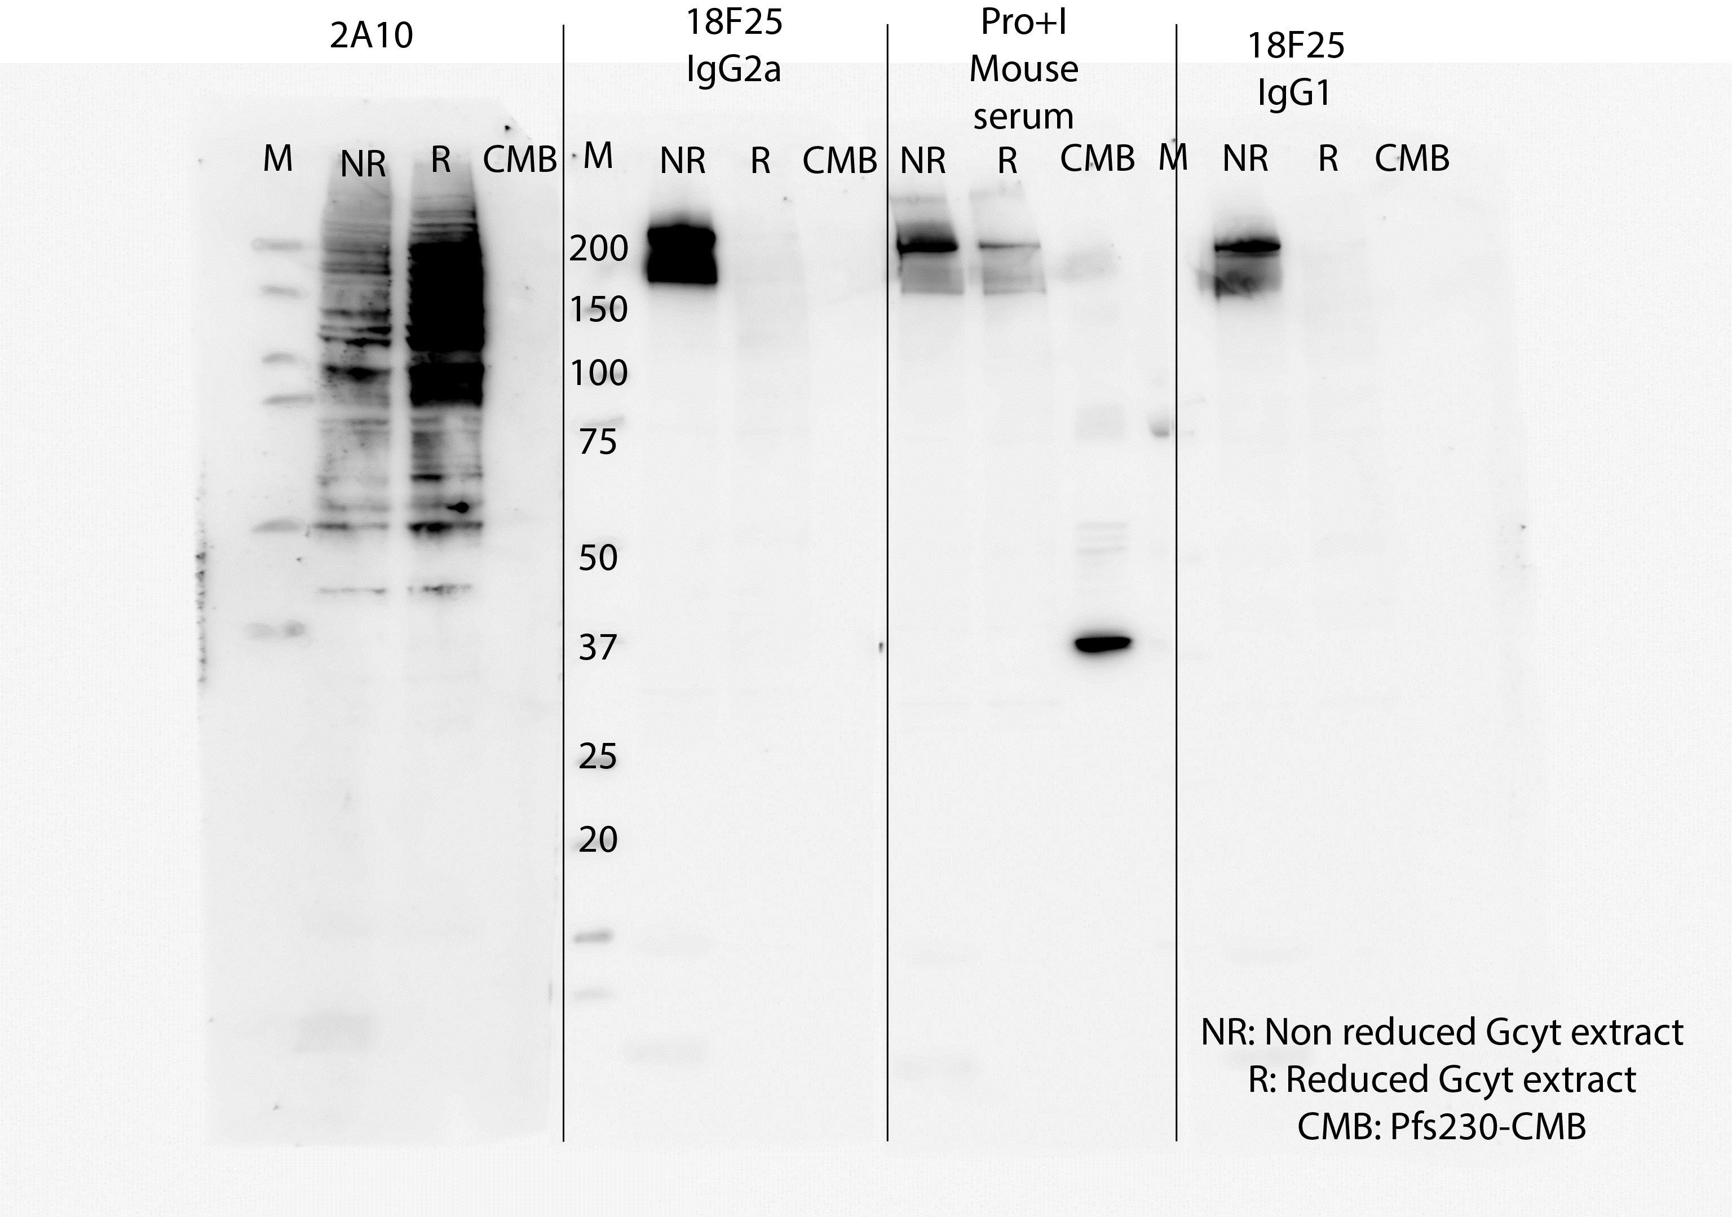
Source data for Fig. 1b and Fig. 2d.
The unprocessed western blot scans of the western blot with gametocyte extract. On the left there are indications of the marker, samples and antibodies used for incubation. On the right the same blot is visible without any indications.

Western blot recombinant Pfs230
Source data for Fig. 1c-d
The unprocessed western blot scans of the western blot with recombinant Pfs230, which are the source of the blots depicted in Fig. 1c-d.

Fig. 1d
Fig. 1c

Detection with 18F25 mAb

 | Detection with 18F25 mAb

Dot blot
Source data for Fig. 2c
The unprocessed scans of the dot blots. Please note that 18F25.2a Clone 1 was chosen for all further experiments after validating the subclass switch.

 | Concentrations (ng) |  |  |  |  | Concentrations (ng)
 | 75.00 | 25.00 | 8.33 | 2.78 | 0.93 | 100.00 | 33.33 | 11.11 | 3.70 |  | Detection:
18F25.2a (Clone 1) |  |  |  |  |  |  |  |  |  | 2A2.2a | IgG1

18F25.2a (Clone 3) |  |  |  |  |  |  |  |  |  | BSA (100 ng)

18F25.1 (Parental)

 |  |  |  |  |  |  |  |  |  |  | IgG2a
18F25.2a (Clone 1) |  |  |  |  |  |  |  |  |  | 2A2.2a

18F25.2a (Clone 3) |  |  |  |  |  |  |  |  |  | BSA (100 ng)

18F25.1 (Parental)

 |  |  |  |  |  |  |  |  |  |  | Polyclonal IgG
18F25.2a (Clone 1) |  |  |  |  |  |  |  |  |  | 2A2.2a

18F25.2a (Clone 3) |  |  |  |  |  |  |  |  |  | BSA (100 ng)

18F25.1 (Parental)

