Fig 1
Fig. 1: Recombinant H5 HA-based subunit vaccine against HPAI H5N1 virus

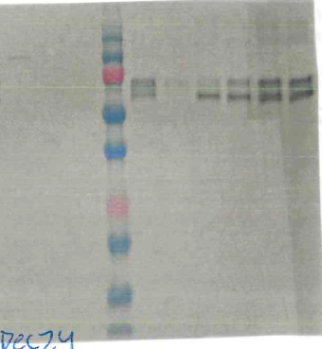
Fig.1b

