Source Data
Dear reader,
The following file contains the source data for all figures depicted in "Site-directed multivalent conjugation of antibodies to ubiquitinated payloads" by A.F. el Hebieshy et al. The source data is available per figure.
For any questions, please reach out to: f.a.scheeren@lumc.nl; m.verdoes1@lumc.nl; a.f.el_hebieshy@lumc.nl;
Kind regards,
The authors

Fig1
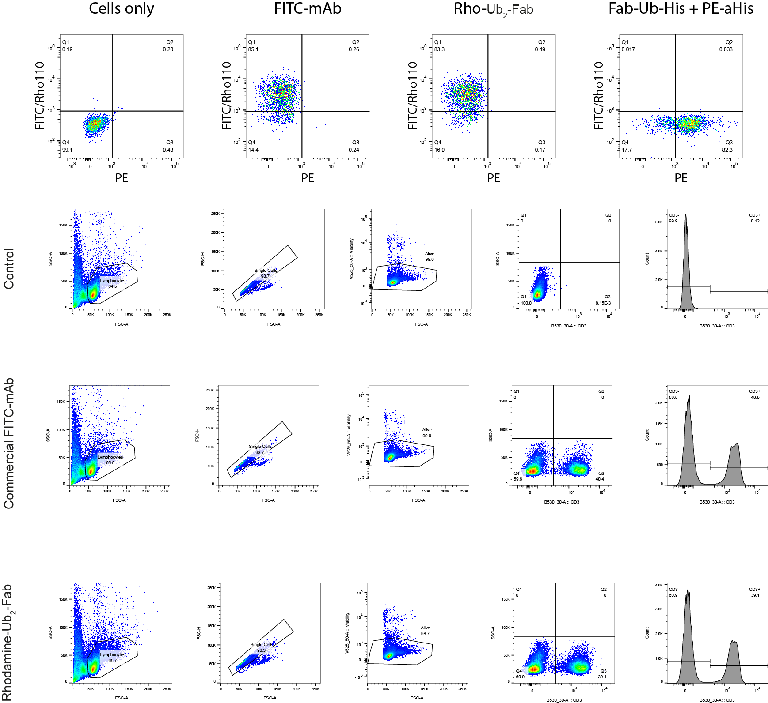

Full blots
