Suppl Table 5
Alu qPCR technical information + study details (Figure 1 and Extended Data Figure 2)

 | Sample collection
 | Limit of detection: MDA-MB-231 and OP-9 cells were grown in culture, counted using a hemocytometer and added to a 1.5mL centrifuge tube at a given density
 |  | Samples were then pelleted and flash frozen in LN2
 | Mouse studies: at 3 days or 7 weeks post-injection, mice were euthanized via CO2 overdose, PBS perfused and organs harvested.
 |  | Organs of interest were immediately flash frozen in LN2 and stored at -80C until ready to proceed.

 |  | Organs: brain, liver, lung, bone marrow, tibialis anterior, gastrocnemius, quadriceps

 | Homogenization (tissues)
 | Day 3 (Intracardiac) used an OMNI Bead Ruptor 24, with 2mL Tough Microtubes 2.8mm ceramic beads (19-628-3, OMNI)
 | Week 7 (Intracardiac) and the orthotopic study used Qiagen TissueRuptor with disposable probes

 | DNA isolation
 | Qiagen DNAeasy Blood and Tissue Kit (69504)

 | DNA shearing
 | Covaris S220 ultrasonicator with SonoLab7 software
 | Shearing program = 130ul at 500bp size (Alu sequences are only 300bp, B-actin are ~171bp)
 | Used microtube AFA Fiber Pre-Slit Snap-Cap 6x16mm (520045, Covaris )

 | DNA quantification
 | Nanodrop, ThermoScientific

 | PCR Reactions
 | Real-time PCR was performed using Taqman gene expression assays on a BioRad CFX96 C1000 Real Tme System.

 | Instrument | BioRad CFX96 / C1000 Thermal Cycler
 | Base Serial Number | CC004920
 | Optical Head Serial Number | 785BR2273
 | CFX Manager Version | 3.1.1517.0823.

 | Targets | Primer Info
 | Human AluYB8 | Based on the publication by Campbell et al.; please refer to this
 | Mouse beta-actin | Commercially available from Invitrogen

 | Taqman Gene Expression Master Mix (4369016) AppliedBioSystems by ThermoFisher Scientific

 | Cycling conditions

 | Step | Temperature (°C) | Duration | Cycles
 | UDG Incubation | 50 | 2 min | HOLD
 | AmpliTaq Gold, UP Enzyme Activation | 95 | 10 min | HOLD
 | Denature | 95 | 15 sec | 40
 | Anneal/Extend | 63 | 1 min
 | Final Extension | 63 | 3 min | HOLD
 | (End) | 10 | Forever | HOLD

 | Note: Annealing gradient determined that Alu primers were most effective at 63°C annealing/extension temperature.

Experiment : limit of detection test for AluYB8 qPCR method (Figure 1)

 | Primer Information

 | Human Alu intra-YB8
 | Primers and probe made by Invitrogen
 | Fw: YB8-ALU-S68; 5’ – GTC AGG AGA TCG AGA CCA TCCT
 | Rv: YB8-ALU-AS244; 5’-- AGT GGC GCA ATC TCG GC
 | Probe: YB8-ALU-167; 5’—6-FAM-AGC TAC TCG GGA GGC TGA GGC AGG A-TAMRA

 | Mouse beta-actin
 | Mm02619580_g1 FAM TaqMan Gene Expression Assay

 | Reaction Information

 | Alu reactions | Starting | Final | 20ul total per rxn
 | Master Mix | 2x | 1x | 10
 | Alu -Fw Primer | 100uM | 900nM | 0.18
 | Alu- Rv Primer | 100 uM | 900nM | 0.18
 | Alu - FAM Probe | 100 uM | 250nM | 0.05
 | DNA template | various | 100ng | (to make 100ng)
 | H2O | as needed |  | to 20ul

 | B-actin reactions | Starting | Final | 20ul total per rxn
 | Master Mix | 2x | 1x | 10
 | FAM Primer/Probe Mix | 20x | 1x | 1ul
 | DNA template | various | 100ng | (to make 100ng)
 | H2O | as needed |  | to 20ul

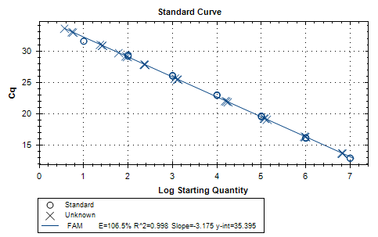
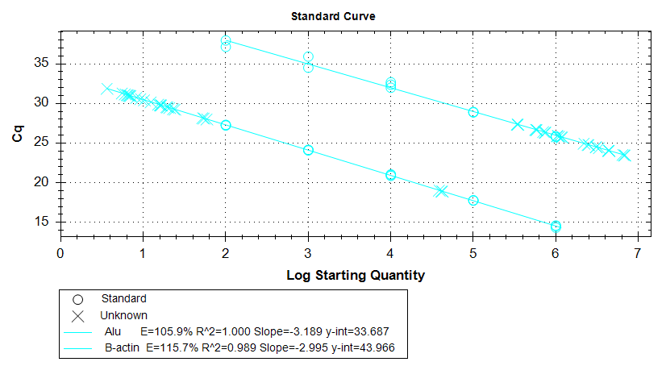
 | Cycling conditions

 | Step | Temperature (°C) | Duration | Cycles
 | UDG Incubation | 50 | 2 min | HOLD
 | AmpliTaq Gold, UP Enzyme Activation | 95 | 10 min | HOLD
 | Denature | 95 | 15 sec | 40
 | Anneal/Extend | 63 | 1 min
 | Final Extension | 63 | 3 min | HOLD
 | (End) | 10 | Forever | HOLD

 | Data analysis

 | 1. Export data via Excel sheet to transform data at your own computer.
 | 2. Save images of and/or record information from standard curve, most importantly: y-intercept and slope.
 | 3. Take average Cq of triplicates for Alu and B-actin.
 | 4. Calculate starting quantity (x) based off y-intercept and slope of standard curve.
 | x=(avgCq - yIntercept) / slope of standard curve
 | 5. Normalize x(Alu) by x(B-actin) to account for differences in starting quantity.

 |  | Alu detection sensitivity based on mean Cq
 |  | All values shown below came from reactions run in triplicate
 |  |  |  |  |  |  |  |  |  |  | Taqman YB8-Alu primers
 |  | Sample Name | MDAMB231 in OP-9 | 08.30.16 | 10.31.16 | 11.01.16 | 11.1116 | 11.15.16 | Average Mean |  | Red = mixed dilution samples (human in mouse)
 |  | Detect-0 | 0 in 1 | not included | 25.40 | 24.05 | 23.00 | 20.84 | 24.15 |  | Green = MDAMB231 human only standard curve
 |  | Detect-1 | 1 in 1 | 6.55 | 6.44 | 6.26 | 6.61 | 6.84 | 6.54 |  | Purple = OP9 only (mouse only control)
 |  | Detect-2 | 1 in 10 | 9.56 | 9.55 | 9.54 | 9.53 | 9.75 | 9.59 |  | Grey = No Template Control (no DNA, primer control
Log scale version
 |  | Detect-3 | 1 in 100 | 13.19 | 13.02 | 13.09 | 13.11 | 13.20 | 13.12
 |  | Detect-4 | 1 in 1,000 | 15.98 | 15.90 | 16.09 | 16.08 | 16.21 | 16.05
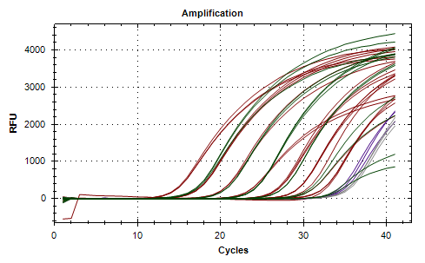
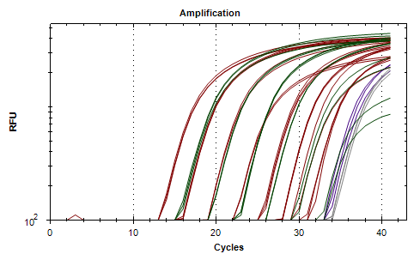
 |  | Detect-5 | 1 in 10,000 | 19.75 | 19.75 | 19.55 | 19.70 | 19.57 | 19.66
 |  | Detect-6 | 1 in 100,000 | 22.92 | 22.55 | 22.55 | 21.79 | 21.87 | 22.33
 |  | Detect-7 | 1 in 1,000,000 | 25.15 | 24.48 | 23.33 | 22.34 | 23.01 | 23.66
 |  | Detect-8 | 1 in 10,000,000 | not included | 25.10 | 24.87 | 22.63 | 22.33 | 23.73

 |  |  |  |  |  |  |  | red = outlier
 |  | Alu detection sensitivity based on Log (Starting Quantity)

 |  | Sample Name | MDAMB231 in OP-9 | 08.30.16 | 10.31.16 | 11.01.16 | 11.1116 | 11.15.16 | Average SQ
 |  | Detect-0 | 0 in 1 | not included | 0.90 | 1.65 | 0.74 | 2.03 | 0.82
 |  | Detect-1 | 1 in 1 | 6.17 | 6.08 | 6.36 | 6.74 | 6.43 | 6.36
 |  | Detect-2 | 1 in 10 | 5.33 | 5.23 | 5.37 | 5.67 | 5.52 | 5.42
 |  | Detect-3 | 1 in 100 | 4.32 | 4.28 | 4.29 | 4.36 | 4.43 | 4.34
 |  | Detect-4 | 1 in 1,000 | 3.54 | 3.49 | 3.39 | 3.27 | 3.49 | 3.44
 |  | Detect-5 | 1 in 10,000 | 2.49 | 2.44 | 2.34 | 1.95 | 2.43 | 2.33
 |  | Detect-6 | 1 in 100,000 | 1.61 | 1.68 | 1.44 | 1.19 | 1.71 | 1.52
 |  | Detect-7 | 1 in 1,000,000 | 0.98 | 1.15 | 1.20 | 0.98 | 1.35 | 1.13
 |  | Detect-8 | 1 in 10,000,000 | not included | 0.98 | 0.73 | 0.88 | 1.56 | 1.04

Experiment: Alu qPCR of NSG organs after intracardiac injection of MDA-MB-231-ffluc-eGFP cells (Extended Data Figure 2)

 | Day 3 study |  |  |  |  |  | Week 7 study
 | Primer Information |  |  |  |  |  | Primer Information

 | Human Alu intra-YB8 |  |  |  |  |  | Human Alu intra-YB8
 | Primers and probe made by Invitrogen |  |  |  |  |  | Primers and probe made by Invitrogen
 | Fw: YB8-ALU-S68; 5’ – GTC AGG AGA TCG AGA CCA TCCT |  |  |  |  |  | Fw: YB8-ALU-S68; 5’ – GTC AGG AGA TCG AGA CCA TCCT
 | Rv: YB8-ALU-AS244; 5’-- AGT GGC GCA ATC TCG GC |  |  |  |  |  | Rv: YB8-ALU-AS244; 5’-- AGT GGC GCA ATC TCG GC
 | Probe: YB8-ALU-167; 5’—6-FAM-AGC TAC TCG GGA GGC TGA GGC AGG A-TAMRA |  |  |  |  |  | Probe: YB8-ALU-167; 5’—6-FAM-AGC TAC TCG GGA GGC TGA GGC AGG A-TAMRA

 | Mouse beta-actin |  |  |  |  |  | Mouse beta-actin
 | Mm02619580_g1 VIC TaqMan Gene Expression Assy |  |  |  |  |  | Mm02619580_g1 FAM TaqMan Gene Expression Assay

 | Reaction Information |  |  |  |  |  | Reaction Information

 | Reagent | Starting | Final | 20ul total per rxn |  |  | Alu reactions | Starting | Final | 20ul total per rxn
 | Master Mix | 2x | 1x | 10 |  |  | Master Mix | 2x | 1x | 10
 | Alu -Fw Primer | 100uM | 900nM | 0.18 |  |  | Alu -Fw Primer | 100uM | 900nM | 0.18
 | Alu- Rv Primer | 100 uM | 900nM | 0.18 |  |  | Alu- Rv Primer | 100 uM | 900nM | 0.18
 | Alu - FAM Probe | 100 uM | 250nM | 0.05 |  |  | Alu - FAM Probe | 100 uM | 250nM | 0.05
 | B-actin - VIC Primer/Probe Mix | 6x | 1x | 0.3 |  |  | DNA template | various | 100ng | (to make 100ng)
 | DNA template | various | 100ng | (to make 100ng) |  |  | H2O | as needed |  | to 20ul
 | H2O | as needed |  | to 20ul
 |  |  |  |  |  |  | B-actin reactions | Starting | Final | 20ul total per rxn
 |  |  |  |  |  |  | Master Mix | 2x | 1x | 10
 |  |  |  |  |  |  | FAM Primer/Probe Mix | 20x | 1x | 1ul
 |  |  |  |  |  |  | DNA template | various | 100ng | (to make 100ng)
 |  |  |  |  |  |  | H2O | as needed |  | to 20ul

 | Cycling conditions |  |  |  |  |  | Cycling conditions

 | Step | Temperature (°C) | Duration | Cycles |  |  | Step | Temperature (°C) | Duration | Cycles
 | UDG Incubation | 50 | 2 min | HOLD |  |  | UDG Incubation | 50 | 2 min | HOLD
 | AmpliTaq Gold, UP Enzyme Activation | 95 | 10 min | HOLD |  |  | AmpliTaq Gold, UP Enzyme Activation | 95 | 10 min | HOLD
 | Denature | 95 | 15 sec | 40 |  |  | Denature | 95 | 15 sec | 40
 | Anneal/Extend | 63 | 1 min |  |  |  | Anneal/Extend | 63 | 1 min
 | Final Extension | 63 | 3 min | HOLD |  |  | Final Extension | 63 | 3 min | HOLD
 | (End) | 10 | Forever | HOLD |  |  | (End) | 10 | Forever | HOLD

 | Note: Annealing gradient determined that Alu primers were most effective at 63°C annealing/extension temperature.

 | Data analysis |  |  |  |  |  | Data analysis

 | 1. Export data via Excel sheet to transform data at your own computer. |  |  |  |  |  | 1. Export data via Excel sheet to transform data at your own computer.
 | 2. Save images of and/or record information from standard curve, most importantly: y-intercept and slope. |  |  |  |  |  | 2. Save images of and/or record information from standard curve, most importantly: y-intercept and slope.
 | 3. Take average Cq of triplicates for Alu and B-actin. |  |  |  |  |  | 3. Take average Cq of triplicates for Alu and B-actin.
 | 4. Calculate starting quantity (x) based off y-intercept and slope of standard curve. |  |  |  |  |  | 4. Calculate starting quantity (x) based off y-intercept and slope of standard curve.
 | x=(avgCq - yIntercept) / slope of standard curve |  |  |  |  |  | x=(avgCq - yIntercept) / slope of standard curve
 | 5. Normalize x(Alu) by x(B-actin) to account for differences in starting quantity. |  |  |  |  |  | 5. Normalize x(Alu) by x(B-actin) to account for differences in starting quantity.
 | 6. Compare experimental values to control values. (Exp/Ctl) |  |  |  |  |  | 6. Compare experimental values to control values. (Exp/Ctl) This will give you relative abundance compared to control tissues.
 | This will give you relative abundance compared to control tissues.
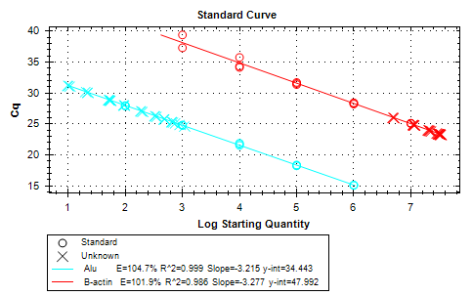
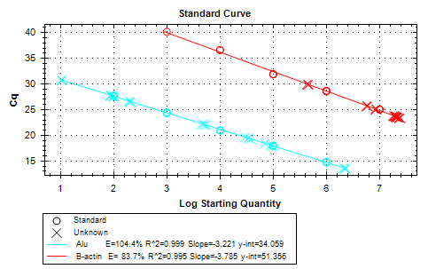
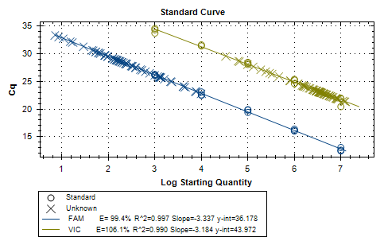

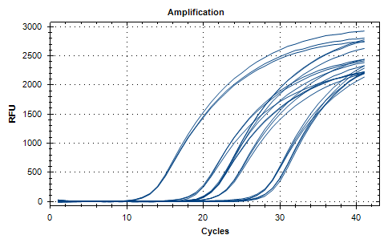
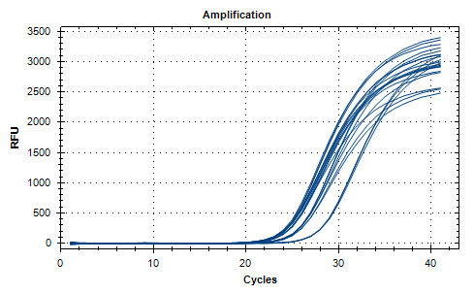

 |  |  |  |  |  |  | ^Alu amplification |  |  |  | ^ B-actin amplification

Experiment: Alu qPCR of NSG organs after orthotopic injection of MDA-MB-231-ffluc-eGFP cells (Figure 1)

 | Primer Information

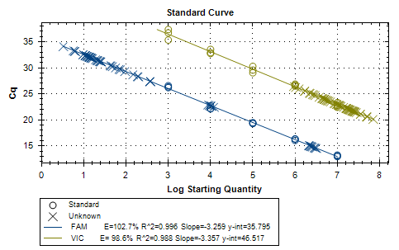
 | Human Alu intra-YB8
 | Primers and probe made by Invitrogen
 | Fw: YB8-ALU-S68; 5’ – GTC AGG AGA TCG AGA CCA TCCT
 | Rv: YB8-ALU-AS244; 5’-- AGT GGC GCA ATC TCG GC
 | Probe: YB8-ALU-167; 5’—6-FAM-AGC TAC TCG GGA GGC TGA GGC AGG A-TAMRA

 | Mouse beta-actin
 | Mm02619580_g1 VIC TaqMan Gene Expression Assy

 | Reaction Information

 | Reagent | Starting | Final | 20ul total per rxn
 | Master Mix | 2x | 1x | 10
 | Alu -Fw Primer | 100uM | 900nM | 0.18
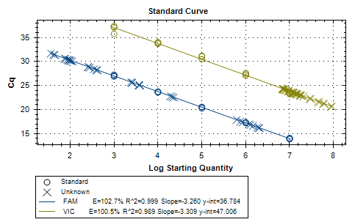
 | Alu- Rv Primer | 100 uM | 900nM | 0.18
 | Alu - FAM Probe | 100 uM | 250nM | 0.05
 | B-actin - VIC Primer/Probe Mix | 6x | 1x | 0.3
 | DNA template | various | 100ng | (to make 100ng)
 | H2O | as needed |  | to 20ul

 | Cycling conditions

 | Step | Temperature (°C) | Duration | Cycles
 | UDG Incubation | 50 | 2 min | HOLD
 | AmpliTaq Gold, UP Enzyme Activation | 95 | 10 min | HOLD
 | Denature | 95 | 15 sec | 40
 | Anneal/Extend | 63 | 1 min
 | Final Extension | 63 | 3 min | HOLD
 | (End) | 10 | Forever | HOLD

 | Note: Annealing gradient determined that Alu primers were most effective at 63°C annealing/extension temperature.

 | Data analysis

 | 1. Export data via Excel sheet to transform data at your own computer.
 | 2. Save images of and/or record information from standard curve, most importantly: y-intercept and slope.
 | 3. Take average Cq of triplicates for Alu and B-actin.
 | 4. Calculate starting quantity (x) based off y-intercept and slope of standard curve.
 | x=(avgCq - yIntercept) / slope of standard curve
 | 5. Normalize x(Alu) by x(B-actin) to account for differences in starting quantity.
 | 6. Compare experimental values to control values. (Exp/Ctl)
 | This will give you relative abundance compared to control tissues.

 |  | Run #1 |  |  |  |  |  |  | Run #2
 |  |  | Alu | B-actin | xAlu | xBactin | xAlu/xBactin |  |  | Alu | B-actin | xAlu | xBactin | xAlu/xBactin
 |  | Control 1 - Lung | 30.89 | 21.96 | 1.51 | 7.32 | 0.21 |  | Control 1 - Lung | 31.60 | 23.17 | 1.01 | 7.33 | 0.14
 |  | Control 1 - TA | 31.38 | 22.82 | 1.35 | 7.06 | 0.19 |  | Control 1 - TA | 31.46 | 24.01 | 1.05 | 7.08 | 0.15
 |  | Control 1 - Quad | 32.09 | 23.65 | 1.14 | 6.81 | 0.17 |  | Control 1 - Quad | 32.41 | 25.20 | 0.76 | 6.73 | 0.11
 |  | Control 1 - Gatroc | 31.54 | 23.99 | 1.31 | 6.71 | 0.19 |  | Control 1 - Gatroc | 31.57 | 25.32 | 1.01 | 6.69 | 0.15
 |  | Control 2 - Lung | 32.44 | 21.57 | 1.03 | 7.44 | 0.14 |  | Control 2 - Lung | 32.76 | 22.80 | 0.66 | 7.45 | 0.09
 |  | Control 2 - TA | 32.81 | 26.27 | 0.92 | 6.04 | 0.15 |  | Control 2 - TA | 31.57 | 24.94 | 1.01 | 6.80 | 0.15
 |  | Control 2 - Quad | 33.55 | 23.91 | 0.69 | 6.74 | 0.10 |  | Control 2 - Quad | 32.98 | 25.37 | 0.60 | 6.68 | 0.09
 |  | Control 2 - Gatroc | 30.39 | 23.77 | 1.66 | 6.78 | 0.24 |  | Control 2 - Gatroc | 30.54 | 24.73 | 1.32 | 6.87 | 0.19
 |  | Control 3 - Lung | 32.19 | 21.79 | 1.11 | 7.37 | 0.15 |  | Control 3 - Lung | 32.78 | 23.21 | 0.66 | 7.32 | 0.09
 |  | Control 3 - TA | 31.61 | 25.58 | 1.28 | 6.24 | 0.21 |  | Control 3 - TA | 31.18 | 26.45 | 1.13 | 6.35 | 0.18
 |  | Control 3 - Quad | 31.83 | 25.08 | 1.22 | 6.39 | 0.19 |  | Control 3 - Quad | 31.88 | 26.22 | 0.92 | 6.42 | 0.14
 |  | Control 3 - Gatroc | 32.62 | 24.53 | 0.97 | 6.55 | 0.15 |  | Control 3 - Gatroc | 32.27 | 25.90 | 0.81 | 6.52 | 0.12
 |  | 8166 - Lung | 14.67 | 21.81 | 6.48 | 7.36 | 0.88 |  | 8166 - Lung | 15.52 | 22.33 | 5.75 | 7.59 | 0.76
 |  | 8166 - TA | 22.52 | 22.27 | 4.07 | 7.22 | 0.56 |  | 8166 - TA | 25.72 | 23.29 | 2.74 | 7.30 | 0.38
 |  | 8166 - Quad | 22.71 | 22.09 | 4.01 | 7.28 | 0.55 |  | 8166 - Quad | 22.65 | 22.91 | 3.65 | 7.41 | 0.49
 |  | 8166 - Gatroc | 27.41 | 23.11 | 2.57 | 6.98 | 0.37 |  | 8166 - Gatroc | 27.22 | 23.66 | 2.30 | 7.19 | 0.32
 |  | 8167 - Lung | 15.09 | 21.19 | 6.35 | 7.55 | 0.84 |  | 8167 - Lung | 15.36 | 22.45 | 5.80 | 7.55 | 0.77
 |  | 8167 - TA | 28.47 | 22.19 | 2.25 | 7.25 | 0.31 |  | 8167 - TA | 28.31 | 23.26 | 1.98 | 7.31 | 0.27
 |  | 8167 - Quad | 14.98 | 20.65 | 6.39 | 7.71 | 0.83 |  | 8167 - Quad | 15.05 | 21.26 | 5.89 | 7.91 | 0.74
 |  | 8167 - Gatroc | - | -

