Graphs 1
Capacity factor impact on fixed costs

$/MWh | ERCOT direct-access customer |  |  |  |  |  | Illustrative CAISO scenario
 | 10% | 20% | 30% | 40% | 50% | 60% | 10% | 20% | 30% | 40% | 50% | 60%
Infrastructure | $0.149 | $0.074 | $0.050 | $0.037 | $0.030 | $0.025 | $0.149 | $0.074 | $0.050 | $0.037 | $0.030 | $0.025
Generation | $0.027 | $0.027 | $0.026 | $0.026 | $0.026 | $0.026 | $0.033 | $0.033 | $0.033 | $0.033 | $0.033 | $0.033
T&D | $0.000 | $0.000 | $0.000 | $0.000 | $0.000 | $0.000 | $0.001 | $0.001 | $0.001 | $0.001 | $0.001 | $0.001
Demand charge | $0.002 | $0.001 | $0.000 | $0.000 | $0.000 | $0.000 | $0.002 | $0.001 | $0.000 | $0.000 | $0.000 | $0.000
Total | $0.177 | $0.102 | $0.076 | $0.064 | $0.057 | $0.051 | $0.185 | $0.110 | $0.084 | $0.072 | $0.064 | $0.059

 |  |  | $0.050

 | Infrastructure | Generation | T&D | Demand charge | Total
10% | $0.149 | $0.027 | $0.000 | $0.002 | $0.177
20% | $0.074 | $0.027 | $0.000 | $0.001 | $0.102
30% | $0.050 | $0.026 | $0.000 | $0.000 | $0.076
40% | $0.037 | $0.026 | $0.000 | $0.000 | $0.064
50% | $0.030 | $0.026 | $0.000 | $0.000 | $0.057
60% | $0.025 | $0.026 | $0.000 | $0.000 | $0.051
10% | $0.149 | $0.033 | $0.001 | $0.002 | $0.185
20% | $0.074 | $0.033 | $0.001 | $0.001 | $0.110
30% | $0.050 | $0.033 | $0.001 | $0.000 | $0.084
40% | $0.037 | $0.033 | $0.001 | $0.000 | $0.072
50% | $0.030 | $0.033 | $0.001 | $0.000 | $0.064
60% | $0.025 | $0.033 | $0.001 | $0.000 | $0.059

(a)
(b)

EVSE - Grid-tied storage
Extracted values using WebPlotDigitizer
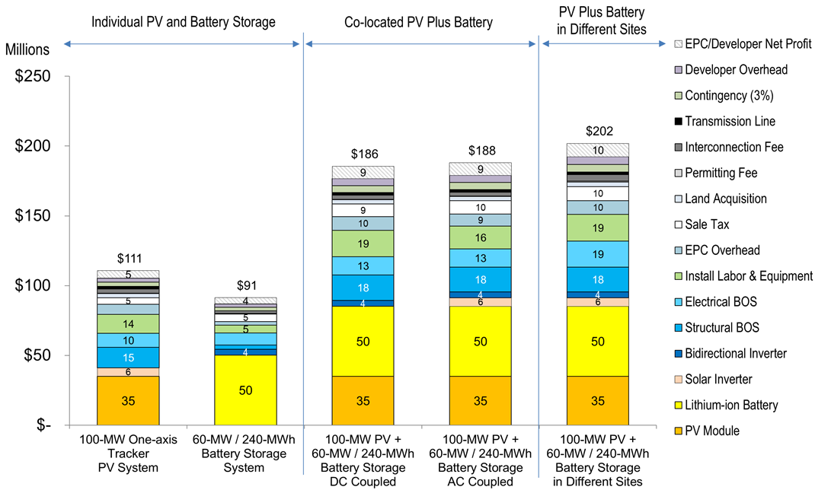
Cost component | Million $ for 60-MW/240-MWh Battery Storage System component cost | $/kW | $/kWh
Lithium-ion battery | 50.6 | 843.1 | 210.8
Bidirectional inverter | 3.5 | 58.8 | 14.7
Structural BOS | 3.5 | 58.8 | 14.7
Electrical BOS | 8.8 | 147.1 | 36.8
Install labor & equipment | 5.3 | 88.2 | 22.1
EPC overhead | 2.9 | 49.0 | 12.3
Sales tax | 5.9 | 98.0 | 24.5
Interconnection fee | 1.8 | 29.4 | 7.4
Contingency | 2.9 | 49.0 | 12.3
Developer overhead | 1.8 | 29.4 | 7.4
EPC/developer net profit | 4.7 | 78.4 | 19.6

Apparently omitted costs: transmission line, land acquisition, permitting fee

Installation
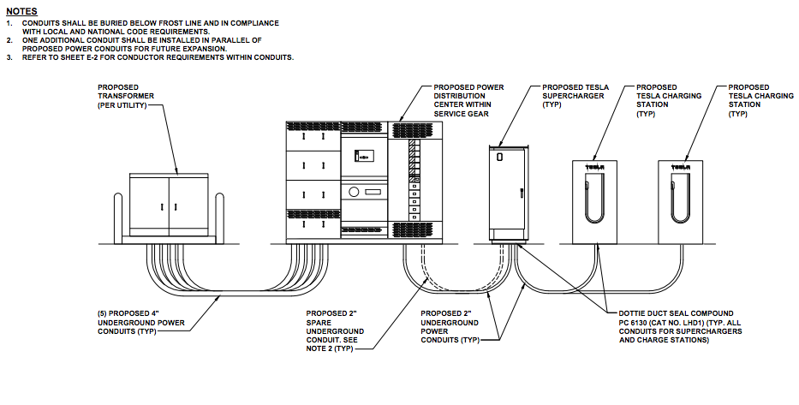
Notes on what comprises non-electrical installation costs:
From INL:
Materials: Standard installation materials, which would be in nearly every installation, but whose quantities may vary. Examples of standard installation materials include conduit, conductors, emergency shut-off switch, circuit breaker, fasteners, etc.
Materials: Installation surface replacement materials, which would depend entirely on where the DCFC was sited relative to the power source and work needed to restore the surface(s) impacted by installation of the unit and its associated electrical wiring (e.g. concrete, asphalt, gravel, etc.).
Materials: New electrical service materials, which include switch gear with meter section, conduit, and wire.
Administration: v=Administrative costs that were specifically associated with total DCFC installation costs include permit application processing, permit fees, engineering drawings, and, where required by the permitting authority, load studies. Just as the materials were affected by the specific installation site, so too were administration costs.
Ground surface materials: It is self-evident that the DCFC site surface impacted by installation of conduit, concrete mounting pads, parking spaces, striping, etc. would vary depending on the surface the DCFC was installed on. Installation of underground electrical conduit was done either by trenching or boring (Figure 5). The basis for this decision depended on the site owners’ preference regarding the appearance of after work restoration. The decision was also impacted by underground (e.g. water, gas, or electrical services) or aboveground (e.g., planters) features that may have made trenching impractical and the length of the underground passage.
Electrical service upgrades: Many of the DCFC installations required new electrical service to be added to the host’s site. The cost of these installations was significantly higher than those that did not require new service. The total cost increased due to the fees charged by the local electric utility to extend the service from the grid to the host site and the additional electrical switch gear and new meter required to manage this new electrical service. Electrical service extension costs also varied depending on the electric utility’s policies for aboveground or underground service. Overhead service is typically less expensive and quicker than trenching for an underground service extension. Electrical service extension costs for the EV Project’s DCFCs varied from $3,500 to $9,500.

From energy.gov, summarized by me
Site evaluaton & engineering drawings
Installation of EVSE equipment, including standard installation materials (conduit, conductors, switches, circuit breaker, fastener, etc)
Trenching and repairing surface material to install conduits (including restriping parking spaces) -- OR pouring concrete site pad from scratch
Permitting fees, sales tax

Land cost research I:
From search on interstatefrontage.com on 8/30/18; acreage and price of commercial land w/o obvious development from first 5 result pages, sorted by smallest
https://www.interstatefrontage.com/search.php?usstate=TX&tofind=&detail=&highway=&interstate=&city=&state=&zip=&sortby=smallest-acreage&webpage=2

Acreage | Price | Location | ZIP |  | Price/acre
1.4 | $300,000 | Fort Worth | 76105 |  | $214,286
3.42 | 1,290,000 | Houston | 77039 |  | $377,193
6.65 | $2,400,000 | Cedar Hill | 75104 |  | $360,902
8.3 | $249,000 | Seguin |  |  | $30,000
8.58 | $2,989,952 | Wylie | 750982 |  | $348,479
30 | $450,000 | Jarrell | 76537 |  | $15,000
 |  |  |  |  | $224,310

Land cost research II:
From http://www.loopnet.com/truck-stops-for-sale/, 9/26/18, sorted from newest to oldest listing. Pulled all listings and searched for any in CA or TX that list highway, freeway, hwy, fwy, interstate, or I- in description and were listed as truck stop, service station, convenience, or auto repair (i.e., retail-oriented, not warehouses)
Acreage | Price | Location | Price/acre
13.23 | 2400000 | Robstown, Texas | $181,406
0.88 | 1800000 | Henderson, Texas | $2,045,455
1 | 275000 | Bronson, Texas | $275,000
4 | 1900000 | George West, Texas | $475,000
20.84 | 1450000 | Amarillo, Texas | $69,578
 |  | Texas average | $609,288

2.5 | 425000 | Corning, California | $170,000
3.5 | 1500000 | Le Grand, California | $428,571
0.9 | 3000000 | Delano, California | $3,333,333
0.88 | 2000000 | Newberry Springs, California | $2,272,727
 |  | California average | $1,551,158

Land cost research III (new website from DR):
Acres | Price | Location | Price/acre | Source | Notes
182.72 | 4500000 | Bakersfield off I-5 | $24,628 | https://www.landsofamerica.com/property/182.72-acres-in-Kern-County-California/5490783/ | Advertised as being good for truck stop
10 | 239000 | Emigrant Gap off I-80 | $23,900 | https://www.landsofamerica.com/property/10-acres-in-Placer-County-California/3825157/ | May be mislabeled; zoned for forestry. Highway-adjacent

 | https://www.greencarreports.com/news/1093947_what-it-takes-to-build-a-tesla-supercharger-dc-fast-charging-site

