Figure 1a, b
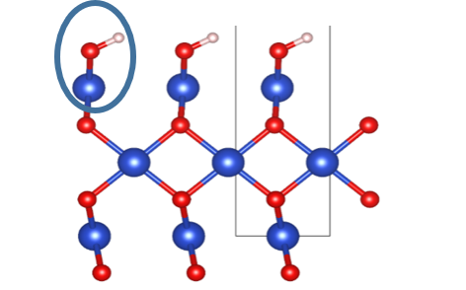 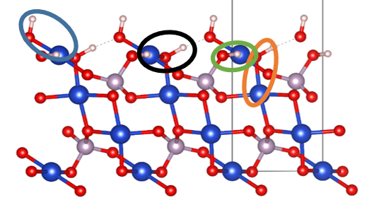

Figure 1c
 | ∆G | ∆G (Sucrose) | ∆G (HFumarate) | ∆G (Proline) | Relative ∆G (MHRW) | ∆G (Fumarate)
CuO | 4.166956 | -1.06 | -1.91 | -3.96 | -0.73 | -1.57
Cu3(PO4)2-1 | 3.036956 | -2.19 | -3.04 | -5.09 | -1.86 | -2.7
Cu3(PO4)2-2 | 3.836956 | -1.39 | -2.24 | -4.29 | -1.06 | -1.9
Cu3(PO4)2-3 | 4.226956 | -1 | -1.85 | -3.9 | -0.67 | -1.51
Cu3(PO4)2-4 | 4.896956 | -0.33 | -1.18 | -3.23 | 0 | -0.84

 | ∆G | ∆G (Sucrose) | ∆G (Fumarate) | ∆G (HFumarate) | ∆G (Proline)
CuO | -0.73 | -1.06 | -1.57 | -1.91 | -3.96
Cu3(PO4)2-1 | -1.86 | -2.19 | -2.7 | -3.04 | -5.09
Cu3(PO4)2-2 | -1.06 | -1.39 | -1.9 | -2.24 | -4.29
Cu3(PO4)2-3 | -0.67 | -1 | -1.51 | -1.85 | -3.9
Cu3(PO4)2-4 | 0 | -0.33 | -0.84 | -1.18 | -3.23
 |  |  | ∆G2
 |  |  | 0.766956

