Table 5 NanoRod-Plate 1
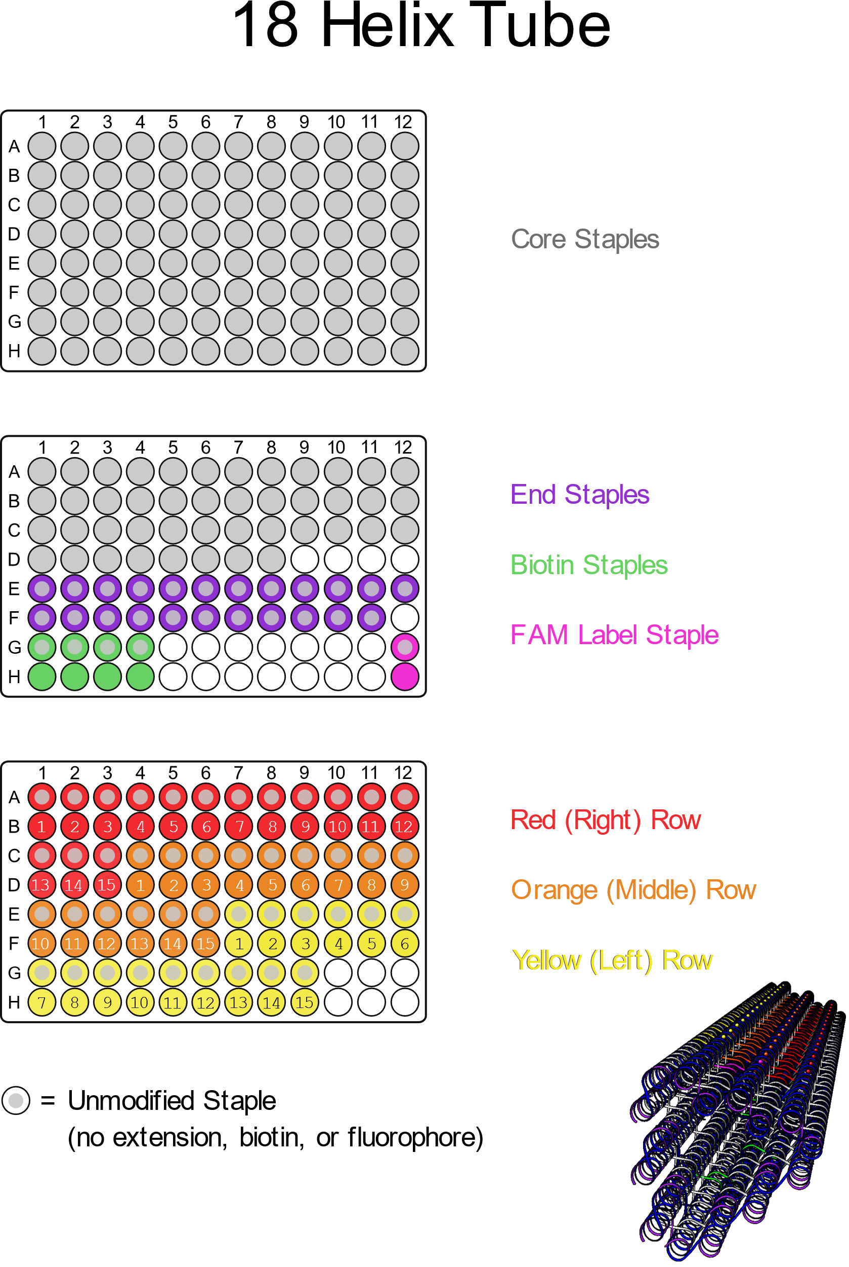
SUPPLEMENTARY TABLE 5

Well Position | Name | Sequence | NR | NR-1 | NR-2 | NR-4 | NR-7 | NR-15
A1 | Core 0[51], 14[42] | AAGACACCGCCTAACTGGCGCGGTAAGCCAACAGAGAT
A2 | Core 0[93], 14[94] | GGAGAAAAATAACAGTACTTGAAACAAG
A3 | Core 0[114], 17[104] | GGTTGCTGAATGAATTACCTTTTTTAATGGACTAAAGC
A4 | Core 0[135], 14[136] | CAACCCTCAAATTACATGTCAATAAGAA
A5 | Core 0[156], 17[146] | TCGGTTGGCAAACATCAAGAAAACAAAATTATCAATAT
A6 | Core 0[177], 14[178] | TGTAGGAATTGCAAAAGCTTTTTATAGA
A7 | Core 0[198], 17[188] | TGCAAAATATTTATTCATTTCAATTACCTGAGAGGAAG
A8 | Core 0[219], 14[220] | AGCACAACTAACAAAATAAATGCTCTGA
A9 | Core 0[240], 17[230] | GCCTCAATAGGATTGCTTTGAATACCAAGTTATAGATT
A10 | Core 0[261], 14[262] | AACGATTTAGGAAACAAAAACTTTAGCT
A11 | Core 0[282], 17[272] | CTTACAAACAACAGTACCTTTTACATCGGGAAAGTATT
A12 | Core 0[303], 14[304] | TTGATTAAATACGTCAGTAAATTTTAAA
B1 | Core 0[324], 17[314] | CGGTTATTAATTGCGTAGATTTTCAGGTTTACCTTTGC
B2 | Core 0[345], 14[346] | ATTGTAACATCGTAAAACGTTAAATTTC
B3 | Core 0[366], 17[356] | GAAACAAAGAACCATATCAAAATTATTTGCATATCATT
B4 | Core 0[387], 14[388] | CACGCGGAATATAATGGAGCCTGTGCCA
B5 | Core 0[408], 17[398] | TCATGATTATTTGTTTGGATTATACTTCTGATATCATC
B6 | Core 0[419], 3[412] | AGTGAGCCATACGAAACCGTGCATCTGCAATGGGA
B7 | Core 1[73], 17[58] | TCAATTAAAGACGCTGAGTGTGAGTGAATAACCTTGCTTCTG
B8 | Core 2[34], 4[35] | CCGATTTGAGAAAGGAAGGGAGCGCGTA
B9 | Core 2[55], 2[56] | TCGGAACGAAAGGAGCGGGCGCTAGGAATGTAAAGCACTAAA
B10 | Core 3[413], 6[413] | TAGGTCAAGGTGGCATCAATTCTGTTTAGCTATATACGAACT
B11 | Core 4[34], 7[34] | ACCACCAGCGTACTATGGTTGAAACAGGAGGCCGAGAATCCT
B12 | Core 4[55], 4[56] | GTAGCGGGAGCACGTATAACGTGCTTTCACGCGCTGGCAAGT
C1 | Core 4[76], 6[77] | GAGATCTAGAAGCAAAGCGGAACCCTGA
C2 | Core 4[107], 0[115] | AATACAAGAGGTGGTTGCCCGCTTCTAATCTATAG
C3 | Core 4[149], 0[157] | TCAATCATATGCCAAGCGATACCGACAGTGCGAAA
C4 | Core 4[191], 0[199] | GTGAGGAAGACCAGGGTGTGGGCACGAATATGGTT
C5 | Core 4[233], 0[241] | TTTATTTTGTGCGAAAGACATAAATCATTTCCACC
C6 | Core 4[275], 0[283] | CTTTTTTTTAGAAGGGCATGAGTAAACAGGGTTTT
C7 | Core 4[317], 0[325] | AAGGGCCTTCCAGGCAAATAAAGACGGAGGACGCG
C8 | Core 4[359], 0[367] | GCAAGTAACACACTCCATCATGGTCATAGCTTCGG
C9 | Core 4[401], 0[409] | TAATGACCGTCAGTTTGACAATTCCACACAATAAC
C10 | Core 5[46], 0[52] | GACTCACGCTAGAAAGCCCTAAAGTCAAGTTTTTTGGGGTCA
C11 | Core 5[88], 0[94] | ATCGTAGCTATTGCCTGCGACTTAACAATGTCCCGCCAGTTT
C12 | Core 5[130], 0[136] | CGTTGATATTAATCGTACCAGGGTCTCGCCCTGGAGTGAAAT
D1 | Core 5[172], 0[178] | CTCAAAGGGTAATCAGACGTTGTACCATCTGTAAGCAAATCC
D2 | Core 5[214], 0[220] | TTGATTTTAAATTTAAAAGGCGATTTGAATCGGCTGACTTGC
D3 | Core 5[256], 0[262] | CTGTTTATTTAATTTTTTCTTCGCTCTGACCTCCTGGTGGGC
D4 | Core 5[298], 0[304] | TAACCAAAAACATCAAATTCAGGCTACGTGGTGCTTGTCGTA
D5 | Core 5[340], 0[346] | TTCTTAAGCACATCAACACCGCTTGTACCGAGCTCGAACTGC
D6 | Core 5[382], 0[388] | TACACATCCACCGTGGGGTATCGGGTGTGAAATTGTTACGCT
D7 | Core 6[55], 6[56] | TCAGAGCTAATCAGTGAGGGCCTGATAAAGTCCTCGTTAGAA
D8 | Core 6[76], 9[69] | CTATTATATTGTGTGGAGATTTGTATCATAGTACC
D9 | Core 6[97], 9[90] | AAAATCATGCTCCAAAGCGCGAAACAAACGCCACC
D10 | Core 6[118], 9[111] | AACGAGAAACGAGGTTGACCCCCAGCGACCTCAGA
D11 | Core 6[139], 9[132] | AATGCTTCATAAGGAATACACTAAAACATTTCAGG
D12 | Core 6[160], 9[153] | ATATTCAAACTTTGCTAAAACGAAAGAGTAGGAAC
E1 | Core 6[181], 9[174] | AATACTGAACGGTGTGCCACTACGAAGGACTGAGT
E2 | Core 6[202], 9[195] | TGTTTAGATAGGCTTTAAACGGGTAAAAAAACTAC
E3 | Core 6[223], 9[216] | CCAGAGGAAGAGTATTTTTCATGAGGAATCCACAG
E4 | Core 6[244], 9[237] | GCTTTTGCGGATATGAGGCTTTGAGGACTAGCGTA
E5 | Core 6[265], 9[258] | TAAAAACAACGTAAACGAGGGTAGCAACTGTCGTC
E6 | Core 6[286], 9[279] | CCCTCGTCAGTGAAGCAGCGAAAGACAGTAAATGA
E7 | Core 6[307], 9[300] | GTAAGAGACGAGAATTTGCGGGATCGTCATTTTGC
E8 | Core 6[328], 9[321] | CAAAAGGAGTAAATTGCAGGGAGTTAAACAGTTTC
E9 | Core 6[349], 9[342] | ACTAATGTTTAATTATATATTCGGTCGCAGAAAGG
E10 | Core 6[370], 9[363] | GATTTAGTGTGAATACCATCGCCCACGCTTGCGAA
E11 | Core 6[391], 9[384] | GTAGAAATTAAGAAGTTGCGCCGACAATCGTTGAA
E12 | Core 6[412], 9[405] | AACGGAACAGTCAGTTAAACAGCTTGATAGGCTCC
F1 | Core 9[49], 9[48] | GCCTGAGTAGAATTTCCCACCGAGTAAAAGAGTCTATCACTT
F2 | Core 9[70], 12[70] | GCCACCCCACCGTACTCAGGATTAAAGGTGAATTAATTGACG
F3 | Core 9[91], 11[90] | CTCAGAATATAGCCCGGAATACACCGAC
F4 | Core 9[102], 4[108] | CACTTATACCTGTTACTTAGCCGGATGACCAGAAGCCCGATA
F5 | Core 9[112], 12[112] | GCCACCACGTCGAGAGGGTTGAATTAGAGCCAGCACAAAAGG
F6 | Core 9[133], 11[132] | GATAGCACAGTACCAGGCGGACAGTAGC
F7 | Core 9[144], 4[150] | CAAGCAAAAGGAACCGAACTGACCTTGAATCCAAAGCGACAG
F8 | Core 9[154], 12[154] | CCATGTATAGGATTAGCGGGGCAAGGCCGGAAACGCACAATC
F9 | Core 9[175], 11[174] | TTCGTCAGAGACTCCTCAAGATGAAACC
F10 | Core 9[186], 4[192] | TACTACGTAATACAGACCAGGCGCACTGGATTAGAGAGTAAT
F11 | Core 9[196], 12[196] | AACGCCTACATGAAAGTATTACGTAATCAGTAGCGATAAAAG
F12 | Core 9[217], 11[216] | ACAGCCCTTCGGAACCTATTACAAGTTT
G1 | Core 9[228], 4[234] | AGTTAAAGACATCTTGACAAGAACCAAAAGATTGCGGAAAAT
G2 | Core 9[238], 12[238] | ACGATCTCAGTTAATGCCCCCACTGTAGCGCGTTTTGTTAGC
G3 | Core 9[259], 11[258] | TTTCCAGGAGTAACAGTGCCCCATTTTC
G4 | Core 9[270], 4[276] | TAGCATCGGACAAAGCTGCTCATTTTACCAGGCTCAACAATA
G5 | Core 9[280], 12[280] | ATTTTCTTTTTAACGGGGTCATATTAGCGTTTGCCCCCAAAA
G6 | Core 9[301], 11[300] | TAAACAACAGGAGTGTACTGGCATAATC
G7 | Core 9[312], 4[318] | CAAGGCCGCTACACCAGAACGAGTAATTACGAAGTTTCCATA
G8 | Core 9[322], 12[322] | AGCGGAGCATACATGGCTTTTCAGAGCCACCACCGGTTACCA
G9 | Core 9[343], 11[342] | AACAACTATTTACCGTTCCAGCTCCCTC
G10 | Core 9[354], 4[360] | GAAATAACCGTCAACTTTAATCATGAATACCGAGTAGACAAG
G11 | Core 9[364], 12[364] | TAATAATAATGGAAAGCGCAGCAGAACCGCCACCCCCGAAGC
G12 | Core 9[385], 11[384] | AATCTCCATAAATCCTCATTACACCACC
H1 | Core 9[396], 4[402] | AAAACCGATACTGGCTCATTATACCAACATTCAATAACCTAC
H2 | Core 9[406], 12[406] | AAAAGGAGGCCTTGATATTCACAGAACCACCACCAATAATAA
H3 | Core 10[37], 5[45] | GGTTAATAACGTCCATCGAGAAGTGTTTTTAGGGAGCTCTTT
H4 | Core 10[79], 5[87] | TATTCAGAACGTACAACCGAAATCCGCGACCGGTCTTTTTGC
H5 | Core 10[121], 5[129] | TGCCCCTCATCTCATCTCGCAGACGGTCAATTAAACAGATCG
H6 | Core 10[163], 5[171] | GATCCGTAACCACCAACAAAGAGGACAGATGCGGAATCCAAA
H7 | Core 10[205], 5[213] | GAAGTAGCATGTTTCCAGGCTGACCTTCATCGGGTAATCCTT
H8 | Core 10[247], 5[255] | AAAAAAGTTTGGCTACATCATTACCCAAATCCAAAATAATTG
H9 | Core 10[289], 5[297] | AAGGTATGGGACCCTCATAAGGCTTGCCCTGCAACACTCAAC
H10 | Core 10[331], 5[339] | CGTTGAGAATTGAGGCTTGGGCTTGAGATGGCAGATACTTGA
H11 | Core 10[373], 5[381] | CAGTTTTTCAGACAACATACCTTATGCGATTGATTCATTAGA
H12 | Core 11[49], 11[48] | GAAATACCTACACAGGGAACTCAAACTATCGGCCTGCTCATG

Table 9 NanoRod + Fluorophores
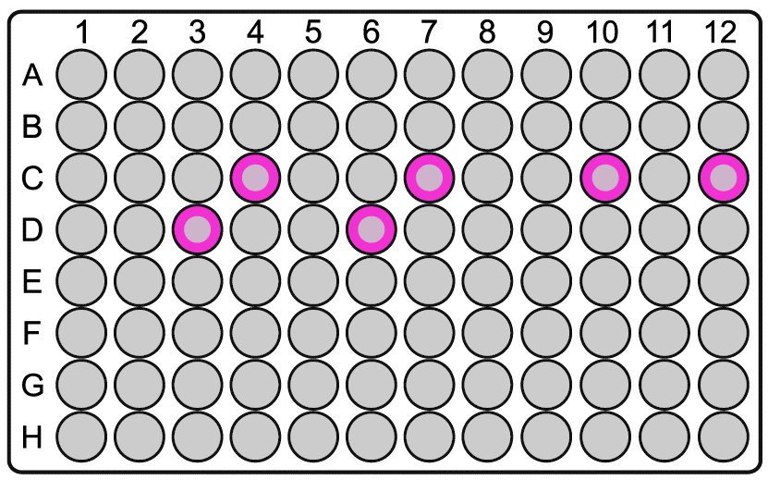
Supplementary Table 9
 | Name | Sequence
 | FAM Label Strand | FAM-CTCTCCTTCTTCCCTTTCTTT
 | Cy3 Label Strand | Cy3-CTCTCCTTCTTCCCTTTCTTT
 | ATTO647 Label Strand | CTCTCCTTCTTCCCTTTCTTT-ATTO647

Well Position | Name | Sequence
Plate 1 C4 | Core 4[191], 0[199] | GTGAGGAAGACCAGGGTGTGGGCACGAATATGGTTTTAAAGAAAGGGAAGAAGGAGAG
Plate 1 C7 | Core 4[317], 0[325] | AAGGGCCTTCCAGGCAAATAAAGACGGAGGACGCGTTAAAGAAAGGGAAGAAGGAGAG
Plate 1 C10 | Core 5[46], 0[52] | GACTCACGCTAGAAAGCCCTAAAGTCAAGTTTTTTGGGGTCATTAAAGAAAGGGAAGAAGGAGAG
Plate 1 C12 | Core 5[130], 0[136] | CGTTGATATTAATCGTACCAGGGTCTCGCCCTGGAGTGAAATTTAAAGAAAGGGAAGAAGGAGAG
Plate 1 D3 | Core 5[256], 0[262] | CTGTTTATTTAATTTTTTCTTCGCTCTGACCTCCTGGTGGGCTTAAAGAAAGGGAAGAAGGAGAG
Plate 1 D6 | Core 5[382], 0[388] | TACACATCCACCGTGGGGTATCGGGTGTGAAATTGTTACGCTTTAAAGAAAGGGAAGAAGGAGAG

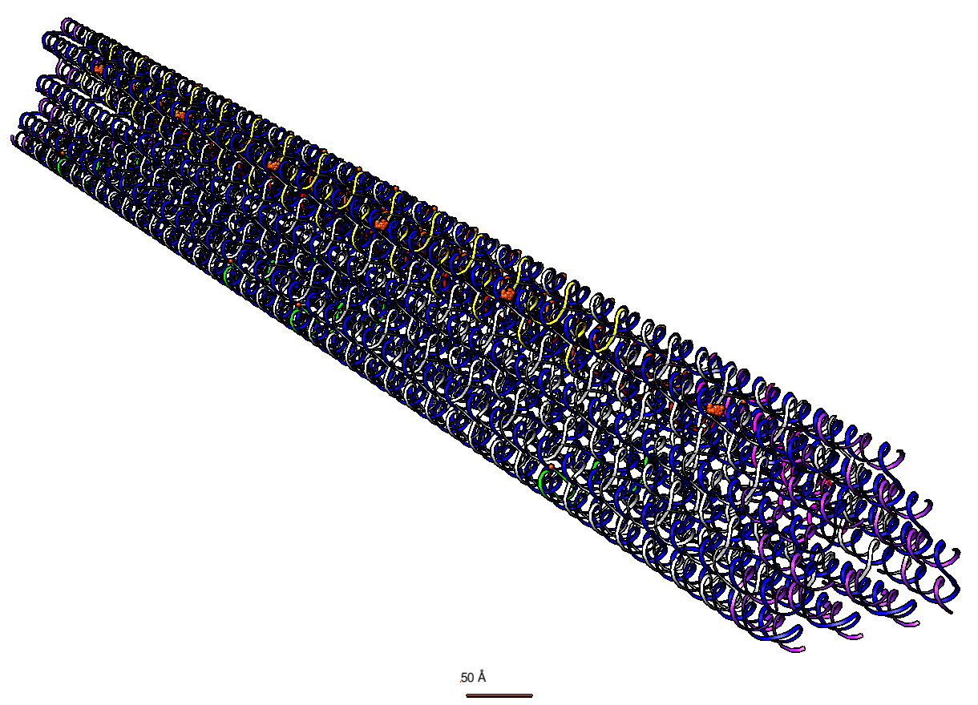
 |  | *Fluorophore sites marked in orange.->

Table 10 NanoRod PAINT
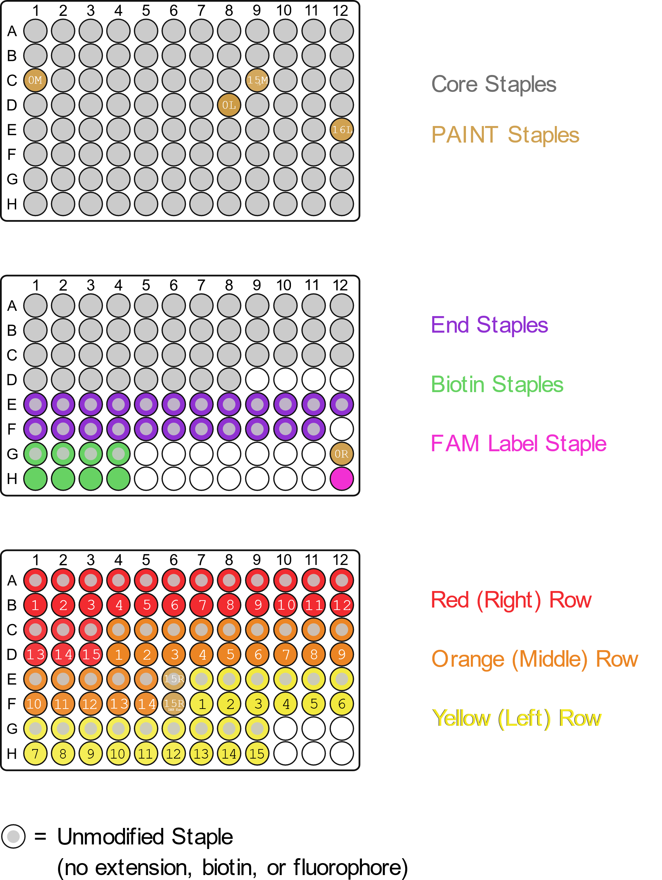
Supplementary Table 10

Name | Strand Replaced in Plates | Sequence
PAINT Imager9 Insulin (IS1) |  | TAGATGTAT-ATTO647
PAINT Imager9 NR Ends (IS2) |  | TATGTAGAT-ATTO647
Blank Tag + Ext9 for PAINT |  | GTAAGTGGAGGTAAAGGTGCATTATACATCTA
0-Left - 18HT PAINT (DS2) | Plate 1 - D8 | ATCTACATATTCTATTATATTGTGTGGAGATTTGTATCATAGTACC
0-Middle - 18HT PAINT (DS2) | Plate 1 - C1 | ATCTACATATTGAGATCTAGAAGCAAAGCGGAACCCTGA
0-Right - 18HT PAINT (DS2) | Plate 2 - G12 | ATCTACATATTTTAGTGCAGGCTATCAGGTCATTTTTGA
16-Left - 18HT PAINT (DS2) | Plate 1 - E12 | ATCTACATATTAACGGAACAGTCAGTTAAACAGCTTGATAGGCTCC
15.5-Middle - 18HT PAINT (DS2) | Plate 1 - C9 | ATCTACATATTTAATGACCGTCAGTTTGACAATTCCACACAATAAC
15-Right - 18HT PAINT (DS2) | Plate 3 - E6 | ATCTACATATTGACGACAAACAAACGGCGGATTAGTAGT
15-Right INS Ext - 18HT PAINT (DS2) | Plate 3 - F6 | ATCTACATATTGACGACAAACAAACGGCGGATTAGTAGTTTTGCACCTTTACCTCCACTTAC

End marker strands for PAINT experiments in yellow

