figure data
Chemical | x (X:C) | y (H:C) | Note:
Black Data Points
PE | 0 | 2
PS | 0 | 1.25
PP | 0 | 2.3333333333
Ethylene | 0 | 2 | Not Labeled, over laps with PE and PP
Propene | 0 | 2
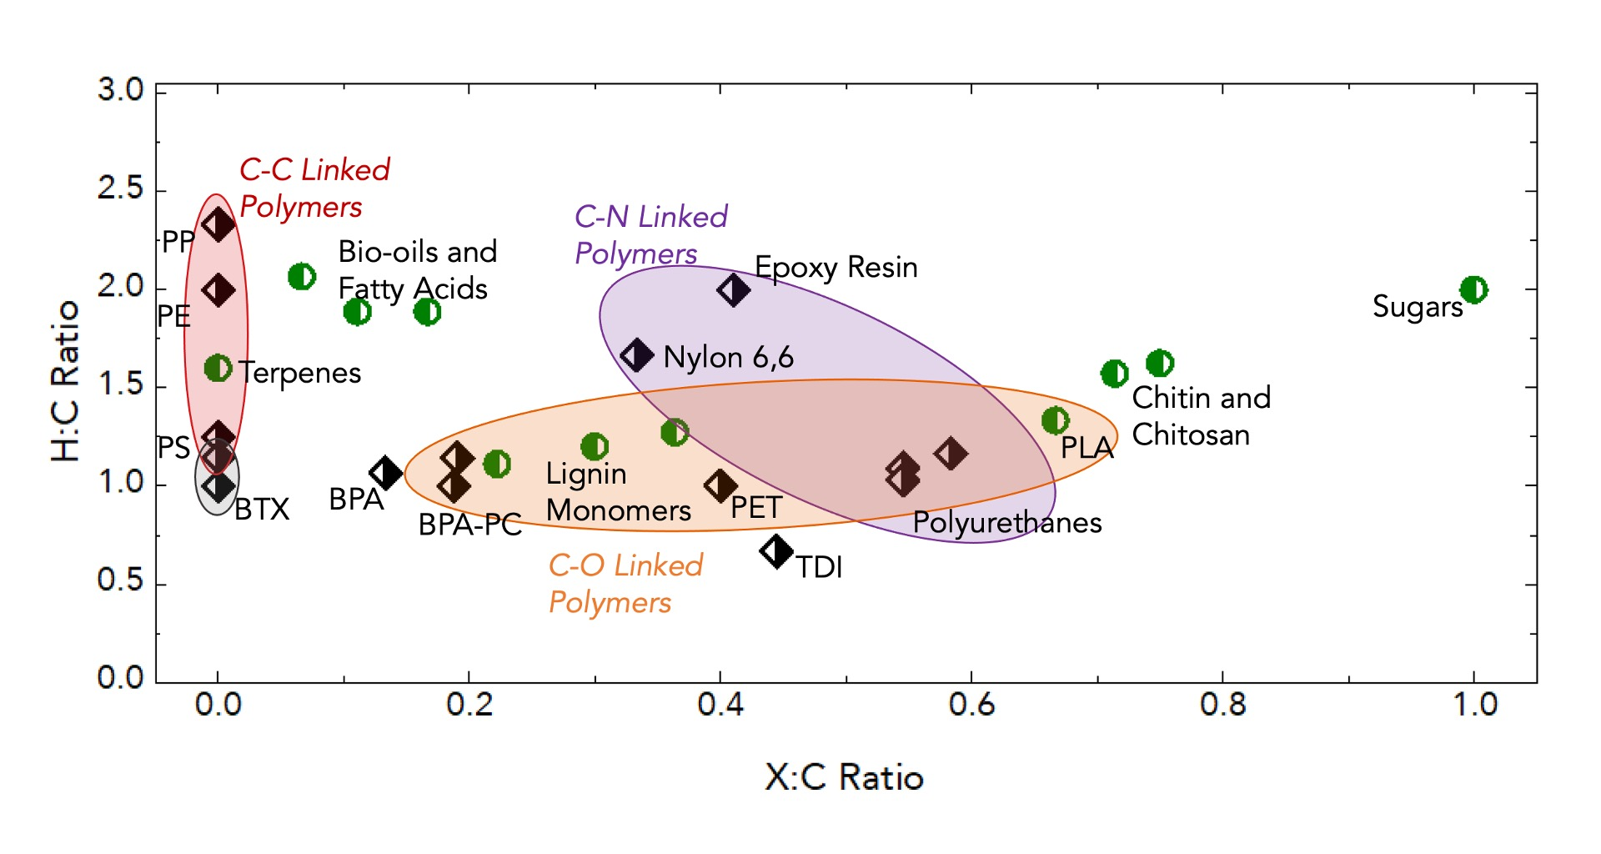
Benzene | 0 | 1 | Labeled BTX
Toluene | 0 | 1.1428571429
Xylene | 0 | 1.25
PET | 0.4 | 1
Nylon 6,6 | 0.33333333333 | 1.6666666667
BADGE+TETA (1:3) | 0.41025641026 | 2 | Labeled Epoxy Resin
BPA | 0.13333333333 | 1.0666666667
BPA-PC | 0.1875 | 1
TDI | 0.44444444444 | 0.66666666667
PU-PEG | 0.54545454545 | 1.0909090909 | Labeled Polyurethanes
PU-Glycerol | 0.58333333333 | 1.1666666667
PU-Glycerol (3:2) | 0.54545454545 | 1.0303030303

Green Data Points
Glucose | 1 | 2 | Labled Sugars
Fructose | 1 | 2
Pentose | 1 | 2
Chitin | 0.75 | 1.625
Chitosan | 0.71428571429 | 1.5714285714
H Lignin | 0.22222222222 | 1.1111111111 | Labeled Lignin Monomers
Coniferyal | 0.3 | 1.2
Sinapyl | 0.36363636364 | 1.2727272727
Terpenes (Limonene) | 0 | 1.6
Cardonal | 0.066666666667 | 2.0666666667 | Labeled Bio-oils and Fatty Acids
Ricinoliec Acid | 0.16666666667 | 1.8888888889
Oleic Acid | 0.11111111111 | 1.8888888889
PLA | 0.66666666667 | 1.3333333333

