Fig 1
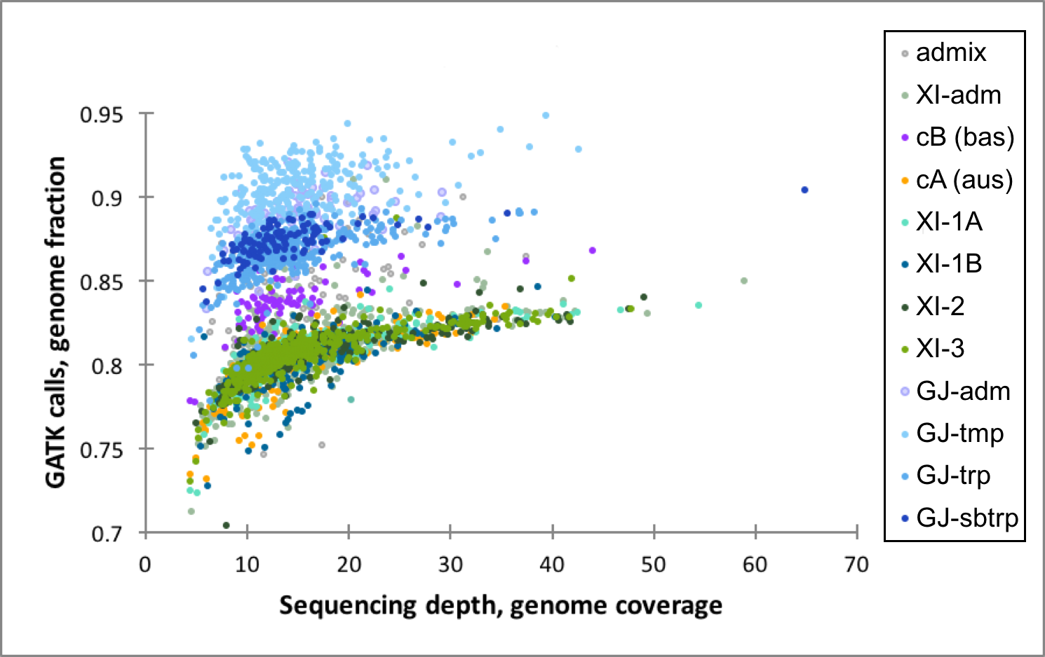

Figure 1. Graph showing the genotype call emission rates relative to Nipponbare Refseq plotted against the depth of sequencing coverage of each accession (color-coded by subpopulation groups at K=9).

