Table S4.1
 |  |  | outlier removal decision based on:
individual ID | population | outlier status | EUR and other admixture comp. | av. ED > (Q3 + 1.5*IQR), bold if prioritized | other reasons for the decision | PCA, PC1 vs. PC2 | av. weighted Euclidean distance in the space of 10 PCs | EUR + ME | EUR | ME | SAS | SEA | SIB | C-K | E-A | NAM | SAM | AFR Yoruba | AFR Mbuti | AFR Taa | MEL | Onge
Ale14 | Aleut | 0 |  | -0.07 |  | 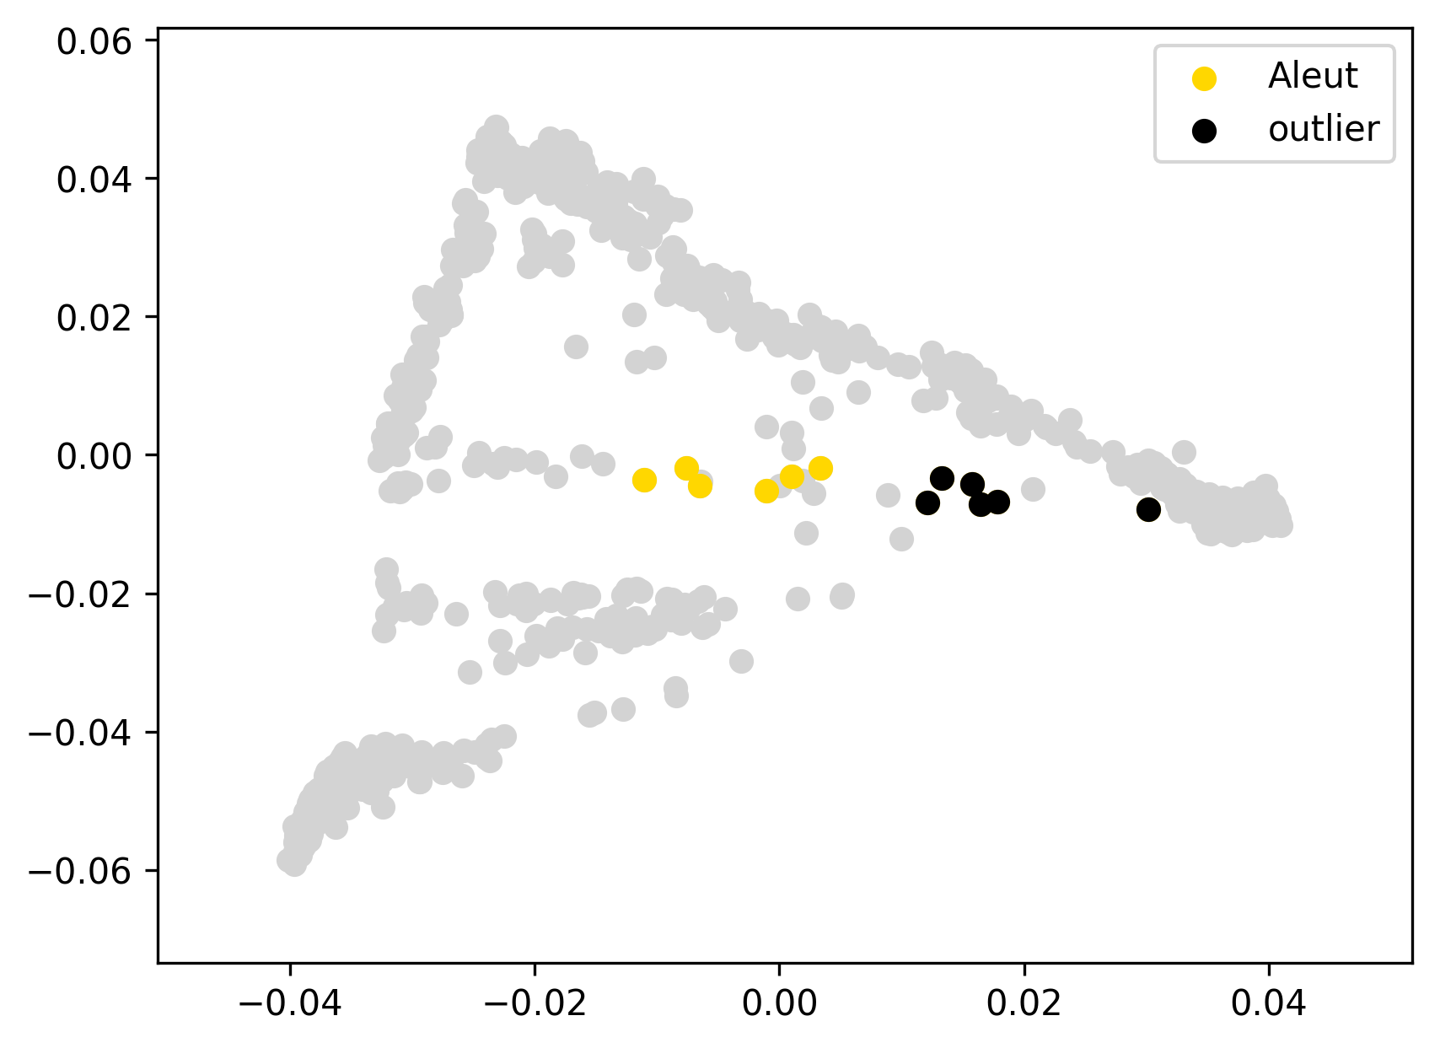 | 0.103 | 43% | 43% | 0% | 1% | 0% | 5% | 5% | 29% | 9% | 7% | 0% | 0% | 0% | 0% | 0%
Ale16 | Aleut | 0 |  | -0.08 |  |  | 0.094 | 51% | 51% | 0% | 0% | 1% | 8% | 8% | 23% | 5% | 5% | 0% | 0% | 0% | 0% | 0%
Ale20 | Aleut | 0 |  | -0.05 |  |  | 0.124 | 36% | 36% | 0% | 0% | 3% | 4% | 6% | 32% | 12% | 8% | 0% | 0% | 0% | 0% | 0%
Ale22 | Aleut | 0 |  | -0.04 |  |  | 0.129 | 34% | 34% | 0% | 0% | 3% | 6% | 9% | 30% | 9% | 8% | 0% | 0% | 0% | 0% | 0%
Ale34 | Aleut | 0 |  | -0.08 |  |  | 0.095 | 47% | 47% | 0% | 0% | 2% | 5% | 8% | 25% | 8% | 5% | 0% | 0% | 0% | 0% | 0%
Ale9 | Aleut | 0 |  | -0.02 |  |  | 0.153 | 29% | 29% | 0% | 0% | 1% | 4% | 9% | 35% | 11% | 10% | 0% | 0% | 0% | 0% | 0%
Ale11 | Aleut | outlier | EUR+ME | -0.07 |  |  | 0.104 | 69% | 69% | 0% | 0% | 0% | 6% | 6% | 12% | 4% | 3% | 0% | 0% | 0% | 0% | 0%
Ale32 | Aleut | outlier | EUR+ME | -0.08 |  |  | 0.094 | 63% | 63% | 0% | 0% | 2% | 3% | 4% | 18% | 5% | 5% | 0% | 0% | 0% | 0% | 0%
Ale33 | Aleut | outlier | EUR+ME | -0.06 |  |  | 0.114 | 72% | 72% | 0% | 0% | 0% | 3% | 4% | 14% | 3% | 4% | 0% | 0% | 0% | 0% | 0%
Ale35 | Aleut | outlier | EUR+ME | -0.08 |  |  | 0.095 | 66% | 66% | 0% | 0% | 1% | 5% | 5% | 15% | 5% | 3% | 0% | 0% | 0% | 0% | 0%
Ale36 | Aleut | outlier | EUR+ME | 0.02 |  |  | 0.196 | 90% | 88% | 1% | 1% | 0% | 3% | 1% | 3% | 2% | 1% | 0% | 0% | 0% | 0% | 0%
Ale37 | Aleut | outlier | EUR+ME | -0.07 |  |  | 0.105 | 70% | 70% | 0% | 1% | 0% | 4% | 2% | 14% | 4% | 5% | 0% | 0% | 0% | 0% | 0%
NAD07 | Chipewyan | 0 |  | -0.08 |  | 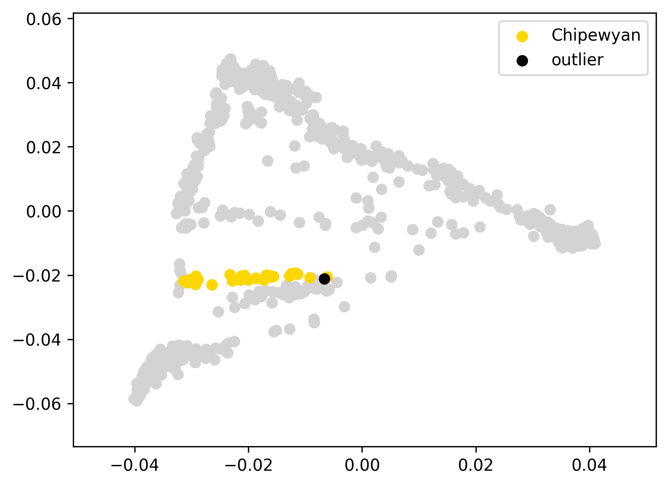 | 0.062 | 8% | 8% | 0% | 0% | 0% | 0% | 0% | 0% | 92% | 0% | 0% | 0% | 0% | 0% | 0%
NAD08 | Chipewyan | 0 |  | -0.05 |  |  | 0.097 | 0% | 0% | 0% | 0% | 0% | 0% | 0% | 0% | 100% | 0% | 0% | 0% | 0% | 0% | 0%
NAD09 | Chipewyan | 0 |  | -0.04 |  |  | 0.101 | 0% | 0% | 0% | 0% | 0% | 0% | 0% | 0% | 100% | 0% | 0% | 0% | 0% | 0% | 0%
NAD11 | Chipewyan | 0 |  | -0.07 |  |  | 0.080 | 17% | 17% | 0% | 0% | 0% | 0% | 0% | 0% | 83% | 0% | 0% | 0% | 0% | 0% | 0%
NAD14 | Chipewyan | 0 |  | -0.08 |  |  | 0.068 | 9% | 9% | 0% | 0% | 0% | 0% | 0% | 3% | 85% | 3% | 0% | 0% | 0% | 0% | 0%
NAD15 | Chipewyan | 0 |  | -0.07 |  |  | 0.073 | 14% | 14% | 0% | 0% | 0% | 0% | 0% | 2% | 83% | 1% | 0% | 0% | 0% | 0% | 0%
NAD16 | Chipewyan | 0 |  | -0.07 |  |  | 0.071 | 0% | 0% | 0% | 0% | 0% | 0% | 0% | 0% | 100% | 0% | 0% | 0% | 0% | 0% | 0%
NAD17 | Chipewyan | 0 |  | -0.08 |  |  | 0.061 | 3% | 3% | 0% | 0% | 0% | 0% | 0% | 0% | 97% | 0% | 0% | 0% | 0% | 0% | 0%
NAD19 | Chipewyan | 0 |  | -0.08 |  |  | 0.069 | 6% | 6% | 0% | 0% | 0% | 0% | 1% | 2% | 87% | 4% | 0% | 0% | 0% | 0% | 0%
NAD21 | Chipewyan | 0 |  | -0.07 |  |  | 0.079 | 12% | 12% | 0% | 0% | 0% | 0% | 0% | 0% | 88% | 0% | 0% | 0% | 0% | 0% | 0%
NAD22 | Chipewyan | 0 |  | -0.05 |  |  | 0.095 | 0% | 0% | 0% | 0% | 0% | 0% | 0% | 5% | 90% | 6% | 0% | 0% | 0% | 0% | 0%
NAD24 | Chipewyan | 0 |  | -0.07 |  |  | 0.072 | 0% | 0% | 0% | 0% | 0% | 0% | 0% | 0% | 100% | 0% | 0% | 0% | 0% | 0% | 0%
NAD25 | Chipewyan | 0 |  | -0.08 |  |  | 0.064 | 4% | 4% | 0% | 0% | 0% | 0% | 0% | 0% | 96% | 0% | 0% | 0% | 0% | 0% | 0%
NAD26 | Chipewyan | 0 |  | -0.08 |  |  | 0.067 | 11% | 11% | 0% | 0% | 0% | 0% | 0% | 0% | 89% | 0% | 0% | 0% | 0% | 0% | 0%
NAD27 | Chipewyan | 0 |  | -0.03 |  |  | 0.120 | 25% | 25% | 0% | 0% | 0% | 0% | 0% | 0% | 75% | 0% | 0% | 0% | 0% | 0% | 0%
NAD28 | Chipewyan | 0 |  | -0.04 |  |  | 0.101 | 0% | 0% | 0% | 0% | 0% | 0% | 0% | 3% | 96% | 1% | 0% | 0% | 0% | 0% | 0%
NAD29 | Chipewyan | 0 |  | -0.08 |  |  | 0.064 | 13% | 13% | 0% | 0% | 0% | 0% | 0% | 0% | 87% | 0% | 0% | 0% | 0% | 0% | 0%
NAD33 | Chipewyan | 0 |  | -0.05 |  |  | 0.098 | 20% | 20% | 0% | 0% | 0% | 0% | 0% | 0% | 80% | 0% | 0% | 0% | 0% | 0% | 0%
NAD37 | Chipewyan | 0 |  | -0.04 |  |  | 0.105 | 0% | 0% | 0% | 0% | 0% | 0% | 0% | 3% | 90% | 7% | 0% | 0% | 0% | 0% | 0%
NAD43 | Chipewyan | 0 |  | -0.06 |  |  | 0.087 | 0% | 0% | 0% | 0% | 0% | 0% | 0% | 1% | 94% | 5% | 0% | 0% | 0% | 0% | 0%
NAD46 | Chipewyan | 0 |  | -0.06 |  |  | 0.084 | 19% | 19% | 0% | 0% | 0% | 0% | 0% | 0% | 81% | 0% | 0% | 0% | 0% | 0% | 0%
NAD54 | Chipewyan | 0 |  | -0.08 |  |  | 0.061 | 3% | 3% | 0% | 0% | 0% | 0% | 0% | 0% | 97% | 0% | 0% | 0% | 0% | 0% | 0%
NAD55 | Chipewyan | 0 |  | -0.08 |  |  | 0.068 | 12% | 12% | 0% | 0% | 0% | 0% | 0% | 0% | 88% | 0% | 0% | 0% | 0% | 0% | 0%
NAD56 | Chipewyan | 0 |  | -0.08 |  |  | 0.062 | 6% | 6% | 0% | 0% | 0% | 0% | 0% | 0% | 94% | 0% | 0% | 0% | 0% | 0% | 0%
NAD59 | Chipewyan | 0 |  | -0.04 |  |  | 0.107 | 0% | 0% | 0% | 0% | 0% | 0% | 0% | 0% | 100% | 0% | 0% | 0% | 0% | 0% | 0%
NAD64 | Chipewyan | 0 |  | -0.08 |  |  | 0.065 | 10% | 10% | 0% | 0% | 0% | 0% | 0% | 0% | 90% | 0% | 0% | 0% | 0% | 0% | 0%
NAD87 | Chipewyan | 0 |  | -0.06 |  |  | 0.089 | 19% | 19% | 0% | 0% | 0% | 0% | 0% | 0% | 81% | 0% | 0% | 0% | 0% | 0% | 0%
NAD93 | Chipewyan | 0 |  | -0.04 |  |  | 0.108 | 0% | 0% | 0% | 0% | 0% | 0% | 0% | 0% | 100% | 0% | 0% | 0% | 0% | 0% | 0%
NAD20 | Chipewyan | outlier | EUR+ME, SAM | 0.04 |  |  | 0.183 | 34% | 34% | 0% | 0% | 0% | 1% | 1% | 1% | 47% | 16% | 0% | 0% | 0% | 0% | 0%
ADR00057 | Chukchi | 0 |  | -0.06 |  | 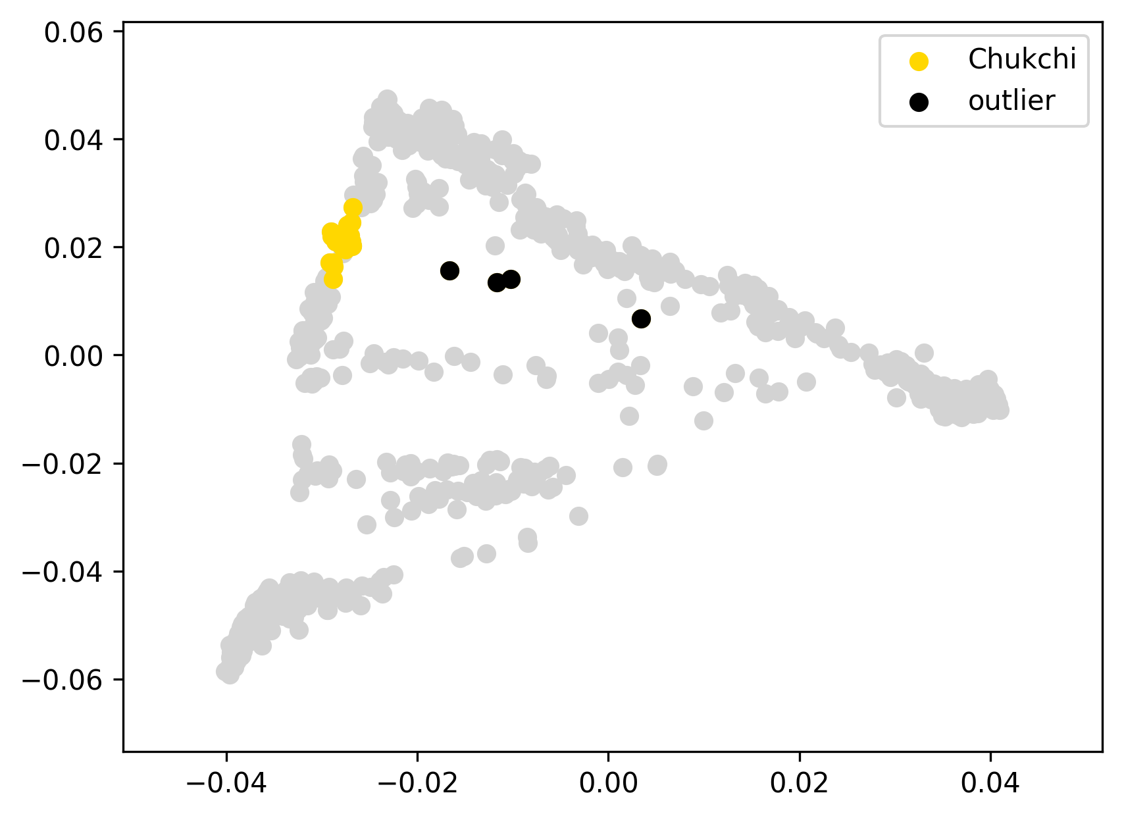 | 0.054 | 0% | 0% | 0% | 0% | 0% | 0% | 67% | 33% | 0% | 0% | 0% | 0% | 0% | 0% | 0%
ADR00059 | Chukchi | 0 |  | -0.04 |  |  | 0.076 | 0% | 0% | 0% | 0% | 0% | 0% | 54% | 46% | 0% | 0% | 0% | 0% | 0% | 0% | 0%
ADR00060 | Chukchi | 0 |  | -0.04 |  |  | 0.078 | 0% | 0% | 0% | 0% | 0% | 6% | 71% | 23% | 0% | 0% | 0% | 0% | 0% | 0% | 0%
ADR00061 | Chukchi | 0 |  | -0.06 |  |  | 0.054 | 0% | 0% | 0% | 0% | 0% | 0% | 65% | 35% | 0% | 0% | 0% | 0% | 0% | 0% | 0%
ADR00064 | Chukchi | 0 |  | -0.06 |  |  | 0.056 | 0% | 0% | 0% | 0% | 0% | 0% | 61% | 39% | 0% | 0% | 0% | 0% | 0% | 0% | 0%
ADR00065 | Chukchi | 0 |  | -0.04 |  |  | 0.073 | 0% | 0% | 0% | 0% | 0% | 2% | 73% | 26% | 0% | 0% | 0% | 0% | 0% | 0% | 0%
ADR00066 | Chukchi | 0 |  | -0.06 |  |  | 0.056 | 0% | 0% | 0% | 0% | 0% | 0% | 61% | 39% | 0% | 0% | 0% | 0% | 0% | 0% | 0%
ADR00068 | Chukchi | 0 |  | -0.06 |  |  | 0.053 | 0% | 0% | 0% | 0% | 0% | 0% | 65% | 35% | 0% | 0% | 0% | 0% | 0% | 0% | 0%
ADR00074 | Chukchi | 0 |  | -0.06 |  |  | 0.057 | 0% | 0% | 0% | 0% | 0% | 0% | 67% | 33% | 0% | 0% | 0% | 0% | 0% | 0% | 0%
ADR00079 | Chukchi | 0 |  | -0.06 |  |  | 0.057 | 0% | 0% | 0% | 0% | 0% | 2% | 60% | 38% | 0% | 0% | 0% | 0% | 0% | 0% | 0%
MC_06 | Chukchi | 0 |  | -0.05 |  |  | 0.068 | 0% | 0% | 0% | 0% | 0% | 0% | 73% | 27% | 0% | 0% | 0% | 0% | 0% | 0% | 0%
MC_08 | Chukchi | 0 |  | -0.06 |  |  | 0.054 | 0% | 0% | 0% | 0% | 0% | 0% | 67% | 33% | 0% | 0% | 0% | 0% | 0% | 0% | 0%
MC_14 | Chukchi | 0 |  | -0.01 |  |  | 0.106 | 0% | 0% | 0% | 0% | 0% | 0% | 46% | 54% | 0% | 0% | 0% | 0% | 0% | 0% | 0%
MC_15 | Chukchi | 0 |  | -0.06 |  |  | 0.056 | 0% | 0% | 0% | 0% | 0% | 4% | 64% | 31% | 0% | 0% | 0% | 0% | 0% | 0% | 0%
MC_16 | Chukchi | 0 |  | -0.05 |  |  | 0.059 | 0% | 0% | 0% | 0% | 0% | 0% | 61% | 39% | 0% | 0% | 0% | 0% | 0% | 0% | 0%
MC_17 | Chukchi | 0 |  | -0.06 |  |  | 0.055 | 0% | 0% | 0% | 0% | 0% | 0% | 65% | 35% | 0% | 0% | 0% | 0% | 0% | 0% | 0%
MC_18 | Chukchi | 0 |  | -0.06 |  |  | 0.057 | 0% | 0% | 0% | 0% | 0% | 0% | 69% | 31% | 0% | 0% | 0% | 0% | 0% | 0% | 0%
MC_25 | Chukchi | 0 |  | -0.06 |  |  | 0.054 | 0% | 0% | 0% | 0% | 0% | 0% | 64% | 36% | 0% | 0% | 0% | 0% | 0% | 0% | 0%
MC_38 | Chukchi | 0 |  | -0.03 |  |  | 0.080 | 0% | 0% | 0% | 0% | 0% | 0% | 53% | 47% | 0% | 0% | 0% | 0% | 0% | 0% | 0%
MC_40 | Chukchi | 0 |  | -0.03 |  |  | 0.080 | 0% | 0% | 0% | 0% | 0% | 0% | 52% | 48% | 0% | 0% | 0% | 0% | 0% | 0% | 0%
Sesk_47 | Chukchi | 0 |  | -0.04 |  |  | 0.072 | 0% | 0% | 0% | 0% | 0% | 0% | 70% | 30% | 0% | 0% | 0% | 0% | 0% | 0% | 0%
Sir41 | Chukchi | 0 |  | -0.06 |  |  | 0.056 | 0% | 0% | 0% | 0% | 0% | 0% | 68% | 32% | 0% | 0% | 0% | 0% | 0% | 0% | 0%
Sir50 | Chukchi | 0 |  | -0.05 |  |  | 0.064 | 0% | 0% | 0% | 0% | 0% | 0% | 71% | 29% | 0% | 0% | 0% | 0% | 0% | 0% | 0%
MC_02 | Chukchi | outlier | EUR+ME | 0.15 |  |  | 0.263 | 48% | 48% | 0% | 1% | 0% | 2% | 33% | 16% | 0% | 0% | 0% | 0% | 0% | 0% | 0%
MC_12 | Chukchi | outlier | EUR+ME | -0.01 |  |  | 0.108 | 17% | 17% | 0% | 0% | 0% | 1% | 50% | 31% | 0% | 0% | 0% | 0% | 0% | 0% | 0%
MC_20 | Chukchi | outlier | EUR+ME | 0.03 |  |  | 0.148 | 27% | 27% | 0% | 0% | 0% | 0% | 46% | 26% | 0% | 0% | 0% | 0% | 0% | 0% | 0%
MC_28 | Chukchi | outlier | EUR+ME | 0.02 |  |  | 0.137 | 25% | 25% | 0% | 0% | 0% | 2% | 49% | 23% | 0% | 0% | 0% | 0% | 0% | 0% | 0%
Cree1 | Cree | 0 |  | -0.03 |  | 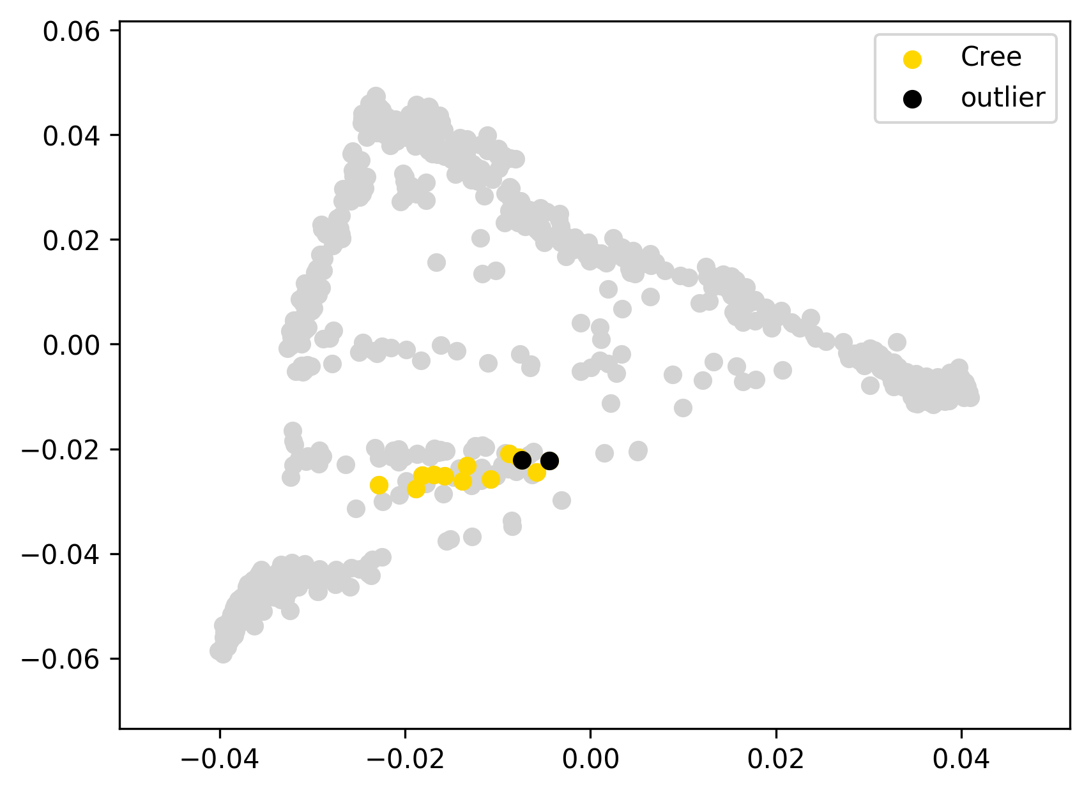 | 0.051 | 21% | 21% | 0% | 0% | 1% | 0% | 1% | 3% | 47% | 27% | 0% | 0% | 0% | 0% | 0%
Cree10 | Cree | 0 |  | 0.00 | not excluded since this individual has the lowest level of European admixture |  | 0.087 | 12% | 12% | 0% | 0% | 1% | 1% | 1% | 1% | 51% | 33% | 0% | 0% | 0% | 0% | 0%
Cree11 | Cree | 0 |  | -0.04 |  |  | 0.048 | 25% | 25% | 0% | 0% | 1% | 1% | 0% | 3% | 47% | 22% | 0% | 0% | 0% | 0% | 0%
Cree12 | Cree | 0 |  | -0.03 |  |  | 0.058 | 18% | 18% | 0% | 0% | 1% | 1% | 1% | 2% | 50% | 28% | 0% | 0% | 0% | 0% | 0%
Cree13 | Cree | 0 |  | -0.02 |  |  | 0.063 | 18% | 18% | 0% | 0% | 0% | 1% | 1% | 1% | 44% | 35% | 0% | 0% | 0% | 0% | 0%
Cree2 | Cree | 0 |  | -0.03 |  |  | 0.055 | 34% | 34% | 0% | 0% | 0% | 1% | 1% | 3% | 40% | 21% | 0% | 0% | 0% | 0% | 0%
Cree5 | Cree | 0 |  | -0.03 |  |  | 0.052 | 31% | 30% | 2% | 0% | 1% | 1% | 0% | 3% | 41% | 22% | 0% | 0% | 0% | 0% | 0%
Cree6 | Cree | 0 |  | -0.03 |  |  | 0.049 | 22% | 22% | 0% | 0% | 0% | 1% | 0% | 3% | 43% | 30% | 0% | 0% | 0% | 0% | 0%
Cree7 | Cree | 0 |  | -0.04 |  |  | 0.047 | 30% | 29% | 0% | 0% | 0% | 0% | 1% | 1% | 43% | 26% | 0% | 0% | 0% | 0% | 0%
Cree8 | Cree | 0 |  | -0.04 |  |  | 0.045 | 24% | 24% | 0% | 0% | 0% | 1% | 0% | 1% | 45% | 28% | 0% | 0% | 0% | 0% | 0%
Cree9 | Cree | 0 |  | -0.02 |  |  | 0.066 | 37% | 35% | 2% | 0% | 0% | 0% | 0% | 1% | 38% | 25% | 0% | 0% | 0% | 0% | 0%
Cree_26 | Cree | outlier |  | -0.02 |  |  | 0.060 | 33% | 31% | 2% | 0% | 1% | 0% | 0% | 3% | 45% | 18% | 0% | 0% | 0% | 0% | 0%
Cree_4 | Cree | outlier | EUR+ME | -0.01 | removed as an individual having the highest level of European admixture |  | 0.075 | 38% | 31% | 6% | 0% | 0% | 3% | 0% | 0% | 36% | 22% | 0% | 0% | 0% | 1% | 0%
Nlk1 | Even | 0 |  | -0.11 |  | 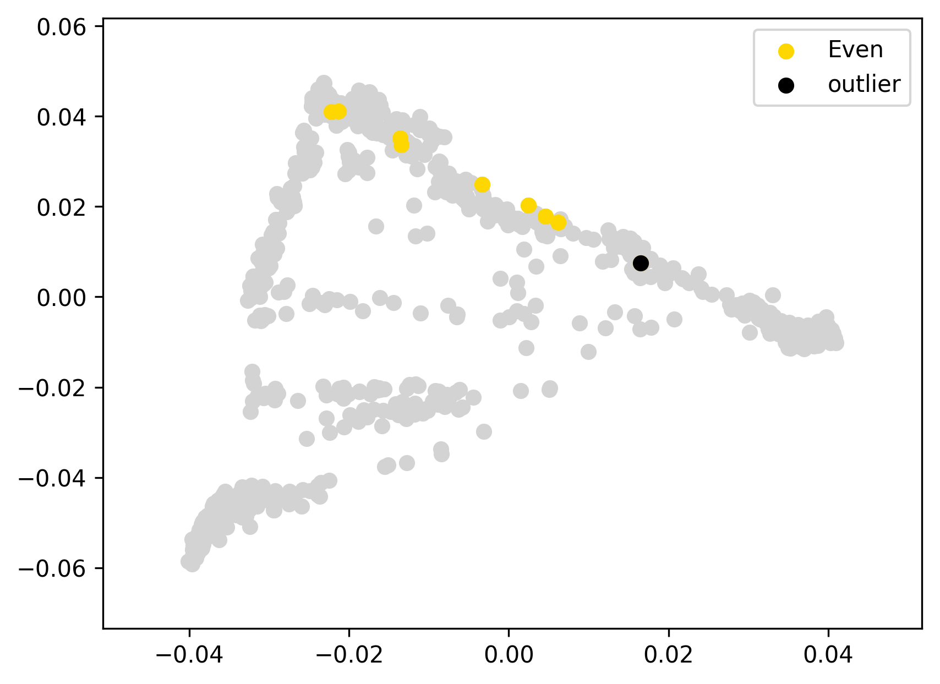 | 0.121 | 15% | 14% | 1% | 0% | 17% | 55% | 11% | 0% | 1% | 0% | 0% | 0% | 0% | 0% | 1%
Nlk10 | Even | 0 |  | -0.10 |  |  | 0.131 | 48% | 39% | 9% | 0% | 9% | 34% | 8% | 0% | 0% | 0% | 0% | 0% | 0% | 0% | 0%
Nlk14 | Even | 0 |  | -0.10 |  |  | 0.125 | 45% | 45% | 0% | 1% | 9% | 38% | 6% | 1% | 0% | 0% | 0% | 0% | 0% | 0% | 0%
Nlk16 | Even | 0 |  | -0.11 |  |  | 0.116 | 41% | 40% | 1% | 0% | 12% | 36% | 10% | 0% | 0% | 0% | 0% | 0% | 0% | 0% | 0%
Nlk18 | Even | 0 |  | -0.06 |  |  | 0.164 | 1% | 0% | 1% | 0% | 18% | 63% | 17% | 0% | 0% | 0% | 0% | 0% | 0% | 0% | 0%
Nlk3 | Even | 0 |  | -0.06 |  |  | 0.172 | 1% | 0% | 1% | 0% | 21% | 68% | 9% | 0% | 0% | 0% | 0% | 0% | 0% | 0% | 0%
Nlk5 | Even | 0 |  | -0.12 |  |  | 0.109 | 32% | 29% | 3% | 0% | 15% | 43% | 9% | 0% | 0% | 1% | 0% | 0% | 0% | 0% | 0%
Nlk6 | Even | 0 |  | -0.11 |  |  | 0.123 | 14% | 13% | 1% | 0% | 17% | 59% | 10% | 0% | 0% | 0% | 0% | 0% | 0% | 0% | 0%
Nlk19 | Even | outlier | EUR+ME | -0.02 |  |  | 0.212 | 64% | 64% | 0% | 2% | 9% | 17% | 6% | 1% | 0% | 0% | 0% | 0% | 0% | 0% | 0%

GuaraniGN405 | Guarani | 0 |  | -0.02 |  | 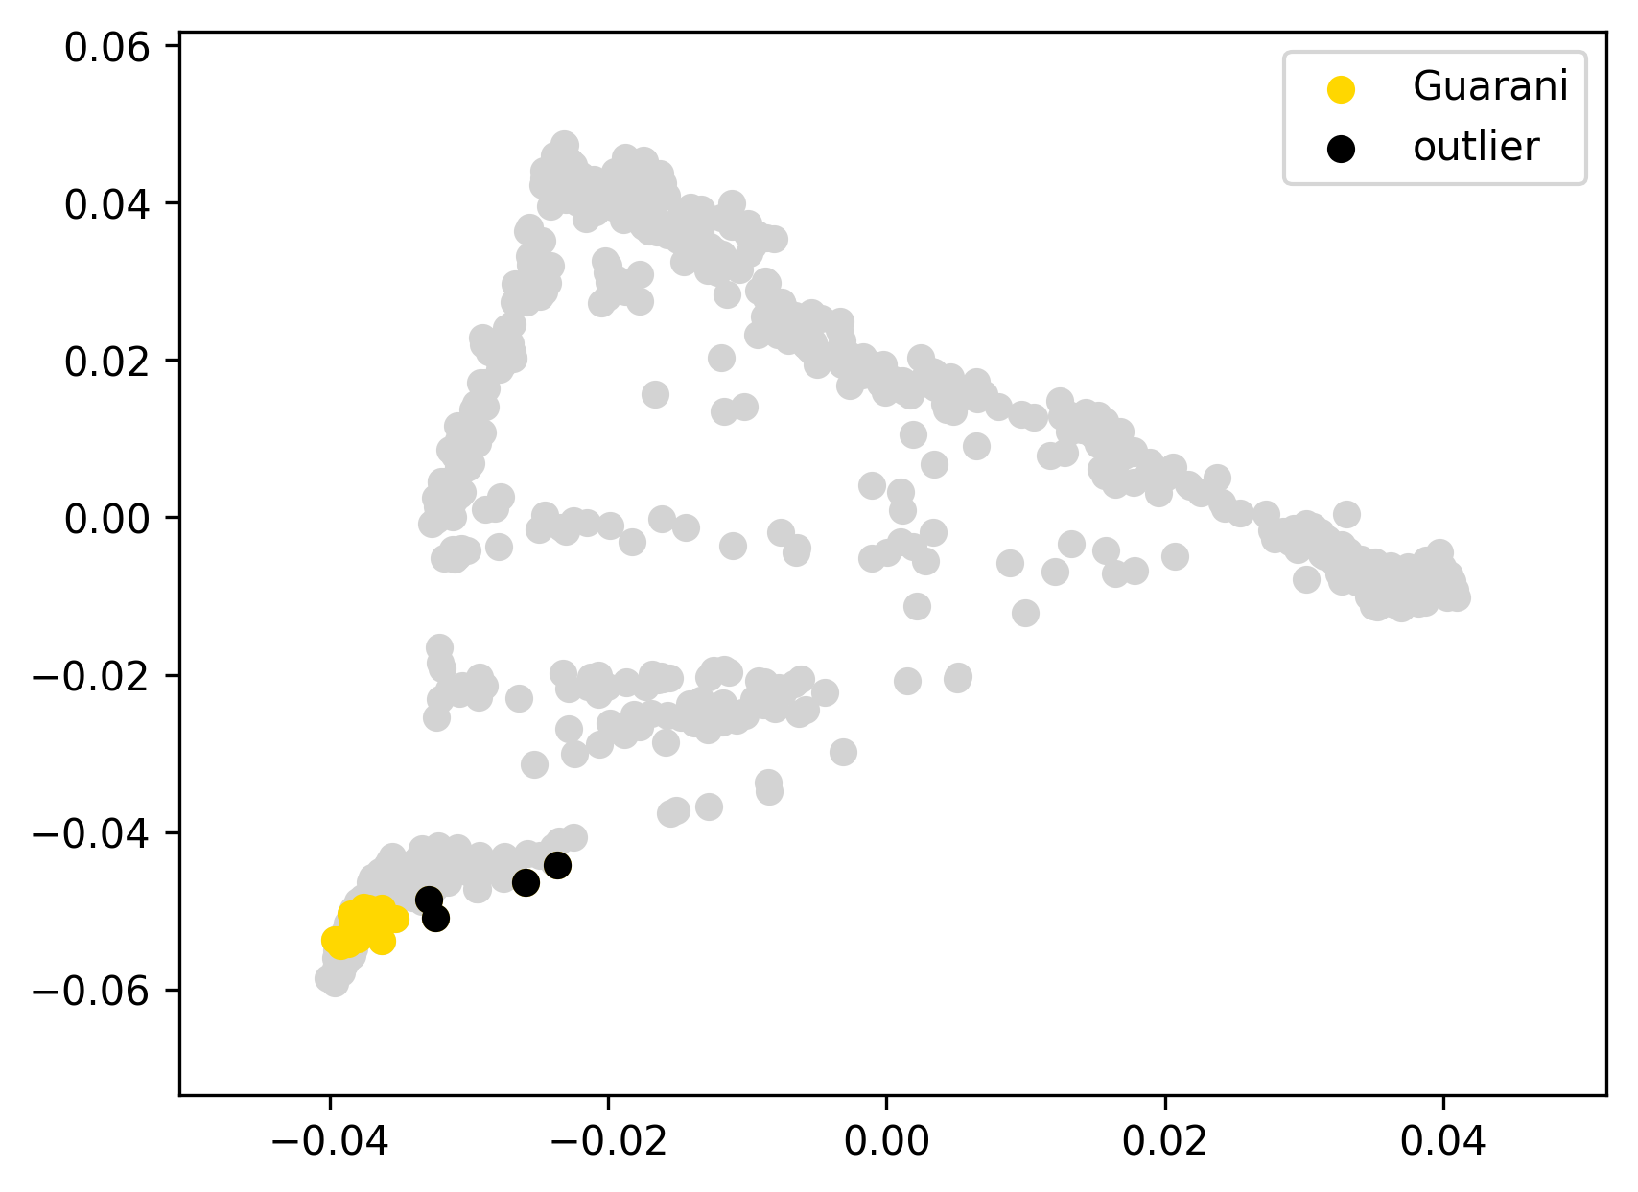 | 0.032 | 0% | 0% | 0% | 0% | 0% | 0% | 0% | 0% | 0% | 100% | 0% | 0% | 0% | 0% | 0%
GuaraniGN841 | Guarani | 0 |  | -0.02 |  |  | 0.033 | 1% | 1% | 0% | 0% | 0% | 0% | 0% | 0% | 3% | 96% | 0% | 0% | 0% | 0% | 0%
GuaraniGN845 | Guarani | 0 |  | -0.02 |  |  | 0.032 | 0% | 0% | 0% | 0% | 0% | 0% | 0% | 0% | 3% | 97% | 0% | 0% | 0% | 0% | 0%
GuaraniGN852 | Guarani | 0 |  | -0.02 |  |  | 0.033 | 0% | 0% | 0% | 0% | 0% | 0% | 0% | 0% | 1% | 99% | 0% | 0% | 0% | 0% | 0%
GuaraniKW203 | Guarani | 0 |  | -0.02 |  |  | 0.033 | 0% | 0% | 0% | 0% | 0% | 0% | 0% | 0% | 1% | 99% | 0% | 0% | 0% | 0% | 0%
GuaraniKW220 | Guarani | 0 |  | -0.01 |  |  | 0.038 | 0% | 0% | 0% | 0% | 0% | 0% | 0% | 0% | 0% | 100% | 0% | 0% | 0% | 0% | 0%
GuaraniKW223 | Guarani | 0 |  | -0.02 |  |  | 0.033 | 0% | 0% | 0% | 0% | 0% | 0% | 0% | 0% | 0% | 100% | 0% | 0% | 0% | 0% | 0%
GuaraniKW224 | Guarani | 0 |  | -0.01 |  |  | 0.040 | 0% | 0% | 0% | 0% | 0% | 0% | 0% | 0% | 0% | 100% | 0% | 0% | 0% | 0% | 0%
GuaraniKW230 | Guarani | 0 |  | -0.02 |  |  | 0.034 | 0% | 0% | 0% | 0% | 0% | 0% | 0% | 0% | 0% | 100% | 0% | 0% | 0% | 0% | 0%
GuaraniKW644 | Guarani | 0 |  | -0.02 |  |  | 0.033 | 0% | 0% | 0% | 0% | 0% | 0% | 0% | 0% | 0% | 100% | 0% | 0% | 0% | 0% | 0%
GuaraniKW645 | Guarani | 0 |  | -0.02 |  |  | 0.033 | 0% | 0% | 0% | 0% | 0% | 0% | 0% | 0% | 0% | 100% | 0% | 0% | 0% | 0% | 0%
GuaraniKW646 | Guarani | 0 |  | -0.01 |  |  | 0.037 | 0% | 0% | 0% | 0% | 0% | 0% | 0% | 0% | 0% | 100% | 0% | 0% | 0% | 0% | 0%
GuaraniKW650 | Guarani | 0 |  | -0.01 |  |  | 0.038 | 0% | 0% | 0% | 0% | 0% | 0% | 0% | 0% | 0% | 100% | 0% | 0% | 0% | 0% | 0%
TGAG09 | Guarani | 0 |  | -0.01 |  |  | 0.040 | 0% | 0% | 0% | 0% | 0% | 0% | 0% | 0% | 7% | 93% | 0% | 0% | 0% | 0% | 0%
TGBS11 | Guarani | 0 |  | -0.01 |  |  | 0.039 | 2% | 2% | 0% | 0% | 0% | 0% | 0% | 0% | 6% | 92% | 0% | 0% | 0% | 0% | 0%
TGBS22 | Guarani | 0 |  | -0.01 |  |  | 0.038 | 0% | 0% | 0% | 0% | 0% | 0% | 0% | 0% | 6% | 94% | 0% | 0% | 0% | 0% | 0%
TGBS27 | Guarani | 0 |  | -0.01 |  |  | 0.040 | 0% | 0% | 0% | 0% | 0% | 0% | 0% | 0% | 6% | 94% | 0% | 0% | 0% | 0% | 0%
TGBS54 | Guarani | 0 |  | -0.01 |  |  | 0.039 | 1% | 1% | 0% | 0% | 0% | 0% | 0% | 0% | 6% | 93% | 0% | 0% | 0% | 0% | 0%
GuaraniGN28 | Guarani | outlier | EUR+ME | 0.00 |  |  | 0.054 | 4% | 3% | 1% | 2% | 0% | 1% | 0% | 0% | 1% | 90% | 3% | 0% | 0% | 0% | 0%
GuaraniGN5 | Guarani | outlier | EUR+ME | 0.06 |  |  | 0.110 | 20% | 13% | 7% | 0% | 0% | 0% | 0% | 0% | 2% | 78% | 0% | 0% | 0% | 0% | 0%
GuaraniGN837 | Guarani | outlier | EUR+ME | 0.04 |  |  | 0.091 | 16% | 12% | 4% | 0% | 0% | 0% | 0% | 0% | 1% | 83% | 0% | 0% | 0% | 0% | 0%
GuaraniKW626 | Guarani | outlier | EUR+ME | 0.01 |  |  | 0.058 | 4% | 4% | 0% | 0% | 0% | 0% | 0% | 0% | 1% | 91% | 4% | 0% | 0% | 0% | 0%
INUP1 | Inupiat | 0 |  | -0.03 |  | 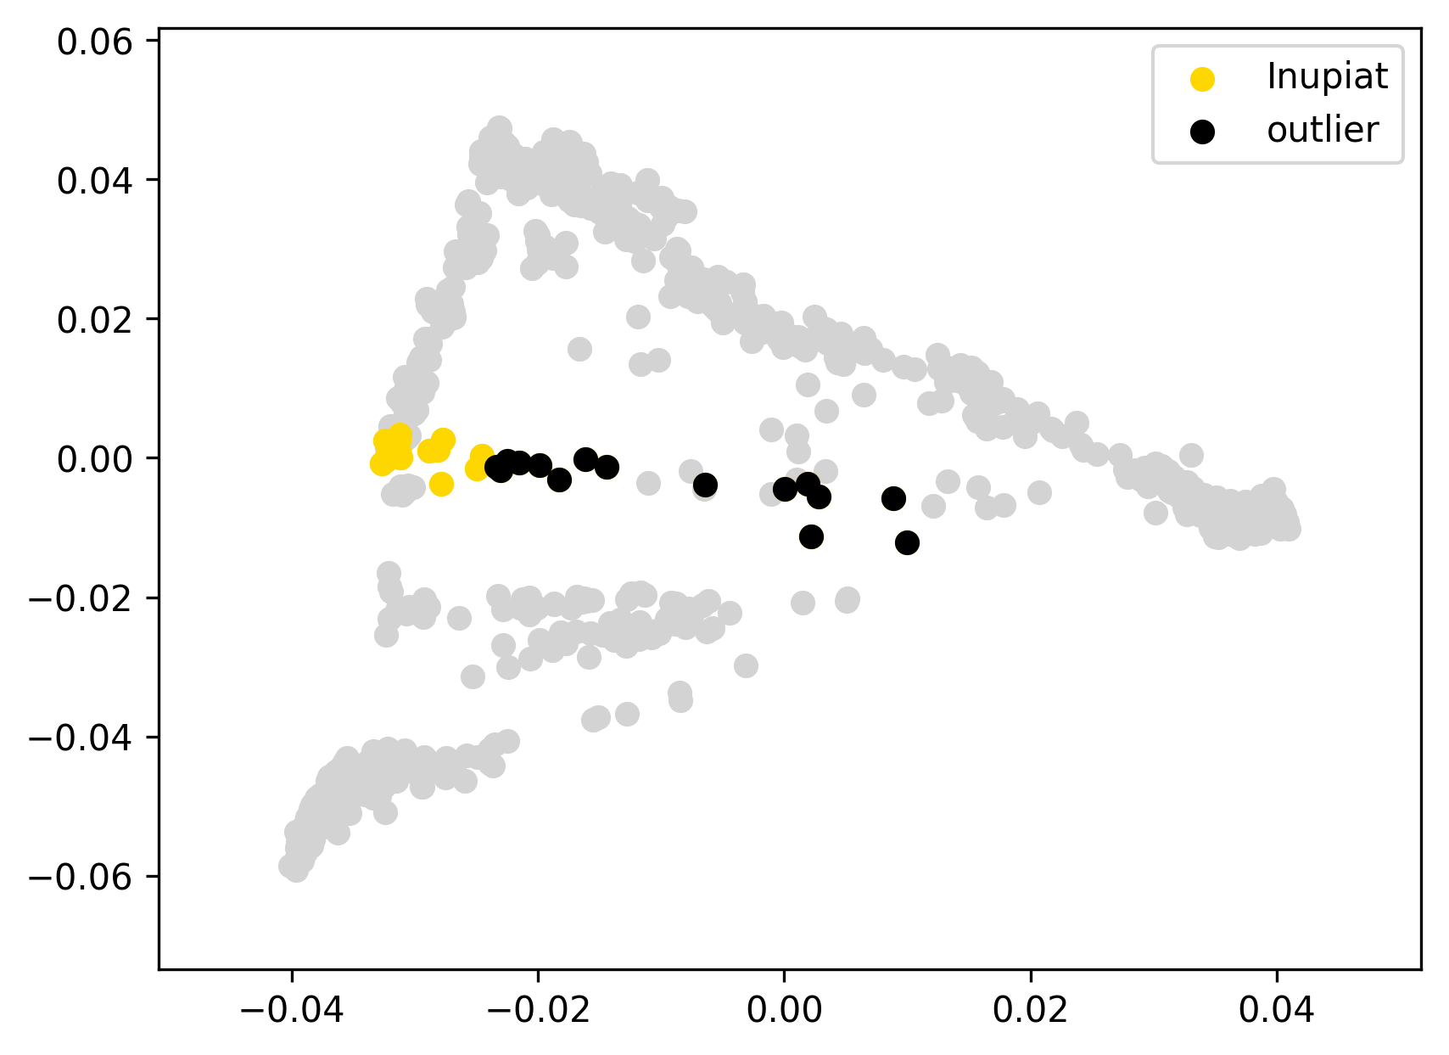 | 0.114 | 0% | 0% | 0% | 0% | 0% | 0% | 0% | 90% | 9% | 0% | 0% | 0% | 0% | 0% | 0%
INUP12 | Inupiat | 0 |  | -0.05 |  |  | 0.097 | 10% | 10% | 0% | 0% | 0% | 0% | 0% | 88% | 2% | 0% | 0% | 0% | 0% | 0% | 0%
INUP13 | Inupiat | 0 |  | -0.03 |  |  | 0.109 | 4% | 4% | 0% | 0% | 1% | 0% | 2% | 89% | 2% | 0% | 1% | 0% | 0% | 0% | 0%
INUP14 | Inupiat | 0 |  | -0.03 |  |  | 0.110 | 0% | 0% | 0% | 0% | 0% | 0% | 0% | 100% | 0% | 0% | 0% | 0% | 0% | 0% | 0%
INUP16 | Inupiat | 0 |  | -0.04 |  |  | 0.105 | 0% | 0% | 0% | 0% | 0% | 0% | 0% | 95% | 5% | 0% | 0% | 0% | 0% | 0% | 0%
INUP17 | Inupiat | 0 |  | -0.03 |  |  | 0.118 | 0% | 0% | 0% | 0% | 0% | 0% | 0% | 100% | 0% | 0% | 0% | 0% | 0% | 0% | 0%
INUP18 | Inupiat | 0 |  | -0.03 |  |  | 0.109 | 0% | 0% | 0% | 0% | 0% | 0% | 0% | 100% | 0% | 0% | 0% | 0% | 0% | 0% | 0%
INUP19 | Inupiat | 0 |  | -0.04 |  |  | 0.105 | 0% | 0% | 0% | 0% | 0% | 0% | 0% | 98% | 2% | 0% | 0% | 0% | 0% | 0% | 0%
INUP2 | Inupiat | 0 |  | -0.03 |  |  | 0.113 | 0% | 0% | 0% | 0% | 0% | 0% | 0% | 100% | 0% | 0% | 0% | 0% | 0% | 0% | 0%
INUP20 | Inupiat | 0 |  | -0.03 |  |  | 0.111 | 0% | 0% | 0% | 0% | 0% | 0% | 0% | 100% | 0% | 0% | 0% | 0% | 0% | 0% | 0%
INUP22 | Inupiat | 0 |  | -0.04 |  |  | 0.103 | 4% | 4% | 0% | 0% | 0% | 0% | 0% | 95% | 0% | 1% | 0% | 0% | 0% | 0% | 0%
INUP23 | Inupiat | 0 |  | -0.04 |  |  | 0.107 | 0% | 0% | 0% | 0% | 0% | 0% | 0% | 93% | 7% | 0% | 0% | 0% | 0% | 0% | 0%
INUP24 | Inupiat | 0 |  | -0.03 |  |  | 0.114 | 0% | 0% | 0% | 0% | 0% | 0% | 0% | 100% | 0% | 0% | 0% | 0% | 0% | 0% | 0%
INUP28 | Inupiat | 0 |  | -0.03 |  |  | 0.114 | 0% | 0% | 0% | 0% | 0% | 0% | 0% | 100% | 0% | 0% | 0% | 0% | 0% | 0% | 0%
INUP3 | Inupiat | 0 |  | -0.03 |  |  | 0.112 | 0% | 0% | 0% | 0% | 0% | 0% | 0% | 100% | 0% | 0% | 0% | 0% | 0% | 0% | 0%
INUP31 | Inupiat | 0 |  | -0.05 |  |  | 0.097 | 10% | 10% | 0% | 0% | 0% | 0% | 0% | 87% | 3% | 0% | 0% | 0% | 0% | 0% | 0%
INUP32 | Inupiat | 0 |  | -0.04 |  |  | 0.099 | 2% | 2% | 0% | 0% | 0% | 0% | 0% | 92% | 5% | 0% | 0% | 0% | 0% | 0% | 0%
INUP35 | Inupiat | 0 |  | -0.03 |  |  | 0.111 | 0% | 0% | 0% | 0% | 0% | 0% | 0% | 93% | 7% | 0% | 0% | 0% | 0% | 0% | 0%
INUP4 | Inupiat | 0 |  | -0.03 |  |  | 0.115 | 3% | 3% | 0% | 0% | 0% | 0% | 0% | 80% | 15% | 1% | 0% | 0% | 0% | 0% | 0%
INUP5 | Inupiat | 0 |  | -0.03 |  |  | 0.113 | 0% | 0% | 0% | 0% | 0% | 0% | 0% | 94% | 6% | 0% | 0% | 0% | 0% | 0% | 0%
INUP10 | Inupiat | outlier | EUR+ME | 0.14 |  |  | 0.281 | 59% | 58% | 1% | 0% | 0% | 0% | 0% | 41% | 0% | 0% | 0% | 0% | 0% | 0% | 0%
INUP11 | Inupiat | outlier | EUR+ME | -0.04 |  |  | 0.108 | 16% | 16% | 0% | 0% | 0% | 0% | 0% | 81% | 2% | 0% | 0% | 0% | 0% | 0% | 0%
INUP15 | Inupiat | outlier | EUR+ME | -0.04 |  |  | 0.103 | 13% | 13% | 0% | 0% | 0% | 0% | 2% | 80% | 4% | 1% | 0% | 0% | 0% | 0% | 0%
INUP21 | Inupiat | outlier | EUR+ME | -0.01 |  |  | 0.135 | 26% | 26% | 0% | 0% | 0% | 0% | 1% | 72% | 0% | 1% | 0% | 0% | 0% | 0% | 0%
INUP25 | Inupiat | outlier | EUR+ME | -0.02 |  |  | 0.124 | 20% | 20% | 0% | 0% | 0% | 0% | 0% | 80% | 0% | 0% | 0% | 0% | 0% | 0% | 0%
INUP26 | Inupiat | outlier | EUR+ME | -0.03 |  |  | 0.108 | 13% | 13% | 0% | 0% | 0% | 0% | 0% | 87% | 0% | 0% | 0% | 0% | 0% | 0% | 0%
INUP27 | Inupiat | outlier | EUR+ME | -0.04 |  |  | 0.099 | 11% | 11% | 0% | 0% | 0% | 0% | 0% | 87% | 2% | 0% | 0% | 0% | 0% | 0% | 0%
INUP29 | Inupiat | outlier | EUR+ME | 0.11 |  |  | 0.256 | 50% | 46% | 4% | 0% | 0% | 0% | 0% | 36% | 7% | 8% | 0% | 0% | 0% | 0% | 0%
INUP30 | Inupiat | outlier | EUR+ME | 0.09 |  |  | 0.237 | 49% | 37% | 13% | 0% | 0% | 0% | 1% | 44% | 5% | 0% | 0% | 0% | 0% | 0% | 0%
INUP33 | Inupiat | outlier | EUR+ME | 0.20 |  |  | 0.346 | 60% | 60% | 0% | 0% | 1% | 0% | 0% | 14% | 20% | 5% | 0% | 0% | 0% | 0% | 0%
INUP34 | Inupiat | outlier | EUR+ME | 0.09 |  |  | 0.228 | 49% | 46% | 3% | 0% | 0% | 0% | 1% | 48% | 2% | 0% | 0% | 0% | 0% | 0% | 0%
INUP6 | Inupiat | outlier | EUR+ME | 0.03 |  |  | 0.175 | 37% | 35% | 2% | 0% | 0% | 0% | 0% | 62% | 1% | 0% | 0% | 0% | 0% | 0% | 0%
INUP7 | Inupiat | outlier | EUR+ME | -0.04 |  |  | 0.102 | 11% | 11% | 0% | 0% | 0% | 0% | 0% | 89% | 0% | 0% | 0% | 0% | 0% | 0% | 0%
INUP8 | Inupiat | outlier | EUR+ME | -0.03 |  |  | 0.115 | 20% | 20% | 0% | 0% | 0% | 0% | 0% | 76% | 4% | 0% | 0% | 0% | 0% | 0% | 0%
INUP9 | Inupiat | outlier | EUR+ME | 0.08 |  |  | 0.222 | 46% | 36% | 10% | 0% | 0% | 1% | 1% | 45% | 5% | 2% | 0% | 0% | 0% | 0% | 0%
Kor57 | Itelmen | 0 |  | 0.00 |  | 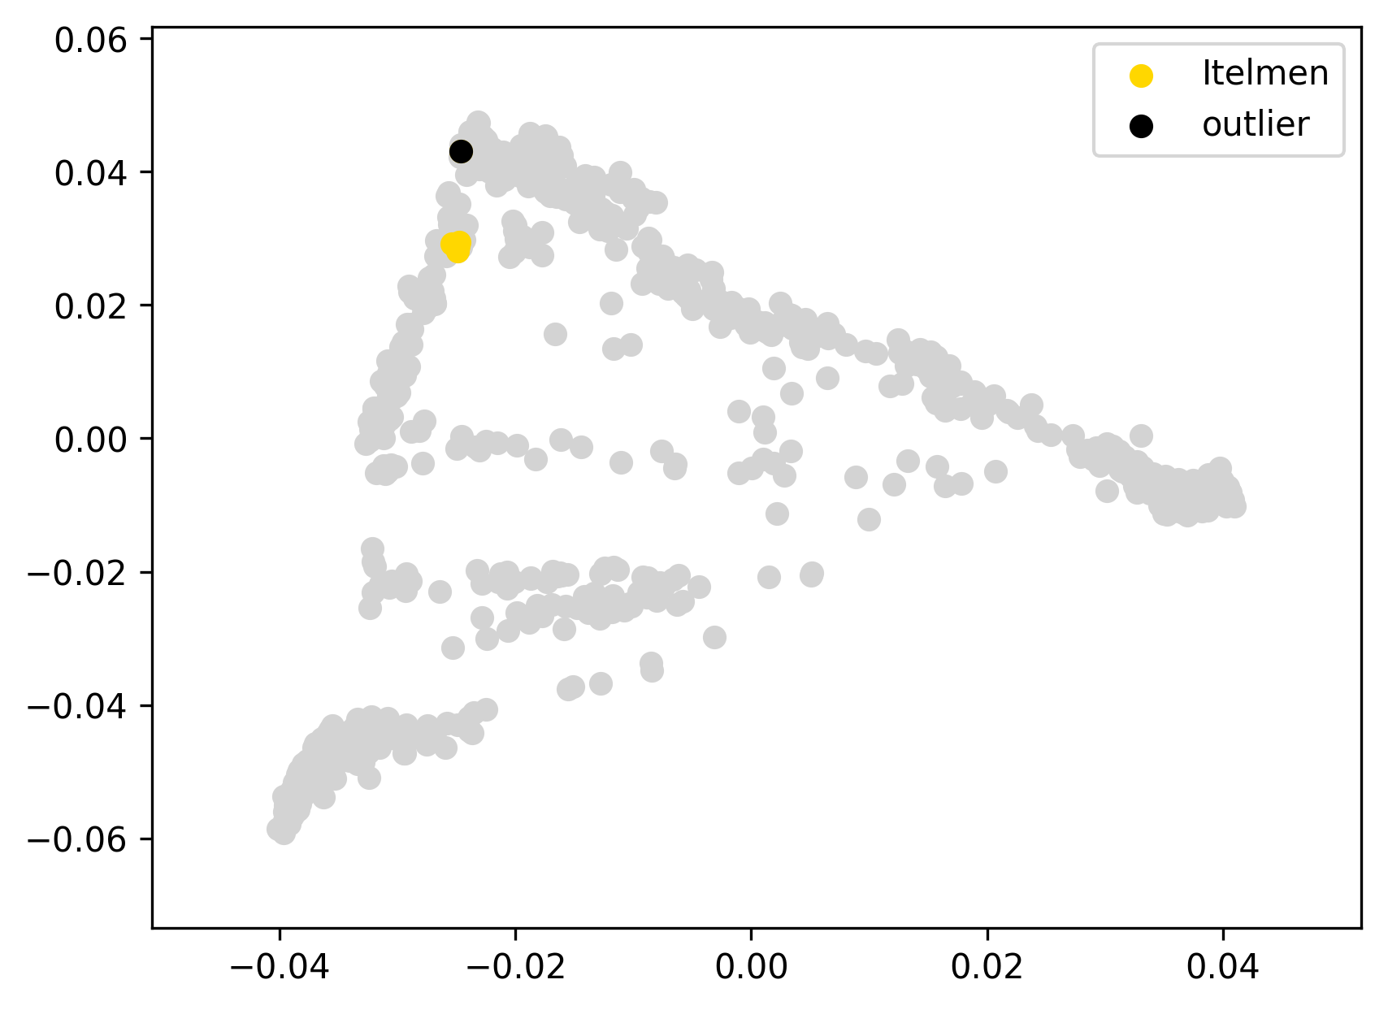 | 0.060 | 0% | 0% | 0% | 0% | 0% | 0% | 100% | 0% | 0% | 0% | 0% | 0% | 0% | 0% | 0%
Kor60 | Itelmen | 0 |  | 0.00 |  |  | 0.059 | 0% | 0% | 0% | 0% | 0% | 0% | 100% | 0% | 0% | 0% | 0% | 0% | 0% | 0% | 0%
Kor62 | Itelmen | 0 |  | 0.00 |  |  | 0.060 | 0% | 0% | 0% | 0% | 0% | 0% | 100% | 0% | 0% | 0% | 0% | 0% | 0% | 0% | 0%
Kor72 | Itelmen | 0 |  | -0.01 |  |  | 0.058 | 0% | 0% | 0% | 0% | 0% | 0% | 100% | 0% | 0% | 0% | 0% | 0% | 0% | 0% | 0%
Kor76 | Itelmen | 0 |  | -0.01 |  |  | 0.057 | 0% | 0% | 0% | 0% | 0% | 0% | 100% | 0% | 0% | 0% | 0% | 0% | 0% | 0% | 0%
Kor78 | Itelmen | 0 |  | 0.00 |  |  | 0.060 | 0% | 0% | 0% | 0% | 0% | 0% | 100% | 0% | 0% | 0% | 0% | 0% | 0% | 0% | 0%
Kor86 | Itelmen | outlier | SIB, SEA | 0.22 |  |  | 0.280 | 0% | 0% | 0% | 0% | 11% | 65% | 24% | 0% | 0% | 0% | 0% | 0% | 0% | 0% | 0%

gua27 | Kaqchikel | 0 |  | -0.01 |  | 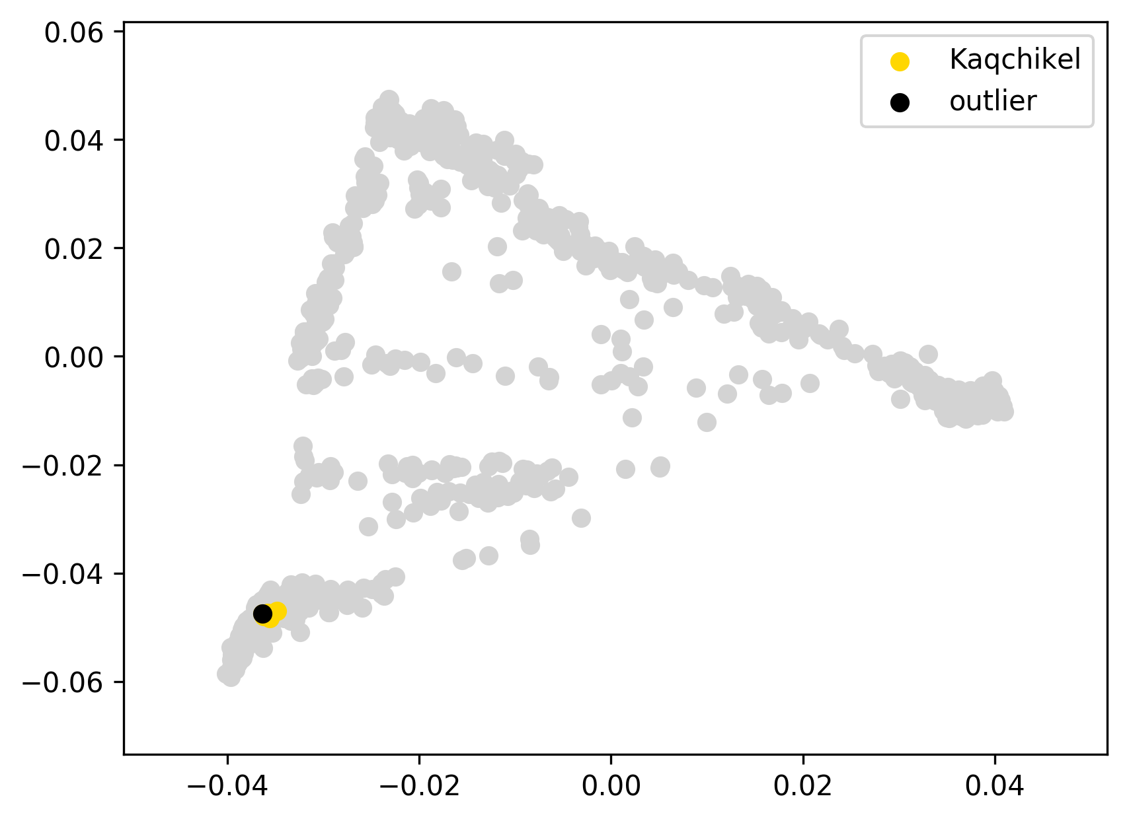 | 0.014 | 0% | 0% | 0% | 0% | 0% | 0% | 0% | 0% | 13% | 87% | 0% | 0% | 0% | 0% | 0%
gua35 | Kaqchikel | 0 |  | -0.01 |  |  | 0.015 | 1% | 1% | 0% | 0% | 0% | 0% | 0% | 0% | 12% | 87% | 0% | 0% | 0% | 0% | 0%
gua40 | Kaqchikel | 0 |  | -0.01 |  |  | 0.013 | 0% | 0% | 0% | 0% | 0% | 0% | 0% | 1% | 13% | 87% | 0% | 0% | 0% | 0% | 0%
gua44 | Kaqchikel | 0 |  | 0.00 |  |  | 0.020 | 1% | 1% | 0% | 0% | 0% | 0% | 0% | 1% | 12% | 86% | 0% | 0% | 0% | 0% | 0%
gua06 | Kaqchikel | outlier | SIB | -0.01 |  |  | 0.018 | 1% | 0% | 1% | 0% | 0% | 1% | 0% | 0% | 9% | 88% | 0% | 0% | 0% | 0% | 0%

HGDP00995 | Karitiana | 0 |  | -0.01 |  | 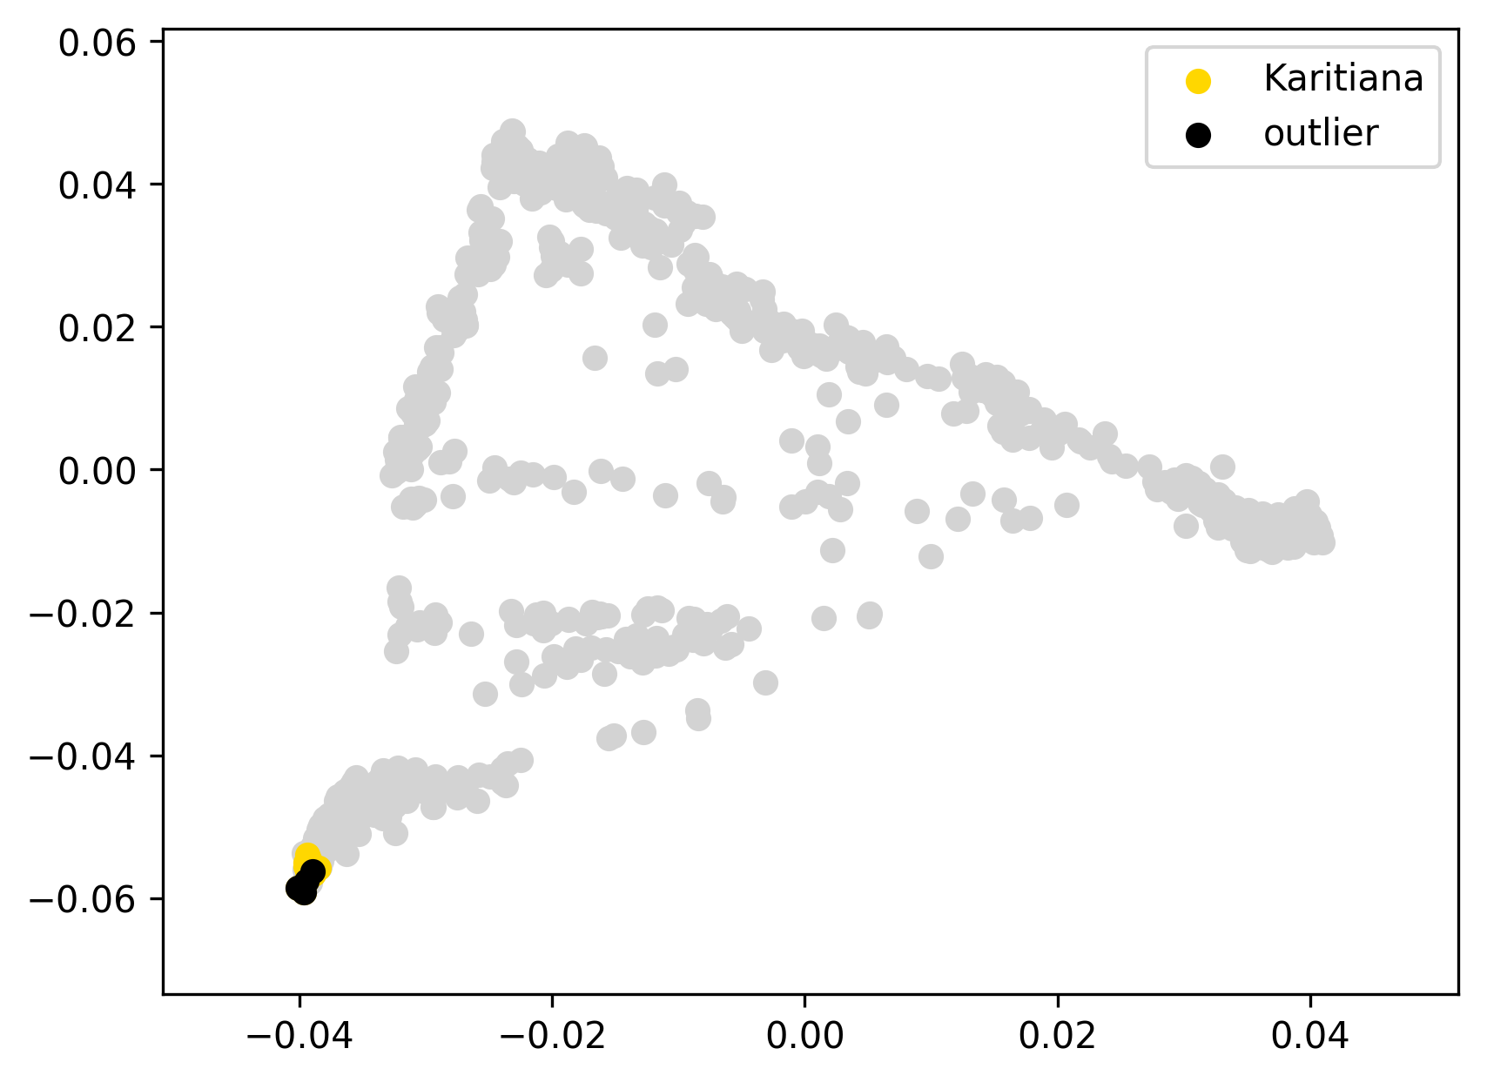 | 0.019 | 0% | 0% | 0% | 0% | 0% | 0% | 0% | 0% | 0% | 100% | 0% | 0% | 0% | 0% | 0%
HGDP00999 | Karitiana | 0 |  | -0.01 |  |  | 0.017 | 0% | 0% | 0% | 0% | 0% | 0% | 0% | 0% | 0% | 100% | 0% | 0% | 0% | 0% | 0%
HGDP01001 | Karitiana | 0 |  | -0.01 |  |  | 0.020 | 0% | 0% | 0% | 0% | 0% | 0% | 0% | 0% | 0% | 100% | 0% | 0% | 0% | 0% | 0%
HGDP01003 | Karitiana | 0 |  | -0.01 |  |  | 0.018 | 0% | 0% | 0% | 0% | 0% | 0% | 0% | 0% | 0% | 100% | 0% | 0% | 0% | 0% | 0%
HGDP01006 | Karitiana | 0 |  | -0.01 |  |  | 0.019 | 0% | 0% | 0% | 0% | 0% | 0% | 0% | 0% | 0% | 100% | 0% | 0% | 0% | 0% | 0%
HGDP01010 | Karitiana | 0 |  | -0.01 |  |  | 0.017 | 0% | 0% | 0% | 0% | 0% | 0% | 0% | 0% | 0% | 100% | 0% | 0% | 0% | 0% | 0%
HGDP01012 | Karitiana | 0 |  | -0.01 |  |  | 0.018 | 0% | 0% | 0% | 0% | 0% | 0% | 0% | 0% | 0% | 100% | 0% | 0% | 0% | 0% | 0%
HGDP01013 | Karitiana | 0 |  | -0.01 |  |  | 0.017 | 0% | 0% | 0% | 0% | 0% | 0% | 0% | 0% | 0% | 100% | 0% | 0% | 0% | 0% | 0%
HGDP01014 | Karitiana | 0 |  | -0.01 |  |  | 0.021 | 0% | 0% | 0% | 0% | 0% | 0% | 0% | 0% | 0% | 100% | 0% | 0% | 0% | 0% | 0%
HGDP01015 | Karitiana | 0 |  | -0.01 |  |  | 0.020 | 0% | 0% | 0% | 0% | 0% | 0% | 0% | 0% | 0% | 100% | 0% | 0% | 0% | 0% | 0%
HGDP01018 | Karitiana | 0 |  | 0.00 |  |  | 0.022 | 0% | 0% | 0% | 0% | 0% | 0% | 0% | 0% | 0% | 100% | 0% | 0% | 0% | 0% | 0%
HGDP01019 | Karitiana | 0 |  | -0.01 |  |  | 0.017 | 0% | 0% | 0% | 0% | 0% | 0% | 0% | 0% | 0% | 100% | 0% | 0% | 0% | 0% | 0%
Karitiana12 | Karitiana | outlier |  | 0.01 | from a different paper and location |  | 0.038 | 0% | 0% | 0% | 0% | 0% | 0% | 0% | 0% | 0% | 100% | 0% | 0% | 0% | 0% | 0%
Karitiana19 | Karitiana | outlier |  | 0.00 | from a different paper and location |  | 0.030 | 0% | 0% | 0% | 0% | 0% | 0% | 0% | 0% | 0% | 100% | 0% | 0% | 0% | 0% | 0%
Karitiana27 | Karitiana | outlier |  | -0.01 | from a different paper and location |  | 0.020 | 0% | 0% | 0% | 0% | 0% | 0% | 0% | 0% | 0% | 100% | 0% | 0% | 0% | 0% | 0%
Karitiana37 | Karitiana | outlier |  | 0.02 | from a different paper and location |  | 0.042 | 0% | 0% | 0% | 0% | 0% | 0% | 0% | 0% | 0% | 100% | 0% | 0% | 0% | 0% | 0%
Tuebingen101 | Ket | 0 |  | -0.02 |  | 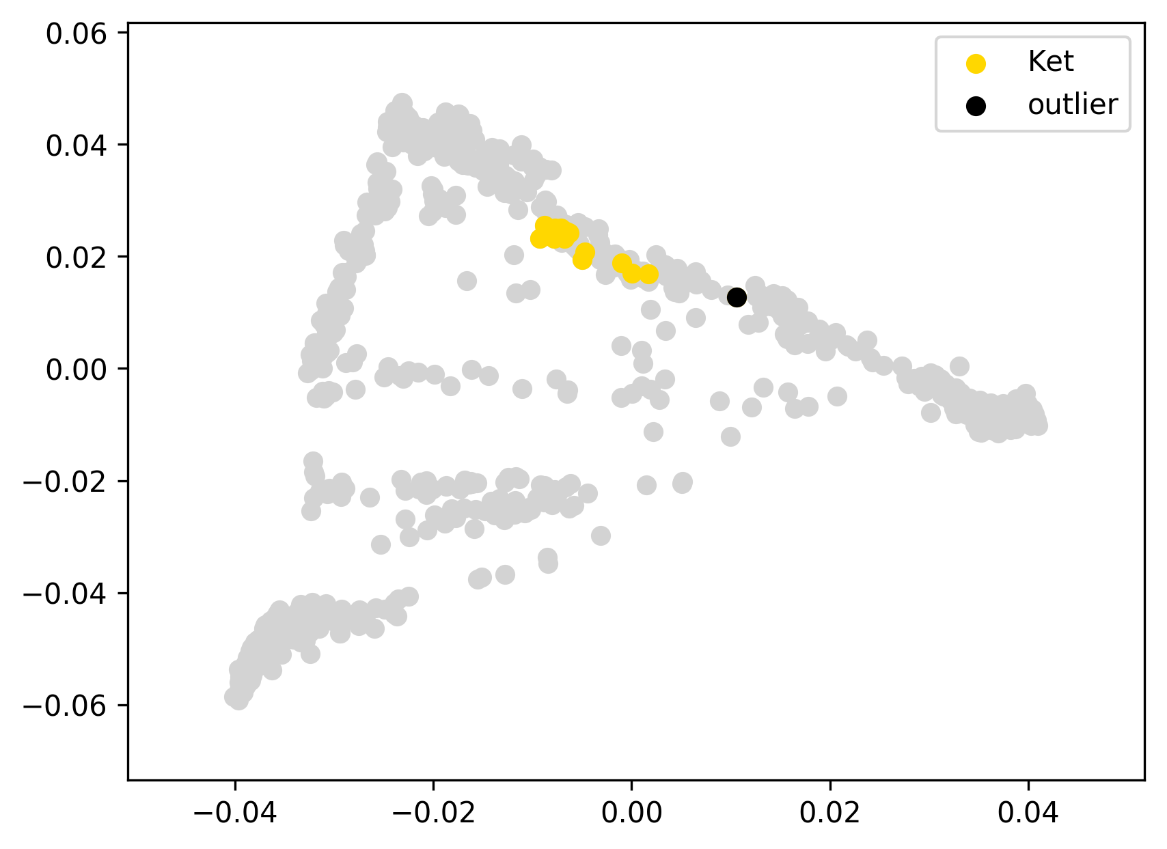 | 0.040 | 25% | 25% | 0% | 1% | 0% | 67% | 0% | 1% | 3% | 2% | 0% | 0% | 0% | 0% | 0%
Tuebingen103 | Ket | 0 |  | -0.02 |  |  | 0.036 | 28% | 28% | 0% | 0% | 0% | 65% | 1% | 2% | 2% | 2% | 0% | 0% | 0% | 0% | 0%
Tuebingen104 | Ket | 0 |  | -0.02 |  |  | 0.038 | 27% | 27% | 0% | 0% | 0% | 66% | 0% | 2% | 2% | 3% | 0% | 0% | 0% | 0% | 0%
Tuebingen49 | Ket | 0 |  | 0.01 | this mild ED outlier was not removed since it displays just a slightly elevated EUR admixture component |  | 0.064 | 36% | 36% | 0% | 3% | 0% | 54% | 1% | 1% | 2% | 2% | 0% | 0% | 0% | 0% | 0%
Tuebingen76 | Ket | 0 |  | -0.02 |  |  | 0.036 | 26% | 26% | 0% | 1% | 0% | 64% | 1% | 3% | 2% | 3% | 0% | 0% | 0% | 0% | 0%
Tuebingen80 | Ket | 0 |  | -0.02 |  |  | 0.038 | 26% | 26% | 0% | 0% | 0% | 67% | 0% | 0% | 1% | 5% | 0% | 0% | 0% | 0% | 0%
Tuebingen81 | Ket | 0 |  | -0.01 |  |  | 0.043 | 25% | 25% | 0% | 0% | 0% | 69% | 0% | 1% | 2% | 3% | 0% | 0% | 0% | 0% | 0%
Tuebingen82 | Ket | 0 |  | -0.02 |  |  | 0.039 | 25% | 25% | 0% | 0% | 0% | 68% | 0% | 1% | 2% | 3% | 0% | 0% | 0% | 0% | 0%
Tuebingen83 | Ket | 0 |  | -0.02 |  |  | 0.038 | 26% | 26% | 0% | 0% | 0% | 66% | 1% | 2% | 2% | 4% | 0% | 0% | 0% | 0% | 0%
Tuebingen87 | Ket | 0 |  | -0.01 |  |  | 0.040 | 24% | 24% | 0% | 1% | 0% | 67% | 0% | 2% | 3% | 4% | 0% | 0% | 0% | 0% | 0%
Tuebingen90 | Ket | 0 |  | -0.01 |  |  | 0.041 | 25% | 25% | 0% | 2% | 0% | 66% | 0% | 2% | 2% | 3% | 0% | 0% | 0% | 0% | 0%
Tuebingen91 | Ket | 0 |  | 0.03 | this mild ED outlier was not removed since it displays just a slightly elevated EUR admixture component |  | 0.082 | 42% | 42% | 0% | 2% | 0% | 52% | 0% | 1% | 1% | 3% | 0% | 0% | 0% | 0% | 0%
Tuebingen94 | Ket | 0 |  | -0.02 |  |  | 0.038 | 27% | 27% | 0% | 0% | 0% | 68% | 0% | 0% | 4% | 1% | 0% | 0% | 0% | 0% | 0%
Tuebingen95 | Ket | 0 |  | -0.02 |  |  | 0.035 | 27% | 27% | 0% | 1% | 0% | 65% | 0% | 1% | 3% | 3% | 0% | 0% | 0% | 0% | 0%
Tuebingen97 | Ket | 0 |  | -0.02 |  |  | 0.037 | 25% | 25% | 0% | 0% | 0% | 67% | 0% | 3% | 2% | 3% | 0% | 0% | 0% | 0% | 0%
TuebingenK15 | Ket | 0 |  | -0.01 |  |  | 0.047 | 33% | 33% | 0% | 0% | 0% | 60% | 0% | 2% | 2% | 4% | 0% | 0% | 0% | 0% | 0%
TuebingenK16 | Ket | 0 |  | -0.01 |  |  | 0.041 | 24% | 24% | 0% | 3% | 0% | 64% | 0% | 3% | 4% | 2% | 0% | 0% | 0% | 0% | 0%
TuebingenK17 | Ket | 0 |  | -0.02 |  |  | 0.035 | 28% | 28% | 0% | 0% | 0% | 64% | 0% | 2% | 1% | 4% | 0% | 0% | 0% | 0% | 0%
TuebingenK19 | Ket | 0 |  | 0.02 | this mild ED outlier was not removed since it displays just a slightly elevated EUR admixture component |  | 0.078 | 40% | 40% | 0% | 0% | 0% | 52% | 2% | 1% | 2% | 3% | 0% | 0% | 0% | 0% | 0%
TuebingenK22 | Ket | 0 |  | -0.01 |  |  | 0.044 | 34% | 34% | 0% | 0% | 0% | 59% | 1% | 2% | 3% | 2% | 0% | 0% | 0% | 0% | 0%
TuebingenK29 | Ket | 0 |  | -0.02 |  |  | 0.039 | 26% | 26% | 0% | 0% | 0% | 68% | 0% | 1% | 3% | 2% | 0% | 0% | 0% | 0% | 0%
TuebingenK31 | Ket | 0 |  | 0.03 | this mild ED outlier was not removed since it displays a typical ADMIXTURE profile |  | 0.088 | 27% | 27% | 0% | 2% | 0% | 63% | 0% | 2% | 2% | 2% | 0% | 0% | 0% | 0% | 1%
TuebingenK7 | Ket | 0 |  | -0.02 |  |  | 0.039 | 28% | 28% | 0% | 0% | 0% | 64% | 2% | 0% | 1% | 4% | 0% | 0% | 0% | 0% | 0%
Tuebingen69 | Ket | outlier | EUR+ME, SEA, C-K | 0.13 |  |  | 0.189 | 57% | 55% | 2% | 0% | 7% | 29% | 6% | 1% | 1% | 0% | 0% | 0% | 0% | 0% | 0%
Kor16 | Koryak | 0 |  | -0.02 |  | 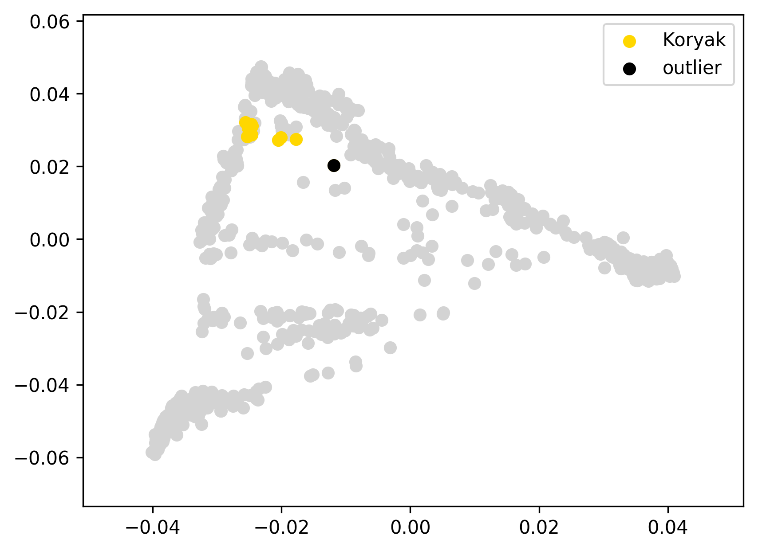 | 0.061 | 0% | 0% | 0% | 0% | 0% | 0% | 100% | 0% | 0% | 0% | 0% | 0% | 0% | 0% | 0%
Kor2 | Koryak | 0 |  | -0.03 |  |  | 0.048 | 0% | 0% | 0% | 0% | 0% | 1% | 96% | 3% | 0% | 0% | 0% | 0% | 0% | 0% | 0%
Kor22 | Koryak | 0 |  | -0.03 |  |  | 0.052 | 0% | 0% | 0% | 0% | 0% | 0% | 100% | 0% | 0% | 0% | 0% | 0% | 0% | 0% | 0%
Kor30 | Koryak | 0 |  | -0.02 |  |  | 0.062 | 0% | 0% | 0% | 0% | 0% | 10% | 89% | 0% | 1% | 0% | 0% | 0% | 0% | 0% | 0%
Kor31 | Koryak | 0 |  | -0.01 |  |  | 0.069 | 6% | 6% | 0% | 0% | 0% | 0% | 94% | 0% | 0% | 0% | 0% | 0% | 0% | 0% | 0%
Kor33 | Koryak | 0 |  | -0.02 |  |  | 0.055 | 8% | 8% | 0% | 0% | 0% | 1% | 91% | 0% | 0% | 0% | 0% | 0% | 0% | 0% | 0%
Kor35 | Koryak | 0 |  | -0.03 |  |  | 0.049 | 0% | 0% | 0% | 0% | 1% | 3% | 96% | 0% | 0% | 0% | 0% | 0% | 0% | 0% | 0%
Kor40 | Koryak | 0 |  | -0.02 |  |  | 0.052 | 0% | 0% | 0% | 0% | 0% | 0% | 97% | 3% | 0% | 0% | 0% | 0% | 0% | 0% | 0%
Kor49 | Koryak | 0 |  | -0.01 |  |  | 0.064 | 0% | 0% | 0% | 0% | 0% | 0% | 100% | 0% | 0% | 0% | 0% | 0% | 0% | 0% | 0%
Kor54 | Koryak | 0 |  | -0.02 |  |  | 0.054 | 0% | 0% | 0% | 0% | 0% | 0% | 100% | 0% | 0% | 0% | 0% | 0% | 0% | 0% | 0%
Kor61 | Koryak | 0 |  | -0.03 |  |  | 0.048 | 0% | 0% | 0% | 0% | 0% | 0% | 100% | 0% | 0% | 0% | 0% | 0% | 0% | 0% | 0%
Kor66 | Koryak | 0 |  | -0.02 |  |  | 0.061 | 0% | 0% | 0% | 0% | 0% | 8% | 92% | 0% | 0% | 0% | 0% | 0% | 0% | 0% | 0%
Kor39 | Koryak | outlier | EUR+ME | 0.05 |  |  | 0.125 | 22% | 22% | 0% | 0% | 0% | 2% | 74% | 0% | 0% | 0% | 0% | 0% | 0% | 0% | 0%
Mansi48 | Mansi | 0 |  | -0.01 |  | 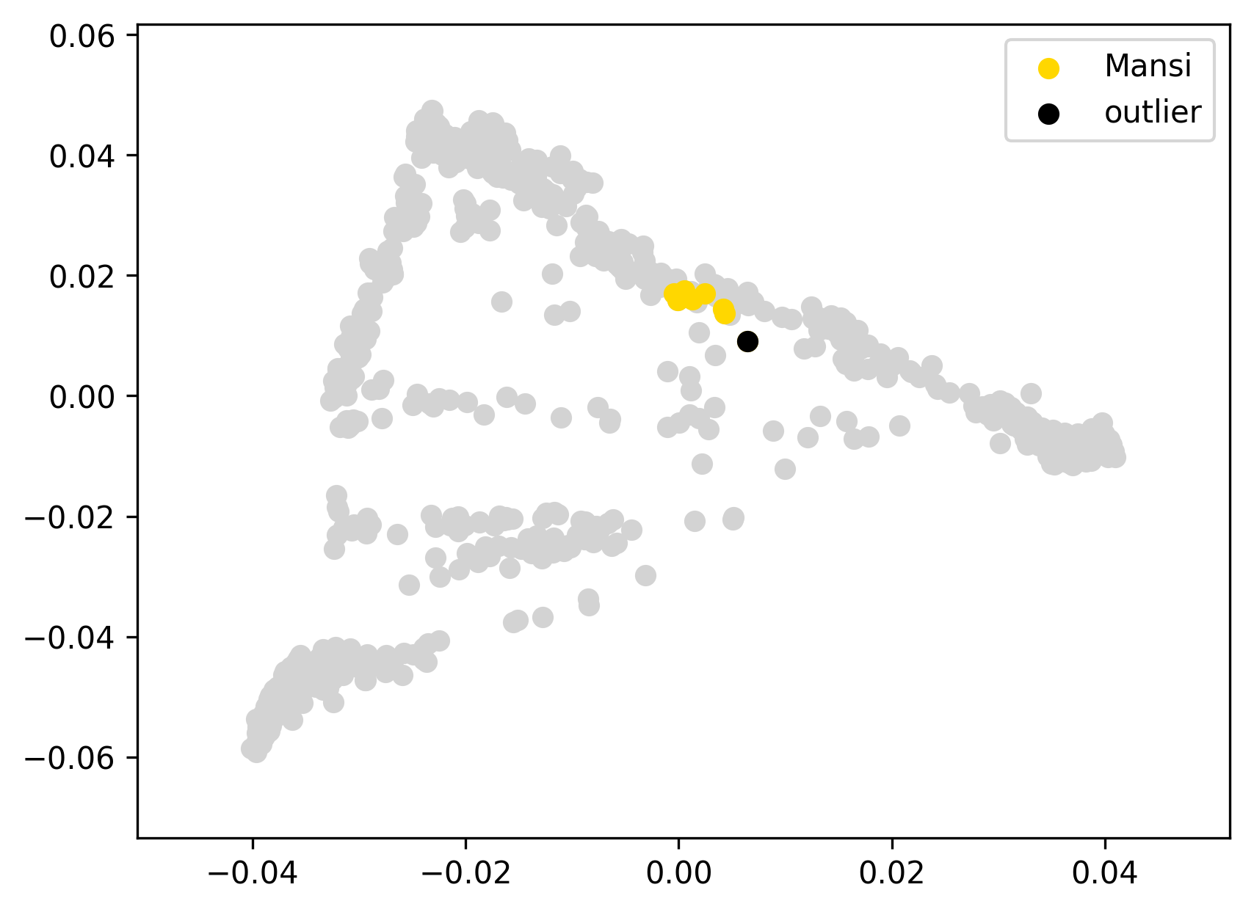 | 0.034 | 46% | 46% | 0% | 1% | 1% | 39% | 6% | 4% | 0% | 2% | 0% | 0% | 0% | 0% | 0%
Mansi56 | Mansi | 0 |  | -0.01 |  |  | 0.032 | 45% | 45% | 0% | 3% | 0% | 41% | 5% | 4% | 2% | 0% | 0% | 0% | 0% | 0% | 0%
Mansi76 | Mansi | 0 |  | -0.01 |  |  | 0.034 | 38% | 38% | 0% | 4% | 0% | 47% | 5% | 3% | 1% | 2% | 0% | 0% | 0% | 0% | 0%
Mansi79 | Mansi | 0 |  | -0.01 |  |  | 0.031 | 39% | 39% | 0% | 2% | 1% | 46% | 4% | 1% | 2% | 3% | 0% | 0% | 0% | 0% | 0%
Mansi84 | Mansi | 0 |  | -0.01 |  |  | 0.034 | 41% | 41% | 0% | 0% | 0% | 49% | 6% | 2% | 0% | 2% | 0% | 0% | 0% | 0% | 0%
Mansi91 | Mansi | 0 |  | -0.01 |  |  | 0.028 | 44% | 44% | 0% | 0% | 1% | 45% | 5% | 2% | 0% | 2% | 0% | 0% | 0% | 0% | 0%
Mansi94 | Mansi | 0 |  | -0.01 |  |  | 0.028 | 43% | 43% | 0% | 0% | 0% | 46% | 5% | 3% | 1% | 1% | 0% | 0% | 0% | 0% | 1%
Mansi43 | Mansi | outlier |  | 0.01 |  |  | 0.054 | 52% | 52% | 0% | 1% | 0% | 35% | 5% | 1% | 4% | 2% | 0% | 0% | 0% | 0% | 0%

HGDP00854 | Maya | 0 |  | -0.04 |  | 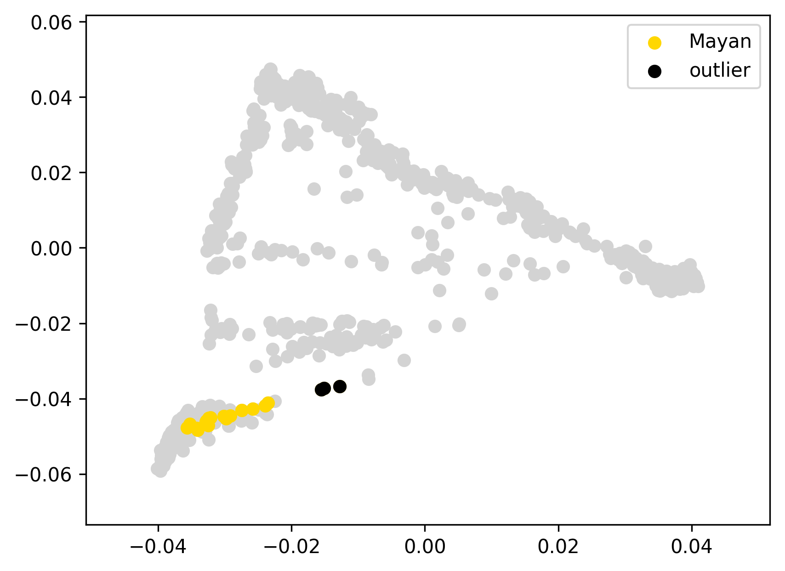 | 0.050 | 7% | 5% | 3% | 0% | 0% | 0% | 0% | 2% | 12% | 78% | 1% | 0% | 0% | 0% | 0%
HGDP00855 | Maya | 0 |  | -0.03 |  |  | 0.063 | 1% | 1% | 0% | 0% | 1% | 1% | 0% | 0% | 11% | 86% | 0% | 0% | 0% | 0% | 0%
HGDP00856 | Maya | 0 |  | -0.04 |  |  | 0.053 | 5% | 5% | 0% | 0% | 0% | 0% | 0% | 1% | 13% | 82% | 0% | 0% | 0% | 0% | 0%
HGDP00857 | Maya | 0 |  | -0.02 |  |  | 0.067 | 1% | 0% | 0% | 0% | 0% | 0% | 0% | 0% | 11% | 88% | 0% | 0% | 0% | 0% | 0%
HGDP00858 | Maya | 0 |  | -0.04 |  |  | 0.051 | 6% | 5% | 1% | 0% | 0% | 0% | 0% | 0% | 10% | 83% | 0% | 0% | 0% | 0% | 0%
HGDP00859 | Maya | 0 |  | -0.04 |  |  | 0.053 | 4% | 3% | 1% | 1% | 0% | 0% | 0% | 1% | 11% | 82% | 2% | 0% | 0% | 0% | 0%
HGDP00861 | Maya | 0 |  | -0.02 |  |  | 0.071 | 15% | 11% | 4% | 0% | 0% | 0% | 0% | 1% | 8% | 72% | 3% | 0% | 0% | 0% | 0%
HGDP00862 | Maya | 0 |  | -0.04 |  |  | 0.050 | 10% | 7% | 3% | 0% | 0% | 0% | 0% | 0% | 10% | 79% | 0% | 0% | 0% | 0% | 0%
HGDP00863 | Maya | 0 |  | -0.02 |  |  | 0.070 | 5% | 3% | 2% | 0% | 0% | 1% | 0% | 0% | 11% | 78% | 5% | 0% | 0% | 0% | 0%
HGDP00864 | Maya | 0 |  | -0.04 |  |  | 0.053 | 4% | 3% | 2% | 0% | 0% | 1% | 0% | 0% | 11% | 83% | 0% | 0% | 0% | 0% | 0%
HGDP00865 | Maya | 0 |  | -0.03 |  |  | 0.061 | 3% | 0% | 3% | 0% | 1% | 0% | 0% | 1% | 9% | 85% | 1% | 0% | 0% | 0% | 0%
HGDP00868 | Maya | 0 |  | -0.03 |  |  | 0.060 | 12% | 8% | 4% | 0% | 0% | 0% | 0% | 0% | 11% | 74% | 3% | 0% | 0% | 0% | 0%
HGDP00869 | Maya | 0 |  | -0.02 |  |  | 0.068 | 17% | 10% | 7% | 0% | 1% | 0% | 0% | 0% | 9% | 72% | 1% | 0% | 0% | 0% | 0%
HGDP00870 | Maya | 0 |  | -0.04 |  |  | 0.051 | 6% | 6% | 0% | 0% | 0% | 0% | 0% | 0% | 12% | 82% | 0% | 0% | 0% | 0% | 0%
HGDP00872 | Maya | 0 |  | -0.04 |  |  | 0.051 | 5% | 5% | 1% | 1% | 0% | 0% | 0% | 0% | 11% | 82% | 1% | 0% | 0% | 0% | 0%
HGDP00873 | Maya | 0 |  | -0.03 |  |  | 0.059 | 3% | 3% | 0% | 0% | 0% | 0% | 0% | 1% | 10% | 85% | 0% | 0% | 0% | 0% | 0%
HGDP00875 | Maya | 0 |  | -0.03 |  |  | 0.057 | 6% | 4% | 1% | 0% | 0% | 0% | 0% | 0% | 11% | 79% | 4% | 0% | 0% | 0% | 0%
HGDP00877 | Maya | 0 |  | -0.04 |  |  | 0.056 | 11% | 10% | 2% | 0% | 0% | 0% | 0% | 2% | 10% | 76% | 1% | 0% | 0% | 0% | 0%
HGDP00860 | Maya | outlier | EUR+ME | 0.04 |  |  | 0.135 | 29% | 21% | 8% | 0% | 0% | 0% | 0% | 0% | 8% | 58% | 4% | 0% | 0% | 0% | 0%
HGDP00871 | Maya | outlier | EUR+ME | 0.02 |  |  | 0.115 | 26% | 18% | 8% | 0% | 0% | 0% | 0% | 0% | 8% | 62% | 2% | 0% | 0% | 0% | 0%
HGDP00876 | Maya | outlier | EUR+ME | 0.03 |  |  | 0.119 | 28% | 19% | 9% | 0% | 0% | 0% | 0% | 1% | 7% | 62% | 1% | 0% | 0% | 0% | 0%
Mixa0001 | Mixtec | 0 |  | -0.01 |  | 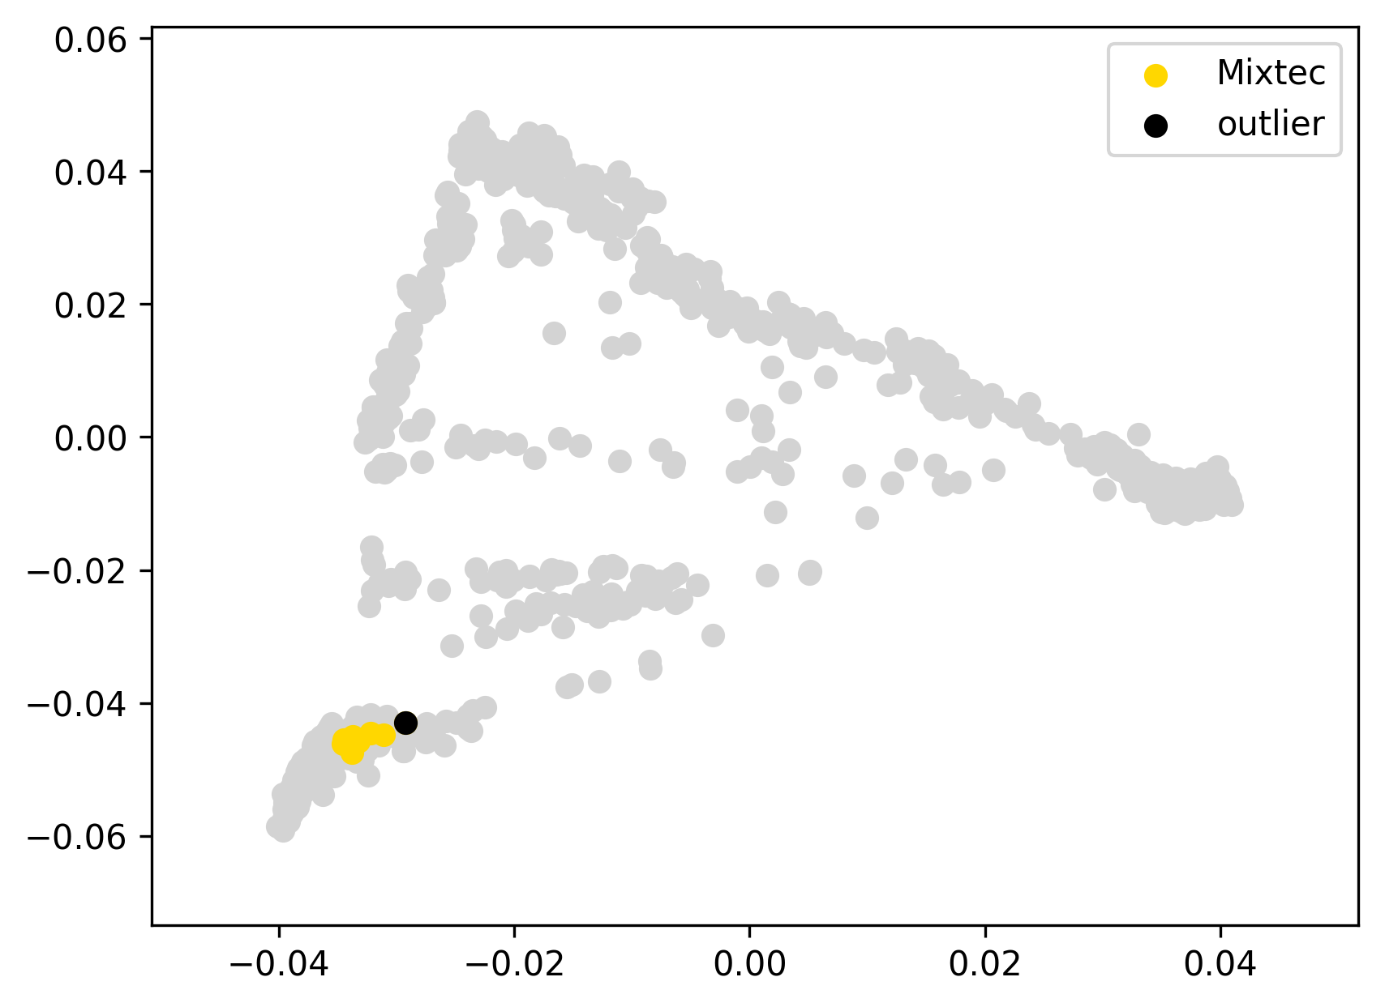 | 0.027 | 2% | 2% | 0% | 0% | 0% | 0% | 0% | 1% | 15% | 81% | 0% | 0% | 0% | 0% | 0%
Mixa0016 | Mixtec | 0 |  | -0.01 |  |  | 0.021 | 1% | 0% | 1% | 0% | 1% | 1% | 0% | 0% | 15% | 82% | 0% | 0% | 0% | 0% | 0%
Mixa0018 | Mixtec | 0 |  | -0.01 |  |  | 0.021 | 2% | 1% | 1% | 0% | 0% | 1% | 0% | 0% | 15% | 82% | 0% | 0% | 0% | 0% | 0%
Mixa0024 | Mixtec | 0 |  | -0.01 |  |  | 0.021 | 1% | 1% | 1% | 1% | 0% | 0% | 1% | 0% | 14% | 82% | 1% | 0% | 0% | 0% | 0%
Mixa0049 | Mixtec | 0 |  | -0.01 |  |  | 0.026 | 1% | 0% | 1% | 1% | 0% | 0% | 1% | 0% | 14% | 83% | 0% | 0% | 0% | 0% | 0%
Mixa0061 | Mixtec | 0 |  | -0.01 |  |  | 0.020 | 1% | 1% | 0% | 0% | 0% | 0% | 0% | 0% | 16% | 81% | 1% | 0% | 0% | 0% | 0%
Mixa0078 | Mixtec | 0 |  | -0.01 |  |  | 0.022 | 1% | 1% | 0% | 0% | 0% | 0% | 0% | 0% | 16% | 82% | 1% | 0% | 0% | 0% | 0%
Mixa0087 | Mixtec | 0 |  | -0.01 |  |  | 0.028 | 4% | 4% | 1% | 0% | 0% | 1% | 0% | 1% | 16% | 77% | 1% | 0% | 0% | 0% | 0%
Mixa0093 | Mixtec | 0 |  | -0.01 |  |  | 0.025 | 4% | 4% | 0% | 0% | 1% | 0% | 0% | 0% | 14% | 79% | 2% | 0% | 0% | 0% | 0%
Mixa0002 | Mixtec | outlier | EUR+ME | 0.00 |  |  | 0.039 | 9% | 9% | 0% | 1% | 0% | 1% | 0% | 0% | 14% | 75% | 0% | 0% | 0% | 0% | 0%

ADR00504 | Nganasan | 0 |  | -0.02 |  | 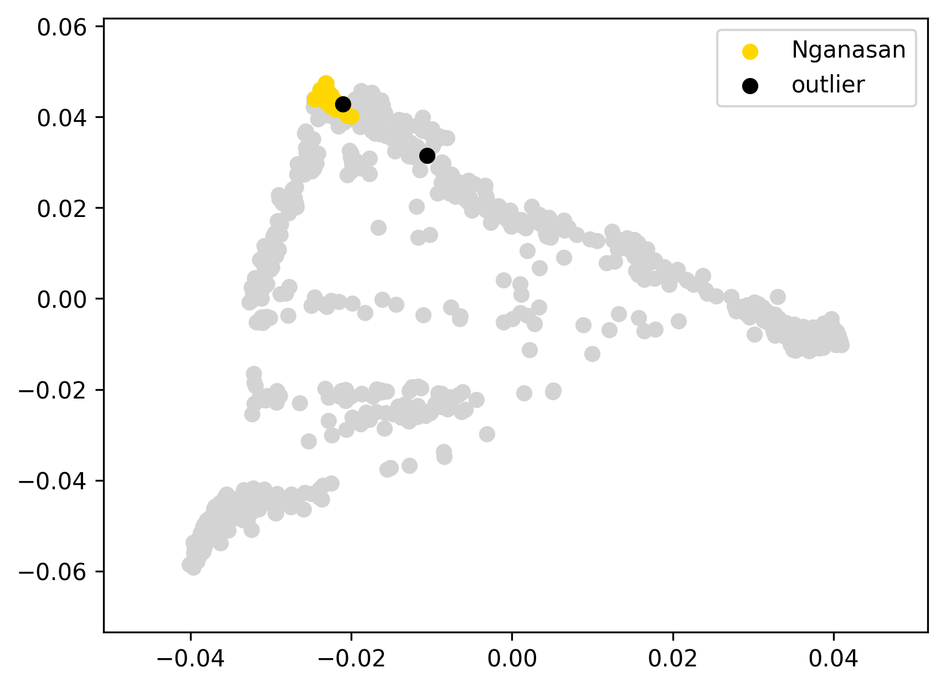 | 0.026 | 0% | 0% | 0% | 0% | 0% | 100% | 0% | 0% | 0% | 0% | 0% | 0% | 0% | 0% | 0%
ADR00507 | Nganasan | 0 |  | -0.02 |  |  | 0.028 | 0% | 0% | 0% | 0% | 0% | 100% | 0% | 0% | 0% | 0% | 0% | 0% | 0% | 0% | 0%
ADR00508 | Nganasan | 0 |  | -0.02 |  |  | 0.028 | 0% | 0% | 0% | 0% | 0% | 100% | 0% | 0% | 0% | 0% | 0% | 0% | 0% | 0% | 0%
ADR00509 | Nganasan | 0 |  | -0.02 |  |  | 0.027 | 0% | 0% | 0% | 0% | 0% | 100% | 0% | 0% | 0% | 0% | 0% | 0% | 0% | 0% | 0%
ADR00510 | Nganasan | 0 |  | -0.02 |  |  | 0.027 | 0% | 0% | 0% | 0% | 0% | 100% | 0% | 0% | 0% | 0% | 0% | 0% | 0% | 0% | 0%
ADR00511 | Nganasan | 0 |  | -0.02 |  |  | 0.028 | 0% | 0% | 0% | 0% | 0% | 100% | 0% | 0% | 0% | 0% | 0% | 0% | 0% | 0% | 0%
ADR00512 | Nganasan | 0 |  | -0.02 |  |  | 0.026 | 0% | 0% | 0% | 0% | 0% | 100% | 0% | 0% | 0% | 0% | 0% | 0% | 0% | 0% | 0%
ADR00513 | Nganasan | 0 |  | -0.01 |  |  | 0.032 | 0% | 0% | 0% | 0% | 0% | 100% | 0% | 0% | 0% | 0% | 0% | 0% | 0% | 0% | 0%
ADR00514 | Nganasan | 0 |  | -0.01 |  |  | 0.034 | 0% | 0% | 0% | 0% | 0% | 99% | 0% | 1% | 0% | 0% | 0% | 0% | 0% | 0% | 0%
ADR00515 | Nganasan | 0 |  | 0.01 | this mild ED outlier was not removed since it displays a typical ADMIXTURE profile |  | 0.056 | 0% | 0% | 0% | 0% | 0% | 100% | 0% | 0% | 0% | 0% | 0% | 0% | 0% | 0% | 0%
Nga_052 | Nganasan | 0 |  | 0.00 |  |  | 0.048 | 4% | 4% | 0% | 0% | 0% | 93% | 2% | 0% | 0% | 1% | 0% | 0% | 0% | 0% | 0%
Ngfn21 | Nganasan | 0 |  | 0.01 | this mild ED outlier was not removed since it displays a typical ADMIXTURE profile |  | 0.055 | 0% | 0% | 0% | 0% | 0% | 100% | 0% | 0% | 0% | 0% | 0% | 0% | 0% | 0% | 0%
Nov_005 | Nganasan | 0 |  | -0.01 |  |  | 0.032 | 0% | 0% | 0% | 0% | 0% | 100% | 0% | 0% | 0% | 0% | 0% | 0% | 0% | 0% | 0%
Tuebingen06 | Nganasan | 0 |  | -0.01 |  |  | 0.034 | 1% | 0% | 1% | 0% | 0% | 97% | 1% | 1% | 0% | 0% | 0% | 0% | 0% | 0% | 0%
Tuebingen07 | Nganasan | 0 |  | -0.01 |  |  | 0.032 | 0% | 0% | 0% | 0% | 0% | 100% | 0% | 0% | 0% | 0% | 0% | 0% | 0% | 0% | 0%
Tuebingen106 | Nganasan | 0 |  | -0.02 |  |  | 0.026 | 0% | 0% | 0% | 0% | 0% | 100% | 0% | 0% | 0% | 0% | 0% | 0% | 0% | 0% | 0%
Tuebingen111 | Nganasan | 0 |  | -0.02 |  |  | 0.027 | 0% | 0% | 0% | 0% | 0% | 100% | 0% | 0% | 0% | 0% | 0% | 0% | 0% | 0% | 0%
Tuebingen112 | Nganasan | 0 |  | -0.01 |  |  | 0.029 | 0% | 0% | 0% | 0% | 0% | 100% | 0% | 0% | 0% | 0% | 0% | 0% | 0% | 0% | 0%
Tuebingen114 | Nganasan | 0 |  | 0.00 |  |  | 0.040 | 2% | 2% | 0% | 0% | 0% | 97% | 0% | 1% | 1% | 0% | 0% | 0% | 0% | 0% | 0%
Tuebingen116 | Nganasan | 0 |  | -0.02 |  |  | 0.029 | 0% | 0% | 0% | 0% | 0% | 100% | 0% | 0% | 0% | 0% | 0% | 0% | 0% | 0% | 0%
Tuebingen119 | Nganasan | 0 |  | -0.02 |  |  | 0.026 | 0% | 0% | 0% | 0% | 0% | 100% | 0% | 0% | 0% | 0% | 0% | 0% | 0% | 0% | 0%
Tuebingen12 | Nganasan | 0 |  | -0.01 |  |  | 0.029 | 0% | 0% | 0% | 0% | 0% | 100% | 0% | 0% | 0% | 0% | 0% | 0% | 0% | 0% | 0%
Tuebingen121 | Nganasan | 0 |  | -0.01 |  |  | 0.031 | 0% | 0% | 0% | 0% | 0% | 100% | 0% | 0% | 0% | 0% | 0% | 0% | 0% | 0% | 0%
Tuebingen123 | Nganasan | 0 |  | -0.02 |  |  | 0.028 | 0% | 0% | 0% | 0% | 0% | 100% | 0% | 0% | 0% | 0% | 0% | 0% | 0% | 0% | 0%
Tuebingen124 | Nganasan | 0 |  | -0.02 |  |  | 0.027 | 0% | 0% | 0% | 0% | 0% | 100% | 0% | 0% | 0% | 0% | 0% | 0% | 0% | 0% | 0%
Tuebingen126 | Nganasan | 0 |  | -0.01 |  |  | 0.031 | 0% | 0% | 0% | 0% | 0% | 99% | 0% | 1% | 0% | 0% | 0% | 0% | 0% | 0% | 0%
Tuebingen127 | Nganasan | 0 |  | -0.01 |  |  | 0.030 | 0% | 0% | 0% | 0% | 0% | 100% | 0% | 0% | 0% | 0% | 0% | 0% | 0% | 0% | 0%
Tuebingen14 | Nganasan | 0 |  | -0.01 |  |  | 0.034 | 0% | 0% | 0% | 0% | 0% | 99% | 0% | 1% | 0% | 0% | 0% | 0% | 0% | 0% | 0%
Tuebingen17 | Nganasan | 0 |  | -0.01 |  |  | 0.029 | 0% | 0% | 0% | 0% | 0% | 99% | 0% | 0% | 0% | 1% | 0% | 0% | 0% | 0% | 0%
Tuebingen19 | Nganasan | 0 |  | -0.02 |  |  | 0.026 | 0% | 0% | 0% | 0% | 0% | 100% | 0% | 0% | 0% | 0% | 0% | 0% | 0% | 0% | 0%
Tuebingen21 | Nganasan | 0 |  | -0.01 |  |  | 0.030 | 0% | 0% | 0% | 0% | 0% | 100% | 0% | 0% | 0% | 0% | 0% | 0% | 0% | 0% | 0%
Tuebingen23 | Nganasan | 0 |  | 0.00 |  |  | 0.041 | 0% | 0% | 0% | 0% | 0% | 100% | 0% | 0% | 0% | 0% | 0% | 0% | 0% | 0% | 0%
Tuebingen25 | Nganasan | 0 |  | -0.02 |  |  | 0.028 | 0% | 0% | 0% | 0% | 0% | 100% | 0% | 0% | 0% | 0% | 0% | 0% | 0% | 0% | 0%
Tuebingen27 | Nganasan | 0 |  | -0.02 |  |  | 0.027 | 0% | 0% | 0% | 0% | 0% | 100% | 0% | 0% | 0% | 0% | 0% | 0% | 0% | 0% | 0%
Tuebingen28 | Nganasan | 0 |  | -0.01 |  |  | 0.032 | 0% | 0% | 0% | 0% | 0% | 100% | 0% | 0% | 0% | 0% | 0% | 0% | 0% | 0% | 0%
Nga_051 | Nganasan | outlier | EUR+ME, C-K | 0.11 |  |  | 0.157 | 21% | 21% | 0% | 0% | 1% | 69% | 6% | 1% | 1% | 1% | 0% | 0% | 0% | 0% | 0%
Tuebingen26 | Nganasan | outlier |  | 0.04 |  |  | 0.085 | 2% | 2% | 0% | 0% | 0% | 98% | 0% | 0% | 0% | 0% | 0% | 0% | 0% | 0% | 0%
Oj1111 | Ojibwa | 0 |  | -0.04 |  | 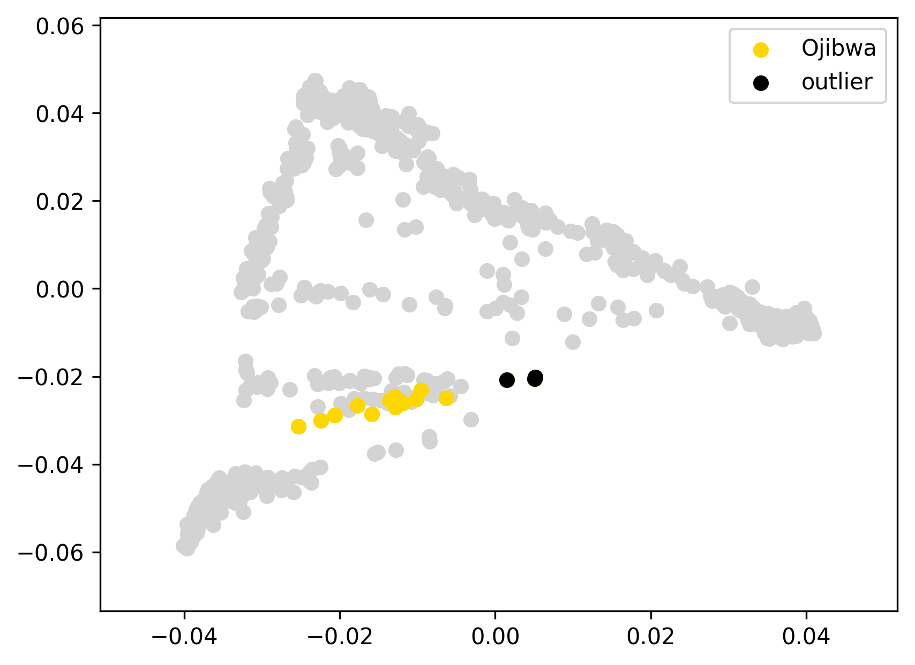 | 0.118 | 9% | 9% | 0% | 0% | 0% | 1% | 1% | 0% | 47% | 42% | 0% | 0% | 0% | 0% | 0%
Oj1124 | Ojibwa | 0 |  | -0.07 |  |  | 0.088 | 16% | 16% | 0% | 0% | 0% | 1% | 0% | 0% | 47% | 36% | 0% | 0% | 0% | 0% | 0%
Oj1131 | Ojibwa | 0 |  | -0.10 |  |  | 0.058 | 28% | 28% | 0% | 0% | 0% | 0% | 1% | 0% | 41% | 29% | 0% | 0% | 0% | 0% | 0%
Oj1136 | Ojibwa | 0 |  | -0.09 |  |  | 0.065 | 23% | 23% | 0% | 0% | 0% | 1% | 0% | 0% | 42% | 34% | 0% | 0% | 0% | 0% | 0%
Oj1250 | Ojibwa | 0 |  | -0.10 |  |  | 0.058 | 28% | 28% | 0% | 0% | 0% | 1% | 0% | 0% | 38% | 33% | 0% | 0% | 0% | 0% | 0%
Oj1260 | Ojibwa | 0 |  | -0.10 |  |  | 0.057 | 27% | 27% | 0% | 0% | 2% | 0% | 1% | 0% | 40% | 31% | 0% | 0% | 0% | 0% | 0%
Oj1262 | Ojibwa | 0 |  | -0.10 |  |  | 0.060 | 31% | 31% | 0% | 0% | 0% | 2% | 0% | 0% | 38% | 28% | 0% | 0% | 0% | 0% | 0%
Oj1273 | Ojibwa | 0 |  | -0.10 |  |  | 0.064 | 31% | 31% | 0% | 0% | 1% | 0% | 2% | 0% | 41% | 25% | 0% | 0% | 0% | 0% | 0%
Oj958 | Ojibwa | 0 |  | -0.10 |  |  | 0.059 | 27% | 27% | 0% | 0% | 0% | 0% | 2% | 0% | 41% | 30% | 0% | 0% | 0% | 0% | 0%
Oj967 | Ojibwa | 0 |  | -0.10 |  |  | 0.060 | 27% | 27% | 0% | 0% | 2% | 1% | 1% | 2% | 36% | 31% | 0% | 0% | 0% | 0% | 0%
Oj968_new | Ojibwa | 0 |  | -0.10 |  |  | 0.059 | 28% | 28% | 0% | 0% | 0% | 0% | 0% | 0% | 42% | 29% | 0% | 0% | 0% | 0% | 0%
Oj970 | Ojibwa | 0 |  | -0.08 |  |  | 0.077 | 38% | 37% | 1% | 0% | 0% | 0% | 0% | 1% | 33% | 28% | 0% | 0% | 0% | 0% | 0%
Oj983 | Ojibwa | 0 |  | -0.09 |  |  | 0.071 | 20% | 20% | 0% | 0% | 1% | 2% | 0% | 0% | 42% | 34% | 0% | 0% | 0% | 0% | 0%
Oj985 | Ojibwa | 0 |  | -0.06 |  |  | 0.099 | 13% | 13% | 0% | 0% | 0% | 1% | 1% | 0% | 48% | 38% | 0% | 0% | 0% | 0% | 0%
Oj1112 | Ojibwa | outlier | EUR+ME | -0.02 |  |  | 0.142 | 54% | 54% | 0% | 0% | 0% | 1% | 0% | 0% | 27% | 19% | 0% | 0% | 0% | 0% | 0%
Oj1143 | Ojibwa | outlier | EUR+ME | -0.04 |  |  | 0.117 | 47% | 47% | 0% | 0% | 0% | 1% | 1% | 0% | 30% | 20% | 0% | 0% | 0% | 0% | 0%
Oj1285 | Ojibwa | outlier | EUR+ME | -0.02 |  |  | 0.142 | 54% | 54% | 0% | 0% | 0% | 0% | 0% | 0% | 27% | 18% | 0% | 0% | 0% | 0% | 0%
HGDP00702 | Piapoco | 0 |  | 0.00 |  | 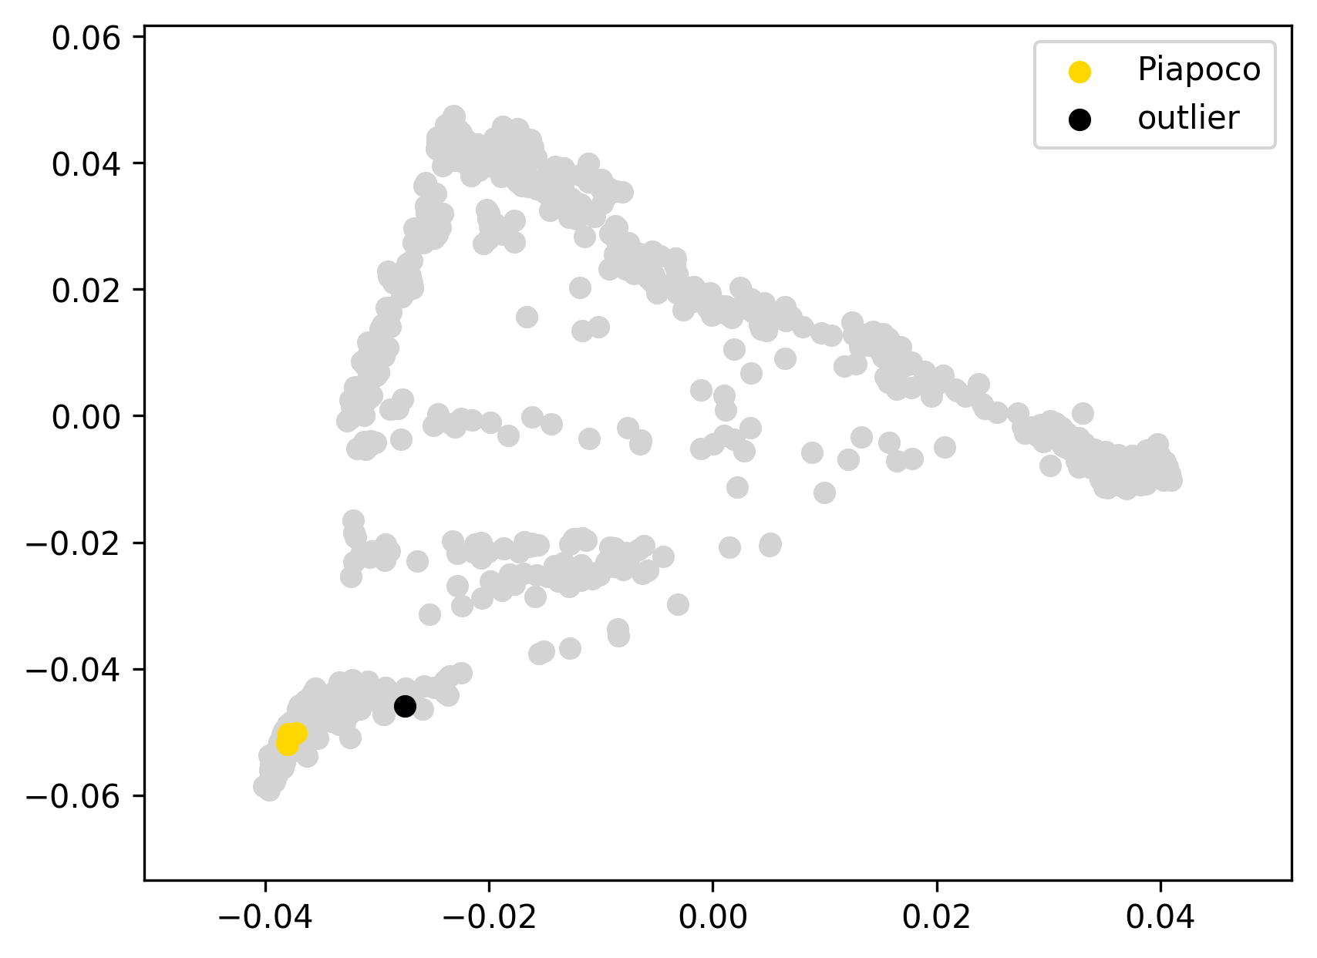 | 0.031 | 0% | 0% | 0% | 0% | 0% | 0% | 0% | 0% | 4% | 96% | 0% | 0% | 0% | 0% | 0%
HGDP00704 | Piapoco | 0 |  | -0.01 |  |  | 0.028 | 0% | 0% | 0% | 0% | 0% | 0% | 0% | 0% | 4% | 96% | 0% | 0% | 0% | 0% | 0%
HGDP00706 | Piapoco | 0 |  | 0.00 |  |  | 0.029 | 0% | 0% | 0% | 0% | 0% | 0% | 0% | 0% | 3% | 97% | 0% | 0% | 0% | 0% | 0%
HGDP00970 | Piapoco | 0 |  | 0.00 |  |  | 0.030 | 0% | 0% | 0% | 0% | 0% | 0% | 0% | 0% | 5% | 95% | 0% | 0% | 0% | 0% | 0%
HGDP00703 | Piapoco | outlier | EUR+ME | 0.05 |  |  | 0.081 | 9% | 7% | 2% | 0% | 0% | 0% | 0% | 1% | 7% | 79% | 5% | 0% | 0% | 0% | 0%

Selkup121 | Selkup | 0 |  | -0.05 |  | 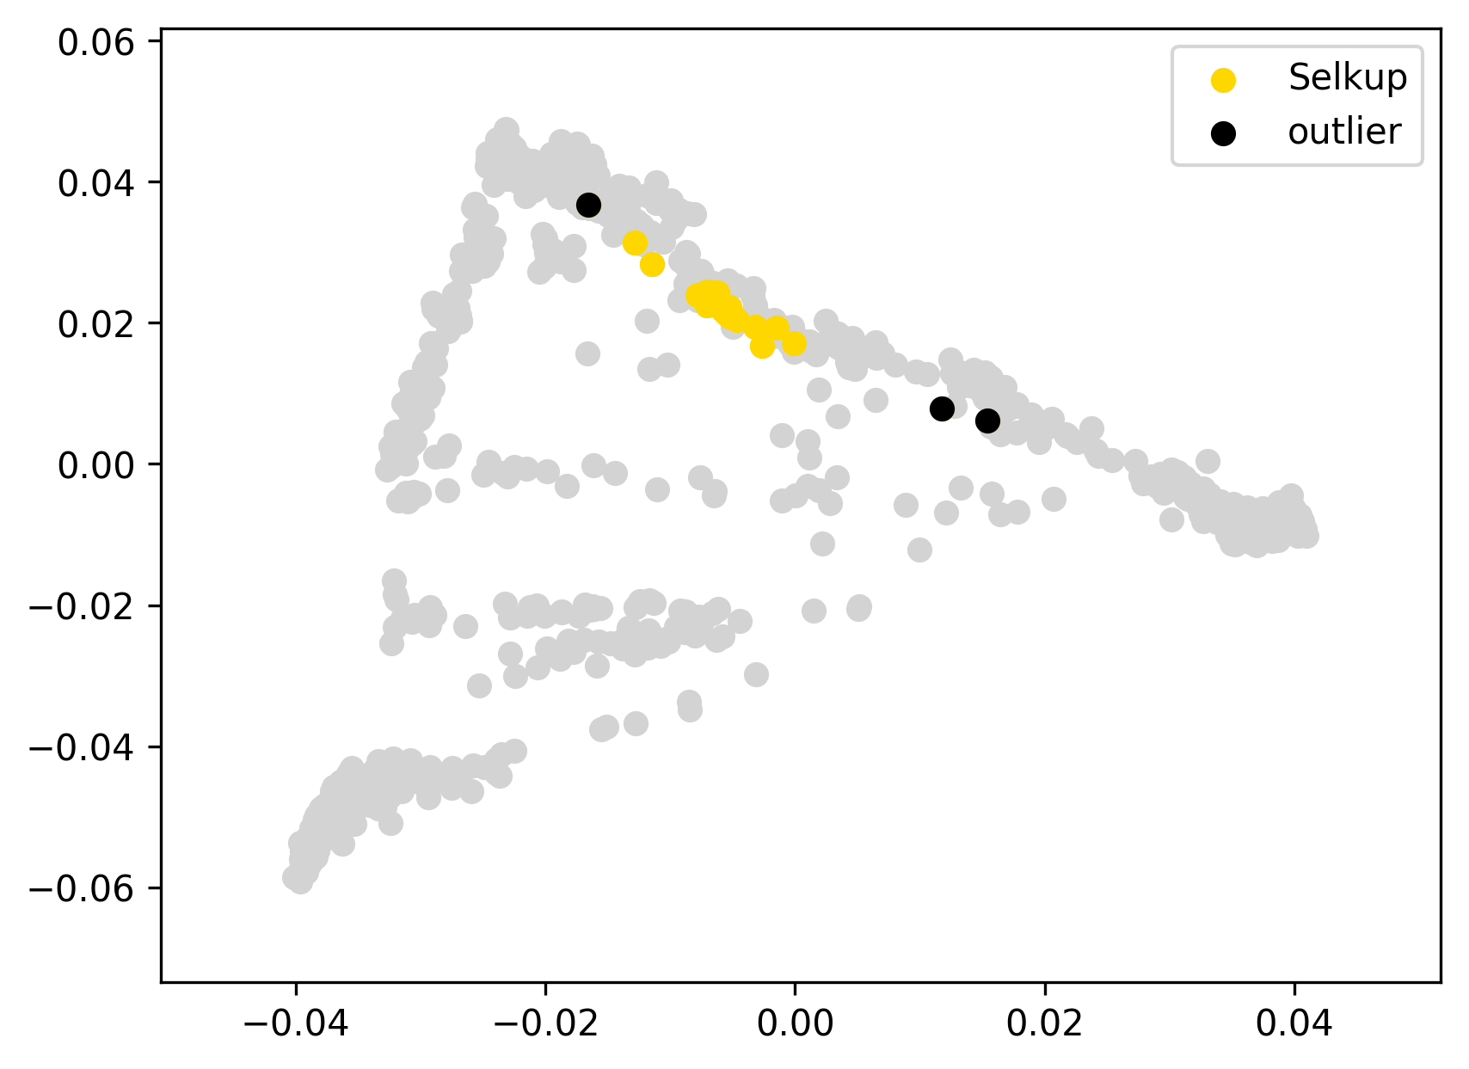 | 0.063 | 25% | 25% | 0% | 2% | 0% | 63% | 3% | 1% | 2% | 3% | 0% | 0% | 0% | 0% | 0%
Selkup21 | Selkup | 0 |  | -0.04 |  |  | 0.069 | 35% | 35% | 0% | 2% | 0% | 53% | 2% | 2% | 3% | 3% | 0% | 0% | 0% | 0% | 0%
Selkup220 | Selkup | 0 |  | -0.03 |  |  | 0.077 | 40% | 40% | 0% | 0% | 0% | 54% | 0% | 2% | 2% | 2% | 0% | 0% | 0% | 0% | 0%
Selkup38 | Selkup | 0 |  | -0.05 |  |  | 0.056 | 27% | 27% | 0% | 0% | 0% | 67% | 0% | 2% | 3% | 1% | 0% | 0% | 0% | 0% | 0%
Selkup4 | Selkup | 0 |  | -0.06 |  |  | 0.052 | 32% | 32% | 0% | 0% | 0% | 60% | 0% | 3% | 2% | 2% | 0% | 0% | 0% | 0% | 0%
Selkup4a | Selkup | 0 |  | -0.02 |  |  | 0.091 | 19% | 19% | 0% | 0% | 2% | 67% | 5% | 1% | 4% | 1% | 0% | 0% | 0% | 0% | 0%
Selkup82 | Selkup | 0 |  | -0.05 |  |  | 0.062 | 28% | 28% | 0% | 1% | 0% | 62% | 3% | 3% | 1% | 1% | 0% | 0% | 0% | 0% | 0%
Selkup83 | Selkup | 0 |  | 0.00 |  |  | 0.113 | 17% | 17% | 0% | 0% | 5% | 68% | 7% | 0% | 1% | 2% | 0% | 0% | 0% | 0% | 0%
Tuebingen50 | Selkup | 0 |  | -0.05 |  |  | 0.060 | 28% | 28% | 0% | 0% | 0% | 64% | 2% | 2% | 3% | 2% | 0% | 0% | 0% | 0% | 0%
Tuebingen51 | Selkup | 0 |  | -0.05 |  |  | 0.056 | 28% | 28% | 0% | 0% | 0% | 65% | 0% | 2% | 3% | 2% | 0% | 0% | 0% | 0% | 0%
Tuebingen52 | Selkup | 0 |  | -0.06 |  |  | 0.051 | 30% | 30% | 0% | 0% | 0% | 62% | 0% | 2% | 2% | 3% | 0% | 0% | 0% | 0% | 0%
Tuebingen53 | Selkup | 0 |  | -0.06 |  |  | 0.054 | 32% | 32% | 0% | 0% | 0% | 61% | 0% | 2% | 2% | 3% | 0% | 0% | 0% | 0% | 0%
Tuebingen54 | Selkup | 0 |  | -0.05 |  |  | 0.056 | 30% | 30% | 0% | 0% | 0% | 64% | 0% | 1% | 1% | 3% | 0% | 0% | 0% | 0% | 0%
Tuebingen58 | Selkup | 0 |  | -0.06 |  |  | 0.052 | 30% | 30% | 0% | 0% | 0% | 62% | 0% | 3% | 2% | 3% | 0% | 0% | 0% | 0% | 0%
Tuebingen59 | Selkup | 0 |  | -0.06 |  |  | 0.052 | 30% | 30% | 0% | 0% | 0% | 64% | 1% | 1% | 2% | 3% | 0% | 0% | 0% | 0% | 0%
Tuebingen60 | Selkup | 0 |  | -0.06 |  |  | 0.055 | 29% | 29% | 0% | 0% | 0% | 65% | 1% | 1% | 1% | 4% | 0% | 0% | 0% | 0% | 0%
Tuebingen62 | Selkup | 0 |  | -0.05 |  |  | 0.059 | 29% | 29% | 0% | 0% | 0% | 65% | 0% | 1% | 3% | 2% | 0% | 0% | 0% | 0% | 0%
Tuebingen64 | Selkup | 0 |  | -0.02 |  |  | 0.088 | 29% | 29% | 0% | 1% | 0% | 62% | 0% | 2% | 3% | 3% | 0% | 0% | 1% | 0% | 0%
Tuebingen72 | Selkup | 0 |  | -0.04 |  |  | 0.072 | 30% | 30% | 0% | 0% | 0% | 63% | 0% | 2% | 2% | 3% | 0% | 0% | 0% | 0% | 0%
Tuebingen74 | Selkup | 0 |  | -0.04 |  |  | 0.069 | 38% | 38% | 0% | 0% | 0% | 55% | 1% | 2% | 1% | 2% | 0% | 0% | 0% | 0% | 0%
Tuebingen77 | Selkup | 0 |  | -0.05 |  |  | 0.062 | 34% | 34% | 0% | 2% | 0% | 59% | 0% | 2% | 1% | 2% | 0% | 0% | 0% | 0% | 0%
Tuebingen79 | Selkup | 0 |  | -0.06 |  |  | 0.053 | 30% | 30% | 0% | 0% | 0% | 63% | 1% | 1% | 3% | 2% | 0% | 0% | 0% | 0% | 0%
Selkup105 | Selkup | outlier | EUR+ME | 0.06 |  |  | 0.171 | 59% | 59% | 0% | 1% | 0% | 34% | 1% | 2% | 1% | 2% | 0% | 0% | 0% | 0% | 0%
Selkup87 | Selkup | outlier |  | 0.05 |  |  | 0.157 | 10% | 10% | 0% | 1% | 6% | 73% | 9% | 1% | 1% | 0% | 0% | 0% | 0% | 0% | 0%
Tuebingen75 | Selkup | outlier | EUR+ME | 0.09 |  |  | 0.196 | 63% | 63% | 0% | 3% | 0% | 31% | 0% | 2% | 1% | 0% | 0% | 0% | 0% | 0% | 0%
HGDP00832 | Surui | 0 |  | 0.00 |  | 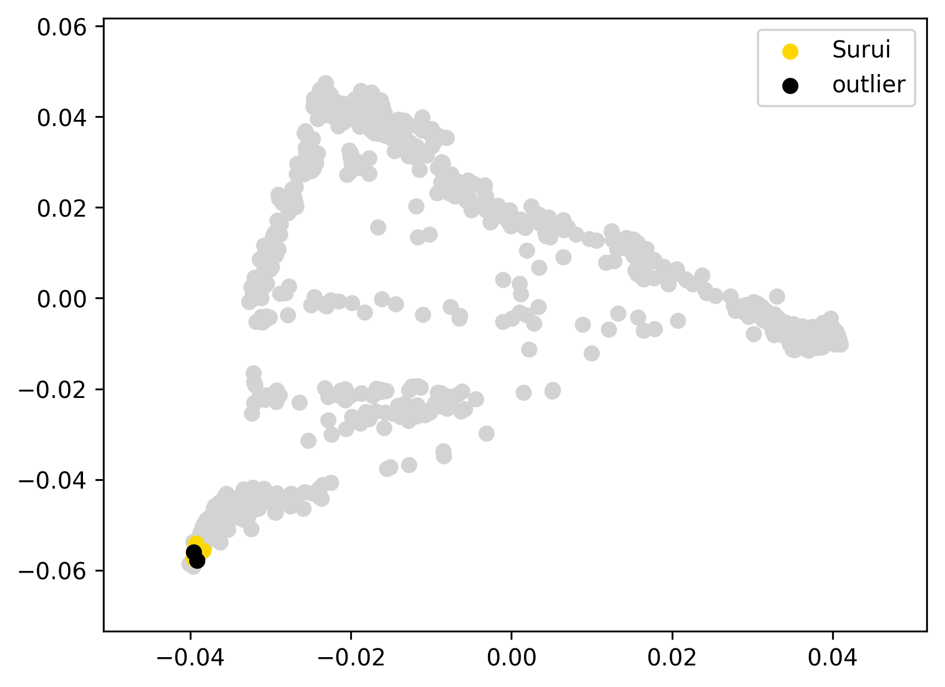 | 0.006 | 0% | 0% | 0% | 0% | 0% | 0% | 0% | 0% | 0% | 100% | 0% | 0% | 0% | 0% | 0%
HGDP00837 | Surui | 0 |  | 0.00 |  |  | 0.006 | 0% | 0% | 0% | 0% | 0% | 0% | 0% | 0% | 0% | 100% | 0% | 0% | 0% | 0% | 0%
HGDP00838 | Surui | 0 |  | 0.00 |  |  | 0.006 | 0% | 0% | 0% | 0% | 0% | 0% | 0% | 0% | 0% | 100% | 0% | 0% | 0% | 0% | 0%
HGDP00843 | Surui | 0 |  | 0.00 |  |  | 0.005 | 0% | 0% | 0% | 0% | 0% | 0% | 0% | 0% | 0% | 100% | 0% | 0% | 0% | 0% | 0%
HGDP00845 | Surui | 0 |  | 0.00 |  |  | 0.006 | 0% | 0% | 0% | 0% | 0% | 0% | 0% | 0% | 0% | 100% | 0% | 0% | 0% | 0% | 0%
HGDP00846 | Surui | 0 |  | 0.00 |  |  | 0.007 | 0% | 0% | 0% | 0% | 0% | 0% | 0% | 0% | 0% | 100% | 0% | 0% | 0% | 0% | 0%
HGDP00849 | Surui | 0 |  | 0.00 |  |  | 0.005 | 0% | 0% | 0% | 0% | 0% | 0% | 0% | 0% | 0% | 100% | 0% | 0% | 0% | 0% | 0%
HGDP00852 | Surui | 0 |  | 0.00 |  |  | 0.006 | 0% | 0% | 0% | 0% | 0% | 0% | 0% | 0% | 0% | 100% | 0% | 0% | 0% | 0% | 0%
Surui307 | Surui | 0 |  | 0.00 |  |  | 0.004 | 0% | 0% | 0% | 0% | 0% | 0% | 0% | 0% | 0% | 100% | 0% | 0% | 0% | 0% | 0%
Surui72 | Surui | 0 |  | 0.00 |  |  | 0.006 | 0% | 0% | 0% | 0% | 0% | 0% | 0% | 0% | 0% | 100% | 0% | 0% | 0% | 0% | 0%
Surui14 | Surui | outlier |  | 0.00 |  |  | 0.008 | 0% | 0% | 0% | 0% | 0% | 0% | 0% | 0% | 0% | 100% | 0% | 0% | 0% | 0% | 0%
Surui20 | Surui | outlier |  | 0.00 |  |  | 0.008 | 0% | 0% | 0% | 0% | 0% | 0% | 0% | 0% | 0% | 100% | 0% | 0% | 0% | 0% | 0%
Tuba1 | Tubalar | 0 |  | -0.04 |  | 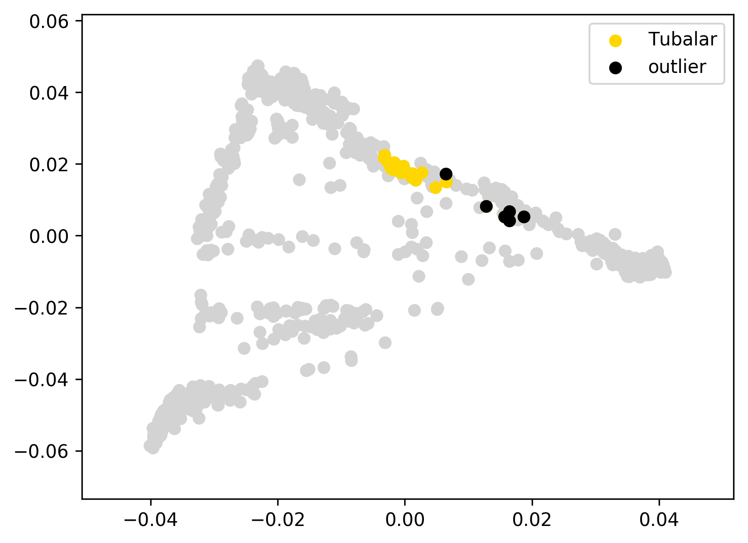 | 0.113 | 34% | 34% | 0% | 6% | 17% | 30% | 8% | 2% | 2% | 1% | 0% | 0% | 0% | 0% | 0%
Tuba10 | Tubalar | 0 |  | -0.04 |  |  | 0.111 | 38% | 38% | 0% | 7% | 17% | 28% | 6% | 3% | 1% | 2% | 0% | 0% | 0% | 0% | 0%
Tuba11 | Tubalar | 0 |  | -0.04 |  |  | 0.113 | 38% | 38% | 0% | 7% | 15% | 29% | 5% | 1% | 3% | 2% | 0% | 0% | 0% | 0% | 0%
Tuba12 | Tubalar | 0 |  | -0.04 |  |  | 0.115 | 33% | 33% | 0% | 6% | 19% | 32% | 4% | 1% | 2% | 3% | 0% | 0% | 0% | 0% | 0%
Tuba13 | Tubalar | 0 |  | 0.04 | this ED outlier was not removed since it displays an absolutely typical ADMIXTURE profile |  | 0.192 | 34% | 34% | 0% | 7% | 16% | 32% | 6% | 1% | 1% | 3% | 0% | 0% | 0% | 0% | 0%
Tuba15 | Tubalar | 0 |  | -0.04 |  |  | 0.113 | 34% | 34% | 0% | 5% | 19% | 31% | 5% | 1% | 3% | 2% | 0% | 0% | 0% | 0% | 0%
Tuba16 | Tubalar | 0 |  | -0.03 |  |  | 0.123 | 30% | 30% | 0% | 6% | 20% | 33% | 5% | 3% | 0% | 2% | 0% | 0% | 0% | 0% | 0%
Tuba17 | Tubalar | 0 |  | -0.03 |  |  | 0.124 | 30% | 30% | 0% | 6% | 19% | 34% | 6% | 1% | 2% | 2% | 0% | 0% | 0% | 0% | 0%
Tuba18 | Tubalar | 0 |  | -0.04 |  |  | 0.113 | 33% | 33% | 0% | 5% | 18% | 32% | 5% | 1% | 1% | 4% | 0% | 0% | 0% | 0% | 1%
Tuba19 | Tubalar | 0 |  | -0.04 |  |  | 0.114 | 32% | 32% | 0% | 6% | 18% | 31% | 6% | 2% | 2% | 3% | 0% | 0% | 0% | 0% | 0%
Tuba2 | Tubalar | 0 |  | -0.04 |  |  | 0.114 | 38% | 38% | 0% | 5% | 18% | 28% | 6% | 0% | 3% | 3% | 0% | 0% | 0% | 0% | 0%
Tuba20 | Tubalar | 0 |  | -0.04 |  |  | 0.111 | 33% | 33% | 0% | 7% | 18% | 28% | 6% | 3% | 3% | 2% | 0% | 0% | 0% | 0% | 0%
Tuba21 | Tubalar | 0 |  | -0.04 |  |  | 0.115 | 32% | 32% | 0% | 7% | 18% | 30% | 8% | 2% | 1% | 2% | 0% | 0% | 0% | 0% | 0%
Tuba22 | Tubalar | 0 |  | -0.04 |  |  | 0.114 | 33% | 33% | 0% | 6% | 17% | 32% | 6% | 3% | 0% | 4% | 0% | 0% | 0% | 0% | 0%
Tuba23 | Tubalar | 0 |  | -0.04 |  |  | 0.114 | 34% | 34% | 0% | 4% | 20% | 30% | 5% | 1% | 3% | 2% | 0% | 0% | 0% | 0% | 0%
Tuba24 | Tubalar | 0 |  | -0.04 |  |  | 0.113 | 34% | 34% | 0% | 4% | 20% | 30% | 4% | 2% | 3% | 2% | 0% | 0% | 0% | 0% | 0%
Tuba25 | Tubalar | 0 |  | -0.04 |  |  | 0.113 | 37% | 37% | 0% | 6% | 17% | 28% | 6% | 1% | 1% | 3% | 0% | 0% | 0% | 0% | 0%
Tuba26 | Tubalar | 0 |  | -0.03 |  |  | 0.126 | 45% | 45% | 0% | 4% | 14% | 26% | 5% | 0% | 0% | 4% | 0% | 0% | 0% | 0% | 0%
Tuba27 | Tubalar | 0 |  | -0.03 |  |  | 0.126 | 41% | 39% | 2% | 2% | 19% | 29% | 5% | 2% | 0% | 1% | 0% | 0% | 0% | 0% | 0%
Tuba29 | Tubalar | 0 |  | -0.04 |  |  | 0.115 | 31% | 31% | 0% | 8% | 20% | 30% | 7% | 1% | 3% | 1% | 0% | 0% | 0% | 0% | 0%
Tuba30 | Tubalar | 0 |  | -0.04 |  |  | 0.119 | 31% | 31% | 0% | 4% | 20% | 32% | 7% | 1% | 2% | 3% | 0% | 0% | 0% | 0% | 0%
Tuba31 | Tubalar | 0 |  | -0.04 |  |  | 0.112 | 34% | 34% | 0% | 7% | 17% | 30% | 6% | 3% | 3% | 1% | 0% | 0% | 0% | 0% | 0%
Tuba5 | Tubalar | 0 |  | -0.02 |  |  | 0.133 | 44% | 44% | 0% | 7% | 16% | 25% | 5% | 1% | 3% | 0% | 0% | 0% | 0% | 0% | 0%
Tuba6 | Tubalar | 0 |  | -0.04 |  |  | 0.112 | 31% | 31% | 0% | 8% | 18% | 31% | 6% | 1% | 1% | 3% | 0% | 0% | 0% | 0% | 0%
Tuba9 | Tubalar | 0 |  | -0.04 |  |  | 0.117 | 32% | 32% | 0% | 5% | 20% | 31% | 6% | 2% | 2% | 2% | 0% | 0% | 0% | 0% | 0%
Tuba14 | Tubalar | outlier | EUR+ME | 0.04 |  |  | 0.191 | 65% | 65% | 0% | 3% | 9% | 17% | 3% | 1% | 0% | 2% | 0% | 0% | 0% | 0% | 0%
Tuba28 | Tubalar | outlier | EUR+ME | 0.04 |  |  | 0.196 | 60% | 30% | 30% | 8% | 9% | 18% | 2% | 0% | 0% | 2% | 0% | 0% | 0% | 0% | 0%
Tuba3 | Tubalar | outlier | ME, AFR | 1.69 |  |  | 1.842 | 37% | 28% | 8% | 8% | 16% | 24% | 5% | 1% | 1% | 1% | 0% | 5% | 2% | 1% | 0%
Tuba4 | Tubalar | outlier | EUR+ME | 0.01 |  |  | 0.169 | 59% | 59% | 0% | 2% | 11% | 19% | 5% | 0% | 2% | 2% | 0% | 0% | 0% | 0% | 0%
Tuba7 | Tubalar | outlier | EUR+ME | 0.04 |  |  | 0.199 | 66% | 66% | 0% | 3% | 8% | 17% | 3% | 0% | 2% | 1% | 0% | 0% | 0% | 0% | 0%
Tuba8 | Tubalar | outlier | EUR+ME | 0.05 |  |  | 0.208 | 68% | 68% | 0% | 4% | 8% | 15% | 3% | 1% | 0% | 1% | 0% | 0% | 0% | 0% | 0%
Ul1 | Ulchi | 0 |  | -0.05 |  | 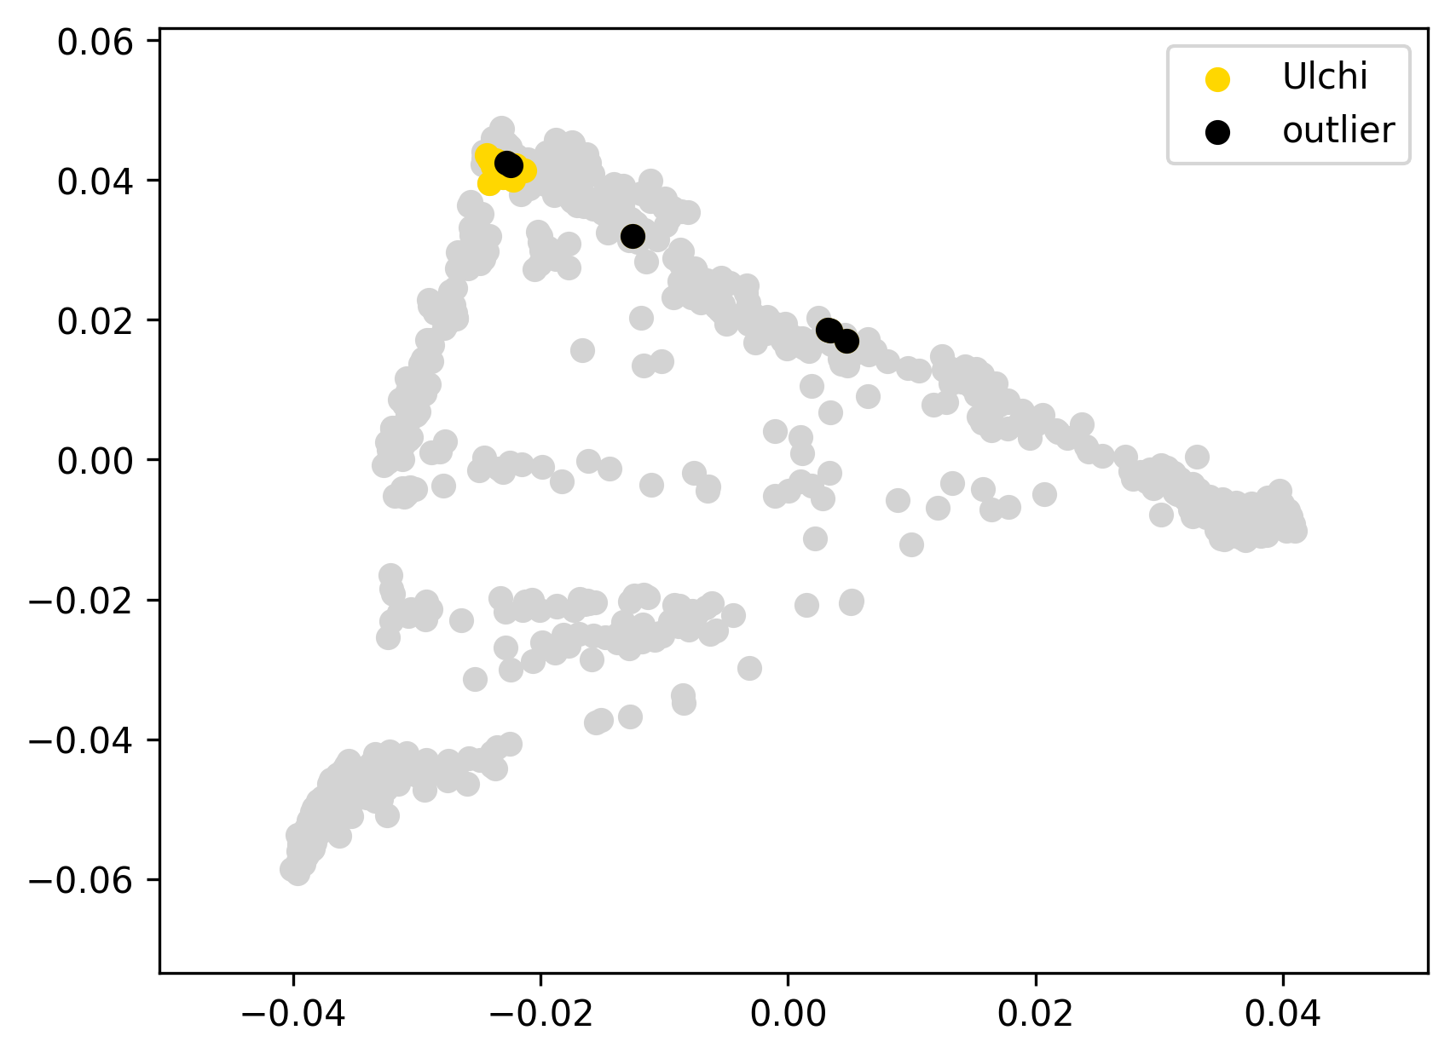 | 0.067 | 0% | 0% | 0% | 0% | 46% | 26% | 28% | 0% | 0% | 0% | 0% | 0% | 0% | 0% | 0%
Ul10 | Ulchi | 0 |  | -0.05 |  |  | 0.063 | 0% | 0% | 0% | 0% | 43% | 29% | 28% | 0% | 0% | 0% | 0% | 0% | 0% | 0% | 0%
Ul16 | Ulchi | 0 |  | -0.06 |  |  | 0.059 | 0% | 0% | 0% | 0% | 42% | 32% | 27% | 0% | 0% | 0% | 0% | 0% | 0% | 0% | 0%
Ul19 | Ulchi | 0 |  | -0.04 |  |  | 0.078 | 0% | 0% | 0% | 0% | 49% | 24% | 27% | 0% | 0% | 0% | 0% | 0% | 0% | 0% | 0%
Ul24 | Ulchi | 0 |  | -0.03 |  |  | 0.088 | 0% | 0% | 0% | 0% | 33% | 53% | 14% | 0% | 0% | 0% | 0% | 0% | 0% | 0% | 0%
Ul25 | Ulchi | 0 |  | -0.06 |  |  | 0.058 | 0% | 0% | 0% | 0% | 42% | 32% | 26% | 0% | 0% | 0% | 0% | 0% | 0% | 0% | 0%
Ul31 | Ulchi | 0 |  | -0.06 |  |  | 0.058 | 0% | 0% | 0% | 0% | 36% | 38% | 26% | 0% | 0% | 0% | 0% | 0% | 0% | 0% | 0%
Ul33 | Ulchi | 0 |  | -0.05 |  |  | 0.061 | 0% | 0% | 0% | 0% | 40% | 42% | 19% | 0% | 0% | 0% | 0% | 0% | 0% | 0% | 0%
Ul36 | Ulchi | 0 |  | -0.03 |  |  | 0.084 | 0% | 0% | 0% | 0% | 28% | 49% | 23% | 0% | 0% | 0% | 0% | 0% | 0% | 0% | 0%
Ul39 | Ulchi | 0 |  | -0.06 |  |  | 0.057 | 0% | 0% | 0% | 0% | 40% | 34% | 26% | 0% | 0% | 0% | 0% | 0% | 0% | 0% | 0%
Ul43 | Ulchi | 0 |  | -0.05 |  |  | 0.063 | 0% | 0% | 0% | 0% | 35% | 40% | 25% | 0% | 0% | 0% | 0% | 0% | 0% | 0% | 0%
Ul44 | Ulchi | 0 |  | -0.06 |  |  | 0.058 | 0% | 0% | 0% | 0% | 42% | 36% | 22% | 0% | 0% | 0% | 0% | 0% | 0% | 0% | 0%
Ul5 | Ulchi | 0 |  | -0.06 |  |  | 0.059 | 0% | 0% | 0% | 0% | 37% | 36% | 27% | 0% | 0% | 0% | 0% | 0% | 0% | 0% | 0%
Ul51 | Ulchi | 0 |  | -0.04 |  |  | 0.071 | 0% | 0% | 0% | 0% | 39% | 29% | 32% | 0% | 0% | 0% | 0% | 0% | 0% | 0% | 0%
Ul52 | Ulchi | 0 |  | -0.06 |  |  | 0.056 | 0% | 0% | 0% | 0% | 41% | 35% | 24% | 0% | 0% | 0% | 0% | 0% | 0% | 0% | 0%
Ul55 | Ulchi | 0 |  | -0.06 |  |  | 0.059 | 0% | 0% | 0% | 0% | 36% | 39% | 24% | 0% | 0% | 0% | 0% | 0% | 0% | 0% | 0%
Ul56 | Ulchi | 0 |  | -0.05 |  |  | 0.065 | 1% | 0% | 1% | 0% | 44% | 37% | 19% | 0% | 0% | 0% | 0% | 0% | 0% | 0% | 0%
Ul59 | Ulchi | 0 |  | -0.06 |  |  | 0.056 | 0% | 0% | 0% | 0% | 39% | 35% | 27% | 0% | 0% | 0% | 0% | 0% | 0% | 0% | 0%
Ul6 | Ulchi | 0 |  | -0.05 |  |  | 0.067 | 0% | 0% | 0% | 0% | 43% | 26% | 31% | 0% | 0% | 0% | 0% | 0% | 0% | 0% | 0%
Ul65 | Ulchi | 0 |  | -0.04 |  |  | 0.072 | 0% | 0% | 0% | 0% | 32% | 45% | 24% | 0% | 0% | 0% | 0% | 0% | 0% | 0% | 0%
Ul69 | Ulchi | 0 |  | -0.06 |  |  | 0.055 | 0% | 0% | 0% | 0% | 39% | 36% | 25% | 0% | 0% | 0% | 0% | 0% | 0% | 0% | 0%
Ul70 | Ulchi | 0 |  | -0.06 |  |  | 0.059 | 0% | 0% | 0% | 0% | 37% | 37% | 26% | 0% | 0% | 0% | 0% | 0% | 0% | 0% | 0%
Ul71 | Ulchi | 0 |  | -0.06 |  |  | 0.057 | 0% | 0% | 0% | 0% | 40% | 38% | 23% | 0% | 0% | 0% | 0% | 0% | 0% | 0% | 0%
Ul72 | Ulchi | 0 |  | -0.06 |  |  | 0.058 | 0% | 0% | 0% | 0% | 38% | 34% | 28% | 0% | 0% | 0% | 0% | 0% | 0% | 0% | 0%
Ul74 | Ulchi | 0 |  | -0.06 |  |  | 0.056 | 0% | 0% | 0% | 0% | 41% | 33% | 26% | 0% | 0% | 0% | 0% | 0% | 0% | 0% | 0%
Ul9 | Ulchi | 0 |  | -0.03 |  |  | 0.089 | 0% | 0% | 0% | 0% | 54% | 30% | 15% | 0% | 0% | 0% | 0% | 0% | 0% | 0% | 0%
Ul41 | Ulchi | outlier | SIB | 0.01 | identified as a PC outlier in the original HumanOrigins dataset |  | 0.121 | 0% | 0% | 0% | 0% | 20% | 64% | 16% | 0% | 0% | 0% | 0% | 0% | 0% | 0% | 0%
Ul54 | Ulchi | outlier | EUR+ME | 0.13 | identified as a PC outlier in the original HumanOrigins dataset |  | 0.242 | 46% | 43% | 3% | 0% | 22% | 19% | 13% | 0% | 1% | 0% | 0% | 0% | 0% | 0% | 0%
Ul60 | Ulchi | outlier | EUR+ME | -0.01 | identified as a PC outlier in the original HumanOrigins dataset |  | 0.110 | 16% | 12% | 4% | 0% | 37% | 25% | 22% | 0% | 0% | 0% | 0% | 0% | 0% | 0% | 0%
Ul61 | Ulchi | outlier | EUR+ME | 0.12 | identified as a PC outlier in the original HumanOrigins dataset |  | 0.232 | 42% | 41% | 1% | 0% | 21% | 23% | 12% | 0% | 2% | 0% | 0% | 0% | 0% | 0% | 0%
Ul62 | Ulchi | outlier | EUR+ME | 0.11 | identified as a PC outlier in the original HumanOrigins dataset |  | 0.229 | 43% | 42% | 1% | 0% | 25% | 17% | 14% | 0% | 1% | 0% | 0% | 0% | 0% | 0% | 1%
Ul66 | Ulchi | outlier |  | -0.04 | identified as a PC outlier in the original HumanOrigins dataset |  | 0.080 | 0% | 0% | 0% | 0% | 51% | 32% | 16% | 0% | 0% | 0% | 0% | 0% | 0% | 0% | 0%
Xavante1004 | Xavante | 0 |  | -0.01 |  | 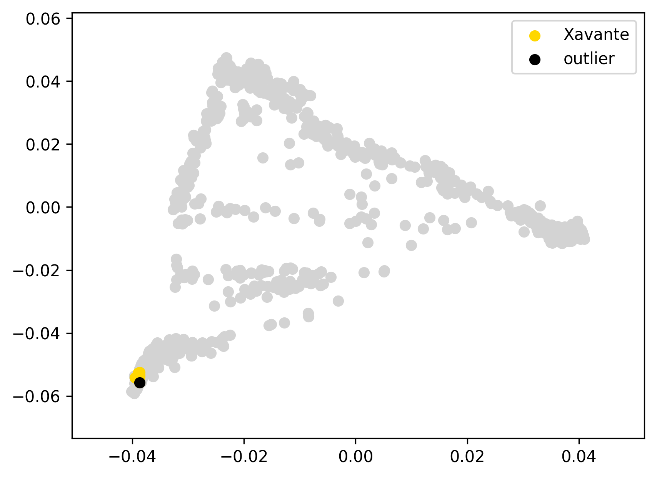 | 0.016 | 0% | 0% | 0% | 0% | 0% | 0% | 0% | 0% | 0% | 100% | 0% | 0% | 0% | 0% | 0%
Xavante107 | Xavante | 0 |  | -0.01 |  |  | 0.015 | 0% | 0% | 0% | 0% | 0% | 0% | 0% | 0% | 0% | 100% | 0% | 0% | 0% | 0% | 0%
Xavante1104 | Xavante | 0 |  | -0.01 |  |  | 0.017 | 0% | 0% | 0% | 0% | 0% | 0% | 0% | 0% | 0% | 100% | 0% | 0% | 0% | 0% | 0%
Xavante1105 | Xavante | 0 |  | -0.01 |  |  | 0.015 | 0% | 0% | 0% | 0% | 0% | 0% | 0% | 0% | 0% | 100% | 0% | 0% | 0% | 0% | 0%
Xavante1513 | Xavante | 0 |  | -0.01 |  |  | 0.015 | 0% | 0% | 0% | 0% | 0% | 0% | 0% | 0% | 0% | 100% | 0% | 0% | 0% | 0% | 0%
Xavante214 | Xavante | 0 |  | 0.00 |  |  | 0.020 | 0% | 0% | 0% | 0% | 0% | 0% | 0% | 0% | 0% | 100% | 0% | 0% | 0% | 0% | 0%
Xavante2302 | Xavante | 0 |  | -0.01 |  |  | 0.016 | 0% | 0% | 0% | 0% | 0% | 0% | 0% | 0% | 0% | 100% | 0% | 0% | 0% | 0% | 0%
Xavante2304 | Xavante | 0 |  | -0.01 |  |  | 0.014 | 0% | 0% | 0% | 0% | 0% | 0% | 0% | 0% | 0% | 100% | 0% | 0% | 0% | 0% | 0%
Xavante401 | Xavante | 0 |  | -0.01 |  |  | 0.015 | 0% | 0% | 0% | 0% | 0% | 0% | 0% | 0% | 0% | 100% | 0% | 0% | 0% | 0% | 0%
Xavante506 | Xavante | 0 |  | 0.00 |  |  | 0.020 | 0% | 0% | 0% | 0% | 0% | 0% | 0% | 0% | 0% | 100% | 0% | 0% | 0% | 0% | 0%
Xavante606 | Xavante | outlier |  | 0.01 |  |  | 0.030 | 0% | 0% | 0% | 0% | 0% | 0% | 0% | 0% | 0% | 100% | 0% | 0% | 0% | 0% | 0%

HGDP00945 | Yakut | 0 |  | -0.02 |  | 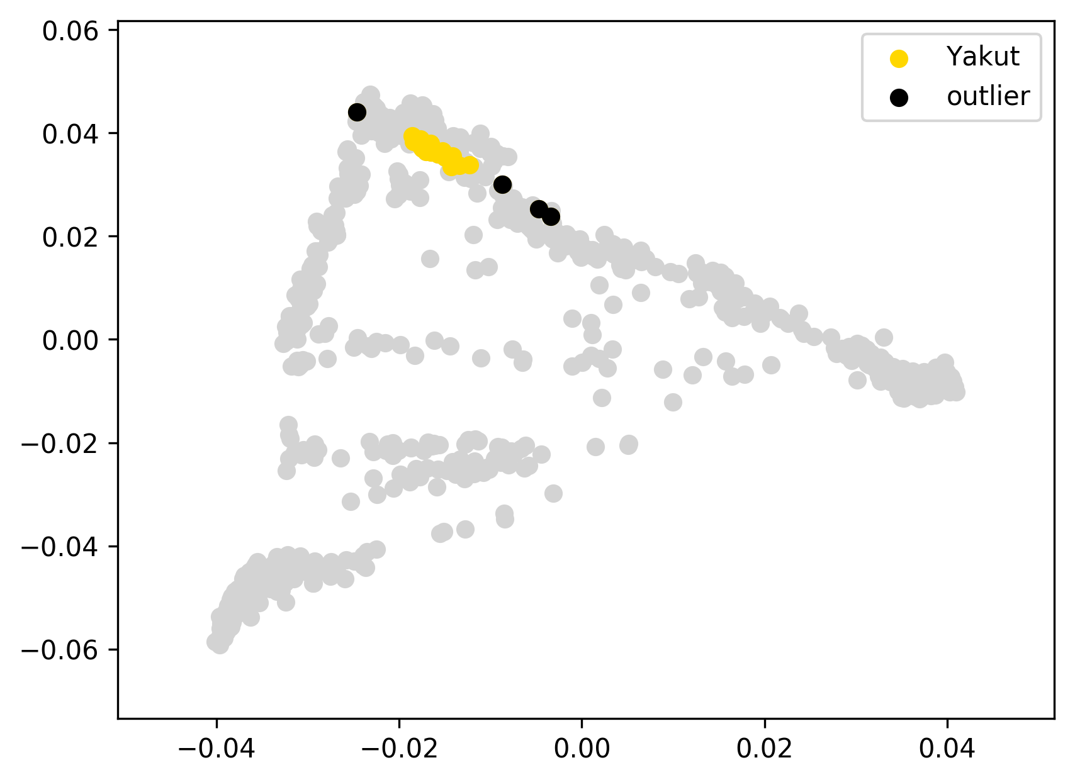 | 0.036 | 7% | 6% | 1% | 0% | 30% | 53% | 8% | 0% | 0% | 1% | 0% | 0% | 0% | 0% | 0%
HGDP00946 | Yakut | 0 |  | -0.02 |  |  | 0.039 | 7% | 3% | 4% | 0% | 28% | 56% | 9% | 0% | 1% | 0% | 0% | 0% | 0% | 0% | 0%
HGDP00947 | Yakut | 0 |  | -0.02 |  |  | 0.035 | 10% | 7% | 3% | 0% | 27% | 53% | 9% | 0% | 0% | 1% | 0% | 0% | 0% | 0% | 0%
HGDP00948 | Yakut | 0 |  | -0.01 |  |  | 0.043 | 13% | 8% | 5% | 0% | 24% | 53% | 8% | 1% | 0% | 1% | 0% | 0% | 0% | 0% | 0%
HGDP00950 | Yakut | 0 |  | 0.00 |  |  | 0.050 | 16% | 14% | 2% | 0% | 26% | 49% | 8% | 1% | 1% | 0% | 0% | 0% | 0% | 0% | 0%
HGDP00951 | Yakut | 0 |  | -0.02 |  |  | 0.035 | 6% | 4% | 3% | 0% | 26% | 57% | 8% | 0% | 1% | 2% | 0% | 0% | 0% | 0% | 0%
HGDP00952 | Yakut | 0 |  | -0.02 |  |  | 0.034 | 9% | 8% | 1% | 0% | 28% | 53% | 9% | 0% | 1% | 0% | 0% | 0% | 0% | 0% | 0%
HGDP00954 | Yakut | 0 |  | -0.02 |  |  | 0.037 | 8% | 4% | 4% | 0% | 30% | 53% | 8% | 0% | 0% | 1% | 0% | 0% | 0% | 0% | 0%
HGDP00955 | Yakut | 0 |  | -0.02 |  |  | 0.038 | 7% | 6% | 2% | 0% | 26% | 56% | 8% | 2% | 0% | 0% | 0% | 0% | 0% | 0% | 0%
HGDP00956 | Yakut | 0 |  | -0.01 |  |  | 0.040 | 6% | 5% | 1% | 2% | 27% | 54% | 9% | 0% | 1% | 1% | 0% | 0% | 0% | 0% | 0%
HGDP00957 | Yakut | 0 |  | -0.01 |  |  | 0.046 | 5% | 2% | 3% | 0% | 27% | 58% | 9% | 1% | 0% | 1% | 0% | 0% | 0% | 0% | 0%
HGDP00958 | Yakut | 0 |  | -0.02 |  |  | 0.038 | 13% | 9% | 4% | 0% | 27% | 51% | 8% | 0% | 0% | 1% | 0% | 0% | 0% | 0% | 0%
HGDP00960 | Yakut | 0 |  | -0.01 |  |  | 0.043 | 5% | 1% | 4% | 0% | 26% | 59% | 8% | 0% | 2% | 0% | 0% | 0% | 0% | 0% | 0%
HGDP00961 | Yakut | 0 |  | -0.02 |  |  | 0.035 | 8% | 4% | 4% | 0% | 28% | 55% | 8% | 0% | 0% | 1% | 0% | 0% | 0% | 0% | 0%
HGDP00962 | Yakut | 0 |  | -0.01 |  |  | 0.040 | 6% | 5% | 1% | 0% | 26% | 58% | 8% | 0% | 1% | 1% | 0% | 0% | 0% | 0% | 0%
HGDP00963 | Yakut | 0 |  | -0.01 |  |  | 0.042 | 7% | 5% | 2% | 0% | 30% | 52% | 10% | 0% | 0% | 1% | 0% | 0% | 0% | 0% | 0%
HGDP00964 | Yakut | 0 |  | -0.02 |  |  | 0.034 | 10% | 6% | 4% | 0% | 27% | 53% | 8% | 0% | 1% | 0% | 0% | 0% | 0% | 0% | 0%
HGDP00965 | Yakut | 0 |  | -0.01 |  |  | 0.040 | 7% | 1% | 6% | 0% | 28% | 56% | 7% | 0% | 0% | 1% | 0% | 0% | 0% | 0% | 0%
HGDP00966 | Yakut | 0 |  | -0.02 |  |  | 0.037 | 11% | 8% | 3% | 0% | 27% | 51% | 9% | 1% | 1% | 0% | 0% | 0% | 0% | 0% | 0%
HGDP00967 | Yakut | 0 |  | -0.02 |  |  | 0.034 | 8% | 7% | 2% | 0% | 28% | 54% | 9% | 0% | 0% | 1% | 0% | 0% | 0% | 0% | 0%
HGDP00968 | Yakut | 0 |  | -0.01 |  |  | 0.041 | 12% | 11% | 1% | 1% | 26% | 52% | 7% | 0% | 1% | 1% | 0% | 0% | 0% | 0% | 1%
HGDP00949 | Yakut | outlier | EUR+ME | 0.05 |  |  | 0.108 | 29% | 27% | 2% | 1% | 21% | 41% | 6% | 0% | 1% | 0% | 0% | 0% | 0% | 0% | 0%
HGDP00953 | Yakut | outlier | EUR+ME | 0.07 |  |  | 0.120 | 32% | 31% | 2% | 1% | 15% | 45% | 5% | 1% | 0% | 1% | 0% | 0% | 0% | 0% | 0%
HGDP00959 | Yakut | outlier | C-K | 0.06 |  |  | 0.114 | 0% | 0% | 0% | 0% | 14% | 63% | 23% | 0% | 0% | 0% | 0% | 0% | 0% | 0% | 0%
HGDP00969 | Yakut | outlier | EUR+ME | 0.02 |  |  | 0.073 | 21% | 19% | 2% | 1% | 22% | 46% | 8% | 1% | 0% | 0% | 0% | 0% | 0% | 0% | 0%
Esk20 | Yup'ik Chaplin/Sireniki | 0 |  | -0.01 |  | 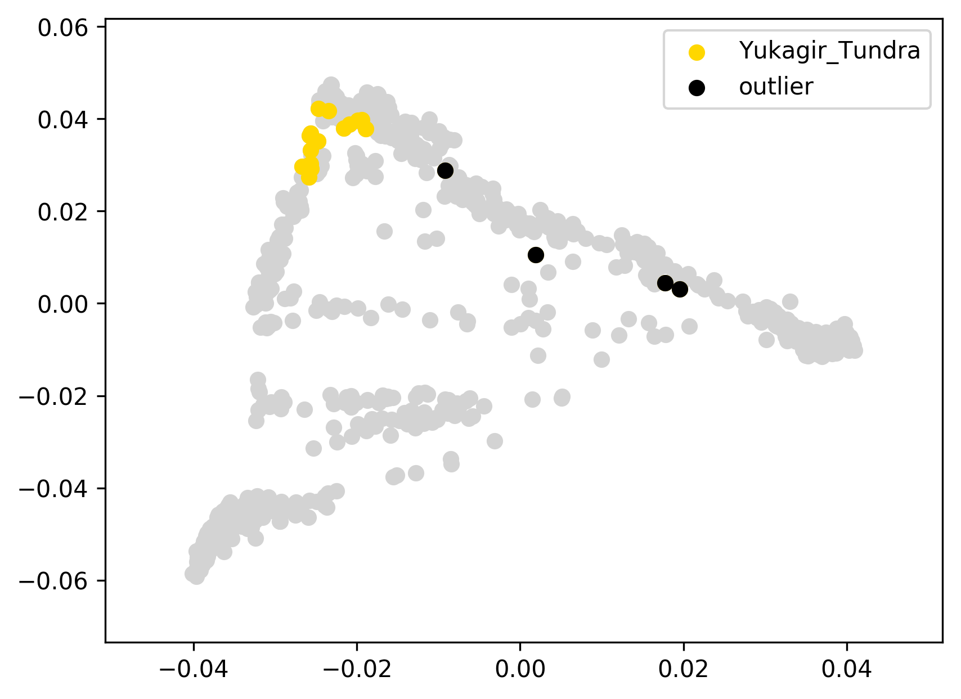 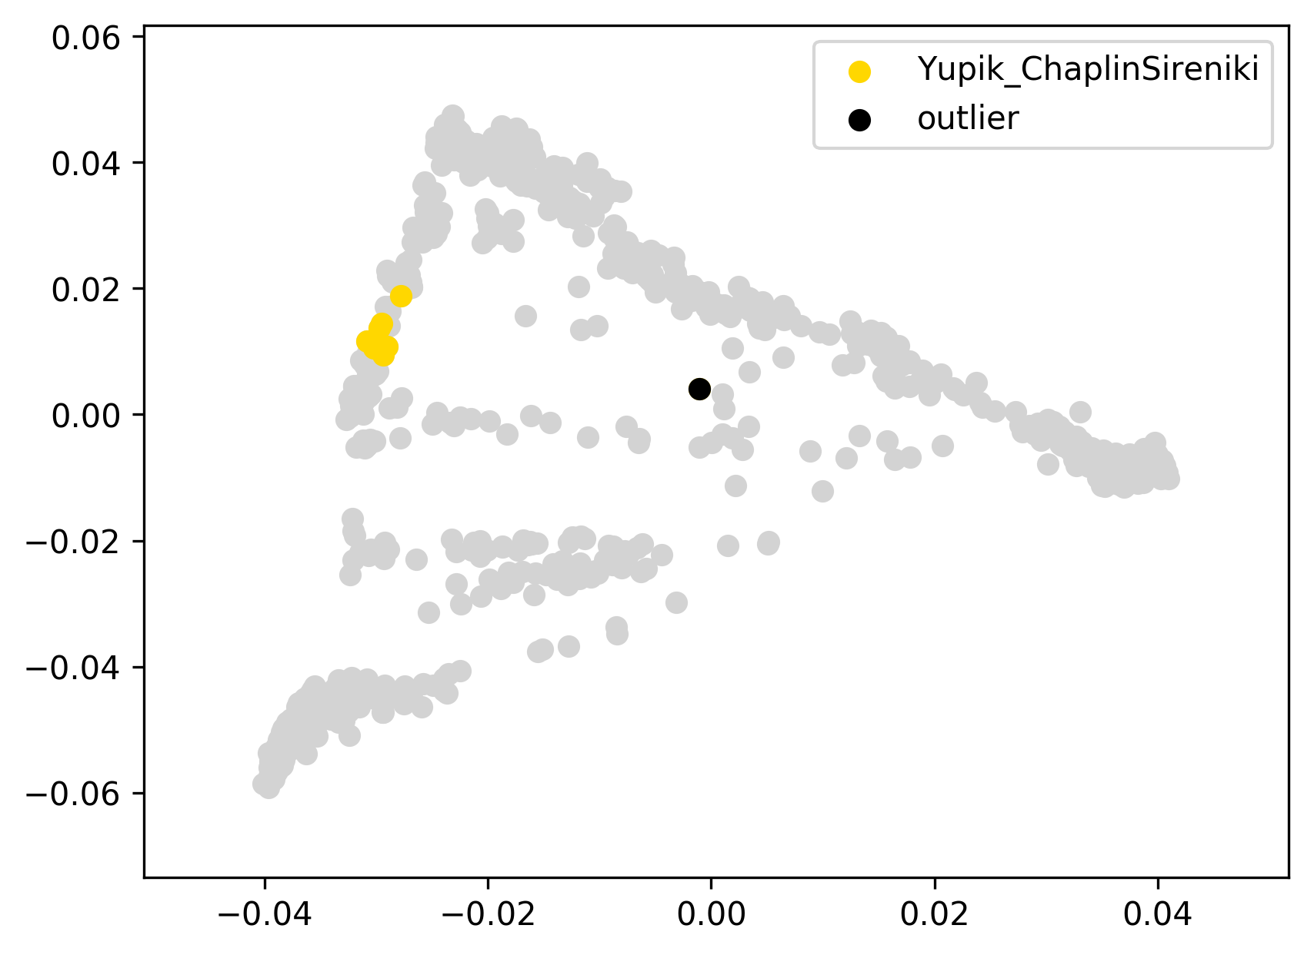 | 0.065 | 0% | 0% | 0% | 0% | 0% | 1% | 45% | 53% | 0% | 2% | 0% | 0% | 0% | 0% | 0%
Esk22 | Yup'ik Chaplin/Sireniki | 0 |  | -0.03 |  |  | 0.053 | 0% | 0% | 0% | 0% | 0% | 0% | 37% | 60% | 1% | 2% | 0% | 0% | 0% | 0% | 0%
Esk29 | Yup'ik Chaplin/Sireniki | 0 |  | -0.02 |  |  | 0.064 | 0% | 0% | 0% | 0% | 0% | 0% | 31% | 67% | 0% | 1% | 0% | 0% | 0% | 0% | 0%
Esk38 | Yup'ik Chaplin/Sireniki | 0 |  | -0.02 |  |  | 0.056 | 0% | 0% | 0% | 0% | 0% | 1% | 34% | 63% | 0% | 2% | 0% | 0% | 0% | 0% | 0%
Nesk_31 | Yup'ik Chaplin/Sireniki | 0 |  | -0.03 |  |  | 0.055 | 0% | 0% | 0% | 0% | 0% | 0% | 37% | 63% | 0% | 1% | 0% | 0% | 0% | 0% | 0%
Sir14 | Yup'ik Chaplin/Sireniki | 0 |  | 0.02 | this mild ED outlier was not removed since it displays a typical ADMIXTURE profile |  | 0.102 | 0% | 0% | 0% | 0% | 0% | 0% | 55% | 45% | 0% | 0% | 0% | 0% | 0% | 0% | 0%
Sir26 | Yup'ik Chaplin/Sireniki | 0 |  | -0.02 |  |  | 0.056 | 0% | 0% | 0% | 0% | 0% | 0% | 41% | 59% | 0% | 0% | 0% | 0% | 0% | 0% | 0%
Sir43 | Yup'ik Chaplin/Sireniki | 0 |  | -0.03 |  |  | 0.052 | 0% | 0% | 0% | 0% | 0% | 0% | 39% | 59% | 1% | 1% | 0% | 0% | 0% | 0% | 0%
Sir77 | Yup'ik Chaplin/Sireniki | 0 |  | -0.02 |  |  | 0.055 | 0% | 0% | 0% | 0% | 0% | 0% | 33% | 63% | 0% | 3% | 0% | 0% | 0% | 0% | 0%
Esk37 | Yup'ik Chaplin/Sireniki | outlier | EUR+ME | 0.16 |  |  | 0.235 | 42% | 42% | 0% | 2% | 0% | 7% | 16% | 31% | 2% | 0% | 0% | 0% | 0% | 0% | 0%

ADR00089 | Yup'ik Naukan | 0 |  | -0.01 |  | 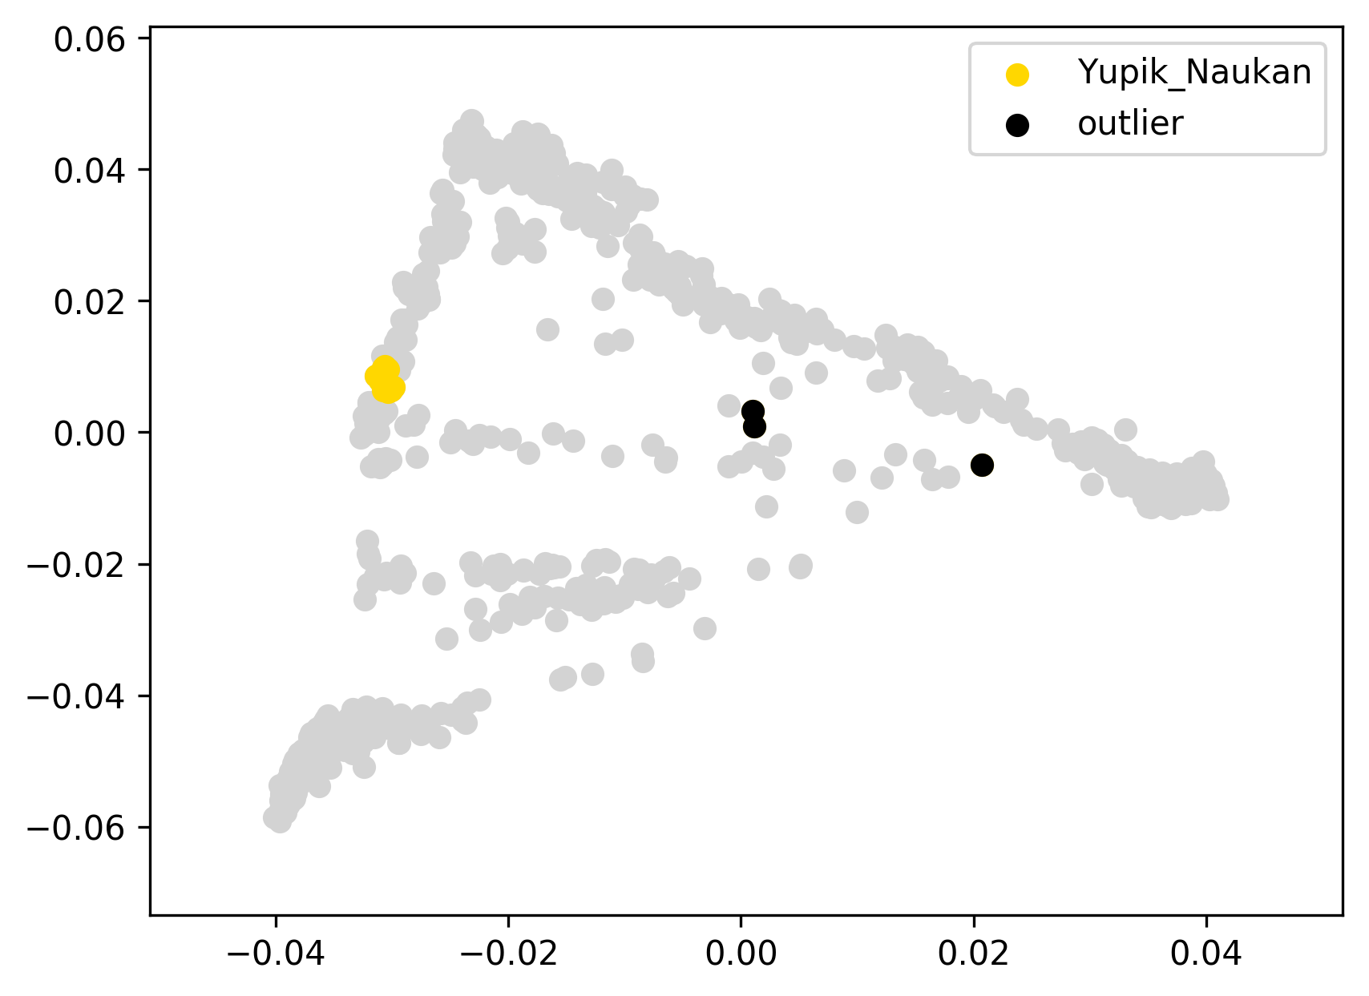 | 0.074 | 0% | 0% | 0% | 0% | 0% | 0% | 22% | 78% | 0% | 0% | 0% | 0% | 0% | 0% | 0%
ADR00090 | Yup'ik Naukan | 0 |  | -0.01 |  |  | 0.074 | 0% | 0% | 0% | 0% | 0% | 0% | 20% | 80% | 0% | 0% | 0% | 0% | 0% | 0% | 0%
ADR00092 | Yup'ik Naukan | 0 |  | -0.01 |  |  | 0.074 | 0% | 0% | 0% | 0% | 0% | 0% | 22% | 78% | 0% | 0% | 0% | 0% | 0% | 0% | 0%
ADR00093 | Yup'ik Naukan | 0 |  | -0.01 |  |  | 0.073 | 0% | 0% | 0% | 0% | 0% | 0% | 24% | 76% | 0% | 0% | 0% | 0% | 0% | 0% | 0%
ADR00095 | Yup'ik Naukan | 0 |  | -0.01 |  |  | 0.075 | 0% | 0% | 0% | 0% | 0% | 0% | 20% | 80% | 0% | 0% | 0% | 0% | 0% | 0% | 0%
ADR00096 | Yup'ik Naukan | 0 |  | -0.01 |  |  | 0.073 | 0% | 0% | 0% | 0% | 0% | 0% | 20% | 80% | 0% | 0% | 0% | 0% | 0% | 0% | 0%
ADR00098 | Yup'ik Naukan | 0 |  | -0.01 |  |  | 0.074 | 0% | 0% | 0% | 0% | 0% | 0% | 25% | 75% | 0% | 0% | 0% | 0% | 0% | 0% | 0%
ADR00102 | Yup'ik Naukan | 0 |  | 0.00 |  |  | 0.080 | 0% | 0% | 0% | 0% | 0% | 0% | 27% | 73% | 0% | 0% | 0% | 0% | 0% | 0% | 0%
Nesk_15 | Yup'ik Naukan | 0 |  | -0.01 |  |  | 0.075 | 0% | 0% | 0% | 0% | 0% | 0% | 24% | 76% | 0% | 0% | 0% | 0% | 0% | 0% | 0%
Nesk_22 | Yup'ik Naukan | 0 |  | -0.01 |  |  | 0.072 | 0% | 0% | 0% | 0% | 0% | 0% | 21% | 79% | 0% | 0% | 0% | 0% | 0% | 0% | 0%
Nesk_23 | Yup'ik Naukan | 0 |  | -0.01 |  |  | 0.077 | 0% | 0% | 0% | 0% | 0% | 0% | 23% | 77% | 0% | 0% | 0% | 0% | 0% | 0% | 0%
Nesk_25 | Yup'ik Naukan | 0 |  | -0.01 |  |  | 0.074 | 0% | 0% | 0% | 0% | 0% | 0% | 24% | 76% | 0% | 0% | 0% | 0% | 0% | 0% | 0%
Nesk19 | Yup'ik Naukan | 0 |  | -0.01 |  |  | 0.078 | 0% | 0% | 0% | 0% | 0% | 0% | 20% | 80% | 0% | 0% | 0% | 0% | 0% | 0% | 0%
Nesk8 | Yup'ik Naukan | 0 |  | -0.01 |  |  | 0.072 | 0% | 0% | 0% | 0% | 0% | 0% | 23% | 77% | 0% | 0% | 0% | 0% | 0% | 0% | 0%
Sir61 | Yup'ik Naukan | 0 |  | -0.01 |  |  | 0.075 | 0% | 0% | 0% | 0% | 0% | 0% | 22% | 78% | 0% | 0% | 0% | 0% | 0% | 0% | 0%
Nesk_01 | Yup'ik Naukan | outlier | EUR+ME | 0.32 |  |  | 0.399 | 72% | 36% | 36% | 1% | 0% | 0% | 6% | 20% | 1% | 0% | 0% | 0% | 0% | 0% | 0%
Nesk_03 | Yup'ik Naukan | outlier | EUR+ME | 0.17 |  |  | 0.255 | 48% | 48% | 0% | 0% | 0% | 0% | 14% | 38% | 1% | 0% | 0% | 0% | 0% | 0% | 0%
Nesk_05 | Yup'ik Naukan | outlier | EUR+ME | 0.18 |  |  | 0.259 | 46% | 46% | 0% | 2% | 0% | 1% | 21% | 31% | 0% | 0% | 0% | 0% | 0% | 0% | 0%
Zapo0046 | Zapotec | 0 |  | -0.01 |  | 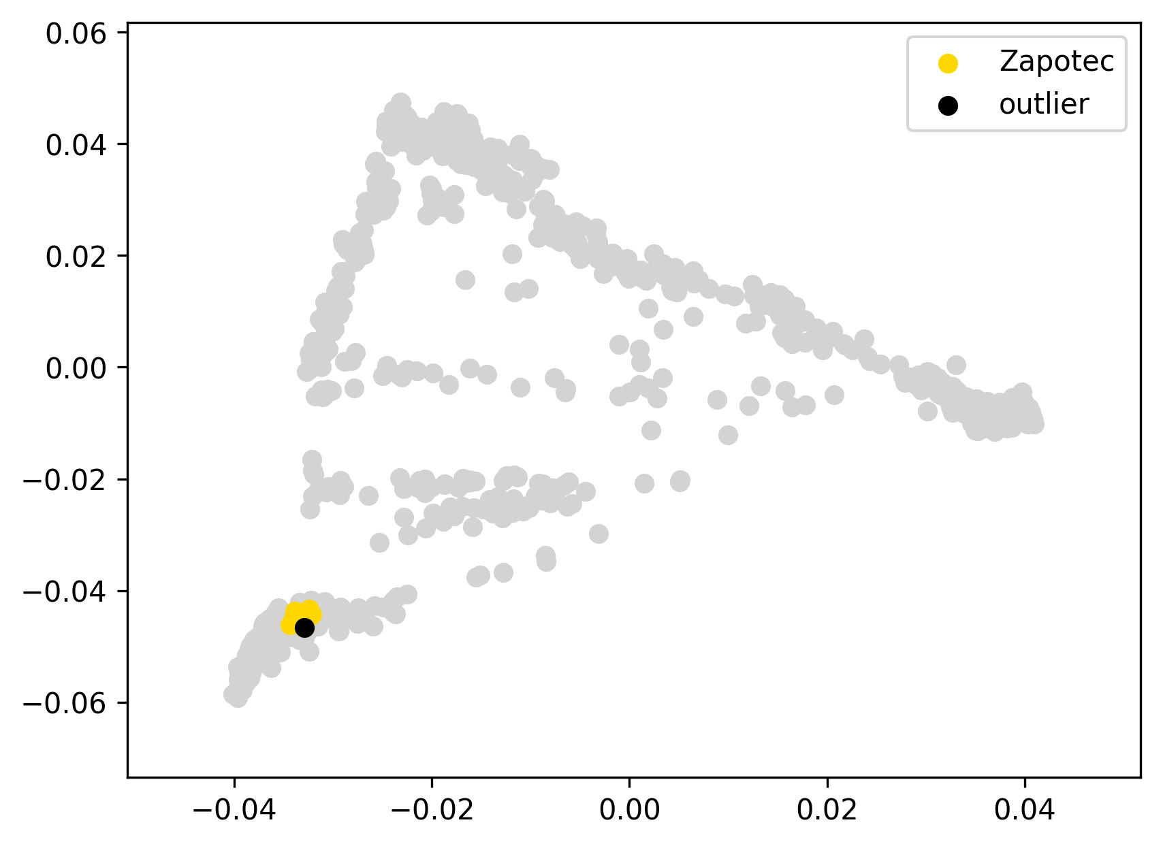 | 0.017 | 3% | 3% | 0% | 0% | 0% | 1% | 0% | 1% | 15% | 81% | 0% | 0% | 0% | 0% | 0%
Zapo0059 | Zapotec | 0 |  | 0.00 |  |  | 0.020 | 2% | 2% | 0% | 0% | 0% | 0% | 2% | 0% | 14% | 81% | 1% | 0% | 0% | 0% | 0%
Zapo0064 | Zapotec | 0 |  | 0.00 |  |  | 0.021 | 4% | 3% | 1% | 1% | 0% | 0% | 0% | 0% | 15% | 79% | 1% | 0% | 0% | 0% | 0%
Zapo0072 | Zapotec | 0 |  | -0.01 |  |  | 0.017 | 5% | 5% | 0% | 0% | 0% | 0% | 1% | 0% | 15% | 80% | 0% | 0% | 0% | 0% | 0%
Zapo0082 | Zapotec | 0 |  | 0.00 |  |  | 0.020 | 3% | 2% | 0% | 0% | 0% | 0% | 1% | 1% | 13% | 83% | 0% | 0% | 0% | 0% | 0%
Zapo0083 | Zapotec | 0 |  | 0.00 |  |  | 0.021 | 2% | 2% | 0% | 0% | 0% | 2% | 0% | 0% | 17% | 79% | 0% | 0% | 0% | 0% | 0%
Zapo0091 | Zapotec | 0 |  | -0.01 |  |  | 0.018 | 2% | 2% | 0% | 0% | 0% | 0% | 1% | 0% | 15% | 81% | 0% | 0% | 0% | 0% | 0%
Zapo0095 | Zapotec | 0 |  | -0.01 |  |  | 0.018 | 4% | 3% | 2% | 0% | 0% | 1% | 0% | 2% | 13% | 80% | 0% | 0% | 0% | 0% | 0%
Zapo0097 | Zapotec | 0 |  | -0.01 |  |  | 0.019 | 4% | 3% | 1% | 0% | 0% | 0% | 0% | 1% | 16% | 78% | 0% | 0% | 0% | 0% | 0%
Zapo0076 | Zapotec | outlier |  | 0.00 |  |  | 0.025 | 5% | 2% | 3% | 0% | 0% | 0% | 0% | 0% | 13% | 81% | 0% | 0% | 0% | 0% | 0%

 |  |  |  |  |  |  |  | 100% | 100% | 100% | 100% | 100% | 100% | 100% | 100% | 100% | 100% | 100% | 100% | 100% | 100% | 100%
Table S4.1. Unsupervised ADMIXTURE results (K=14), average weighted Euclidean distances, PC1 vs. PC2 plots, and outcomes of the outlier removal procedure for American and Siberian populations in the HumanOrigin dataset composed of 3 or more individuals. The PCA analysis was based on 940 individuals and 586,487 loci.

Table S4.2
 |  |  | outlier removal decision based on:
individual ID | population | outlier status | EUR and other admixture comp. | av. ED > (Q3 + 1.5*IQR), bold if prioritized | other reasons for the decision | PCA, PC1 vs. PC2 | av. weighted Euclidean distance in the space of 10 PCs | EUR | SEA | SIB | C-K | E-A | NAM | SAM1 | SAM2 | SAM3 | AFR1 | AFR2
altai1 | Altaian | 0 |  | -0.01 |  | 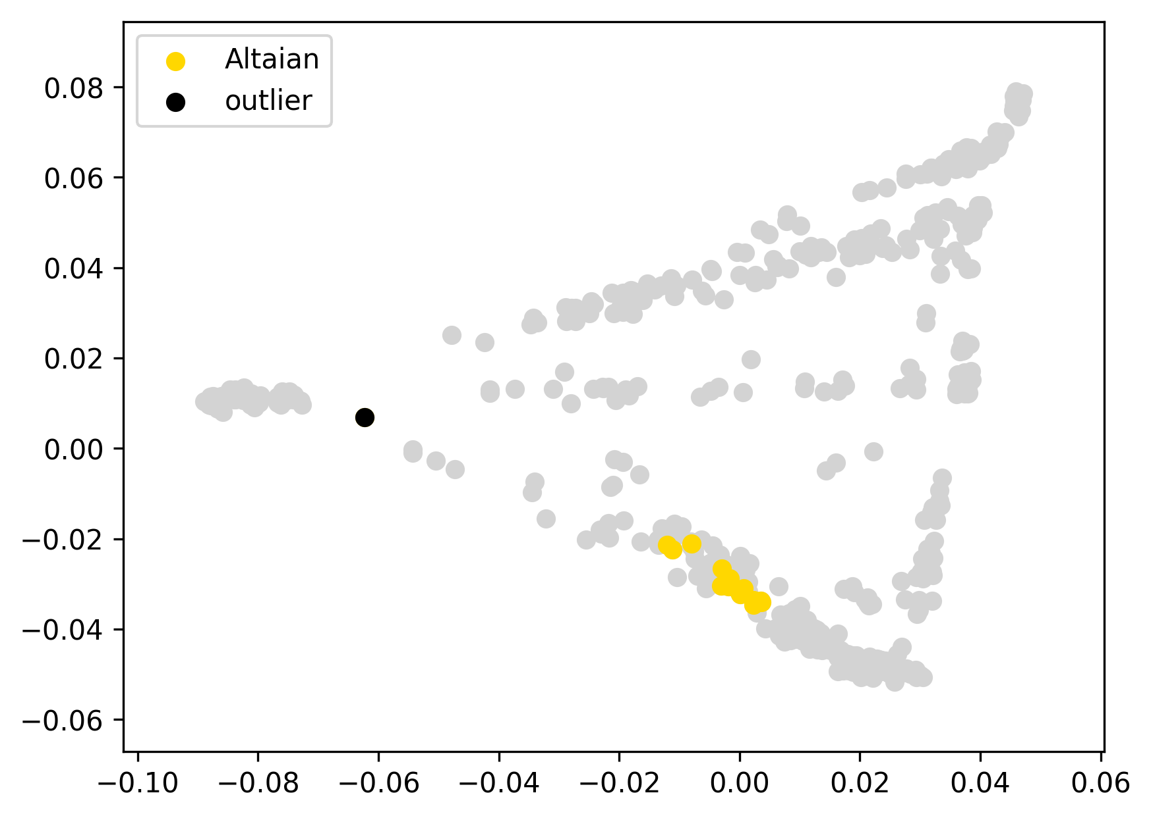 | 0.126 | 33% | 20% | 36% | 2% | 1% | 5% | 0% | 1% | 0% | 0% | 0%
altai10 | Altaian | 0 |  | -0.05 |  |  | 0.089 | 19% | 28% | 46% | 2% | 2% | 2% | 0% | 1% | 0% | 0% | 0%
altai11 | Altaian | 0 |  | -0.04 |  |  | 0.093 | 19% | 27% | 45% | 3% | 3% | 3% | 0% | 0% | 0% | 0% | 0%
altai13 | Altaian | 0 |  | -0.06 |  |  | 0.078 | 21% | 28% | 43% | 3% | 0% | 5% | 1% | 1% | 0% | 0% | 0%
altai14 | Altaian | 0 |  | -0.06 |  |  | 0.079 | 23% | 28% | 41% | 3% | 0% | 4% | 0% | 0% | 1% | 0% | 0%
altai2 | Altaian | 0 |  | -0.03 |  |  | 0.103 | 18% | 33% | 43% | 2% | 0% | 2% | 1% | 0% | 1% | 0% | 0%
altai3 | Altaian | 0 |  | -0.05 |  |  | 0.084 | 25% | 26% | 39% | 3% | 0% | 4% | 1% | 1% | 1% | 0% | 0%
altai377 | Altaian | 0 |  | -0.02 |  |  | 0.117 | 30% | 21% | 36% | 3% | 1% | 7% | 0% | 1% | 0% | 0% | 0%
altai389 | Altaian | 0 |  | 0.00 |  |  | 0.136 | 34% | 18% | 36% | 4% | 0% | 6% | 1% | 0% | 0% | 0% | 0%
altai4 | Altaian | 0 |  | -0.06 |  |  | 0.079 | 24% | 26% | 43% | 3% | 0% | 2% | 0% | 1% | 0% | 0% | 0%
altai5 | Altaian | 0 |  | -0.04 |  |  | 0.096 | 18% | 33% | 42% | 2% | 1% | 3% | 0% | 1% | 0% | 0% | 0%
altai6 | Altaian | 0 |  | -0.06 |  |  | 0.080 | 21% | 31% | 42% | 1% | 1% | 3% | 1% | 0% | 1% | 0% | 0%
altai7 | Altaian | 0 |  | -0.06 |  |  | 0.082 | 23% | 26% | 43% | 1% | 1% | 4% | 1% | 0% | 0% | 0% | 0%
altai8 | Altaian | 0 |  | -0.05 |  |  | 0.083 | 21% | 32% | 39% | 2% | 2% | 1% | 0% | 1% | 1% | 0% | 0%
altai80 | Altaian | 0 |  | -0.05 |  |  | 0.090 | 21% | 32% | 43% | 0% | 1% | 1% | 1% | 1% | 0% | 0% | 0%
altai9 | Altaian | 0 |  | -0.06 |  |  | 0.077 | 21% | 28% | 43% | 3% | 0% | 3% | 1% | 1% | 0% | 0% | 0%
altai406 | Altaian | outlier | EUR | 0.36 |  |  | 0.494 | 81% | 0% | 10% | 2% | 0% | 4% | 1% | 1% | 0% | 0% | 0%
Burya10 | Buryat | 0 |  | -0.02 |  | 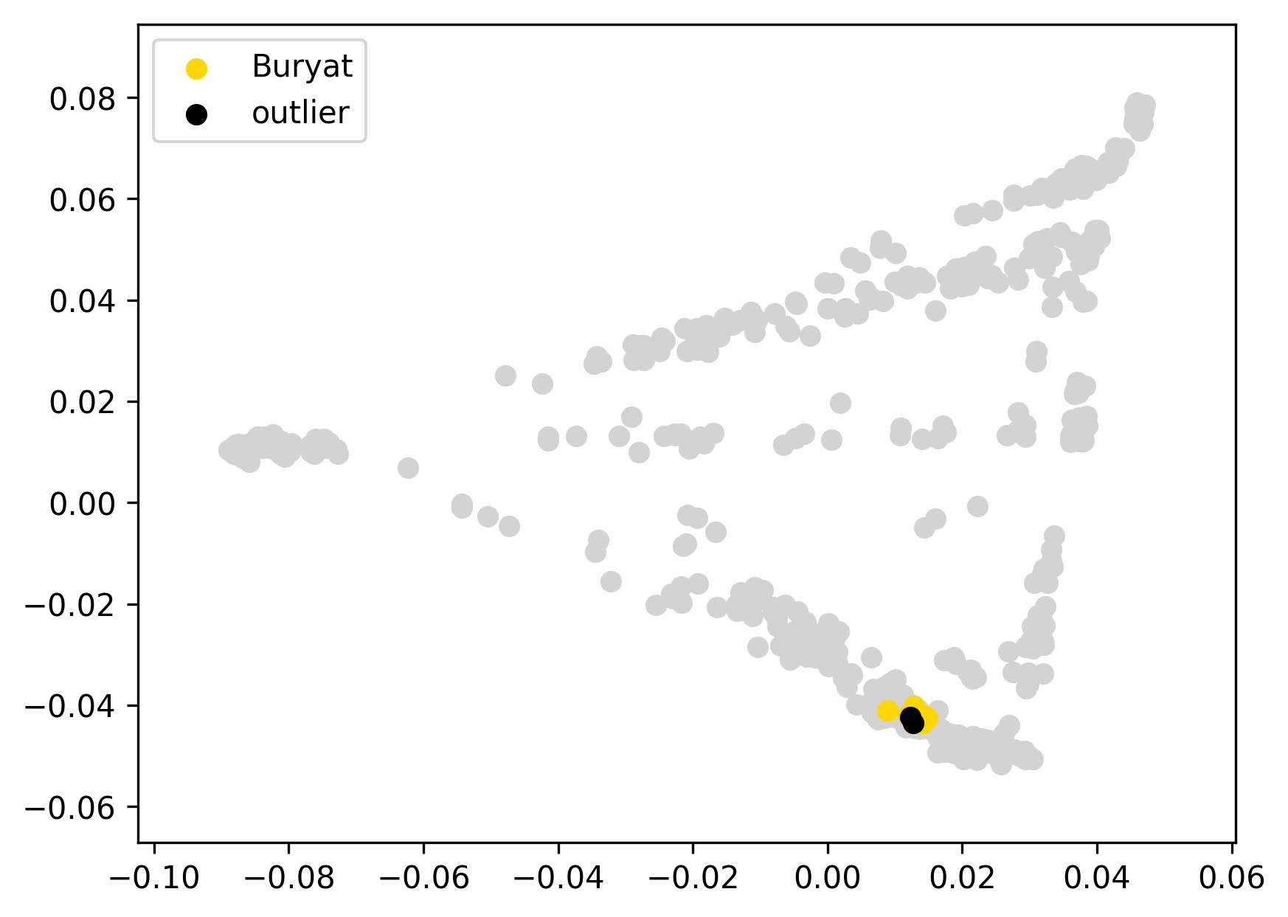 | 0.021 | 9% | 36% | 52% | 1% | 0% | 1% | 0% | 0% | 0% | 0% | 0%
Burya16 | Buryat | 0 |  | -0.01 |  |  | 0.024 | 9% | 36% | 49% | 3% | 0% | 2% | 1% | 0% | 0% | 0% | 0%
Buryat12 | Buryat | 0 |  | -0.01 |  |  | 0.027 | 8% | 38% | 50% | 1% | 0% | 1% | 0% | 1% | 0% | 0% | 0%
Buryat14 | Buryat | 0 |  | -0.01 |  |  | 0.032 | 7% | 34% | 54% | 2% | 1% | 1% | 0% | 0% | 1% | 0% | 0%
Buryat15 | Buryat | 0 |  | -0.01 |  |  | 0.025 | 8% | 38% | 52% | 0% | 0% | 1% | 0% | 0% | 1% | 0% | 0%
Buryat17 | Buryat | 0 |  | -0.01 |  |  | 0.024 | 7% | 38% | 52% | 1% | 1% | 0% | 1% | 0% | 0% | 0% | 0%
buryat18 | Buryat | 0 |  | -0.01 |  |  | 0.029 | 8% | 36% | 52% | 2% | 1% | 1% | 0% | 0% | 0% | 0% | 0%
buryat20 | Buryat | 0 |  | -0.02 |  |  | 0.021 | 9% | 38% | 49% | 2% | 0% | 0% | 1% | 0% | 0% | 0% | 0%
buryat24 | Buryat | 0 |  | -0.01 |  |  | 0.025 | 8% | 37% | 52% | 0% | 1% | 1% | 1% | 0% | 0% | 0% | 0%
buryat25 | Buryat | 0 |  | -0.01 |  |  | 0.025 | 8% | 37% | 49% | 3% | 1% | 1% | 0% | 0% | 0% | 0% | 0%
buryat26 | Buryat | 0 |  | -0.01 |  |  | 0.025 | 8% | 37% | 52% | 1% | 1% | 0% | 1% | 0% | 0% | 0% | 0%
buryat27 | Buryat | 0 |  | 0.00 |  |  | 0.039 | 12% | 34% | 50% | 2% | 0% | 2% | 0% | 0% | 0% | 0% | 0%
Buryat3 | Buryat | 0 |  | -0.01 |  |  | 0.023 | 7% | 36% | 53% | 2% | 1% | 2% | 0% | 0% | 0% | 0% | 0%
Buryat4 | Buryat | 0 |  | -0.01 |  |  | 0.024 | 9% | 36% | 50% | 2% | 0% | 1% | 1% | 0% | 0% | 0% | 0%
Buryat6 | Buryat | 0 |  | -0.01 |  |  | 0.025 | 8% | 37% | 52% | 2% | 1% | 0% | 0% | 0% | 1% | 0% | 0%
Buryat8 | Buryat | 0 |  | -0.01 |  |  | 0.028 | 10% | 34% | 51% | 3% | 1% | 0% | 0% | 0% | 1% | 0% | 0%
Buryat9 | Buryat | 0 |  | -0.01 |  |  | 0.032 | 7% | 39% | 50% | 1% | 1% | 1% | 1% | 0% | 0% | 0% | 0%
Buryat2 | Buryat | outlier |  | 0.00 |  |  | 0.034 | 9% | 34% | 54% | 0% | 2% | 1% | 0% | 0% | 0% | 0% | 0%
buryat23 | Buryat | outlier |  | -0.01 |  |  | 0.030 | 8% | 40% | 49% | 2% | 0% | 0% | 0% | 1% | 0% | 0% | 0%
chukchi116 | Chukchi | 0 |  | -0.25 |  | 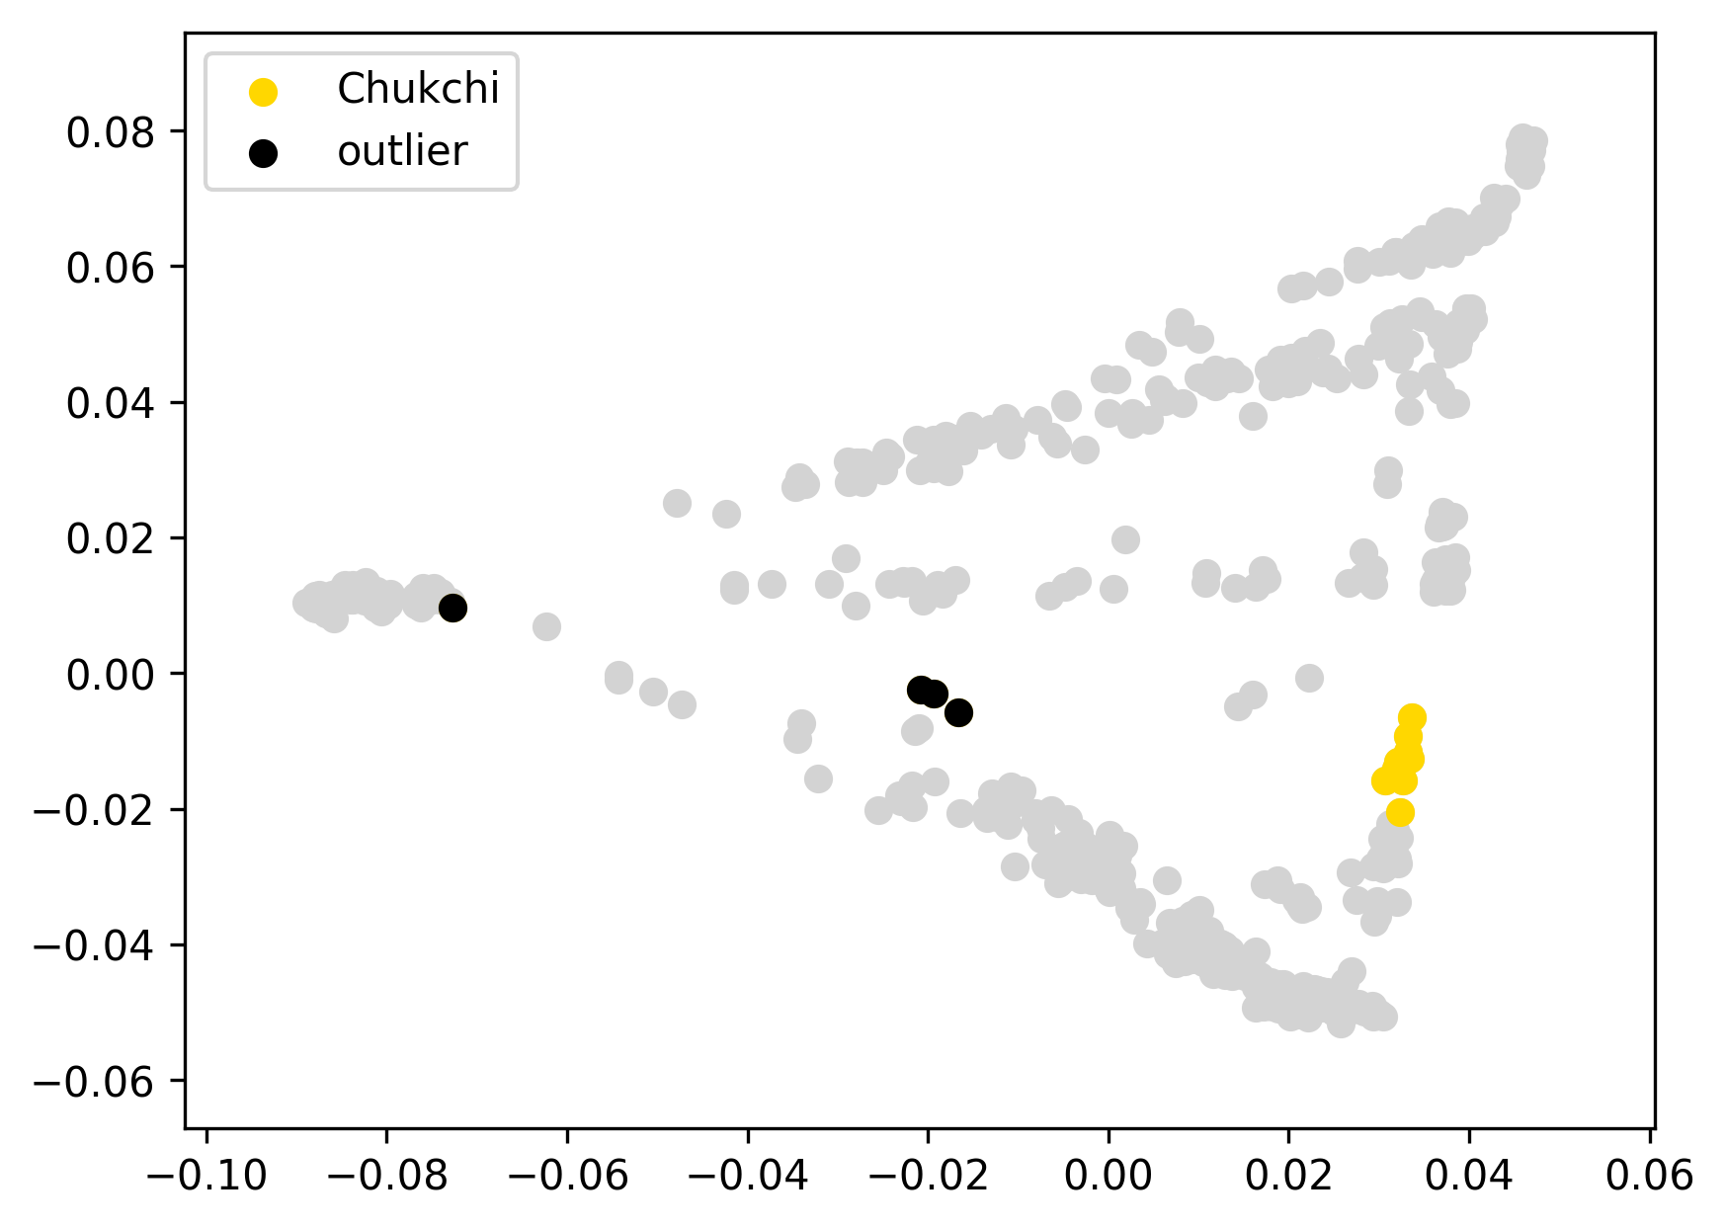 | 0.174 | 0% | 0% | 11% | 57% | 26% | 4% | 0% | 1% | 1% | 0% | 0%
chukchi117 | Chukchi | 0 |  | -0.25 |  |  | 0.175 | 0% | 0% | 8% | 57% | 31% | 3% | 0% | 0% | 1% | 0% | 0%
chukchi119 | Chukchi | 0 |  | -0.23 |  |  | 0.195 | 0% | 0% | 4% | 51% | 36% | 9% | 0% | 0% | 0% | 0% | 0%
chukchi123 | Chukchi | 0 |  | -0.24 |  |  | 0.177 | 0% | 0% | 9% | 60% | 27% | 2% | 0% | 2% | 0% | 0% | 0%
chukchi125 | Chukchi | 0 |  | -0.22 |  |  | 0.199 | 0% | 0% | 10% | 65% | 25% | 0% | 0% | 1% | 0% | 0% | 0%
chukchi126 | Chukchi | 0 |  | -0.24 |  |  | 0.181 | 0% | 0% | 7% | 54% | 33% | 6% | 0% | 0% | 0% | 0% | 0%
chukchi128 | Chukchi | 0 |  | -0.24 |  |  | 0.180 | 0% | 0% | 8% | 54% | 33% | 4% | 0% | 0% | 1% | 0% | 0%
chukchi130 | Chukchi | 0 |  | -0.25 |  |  | 0.174 | 0% | 0% | 10% | 57% | 27% | 5% | 0% | 0% | 0% | 0% | 0%
chukchi136 | Chukchi | 0 |  | -0.24 |  |  | 0.181 | 0% | 0% | 9% | 61% | 25% | 3% | 0% | 1% | 0% | 0% | 0%
chukchi142 | Chukchi | 0 |  | -0.25 |  |  | 0.173 | 0% | 0% | 11% | 58% | 26% | 4% | 0% | 0% | 1% | 0% | 0%
chukchi143 | Chukchi | 0 |  | -0.22 |  |  | 0.197 | 0% | 0% | 10% | 47% | 34% | 8% | 0% | 0% | 1% | 0% | 0%
chukchi113 | Chukchi | outlier | EUR | 0.33 |  |  | 0.752 | 90% | 0% | 4% | 1% | 1% | 4% | 0% | 0% | 0% | 0% | 0%
chukchi114 | Chukchi | outlier | EUR | -0.06 |  |  | 0.359 | 44% | 0% | 8% | 28% | 17% | 2% | 0% | 0% | 1% | 0% | 0%
chukchi124 | Chukchi | outlier | EUR | -0.07 |  |  | 0.347 | 41% | 0% | 11% | 30% | 11% | 5% | 0% | 0% | 0% | 0% | 0%
chukchi129 | Chukchi | outlier | EUR | -0.05 |  |  | 0.367 | 45% | 1% | 6% | 30% | 13% | 4% | 0% | 0% | 1% | 0% | 0%
Dolgan10 | Dolgan | 0 |  | -0.04 |  | 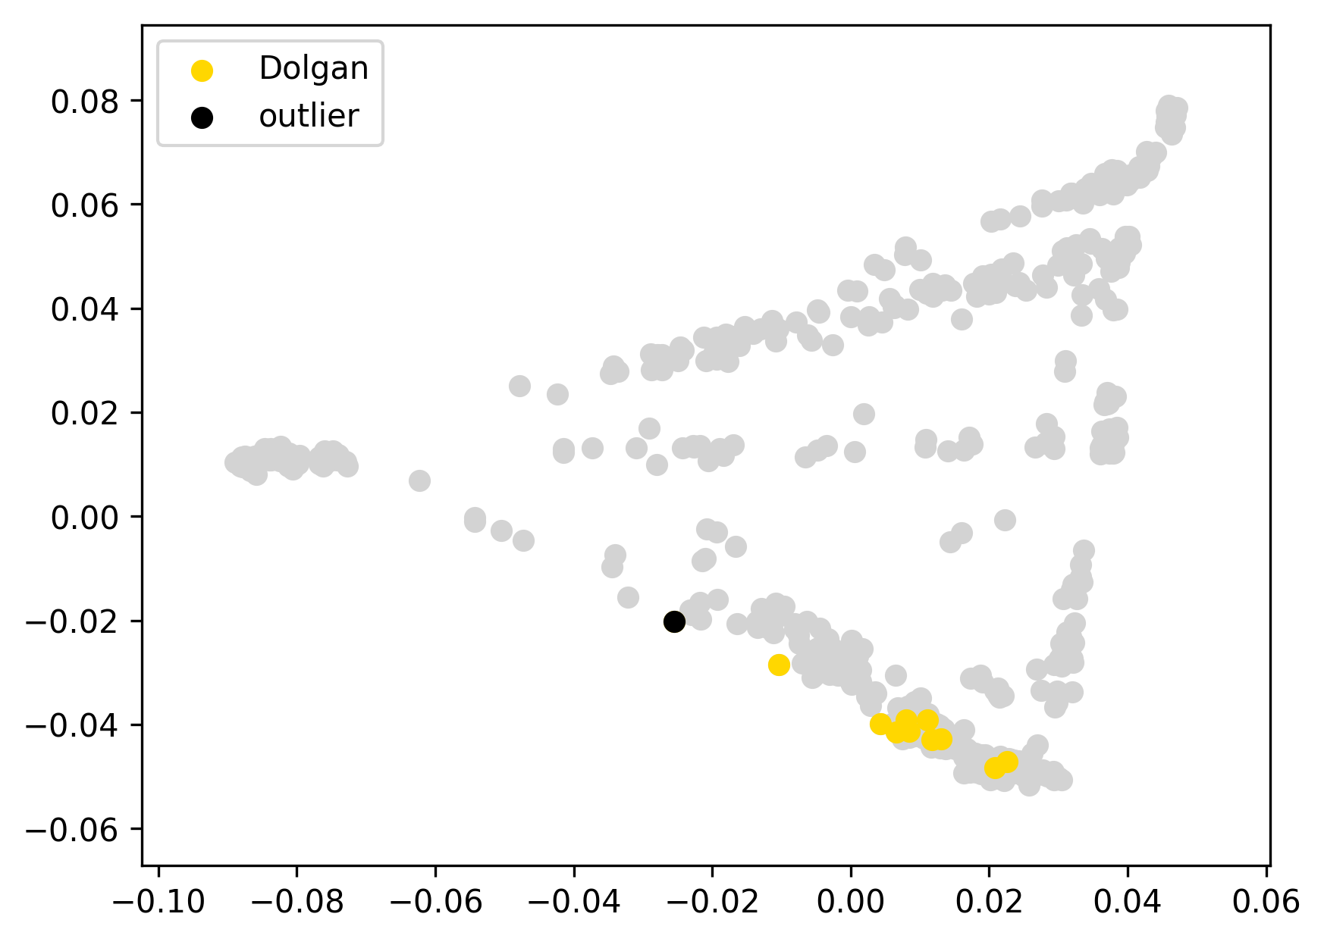 | 0.179 | 31% | 12% | 53% | 0% | 0% | 2% | 0% | 0% | 0% | 0% | 0%
Dolgan1708 | Dolgan | 0 |  | -0.08 |  |  | 0.134 | 0% | 16% | 81% | 1% | 1% | 0% | 0% | 0% | 0% | 0% | 0%
Dolgan2 | Dolgan | 0 |  | -0.13 |  |  | 0.090 | 10% | 14% | 75% | 0% | 0% | 0% | 0% | 1% | 0% | 0% | 0%
Dolgan3 | Dolgan | 0 |  | -0.12 |  |  | 0.095 | 17% | 11% | 71% | 1% | 0% | 0% | 1% | 0% | 0% | 0% | 0%
Dolgan3840 | Dolgan | 0 |  | -0.12 |  |  | 0.096 | 8% | 19% | 71% | 0% | 0% | 0% | 0% | 1% | 0% | 0% | 0%
Dolgan3845 | Dolgan | 0 |  | -0.13 |  |  | 0.089 | 15% | 10% | 75% | 1% | 0% | 0% | 0% | 0% | 0% | 0% | 0%
Dolgan3865 | Dolgan | 0 |  | -0.12 |  |  | 0.094 | 11% | 13% | 70% | 3% | 1% | 2% | 0% | 0% | 0% | 0% | 0%
Dolgan5 | Dolgan | 0 |  | -0.13 |  |  | 0.086 | 13% | 10% | 74% | 2% | 0% | 0% | 0% | 0% | 0% | 0% | 0%
Dolgan6 | Dolgan | 0 |  | -0.07 |  |  | 0.146 | 0% | 15% | 79% | 6% | 0% | 0% | 1% | 0% | 0% | 0% | 0%
Dolgan7 | Dolgan | 0 |  | -0.13 |  |  | 0.087 | 14% | 12% | 72% | 0% | 0% | 2% | 0% | 1% | 0% | 0% | 0%
Dolgan8 | Dolgan | outlier | EUR | 0.08 |  |  | 0.291 | 45% | 13% | 39% | 0% | 0% | 2% | 0% | 0% | 1% | 0% | 0%

eastGreenland1 | East Greenlandic Inuit | 0 |  | -0.28 |  | 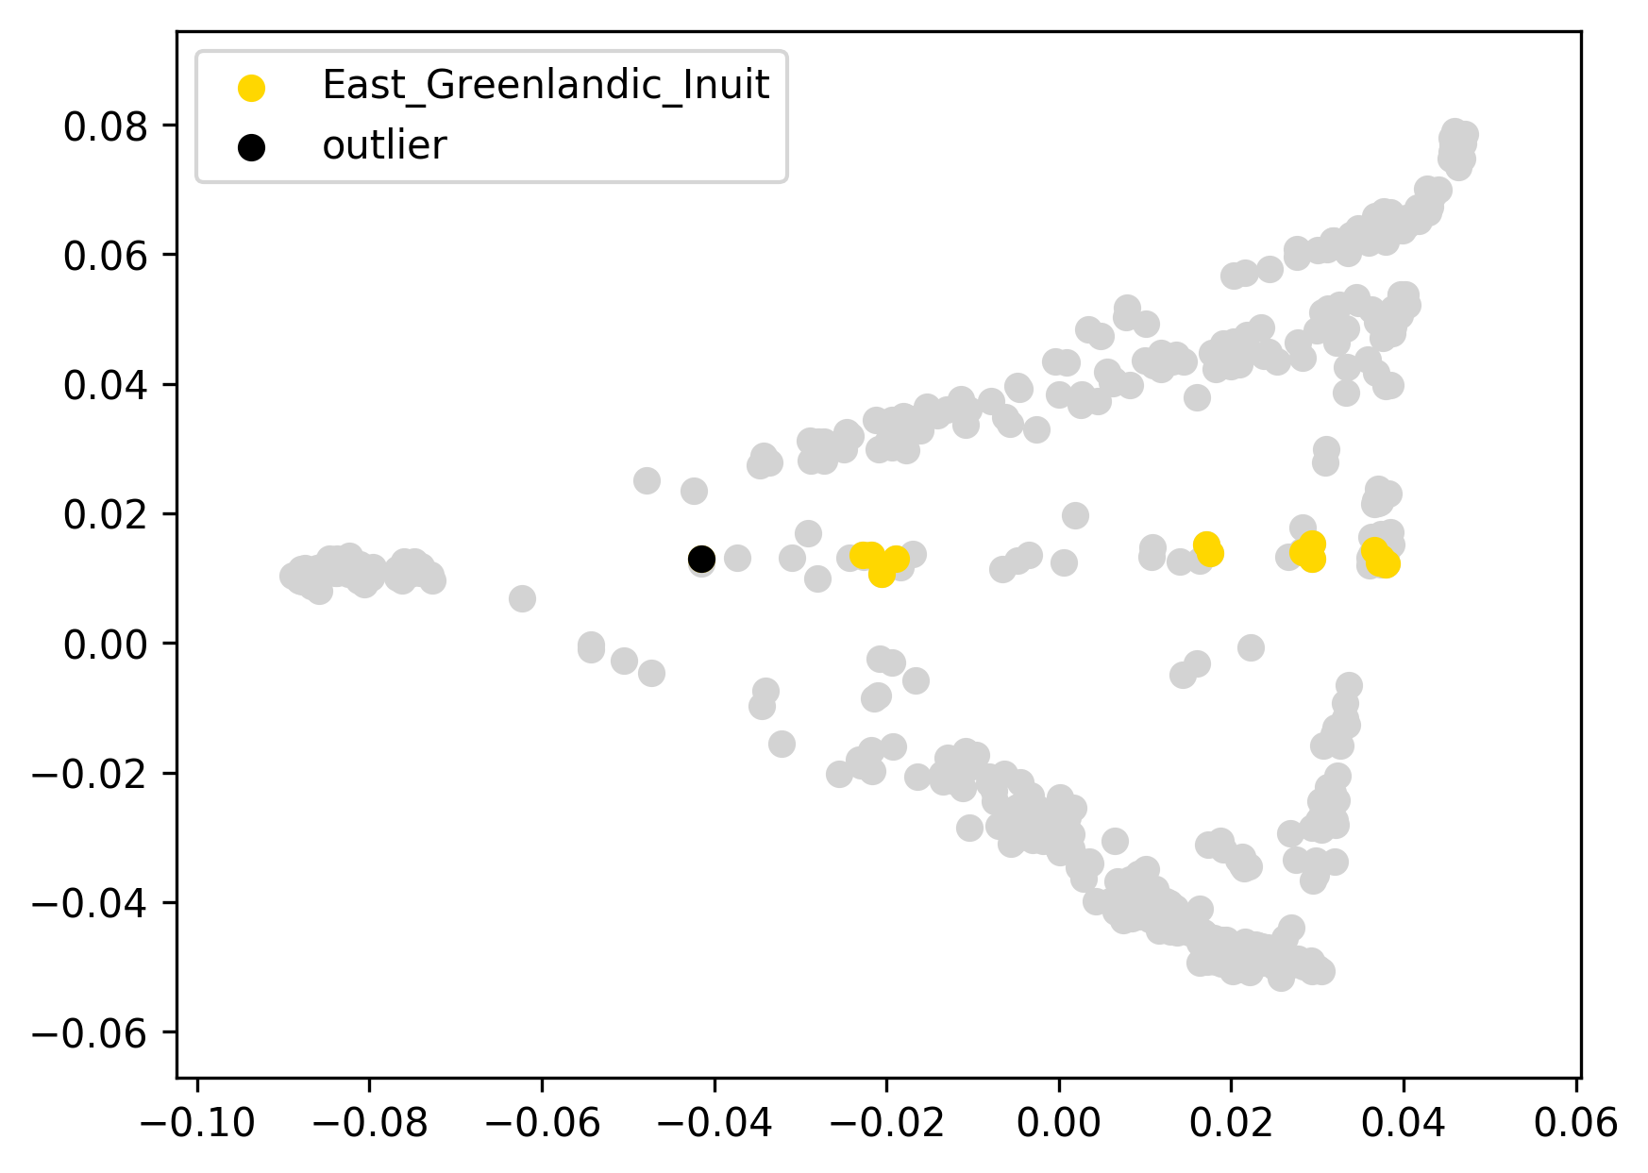 | 0.210 | 3% | 0% | 0% | 1% | 95% | 1% | 0% | 0% | 0% | 0% | 0%
eastGreenland11 | East Greenlandic Inuit | 0 |  | -0.29 |  |  | 0.209 | 0% | 0% | 0% | 0% | 100% | 0% | 0% | 0% | 0% | 0% | 0%
eastGreenland12 | East Greenlandic Inuit | 0 |  | -0.28 |  |  | 0.212 | 0% | 0% | 0% | 0% | 100% | 0% | 0% | 0% | 0% | 0% | 0%
eastGreenland13 | East Greenlandic Inuit | 0 |  | -0.16 |  |  | 0.334 | 48% | 0% | 0% | 0% | 52% | 0% | 0% | 0% | 0% | 0% | 0%
eastGreenland14 | East Greenlandic Inuit | 0 |  | -0.28 |  |  | 0.213 | 15% | 0% | 0% | 0% | 84% | 1% | 0% | 0% | 0% | 0% | 0%
eastGreenland15 | East Greenlandic Inuit | 0 |  | -0.16 |  |  | 0.330 | 47% | 0% | 0% | 0% | 52% | 0% | 0% | 0% | 0% | 0% | 0%
eastGreenland17 | East Greenlandic Inuit | 0 |  | -0.25 |  |  | 0.241 | 0% | 0% | 0% | 0% | 100% | 0% | 0% | 0% | 0% | 0% | 0%
eastGreenland18 | East Greenlandic Inuit | 0 |  | -0.26 |  |  | 0.238 | 0% | 0% | 0% | 0% | 100% | 0% | 0% | 0% | 0% | 0% | 0%
eastGreenland2 | East Greenlandic Inuit | 0 |  | -0.28 |  |  | 0.212 | 13% | 0% | 0% | 0% | 86% | 0% | 0% | 0% | 1% | 0% | 0%
eastGreenland3 | East Greenlandic Inuit | 0 |  | -0.26 |  |  | 0.232 | 0% | 0% | 0% | 0% | 100% | 0% | 0% | 0% | 0% | 0% | 0%
eastGreenland4 | East Greenlandic Inuit | 0 |  | -0.27 |  |  | 0.228 | 0% | 0% | 0% | 0% | 100% | 0% | 0% | 0% | 0% | 0% | 0%
eastGreenland5 | East Greenlandic Inuit | 0 |  | -0.17 |  |  | 0.320 | 46% | 0% | 0% | 1% | 50% | 2% | 1% | 0% | 0% | 0% | 0%
eastGreenland7 | East Greenlandic Inuit | 0 |  | -0.27 |  |  | 0.229 | 0% | 0% | 0% | 0% | 100% | 0% | 0% | 0% | 0% | 0% | 0%
eastGreenland9 | East Greenlandic Inuit | 0 |  | -0.16 |  |  | 0.330 | 46% | 0% | 1% | 1% | 49% | 2% | 0% | 0% | 0% | 0% | 0%
eastGreenland6 | East Greenlandic Inuit | outlier | EUR | -0.01 |  |  | 0.488 | 65% | 0% | 2% | 0% | 28% | 5% | 0% | 1% | 0% | 0% | 0%
I7331 | Ekven | 0 |  | -0.04 |  | 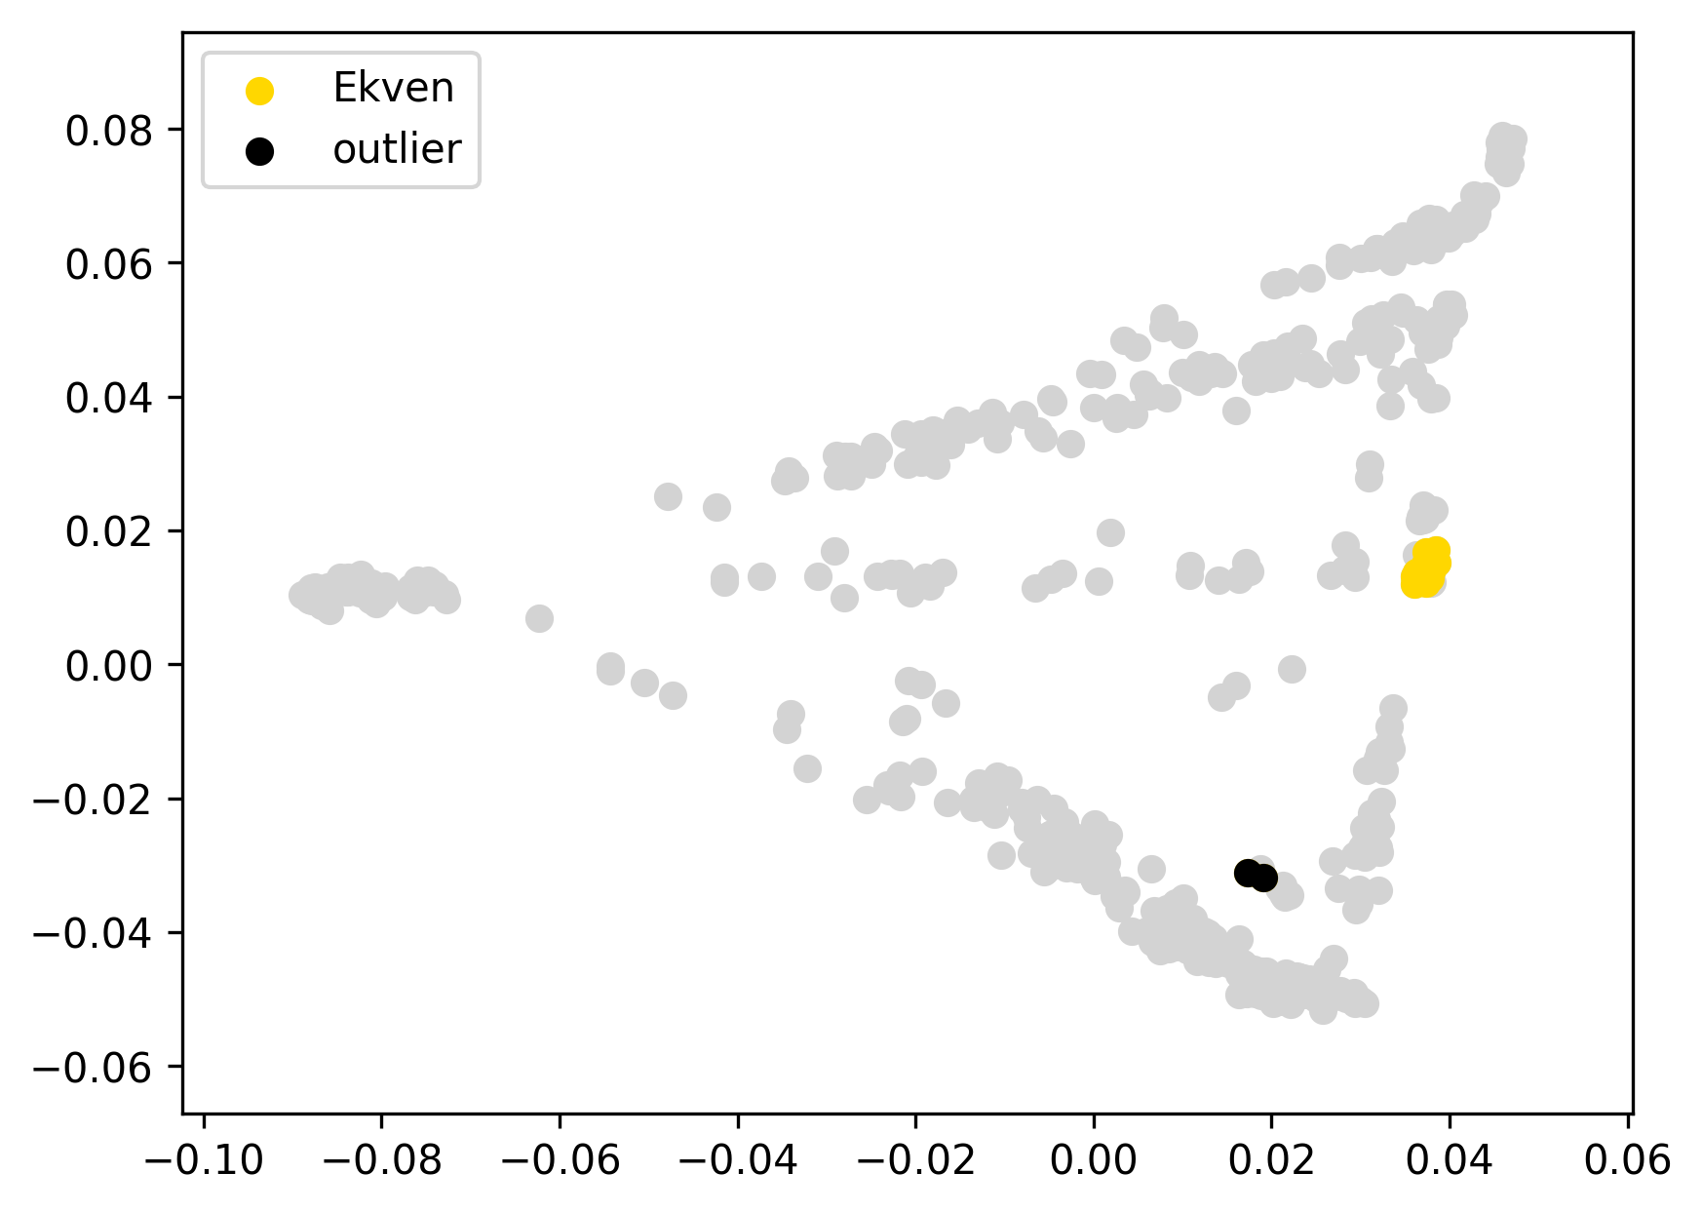 | 0.136 | 0% | 0% | 0% | 0% | 100% | 0% | 0% | 0% | 0% | 0% | 0%
I7332 | Ekven | 0 |  | -0.05 |  |  | 0.128 | 0% | 0% | 0% | 0% | 99% | 0% | 0% | 0% | 0% | 0% | 0%
I7333 | Ekven | 0 |  | -0.05 |  |  | 0.126 | 0% | 0% | 0% | 0% | 100% | 0% | 0% | 0% | 0% | 0% | 0%
I7334 | Ekven | 0 |  | 0.11 | this ED outlier was not removed since it displays an absolutely typical ADMIXTURE profile |  | 0.290 | 0% | 0% | 0% | 0% | 100% | 0% | 0% | 0% | 0% | 0% | 0%
I7337 | Ekven | 0 |  | -0.05 |  |  | 0.129 | 0% | 0% | 0% | 0% | 99% | 0% | 0% | 1% | 0% | 0% | 0%
I7338 | Ekven | 0 |  | -0.04 |  |  | 0.133 | 0% | 0% | 0% | 1% | 98% | 0% | 0% | 1% | 0% | 0% | 0%
I7339 | Ekven | 0 |  | -0.05 |  |  | 0.125 | 0% | 0% | 0% | 0% | 100% | 0% | 0% | 0% | 0% | 0% | 0%
I7340 | Ekven | 0 |  | -0.05 |  |  | 0.126 | 0% | 0% | 0% | 0% | 100% | 0% | 0% | 0% | 0% | 0% | 0%
I7341 | Ekven | 0 |  | -0.03 |  |  | 0.147 | 0% | 0% | 0% | 0% | 100% | 0% | 0% | 0% | 0% | 0% | 0%
I7343 | Ekven | 0 |  | -0.04 |  |  | 0.132 | 0% | 0% | 0% | 0% | 100% | 0% | 0% | 0% | 0% | 0% | 0%
I7344 | Ekven | 0 |  | -0.03 |  |  | 0.144 | 0% | 0% | 0% | 0% | 100% | 0% | 0% | 0% | 0% | 0% | 0%
I7346 | Ekven | 0 |  | -0.05 |  |  | 0.126 | 0% | 0% | 0% | 0% | 100% | 0% | 0% | 0% | 0% | 0% | 0%
I7347 | Ekven | 0 |  | -0.04 |  |  | 0.130 | 0% | 0% | 0% | 0% | 100% | 0% | 0% | 0% | 0% | 0% | 0%
I7348 | Ekven | 0 |  | -0.05 |  |  | 0.126 | 0% | 0% | 0% | 0% | 95% | 4% | 0% | 0% | 1% | 0% | 0%
I7349 | Ekven | 0 |  | -0.01 |  |  | 0.162 | 0% | 0% | 0% | 8% | 78% | 12% | 0% | 0% | 1% | 0% | 0%
I7621 | Ekven | 0 |  | -0.04 |  |  | 0.140 | 0% | 0% | 0% | 4% | 93% | 3% | 0% | 0% | 0% | 0% | 0%
I7335 | Ekven | outlier | SIB, SEA | 0.47 |  |  | 0.649 | 2% | 13% | 65% | 4% | 4% | 7% | 3% | 0% | 0% | 0% | 0%
I7336 | Ekven | outlier | SIB, SEA | 0.38 |  |  | 0.551 | 5% | 22% | 51% | 7% | 4% | 6% | 4% | 0% | 0% | 0% | 1%
even1574 | Even | 0 |  | -0.02 |  | 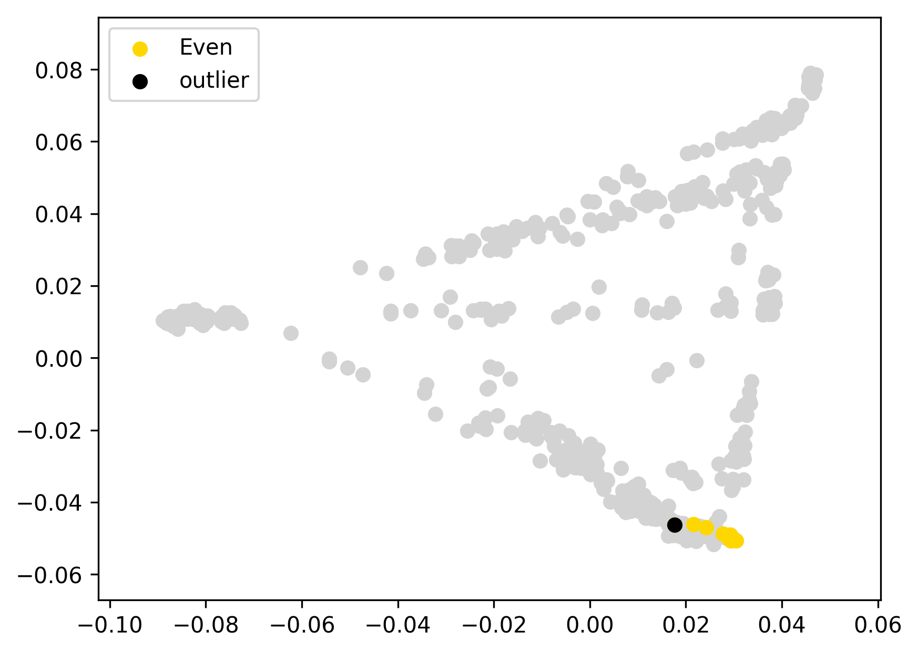 | 0.045 | 0% | 5% | 80% | 15% | 0% | 0% | 0% | 0% | 0% | 0% | 0%
even2682 | Even | 0 |  | -0.02 |  |  | 0.045 | 0% | 7% | 79% | 15% | 0% | 0% | 0% | 0% | 0% | 0% | 0%
even2694 | Even | 0 |  | -0.02 |  |  | 0.047 | 0% | 4% | 81% | 14% | 0% | 0% | 0% | 0% | 0% | 0% | 0%
even2737 | Even | 0 |  | -0.02 |  |  | 0.047 | 0% | 8% | 77% | 15% | 0% | 0% | 0% | 0% | 0% | 0% | 0%
even2754 | Even | 0 |  | -0.02 |  |  | 0.046 | 0% | 8% | 78% | 14% | 0% | 0% | 0% | 0% | 0% | 0% | 0%
even2763 | Even | 0 |  | 0.00 |  |  | 0.068 | 1% | 15% | 76% | 8% | 0% | 0% | 0% | 0% | 0% | 0% | 0%
even3776 | Even | 0 |  | -0.02 |  |  | 0.046 | 0% | 7% | 77% | 16% | 0% | 0% | 0% | 0% | 0% | 0% | 0%
even3777 | Even | 0 |  | -0.02 |  |  | 0.048 | 0% | 8% | 79% | 13% | 0% | 0% | 0% | 0% | 0% | 0% | 0%
even838 | Even | 0 |  | -0.01 |  |  | 0.055 | 0% | 13% | 78% | 9% | 0% | 0% | 0% | 0% | 0% | 0% | 0%
even2759 | Even | outlier |  | 0.05 |  |  | 0.111 | 4% | 16% | 78% | 0% | 0% | 0% | 2% | 0% | 0% | 0% | 0%

evenk1 | Evenk | 0 |  | -0.05 |  | 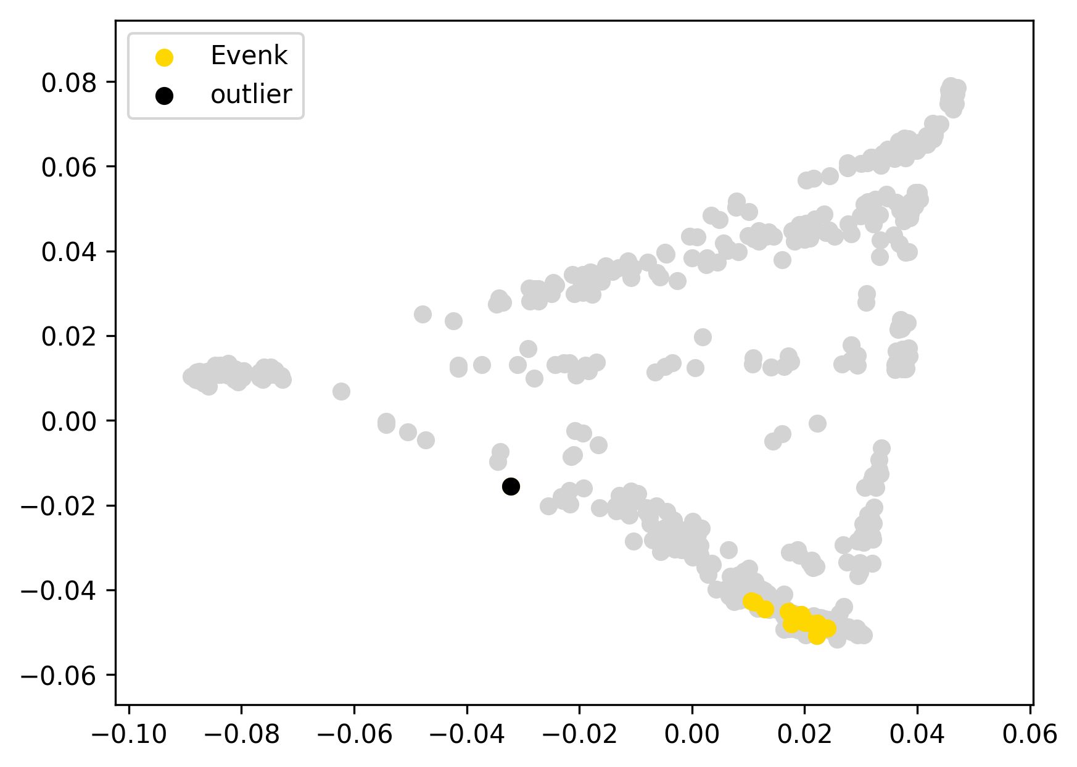 | 0.066 | 1% | 19% | 78% | 0% | 0% | 1% | 0% | 0% | 0% | 0% | 0%
evenk10 | Evenk | 0 |  | -0.06 |  |  | 0.065 | 2% | 19% | 78% | 1% | 0% | 0% | 0% | 0% | 0% | 0% | 0%
evenk11 | Evenk | 0 |  | -0.06 |  |  | 0.065 | 2% | 16% | 80% | 2% | 0% | 0% | 0% | 0% | 0% | 0% | 0%
evenk13 | Evenk | 0 |  | -0.05 |  |  | 0.069 | 4% | 17% | 76% | 2% | 0% | 0% | 0% | 0% | 0% | 0% | 0%
evenk14 | Evenk | 0 |  | -0.04 |  |  | 0.084 | 8% | 21% | 70% | 0% | 0% | 0% | 0% | 0% | 0% | 0% | 0%
evenk15 | Evenk | 0 |  | -0.03 |  |  | 0.086 | 3% | 22% | 75% | 0% | 0% | 0% | 0% | 0% | 0% | 0% | 0%
evenk16 | Evenk | 0 |  | -0.05 |  |  | 0.067 | 2% | 16% | 80% | 0% | 0% | 0% | 0% | 0% | 1% | 0% | 0%
evenk2 | Evenk | 0 |  | -0.05 |  |  | 0.075 | 0% | 15% | 81% | 3% | 1% | 0% | 0% | 0% | 0% | 0% | 0%
evenk3 | Evenk | 0 |  | -0.03 |  |  | 0.093 | 0% | 13% | 82% | 4% | 0% | 0% | 0% | 0% | 0% | 0% | 0%
evenk4 | Evenk | 0 |  | -0.05 |  |  | 0.073 | 5% | 19% | 76% | 0% | 0% | 0% | 0% | 0% | 0% | 0% | 0%
evenk5 | Evenk | 0 |  | -0.02 |  |  | 0.098 | 10% | 20% | 70% | 0% | 0% | 0% | 0% | 0% | 0% | 0% | 0%
evenk6 | Evenk | 0 |  | -0.04 |  |  | 0.080 | 0% | 16% | 80% | 3% | 0% | 0% | 1% | 0% | 0% | 0% | 0%
evenk7 | Evenk | 0 |  | -0.03 |  |  | 0.095 | 10% | 18% | 72% | 0% | 0% | 0% | 0% | 1% | 0% | 0% | 0%
evenk8 | Evenk | 0 |  | -0.06 |  |  | 0.066 | 3% | 17% | 78% | 1% | 0% | 1% | 0% | 0% | 1% | 0% | 0%
evenk9 | Evenk | 0 |  | -0.04 |  |  | 0.078 | 0% | 17% | 82% | 1% | 0% | 0% | 0% | 0% | 0% | 0% | 0%
evenk12 | Evenk | outlier | EUR | 0.29 |  |  | 0.413 | 51% | 7% | 39% | 0% | 0% | 1% | 1% | 1% | 0% | 0% | 0%
HGDP00995 | Karitiana | 0 |  | -0.02 |  | 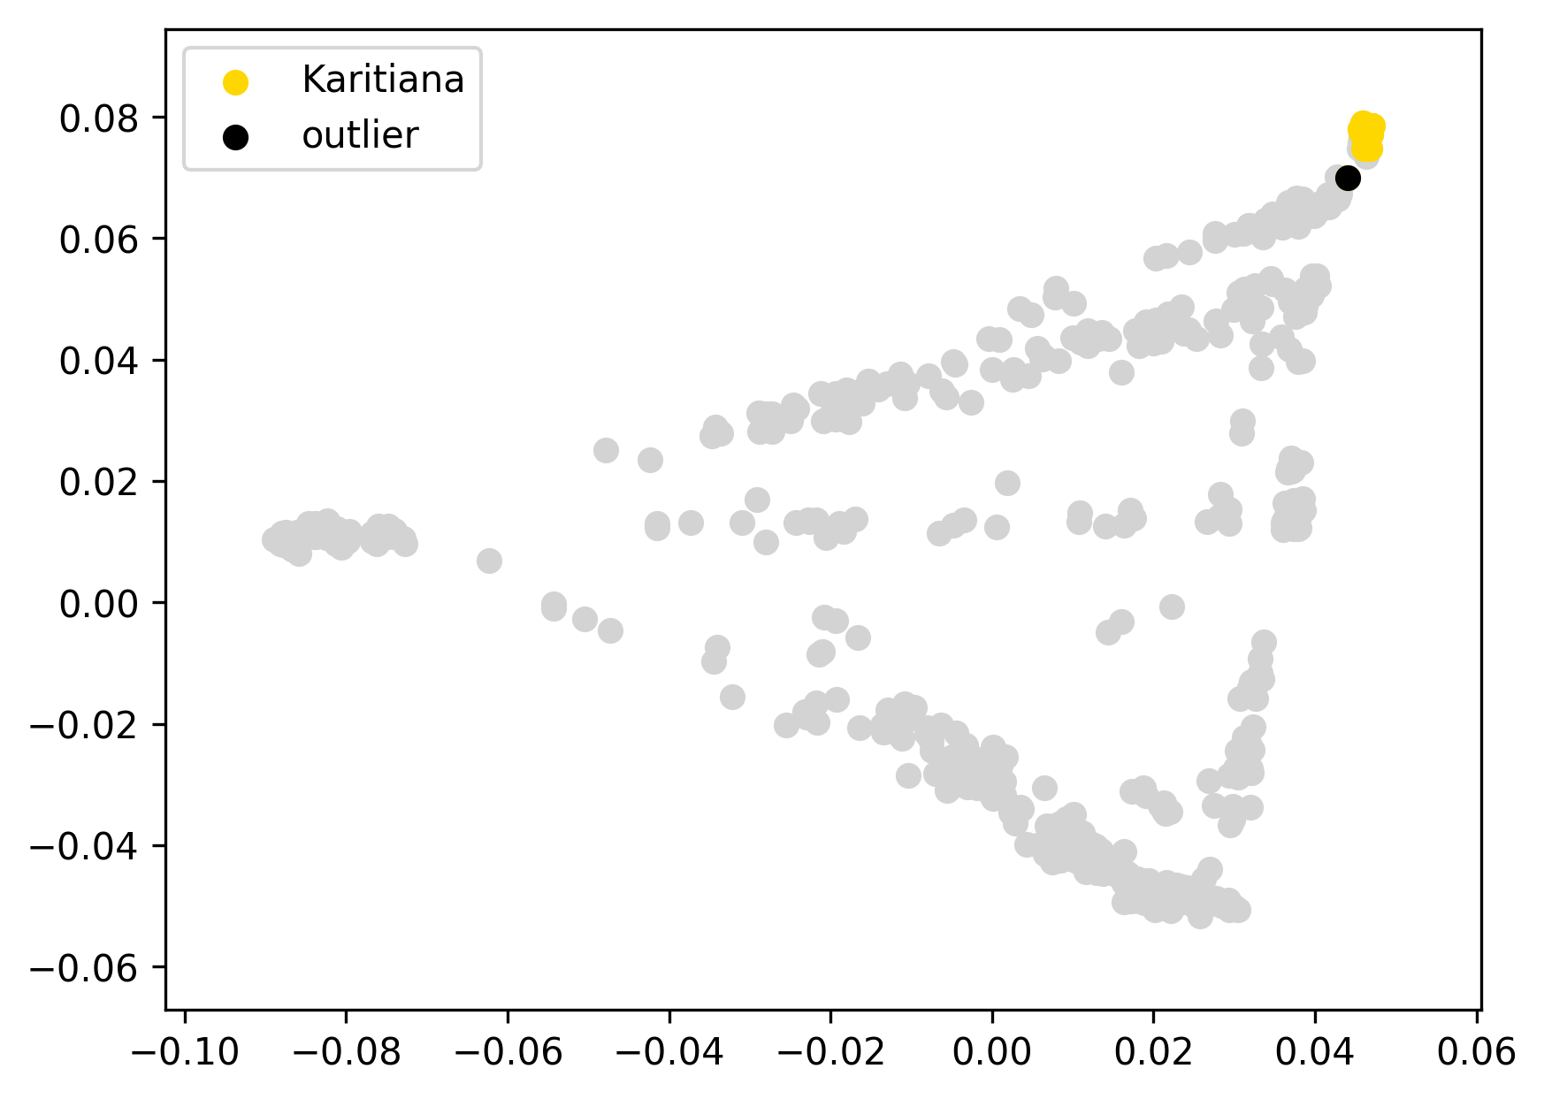 | 0.065 | 0% | 0% | 0% | 0% | 0% | 0% | 0% | 100% | 0% | 0% | 0%
HGDP00998 | Karitiana | 0 |  | -0.02 |  |  | 0.070 | 0% | 0% | 0% | 0% | 0% | 0% | 0% | 100% | 0% | 0% | 0%
HGDP00999 | Karitiana | 0 |  | -0.02 |  |  | 0.072 | 0% | 0% | 0% | 0% | 0% | 0% | 0% | 100% | 0% | 0% | 0%
HGDP01001 | Karitiana | 0 |  | -0.01 |  |  | 0.076 | 0% | 0% | 0% | 0% | 0% | 0% | 0% | 100% | 0% | 0% | 0%
HGDP01003 | Karitiana | 0 |  | -0.01 |  |  | 0.076 | 0% | 0% | 0% | 0% | 0% | 0% | 0% | 100% | 0% | 0% | 0%
HGDP01006 | Karitiana | 0 |  | -0.02 |  |  | 0.068 | 0% | 0% | 0% | 0% | 0% | 0% | 0% | 100% | 0% | 0% | 0%
HGDP01010 | Karitiana | 0 |  | -0.02 |  |  | 0.068 | 0% | 0% | 0% | 0% | 0% | 0% | 0% | 100% | 0% | 0% | 0%
HGDP01012 | Karitiana | 0 |  | -0.01 |  |  | 0.082 | 0% | 0% | 0% | 0% | 0% | 0% | 0% | 100% | 0% | 0% | 0%
HGDP01013 | Karitiana | 0 |  | -0.02 |  |  | 0.065 | 0% | 0% | 0% | 0% | 0% | 0% | 0% | 100% | 0% | 0% | 0%
HGDP01014 | Karitiana | 0 |  | -0.02 |  |  | 0.072 | 0% | 0% | 0% | 0% | 0% | 0% | 0% | 100% | 0% | 0% | 0%
HGDP01015 | Karitiana | 0 |  | -0.02 |  |  | 0.066 | 0% | 0% | 0% | 0% | 0% | 0% | 0% | 100% | 0% | 0% | 0%
HGDP01018 | Karitiana | 0 |  | -0.02 |  |  | 0.071 | 0% | 0% | 0% | 0% | 0% | 0% | 0% | 100% | 0% | 0% | 0%
HGDP01019 | Karitiana | 0 |  | 0.01 | this mild ED outlier was not removed since it displays an absolutely typical ADMIXTURE profile |  | 0.095 | 0% | 0% | 0% | 0% | 0% | 0% | 0% | 100% | 0% | 0% | 0%
HGDP01009 | Karitiana | outlier | SAM1, SAM3, NAM | 0.38 |  |  | 0.468 | 0% | 0% | 0% | 0% | 0% | 15% | 34% | 28% | 24% | 0% | 0%
Hakas13 | Khakas | 0 |  | -0.06 |  | 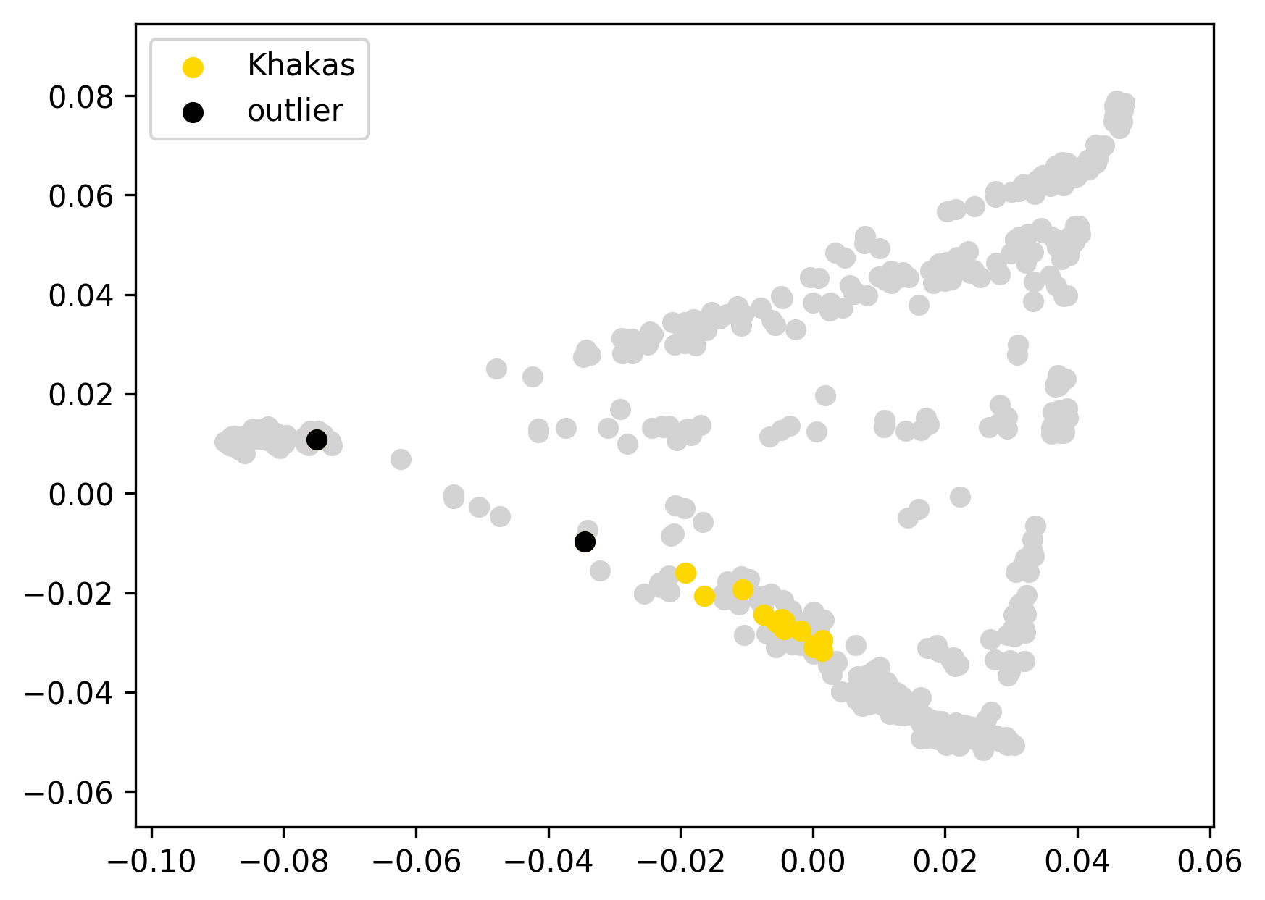 | 0.118 | 21% | 24% | 45% | 2% | 1% | 5% | 0% | 2% | 0% | 0% | 0%
Hakas15_223 | Khakas | 0 |  | -0.05 |  |  | 0.129 | 20% | 27% | 45% | 2% | 1% | 4% | 1% | 0% | 0% | 0% | 0%
Hakas16_101 | Khakas | 0 |  | -0.08 |  |  | 0.097 | 30% | 19% | 41% | 3% | 1% | 6% | 0% | 1% | 0% | 0% | 0%
Hakas17_306 | Khakas | 0 |  | -0.08 |  |  | 0.098 | 27% | 22% | 42% | 2% | 1% | 4% | 1% | 0% | 1% | 0% | 0%
Hakas2 | Khakas | 0 |  | -0.08 |  |  | 0.093 | 27% | 22% | 41% | 3% | 0% | 5% | 2% | 1% | 0% | 0% | 0%
Hakas29_394 | Khakas | 0 |  | -0.03 |  |  | 0.149 | 41% | 15% | 33% | 3% | 2% | 5% | 1% | 0% | 1% | 0% | 0%
Hakas35_386 | Khakas | 0 |  | -0.08 |  |  | 0.097 | 26% | 21% | 42% | 2% | 2% | 6% | 0% | 1% | 1% | 0% | 0%
Hakas4 | Khakas | 0 |  | -0.06 |  |  | 0.121 | 21% | 28% | 41% | 4% | 0% | 4% | 1% | 0% | 1% | 0% | 0%
Hakas5_123 | Khakas | 0 |  | -0.08 |  |  | 0.095 | 26% | 22% | 41% | 3% | 0% | 6% | 0% | 0% | 0% | 0% | 0%
Hakas57_114 | Khakas | 0 |  | -0.04 |  |  | 0.133 | 38% | 20% | 34% | 2% | 0% | 5% | 1% | 0% | 1% | 0% | 0%
Hakas58 | Khakas | 0 |  | -0.08 |  |  | 0.095 | 26% | 24% | 40% | 2% | 1% | 5% | 1% | 0% | 1% | 0% | 0%
Hakas6 | Khakas | 0 |  | -0.06 |  |  | 0.113 | 32% | 19% | 38% | 1% | 1% | 7% | 2% | 1% | 0% | 0% | 0%
Hakas7 | Khakas | 0 |  | -0.07 |  |  | 0.103 | 24% | 23% | 43% | 1% | 2% | 5% | 1% | 1% | 0% | 0% | 0%
Hakas8_238 | Khakas | 0 |  | -0.06 |  |  | 0.119 | 21% | 25% | 46% | 2% | 1% | 3% | 0% | 1% | 0% | 0% | 0%
Hakas9_162 | Khakas | 0 |  | -0.08 |  |  | 0.095 | 26% | 21% | 43% | 2% | 0% | 5% | 2% | 0% | 0% | 0% | 0%
Hakas3 | Khakas | outlier | EUR | 0.36 |  |  | 0.540 | 91% | 0% | 4% | 0% | 0% | 5% | 0% | 0% | 0% | 0% | 0%
Hakas72 | Khakas | outlier | EUR | 0.06 |  |  | 0.242 | 55% | 10% | 27% | 2% | 1% | 6% | 0% | 0% | 0% | 0% | 0%
koryakE114 | Koryak | 0 |  | -0.19 |  | 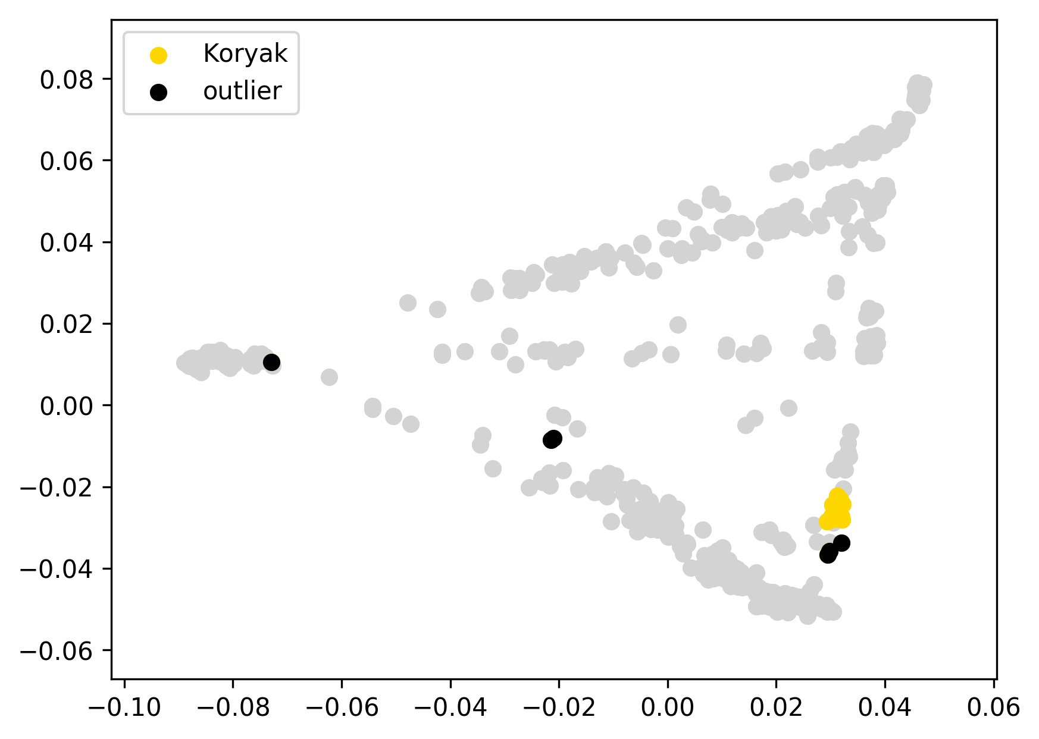 | 0.177 | 0% | 0% | 0% | 100% | 0% | 0% | 0% | 0% | 0% | 0% | 0%
koryakE131 | Koryak | 0 |  | -0.19 |  |  | 0.176 | 0% | 0% | 0% | 100% | 0% | 0% | 0% | 0% | 0% | 0% | 0%
koryakE151 | Koryak | 0 |  | -0.18 |  |  | 0.184 | 0% | 0% | 0% | 98% | 2% | 0% | 0% | 0% | 0% | 0% | 0%
koryakE35 | Koryak | 0 |  | -0.18 |  |  | 0.188 | 0% | 0% | 0% | 100% | 0% | 0% | 0% | 0% | 0% | 0% | 0%
koryakE41 | Koryak | 0 |  | -0.19 |  |  | 0.173 | 0% | 0% | 0% | 100% | 0% | 0% | 0% | 0% | 0% | 0% | 0%
koryakE5 | Koryak | 0 |  | -0.19 |  |  | 0.174 | 0% | 0% | 0% | 100% | 0% | 0% | 0% | 0% | 0% | 0% | 0%
koryakE58 | Koryak | 0 |  | -0.18 |  |  | 0.181 | 0% | 0% | 0% | 100% | 0% | 0% | 0% | 0% | 0% | 0% | 0%
koryakE6 | Koryak | 0 |  | -0.17 |  |  | 0.192 | 0% | 0% | 0% | 100% | 0% | 0% | 0% | 0% | 0% | 0% | 0%
koryakE66 | Koryak | 0 |  | -0.18 |  |  | 0.189 | 0% | 0% | 0% | 100% | 0% | 0% | 0% | 0% | 0% | 0% | 0%
koryakE67 | Koryak | 0 |  | -0.19 |  |  | 0.172 | 0% | 0% | 0% | 100% | 0% | 0% | 0% | 0% | 0% | 0% | 0%
koryakE77 | Koryak | 0 |  | -0.18 |  |  | 0.182 | 0% | 0% | 0% | 100% | 0% | 0% | 0% | 0% | 0% | 0% | 0%
koryakE78 | Koryak | 0 |  | -0.18 |  |  | 0.185 | 0% | 0% | 0% | 100% | 0% | 0% | 0% | 0% | 0% | 0% | 0%
koryakE102 | Koryak | outlier | SIB | -0.10 |  |  | 0.263 | 0% | 3% | 31% | 64% | 2% | 0% | 0% | 1% | 0% | 0% | 0%
koryakE117 | Koryak | outlier | EUR | 0.05 |  |  | 0.420 | 45% | 0% | 0% | 54% | 0% | 0% | 0% | 0% | 0% | 0% | 0%
koryakE137 | Koryak | outlier | EUR | 0.07 |  |  | 0.431 | 46% | 0% | 2% | 50% | 0% | 2% | 0% | 0% | 0% | 0% | 0%
koryakE76 | Koryak | outlier | SIB | -0.03 |  |  | 0.331 | 0% | 5% | 44% | 44% | 7% | 0% | 0% | 0% | 0% | 0% | 0%
koryakE84 | Koryak | outlier | EUR | 0.51 |  |  | 0.873 | 90% | 0% | 4% | 0% | 1% | 6% | 0% | 0% | 0% | 0% | 0%
koryakE95 | Koryak | outlier | SIB | -0.14 |  |  | 0.224 | 0% | 0% | 26% | 74% | 0% | 0% | 0% | 0% | 0% | 0% | 0%
HGDP00854 | Maya | 0 |  | -0.06 |  | 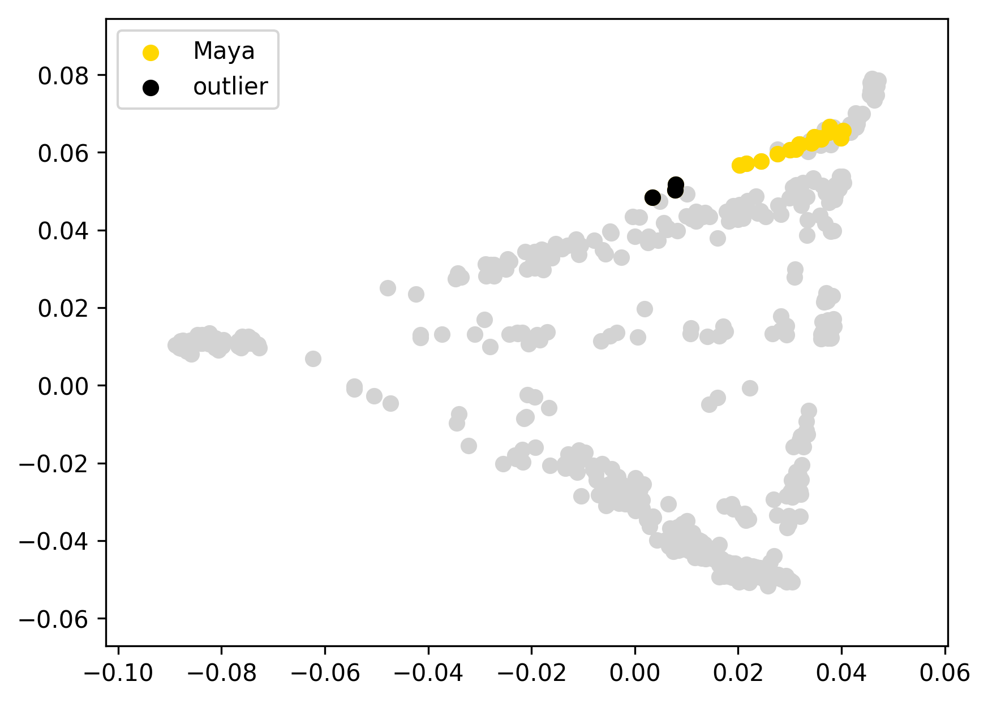 | 0.075 | 6% | 0% | 0% | 0% | 1% | 17% | 47% | 16% | 13% | 1% | 0%
HGDP00855 | Maya | 0 |  | -0.04 |  |  | 0.097 | 0% | 0% | 0% | 0% | 0% | 19% | 48% | 17% | 16% | 0% | 0%
HGDP00856 | Maya | 0 |  | -0.05 |  |  | 0.083 | 3% | 0% | 0% | 0% | 0% | 20% | 48% | 17% | 12% | 0% | 0%
HGDP00857 | Maya | 0 |  | -0.04 |  |  | 0.102 | 0% | 0% | 0% | 0% | 0% | 16% | 49% | 19% | 16% | 0% | 0%
HGDP00858 | Maya | 0 |  | -0.06 |  |  | 0.076 | 4% | 0% | 0% | 0% | 0% | 19% | 45% | 18% | 14% | 0% | 0%
HGDP00859 | Maya | 0 |  | -0.06 |  |  | 0.076 | 3% | 0% | 0% | 0% | 0% | 18% | 46% | 18% | 14% | 1% | 0%
HGDP00861 | Maya | 0 |  | -0.04 |  |  | 0.101 | 13% | 0% | 0% | 0% | 0% | 16% | 40% | 14% | 14% | 3% | 0%
HGDP00862 | Maya | 0 |  | -0.06 |  |  | 0.075 | 8% | 0% | 0% | 0% | 0% | 18% | 42% | 17% | 14% | 0% | 0%
HGDP00863 | Maya | 0 |  | -0.07 |  |  | 0.073 | 3% | 0% | 0% | 0% | 0% | 18% | 45% | 17% | 13% | 5% | 0%
HGDP00864 | Maya | 0 |  | -0.06 |  |  | 0.082 | 2% | 0% | 1% | 0% | 0% | 19% | 46% | 17% | 16% | 0% | 0%
HGDP00865 | Maya | 0 |  | -0.05 |  |  | 0.090 | 0% | 0% | 0% | 0% | 0% | 17% | 52% | 17% | 14% | 0% | 0%
HGDP00868 | Maya | 0 |  | -0.05 |  |  | 0.089 | 10% | 0% | 0% | 0% | 0% | 16% | 42% | 15% | 14% | 3% | 1%
HGDP00869 | Maya | 0 |  | -0.03 |  |  | 0.106 | 15% | 0% | 0% | 0% | 0% | 15% | 40% | 16% | 13% | 1% | 0%
HGDP00870 | Maya | 0 |  | -0.06 |  |  | 0.074 | 4% | 0% | 0% | 0% | 0% | 19% | 46% | 17% | 13% | 0% | 0%
HGDP00872 | Maya | 0 |  | -0.06 |  |  | 0.076 | 4% | 0% | 0% | 0% | 0% | 18% | 48% | 16% | 15% | 0% | 0%
HGDP00873 | Maya | 0 |  | -0.05 |  |  | 0.091 | 0% | 0% | 0% | 0% | 0% | 17% | 49% | 18% | 15% | 0% | 0%
HGDP00875 | Maya | 0 |  | -0.07 |  |  | 0.071 | 5% | 0% | 0% | 0% | 0% | 18% | 43% | 17% | 14% | 3% | 0%
HGDP00877 | Maya | 0 |  | -0.06 |  |  | 0.080 | 10% | 0% | 0% | 0% | 1% | 18% | 42% | 16% | 13% | 0% | 0%
HGDP00860 | Maya | outlier | EUR | 0.08 |  |  | 0.214 | 26% | 0% | 0% | 0% | 0% | 14% | 33% | 11% | 11% | 4% | 0%
HGDP00871 | Maya | outlier | EUR | 0.04 |  |  | 0.179 | 24% | 0% | 0% | 0% | 0% | 13% | 37% | 13% | 10% | 1% | 0%
HGDP00876 | Maya | outlier | EUR | 0.04 |  |  | 0.181 | 25% | 0% | 0% | 0% | 1% | 14% | 36% | 12% | 11% | 1% | 0%
Nganassan1 | Nganasan | 0 |  | -0.05 |  | 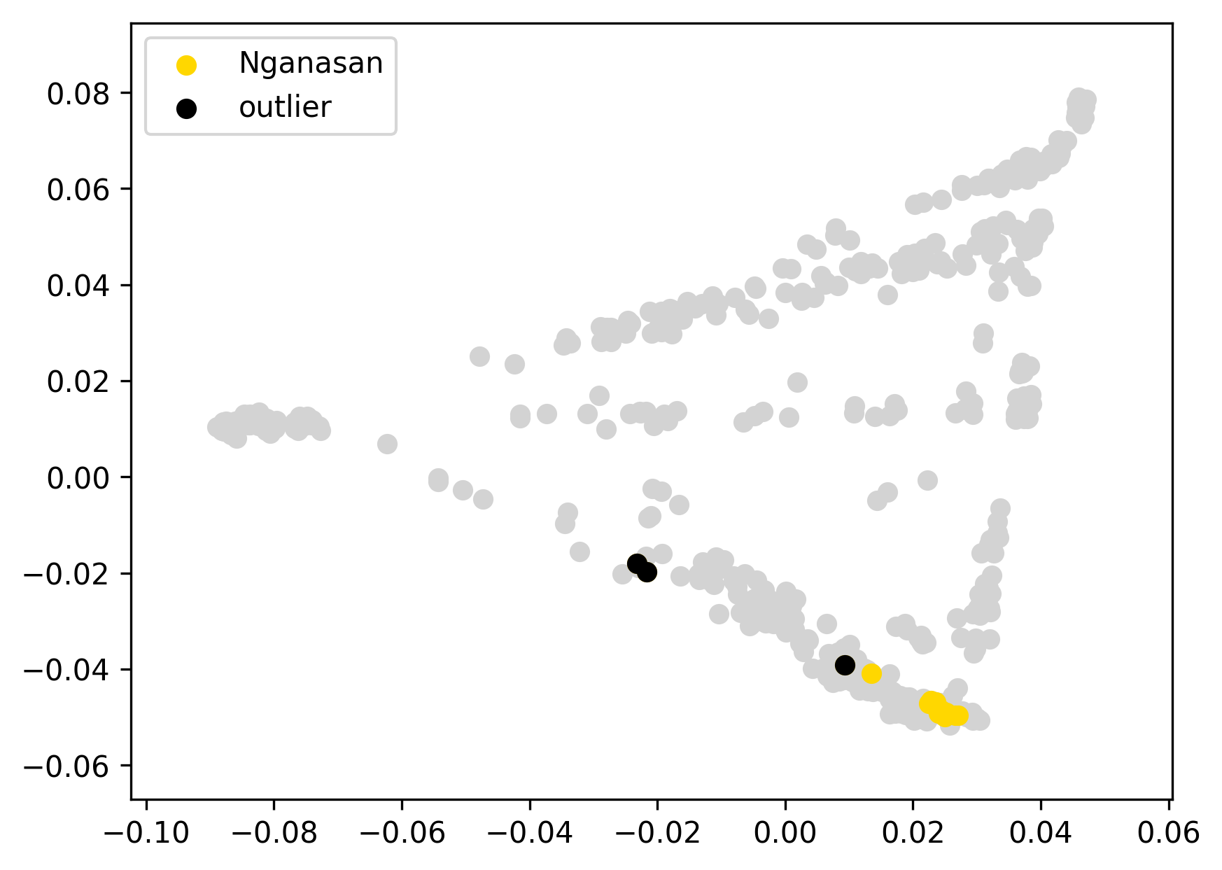 | 0.110 | 0% | 0% | 100% | 0% | 0% | 0% | 0% | 0% | 0% | 0% | 0%
Nganassan10 | Nganasan | 0 |  | -0.06 |  |  | 0.100 | 0% | 0% | 97% | 3% | 0% | 0% | 0% | 0% | 0% | 0% | 0%
Nganassan12 | Nganasan | 0 |  | -0.06 |  |  | 0.103 | 0% | 0% | 100% | 0% | 0% | 0% | 0% | 0% | 0% | 0% | 0%
Nganassan13 | Nganasan | 0 |  | -0.02 |  |  | 0.143 | 10% | 1% | 84% | 2% | 1% | 0% | 0% | 1% | 0% | 0% | 0%
Nganassan14 | Nganasan | 0 |  | -0.05 |  |  | 0.110 | 0% | 0% | 99% | 1% | 0% | 0% | 0% | 0% | 0% | 0% | 0%
Nganassan15 | Nganasan | 0 |  | -0.06 |  |  | 0.105 | 0% | 0% | 100% | 0% | 0% | 0% | 0% | 0% | 0% | 0% | 0%
Nganassan2 | Nganasan | 0 |  | -0.06 |  |  | 0.104 | 0% | 0% | 95% | 4% | 0% | 0% | 0% | 0% | 1% | 0% | 0%
Nganassan3 | Nganasan | 0 |  | -0.06 |  |  | 0.100 | 0% | 0% | 98% | 2% | 0% | 0% | 0% | 0% | 0% | 0% | 0%
Nganassan5 | Nganasan | 0 |  | -0.06 |  |  | 0.100 | 0% | 0% | 98% | 2% | 0% | 0% | 0% | 0% | 0% | 0% | 0%
Nganassan7 | Nganasan | 0 |  | -0.05 |  |  | 0.110 | 0% | 0% | 100% | 0% | 0% | 0% | 0% | 0% | 0% | 0% | 0%
Nganassan8 | Nganasan | 0 |  | -0.06 |  |  | 0.101 | 0% | 0% | 98% | 1% | 0% | 0% | 0% | 0% | 1% | 0% | 0%
Nganassan9 | Nganasan | 0 |  | -0.05 |  |  | 0.110 | 0% | 0% | 100% | 0% | 0% | 0% | 0% | 0% | 0% | 0% | 0%
Nganassan11 | Nganasan | outlier | EUR | 0.20 |  |  | 0.363 | 44% | 0% | 49% | 3% | 0% | 4% | 0% | 0% | 0% | 0% | 0%
Nganassan4 | Nganasan | outlier | SEA | 0.06 |  |  | 0.224 | 13% | 22% | 60% | 3% | 0% | 1% | 0% | 1% | 0% | 0% | 0%
Nganassan6 | Nganasan | outlier | EUR | 0.19 |  |  | 0.352 | 42% | 0% | 50% | 5% | 0% | 2% | 0% | 0% | 0% | 0% | 0%
NIS001 | Nisga'a | 0 |  | -0.07 |  | 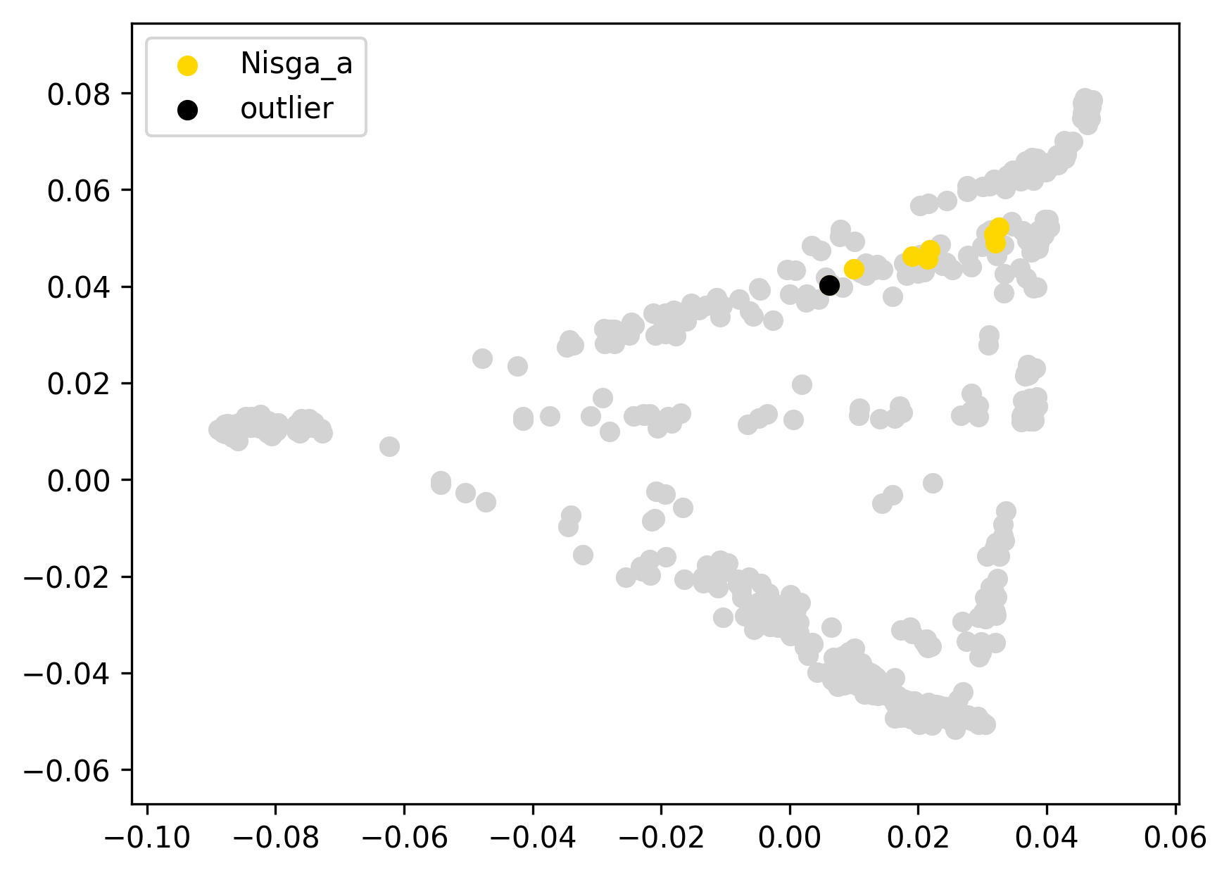 | 0.071 | 13% | 0% | 0% | 0% | 0% | 83% | 2% | 2% | 1% | 0% | 0%
NIS002 | Nisga'a | 0 |  | -0.05 |  |  | 0.090 | 0% | 0% | 0% | 0% | 0% | 93% | 1% | 3% | 2% | 0% | 0%
NIS003 | Nisga'a | 0 |  | -0.04 |  |  | 0.107 | 20% | 0% | 0% | 0% | 0% | 77% | 0% | 2% | 1% | 0% | 0%
NIS004 | Nisga'a | 0 |  | -0.05 |  |  | 0.093 | 1% | 0% | 0% | 0% | 0% | 95% | 0% | 2% | 2% | 0% | 0%
NIS005 | Nisga'a | 0 |  | -0.07 |  |  | 0.069 | 12% | 0% | 0% | 0% | 0% | 83% | 3% | 2% | 1% | 0% | 0%
NIS006 | Nisga'a | 0 |  | -0.07 |  |  | 0.069 | 11% | 0% | 0% | 0% | 0% | 83% | 0% | 3% | 2% | 0% | 0%
NIS007 | Nisga'a | 0 |  | -0.05 |  |  | 0.097 | 0% | 0% | 0% | 0% | 0% | 95% | 0% | 3% | 2% | 0% | 0%
NIS008 | Nisga'a | outlier | EUR | -0.01 |  |  | 0.134 | 24% | 0% | 0% | 0% | 0% | 72% | 0% | 2% | 1% | 0% | 0%

nivh120 | Nivkh | 0 |  | -0.16 |  | 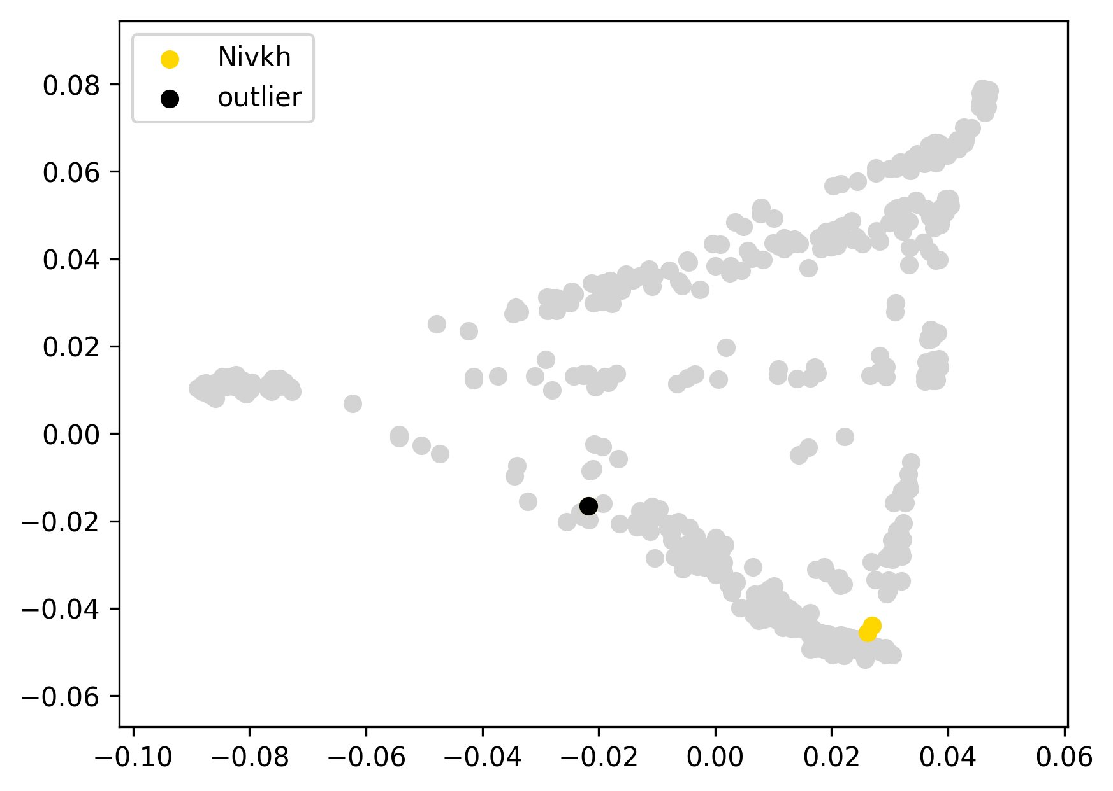 | 0.149 | 0% | 45% | 35% | 19% | 0% | 0% | 0% | 0% | 1% | 0% | 0%
nivh70 | Nivkh | 0 |  | -0.16 |  |  | 0.148 | 0% | 44% | 39% | 16% | 0% | 0% | 0% | 0% | 0% | 0% | 0%
nihv69 | Nivkh | outlier | EUR | -0.03 |  |  | 0.279 | 42% | 22% | 20% | 9% | 0% | 6% | 0% | 0% | 0% | 0% | 0%

athabaskCA12 | Dakelh | 0 |  | -0.11 |  | 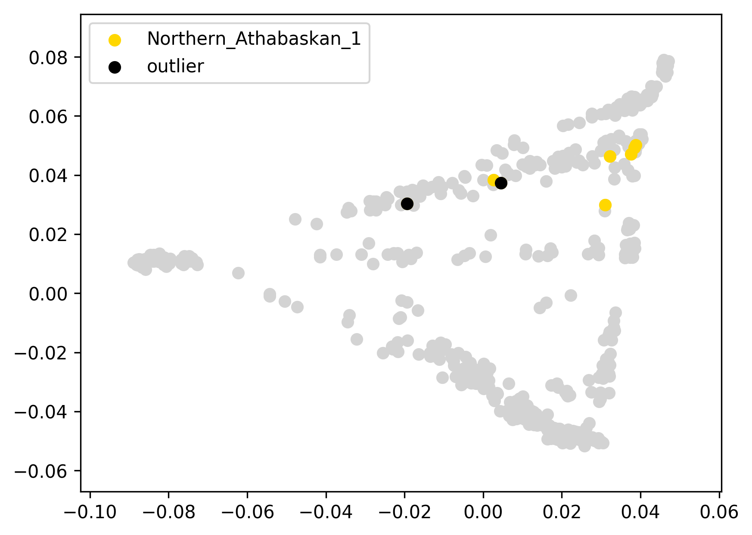 | 0.172 | 0% | 0% | 0% | 0% | 0% | 96% | 0% | 3% | 2% | 0% | 0%
athabaskCA13 | Dakelh | 0 |  | -0.11 |  |  | 0.176 | 0% | 0% | 0% | 0% | 0% | 96% | 0% | 3% | 1% | 0% | 0%
athabaskCA24 | Dakelh | 0 |  | -0.12 |  |  | 0.160 | 0% | 0% | 1% | 0% | 0% | 98% | 0% | 1% | 1% | 0% | 0%
athabaskCA26 | Dakelh | 0 |  | -0.07 |  |  | 0.212 | 28% | 0% | 1% | 0% | 1% | 60% | 6% | 3% | 1% | 0% | 0%
athabaskCA6 | Dakelh | 0 |  | -0.11 |  |  | 0.178 | 0% | 16% | 1% | 1% | 1% | 78% | 0% | 1% | 2% | 0% | 0%
athabaskCA85 | Dakelh | 0 |  | -0.12 |  |  | 0.168 | 0% | 0% | 0% | 0% | 0% | 94% | 0% | 3% | 3% | 0% | 0%
athabaskCA93 | Dakelh | outlier | EUR | 0.05 |  |  | 0.336 | 46% | 0% | 0% | 1% | 1% | 50% | 0% | 1% | 1% | 0% | 0%
IndCanCRE8 | Dakelh | outlier | SAM1 | -0.05 |  |  | 0.231 | 27% | 2% | 2% | 1% | 1% | 42% | 16% | 5% | 4% | 0% | 0%

athabaskCN15 | Northern Athabaskan 2 | 0 |  | -0.02 |  | 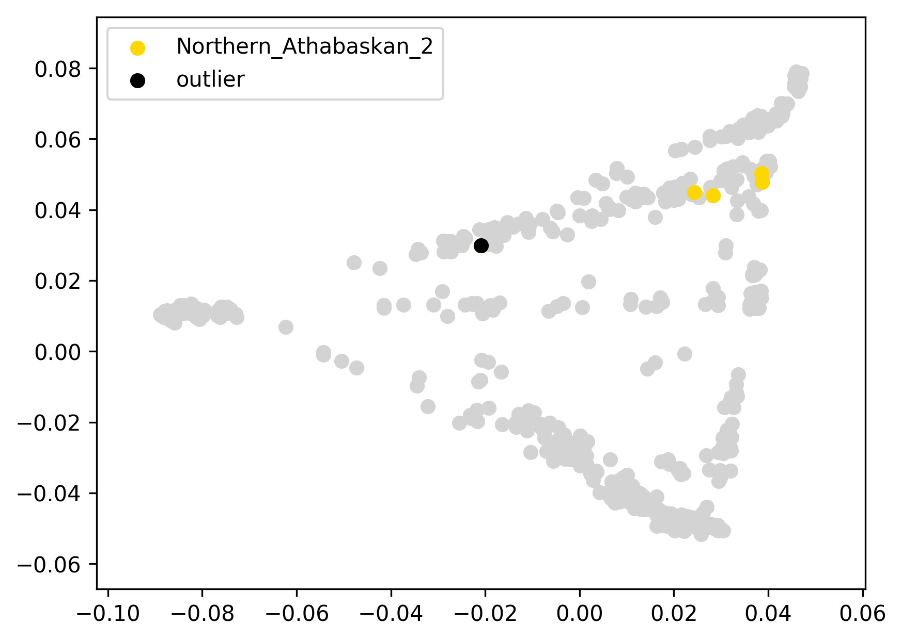 | 0.146 | 0% | 0% | 0% | 0% | 0% | 87% | 7% | 4% | 2% | 0% | 0%
athabaskCN27 | Northern Athabaskan 2 | 0 |  | -0.04 |  |  | 0.129 | 5% | 0% | 2% | 1% | 0% | 79% | 5% | 5% | 2% | 0% | 0%
athabaskCN36 | Northern Athabaskan 2 | 0 |  | -0.03 |  |  | 0.134 | 9% | 0% | 2% | 1% | 0% | 74% | 7% | 4% | 2% | 0% | 0%
athabaskCN39 | Northern Athabaskan 2 | 0 |  | -0.02 |  |  | 0.146 | 0% | 0% | 0% | 0% | 0% | 86% | 7% | 5% | 2% | 0% | 0%
athabaskCN42 | Northern Athabaskan 2 | outlier | EUR | 0.19 |  |  | 0.357 | 48% | 0% | 2% | 1% | 0% | 42% | 4% | 4% | 0% | 0% | 0%

HGDP00702 | Piapoco | 0 |  | -0.04 |  | 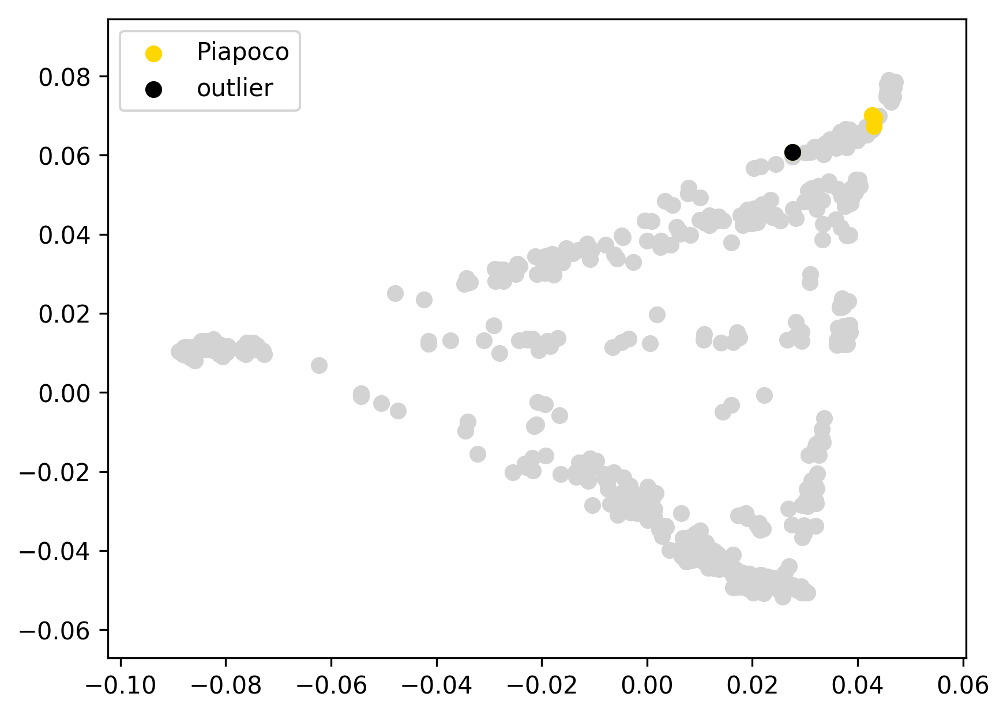 | 0.048 | 0% | 0% | 0% | 0% | 0% | 16% | 37% | 24% | 22% | 0% | 0%
HGDP00706 | Piapoco | 0 |  | -0.04 |  |  | 0.046 | 0% | 0% | 0% | 0% | 0% | 15% | 39% | 25% | 22% | 0% | 0%
HGDP00970 | Piapoco | 0 |  | -0.04 |  |  | 0.047 | 0% | 0% | 0% | 0% | 0% | 14% | 39% | 25% | 22% | 0% | 0%
HGDP00703 | Piapoco | outlier | EUR, AFR | 0.02 |  |  | 0.102 | 7% | 0% | 0% | 0% | 0% | 17% | 35% | 20% | 16% | 5% | 0%

selkup1 | Selkup | 0 |  | -0.09 |  | 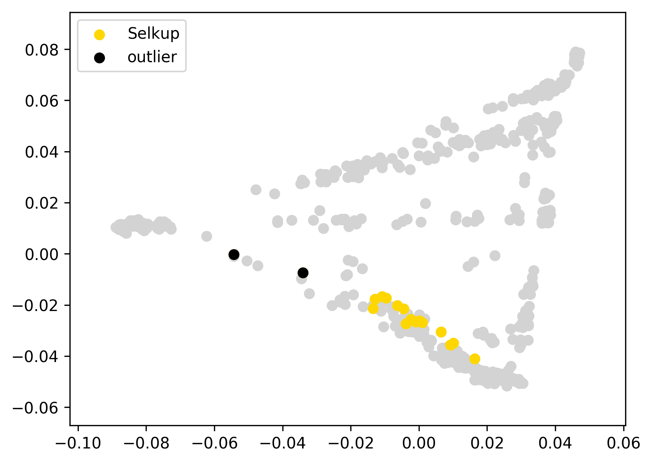 | 0.142 | 34% | 0% | 52% | 3% | 1% | 8% | 0% | 2% | 0% | 0% | 0%
selkup10 | Selkup | 0 |  | -0.08 |  |  | 0.148 | 35% | 0% | 53% | 4% | 2% | 4% | 0% | 0% | 1% | 0% | 0%
Selkup121 | Selkup | 0 |  | -0.11 |  |  | 0.125 | 22% | 1% | 65% | 4% | 0% | 7% | 1% | 1% | 1% | 0% | 0%
Selkup15a | Selkup | 0 |  | -0.08 |  |  | 0.148 | 27% | 0% | 63% | 5% | 1% | 3% | 0% | 1% | 1% | 0% | 0%
selkup2 | Selkup | 0 |  | -0.10 |  |  | 0.127 | 22% | 0% | 65% | 5% | 2% | 4% | 0% | 1% | 0% | 0% | 0%
selkup3 | Selkup | 0 |  | -0.08 |  |  | 0.147 | 36% | 0% | 51% | 4% | 1% | 6% | 1% | 1% | 0% | 0% | 0%
Selkup3a | Selkup | 0 |  | -0.06 |  |  | 0.174 | 13% | 1% | 74% | 5% | 3% | 1% | 2% | 1% | 0% | 0% | 0%
selkup5 | Selkup | 0 |  | -0.09 |  |  | 0.140 | 28% | 0% | 56% | 6% | 1% | 7% | 1% | 2% | 0% | 0% | 0%
selkup6 | Selkup | 0 |  | -0.10 |  |  | 0.136 | 32% | 0% | 53% | 3% | 1% | 7% | 1% | 2% | 0% | 0% | 0%
selkup7 | Selkup | 0 |  | -0.08 |  |  | 0.149 | 16% | 2% | 69% | 5% | 1% | 6% | 0% | 0% | 1% | 0% | 0%
selkup8 | Selkup | 0 |  | -0.09 |  |  | 0.142 | 29% | 0% | 56% | 5% | 3% | 5% | 1% | 2% | 0% | 0% | 0%
Selkup82 | Selkup | 0 |  | -0.11 |  |  | 0.121 | 25% | 0% | 63% | 4% | 2% | 5% | 1% | 1% | 0% | 0% | 0%
Selkup83 | Selkup | 0 |  | -0.05 |  |  | 0.180 | 14% | 3% | 73% | 6% | 1% | 0% | 2% | 1% | 0% | 0% | 0%
Selkup87 | Selkup | 0 |  | 0.02 | this ED outlier was not removed since it displays a typical ADMIXTURE profile |  | 0.250 | 7% | 4% | 79% | 6% | 1% | 2% | 0% | 0% | 0% | 0% | 0%
selkup9 | Selkup | 0 |  | -0.10 |  |  | 0.127 | 24% | 0% | 66% | 2% | 1% | 6% | 0% | 1% | 0% | 0% | 0%
selkup4 | Selkup | outlier | EUR | 0.04 |  |  | 0.269 | 55% | 0% | 33% | 3% | 2% | 5% | 1% | 0% | 0% | 0% | 0%
Selkup59 | Selkup | outlier | EUR | 0.18 |  |  | 0.415 | 73% | 0% | 21% | 1% | 0% | 5% | 0% | 0% | 0% | 0% | 0%
shor122 | Shor | 0 |  | -0.02 |  | 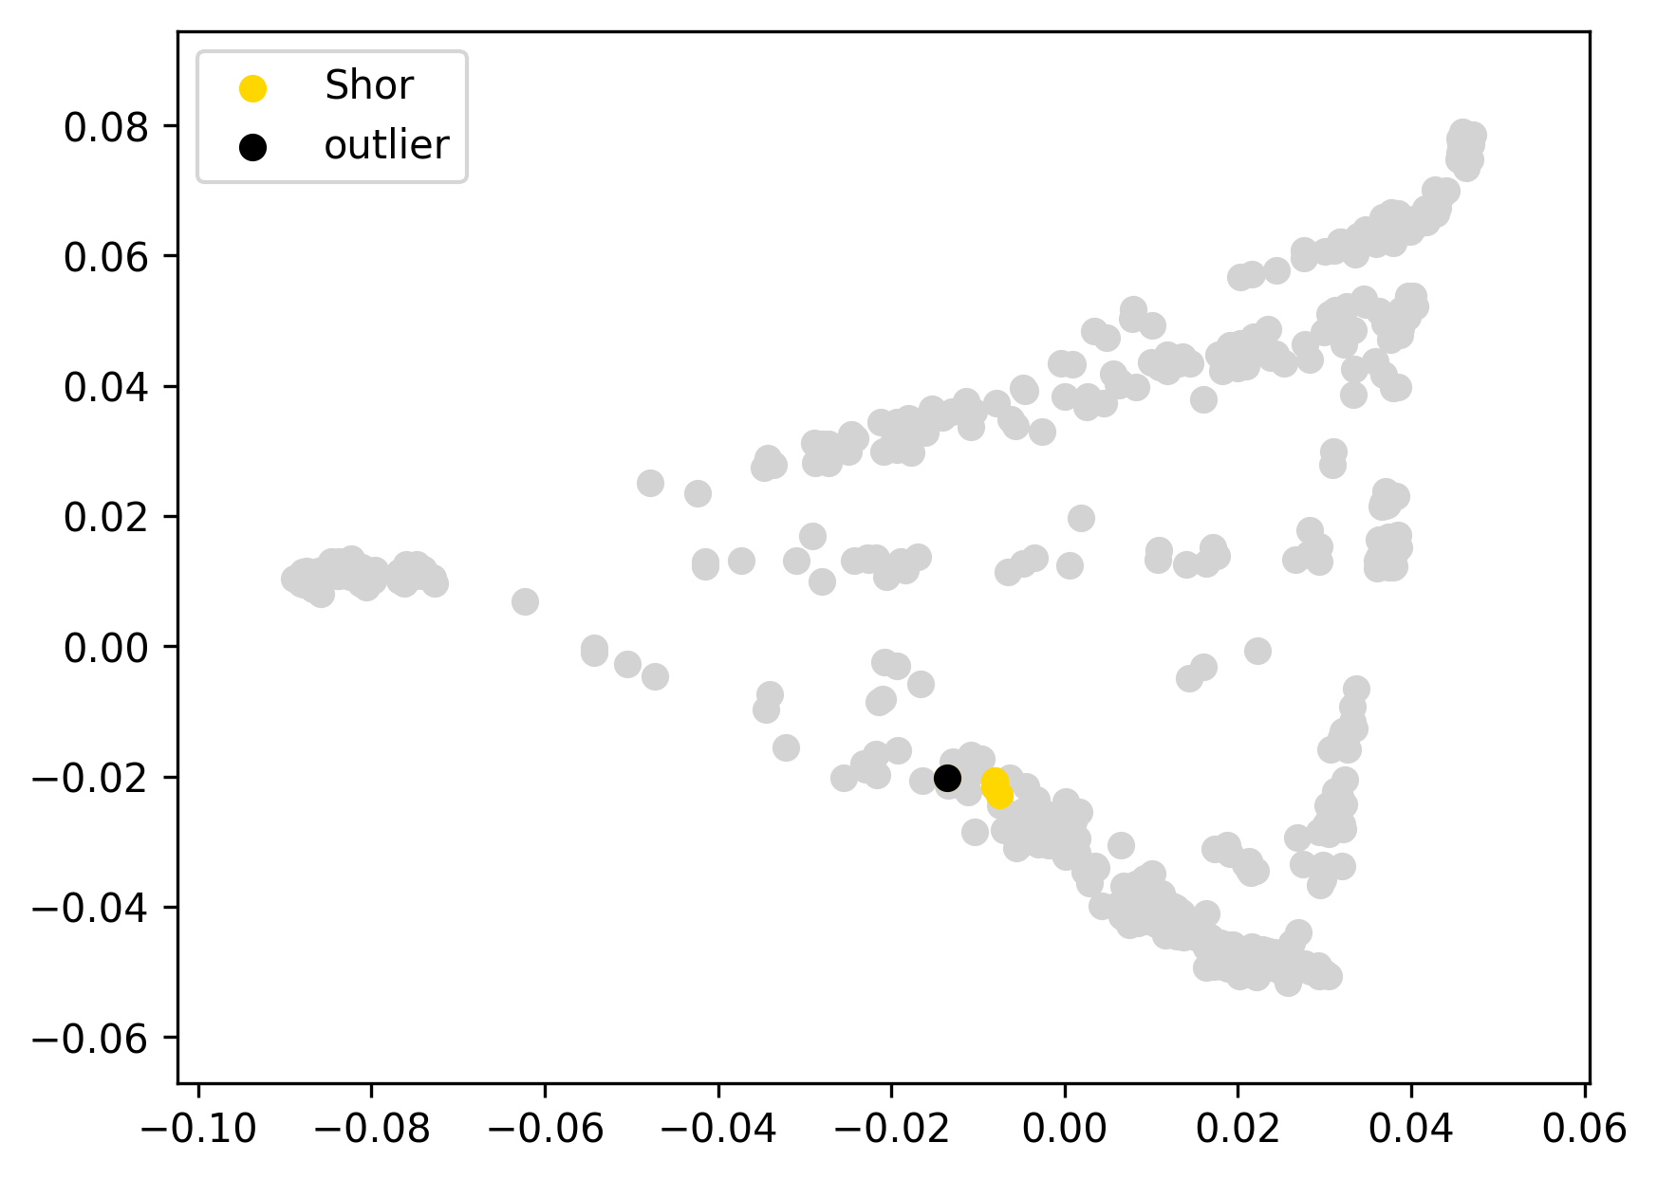 | 0.021 | 30% | 17% | 39% | 2% | 1% | 8% | 2% | 0% | 0% | 0% | 0%
shor123 | Shor | 0 |  | -0.01 |  |  | 0.023 | 29% | 18% | 41% | 1% | 2% | 6% | 1% | 0% | 1% | 0% | 0%
shor125 | Shor | 0 |  | -0.01 |  |  | 0.022 | 30% | 19% | 39% | 1% | 2% | 8% | 1% | 0% | 1% | 0% | 0%
shor117 | Shor | outlier |  | 0.00 |  |  | 0.040 | 35% | 17% | 38% | 2% | 1% | 5% | 1% | 2% | 0% | 0% | 0%

IndCan1 | Southern_Athabaskan | 0 |  | -0.02 |  | 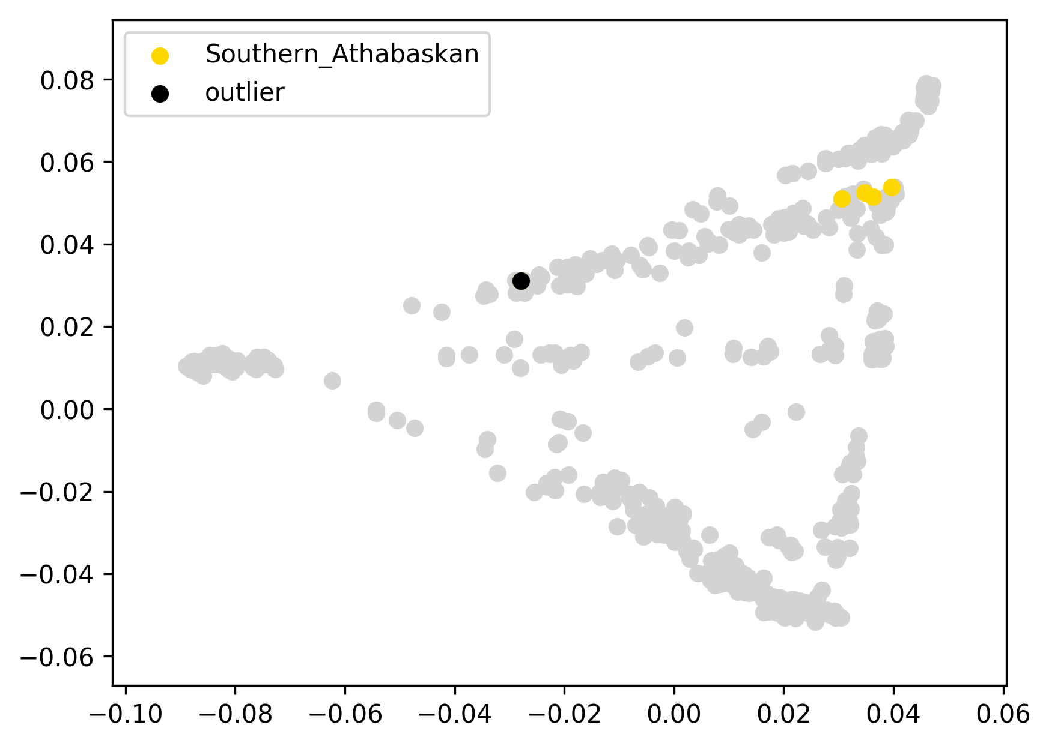 | 0.110 | 0% | 1% | 3% | 1% | 1% | 49% | 32% | 6% | 7% | 0% | 0%
SATH438 | Southern_Athabaskan | 0 |  | -0.02 |  |  | 0.114 | 0% | 0% | 0% | 0% | 1% | 47% | 37% | 9% | 6% | 0% | 0%
SATH492 | Southern_Athabaskan | 0 |  | -0.02 |  |  | 0.108 | 0% | 1% | 2% | 2% | 0% | 48% | 35% | 9% | 3% | 0% | 0%
SATH511 | Southern_Athabaskan | 0 |  | -0.01 |  |  | 0.118 | 6% | 1% | 2% | 1% | 0% | 30% | 40% | 12% | 9% | 0% | 0%
JJ554 | Southern_Athabaskan | outlier | EUR | 0.18 |  |  | 0.311 | 54% | 0% | 1% | 1% | 0% | 22% | 15% | 4% | 3% | 0% | 0%

SPL002 | Splatsin | 0 |  | -0.26 |  | 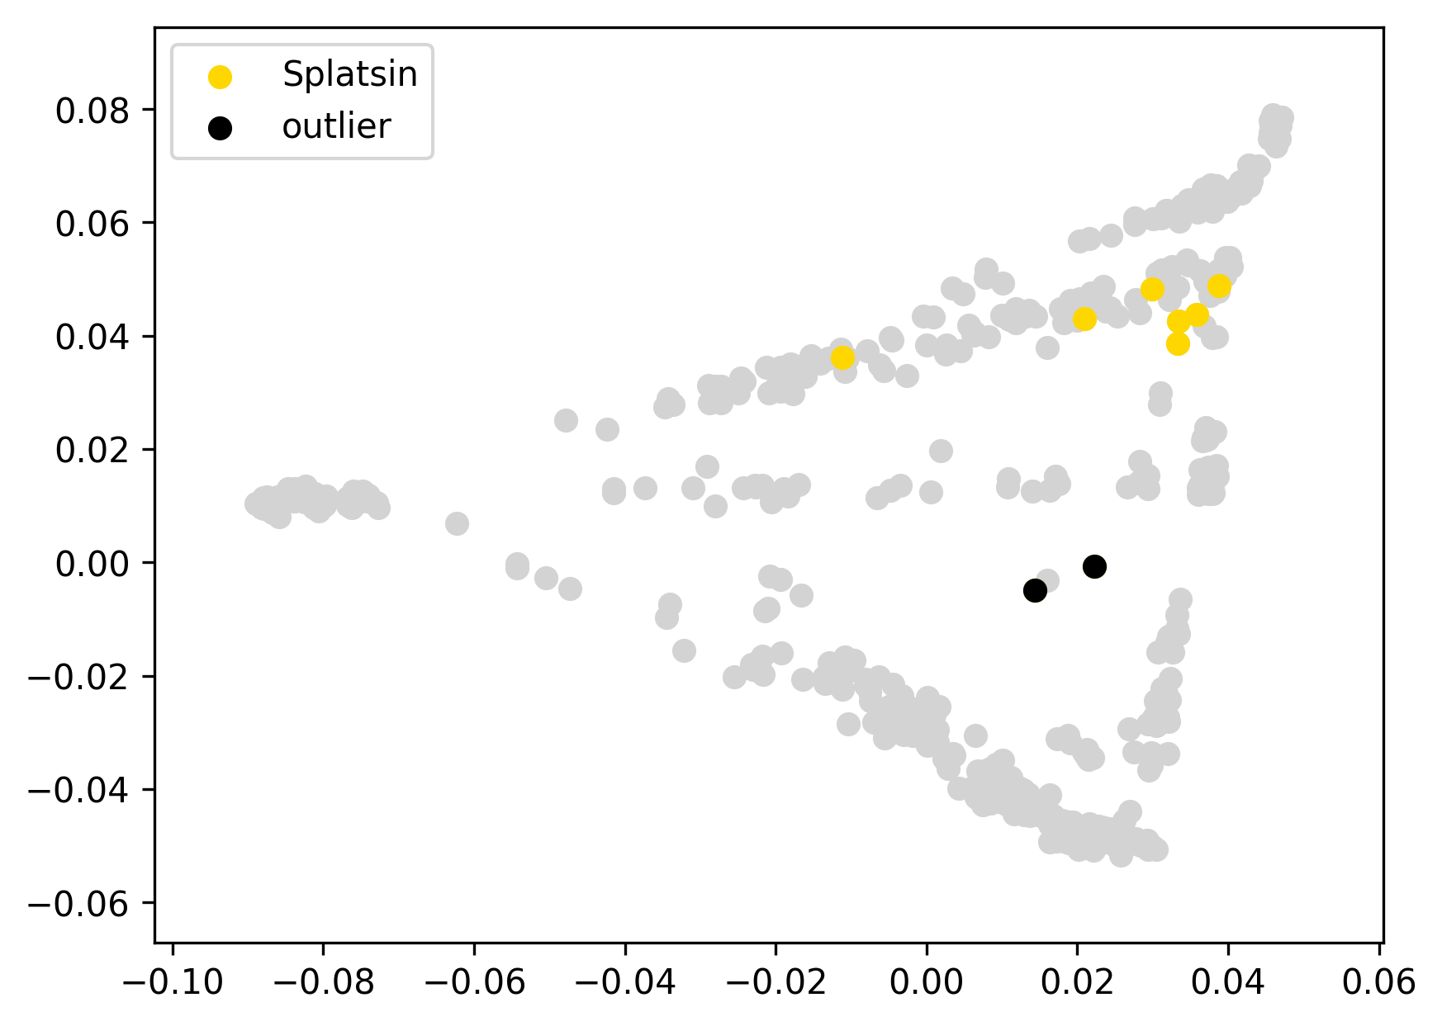 | 0.147 | 4% | 1% | 0% | 1% | 0% | 70% | 13% | 5% | 5% | 0% | 0%
SPL003 | Splatsin | 0 |  | -0.26 |  |  | 0.142 | 1% | 8% | 1% | 0% | 0% | 68% | 14% | 5% | 4% | 0% | 0%
SPL004 | Splatsin | 0 |  | -0.24 |  |  | 0.167 | 0% | 6% | 0% | 1% | 0% | 82% | 6% | 3% | 2% | 0% | 0%
SPL005 | Splatsin | 0 |  | -0.10 |  |  | 0.311 | 39% | 0% | 0% | 2% | 0% | 44% | 8% | 4% | 2% | 0% | 0%
SPL006 | Splatsin | 0 |  | -0.24 |  |  | 0.170 | 0% | 0% | 1% | 1% | 0% | 70% | 16% | 6% | 5% | 0% | 0%
SPL007 | Splatsin | 0 |  | -0.27 |  |  | 0.142 | 0% | 9% | 3% | 1% | 0% | 69% | 10% | 3% | 4% | 0% | 0%
SPL008 | Splatsin | 0 |  | -0.25 |  |  | 0.157 | 12% | 1% | 4% | 0% | 0% | 62% | 14% | 4% | 4% | 0% | 0%
SPL001 | Splatsin | outlier | SEA | -0.16 |  |  | 0.251 | 4% | 50% | 1% | 0% | 1% | 35% | 4% | 3% | 2% | 0% | 0%
SPL009 | Splatsin | outlier | SEA | -0.15 |  |  | 0.260 | 11% | 40% | 9% | 3% | 0% | 28% | 6% | 1% | 2% | 0% | 0%

STS002 | Stswecem'c | 0 |  | -0.25 |  |  | 0.151 | 14% | 0% | 2% | 0% | 0% | 62% | 9% | 5% | 2% | 6% | 0%
STS003 | Stswecem'c | 0 |  | -0.25 |  |  | 0.148 | 11% | 2% | 1% | 0% | 0% | 64% | 10% | 4% | 2% | 5% | 0%
STS004 | Stswecem'c | 0 |  | -0.21 |  |  | 0.187 | 7% | 1% | 2% | 1% | 0% | 70% | 13% | 5% | 2% | 0% | 0%
STS005 | Stswecem'c | 0 |  | -0.25 |  |  | 0.146 | 15% | 0% | 1% | 1% | 0% | 64% | 11% | 5% | 2% | 0% | 0%
STS006 | Stswecem'c | 0 |  | -0.14 |  |  | 0.258 | 45% | 0% | 2% | 2% | 0% | 42% | 4% | 1% | 3% | 0% | 0%
STS008 | Stswecem'c | 0 |  | -0.25 |  |  | 0.154 | 18% | 0% | 2% | 0% | 0% | 55% | 14% | 4% | 4% | 2% | 0%
STS009 | Stswecem'c | 0 |  | -0.25 |  |  | 0.151 | 13% | 0% | 3% | 2% | 1% | 62% | 11% | 3% | 4% | 0% | 0%
STS013 | Stswecem'c | 0 |  | -0.23 |  |  | 0.170 | 9% | 2% | 2% | 1% | 0% | 66% | 11% | 4% | 4% | 0% | 0%
STS010 | Stswecem'c | outlier | SEA | -0.16 |  |  | 0.243 | 2% | 32% | 1% | 1% | 1% | 50% | 10% | 3% | 1% | 0% | 0%
STS011 | Stswecem'c | outlier | EUR, SEA | -0.07 |  |  | 0.329 | 52% | 11% | 3% | 0% | 0% | 27% | 4% | 2% | 1% | 0% | 0%
STS012 | Stswecem'c | outlier | EUR | -0.10 |  |  | 0.303 | 52% | 0% | 3% | 0% | 0% | 36% | 5% | 2% | 2% | 0% | 0%

AK118Tlingit | Tlingit | 0 |  | -0.06 |  |  | 0.175 | 34% | 0% | 0% | 0% | 1% | 61% | 1% | 2% | 0% | 0% | 0%
AK187Tlingit | Tlingit | 0 |  | -0.05 |  |  | 0.189 | 0% | 0% | 0% | 0% | 0% | 95% | 0% | 2% | 3% | 0% | 0%
AK209Tlingit | Tlingit | 0 |  | -0.06 |  |  | 0.171 | 0% | 0% | 0% | 0% | 2% | 93% | 0% | 3% | 2% | 0% | 0%
AK219Tlingit | Tlingit | 0 |  | -0.07 |  |  | 0.169 | 0% | 0% | 0% | 0% | 0% | 94% | 0% | 4% | 1% | 0% | 0%
AK224Tlingit | Tlingit | 0 |  | -0.08 |  |  | 0.160 | 30% | 0% | 0% | 0% | 1% | 63% | 2% | 1% | 2% | 0% | 0%
AK28Tlingit | Tlingit | 0 |  | -0.08 |  |  | 0.151 | 18% | 0% | 0% | 0% | 1% | 75% | 2% | 2% | 2% | 0% | 0%
athabaskTL1 | Tlingit | 0 |  | -0.05 |  |  | 0.182 | 0% | 0% | 0% | 0% | 0% | 96% | 0% | 3% | 1% | 0% | 0%
TLI001 | Tlingit | 0 |  | -0.05 |  |  | 0.190 | 0% | 0% | 0% | 0% | 0% | 97% | 0% | 1% | 2% | 0% | 0%
TLI002 | Tlingit | 0 |  | -0.04 |  |  | 0.192 | 0% | 0% | 0% | 0% | 0% | 94% | 0% | 3% | 3% | 0% | 0%
TLI003 | Tlingit | 0 |  | -0.05 |  |  | 0.187 | 1% | 18% | 5% | 0% | 2% | 67% | 3% | 2% | 2% | 0% | 0%
TLI004 | Tlingit | 0 |  | -0.08 |  |  | 0.152 | 23% | 0% | 1% | 0% | 2% | 70% | 1% | 2% | 1% | 0% | 0%
TLI005 | Tlingit | 0 |  | -0.04 |  |  | 0.196 | 0% | 0% | 0% | 0% | 0% | 96% | 0% | 2% | 3% | 0% | 0%
TLI008 | Tlingit | 0 |  | -0.07 |  |  | 0.166 | 31% | 1% | 2% | 1% | 0% | 62% | 0% | 1% | 1% | 0% | 0%
TLI009 | Tlingit | 0 |  | -0.05 |  |  | 0.188 | 38% | 0% | 0% | 0% | 1% | 57% | 0% | 2% | 2% | 0% | 0%
TLI010 | Tlingit | 0 |  | -0.04 |  |  | 0.192 | 25% | 20% | 0% | 0% | 1% | 50% | 1% | 2% | 1% | 1% | 0%
TLI012 | Tlingit | 0 |  | -0.01 |  |  | 0.229 | 46% | 0% | 0% | 1% | 2% | 48% | 2% | 0% | 2% | 0% | 0%
TLI013 | Tlingit | 0 |  | -0.04 |  |  | 0.197 | 0% | 0% | 0% | 0% | 0% | 95% | 0% | 3% | 2% | 0% | 0%
TLI015 | Tlingit | 0 |  | -0.08 |  |  | 0.155 | 28% | 0% | 1% | 1% | 1% | 68% | 0% | 0% | 1% | 0% | 0%
TLI016 | Tlingit | 0 |  | -0.02 |  |  | 0.219 | 43% | 0% | 0% | 0% | 2% | 49% | 2% | 1% | 2% | 2% | 0%
TLI011 | Tlingit | outlier | EUR | 0.12 | removed as an individual having the highest level of European admixture |  | 0.354 | 64% | 0% | 1% | 0% | 1% | 31% | 0% | 1% | 1% | 0% | 0%
TLI014 | Tlingit | outlier | SEA | 0.05 | removed as an individual having the highest level of Southeast Asian admixture |  | 0.287 | 9% | 47% | 0% | 2% | 1% | 35% | 3% | 2% | 0% | 0% | 0%
HGDP00945 | Yakut | 0 |  | -0.02 |  |  | 0.057 | 4% | 23% | 71% | 0% | 0% | 0% | 0% | 0% | 1% | 0% | 0%
HGDP00946 | Yakut | 0 |  | -0.02 |  |  | 0.057 | 4% | 22% | 74% | 0% | 0% | 0% | 0% | 0% | 0% | 0% | 0%
HGDP00947 | Yakut | 0 |  | -0.02 |  |  | 0.055 | 7% | 22% | 69% | 0% | 0% | 0% | 0% | 0% | 0% | 0% | 0%
HGDP00948 | Yakut | 0 |  | -0.01 |  |  | 0.064 | 10% | 20% | 68% | 0% | 1% | 0% | 0% | 0% | 1% | 0% | 0%
HGDP00950 | Yakut | 0 |  | 0.00 |  |  | 0.077 | 12% | 19% | 67% | 0% | 0% | 1% | 0% | 0% | 1% | 0% | 0%
HGDP00951 | Yakut | 0 |  | -0.02 |  |  | 0.060 | 3% | 21% | 74% | 0% | 0% | 0% | 0% | 0% | 1% | 0% | 0%
HGDP00952 | Yakut | 0 |  | -0.02 |  |  | 0.053 | 6% | 23% | 70% | 0% | 0% | 0% | 0% | 1% | 0% | 0% | 0%
HGDP00954 | Yakut | 0 |  | -0.02 |  |  | 0.057 | 4% | 24% | 71% | 0% | 0% | 0% | 0% | 1% | 0% | 0% | 0%
HGDP00955 | Yakut | 0 |  | -0.02 |  |  | 0.059 | 4% | 19% | 75% | 0% | 1% | 0% | 0% | 0% | 0% | 0% | 0%
HGDP00956 | Yakut | 0 |  | -0.02 |  |  | 0.062 | 4% | 22% | 73% | 0% | 0% | 0% | 0% | 1% | 0% | 0% | 0%
HGDP00957 | Yakut | 0 |  | -0.01 |  |  | 0.065 | 2% | 22% | 75% | 0% | 0% | 0% | 0% | 0% | 1% | 0% | 0%
HGDP00958 | Yakut | 0 |  | -0.01 |  |  | 0.064 | 10% | 21% | 68% | 0% | 0% | 1% | 0% | 0% | 0% | 0% | 0%
HGDP00960 | Yakut | 0 |  | -0.01 |  |  | 0.068 | 2% | 20% | 76% | 0% | 0% | 1% | 0% | 1% | 0% | 0% | 0%
HGDP00961 | Yakut | 0 |  | -0.02 |  |  | 0.054 | 5% | 22% | 73% | 0% | 0% | 0% | 0% | 0% | 0% | 0% | 0%
HGDP00962 | Yakut | 0 |  | -0.02 |  |  | 0.061 | 3% | 19% | 77% | 0% | 0% | 0% | 0% | 0% | 1% | 0% | 0%
HGDP00963 | Yakut | 0 |  | -0.02 |  |  | 0.061 | 4% | 23% | 72% | 0% | 0% | 0% | 1% | 0% | 0% | 0% | 0%
HGDP00964 | Yakut | 0 |  | -0.02 |  |  | 0.054 | 7% | 22% | 70% | 0% | 0% | 0% | 1% | 0% | 0% | 0% | 0%
HGDP00965 | Yakut | 0 |  | -0.02 |  |  | 0.057 | 4% | 22% | 74% | 0% | 0% | 0% | 0% | 0% | 0% | 0% | 0%
HGDP00966 | Yakut | 0 |  | -0.02 |  |  | 0.058 | 8% | 21% | 70% | 0% | 0% | 1% | 1% | 0% | 0% | 0% | 0%
HGDP00967 | Yakut | 0 |  | -0.02 |  |  | 0.056 | 5% | 22% | 73% | 0% | 0% | 0% | 0% | 0% | 1% | 0% | 0%
HGDP00968 | Yakut | 0 |  | -0.02 |  |  | 0.060 | 9% | 21% | 68% | 0% | 1% | 1% | 0% | 1% | 0% | 0% | 0%
HGDP00969 | Yakut | 0 |  | 0.04 | this ED outlier was not removed since it displays just a slightly elevated EUR admixture component |  | 0.116 | 18% | 16% | 63% | 0% | 1% | 2% | 0% | 0% | 0% | 0% | 0%
yakut3185 | Yakut | 0 |  | -0.02 |  |  | 0.054 | 4% | 24% | 72% | 0% | 0% | 0% | 0% | 0% | 0% | 0% | 0%
HGDP00949 | Yakut | outlier | EUR | 0.10 |  |  | 0.181 | 27% | 16% | 55% | 0% | 0% | 2% | 1% | 0% | 0% | 0% | 0%
HGDP00953 | Yakut | outlier | EUR | 0.12 |  |  | 0.201 | 29% | 13% | 53% | 0% | 1% | 2% | 1% | 1% | 0% | 0% | 0%
HGDP00959 | Yakut | outlier | C-K | 0.08 |  |  | 0.161 | 0% | 10% | 76% | 14% | 0% | 0% | 0% | 0% | 0% | 0% | 0%
Yukagir1 | Yukhaghir forest | 0 |  | -0.17 |  |  | 0.186 | 67% | 0% | 23% | 6% | 2% | 1% | 0% | 1% | 0% | 0% | 0%
Yukagir2 | Yukhaghir forest | 0 |  | -0.16 |  |  | 0.193 | 70% | 0% | 21% | 5% | 1% | 2% | 0% | 1% | 0% | 0% | 0%
Yukagir3 | Yukhaghir forest | 0 |  | -0.15 |  |  | 0.209 | 73% | 0% | 19% | 5% | 0% | 2% | 0% | 0% | 0% | 0% | 0%
Yukagir4 | Yukhaghir forest | 0 |  | -0.10 |  |  | 0.258 | 44% | 4% | 39% | 10% | 0% | 3% | 0% | 0% | 0% | 0% | 0%
Yukagir6 | Yukhaghir forest | outlier | SEA | -0.02 |  |  | 0.339 | 27% | 11% | 53% | 8% | 1% | 0% | 1% | 0% | 0% | 0% | 0%

Yukagir10 | Yukhaghir tundra | 0 |  | -0.10 |  |  | 0.076 | 0% | 9% | 81% | 10% | 0% | 0% | 0% | 0% | 0% | 0% | 0%
Yukagir5 | Yukhaghir tundra | 0 |  | -0.08 |  |  | 0.104 | 7% | 16% | 72% | 4% | 0% | 0% | 0% | 0% | 1% | 0% | 0%
Yukagir7 | Yukhaghir tundra | 0 |  | -0.11 |  |  | 0.075 | 0% | 11% | 79% | 10% | 0% | 0% | 0% | 0% | 0% | 0% | 0%
Yukagir9 | Yukhaghir tundra | outlier | C-K, E-A | -0.02 |  |  | 0.157 | 0% | 4% | 49% | 34% | 13% | 0% | 0% | 1% | 0% | 0% | 0%

 |  |  |  |  |  |  |  | 100% | 100% | 100% | 100% | 100% | 100% | 100% | 100% | 100% | 100% | 100%
Table S4.2. Unsupervised ADMIXTURE results (K=11), average weighted Euclidean distances, PC1 vs. PC2 plots, and outcomes of the outlier removal procedure for American and Siberian populations in the Illumina dataset composed of 3 or more individuals. The PCA analysis was based on 642 individuals and 524,830 loci.

