Figure 3c
Figure 3c
Percentage of remaining Intact BRCA1 protein with incubation time in Trypsin from recombinant full length WT-BRCA1-BARD1 and P115A-BRCA1-BARD1

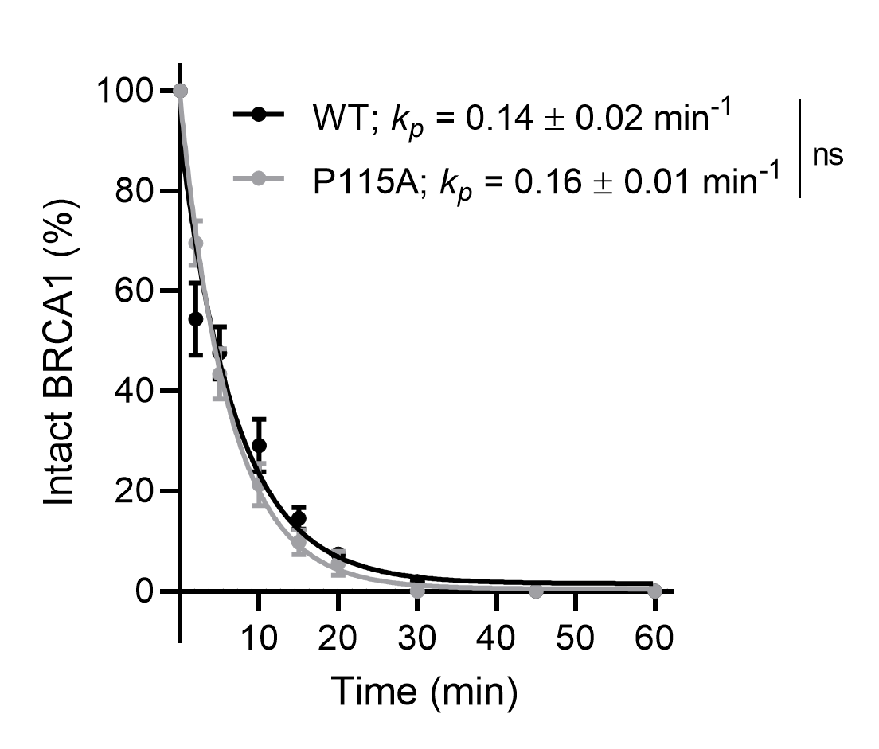
 | Time (min) | WT |  |  | Mean | SD | SEM | n
 | 0 | 100 | 100 | 100 | 100 | 0 | 0 | 3
 | 2 | 66.05 | 41.18 | 55.91 | 54.38 | 12.505394836 | 7.2199930748 | 3
 | 5 | 56.79 | 47.33 | 38.73 | 47.616666667 | 9.0334120538 | 5.2154428809 | 3
 | 10 | 37.96 | 29.57 | 19.64 | 29.056666667 | 9.1707815007 | 5.2947531681 | 3
 | 15 | 18.76 | 11.73 | 13.04 | 14.51 | 3.7384355017 | 2.1583867432 | 3
 | 20 | 9.56 | 7.5 | 5.09 | 7.3833333333 | 2.2372825779 | 1.2916956986 | 3
 | 30 | 3.07 | 2.62 | 0 | 1.8966666667 | 1.6579002785 | 0.95718917206 | 3
 | 45 | 0 | 0 | 0 | 0 | 0 | 0 | 3
 | 60 | 0 | 0 | 0 | 0 | 0 | 0 | 3

 | Time (min) | P115A |  |  | Mean | SD | SEM | n
 | 0 | 100 | 100 | 100 | 100 | 0 | 0 | 3
 | 2 | 77.03 | 70.31 | 61.44 | 69.593333333 | 7.8196696435 | 4.5146883736 | 3
 | 5 | 52.78 | 41.65 | 35.73 | 43.386666667 | 8.6566525478 | 4.9979206788 | 3
 | 10 | 29.85 | 16.98 | 17.14 | 21.323333333 | 7.3847432815 | 4.2635835215 | 3
 | 15 | 14.45 | 8.91 | 5.91 | 9.7566666667 | 4.3324973553 | 2.5013685143 | 3
 | 20 | 10.35 | 2.88 | 3.44 | 5.5566666667 | 4.1605808889 | 2.4021124962 | 3
 | 30 | 0 | 0 | 0 | 0 | 0 | 0 | 3
 | 45 | 0 | 0 | 0 | 0 | 0 | 0 | 3
 | 60 | 0 | 0 | 0 | 0 | 0 | 0 | 3

 |  |  |  |  |  |  |  |  | Graph imported from GraphPad Prism 7.03
 |  |  |  |  |  |  |  |  | Data points = mean
 |  |  |  |  |  |  |  |  | Bars = SEM

Figure 3d
Figure 3d
Percentage of remaining Intact BARD1 protein with incubation time in Trypsin from recombinant full length WT-BRCA1-BARD1 and P115A-BRCA1-BARD1

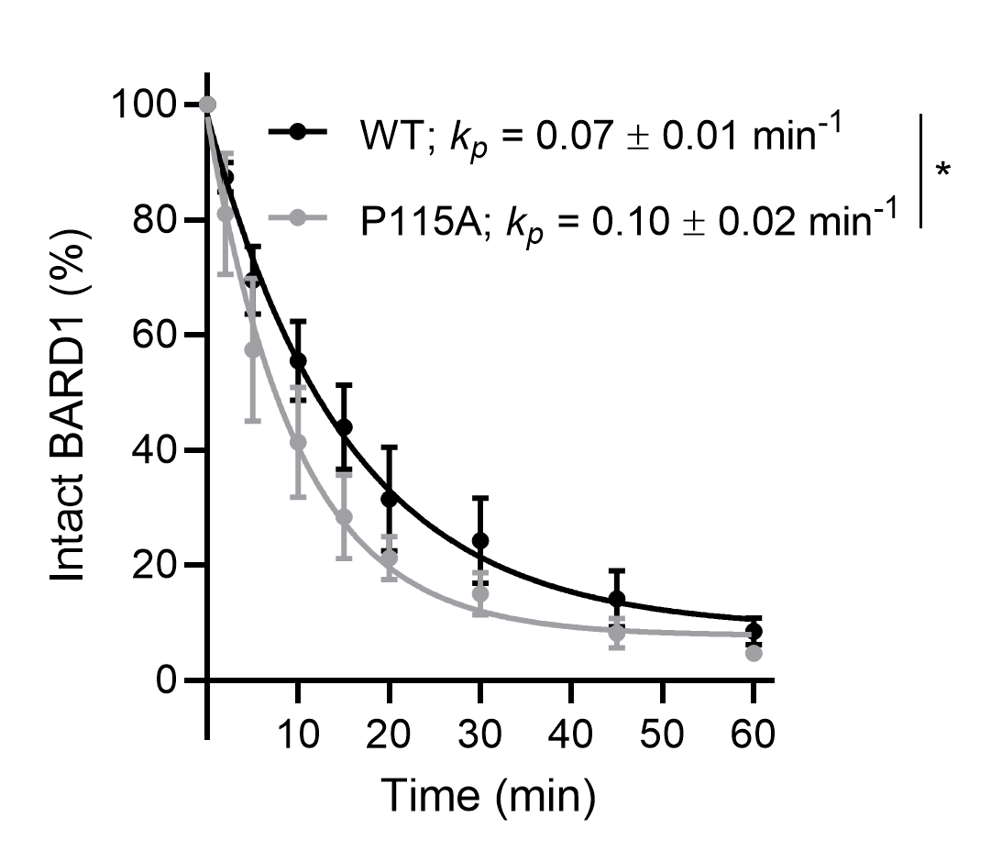
 | Time (min) | WT |  |  | Mean | SD | SEM | n
 | 0 | 100 | 100 | 100 | 100 | 0 | 0 | 3
 | 2 | 90.56 | 89.24 | 82.25 | 87.35 | 4.4657698105 | 2.5783134022 | 3
 | 5 | 77.56 | 73.08 | 57.93 | 69.523333333 | 10.286964243 | 5.9391815747 | 3
 | 10 | 68.06 | 53.97 | 44.46 | 55.496666667 | 11.873838189 | 6.8553636746 | 3
 | 15 | 58.5 | 38.27 | 35.05 | 43.94 | 12.711699336 | 7.3391030333 | 3
 | 20 | 46.73 | 32.14 | 15.61 | 31.493333333 | 15.57007493 | 8.9893869523 | 3
 | 30 | 38.63 | 20.11 | 13.97 | 24.236666667 | 12.837481581 | 7.4117234463 | 3
 | 45 | 23.92 | 8.9 | 9.67 | 14.163333333 | 8.4582878488 | 4.8833947664 | 3
 | 60 | 13.1 | 6.34 | 5.99 | 8.4766666667 | 4.0077466653 | 2.3138736161 | 3

 | Time (min) | P115A |  |  | Mean | SD | SEM | n
 | 0 | 100 | 100 | 100 | 100 | 0 | 0 | 3
 | 2 | 100.48 | 78.18 | 64.44 | 81.033333333 | 18.188637479 | 10.501214745 | 3
 | 5 | 76.83 | 61 | 34.28 | 57.37 | 21.506006138 | 12.416498433 | 3
 | 10 | 58.49 | 40.07 | 25.43 | 41.33 | 16.565977182 | 9.5643713855 | 3
 | 15 | 39.01 | 31.57 | 14.52 | 28.366666667 | 12.555318926 | 7.2488167617 | 3
 | 20 | 25.27 | 24.62 | 13.66 | 21.183333333 | 6.5234985501 | 3.766343644 | 3
 | 30 | 20.51 | 16.56 | 8.07 | 15.046666667 | 6.3565740248 | 3.6699697244 | 3
 | 45 | 13.27 | 5.89 | 5.37 | 8.1766666667 | 4.4186121501 | 2.5510869143 | 3
 | 60 | 7.1 | 3.84 | 3 | 4.6466666667 | 2.1657639145 | 1.250404379 | 3

 |  |  |  |  |  |  |  |  | Graph imported from GraphPad Prism 7.03
 |  |  |  |  |  |  |  |  | Data points = mean
 |  |  |  |  |  |  |  |  | Bars = SEM

