Sheet1
ID | Compound Name | Compound Structure | Human Gene | Viral Bait | Drug Status | Activity Description (nM) | Reference (PMID or DOI) | Smiles | ZINC_ID | Purchase Notes

1 | JQ1 | 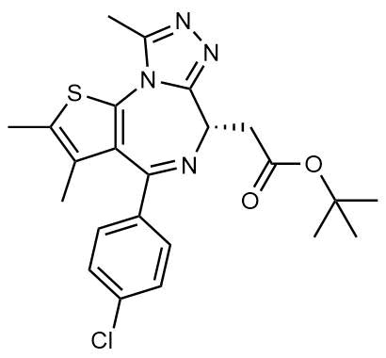 | BRD2/4 | E | Pre-clinical | BRD inhibitor, IC50 = 40-120 | 24391744 | Cc1sc2c(c1C)C(c1ccc(Cl)cc1)=N[C@@H](CC(=O)OC(C)(C)C)c1nnc(C)n1-2 | ZINC57318556 | Cayman Chemicals 11187
2 | RVX-208 |  | BRD2/4 | E | Clinical Trial | BRD inhibitor, IC50 = 50-1800 | 24391744 | CC1=CC(=CC(=C1OCCO)C)C2=NC3=C(C(=CC(=C3)OC)OC)C(=O)N2 | ZINC43199551 | Cayman Chemicals 16424
3 | Silmitasertib |  | CSNK2A2 | N | Approved (Cancer) | CK2 inhibitor, IC50 = 1 | 21159648; 21174434 | O=C(O)c1ccc2c(c1)nc(Nc1cccc(Cl)c1)c1ccncc12 | ZINC58638454 | Cayman Chemicals 16779

4 | TMCB |  | CSNK2A2 | N | Pre-clinical | Multi-targeted protein kinase inhibitor, Ki = 21 | 22115617 | CN(C)c1nc2c(Br)c(Br)c(Br)c(Br)c2n1CC(=O)O | ZINC000058638742 | Tocris 3675

5 | Apicidin | 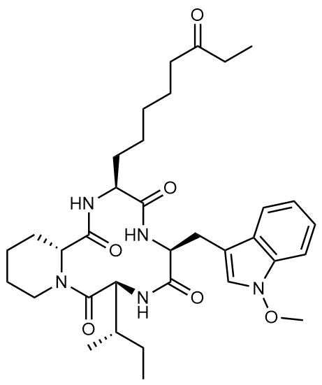 | HDAC2 | Nsp5 | Pre-clinical | HDAC inhibitor, IC50 = 120 | 17868033 | CCC(=O)CCCCC[C@@H]1NC(=O)[C@H]2CCCCN2C(=O)[C@H]([C@@H](C)CC)NC(=O)[C@H](Cc2cn(OC)c3ccccc23)NC1=O | ZINC17654900 | Cayman Chemicals 10575

6 | Valproic Acid |  | HDAC2 | Nsp5 | Approved (CNS diseases, Cancer) | HDAC2 inhibitor, IC50 = 62,000 | 11742974; 12840003; 21874153 | O=C(O)C(CCC)CCC | ZINC3008621 | Cayman Chemicals 13033

7 | Bafilomycin A1 | 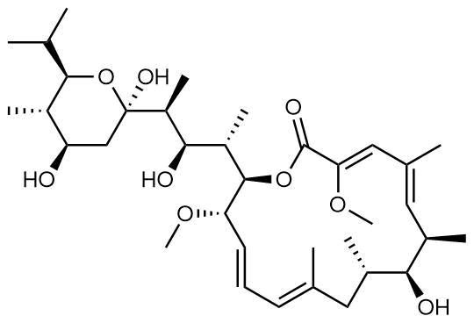 | ATP6AP1 | Nsp6 | Pre-clinical | ATPase inhibitor, IC50 = 100 | 9572882 | CO/C1=C\C(C)=C\[C@@H](C)[C@@H](O)[C@@H](C)C/C(C)=C/C=C/[C@H](OC)[C@@H]([C@@H](C)[C@@H](O)[C@H](C)[C@@]2(O)C[C@@H](O)[C@H](C)[C@@H](C(C)C)O2)OC1=O | ZINC000169647947 | Cayman Chemicals 11038
 |  |  | ATP6V1A | M
8 | E-52862 |  | SIGMAR1 | Nsp6 | Clinical Trial | Sigma 1 antagonist, IC50 = 17 | 22784008 | CC1=CC(OCCN2CCOCC2)=NN1C3=CC(C=CC=C4)=C4C=C3 | ZINC95000617 | Cayman Chemicals 16279

9 | PD-144418 |  | SIGMAR1 | Nsp6 | Pre-clinical | Sigma 1 antagonist, Ki = 0.8 | 9144641 | O=C(O)C(O)=O.CCCN1CC(C2=CC(C3=CC=C(C)C=C3)=NO2)=CCC1 |  | Tocris 2606

10 | RS-PPCC | 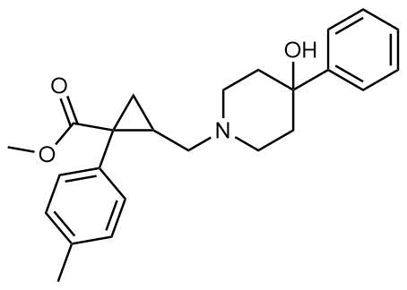 | SIGMAR1 | Nsp6 | Pre-clinical | Sigma 1 agonist, Ki = 1.5 | 17328523 | Cc1ccc(cc1)C2(CC2CN3CCC(CC3)(c4ccccc4)O)C(=O)OC | ZINC28635556 | Tocris 3870

11 | PB28 |  | SIGMAR1 | Nsp6 | Pre-clinical | Sigma 1/2 modulator, IC50 = 15 | 16891467 | COC1=CC=CC2=C1CCCC2CCCN3CCN(CC3)C4CCCCC4 | ZINC22931094 | Tocris 2562
 |  |  | TMEM97 | Orf9c
12 | Haloperidol |  | SIGMAR1 | Nsp6 | Approved (CNS diseases) | Sigma 1/2 modulator, Ki = 2-12 | 7925616 | O=C(CCCN1CCC(O)(c2ccc(Cl)cc2)CC1)c1ccc(F)cc1 | ZINC537822 | Cayman Chemicals 12014
 |  |  | TMEM97 | Orf9c
13 | Loratadine |  | SLC6A15 | Nsp6 | Approved | Histamine 1 receptor antagonist, IC50 = 4000 | 25318072 | O=C(OCC)N4CC/C(=C2/c1ccc(Cl)cc1CCc3cccnc23)CC4 | ZINC537931 | Cayman Chemicals 15625

14 | Entacapone |  | COMT | Nsp7 | Approved (Parkinson's disease) | COMT inhibitor, IC50 = 151 | 1407012; 9681662 | [O-][N+](=O)c1cc(\C=C(/C#N)C(=O)N(CC)CC)cc(O)c1O | ZINC35342787 | Sellekchem S3147

15 | Indomethacin | 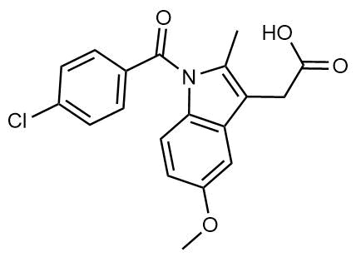 | PTGES2 | Nsp7 | Approved (Inflammation, Pain) | Prostaglandin E2 synthase inhibitor, IC50 = 750 | 5284360 | COc1ccc2c(c1)c(CC(=O)O)c(C)n2C(=O)c1ccc(Cl)cc1 | ZINC601283 | Cayman Chemicals 70270

16 | Metformin |  | NDUFs | Nsp7 | Approved (Diabetes) | MRC 1 inhibitor (indirect) | 24843020 | CN(C)C(=N)N=C(N)N | ZINC12859773 | Cayman Chemicals 13118
 |  |  |  | Orf9c
17 | 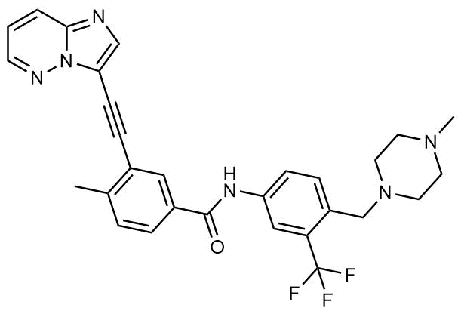 Ponatinib |  | RIPK1 | Nsp12 | Approved (Cancer) | RIPK1 inhibitor, IC50 = 12 | 25801024 | CN1CCN(CC1)Cc1ccc(cc1C(F)(F)F)NC(=O)c1ccc(c(c1)C#Cc1cnc2n1nccc2)C | ZINC000036701290 | Cayman Chemicals 11494

18 | H-89 |  | PRKACA | Nsp13 | Pre-clinical | Protein kinase A inhibitor, KD = 48 | 2156866 | O=S(=O)(NCCNC/C=C/c1ccc(Br)cc1)c1cccc2cnccc12 | ZINC2043204 | Cayman Chemicals 10010556

19 | Merimepodib |  | IMPDH2 | Nsp14 | Clinical Trial | IMPDH inhibitor, Ki = 10 | 10878288 | COc1cc(NC(=O)Nc2cccc(CNC(=O)O[C@H]3CCOC3)c2)ccc1-c1cnco1 | ZINC3975663 | Cayman Chemicals 29351

20 | Migalastat |  | GLA | Nsp14 | Approved (Fabry disease) | α-Gal inhibitor | 10866822 | OC[C@H]1NC[C@H](O)[C@@H](O)[C@H]1O | ZINC1636704 | Cayman Chemicals 17179
21 | Mycophenolic acid |  | IMPDH2 | Nsp14 | Approved (Organ rejection) | IMPDH inhibitor, IC50 = 20 | 5799033 | COc1c(C/C=C(/CCC(=O)O)\C)c(O)c2c(c1C)COC2=O | ZINC000000001758 | Cayman Chemicals 21716

22 | Ribavirin |  | IMPDH2 | Nsp14 | Approved (Viral infection) | IMPDH inhibitor, IC50 = 100-250 | 22555152 | NC(=O)c1ncn([C@@H]2O[C@H](CO)[C@@H](O)[C@H]2O)n1 | ZINC1035331 | Cayman Chemicals 16757

23 | Azacitidine |  | DNMT1 | Orf8 | Approved | Inducer of DNMT1 degradation by proteasome (indirect) | 15899874 | C1=NC(=NC(=O)N1[C@H]2[C@@H]([C@@H]([C@H](O2)CO)O)O)N | ZINC3861768 | Cayman Chemicals 11164
24 | CCT 365623 |  | LOX | Orf8 | Pre-clinical | LOXL2 inhibitor, IC50 = 1500 | 31070916 | CS(C1=CC(S(C2=CC=C(CN)S2)(=O)=O)=CC(C3=CC=CC=C3)=C1)(=O)=O | ZINC1776011385 | Aobious AOB37362

25 | Midostaurin | 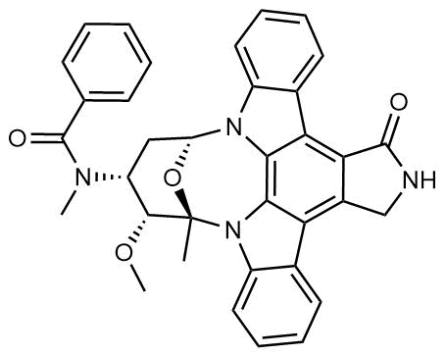 | MARK2/3 | Orf9b | Approved (Cancer) | Protein kinase inhibitor, MARK1 KD = 100, MARK3 KD = 23 | 18183025 | C[C@@]12[C@@H]([C@@H](C[C@@H](O1)N3C4=CC=CC=C4C5=C6C(=C7C8=CC=CC=C8N2C7=C53)CNC6=O)N(C)C(=O)C9=CC=CC=C9)OC | ZINC100013130 | Cayman Chemicals 10459

26 | Ruxolitinib | 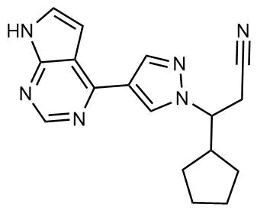 | MARK2/3 | Orf9b | Approved (Myelofibrosis) | Protein kinase inhibitor, MARK1 KD = 660, MARK3 KD > 10000 | 22037378 | C1CCC(C1)C(CC#N)N2C=C(C=N2)C3=C4C=CNC4=NC=N3 | ZINC43207851 | Cayman Chemicals 11609

27 | ZINC1775962367 | 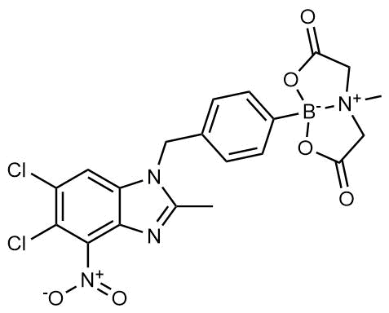 | DCTPP1 | Orf9b | Pre-clinical | dCTPase inhibitor, IC50 = 47 | 26771665 | CC1=NC2=C([N+]([O-])=O)C(Cl)=C(C=C2N1CC3=CC=C([B-]45OC(C[N+](CC(O5)=O)4C)=O)C=C3)Cl | ZINC1775962367 | Tocris 6522

28 | ZINC4326719 |  | DCTPP1 | Orf9b | Pre-clinical | DCTPP1 inhibitor, IC50 = 19 | 28145708 | COc1ccc(-c2nn3c(-c4ccco4)nnc3s2)cc1OC | ZINC4326719 | Specs AQ-386/41329018

29 | ZINC4511851 |  | DCTPP1 | Orf9b | Pre-clinical | dCTPase inhibitor, IC50 = 20 | 28655422 | COc1ccc(-c2nn3c(-c4cccs4)nnc3s2)cc1OC | ZINC4511851 | Specs AK-245/11130013

30 | ZINC95559591 |  | MARK3 | Orf9b Nsp13 | Pre-clinical | Protein kinase inhibitor, MARK3 IC50 = 12 | 23099093 | O=C(C1CCC1)NCCCNc1nc(ncc1C1CC1)Nc1ccc(cc1)N1CCOCC1 | ZINC95559591 | MolPort-042-624-523

 |  |  | TBK1 |  |  | TBK1 IC50 = 6

31 | AC-55541 |  | F2RL1 | Orf9c | Pre-clinical | PAR agonist pEC50 = 6.7 | 18720984 | Brc1cccc(c1)C(=NNC(=O)C(c1n[nH]c(=O)c2c1cccc2)NC(=O)c1ccccc1)C | ZINC13302309 | Cayman Chemicals 17736
32 | AZ8838 |  | F2RL1 | Orf9c | Pre-clinical | PAR antagonist, IC50 = 344 | 28445455 | CCCc1cc(F)ccc1C(c1ncc[nH]1)O | ZINC914431265 | Aobious AOB37172

33 | Daunorubicin | 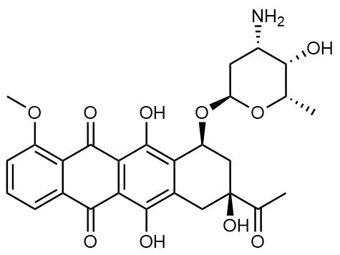 | ABCC1 | Orf9c | Approved (Cancer) | Topoisomerase inhibitor, Ki = 70 | 9647783 | C[C@H]1[C@H]([C@H](C[C@@H](O1)O[C@H]2C[C@@](Cc3c2c(c4c(c3O)C(=O)c5cccc(c5C4=O)OC)O)(C(=O)C)O)N)O | ZINC3917708 | Cayman Chemicals 14159

34 | GB110 |  | F2RL1 | Orf9c | Pre-clinical | PAR2 agonist EC50 = 280 | 20873792 | NCC1CCN(CC1)C(=O)c1cccc(c1)CNC(=O)C(C(CC)C)NC(=O)C(NC(=O)c1ccno1)CC1CCCCC1 | ZINC64527010 | Medchem Express HY-120528A
35 | S-verapamil |  | ABCC1 | Orf9c | Approved (Hypertension) | Ca2+ channel inhibitor and drug efflux transporter inhibitor, Ki = 113 | 17646169 | N#CC(c1cc(OC)c(OC)cc1)(CCCN(CCc2ccc(OC)c(OC)c2)C)C(C)C | ZINC3812888 | Cayman Chemicals 14288

36 | AZ3451 |  | F2RL1 | Orf9c | Pre-clinical | PAR2 negative allosteric modulator, pKD = 15 | 28445455 | N#Cc1ccc(cc1)NC(=O)c1ccc2c(c1)nc(n2C(C1CCCCC1)C)c1cc2OCOc2cc1Br | ZINC914431341 | Cayman Chemicals 29671

37 | UCPH-101 |  | SLC1A3 | M | Pre-clinical | EAAT1 inhibitor, IC50 = 660 | 19161278 | COc1ccc(cc1)C1C2=C(OC(=C1C#N)N)CC(CC2=O)c1cccc2c1cccc2 | ZINC000040914195 | Cayman Chemicals 21460
a. These drug-target associations are drawn from chemoinformatic searches of the literature, drawing on databases such as ChEMBL [PMID: 27899562], ZINC[PMID: 26479676] and IUPHAR/BPS Guide to Pharmacology [PMID: 31691834].

