Sheet2
ID | Compound Name | Compound Structure | Human Gene/Process | Viral Bait | Drug Status | Activity Description (nM) | Reference (PMID or DOI) | Smiles | ZINC_ID | Purchase Notes

1 | ABBV-744 | 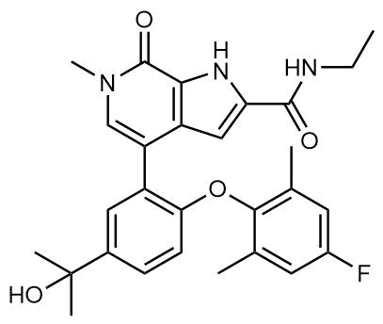 | BRD2/4 | E | Clinical Trial | BRD inhibitor, KD = 2.1 | 31969702 | CCNC(=O)C1=CC2=C([NH]1)C(=O)N(C)C=C2C3=C(OC4=C(C)C=C(F)C=C4C)C=CC(=C3)C(C)(C)O | ZINC1250228389 | Sellekchem S8723

2 | dBET6 | 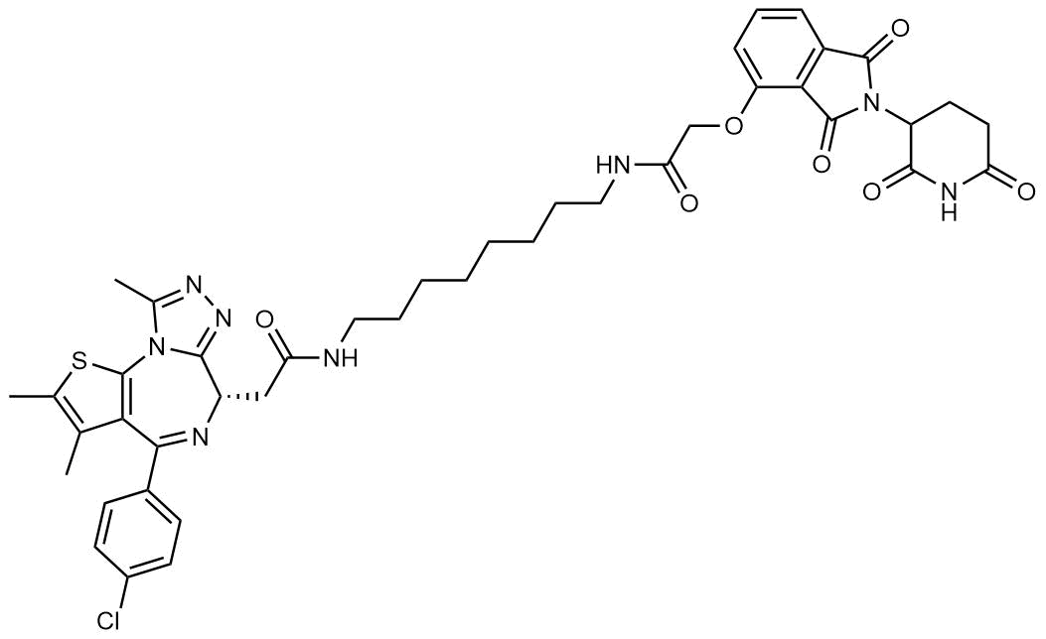 | BRD2/4 | E | Pre-clinical | Degrades BRD proteins, IC50 < 10000 | 29764999 | O=C(NCCCCCCCCNC(COC1=CC=CC(C(N2C(CC3)C(NC3=O)=O)=O)=C1C2=O)=O)C[C@H]4C5=NN=C(C)N5C6=C(C(C)=C(C)S6)C(C7=CC=C(Cl)C=C7)=N4 |  | Sellekchem S8762

3 | MZ1 | 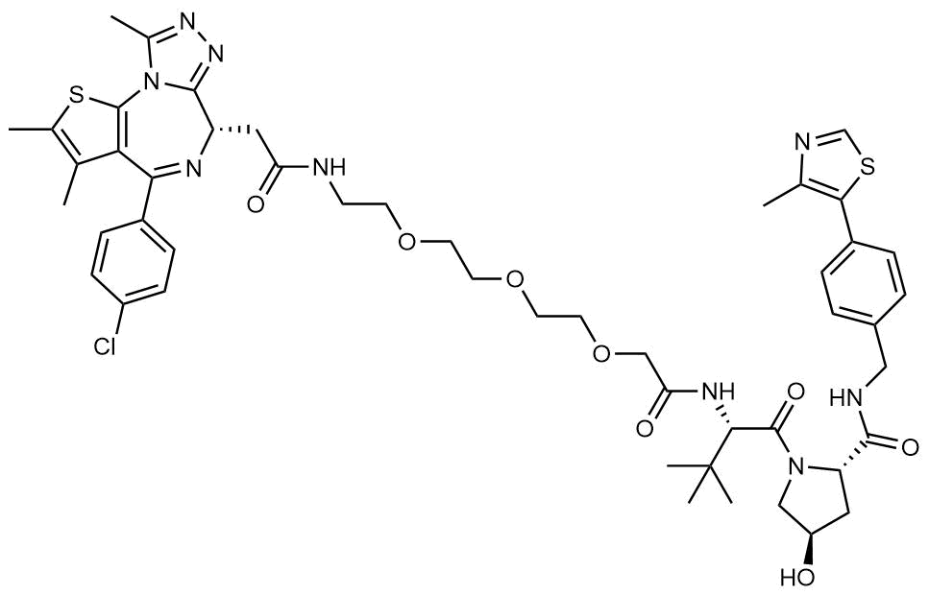 | BRD2/4 | E | Pre-clinical | Degrades BRD proteins, KD = 120-228 | 26035625 | CC1=C(C2=C(N3C(C)=NN=C3[C@@H](N=C2C4=CC=C(C=C4)Cl)CC(NCCOCCOCCOCC(N[C@@H](C(C)(C)C)C(N5C[C@@H](C[C@H]5C(NCC6=CC=C(C7=C(N=CS7)C)C=C6)=O)O)=O)=O)=O)S1)C |  | Tocris 6154

4 | CPI-0610 | 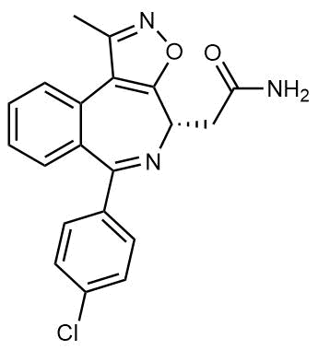 | BRD2/4 | E | Clinical Trial | BRD2/4 inhibitor, BRD2 IC50 = 25, BRD4 IC50 = 18 | 26815195 | CC1=NOC2=C1C3=CC=CC=C3C(=N[C@H]2CC(=O)N)C4=CC=C(C=C4)Cl | ZINC200480149 | Abcam ab230374

5 | Sapanisertib |  | LARP1 | N | Clinical Trial | mTOR inhibitor, IC50 = 1 | 10.1101/491274; 21651476 | CC(C)[N]1N=C(C2=CC3=C(OC(=N3)N)C=C2)C4=C(N)N=CN=C14 | ZINC73069271 | Sellekchem S2811

6 | Rapamycin | 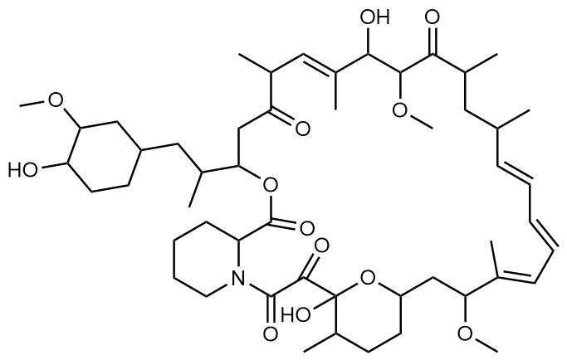 | LARP1 | N | Approved (Organ rejection) | mTOR inhibitor (with FKBP), IC50 = 2.0 | 10.1101/491274; 15896331 | COC1CC(CCC1O)CC(C)C2CC(=O)C(C)\C=C(/C)C(O)C(OC)C(=O)C(C)CC(C)/C=C/C=C/C=C(C)/C(CC3CCC(C)C(O)(O3)C(=O)C(=O)N4CCCCC4C(=O)O2)OC | ZINC169289388 | Sellekchem S1039
 |  |  | FKBP15 | Nsp2
 |  |  | FKBP7/10 | Orf8
7 | Zotatifin | 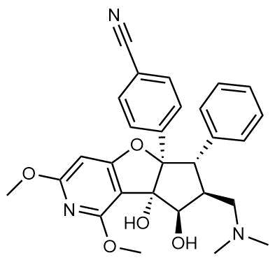 | EIF4E2/H | Nsp2 | Clinical Trial | EIF4a inhibitor IC50 = 1.5 | 10.1158/1538-7445.AM2019-2698 | COc1cc2O[C@]3([C@@H]([C@@H](CN(C)C)[C@@H](O)[C@@]3(O)c2c(OC)n1)c4ccccc4)c5ccc(cc5)C#N |  | custom
8 | CB5083 | 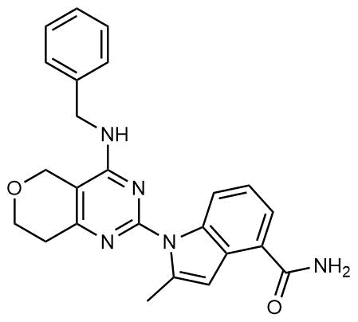 | VCP | Orf10 | Clinical Trial | p97 inhibitor, IC50 = 11 | 26565666 | CC1=CC2=C(C=CC=C2C(N)=O)[N]1C3=NC4=C(COCC4)C(=N3)NCC5=CC=CC=C5 | ZINC208076131 | Sellekchem S8101

9 | Chloroquine |  | SIGMAR1 | Nsp6 | Approved (Malaria) | Sigma 1 binder, Ki = 100 | 30042674 | CCN(CC)CCC[C@H](C)Nc1ccnc2cc(Cl)ccc12 | ZINC19144231 | Cayman Chemicals 14194

10 | Dabrafenib | 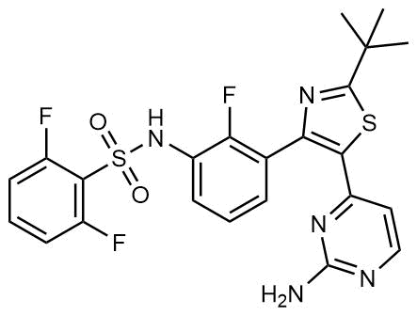 | NEK9 | Nsp9 | Approved (Cancer) | NEK9 inhibitor, IC50 = 1 | 29112787 | CC(C)(C1=NC(C2=C(F)C(NS(=O)(C3=C(F)C=CC=C3F)=O)=CC=C2)=C(C4=NC(N)=NC=C4)S1)C | ZINC68153186 | Sellekchem S2807

11 | WDB002 | 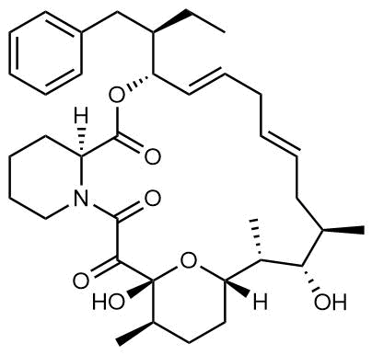 | CEP250 | Nsp13 | Clinical Trial | CEP250 inhibitor (with FKBP), Kd = 0.29 | US Patent US20170097-359A1 | O=C([C@]1([H])CCCCN1C2=O)O[C@@H](/C=C/C/C=C/C[C@@H](C)[C@H](O)[C@@H](C)[C@@]3([H])O[C@](C2=O)(O)[C@H](C)CC3)[C@H](CC)CC4=CC=CC=C4 |  | custom

12 | Sanglifehrin A | 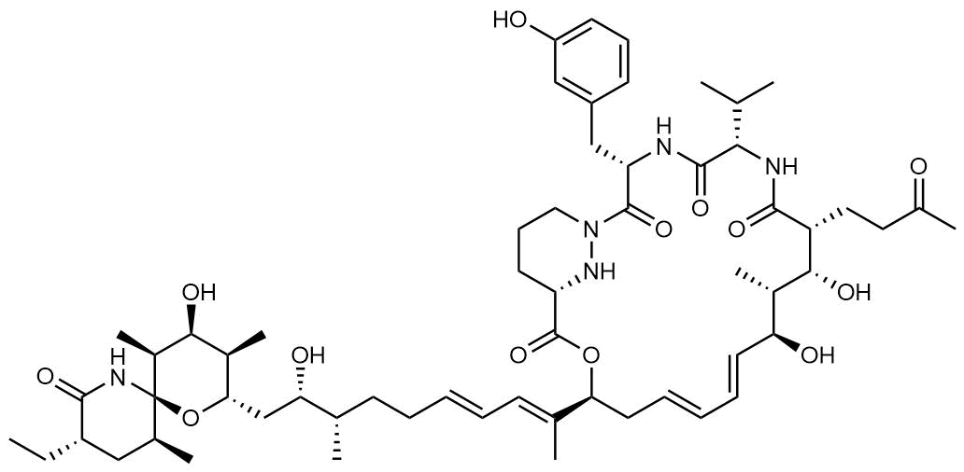 | IMPDH2 | Nsp14 | Pre-clinical | PPIA-IMPDH2 modulator, PPIA KD = 0.2; IDPDH2 Binding EC50 = 11.5 (with PPIA) | 28076787 | CC[C@H]1C[C@@H]([C@@]2([C@H]([C@H]([C@H]([C@@H](O2)C[C@@H]([C@@H](C)CC/C=C/C=C(\C)/[C@@H]3C/C=C/C=C/[C@@H]([C@@H]([C@H]([C@H](C(=O)N[C@H](C(=O)N[C@H](C(=O)N4CCC[C@H](N4)C(=O)O3)CC5=CC(=CC=C5)O)C(C)C)CCC(=O)C)O)C)O)O)C)O)C)NC1=O)C |  | custom

13 | FK-506 | 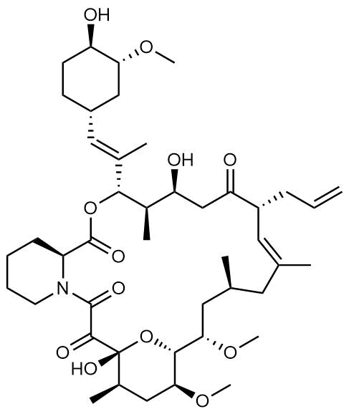 | FKBP7 | Orf8 | Approved (Organ rejection) | FKBP binder | 9806833 | C[C@@H]1C[C@@H]([C@@H]2[C@H](C[C@H]([C@@](O2)(C(=O)C(=O)N3CCCC[C@H]3C(=O)O[C@@H]([C@@H]([C@H](CC(=O)[C@@H](/C=C(/C1)\C)CC=C)O)C)/C(=C/[C@@H]4CC[C@H]([C@@H](C4)OC)O)/C)O)C)OC)OC | ZINC85537027 | ChemShuttle 135175
 |  |  | FKBP10
14 | Pevonedistat | 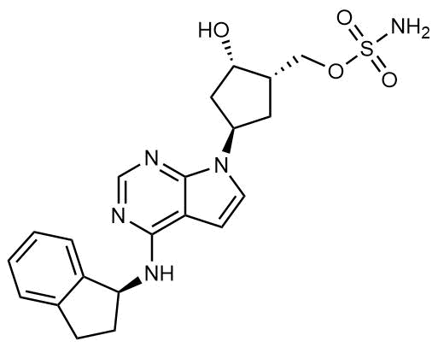 | CUL2 | Orf10 | Clinical Trial | NEDD8-activating enzyme inhibitor, IC50 = 4.7 | 19360080 | O[C@@H](C1)[C@H](COS(=O)(N)=O)C[C@H]1N(C2=NC=N3)C=CC2=C3N[C@@H]4C5=CC=CC=C5CC4 | ZINC58660702 | Sellekchem S7109

15 | Ternatin 4 | 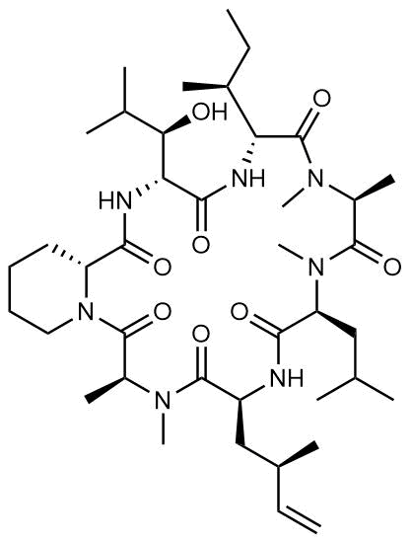 | Translation |  | Pre-clinical | eEF1A inhibitor, IC50 = 71 | 26651998 | O=C([C@H](CC(C)C)N(C([C@@H](N(C([C@H](NC([C@H](NC([C@H]1CCCCN1C([C@H](C)N2C)=O)=O)[C@@H](C(C)C)O)=O)[C@@H](C)CC)=O)C)C)=O)C)N[C@@H](C[C@@H](C)C=C)C2=O |  | custom

16 | 4E2RCat |  | Translation |  | Pre-clinical | eIF4E/G PPI inhibitor, IC50 = 13500 | 21507972 | O=C(O)C1=CC(C2=CC=C(/C=C(SC(N3CC4=CC=CC=C4)=S)/C3=O)O2)=CC=C1Cl | ZINC7018722 | MedChemExpress 432499-63-3

17 | Tomivosertib |  | Translation |  | Clinical Trial | MNK1/2 inhibitor, IC50 = 2.4 | 29526098; 30643286 | CC1=C2N(C(=O)C(=C1)NC3=NC=NC(=C3)N)C4(CCCCC4)NC2=O | ZINC575623807 | SellekChem S8275

18 | Compound 2 | 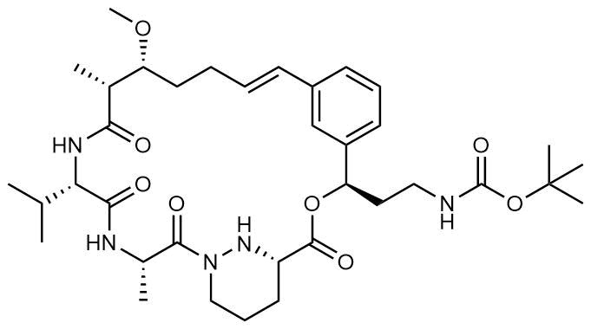 | Viral Transcription |  | Pre-clinical | Cyclophilin inhibitor, KD = 24 | 30074795 | O=C([C@@H]1CCCN(C([C@H](C)NC([C@H](C(C)C)N2)=O)=O)N1)O[C@H](CCNC(OC(C)(C)C)=O)C3=CC=CC(/C=C/CC[C@@H](OC)[C@@H](C)C2=O)=C3 |  | custom

19 | Compound 10 |  | Viral Transcription |  | Pre-clinical | PI4K-IIIβ inhibitor, IC50 = 3.4 | 26885694 | CC1=C(SC(NC(C(C)(C)C)=O)=N1)C2=CC=C(OC)C(S(NC3=CC=C(O)C=C3)(=O)=O)=C2 |  | custom

20 | PS3061 | 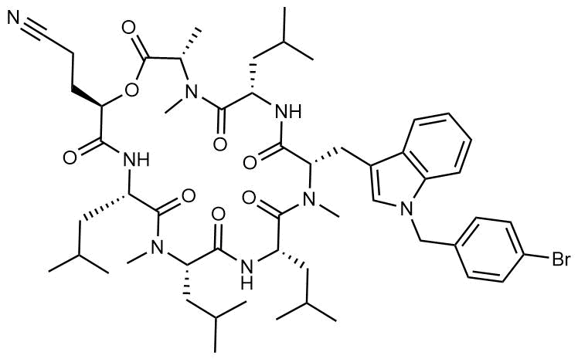 | ER protein processing |  | Pre-clinical | Sec61 inhibitor, IC50 = 20-500 | 30550790 | CC(C)C[C@@H]1NC(=O)[C@@H](CCC#N)OC(=O)[C@H](C)N(C)C(=O)[C@H](CC(C)C)NC(=O)[C@H](CC2=CN(CC3=CC=C(Br)C=C3)C3=C2C=CC=C3)N(C)C(=O)[C@H](CC(C)C)NC(=O)[C@H](CC(C)C)N(C)C1=O |  | custom

21 | IHVR-19029 |  | ER protein processing |  | Clinical Trial | Antiviral activity, IC50 = 1200 | 29253498; 28197304 | O[C@H]1[C@H](O)[C@@H](O)CN(CCCCCCN(C2CCCCC2)C(NC(C)(C)C)=O)[C@@H]1CO |  | ProbeChem PC-35010

22 | Captopril |  | Cell Entry |  | Approved (Hypertension) | ACE inhibitor, Ki = 3 | 9187274 | O=C(O)[C@H]1N(C(=O)[C@H](C)CS)CCC1 | ZINC57001 | Cayman Chemicals 15313

23 | Lisinopril | 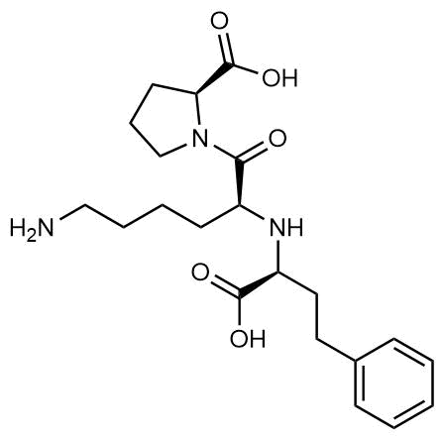 | Cell Entry |  | Approved (Hypertension) | ACE inhibitor, Ki = 0.27 | 12540854 | NCCCC[C@H](N[C@@H](CCc1ccccc1)C(=O)O)C(=O)N1CCC[C@H]1C(=O)O | ZINC3812863 | Cayman Chemicals 16833

24 | Camostat |  | Cell Entry |  | Approved (Pancreatitis) | Serine protease 1 inhibitor, IC50 < 1000 | 10.1101/2020.01.31.929042; 22496216 | CN(C)C(=O)COC(=O)Cc1ccc(OC(=O)c2ccc(N=C(N)N)cc2)cc1 | ZINC3871842 | Cayman Chemicals 16018

25 | Nafamostat |  | Cell Entry |  | Approved (Anticoagulant) | Serine protease 1 inhibitor, IC50 = 100 | 10.1101/2020.01.31.929042; 10.1128/AAC.01043-16 | C1=CC(=CC=C1C(=O)OC2=CC3=C(C=C2)C=C(C=C3)C(=N)N)N=C(N)N | ZINC3874467 | Cayman Chemicals 14837

26 | Chloramphenicol |  | Mito-chondrial ribosome |  | Approved (Bacterial infection) | Mitochondrial ribosome inhibitor, IC50 = 7400 | 23148581 | C1=CC(=CC=C1[C@H]([C@@H](CO)NC(=O)C(Cl)Cl)O)[N+](=O)[O-] | ZINC113382 | Sellekchem S1677

27 | Tigecycline |  | Mito-chondrial ribosome |  | Approved (Bacterial infection) | Mitochondrial ribosome inhibitor, IC50 = 3300 | 28700943 | CC(C)(C)NCC(=O)NC1=CC(=C2C[C@H]3C[C@H]4[C@@H](C(=O)C(=C([C@]4(C(=O)C3=C(C2=C1O)O)O)O)C(=O)N)N(C)C)N(C)C | ZINC14879972 | Sellekchem S1403

28 | Linezolid |  | Mito-chondrial ribosome |  | Approved (Bacterial infection) | Mitochondrial ribosome inhibitor, IC50 = 16000 | 16127068 | CC(=O)NC[C@H]1CN(c2ccc(N3CCOCC3)c(F)c2)C(=O)O1 | ZINC2008866 | Sellekchem S1408

29 | DBeQ | 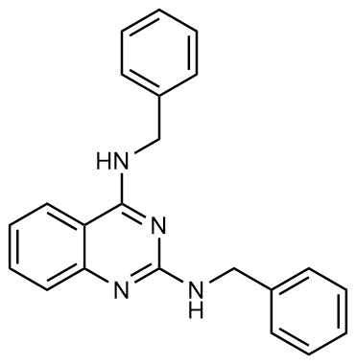 | VCP | Orf10 | Pre-clinical | p97 inhibitor, Ki = 3200 | 21383145 | C(NC1=NC2=CC=CC=C2C(=N1)NCC3=CC=CC=C3)C4=CC=CC=C4 | ZINC39389 | Sellekchem S7199
30 | Minoxidil |  | PLOD1/2 | Orf8 | Approved (Hair loss) | PLOD inhibitor, indirect mechanism | 30481795 | Nc1cc(nc(N)[n+]1[O-])N2CCCCC2 | ZINC1735 | Sigma 83701-22-8
31 | ML240 | 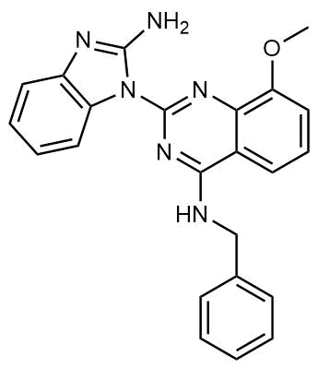 | VCP | Orf10 | Pre-clinical | p97 inhibitor, IC50 = 100 | 23316025 | NC1=NC2=C(C=CC=C2)N1C3=NC4=C(OC)C=CC=C4C(NCC5=CC=CC=C5)=N3 | ZINC96021026 | Sigma 1346527-98-7
32 | Selinexor | 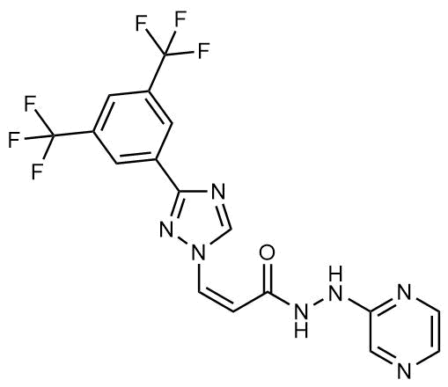 | NUPs RAE1 | Nsp4/9/Orf6 | Approved | XPO1/nuclear export inhibitor, IC50 = 36 | 30115935 | C1=CN=C(C=N1)NNC(=O)/C=C\N2C=NC(=N2)C3=CC(=CC(=C3)C(F)(F)F)C(F)(F)F | ZINC96170454 | Selleckchem S7252
a. These molecules derive from specialist knowledge of the human interacting proteins and their reagents and drugs, not readily available from the chemoinformatically-searchable literature.

