Figure 3c 3d
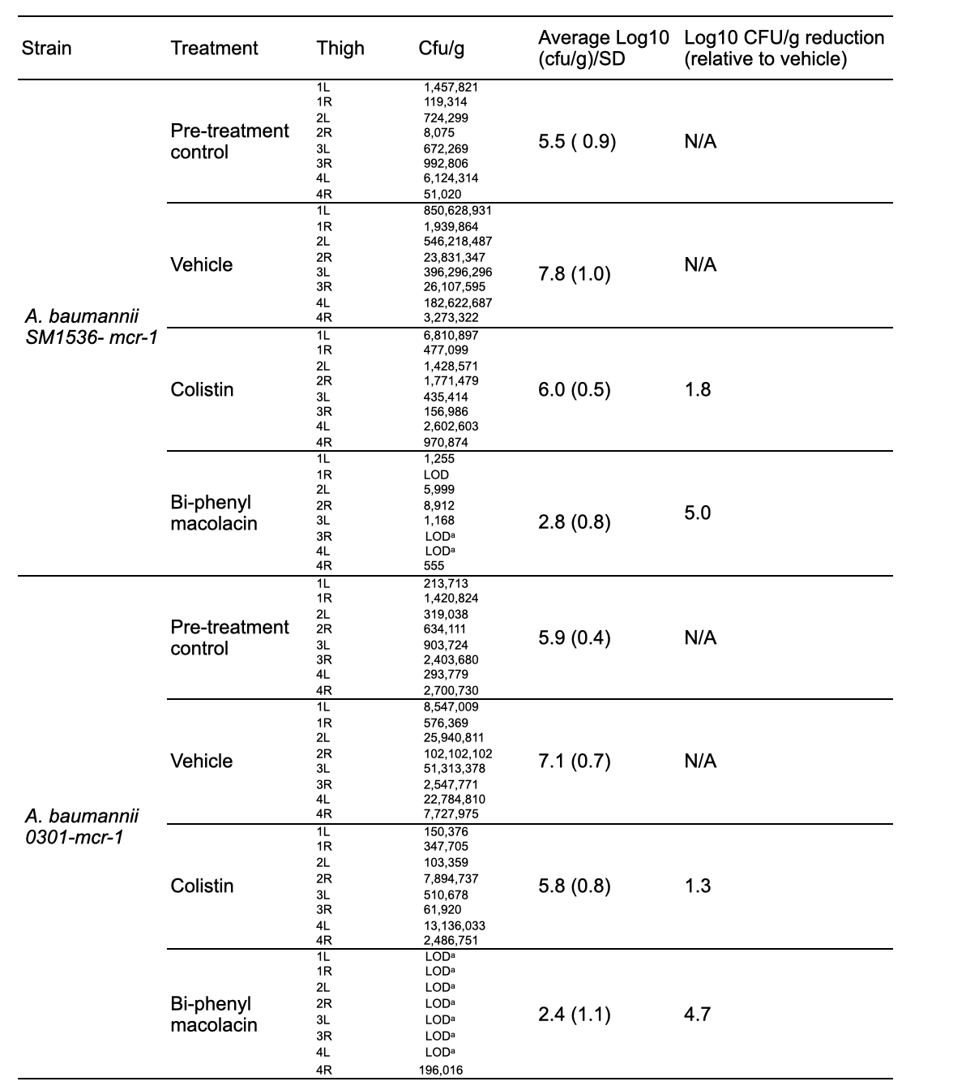

aLimit of detection (LOD) for burden quantification was calculated as 100 CFU/g of thigh.

