2 Extant Taxa
Taxon Name | Catalogue Number | Ontogenetic stage | Tissue | 666 | 1580 | 1683 | (S+N)/Amide = MC in vivo [normalized spectral intensities] | Added during Revision*: Scaled (+ 0.3) | Literature MR [mL O2 * 1/h * 1/g] | Calculated MR (regression incl. *taxa) | Corrected MR [mL O2 * 1/h * 1/g] | Calculated MR (regression excl. *taxa) | Corrected MR [mL O2 * 1/h * 1/g] (excl. *taxa) | Ordinary Least Squares Regression (Initial data set, n=21, excl. *taxa) |  |  |  |  | Ordinary Least Squares Regression (Initial data set, n=25, incl. *taxa)
Anthrozous | YPM VZ MAM 6545 | Adult | Femur | 0.3896 | 0.3874 | 0.6062 | 1.2818 |  | 1.3 | 4.1512662818 | 5.0512662818 | 4.2270 | 5.1270 | Slope a: | 10.523 | Std. error a: | 1.7433 |  | Slope a: | 9.5273 | Std. error a: | 1.3925
Aotus | YPM VZ MAM 1503 | Adult | Femur | 0.2957 | 0.4827 | 0.6777 | 1.1486 |  | 3 | 2.8825693375 | 3.7825693375 | 2.8257 | 3.7257 |  | t: | 6.036 | p (slope): | 8.32E-06 |  | t: | 6.8417 | p (slope): | 5.62E-07
Ara | YPM VZ ORN 84773 | Adult | Femur | 0.3427 | 0.4912 | 0.6704 | 1.2439 |  | 5 | 3.790458398 | 4.690458398 | 3.8285 | 4.7285 | Intercept b: | -9.2609 | Std. error b: | 2.2004 |  | Intercept b: | -8.0604 | Std. error b: | 1.7627
Bos* | Cat. no. to be added | Adult | Femur | 0.4475 | 0.4882 | 0.6862 | 1.3636 | 1.6636 | 6 | 7.7891840688 | 8.6891840688 | 8.2451 | 9.1451 | 95% bootstrapped confidence intervals (N=1999): |  |  |  |  | 95% bootstrapped confidence intervals (N=1999):
Chironectes* | Cat. no. to be added | Adult | Femur | 0.2164 | 0.2834 | 0.6711 | 0.7447 | 1.0447 | 2.5 | 1.893222186 | 2.793222186 | 1.7330 | 2.6330 | Slope a: | (7,9302, 15,484) |  |  |  | Slope a: | (7.061, 12.815)
Columbina | YPM VZ ORN 137085 | Adult | Femur | 0.1884 | 0.4568 | 0.4813 | 1.3405 |  | 6 | 4.711289092 | 5.611289092 | 4.8456 | 5.7456 | Intercept b: | (-15,073, -5,7432) |  |  |  | Intercept b: | (-11.858, -4.923)
Crypturellus | YPM VZ ORN 102518 | Adult | Femur | 0.4308 | 0.3084 | 0.5099 | 1.4497 |  | 5 | 5.7512888802 | 6.6512888802 | 5.9943 | 6.8943 | Correlation: |  |  |  |  | Correlation:
Dendrocygna | YPM VZ ORN 84805 | Adult | Femur | 0.2115 | 0.583 | 0.4325 | 1.8370 |  | 12 | 9.4411950289 | 10.341195029 | 10.0698 | 10.9698 | r: | 0.81071 |  |  |  | r: | 0.81886
Iguana* | Cat. no. to be added | Adult | Femur | 0.1476 | 0.2673 | 0.7225 | 0.5743 | 0.8743 | 0.5 | 0.26889971626 | 1.1688997163 | -0.0611 | 0.8389 | r2: | 0.65725 |  |  |  | r2: | 0.67053
Marmosa | YPM VZ MAM 12712 | Adult | Femur | 0.3606 | 0.3932 | 0.6255 | 1.2051 |  | 1.5 | 3.4211007834 | 4.3211007834 | 3.4205 | 4.3205 | t: | 6.036 |  |  |  | t: | 6.8417
Mustela | YPM VZ MAM 15091 | Adult | Femur | 0.3744 | 0.4104 | 0.5776 | 1.3587 |  | 5 | 4.8845879501 | 5.7845879501 | 5.0370 | 5.9370 | p (uncorr.): | 8.32E-06 |  |  |  | p (uncorr.): | 5.62E-07
Oceanodroma | YPM VZ ORN 109108 | Adult | Femur | 0.4078 | 0.3904 | 0.6442 | 1.2391 |  | 2 | 3.7444600745 | 4.6444600745 | 3.7777 | 4.6777 | Permutation p: | 0.0001 |  |  |  | Permutation p: | 0.0001
Ochotona | YPM VZ MAM 14835 | Adult | Femur | 0.2087 | 0.3225 | 0.4505 | 1.1791 |  | 5 | 3.1735661709 | 4.0735661709 | 3.1471 | 4.0471
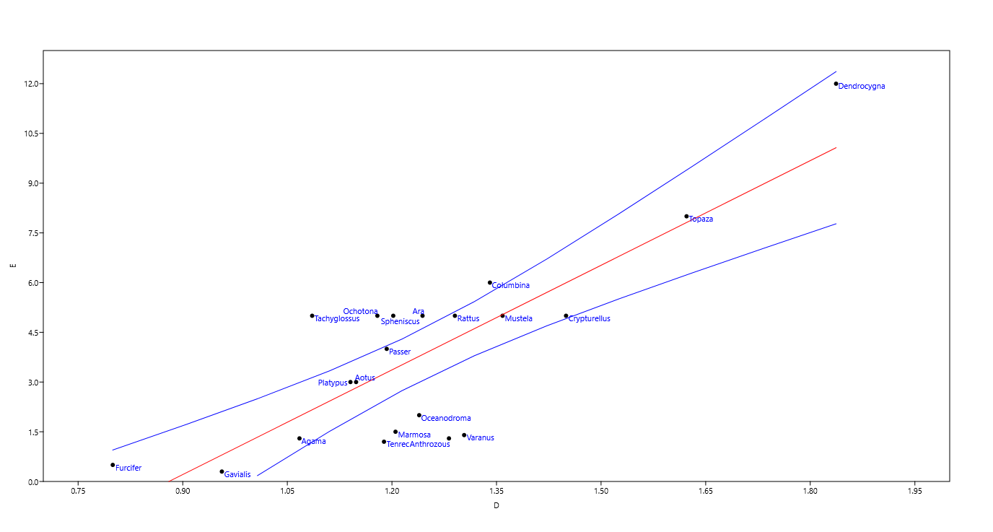
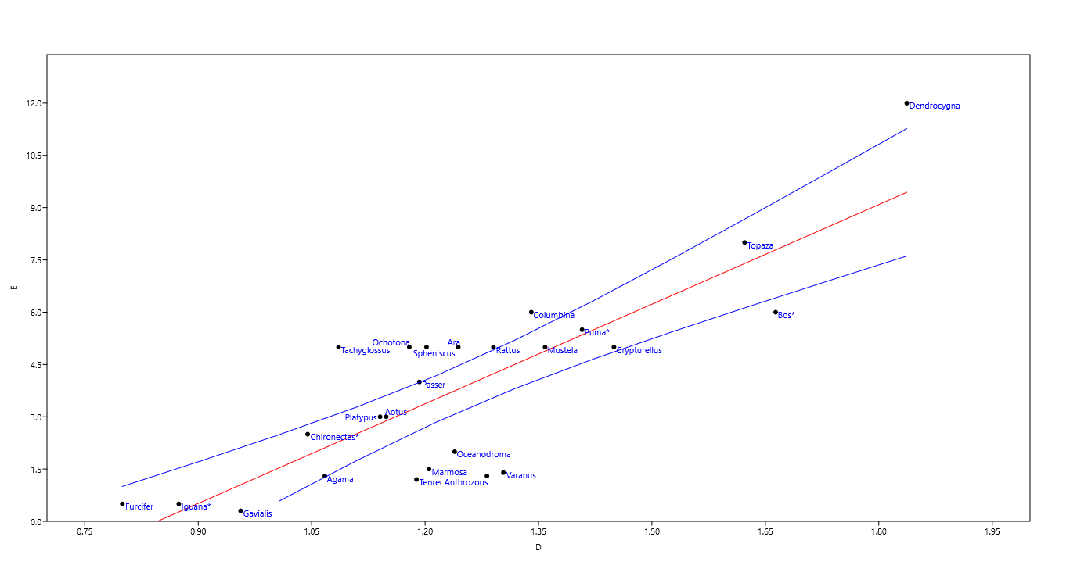
Passer | YPM VZ ORN 109464 | Adult | Femur | 0.3311 | 0.341 | 0.5636 | 1.1925 |  | 4 | 3.3010235806 | 4.2010235806 | 3.2879 | 4.1879
Platypus | YPM VZ MAM 3932 | Adult | Femur | 0.364 | 0.3472 | 0.6236 | 1.1405 |  | 3 | 2.8052442591 | 3.7052442591 | 2.7403 | 3.6403
Puma* | Cat. no. to be added | Adult | Femur | 0.2715 | 0.4387 | 0.6412 | 1.1076 | 1.4076 | 5.5 | 5.3503297068 | 6.2503297068 | 5.5514 | 6.4514
Rattus | YPM VZ MAM 6589 | Adult | Femur | 0.4271 | 0.4579 | 0.6859 | 1.2903 |  | 5 | 4.2324422511 | 5.1324422511 | 4.3167 | 5.2167
Spheniscus | YPM VZ ORN 103791 | Adult | Femur | 0.3716 | 0.4051 | 0.6462 | 1.2019 |  | 5 | 3.3909369081 | 4.2909369081 | 3.3872 | 4.2872
Tachyglossus | YPM VZ MAM 6799 | Adult | Femur | 0.2827 | 0.3948 | 0.6241 | 1.0856 |  | 5 | 2.2820863804 | 3.1820863804 | 2.1625 | 3.0625
Tenrec | YPM VZ MAM 4170 | Adult | Femur | 0.3341 | 0.3698 | 0.5922 | 1.1886 |  | 1.2 | 3.2639270348 | 4.1639270348 | 3.2469 | 4.1469
Topaza | YPM VZ ORN 101486 | Adult | Femur | 0.3785 | 0.3218 | 0.4316 | 1.6226 |  | 8 | 7.3982844069 | 8.2982844069 | 7.8134 | 8.7134
Agama | Cat. no. to be added | Adult | Femur | 0.2436 | 0.3313 | 0.5386 | 1.0674 |  | 1.3 | 2.10901101 | 3.00901101 | 1.9713 | 2.8713
Furcifer | Cat. no. to be added | Adult | Femur | 0.1106 | 0.2967 | 0.5094 | 0.7996 |  | 0.5 | -0.44267465646 | 0.45732534354 | -0.8470 | 0.0530
Varanus | Cat. no. to be added | Adult | Femur | 0.3389 | 0.2978 | 0.4884 | 1.3036 |  | 1.4 | 4.3598127559 | 5.2598127559 | 4.4574 | 5.3574
Gavialis (juvenile) | Cat. no. to be added | Juvenile | Femur | 0.2184 | 0.3524 | 0.597 | 0.9561 |  | 0.3 | 1.0487839866 | 1.9487839866 | 0.8003 | 1.7003

*Taxon added to the data set during revision: separately analyzed data set (spectra were collected with a different objective resulting in a different geometry of the light path) required scaling (+ 0.3, established via standard) to match the initial data set |  |  |  |  |  |  |  |  |  |  |  | Data set before the revisions
All uncatalogued specimens are housed at the Yale Peabody Museum.
Cat. no. to be added = Specimen is catalogued, and the catalogue number will be added before publication (COVID-19 access restrictions apply).

 | Please see also the tab 'Statistics'.
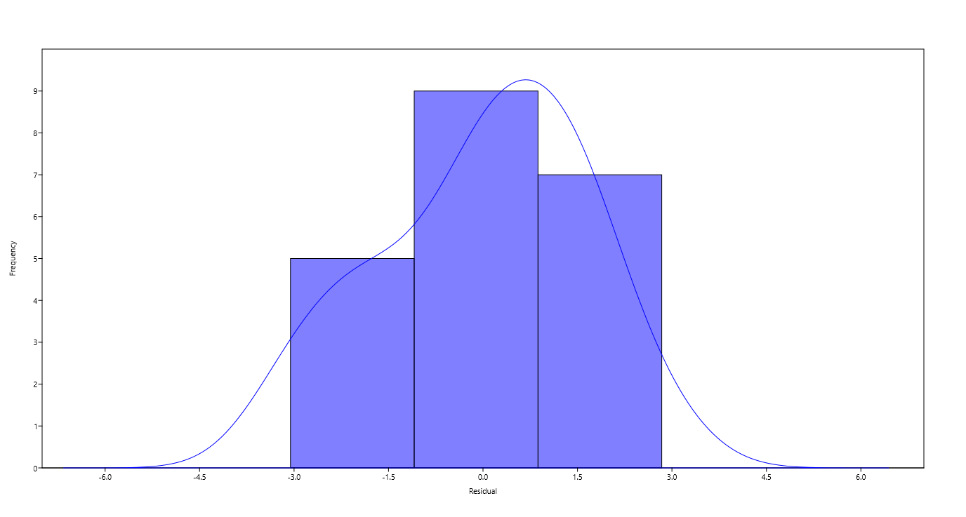
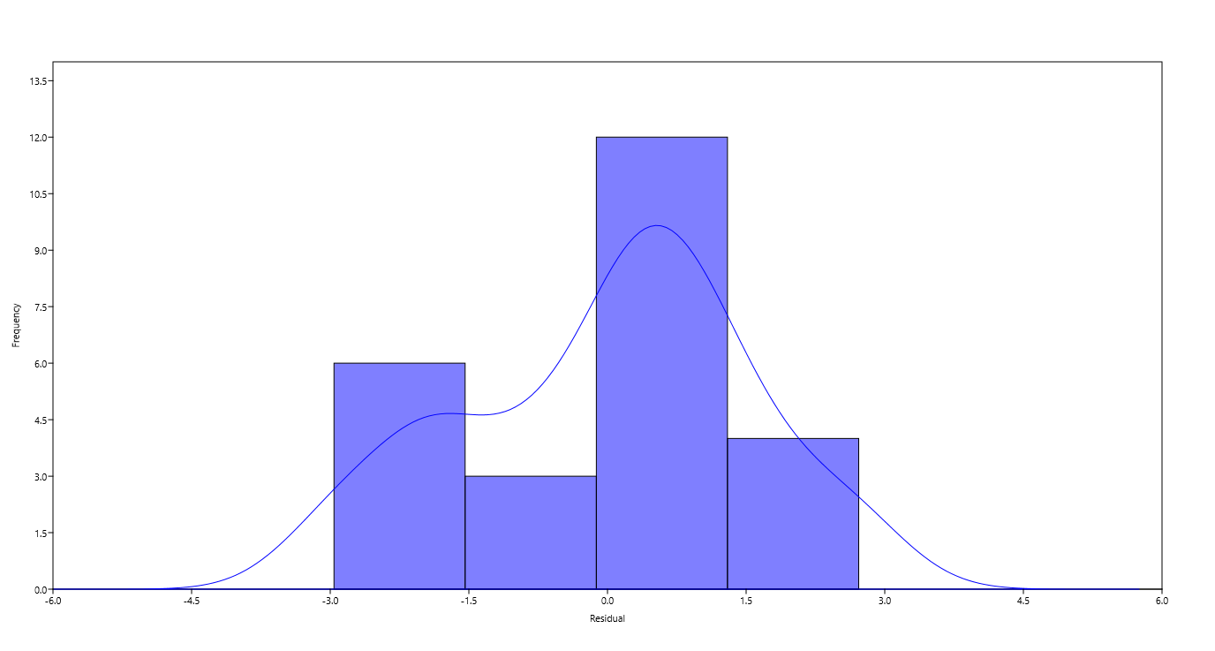

 |  |  |  |  |  |  |  |  |  |  |  | The number of bars under the curve is determined by the software and not adjustable.

 |  |  |  |  |  |  |  |  |  |  |  |  |  | Spearman ranks correlation | MC in vivo | Literature MR |  |  | Spearman ranks correlation | MC in vivo | Literature MR
 |  |  |  |  |  |  |  |  |  |  |  |  |  | MC in vivo (p(uncorrelated)) |  | 0.0014673 |  |  | MC in vivo (p(uncorrelated)) |  | 0.00002076
 |  |  |  |  |  |  |  |  |  |  |  |  |  | Literature MR (Spearman rs) | 0.6487 |  |  |  | Literature MR (Spearman rs) | 0.74324

3 Calibration
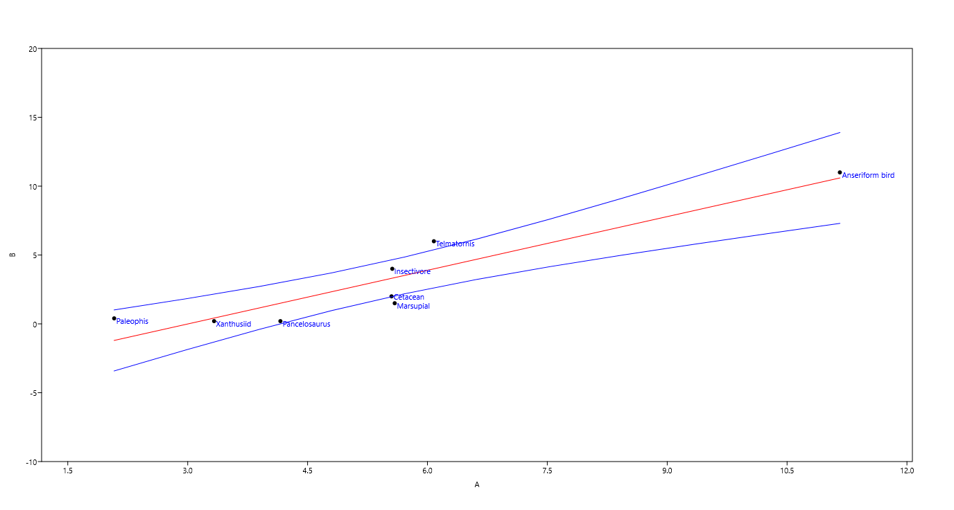
Taxon | (S+N)/Amide = MC in vivo | Literature MR [mL O2 * 1/h * 1/g] | MR literature source | Ordinary Least Squares Regression
Palaeophis (scored as Serpentes) | 2.08 | 0.4 | Inferred from relatives in Legendre et al. 2016, Dupoe et al. 2017 | Slope a: | 1.2994 | Std. error a: | 0.21571
Odaxosaurus (scored as anguid lizard) | 4.16 | 0.2 | Inferred from relatives in Legendre et al. 2016, Cano & Nicieza 2006 |  | t: | 6.024 | p (slope): | 0.00094451
Telmatornis (scored as Charadriform bird) | 6.08 | 6 | Inferred from Mc Kechny & Wolf 2004, Koteja et al. 1991, Legendre et al. 2016 | Intercept b: | -3.9047 | Std. error b: | 1.2924
Xanthusiid | 3.33 | 0.2 | Inferred from relatives in Legendre et al. 2016, Pinowski & Kendeigh 2012, Bennet & Nagy 1977 | 95% bootstrapped confidence intervals (N=1999):
Cetacean | 5.55 | 2 | Inferred from Worthy 2013 | Slope a: | (0,55077, 1,9795)
Insectivore | 5.56 | 4 | Inferred from Taylor et al. 1981, Koteja et al. 1991, | Intercept b: | (-6,5545, -0,16057)
Marsupial | 5.59 | 1.5 | Inferred from Weibel et al. 2004, Taylor et al. 1981, Koteja et al. 1991 | Correlation:
Anseriform bird | 11.16 | 11 | Legendre et al. 2016, Bundle et al. 1999 | r: | 0.92635
 |  |  |  | r2: | 0.85812
Spearman ranks correlation | MC in vivo | Literature MR |  | t: | 6.024
MC in vivo (p(uncorrelated)) |  | 0.011508 |  | p (uncorr.): | 0.00094451
Literature MR (Spearman rs) | 0.85031 |  |  | Permutation p: | 0.0011

Please see also the tab 'Statistics'. |  |  |  | Residuals (min, max): |  |  |  | 2

 |  |  |  | Zero Intercept Slope: |  |  |  | 0.7

4 Allometry
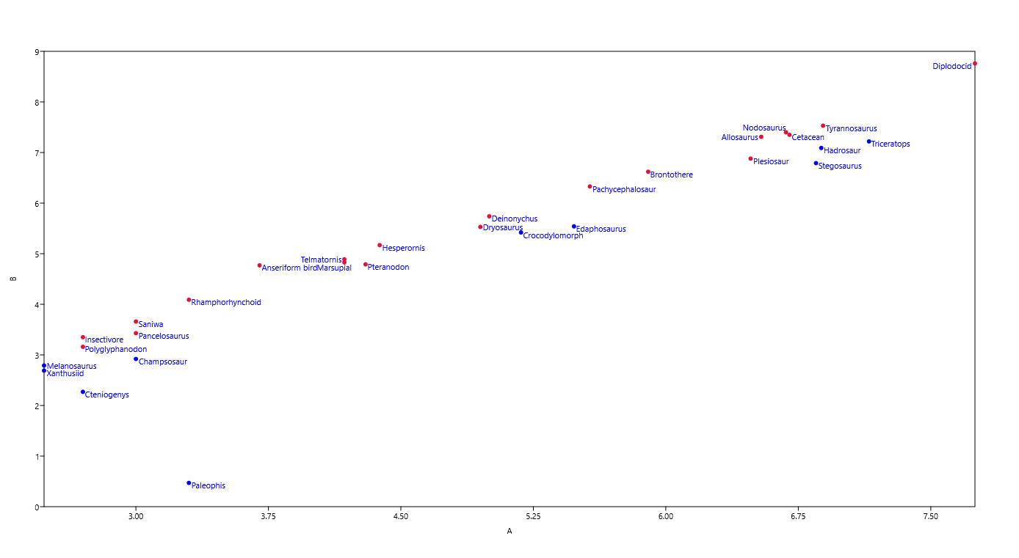
Taxon | Upper MR [mL O2 * 1/h * 1/g] | Body mass estimates (kg) | Body mass estimate (g) | Mass-spec. Upper MR [mL O2 * 1/h] | Log(10) Mass-spec. MR | Log (10) Body mass (g)
Anseriform bird | 11.797 | 5 | 5000 | 58985.00 | 4.77 | 3.70
Diplodocid | 10.176 | 56000 | 56000000 | 569870327.41 | 8.76 | 7.75
Rhamphorhynchoid | 6.164 | 2 | 2000 | 12328.74 | 4.09 | 3.30
Hesperornis | 6.123 | 24 | 24000 | 146950.47 | 5.17 | 4.38
Pachycephalosaur | 5.841 | 370 | 370000 | 2161264.95 | 6.33 | 5.57
Allosaurus | 5.837 | 3500 | 3500000 | 20427894.39 | 7.31 | 6.54
Deinonychus | 5.446 | 100 | 100000 | 544559.95 | 5.74 | 5.00
Brontothere | 5.230 | 800 | 800000 | 4183983.64 | 6.62 | 5.90
Nodosaurus | 5.205 | 4800 | 4800000 | 24985551.28 | 7.40 | 6.68
Telmatornis | 5.196 | 15 | 15000 | 77944.46 | 4.89 | 4.18
Saniwa | 4.573 | 1 | 1000 | 4573.12 | 3.66 | 3.00
Marsupial | 4.555 | 15 | 15000 | 68317.96 | 4.83 | 4.18
Insectivore | 4.521 | 0.5 | 500 | 2260.35 | 3.35 | 2.70
Cetacean | 4.508 | 5000 | 5000000 | 22540955.00 | 7.35 | 6.70
Tyrannosaurus | 4.369 | 7700 | 7700000 | 33638773.92 | 7.53 | 6.89
Dryosaurus | 3.753 | 90 | 90000 | 337789.31 | 5.53 | 4.95
Pteranodon | 3.085 | 20 | 20000 | 61709.38 | 4.79 | 4.30
Polyglyphanodon | 2.863 | 0.5 | 500 | 1431.68 | 3.16 | 2.70
Odaxosaurus | 2.697 | 1 | 1000 | 2697.27 | 3.43 | 3.00
Plesiosaur | 2.518 | 3000 | 3000000 | 7554277.35 | 6.88 | 6.48
Melanosaurus | 2.051 | 0.3 | 300 | 615.39 | 2.79 | 2.48
Crocodylomorph | 1.744 | 150 | 150000 | 261536.29 | 5.42 | 5.18
Hadrosaur | 1.634 | 7600 | 7600000 | 12421411.21 | 7.09 | 6.88
Xanthusiid | 1.627 | 0.3 | 300 | 488.17 | 2.69 | 2.48
Triceratops | 1.196 | 14000 | 14000000 | 16747691.81 | 7.22 | 7.15
Edaphosaurus | 1.161 | 300 | 300000 | 348311.36 | 5.54 | 5.48
Stegosaurus | 0.873 | 7000 | 7000000 | 6112854.42 | 6.79 | 6.85
Champsosaur | 0.823 | 1 | 1000 | 823.00 | 2.92 | 3.00
Cteniogenys | 0.375 | 0.5 | 500 | 187.26 | 2.27 | 2.70
Palaeophis | 0.001 | 2 | 2000 | 2.94 | 0.47 | 3.30

Bold font: taxa used for calibration.

5 Modern & Fossil MRs
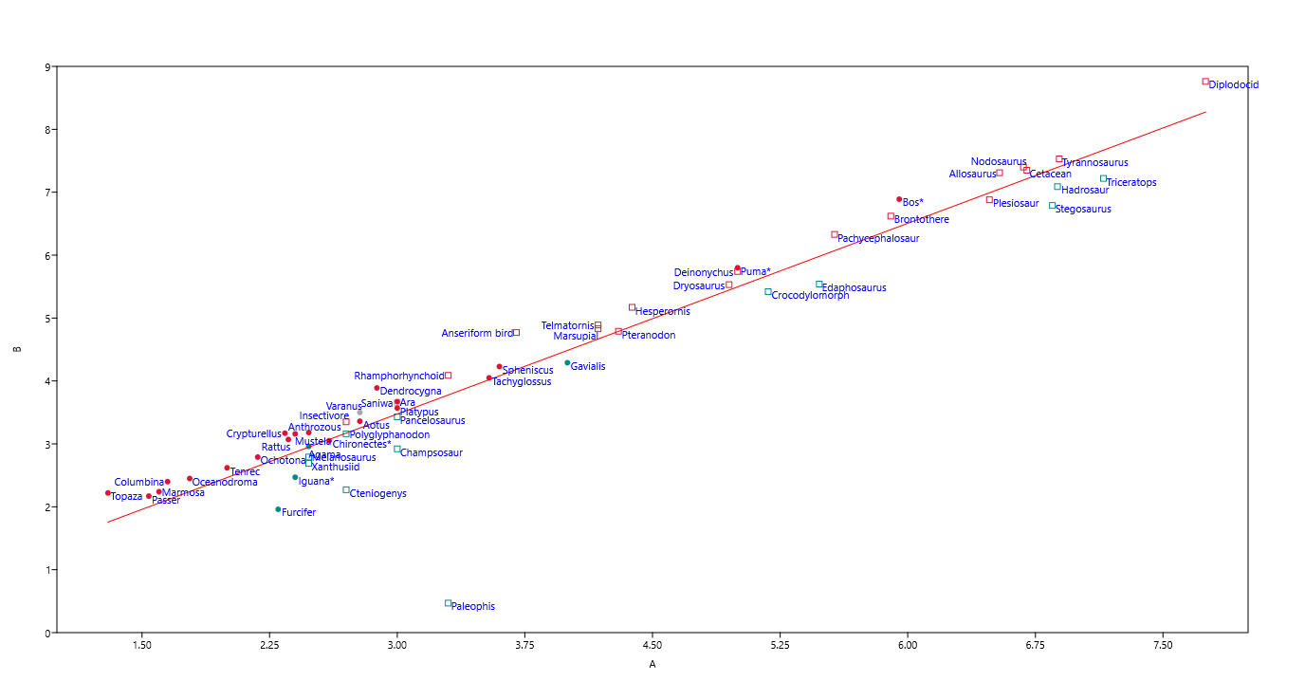
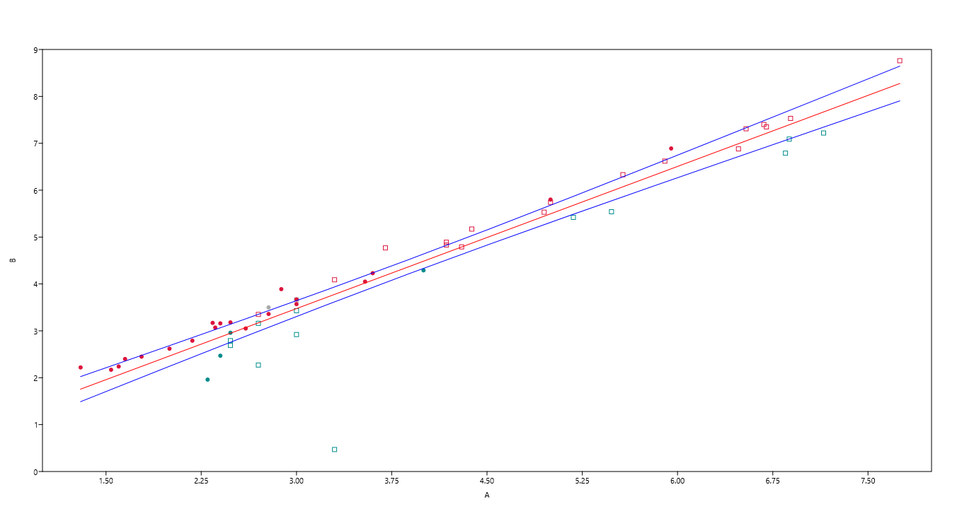
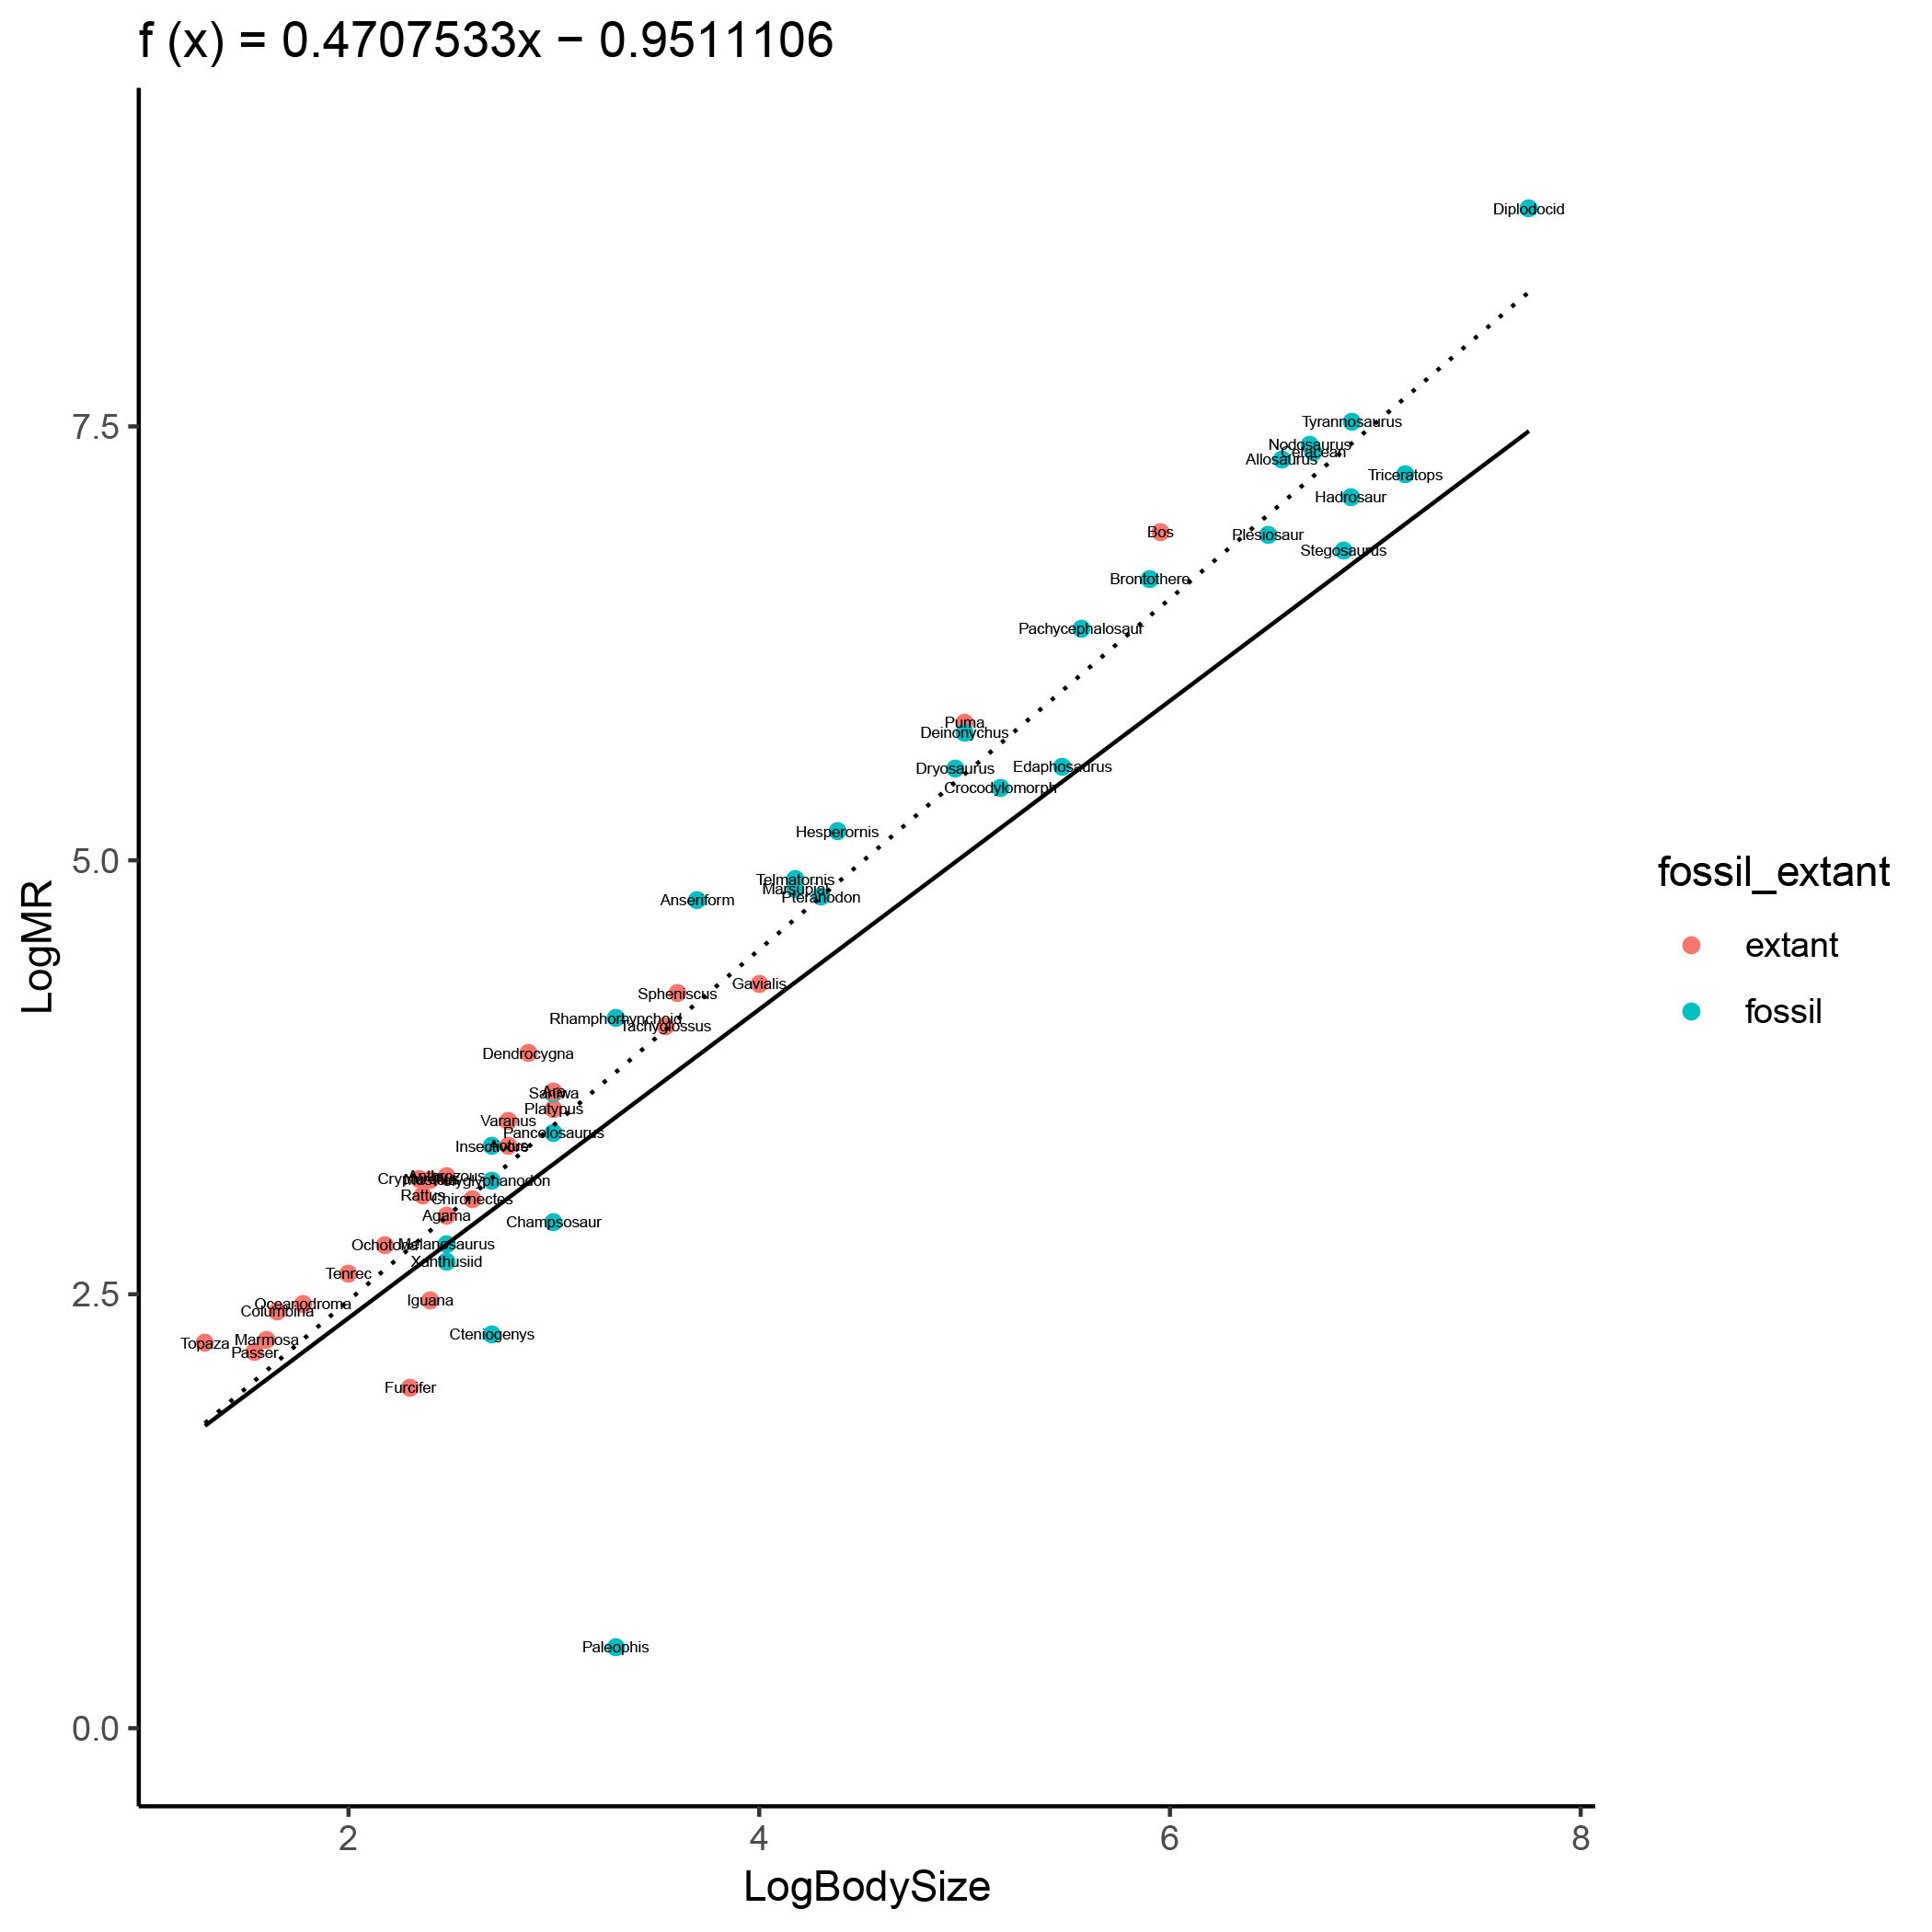
Age | Taxon | Calculated MRs [mL O2 * 1/h * 1/g] | Body mass (kg) | Body mass (g) | Mass-spec. MR [ mL O2 * 1/h] | Log(10) Upper MR | Log(10) Body Mass (g) | (This confidence interval is based on all data points plotted and does not equal the 95% confidence interval for endothermy shown in Fig. 1d) |  |  | Phylogenetically corrected and regular regression of all data points. Notice that the data point colors label fossil and extant taxa.
Fossil | Anseriform bird | 11.797 | 5 | 5000 | 58985.00 | 4.77 | 3.70
Fossil | Diplodocid | 10.176 | 56000 | 56000000 | 569870327.41 | 8.76 | 7.75
Function for phylogenetically corrected regression.
Fossil | Rhamphorhynchoid | 6.164 | 2 | 2000 | 12328.74 | 4.09 | 3.30
Calculated Metabolic Rates [Fossil & Modern Taxa]
Fossil: square
Modern: dot
Endotherms: red
Ectotherms: blue
Fossil | Hesperornis | 6.123 | 24 | 24000 | 146950.47 | 5.17 | 4.38
Fossil | Pachycephalosaur | 5.841 | 370 | 370000 | 2161264.95 | 6.33 | 5.57
Fossil | Allosaurus | 5.837 | 3500 | 3500000 | 20427894.39 | 7.31 | 6.54
Fossil | Deinonychus | 5.446 | 100 | 100000 | 544559.95 | 5.74 | 5.00
Fossil | Brontothere | 5.230 | 800 | 800000 | 4183983.64 | 6.62 | 5.90
Fossil | Nodosaurus | 5.205 | 4800 | 4800000 | 24985551.28 | 7.40 | 6.68
Fossil | Telmatornis | 5.196 | 15 | 15000 | 77944.46 | 4.89 | 4.18
Phylogenetically corrected regression
Fossil | Saniwa | 4.573 | 1 | 1000 | 4573.12 | 3.66 | 3.00
Fossil | Marsupial | 4.555 | 15 | 15000 | 68317.96 | 4.83 | 4.18
Fossil | Insectivore | 4.521 | 0.5 | 500 | 2260.35 | 3.35 | 2.70
Fossil | Cetacean | 4.508 | 5000 | 5000000 | 22540955.00 | 7.35 | 6.70
Fossil | Tyrannosaurus | 4.369 | 7700 | 7700000 | 33638773.92 | 7.53 | 6.89
Fossil | Dryosaurus | 3.753 | 90 | 90000 | 337789.31 | 5.53 | 4.95
Fossil | Pteranodon | 3.085 | 20 | 20000 | 61709.38 | 4.79 | 4.30
Fossil | Polyglyphanodon | 2.863 | 0.5 | 500 | 1431.68 | 3.16 | 2.70
Fossil | Odaxosaurus | 2.697 | 1 | 1000 | 2697.27 | 3.43 | 3.00
Fossil | Plesiosaur | 2.518 | 3000 | 3000000 | 7554277.35 | 6.88 | 6.48
Fossil | Melanosaurus | 2.051 | 0.3 | 300 | 615.39 | 2.79 | 2.48
Regular regression
Fossil | Crocodylomorph | 1.744 | 150 | 150000 | 261536.29 | 5.42 | 5.18
Fossil | Hadrosaur | 1.634 | 7600 | 7600000 | 12421411.21 | 7.09 | 6.88
Fossil | Xanthusiid | 1.627 | 0.3 | 300 | 488.17 | 2.69 | 2.48
Fossil | Triceratops | 1.196 | 14000 | 14000000 | 16747691.81 | 7.22 | 7.15
Fossil | Edaphosaurus | 1.161 | 300 | 300000 | 348311.36 | 5.54 | 5.48
Fossil | Stegosaurus | 0.873 | 7000 | 7000000 | 6112854.42 | 6.79 | 6.85
Fossil | Champsosaur | 0.823 | 1 | 1000 | 823.00 | 2.92 | 3.00
Fossil | Cteniogenys | 0.375 | 0.5 | 500 | 187.26 | 2.27 | 2.70
Fossil | Palaeophis | 0.001 | 2 | 2000 | 2.94 | 0.47 | 3.30
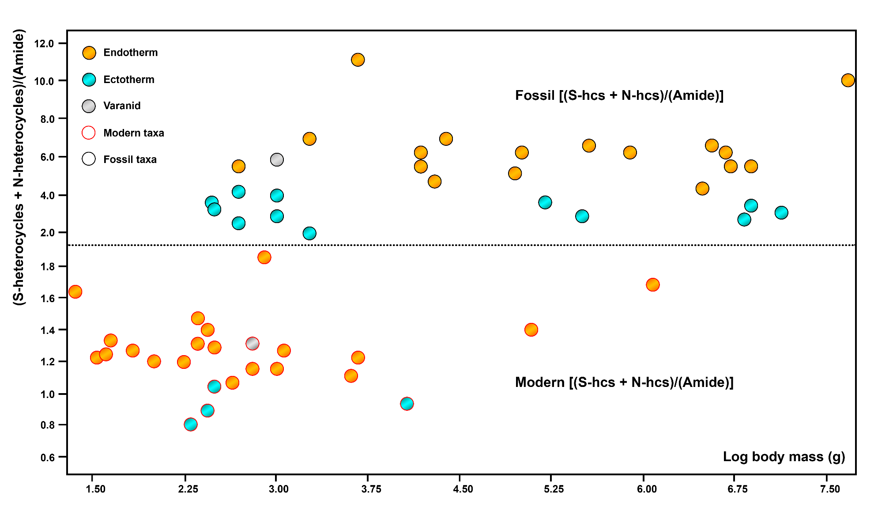
Extant | Dendrocygna | 10.341 | 0.75 | 750 | 7755.90 | 3.89 | 2.88
Extant | Bos* | 8.689 | 900 | 900000 | 7820265.66 | 6.89 | 5.95
Extant | Topaza | 8.298 | 0.02 | 20 | 165.97 | 2.22 | 1.30 | Spearman ranks correlation | log MR (mL O2 * 1/h * 1/g) | log Body mass (g)
Extant | Crypturellus | 6.651 | 0.22 | 220 | 1463.28 | 3.17 | 2.34 | log MR (p(uncorrelated)) |  | 4.36E-26
Extant | Puma* | 6.250 | 100 | 100000 | 625032.97 | 5.80 | 5.00 | log Body mass (Spearman rs) | 0.93821
Extant | Mustela | 5.785 | 0.25 | 250 | 1446.15 | 3.16 | 2.40
Extant | Columbina | 5.611 | 0.045 | 45 | 252.51 | 2.40 | 1.65
Extant | Varanus | 5.260 | 0.6 | 600 | 3155.89 | 3.50 | 2.78 | Please see also the tab 'Statistics'.
Extant | Rattus | 5.132 | 0.23 | 230 | 1180.46 | 3.07 | 2.36
Extant | Anthrozous | 5.051 | 0.3 | 300 | 1515.38 | 3.18 | 2.48
Extant | Ara | 4.690 | 1 | 1000 | 4690.46 | 3.67 | 3.00
Extant | Oceanodroma | 4.644 | 0.06 | 60 | 278.67 | 2.45 | 1.78
Extant | Marmosa | 4.321 | 0.04 | 40 | 172.84 | 2.24 | 1.60
Extant | Spheniscus | 4.291 | 4 | 4000 | 17163.75 | 4.23 | 3.60
Extant | Passer | 4.201 | 0.035 | 35 | 147.04 | 2.17 | 1.54
Extant | Tenrec | 4.164 | 0.1 | 100 | 416.39 | 2.62 | 2.00
Extant | Ochotona | 4.074 | 0.15 | 150 | 611.03 | 2.79 | 2.18
Extant | Aotus | 3.783 | 0.6 | 600 | 2269.54 | 3.36 | 2.78
Extant | Platypus | 3.705 | 1 | 1000 | 3705.24 | 3.57 | 3.00
Extant | Tachyglossus | 3.182 | 3.5 | 3500 | 11137.30 | 4.05 | 3.54
Extant | Agama | 3.009 | 0.3 | 300 | 902.70 | 2.96 | 2.48
Extant | Chironectes* | 2.793 | 0.4 | 400 | 1117.29 | 3.05 | 2.60
Extant | Gavialis | 1.949 | 10 | 10000 | 19487.84 | 4.29 | 4.00
Extant | Iguana* | 1.169 | 0.25 | 250 | 292.22 | 2.47 | 2.40
Extant | Furcifer | 0.457 | 0.2 | 200 | 91.47 | 1.96 | 2.30

6 Endothermy CI
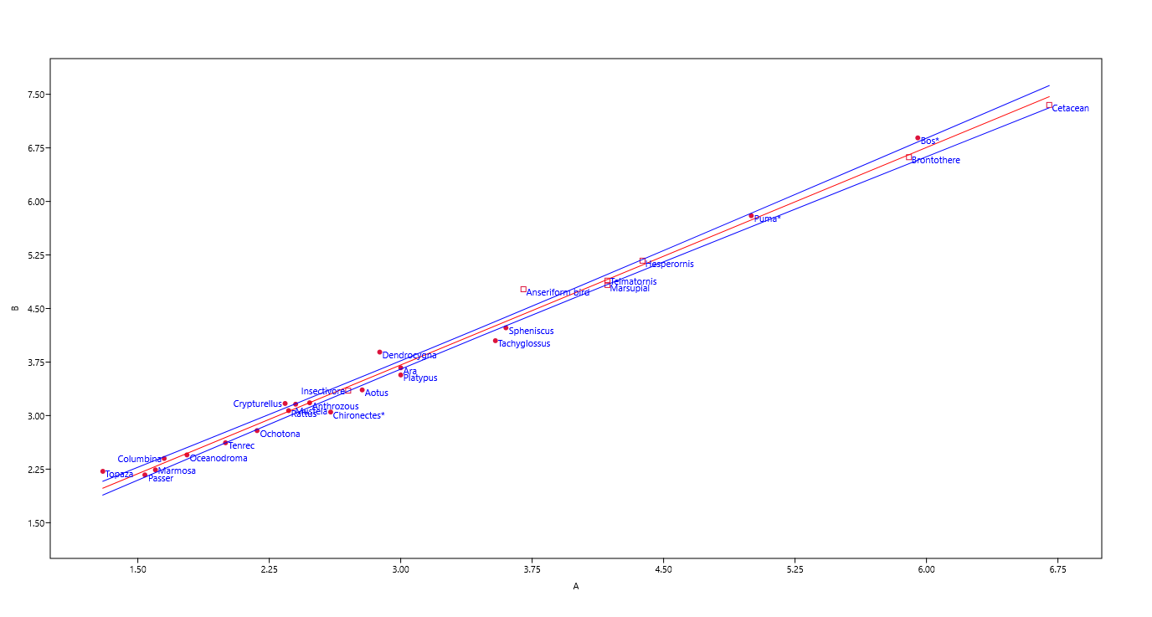
Log calculated metabolic rates versus log body mass [Known endotherms]
Fossil: square
Modern: dots
Known endotherms: red
Ordinary Least Squares Regression
Slope a: | 1.0154 | Std. error a: | 0.019911
 | t: | 50.997 | p (slope): | 8.59E-27
Intercept b: | 0.66375 | Std. error b: | 0.069154
95% bootstrapped confidence intervals (N=1999):
Slope a: | (0.97633, 1.0461)
Intercept b: | (0.54638, 0.79441)
Correlation:
r: | 9.95E-01
r2: | 0.99048
t: | 50.997
p (uncorr.): | 8.59E-27
Permutation p: | 0.0001

7 MR ranges
Non-avian ornithodirans (n=13) | Calculated MR (mL O2 * 1/h * 1/g) | Crown mammals (n=16) | Calculated MR (mL O2 * 1/h * 1/g) | Crown birds (n=10) | Calculated MR (mL O2 * 1/h * 1/g) | Crown lepidosaurs (n=11) | Calculated MR (mL O2 * 1/h * 1/g)
Diplodocid | 10.176 | Brontothere | 5.230 | Anseriform bird | 11.797 | Saniwa | 4.573
Pachycephalosaur | 5.841 | Marsupial | 4.555 | Telmatornis | 5.196 | Polyglyphanodon | 2.863
Allosaurus | 5.837 | Insectivore | 4.521 | Dendrocygna | 10.341 | Odaxosaurus | 2.697
Deinonychus | 5.446 | Cetacean | 4.508 | Topaza | 8.298 | Melanosaurus | 2.051
Nodosaurus | 5.205 | Bos* | 8.689 | Crypturellus | 6.651 | Xanthusiid | 1.627
Tyrannosaurus | 4.369 | Puma* | 6.250 | Columbina | 5.611 | Palaeophis | 0.001
Dryosaurus | 3.753 | Mustela | 5.785 | Ara | 4.690 | Varanus | 5.260
Hadrosaur | 1.634 | Rattus | 5.132 | Oceanodroma | 4.644 | Agama | 3.009
Triceratops | 1.196 | Anthrozous | 5.051 | Spheniscus | 4.291 | Iguana* | 1.169
Stegosaurus | 0.873 | Marmosa | 4.321 | Passer | 4.201 | Furcifer | 0.457
Rhamphorhynchoid | 6.164 | Tenrec | 4.164
Pteranodon | 3.085 | Ochotona | 4.074
Hesperornis | 6.123 | Aotus | 3.783
 |  | Platypus | 3.705
 |  | Tachyglossus | 3.182
 |  | Chironectes* | 2.793

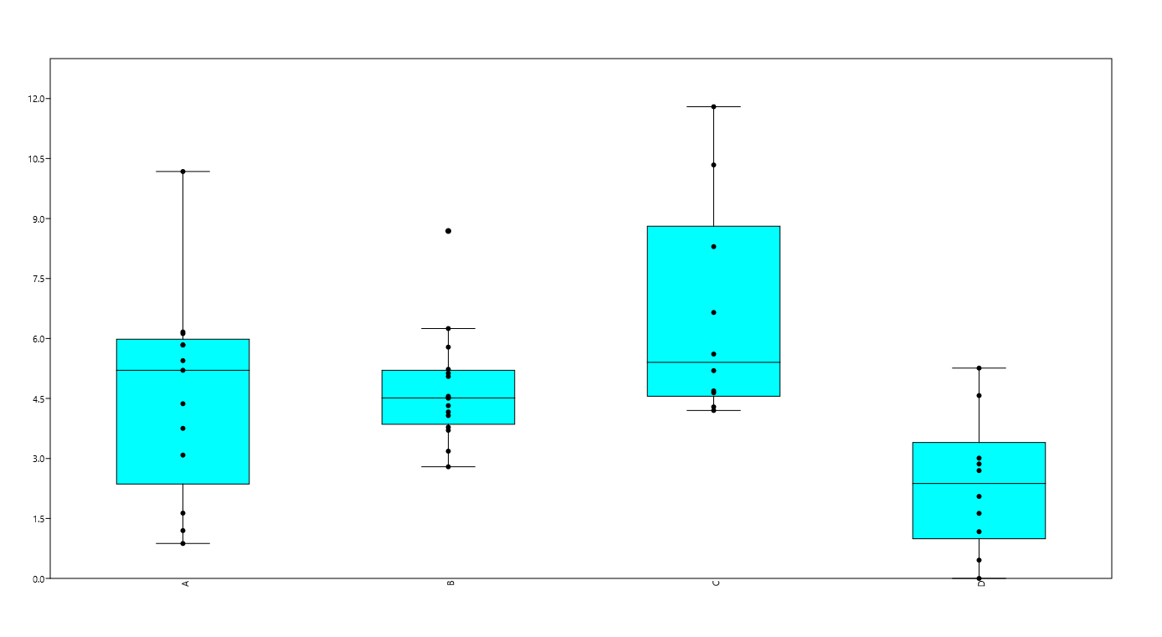
Box-and-whiskers plot
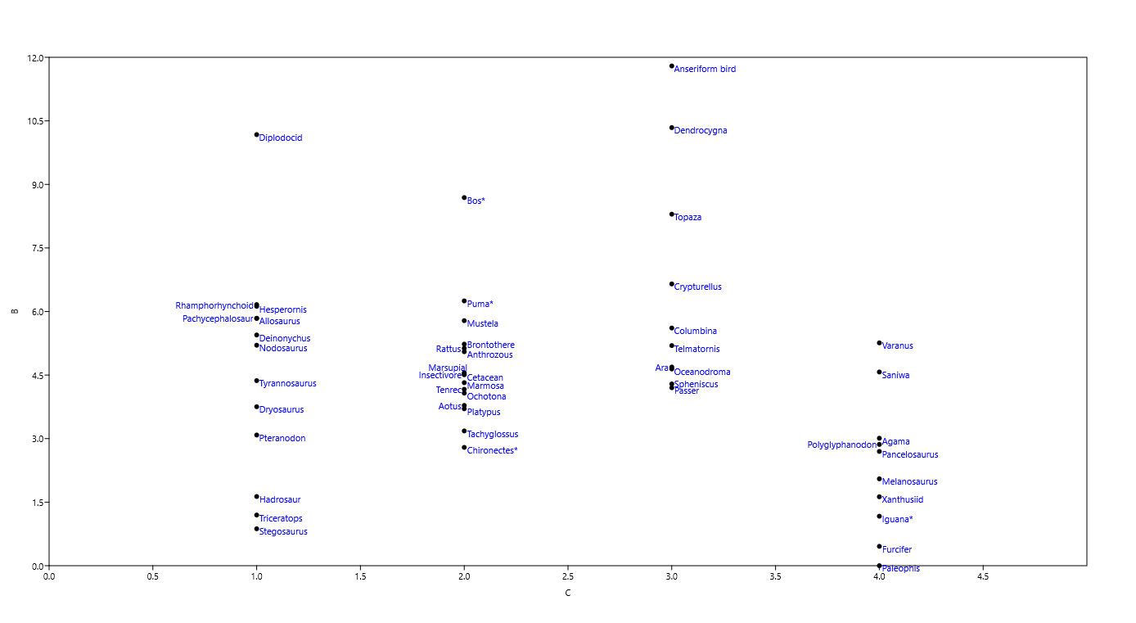

Non-avian ornithodirans

Crown mammals

Crown lepidosaurs

Crown birds

8 Intraskeletal Variation
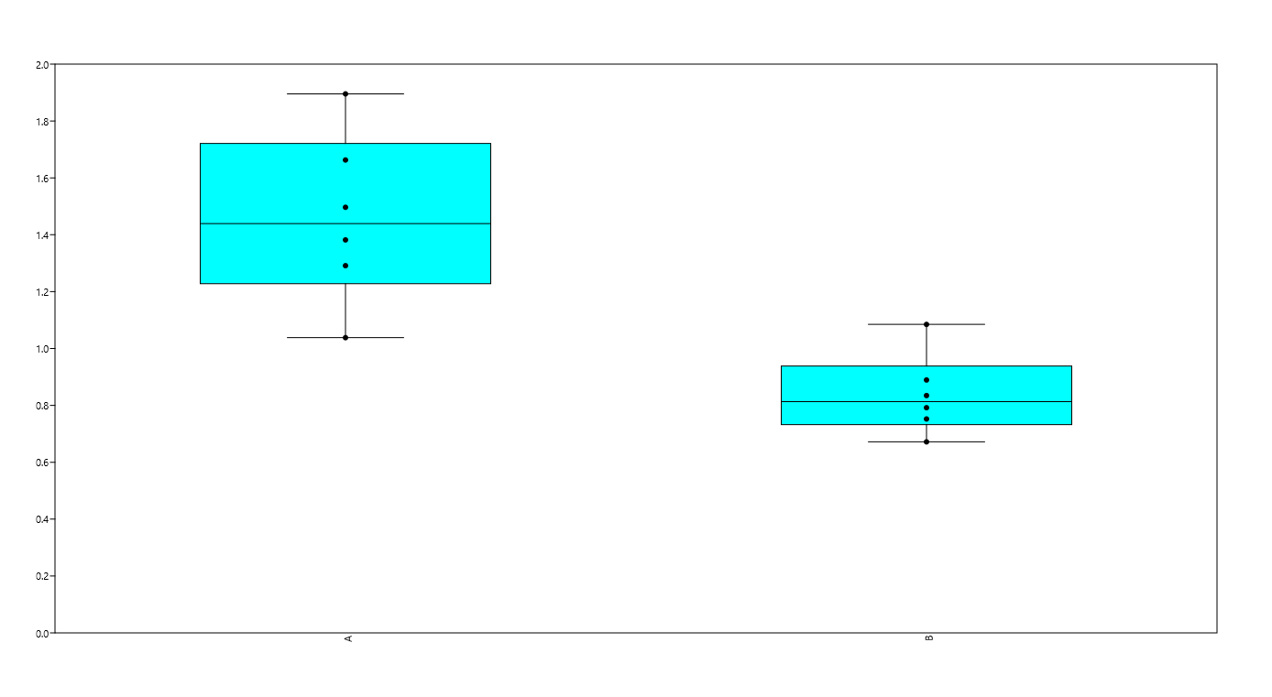
Taxon | 666 | 1580 | 1683 | (S+N)/Amide = MC in vivo [normalized spectral intensities] | Added during Revision (scaled: +0.3)
Chironectes (Mammal, endotherm)
Metatarsal | 0.2009 | 0.1059 | 0.2251 | 1.3629 | 1.6629
Rib | 0.07984 | 0.0641 | 0.1452 | 0.9913 | 1.2913
Ulna | 0.1191 | 0.11 | 0.1436 | 1.5954 | 1.8954
Vertebra | 0.1342 | 0.04541 | 0.166 | 1.0820 | 1.3820
Femur | 0.12 | 0.09179 | 0.177 | 1.1966 | 1.4966
Skull | 0.08341 | 0.02149 | 0.1421 | 0.7382 | 1.0382

Iguana (Squamate, ectotherm)
Ulna | 0.05667 | 0.04174 | 0.1254 | 0.7848 | 1.0848
Femur | 0.03969 | 0.05403 | 0.159 | 0.5894 | 0.8894
Chironectes (endotherm)
Metatarsal | 0.02627 | 0.0273 | 0.1441 | 0.3718 | 0.6718
Rib | 0.04896 | 0.04287 | 0.203 | 0.4524 | 0.7524
Skull | 0.04881 | 0.05573 | 0.2125 | 0.4920 | 0.7920
Iguana (ectotherm)
Vertebra | 0.05545 | 0.06454 | 0.2244 | 0.5347 | 0.8347

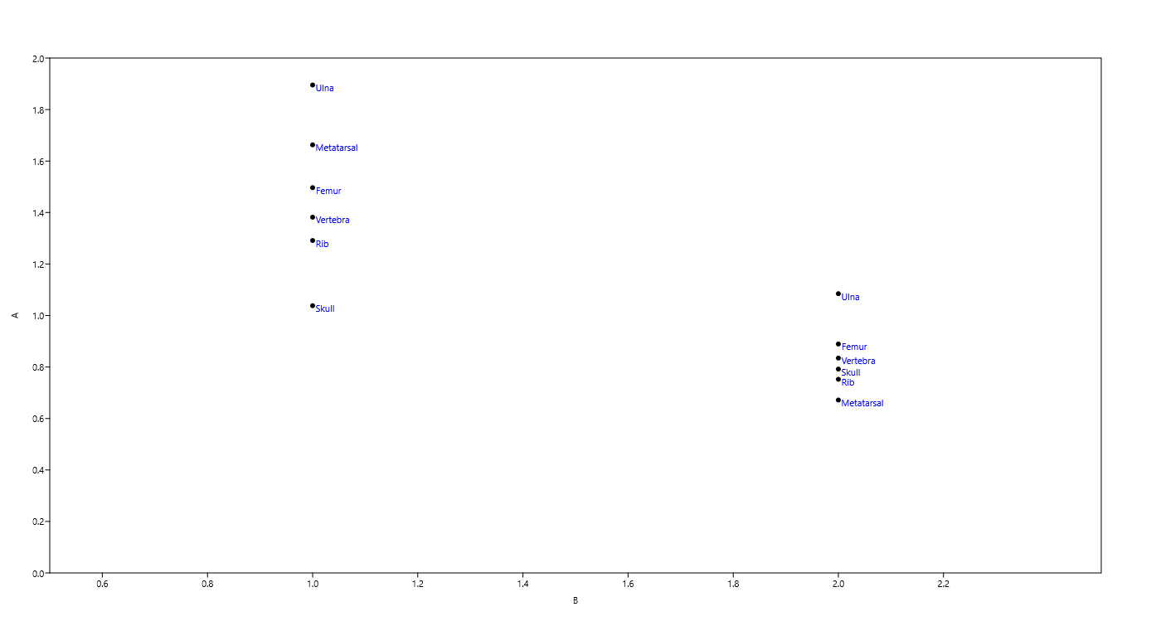
Iguana (ectotherm)
Chironectes (endotherm)

10 O2 through time
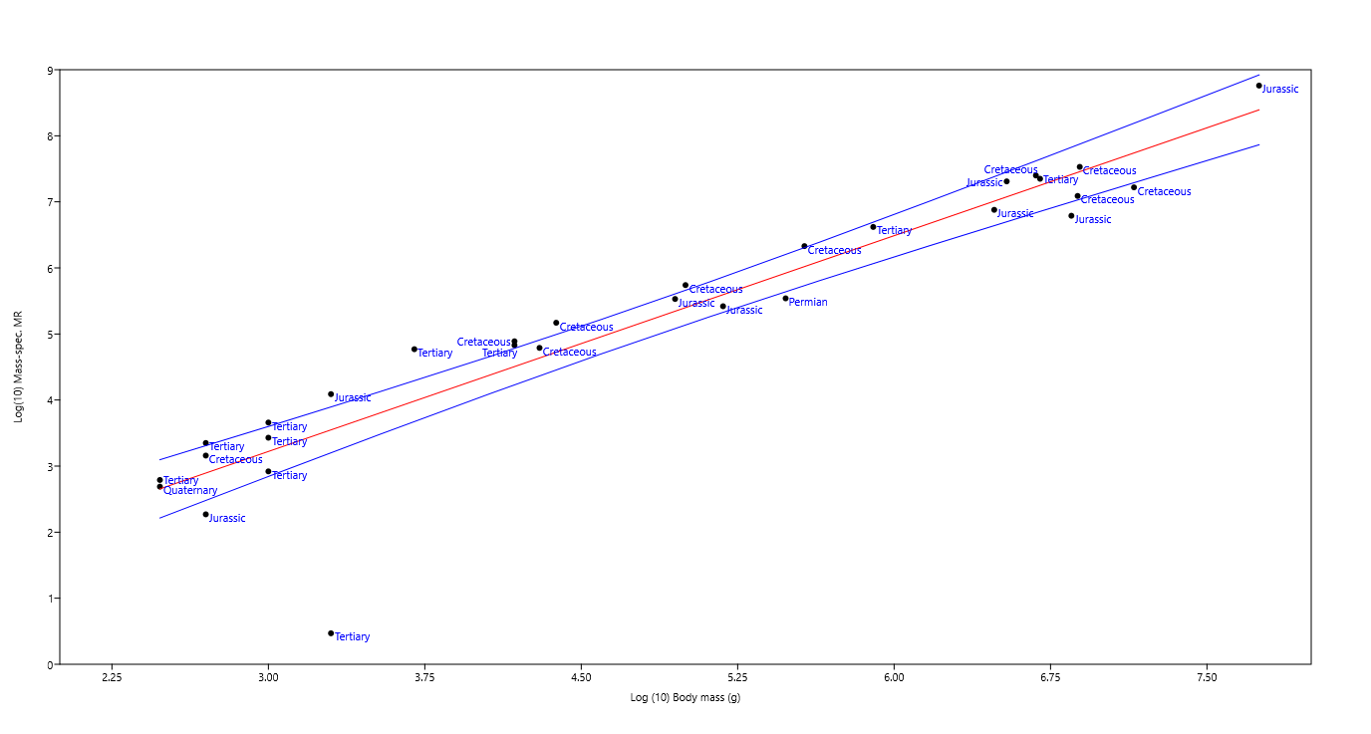
Taxon | Age | Atmospheric oxygen level (low=1 to high=3) | (S+N)/Amide [normalized spectral intensities] = MC in vivo | Log(10) Mass-spec. MR | Log (10) Body mass (g) | Regression of fossil metabolic rates and body mass estimates: data points are labelled by period
Edaphosaurus | Permian | 3 | 2.98 | 5.54 | 5.48
Anseriform bird | Tertiary | 2 | 11.16 | 4.77 | 3.70
Hesperornis | Cretaceous | 2 | 6.79 | 5.17 | 4.38
Pachycephalosaur | Cretaceous | 2 | 6.58 | 6.33 | 5.57
Deinonychus | Cretaceous | 2 | 6.27 | 5.74 | 5.00
Brontothere | Tertiary | 2 | 6.11 | 6.62 | 5.90
Nodosaurus | Cretaceous | 2 | 6.09 | 7.40 | 6.68
Telmatornis | Cretaceous | 2 | 6.08 | 4.89 | 4.18
Saniwa | Tertiary | 2 | 5.60 | 3.66 | 3.00
Marsupial | Tertiary | 2 | 5.59 | 4.83 | 4.18
Insectivore | Tertiary | 2 | 5.56 | 3.35 | 2.70
Cetacean | Tertiary | 2 | 5.55 | 7.35 | 6.70
Tyrannosaurus | Cretaceous | 2 | 5.44 | 7.53 | 6.89
Pteranodon | Cretaceous | 2 | 4.46 | 4.79 | 4.30
Polyglyphanodon | Cretaceous | 2 | 4.29 | 3.16 | 2.70
Odaxosaurus | Tertiary | 2 | 4.16 | 3.43 | 3.00
Melanosaurus | Tertiary | 2 | 3.66 | 2.79 | 2.48
Hadrosaur | Cretaceous | 2 | 3.34 | 7.09 | 6.88
Xanthusiid | Quaternary | 2 | 3.33 | 2.69 | 2.48
Triceratops | Cretaceous | 2 | 3.00 | 7.22 | 7.15
Champsosaur | Tertiary | 2 | 2.71 | 2.92 | 3.00
Palaeophis | Tertiary | 2 | 2.08 | 0.47 | 3.30
Diplodocid | Jurassic | 1 | 9.91 | 8.76 | 7.75
Rhamphorhynchoid | Jurassic | 1 | 6.83 | 4.09 | 3.30
Allosaurus | Jurassic | 1 | 6.57 | 7.31 | 6.54
Dryosaurus | Jurassic | 1 | 4.97 | 5.53 | 4.95
Plesiosaur | Jurassic | 1 | 4.02 | 6.88 | 6.48
Crocodylomorph | Jurassic | 1 | 3.42 | 5.42 | 5.18
Stegosaurus | Jurassic | 1 | 2.75 | 6.79 | 6.85
Cteniogenys | Jurassic | 1 | 2.37 | 2.27 | 2.70 | Residual plot for the regression shown above: taxa do not group by period/concentration of atmospheric oxygen

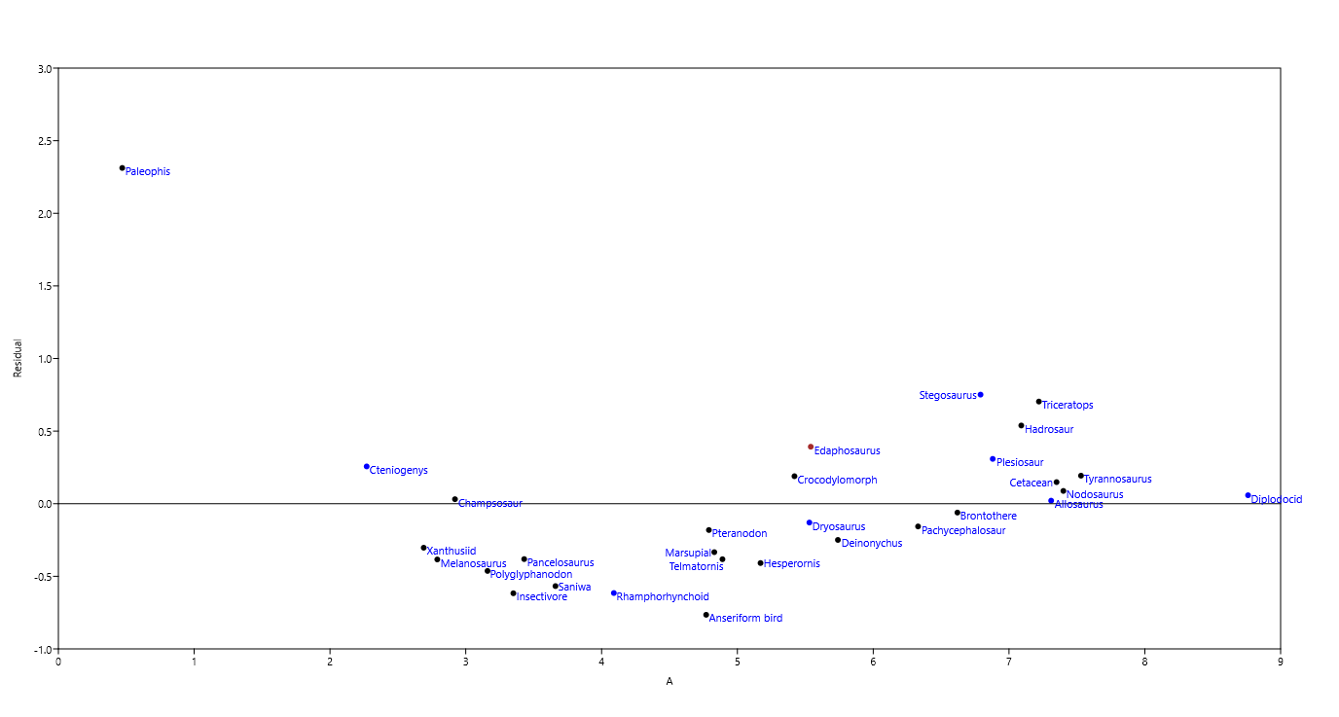
Correlation analysis (Oxygen levels versus fossil MCin vivo)
Pearson's r | -0.05048
r2 | 0.0025482
Spearman ranks | -0.05623
p | 0.79108 (non-significant)

 | Violin plot of MCin vivo values (left) and metabolic rates (right) at different levels of atmospheric oxygen (fossils only)
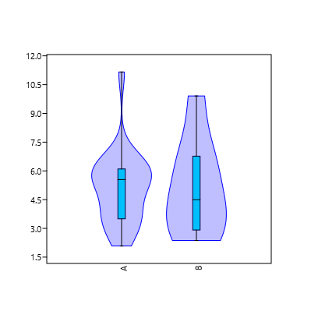
Jurassic: n=8
[O2] ≈ 15%
Cret./Tert./Quart.: n=21
[O2] > 20%
MC in vivo
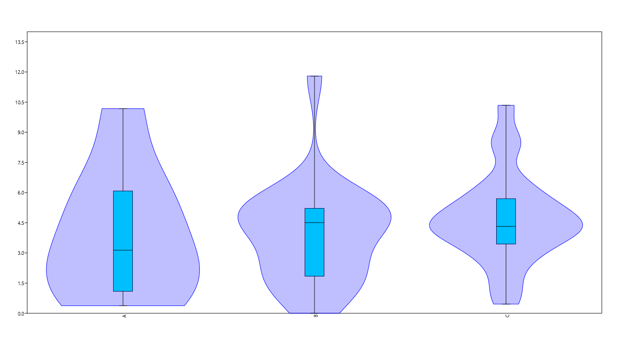
Metabolic rate
Cret./Tert./Quart.: n=21
[O2] > 20%
Jurassic: n=8
[O2] ≈ 15%
Modern: n=25
[O2] ≈ 20%

14 ACS Codings
Taxon Name | Metabolic rate [mL O2 * 1/h * 1/g] | MRs (Continuous characters) | Thermal Strategy (Categorical characters)
Anseriform bird | 11.797 | 12 | 1
Diplodocid | 10.176 | 10 | 1 | Alternative tree 1 |  | Alternative tree 2 |  | Alternative tree 3
Rhamphorhynchoid | 6.164 | 6 | 1
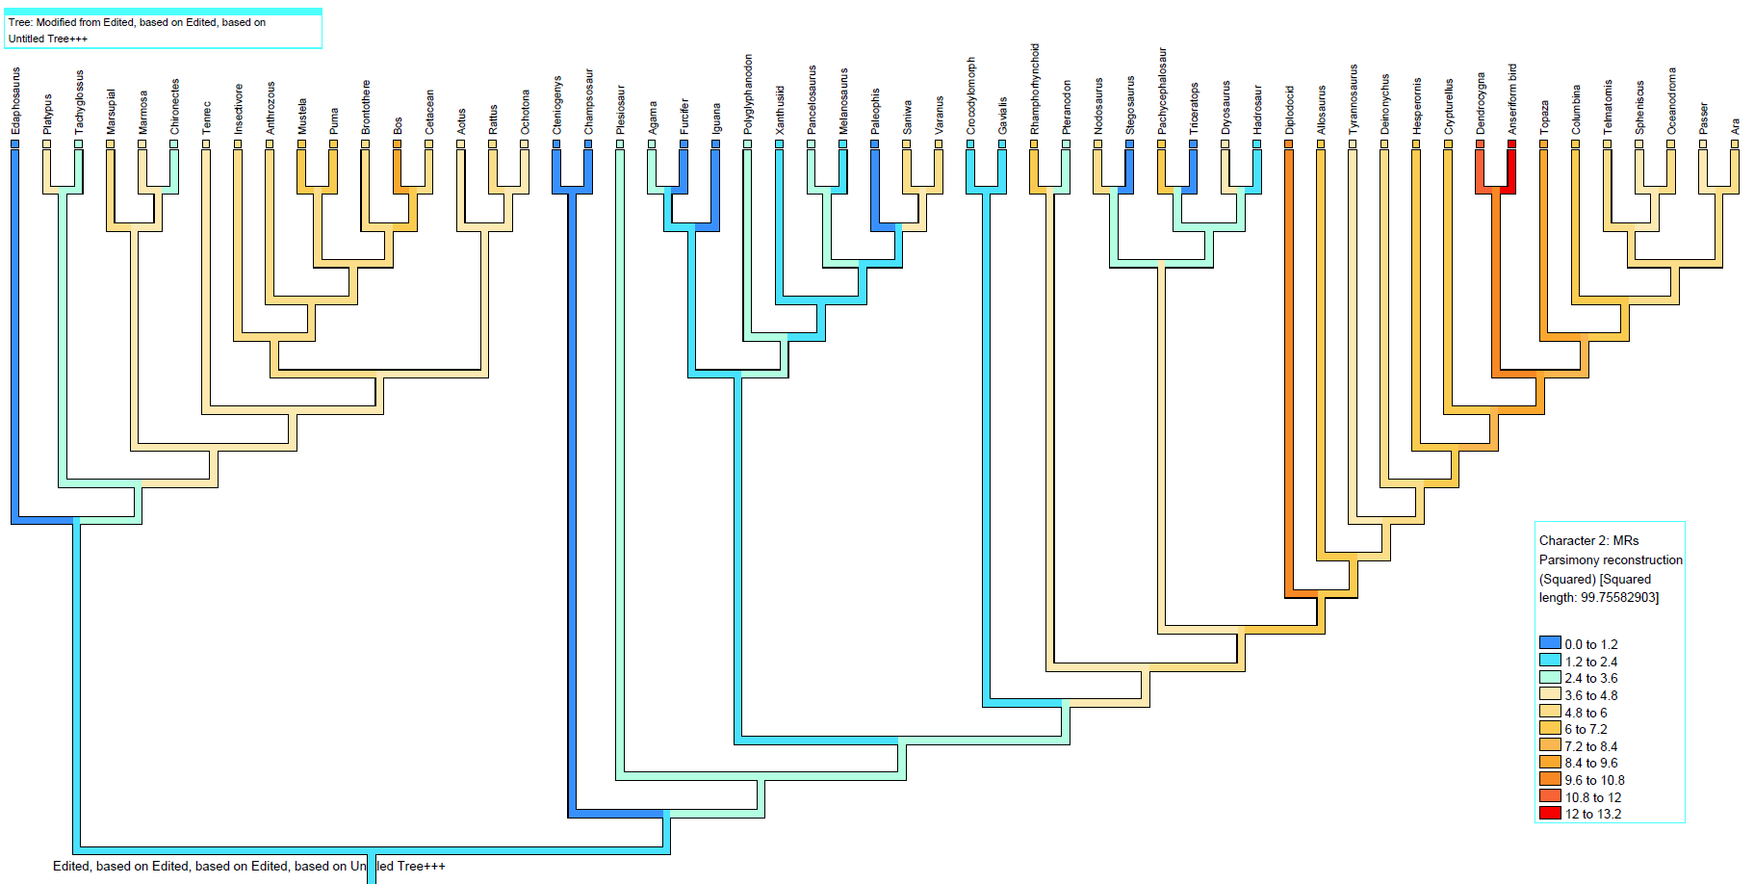
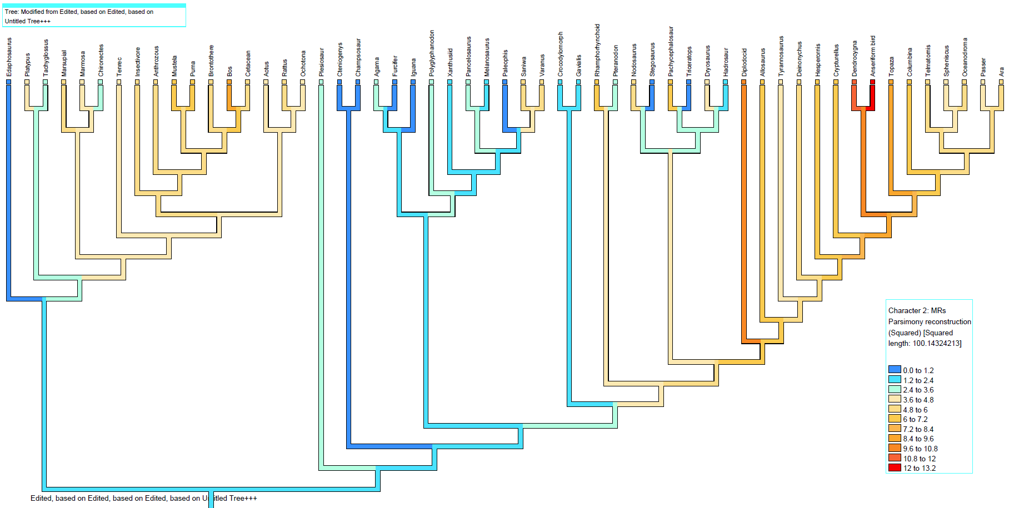
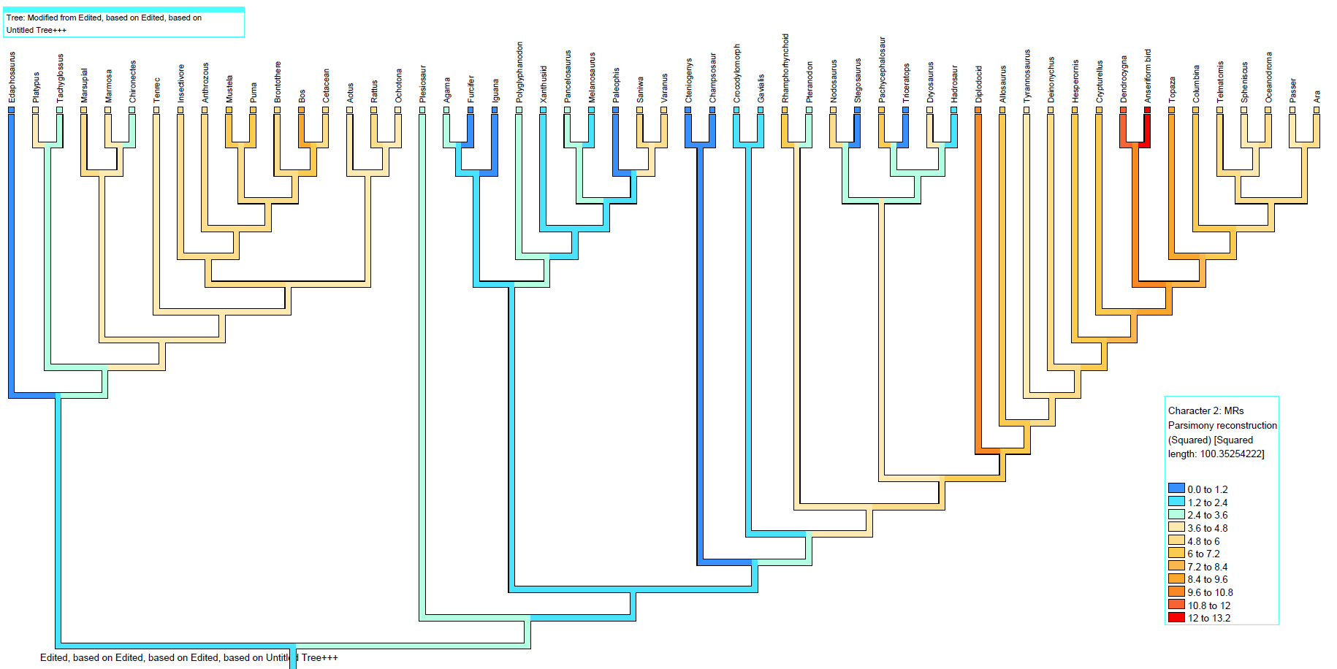
Hesperornis | 6.123 | 6 | 1
Pachycephalosaur | 5.841 | 6 | 1
Allosaurus | 5.837 | 6 | 1
Deinonychus | 5.446 | 5 | 1
Brontothere | 5.230 | 5 | 1
Nodosaurus | 5.205 | 5 | 1
Telmatornis | 5.196 | 5 | 1
Saniwa | 4.573 | 5 | 1
Marsupial | 4.555 | 5 | 1
Insectivore | 4.521 | 5 | 1
Cetacean | 4.508 | 5 | 1
Tyrannosaurus | 4.369 | 4 | 1
Dryosaurus | 3.753 | 4 | 1
Pteranodon | 3.085 | 3 | 1
Polyglyphanodon | 2.863 | 3 | 0
Odaxosaurus | 2.697 | 3 | 0
Plesiosaur | 2.518 | 3 | 1
Melanosaurus | 2.051 | 2 | 0
Crocodylomorph | 1.744 | 2 | 0
Hadrosaur | 1.634 | 2 | 0
Xanthusiid | 1.627 | 2 | 0
Triceratops | 1.196 | 1 | 0
Edaphosaurus | 1.161 | 1 | 0
Stegosaurus | 0.873 | 1 | 0
Champsosaur | 0.823 | 1 | 0
Cteniogenys | 0.375 | 0 | 0
Palaeophis | 0.001 | 0 | 0
Dendrocygna | 10.341 | 10 | 1
Bos* | 8.689 | 9 | 1
Topaza | 8.298 | 8 | 1
Crypturellus | 6.651 | 7 | 1
Puma* | 6.250 | 6 | 1
Mustela | 5.785 | 6 | 1
Columbina | 5.611 | 6 | 1
Varanus | 5.260 | 5 | 1
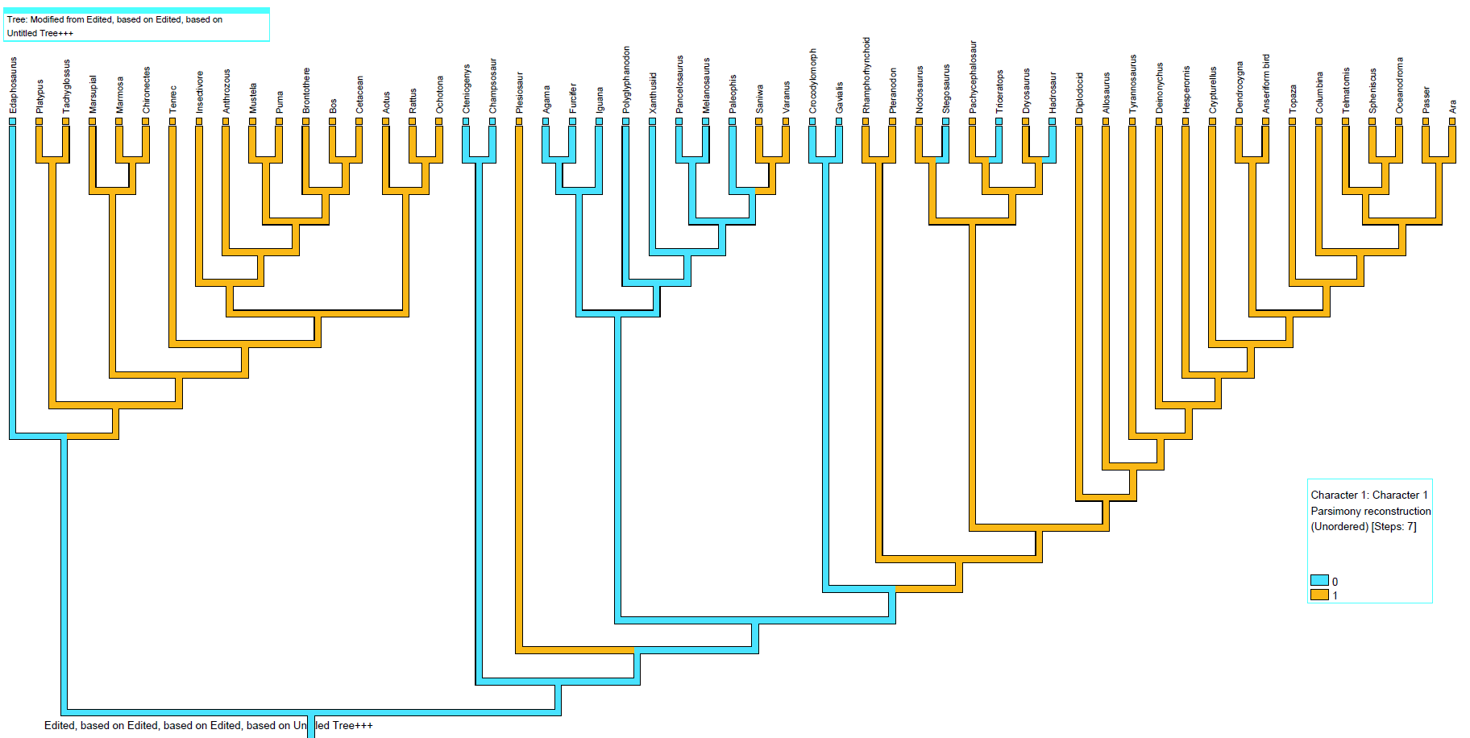
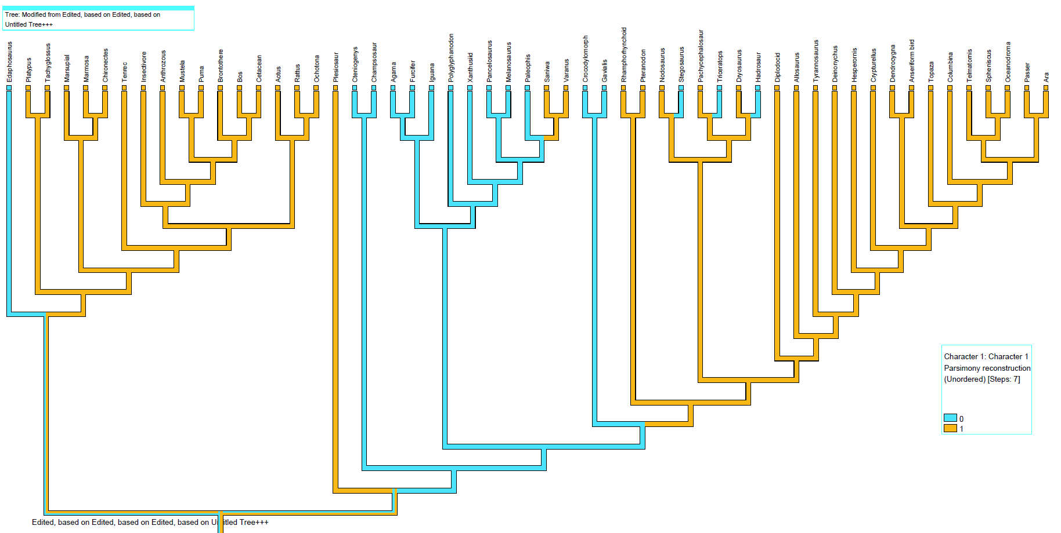
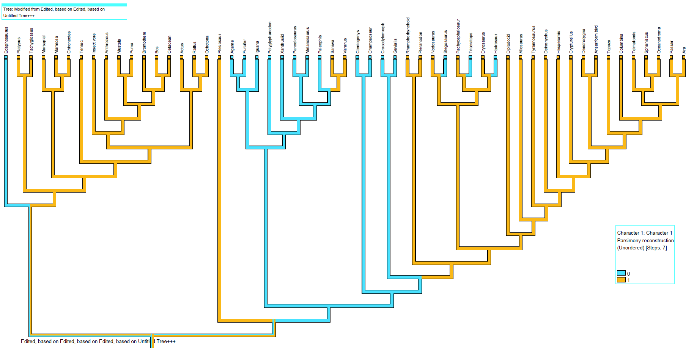
Rattus | 5.132 | 5 | 1
Anthrozous | 5.051 | 5 | 1
Ara | 4.690 | 5 | 1
Oceanodroma | 4.644 | 5 | 1
Marmosa | 4.321 | 4 | 1
Spheniscus | 4.291 | 4 | 1
Passer | 4.201 | 4 | 1
Tenrec | 4.164 | 4 | 1
Ochotona | 4.074 | 4 | 1
Aotus | 3.783 | 4 | 1
Platypus | 3.705 | 4 | 0
Tachyglossus | 3.182 | 3 | 0
Agama | 3.009 | 3 | 0
Chironectes* | 2.793 | 3 | 1
Gavialis (juvenile) | 1.949 | 2 | 0
Iguana* | 1.169 | 1 | 0
Furcifer | 0.457 | 0 | 0

 |  |  |  |  | Thermal strategies are inferred from Fig. 1d.
 |  |  |  |  | 0= Ectothermy |  | Thermal strategies are inferred from Fig. 1d.
 |  |  |  |  | 1= Endothermy |  | 0= Ectothermy
 |  |  |  |  |  |  | 1= Endothermy

15 Add. band assignments
Raman and FT-IR band assignments beyond the organic fingerprint region (not analyzed in this paper).
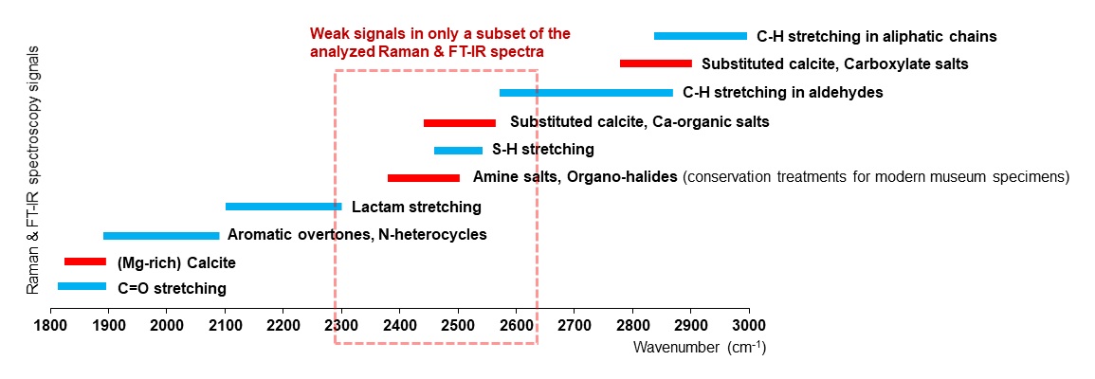
 | Additional note: All samples were surface-cleaned with 70% EtOH (aq). Bond vibrations in residual ethanol and water (O-H) can contribute signal between 1800 and 2500, and 3000-3600 cm-1.

Raman assignments:
Lambert, J. B., Shurvell, H. F., Lightner, D. A., & Cooks, R. G. (1987). Introduction to organic spectroscopy. Macmillan Publishing Company, 454.

FT IR assignments:
Chukanov, N. V. (2014). IR spectra of minerals and reference samples data. In Infrared spectra of mineral species (pp. 21-1701). Springer, Dordrecht.

Raman band assignments beyond the organic fingerprint region can be found in Wiemann et al. 2020, Science Advances.

