Sheet_5 psbD data
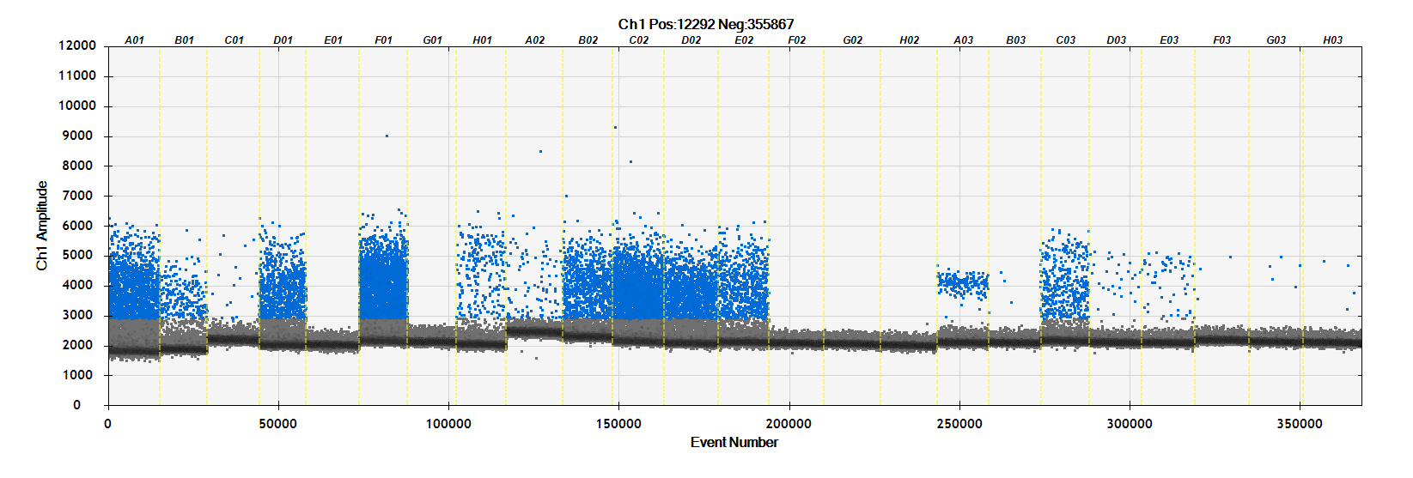
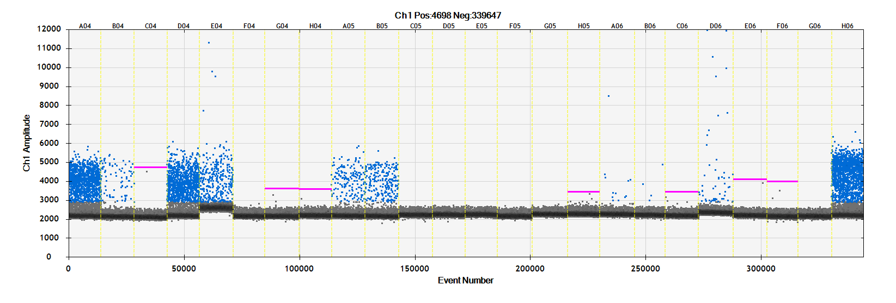
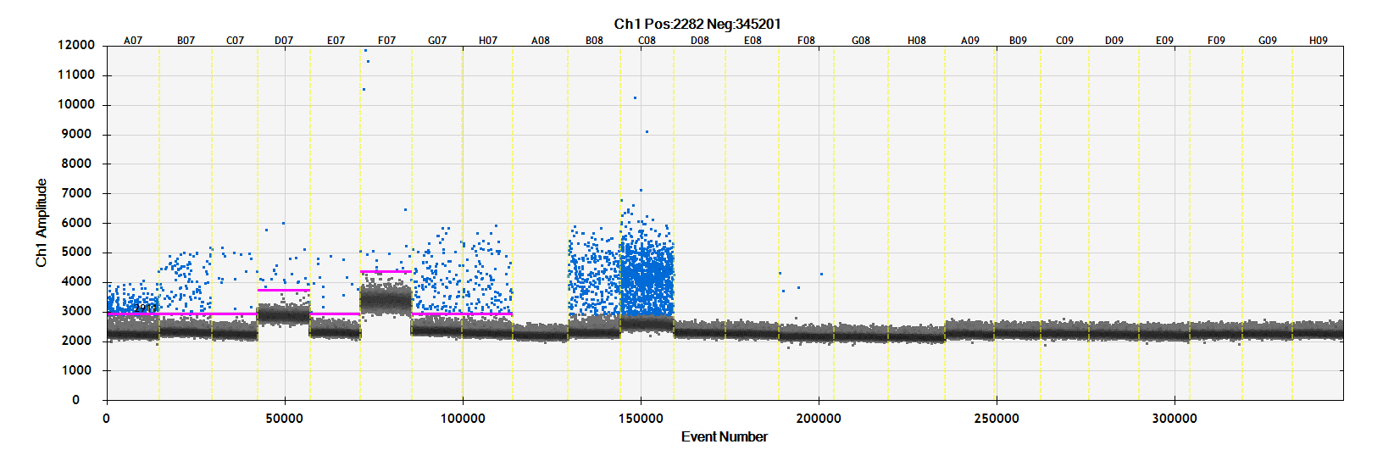
 |  | Copies Per Reaction
Posistion | Sample | psbD_AllPlants | psbA_Grasses
A01 | #001 | 2740 | 756
B01 | #002 | 418 | 114
psbD_AllPlants
C01 | #003 | 30 | 4.6
D01 | #004 | 1620 | 412
E01 | #005 | 0 | 0 | Sample Not Received
F01 | #006 | 5240 | 618
G01 | #007 | 0 | 0 | Sample Not Received
H01 | #008 | 370 | 102
A02 | #009 | 144 | 38
B02 | #010 | 1546 | 154
C02 | #011 | 4360 | 616
D02 | #012 | 2040 | 464
E02 | #013 | 1204 | 288
F02 | #014 | 0 | 0
G02 | #015 | 0 | 0
H02 | #016 | 0 | 0
A03 | #017 | 296 | 9.2
B03 | #018 | 7.8 | 282
C03 | #019 | 718 | 614
D03 | #020 | 46 | 30
E03 | #021 | 86 | 56
F03 | #022 | 4.4 | 13.4
G03 | #023 | 7.4 | 52
H03 | #024 | 5.6 | 0 | Empty tube - Tube rinsed with water and used as sample
A04 | #025 | 2160 | 668
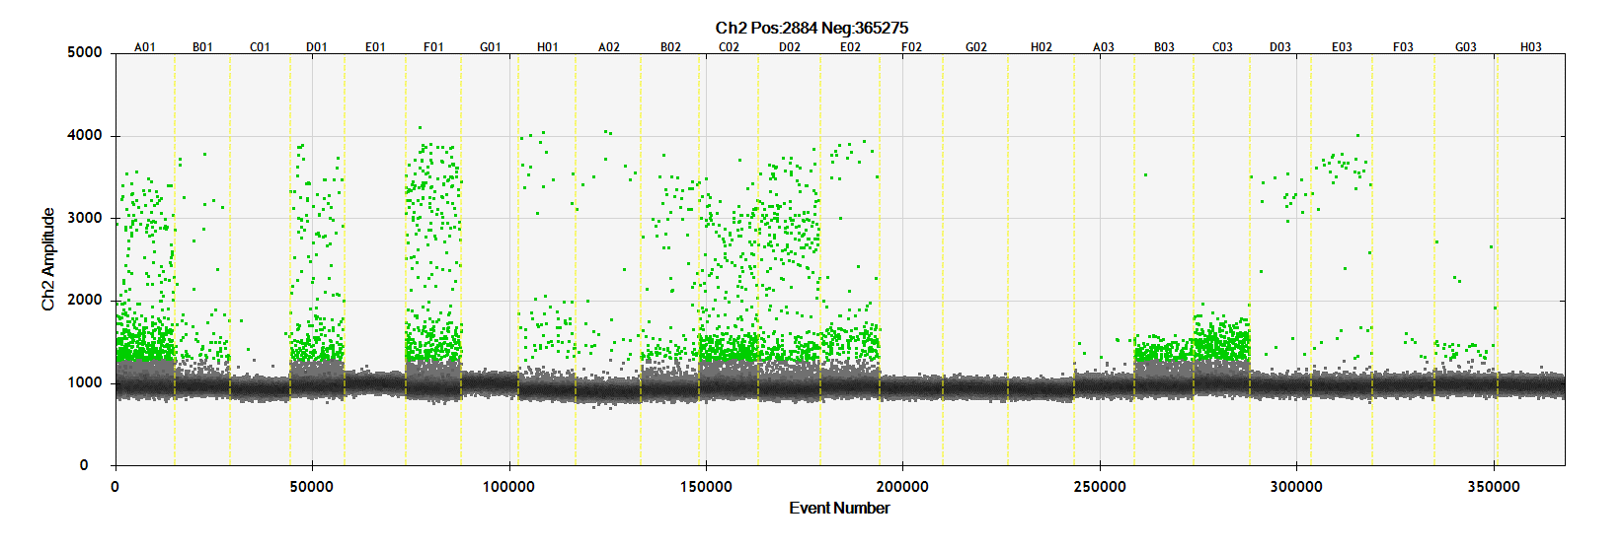
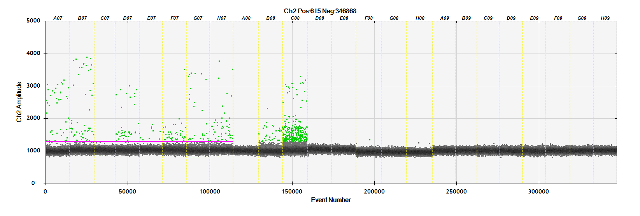
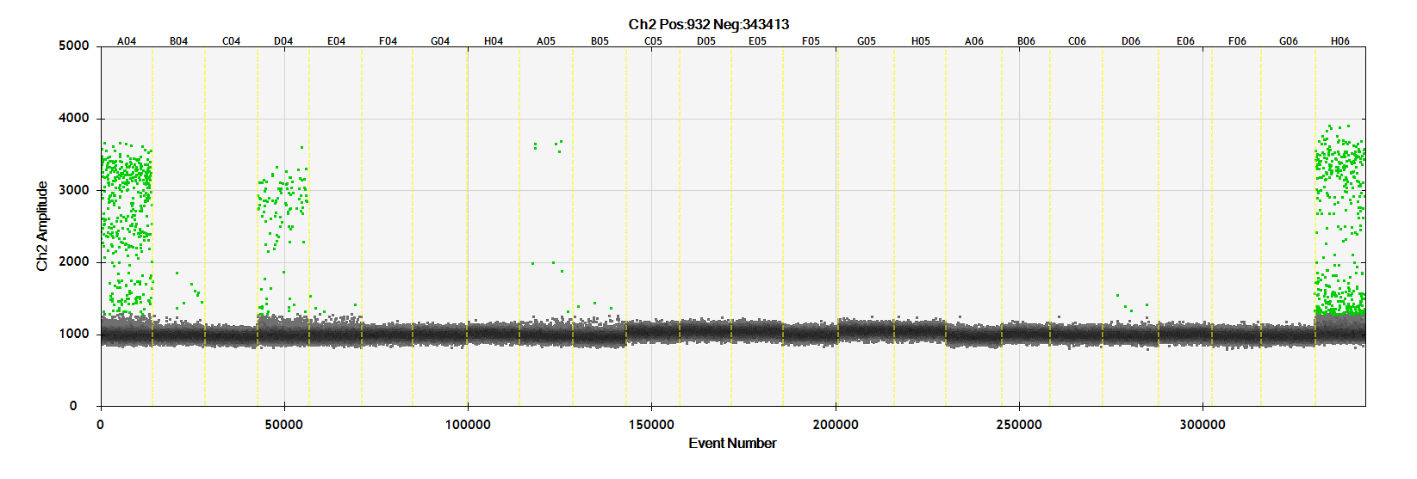
B04 | #026 | 126 | 14.8 | Empty tube - Tube rinsed with water and used as sample
C04 | #027 | 0 | 0 | Empty tube - Tube rinsed with water and used as sample
D04 | #028 | 1920 | 182
psbA_Grasses
E04 | #029 | 542 | 6.4
F04 | #030 | 0 | 0
G04 | #031 | 0 | 0
H04 | #032 | 0 | 0
A05 | #033 | 268 | 14.6
B05 | #034 | 376 | 4.8
C05 | #035 | 0 | 0 | Sample Not Received
D05 | #036 | 0 | 0 | Sample Not Received
E05 | #037 | 0 | 0 | Sample Not Received
F05 | #038 | 0 | 0 | Empty tube - Tube rinsed with water and used as sample
G05 | #039 | 0 | 0 | Sample Not Received
H05 | #040 | 0 | 0
A06 | #041 | 18 | 0
B06 | #042 | 7.2 | 0
C06 | #043 | 0 | 0
D06 | #044 | 80 | 6.2
E06 | #045 | 0 | 0
F06 | #046 | 0 | 0
G06 | #047 | 0 | 0
H06 | #048 | 2700 | 694
A07 | #049 | 362 | 68
B07 | #050 | 172 | 88
C07 | #051 | 32 | 0
D07 | #052 | 36 | 72
E07 | #053 | 30 | 16
F07 | #054 | 24 | 74
G07 | #055 | 228 | 46
H07 | #056 | 188 | 94
A08 | #057 | 0 | 0 | Sample Not Received
B08 | #058 | 512 | 52
C08 | #059 | 2140 | 474
D08 | #060 | 0 | 0 | Sample Not Received
E08 | #061 | 0 | 0 | Sample Not Received
F08 | #062 | 6.2 | 0
G08 | #063 | 0 | 0
H08 | #064 | 0 | 0
A09 | #NTC | 0 | 0
B09 | #NTC | 0 | 0
C09 | #NTC | 0 | 0
D09 | #NTC | 0 | 0
E09 | #NTC | 0 | 0
F09 | #NTC | 0 | 0
G09 | #NTC | 0 | 0
H09 | #NTC | 0 | 0

