Overview
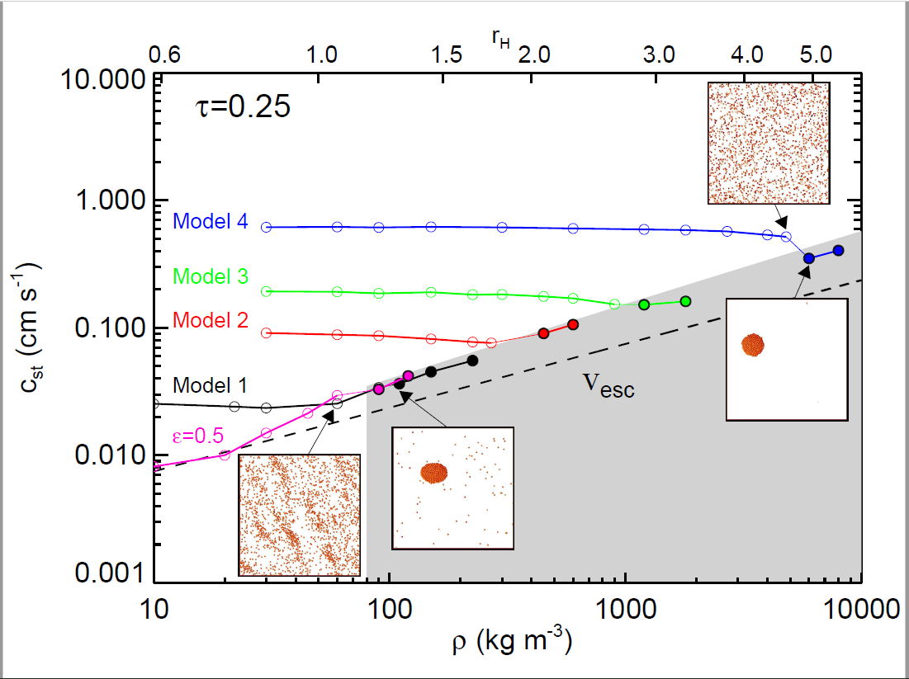
Overview:

C
. Data can be found in the next sheets
. Each highlight was named A-D for an easier understanding
. If accreate is 1, means that the particles in the simulation accreated to a larger body.

D

B

A

