Overview
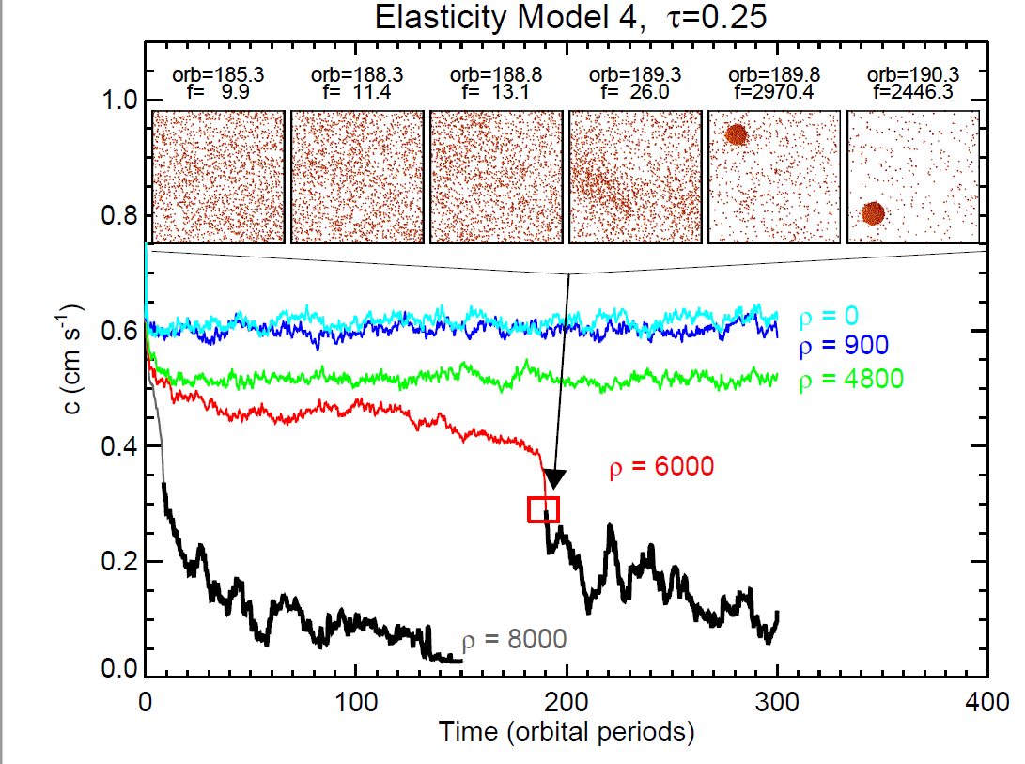

Overview:

A
B
C
D
E
F
. Data can be found in the next sheets
. Each highlight was named A-F for na easier understanding
. If accreate is 1, means that the particles in the simulation accreated to a larger body.

