Fig.2b
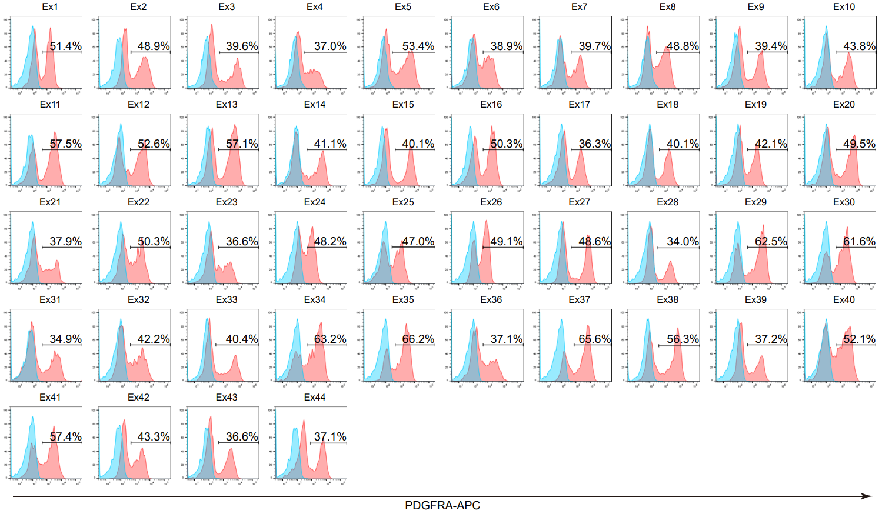
Fig2b. Another reppresentative data of flow cytometry 3 days after 7F induction (Naive)

